Sheet1
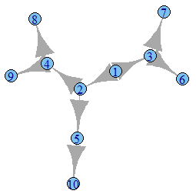
No | Input graph | Centrality Scores | Central Nodes | Community & Nodes using Leading Eigen Vector | Optimal Clustering | Comments

1 | graph.famous("Bull") | Community1: 0.86(1), 1(2), 0.43(4) | 2 3 | Community1: 1,2,4 | Community1: 1,2,4 | Proper Output
 | mod_opt,mod_lec:0.08 | Community2: 1(3), 0.43(5) |  | Community2: 3,5 | Community2: 3,5
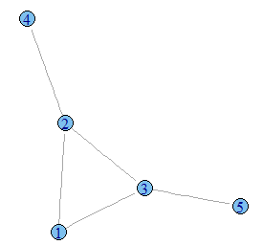

2 | graph.famous("Chvatal") | Community1: 1(1,4,5,10,11,12) | [[1]] | Community1: 1,4,5,10,11,12 | Community1: 1,4,10,11,12 | Communities are
 | mod_lec:0.1666667 | Community2: 1(2,3,6,7,8,9) | [1] 1 5 11 | Community2: 2,3,6,7,8,9 | Community2: 2,3,7,8,9 | ok
 | mod_opt:0.1666667 |  |  |  | Community2: 5,6
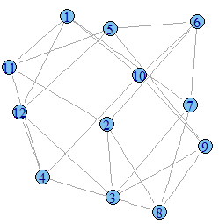
 |  |  | [[2]] |  |  | Central nodes belong to their respective communities
 |  |  | [1] 6 |  |  | But centrality is tricky as scores are same for all nodes

3 | graph.famous("Coxeter") | Community1: 1 for all nodes | 18 | Community1: All nodes | No output after a longtime | Proper output
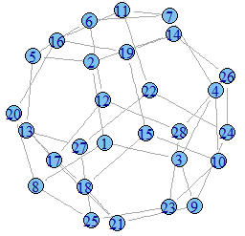

4 | graph.famous("Zachary") | Community1: 0.95(1),0.20(5,11),0.21(6,7),0.14(12),0.06(17) | 1 34 3 32 | Community1: 1,5,6,7,11,12,17 | Community1: 1,5,6,7,11,12,17,2,3,4,8,13,14,18,20,22 | Proper Output
 | mod_lec:0.39 | Community2: 0.60(9),0.27(10,15,16,19,21,23),0.20(27),0.36(30),0.46(31),0.82(33),1(34) |  | Community2: 9,10,15,16,19,21,23,27,30,31,33,34 | Community2: 9,10,15,16,19,21,23,27,30,31,33,34,24,25,26,28,29,32
 | mod_opt:0.41 | Community3: 0.71(2),0.84(3),0.56(4),0.45(8),0.22(13),0.6(14),0.24(18),0.39(20),0.24(22) |  | Community3: 2,3,4,8,13,14,18,20,22
 |  | Community4: 0.4(24),0.15(25,26),0.35(28,29),0.51(32) |  | Community4: 24,25,26,28,29,32

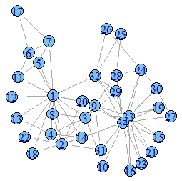

5 | graph.famous("Uniquely3colorable") | Community1: 0.84(1),0.91(5),1(6),0.75(7),0.66(9),0.68(12) | 6 3 | Community1: 1,5,6,7,9,12 | Community1: 1,6,7,9 | Proper Output
 | mod_lec:0.136 | Community2: 0.84(2),0.91(4),1(3),0.75(8),0.66(10),0.68(11) |  | Community2: 2,3,4,8,10,11 | Community2: 2,8
 | mod_opt:0.17 |  |  |  | Community3: 3,4,10,11
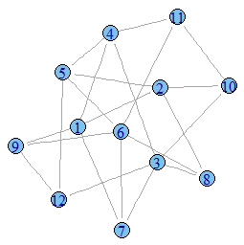
 |  |  |  |  | Community4: 5,12

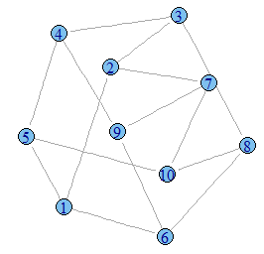
6 | graph.famous("Petersen") | Community1: 1 for All nodes | 3 9 10 | Community1: All nodes | Community1: 1,4,5,6,9
 | mod_lec:0 |  |  |  | Community2: 2,3,7,8,10
 | mod_opt:0.1666667

7 |  | Community1: 0.61(1,8),1(2,7) | 7 6 | Community1: 1,2,7,8 | Community1: 1,2,7,8 | Proper Output
 |  | Community2: 1(3,6),0.61(4,5) |  | Community2: 3,4,5,6 | Community2: 3,4,5,6
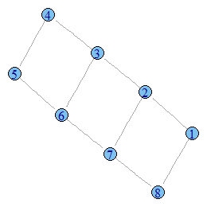

8 |  | Community1: 0.74(1),0.60(3),0.28(6,7) | 1 2 4 | Community1: 1,3,6,7 | Community1: 1,3,6,7 | Proper Output
 |  | Community2: 1(2),0.59(5),0.27(10) |  | Community2: 2,5,10 | Community2: 2,5,10
 |  | Community3: 0.81(4),0.37(8,9) |  | Community3: 4,8,9 | Community3: 4,8,9

