Impl
Code: PWM_INOUT_ULTRASONIC16.4
 |  | Date created: 7/11/2016
Modification: |  | By A. Desai
Addition of channel 3 and channel 4 outputs

Implementation -->
Input pin for channel 3

Input pin for channel 4
Variable to save channel 3 output, can be used to set ACC speed with proper scaling

We actually dont need the PWM output from channel 3 & 4, but the class is created such that it needs an output pin. hence i provide dummy pins here, but on DUE we cannot use these pins for anything else.

PWM Deadzone, PWM Fudge
Scale. (Can be used for ACC)

deadman used?
Input pin
Output pin
isthrottle?
Constructors for each of the channels

ISR to be run when interrupt triggered
The following is line to attach interrupt to corresponding pins and the respective ISR required to run.
The command digitalPinToInterrupt was not used before, but I have read it is recommended for the DUE.

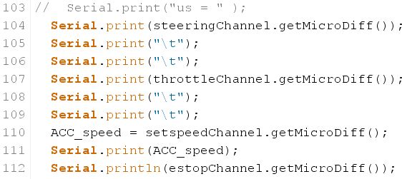

 | Print all the outputs, frequency for channel 3 is save is variable ACC_speed which can be
 | used to set speed in ACC with required scaling.

Outputs for channel 3 and channel 4 for this code.

Value at full close
Channel 3
Ignore this 0 here, this is value of other channel i didnt config in this output

At full open PWM = 1990
At full close PWM = 1007

VR dial on the remote at Channel 3

Almost linear increase going from full close to full open.

At full open the value is around 1990

Channel 4

Channel 4 = SW
Not pressed PWM = 1007
When pressed PWM = 2007
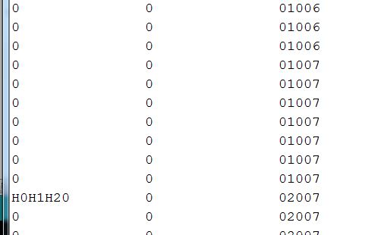

Value switches from 1007 to 2007 when switch is pressed

Sheet1
