Sheet1
 |  |  |  |  |  | Date created: | 2017-01-25

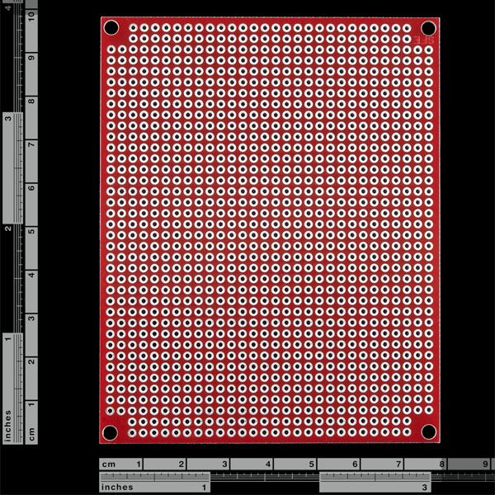
Sr. No. | Task | Description |  |  |  |  |  | Completed date
1 | Cut a PCB to the size of DUE

 |  | Use this -->

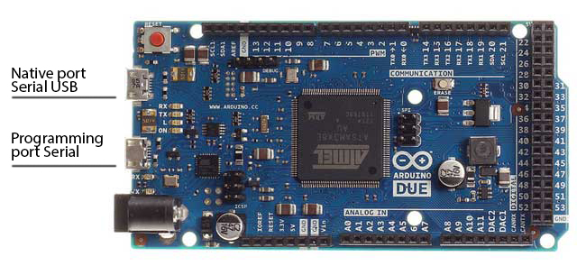
PCB Size

 |  | *** You can get help from people on manufacturing floor in HLE to get this cut.

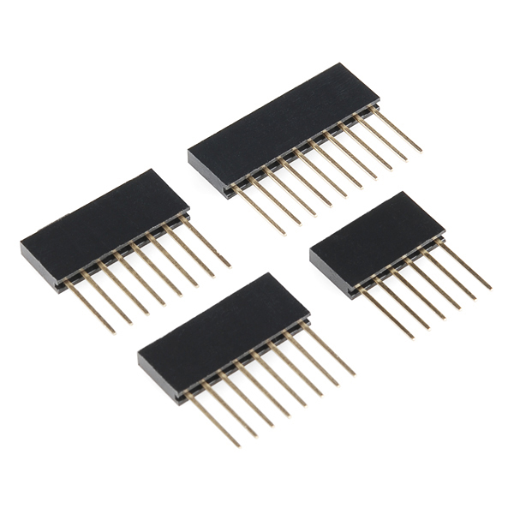
2 | Solder DUE pins on the PCB cut above
 |  | Use this for the single row pins, we should have a set of these in one of the
 |  | drawers at CCD

Solder the pins such that they match the position of female pins on the DUE. So after soldering the PCB should be able to hook up to the DUE and be removable

10 Pins
8 Pins

for this section either use a this type

or 2 rows of this type of pins

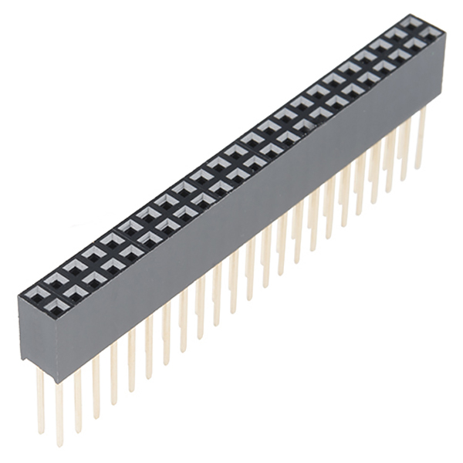

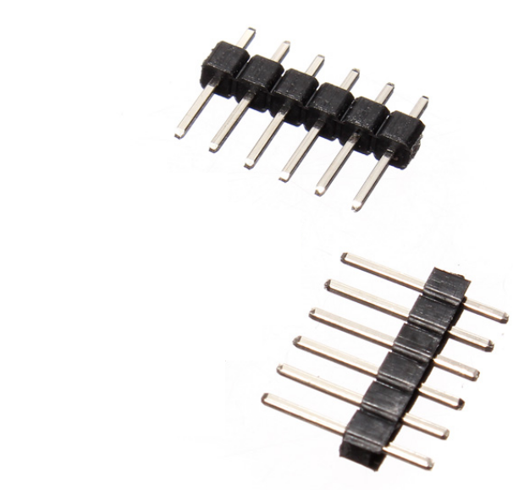

3 | Solder 2 sets of logic level converter with male pins

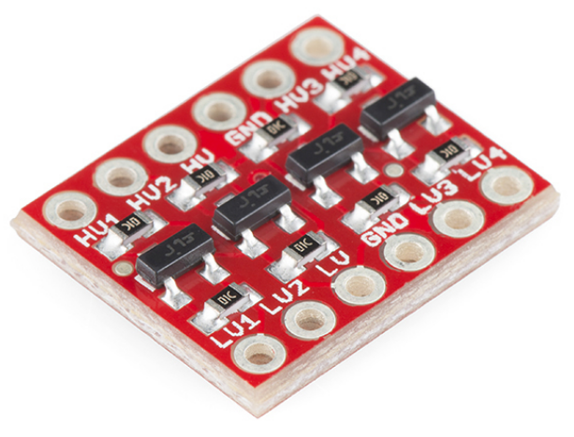

 |  |  | Should look like this | Note: The letters face up.
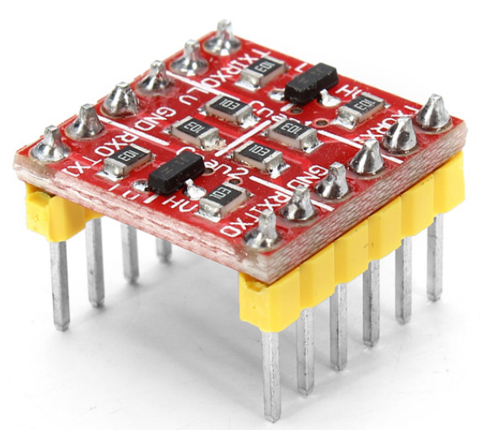
 |  |  |  |  | make 2 of these

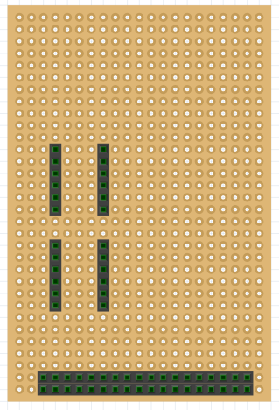
4 | Solder 2 female headers for the LLC above
 | Note the relative distance on the headers
 | pins from each other and the double
 | headers at bottom

