Sheet1
DUE SHIELD PINOUT
AUTONOMOUS VEHICLE AVL

Created: 10/21/2016
A. Desai

Red LED. Will switch on when the board is in reset ie no power to Arduino.

Green LED
Will be flashing when the board is working OK
Reset switch. Press when the board is in reset or the Red LED in ON. NB: Most likely there is a need to reset the Arduino also to restart the loop
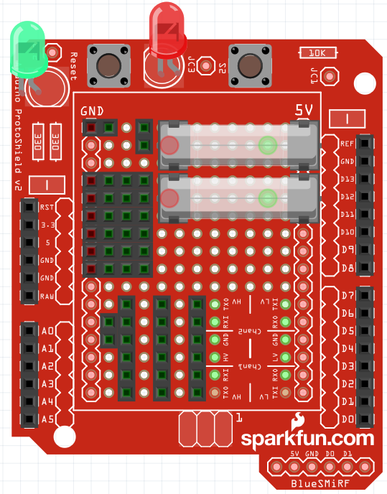

Main Power supply to the board.
From voltage regulator
DUE Fuse 800mA

Pi GND
5V
PI Fuse 800mA
GND
Pi Vcc

Vcc
Trig??
Echo??
GND
From the ultrasonic sensors
Ultrasonic sensor pin 62
Drive
Motor | 13
Steer | 12
Ultrasonic sensor pin 64
Ultrasonic sensor pin 48

Ultrasonic sensor pin 46
Ultrasonic sensor RR pin 56
Front right | 64
Front | 48
Front left | 46
Ultrasonic sensor FR pin 54
DPDT Double latch relay (estop)
80-EC2-5TNU
Rear | 56
Rear left | 54
Rear right | 62
Pin 1 from switch

Pin 2 from switch

Channel # 4
Channel # 3
Rx GND

Rx Vcc

From the radio receiver
Channel # 2
Channel # 1

Sheet1 (2)
DUE SHIELD PINOUT
AUTONOMOUS VEHICLE AVL

old
Created: 10/21/2016
A. Desai

Red LED. Will switch on when the board is in reset ie no power to Arduino.

Green LED
Will be flashing when the board is working OK
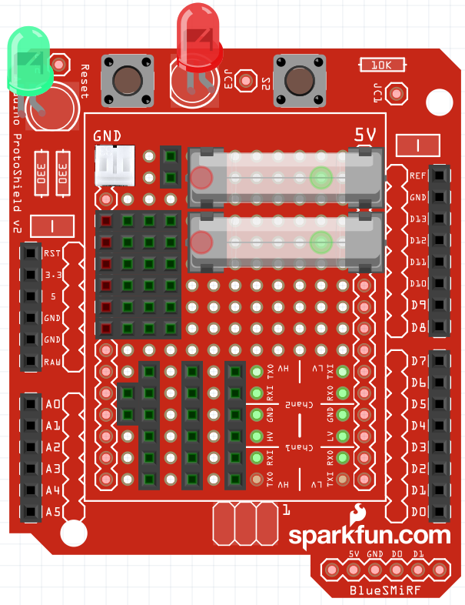
Reset switch. Press when the board is in reset or the Red LED in ON

Main Power supply to the board.
From voltage regulator
DUE Fuse 800mA

Pi GND
5V
PI Fuse 800mA
GND
Pi Vcc

Vcc
Trig??
Echo??
GND
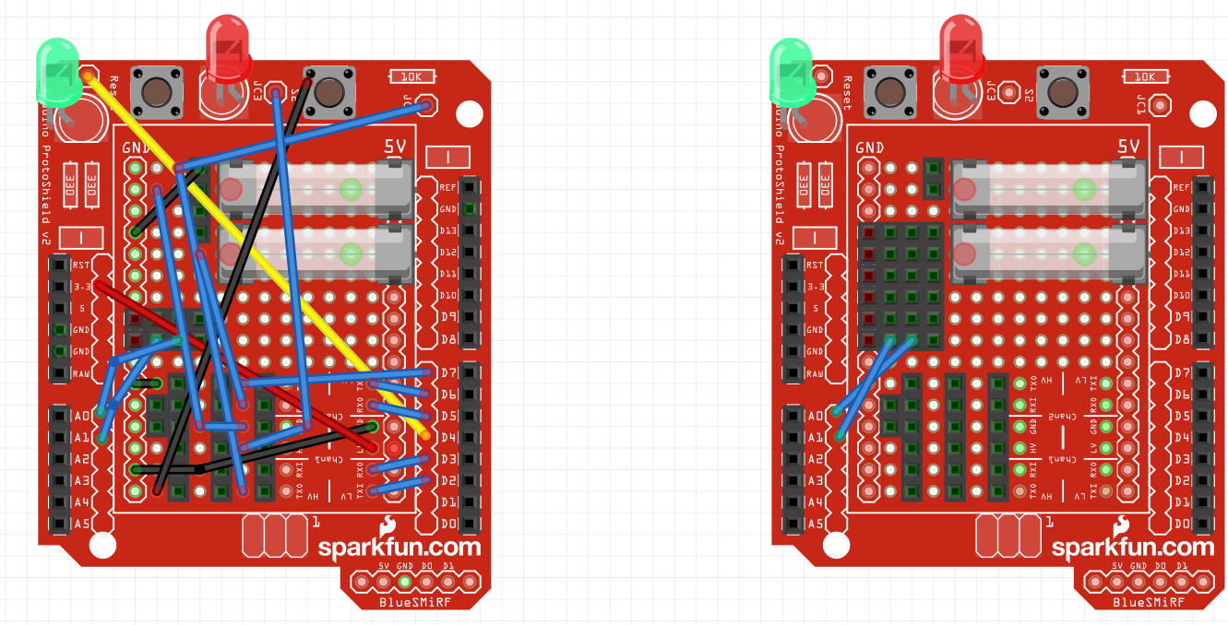

From the ultrasonic sensors
Ultrasonic sensor FR

Ultrasonic sensor RR
Ultrasonic sensor ??

Ultrasonic sensor ??

Ultrasonic sensor ??
Ultrasonic sensor ??
DPDT Double latch relay (estop)
80-EC2-5TNU

Pin 1 from switch

Pin 2 from switch

Channel # 4
Channel # 3
Channel GND

Channel Vcc

From the radio receiver
Channel # 2
Channel # 1

