Sheet8
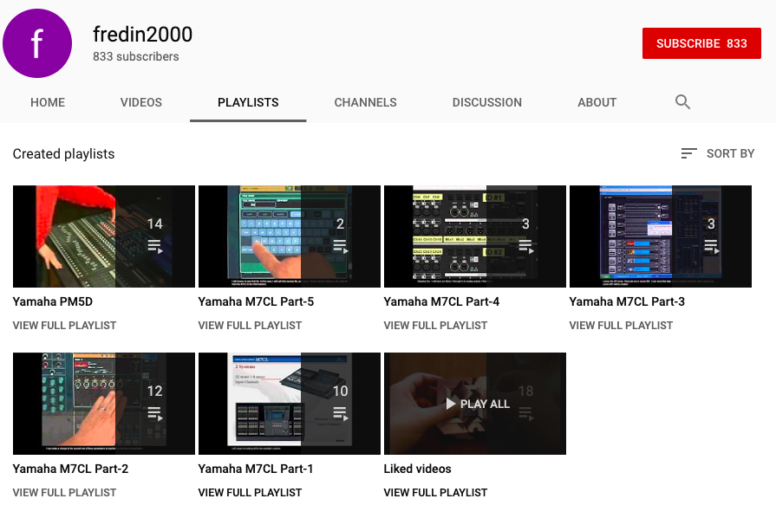
https://www.dropbox.com/s/u2f533fz2sslhgu/Screenshot%202019 | 9 | 02%2020.01.04.png?dl=0

