Sheet1
ID | Part Name | Vendor Number | Quantity | Description | Photo
A1 | Aluminum Extrusion 80/20 Size 20-2020 Cut to 265 mm long Tapped M5 x 0.8 bolt | Misumi HFS5-2020-265-TPW | 4 | T-Slotted Frame Shortest (x-axis) | 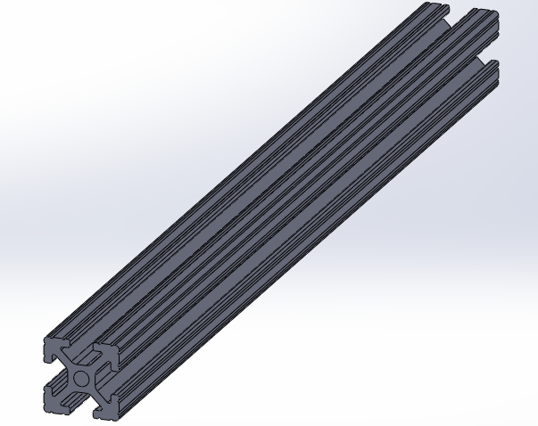
A2 | Aluminum Extrusion 80/20 Size 20-2020 Cut to 300 mm long Tapped M5 x 0.8 bolt | Misumi HFS5-2020-300-TPW | 4 | T-Slotted Frame 2nd Shortest (yz-axis)
A3 | Lower Middle Vertex | 3D Printer N/A | 4 | Middle Bracket (x-axis) | 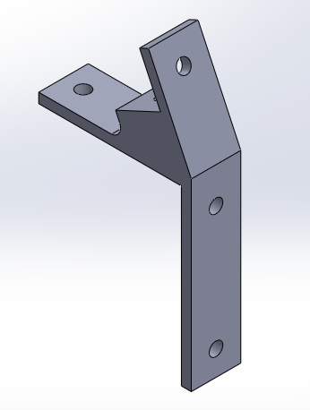
A4 | M5 x 10 Bolt, SHCS Black-oxide | McMaster-Carr 91239A224 | 12 | M5 x 10 Bolt
A5 | M5 Washer, Steel, Zinc Plated | McMaster-Carr 91166A240 | 16 | M5 Washer
A6 | 80/20 Slide-In Economy TNut M5 Thread | Misumi HNKK5-5 | 25 | T-Nut | 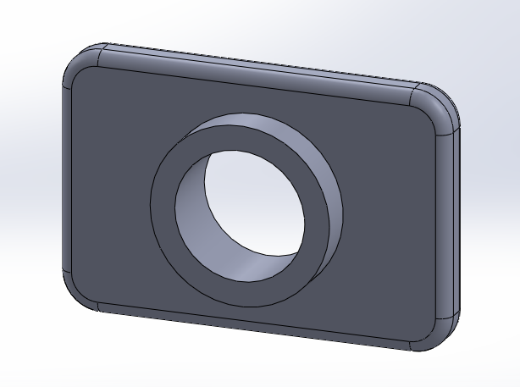
A7 | M5 x 14 Bolt, SHCS Black-Oxide | McMaster-Carr 91290A230 | 4 | M5 x 14 Bolt

B1 | Aluminum Extrusion 80/20 Size 20-2020 Cut to 380 mm long Tapped M5 x 0.8 bolt | McMaster-Carr HFS5-2020-380-TPW | 4 | T-Slotted Frame 2nd Longest (y-axis)
B2 | Lower Left-Right Vertex | 3D Printer N/A | 4 | Left/Right Bottom Corners (y-axis) | 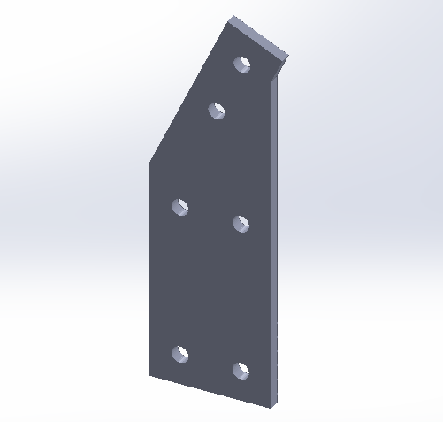
A4 | M5 x 10 Bolt, SHCS Black-Oxide | McMaster-Carr 91290A115 | 28 | M5 x 10 Bolt
A5 | M5 Washer, Steel, Zinc Plated | McMaster-Carr 91166A240 | 28 | M5 Washer
A6 | 80/20 Slide-In Economy TNut M5 Thread | Misumi HNKK5-5 | 28 | T-Nut

C1 | Aluminum Extrusion 80/20 Size 20-2020 Cut to 385 mm long Tapped M5 x 0.8 bolt Horz Drilled Holes | Misumi HFS5-2020-385-TPW-AH70-BH315 | 2 | T-Slotted Frame Longest (x-axis)
C2 | Z Upper Idler | 3D Printer N/A | 2 | Upper Mount (z-axis) | 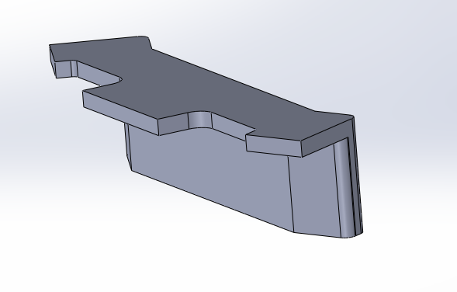
C3 | M5 x 16 Bolt, BHCS Black-Oxide | McMaster-Carr 91239A232 | 4 | M5 x 16 Bolt
A4 | M5 x 10 Bolt, SHCS Black-Oxide | McMaster-Carr 91290A115 | 8 | M5 x 10 Bolt
A5 | M5 Washer, Steel, Zinc Plated | McMaster-Carr 91166A240 | 8 | M5 Washer
A6 | 80/20 Slide-In Economy TNut M5 Thread | Misumi HNKK5-5 | 5 | T-Nut | 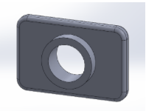
D1 | Y Rod Mount | 3D Printer N/A | 2 | Rod Mount (y-axis) | 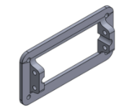
D2 | 8mm rod (5/16" drill rod) 36" | Fastenal 47768 | 2 | Steel Rod (y-axis) | 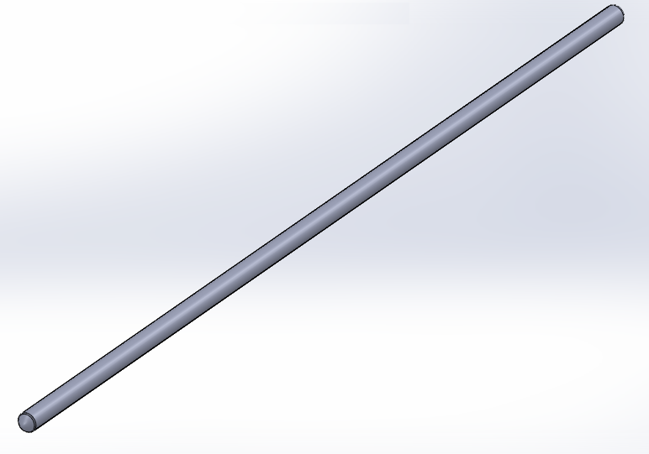
D3 | Z Rod Clamp | 3D Printer N/A | 4 | Clamp (z-axis) | 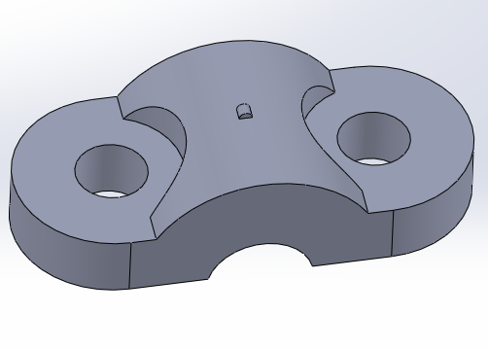
D4 | Y Tensioner Mount | 3D Printer N/A | 1 | Idler Mount (y-axis) | 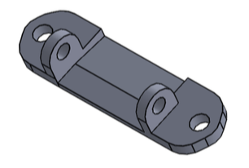
D5 | Y Idler Tensioner | 3D Printer N/A | 1 | Idler Tensioner (y-axis) | 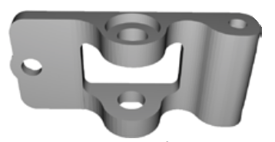
D6 | LM8UU Bearing Holder | 3D Printer N/A | 4 | Bearing Mount | 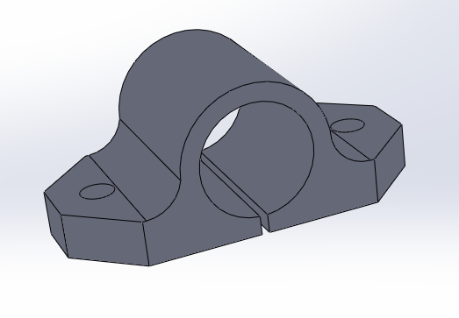
D7 | 12x LM8UU Linear Bearings | Amazon 0601227135386 | 4 | Bearings | 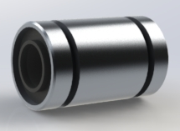
D8 | 608ZZ Bearings | Amazon 0793200418750 | 4 | Bearings | 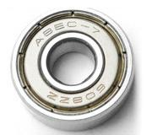
D9 | Y Motor Mount | 3D Printer N/A | 1 | Motor Mount (y-axis) | 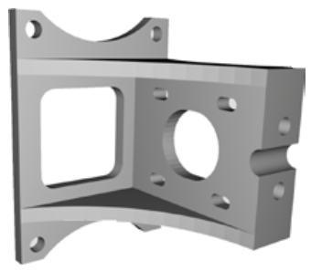
D10 | Nema 17 Stepper Motor 2 A 45 Ncm (64oz.in) | Amazon 17HS16-2004S1 | 1 | Nema 17 Stepper Motor | 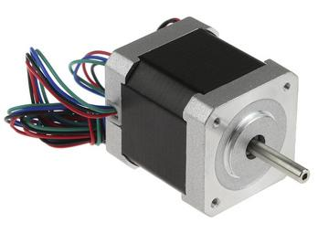
D11 | 2x Aluminum GT2 16T Pulley and 2M Belt for RepRap 3D printer Prusa i3 | Amazon 0087169815683 6907496758795 | 1 | 16T Pulley | 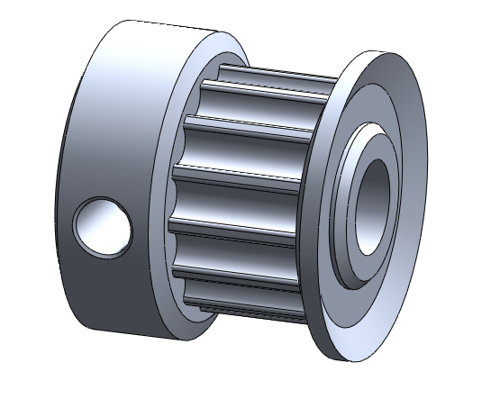
D12 | 2x Aluminum GT2 16T Pulley and 2M Belt for RepRap 3D printer Prusa i3 | Amazon 0087169815683 6907496758795 | 1 | 2M Belt | 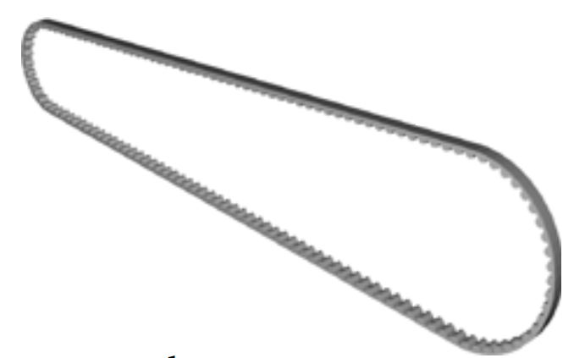
D13 | Base Stage Plate | Custom Machine Fabrication N/A | 1 | N/A | 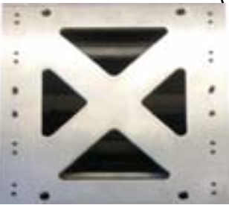
D14 | Belt Clamp | 3D Printer N/A | 2 | Belt Clamp (y-axis) | 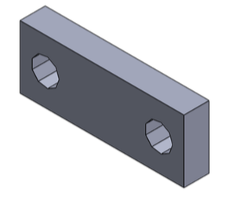
D15 | M8 x 30 Bolt, SHCS Black-Oxide | McMaster-Carr 91290A434 | 1 | M8 x 30 Bolt
D16 | M8 Nut Nyloc | McMaster-Carr 90576A117 | 1 | M8 Nut | 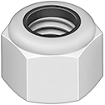
D17 | M5 Nut | McMaster-Carr 90591A146 | 18 | M5 Nut
D18 | M3 x 10 Bolt, SHCS Black-Oxide | McMaster-Carr 91290A115 | 14 | M3 x 10 Bolt
D19 | M3 Washer, Steel, Zinc Plated | McMaster-Carr 91166A210 | 14 | M3 Washer
A4 | M5 x 10 Bolt, SHCS Black-oxide | McMaster-Carr 91239A224 | 12 | M5 x 10 Bolt | 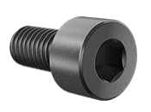
A5 | M5 Washer, Steel, Zinc Plated | McMaster-Carr 91166A240 | 16 | M5 Washer
E1 | Lower Z Motor Mount | 3D Printer N/A | 2 | Lower Motor Mount (z-axis) | 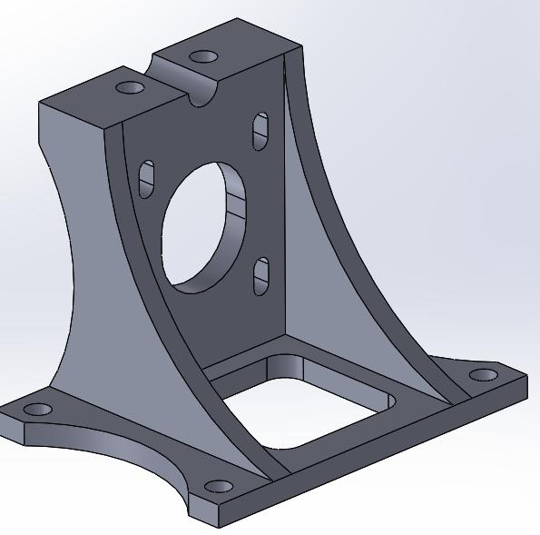
E2 | Beefy Coupler | 3D Printer N/A | 2 | Beefy Coupler (z-axis) | 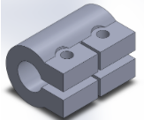
E3 | M3 x 20 Bolt, SHCS Black-Oxide | McMaster-Carr 91290A123 | 10 | M3 x 20 Bolt
E4 | M3 Nylon Lock Nut | McMaster-Carr 90576A102 | 12 | M3 Lock Nut
E5 | Lower Z Mount Clamp | 3D Printer N/A | 2 | Lower Mount Clamp (z-axis) | 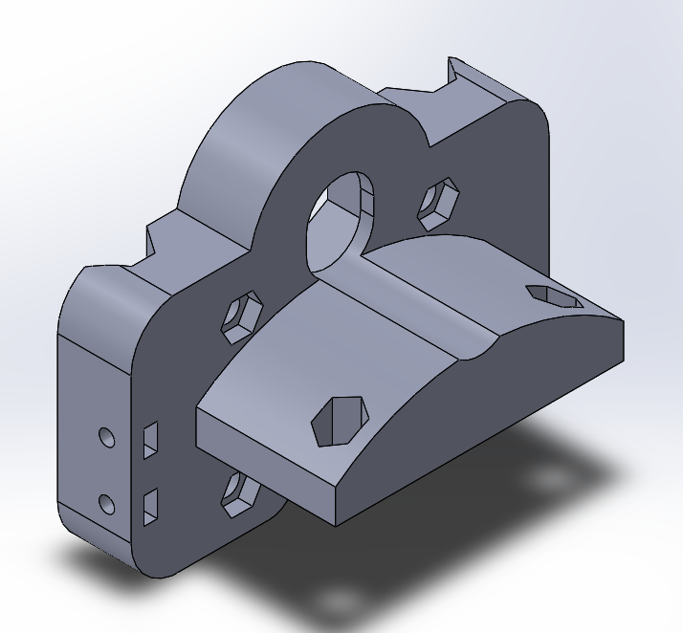
E6 | Upper Z Motor Mount | 3D Printer N/A | 1 | Upper Motor Mount (z-axis) | 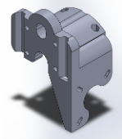
E7 | Upper Z Idle Mount | 3D Printer N/A | 1 | Upper Idle Mount (z-axis) | 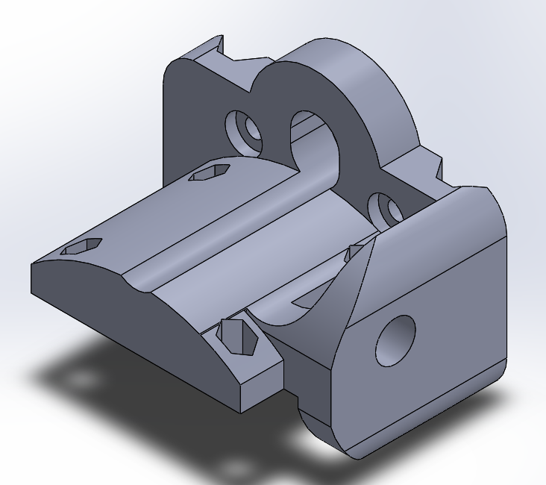
E8 | 8mm rod (5/16" drill rod) 36" | Fastenal 47768 | 2 | Steel Rod (z-axis)
E9 | Leadscrews - 3/8-12 Thread, 6 Ft. Long, Left Hand, Acme Threaded Rod | MSC Industrial Supply 4354635 | 2 | Threaded Steel Rods | 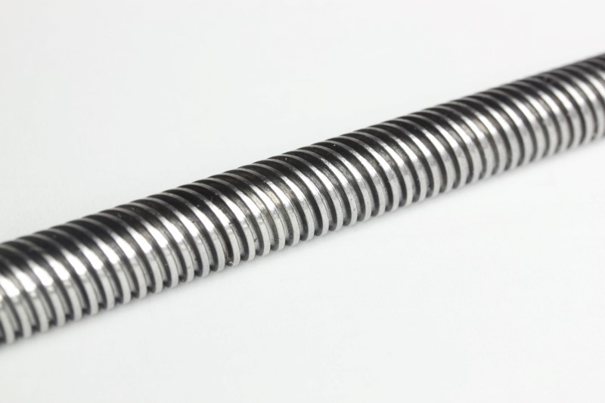
E10 | M3 x 16 Bolt, SHCS Black-Oxide | McMaster-Carr 91290A120 | 12 | M3 x 16 Bolt
E11 | M3 Nut | McMaster-Carr 90592A009 | 10 | M3 Nut | 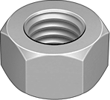
E12 | M8 Washer | McMaster-Carr 91166A270 | 1 | M8 Washer
E13 | 3/8-12 ACME Hex Nut | McMaster-Carr 95155A111 | 2 | Hex Nut | 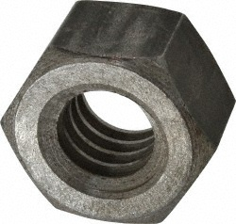
E14 | Z Emergency Stop | 3D Printer N/A | 1 | Emergency Stop (z-axis) | 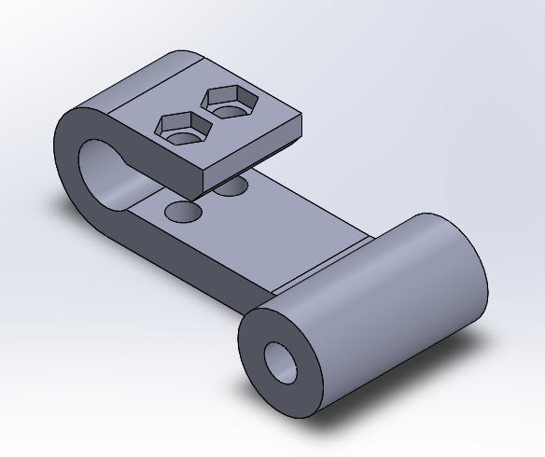
A5 | M5 Washer, Steel, Zinc Plated | McMaster-Carr 91166A240 |  | M5 Washer
A7 | M5 x 14 Bolt, SHCS Black-Oxide | McMaster-Carr 91290A230 |  | M5 x 14 Bolt
D3 | Z Rod Clamp | 3D Printer N/A | 4 | Clamp (z-axis) | 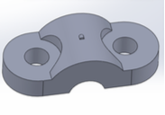
D6 | LM8UU Bearing Mount | 3D Printer N/A | 4 | Bearing Mount | 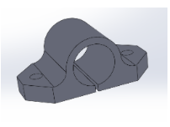
D7 | 12x LM8UU Linear Bearings | Amazon 0601227135386 | 4 | Bearings | 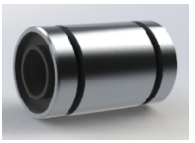
D8 | 608ZZ Bearings | Amazon 0793200418750 | 4 | Bearings | 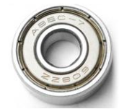
D10 | Nema 17 Stepper Motor 2 A 45 Ncm (64oz.in) | Amazon 17HS16-2004S1 | 1 | Nema 17 Stepper Motor | 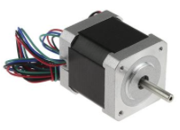
D11 | 2x Aluminum GT2 16T Pulley and 2M Belt for RepRap 3D printer Prusa i3 | Amazon 0087169815683 6907496758795 | 1 | 16T Pulley | 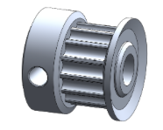
D15 | M8 x 30 Bolt, SHCS Black-Oxide | McMaster-Carr 91290A434 | 1 | M8 x 30 Bolt
D16 | M8 Nut Nyloc | McMaster-Carr 90576A117 | 1 | M8 Nut | 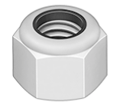

F1 | 8mm rod (5/16" drill rod) 36" | Fastenal 47768 | 2 | Steel Rod (x-axis)
F2 | Stabilized X-Carriage | 3D Printer N/A | 1 | Printer Stage Plate | 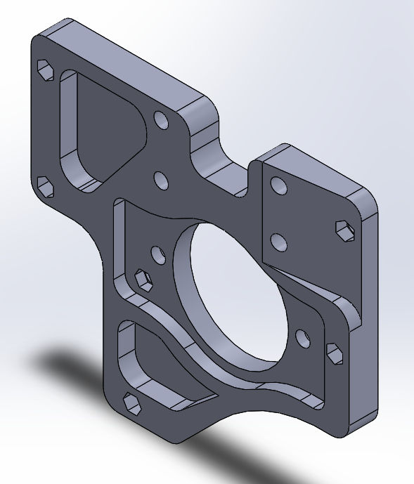
F3 | M3 Threaded Insert | McMaster-Carr 94180A333 | 10 | Threaded Inserts | 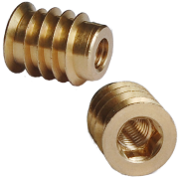
D6 | LM8UU Bearing Mount | 3D Printer N/A | 4 | Bearing Mount
D7 | 12x LM8UU Linear Bearings | Amazon 0601227135386 | 4 | Bearings
D12 | 2x Aluminum GT2 16T Pulley and 2M Belt for RepRap 3D printer Prusa i3 | Amazon 0087169815683 6907496758795 | 1 | 2M Belt
D14 | Belt Clamp | 3D Printer N/A | 2 | Belt Clamp (x-axis) | 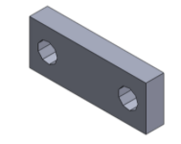
D19 | M3 Washer, Steel, Zinc Plated | McMaster-Carr 91166A210 | 14 | M3 Washer
E10 | M3 x 16 Bolt, SHCS Black-Oxide | McMaster-Carr 91290A120 | 12 | M3 x 16 Bolt

G1 | RAMPS Mount | 3D Printer N/A | 1 | RAMPS Mount | 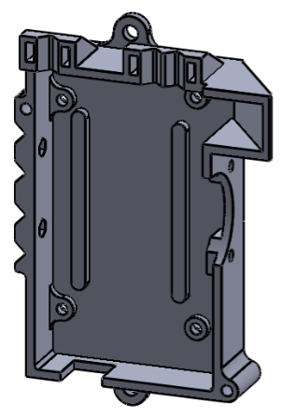
A4 | M5 x 10 Bolt, SHCS Black-oxide | McMaster-Carr 91239A224 | 2 | M5 x 10 Bolt
A5 | M5 Washer, Steel, Zinc Plated | McMaster-Carr 91166A240 | 2 | M5 Washer

H1 | Large Stage Plate | Custom Machine Fabrication N/A | 1 | Printer Stage Plate | 
H2 | Small Stage Plate | Custom Machine Fabrication N/A | 2 | Printer Stage Plate | 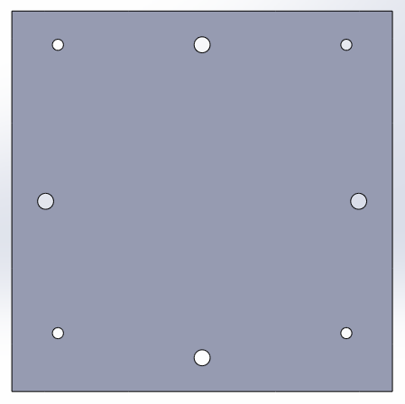
H3 | Compression Spring - 0.360OD, 0.032 music wire, 1.000 overall length | w.b. Jones Spring Co Inc C12-032-032 | 8 | Springs
H4 | 6-32 x .750 inch Aluminum Standoffs (Round) | Servo City 534-3488 | 8 | Spacer | 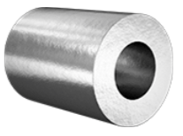
H5 | 6-32 x 1" Bolt | Servo City Actobotics Hardware Pack A (632146) Pack B (632148) | 8 | 6-32 x 1" Bolt
A4 | M5 x 10 Bolt, SHCS Black-oxide | McMaster-Carr 91239A224 | 4 | M5 x 10 Bolt
A5 | M5 Washer, Steel, Zinc Plated | McMaster-Carr 91166A240 | 4 | M5 Washer
D17 | M5 Nut | McMaster-Carr 90591A146 | 4 | M5 Nut

I1 | Dry Braided Sleeve Carbon Fiber - 0.5" | RockWest BR-C-050 | 1 | Carbon Fiber Sleeves for Tubing Heaters | 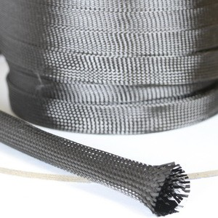
I2 | 22 AWG (7/36) BC 6820 | AlphaWire 22 AWG (7/36) BC 6820 | 1 | 22 AWG Copper Wire | 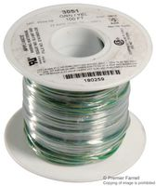
I3 | CONN HOUSING 2POS .100 W/LATCH | DigiKey WM2900-ND | 3 | Male 2 POS wire housing | 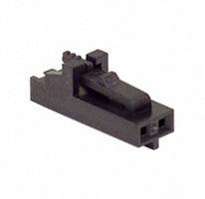
I4 | CONN HOUSING 3POS .100 W/LATCH | DigiKey WM2901-ND | 2 | Male 3 POS wire housing | 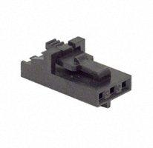
I5 | CONN HOUSING 3POS .100 SINGLE | DigiKey WM2801-ND | 1 | Female 3 POS wire housing | 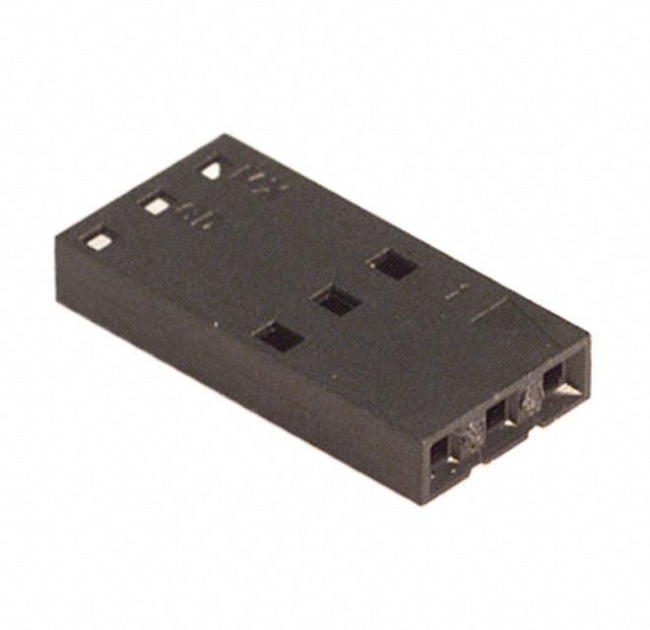
I6 | CONN TERM FEMALE 24-30AWG GOLD | DigiKey WM2513-ND | 3 | Female 24-30 Gauge Crimp Connector | 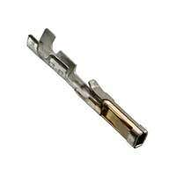
I7 | CONN TERM MALE 22-24AWG GOLD | DigiKey WM2515-ND | 12 | Male 24-30 Gauge Crimp Connector | 
I8 | Extreme-Temperature Teflon® PTFE Semi-Clear Tubing | McMaster-Carr 5239K12 | 1 | Plastic Tubing | 
I9 | Carbon Fiber Sleeve Outer Bracket (No Temp) | 3D Printer N/A | 1 | Sleeve Bracket | 
I10 | Carbon Fiber Sleeve Outer Bracket (Temp) | 3D Printer N/A | 1 | Sleeve Bracket | 
I11 | Carbon Fiber Sleeve Inner Bracket | 3D Printer N/A | 1 | Sleeve Bracket | 
I12 | Needle Holder | 3D Printer N/A | 1 | Needle Guide for Stabilized X-Carriage | 

J1 | 3 inch Aluminum Channel | ServoCity 585442 | 1 | Gear Box | 
J2 | 55:1 Gear Ratio 55 Teeth Worm Gear | SDP-SI S1C83Z-P048B055S | 1 | Gear Box | 
J3 | Center Hole Adaptors (4 pack) | ServoCity 633138 | 4 | Gear Box
J4 | 1/8 inch ID x 3/8 inch OD Ball Bearing (2 pack) | ServoCity 535206 | 4 | Gear Box | 
J5 | 48 D.P. 24 Teeth 20° Pressure Angle AGMA Q10 Quality With ( Hub / S.S.) 2024 Aluminum Alloy Gear | SDP-SI S1063Z-048A024 | 1 | Gear Box | 
J6 | 48 D.P. 48 Teeth 20° Pressure Angle AGMA Q10 Quality With ( Hub / S.S.) 303 Stainless Steel Gear | SDP-SI S1063Z-048S048 | 1 | Gear Box | 
J7 | .12470" (+.000/-.0002) Dia. 2.375" Long 303 Stainless Steel Shaft | SDP-SI A 7X 1-04023 | 2 | Gear Box | 
J8 | 0.1248" Bore 0.3125" O.D. 0.18" Wide 303 Stainless Steel Collar Style | SDP-SI S5000Y-12510 | 1 | Gear Box | 
J9 | 0.125" I.D. 0.1875" O.D. 0.016" Thick Shaft Spacer | SDP-SI A 7X 8-C04016 | 3 | Gear Box | 
J10 | 0.125" I.D. 0.1875" O.D. 0.031" Thick Shaft Spacer | SDP-SI A 7X 8-C04031 | 1 | Gear Box | 
J11 | 32 DP 16 Teeth 20° Pressure Angle Acetal / Brass Insert Spur Gear | SDP-SI A 1T 2-Y32016 | 1 | Gear Box | 
J12 | 90 Degree Quad Hub Mount B | ServoCity 545424 | 1 | Gear Box | 
J13 | Beam Bracket T (Pair) | ServoCity 585656 | 2 | Gear Box | 
J14 | Beam Attachment Block B (4 pack) | ServoCity 585600 | 4 | Gear Box | 
J15 | 1 inch Bore Tube Clamp A | ServoCity 585434 | 2 | Gear Box | 
J16 | 90 Degree Quad Hub Mount C | ServoCity 545360 | 1 | Gear Box | 
J17 | Attachment Blocks (12 pack) | ServoCity 585400 | 1 | Extruder Arm | 
J18 | 1.54 inch Aluminum Beam (2 pack) | ServoCity 585404 | 2 | Extruder Arm | 
J19 | Beam Crossover Adaptor A | ServoCity 585490 | 1 | Extruder Arm | 
J20 | Beam Bracket F (Pair) | ServoCity 585612 | 2 | Extruder Arm | 
J21 | Syringe Plunger | N/A | 1 | Extruder Arm | 
J22 | 6.16 inch Aluminum Beam (2 pack) | ServoCity 585416 | 1 | Extruder Arm | 
J23 | 32P Beam Gear Rack | ServoCity 615410 | 1 | Extruder Arm | 
J24 | Syringe Body | N/A | 1 | Extruder Arm | 
J25 | Stepper Motor Mount (NEMA 17) | ServoCity 555152 | 1 | Motor Mount | 
J26 | 3/16 inch to 5mm Set Screw Shaft Coupler | ServoCity 625176 | 1 | Motor Mount
J27 | 3/16 inch x 1 inch Precision Shaft | ServoCity 634136 | 1 | Motor Mount
J28 | 48DP/1 Lead/.33PD 20° Pressure Angle Stainless Steel Worm | SDP-SI S1D94Z-P048SS | 1 | Motor Mount | 
A4 | M5 x 10 Bolt, SHCS Black-Oxide | McMaster-Carr 91290A115 | 1 | Motor Mount | 
A5 | M5 Washer, Steel, Zinc Plated | McMaster-Carr 91166A240 | 1 | Motor Mount | 
D10 | Nema 17 Stepper Motor 2 A 45 Ncm (64oz.in) | Amazon 17HS16-2004S1 | 1 | Motor Mount | 
H4 | 6-32x .750 inch Aluminum Standoffs (Round) | ServoCity 534-3488 | 4 | Motor Mount | 

