Sheet1
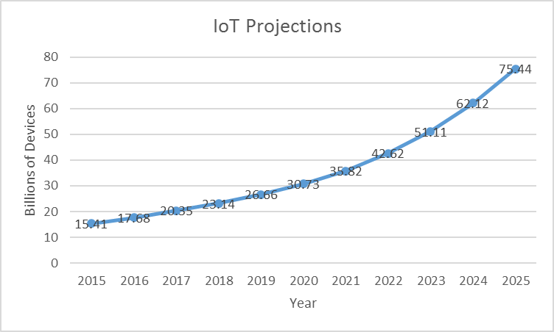
2015 | 15.41
2016 | 17.68
2017 | 20.35
2018 | 23.14
2019 | 26.66
2020 | 30.73
2021 | 35.82
IoT Projections
2022 | 42.62
2023 | 51.11
2024 | 62.12
2025 | 75.44

