Sheet1
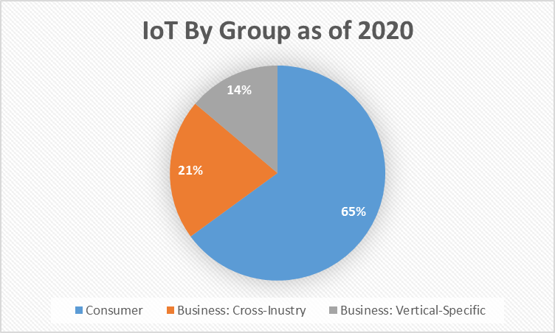
IoT Projections
2015 | 15.41
2016 | 17.68
2017 | 20.35
2018 | 23.14
2019 | 26.66
2020 | 30.73
2021 | 35.82
2022 | 42.62
2023 | 51.11
2024 | 62.12
2025 | 75.44

IoT By Group as of 2020
Consumer | 13509
Business: Cross-Inustry | 4408
Business: Vertical-Specific | 2880

