Bugs_app_Calc
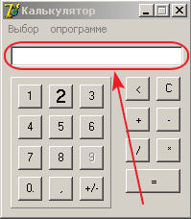
Defect ID | Defect Summary (краткое описание дефекта) | Defect Description (описание дефекта) | Steps to reproduce, STR (шаги воспроизведения) | Severity (важность) | Priority (срочность) | Reproducibility (воспроизводимость) | Symptom (симптом) | Workaround | Attachment | Comments /Screen shot
Calc_001 | After starting the application, the number "0" is missing in the I/O field. | After starting the application, the number "0" is missing in the I/O field. | 1. Double-click on the calculator executable file. 2. The I/O field is empty. | Major | High | Always | Variance from specs
 |  | Expected result: Application launched and value in the I/O field "0"
 |  | Actual Result: Application launched and value in the I/O field is empty (look at the picture)
 |  | Requirement: #7, #8

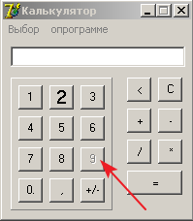
Calc_002 | In the open application, the button "9" is not active . | In the open application, the button with the number "9" is not active (there is no way to use it) | 1. Application launchedar. 2. Click on the button "9" 3. Button "9" not available | Critical | ASAP | Always | Variance from specs
 |  | Expected result: All function buttons (1, 2, 3, 4, 5, 6, 7, 8, 9, 0, ".") must be available.
 |  | Actual Result: Button "9" is not available (look at the picture).
 |  | Requirement: #9.1

Calc_003 | In the menu bar the title of the "О программе" option is incorrect. | In an open application, in the menu bar the title of the option for receiving the user guide "About the program" is indicated incorrectly. | 1. Application launchedar. 2. See menu bar | Medium | Normal | Always | Cosmetic Flaw |  |  | 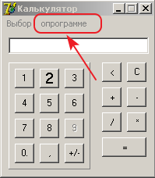
 |  | Expected result: "О программе" |  |  |  |  | Variance from specs
 |  | Actual Result: "опрограмме" (look at the picture)
 |  | Requirement: #11

Calc_004 | Pressing the option "О программе" does not provide access to the user guide. | Pressing the option "О программе" does not provide access to the user guide. | 1. Click option “О программе” 2. | Medium | Normal | Always | Documentation issue |  |  | 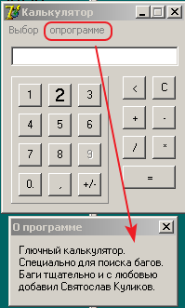
 |  | Expected result: open user guide |  |  |  |  | Variance from specs
 |  | Actual Result: open window "О программе" with text "Глючный калькулятор…." (look at the picture) |  |  |  |  | Cosmetic Flaw
 |  | Requirement: #6.

Calc_005 | Pop-up windows in English. | Pop-up windows in English. | 1. Double-click on the calculator executable file. 2. | Major | Normal | Always | Variance from specs |  |  | 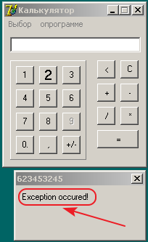 | 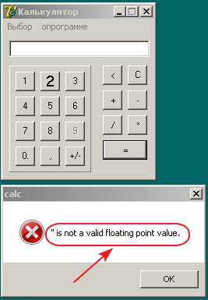
 |  | Expected result: windows that open in Russian |  |  |  |  | Cosmetic Flaw
 |  | Actual Result: Windows that open in English(look at the picture)
 |  | Requirement: #15

Calc_006 | Font size button "2" different from the main in app | Font size button "2" different from the main in app | 1. Double-click on the calculator executable file. 2. See on the button "2". | Medium | Normal | Always | Variance from specs |  |  | 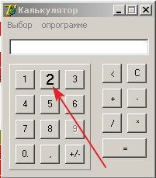
 |  | Expected result: Font size of all signatures has to be equal |  |  |  |  | Cosmetic Flaw
 |  | Actual Result: Font size button "2" different from the main
 |  | Requirement: #18

Calc_007 | Name button "0" has the point | Name button "0" has the point | 1. Double-click on the calculator executable file. 2. See on the button "0" | Medium | Normal | Always | Variance from specs |  |  | 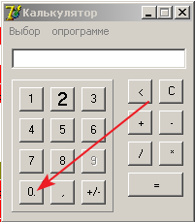
 |  | Expected result: Name button "0" |  |  |  |  | Cosmetic Flaw
 |  | Actual Result: Name button "0."
 |  | Requirement: #9.1

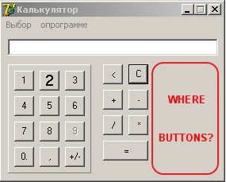
Calc_008 | After changing the mode to “Инженерный” button "x2"( for squaring) is not available | After changing the mode to “Инженерный” button "x2"( for squaring) is not available | 1. Changing the mode to “Инженерный” 2. See on the zone "Where buttons?" | Critical | ASAP | Always | Variance from specs
 |  | Expected result: button "x2"( for squaring) is available
 |  | Actual Result: button "x2"( for squaring) is not available (look at the picture)
 |  | Requirement: #9.3.1, #24.1, #29

Calc_009 | After changing the mode to “Инженерный” button "√ " (for square root extraction) is not available | After changing the mode to “Инженерный” button "√ " (for square root extraction) is not available | 1. Changing the mode to “Инженерный” 2. See on the zone "Where buttons?" | Critical | ASAP | Always | Variance from specs
 |  | Expected result: button "√ " (for square root extraction) is available
 |  | Actual Result: button "√ " (for square root extraction) is not available (look at the picture)
 |  | Requirement: #9.3.2, #24.2, #29

Calc_010 | Create a sequence of calculations is not supported. | Create a sequence of calculations is not supported. | 1. Enter in the I/O field "8+5*6-41" (via buttons on keyboard) 2. Click button "=" on the application. | Major | High | Always | Variance from specs |  |  | 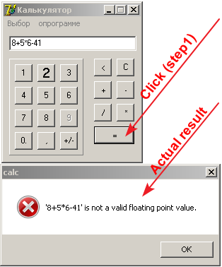
 |  | Expected result: In the I/O field displays value "8+5*6-41"
 |  | Actual Result: error message "8+5*6-41" is not a valid floating point value
 |  | Requirement: #26

Calc_011 | When dividing by "0", the error message. | When dividing by "0", the error message "Нельзя делить на ноль!" | 1. Enter in the I/O field "654,321" 2. Click button "/" 3. Enter in the I/O field "0" 4. Click button "=" | Medium | Normal | Always | Variance from specs |  |  | 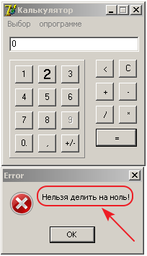
 |  | Expected result: In the I/O field displays value "0"
 |  | Actual Result: error message "Нельзя делить на ноль!" (look at the picture)
 |  | Requirement: #27

Calc_012 | When click on the application field outside the zone of buttons keyboard layout a crash occurs | When click on the application field outside the zone of buttons keyboard layout (function buttons (1, 2, 3, 4, 5, 6, 7, 8, 9, 0, ".")) a crash occurs | 1. Click on the application field outside the zone of buttons keyboard layout (function buttons (1, 2, 3, 4, 5, 6, 7, 8, 9, 0, ".")) 2. Click on button "X" a crash occurs | Major | High | Always | Variance from specs |  |  | 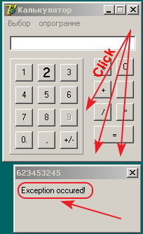
 |  | Expected result: application continues to work |  |  |  |  | Unexpected behavior
 |  | Actual Result: error message "exception occured") a crash occurs by clicking on "x"
 |  | Requirement: #27

Calc_013 | Arithmetic operation "+" (addition) with two positive fractional numbers calculated incorrectly | Arithmetic operation "+" (addition) with two positive fractional numbers calculated incorrectly (when entering numbers more than 3 characters) | 1. The I/O field is empty. 2. Enter in the I/O field "654,8" 3. Click button "+" 4. Enter in the I/O field "232,58" 5. Click button "=" | Critical | ASAP | Always | Variance from specs
 |  | Expected result: В результате получилось: 887,38
 |  | Actual Result: В результате получилось: 902,38
 |  | Requirement: #9.2.1, #9.4.1, #22.1

Calc_014 | Arithmetic operation "-" (subtraction) with two positive fractional numbers calculated incorrectly | Arithmetic operation "-" (subtraction) with two positive fractional numbers calculated incorrectly (when entering numbers more than 3 characters) | 1. The I/O field is empty. 2. Enter in the I/O field "654,8" 3. Click button "-" 4. Enter in the I/O field "232,58" 5. Click button "=" | Critical | ASAP | Always | Variance from specs
 |  | Expected result: В результате получилось: 422,22
 |  | Actual Result: В результате получилось: 407,22
 |  | Requirement: #9.2.2, #9.4.1, #22.2

Calc_015 | Arithmetic operation "*" (multiplication) with positive integer and positive fractional numbers calculated incorrectly | Arithmetic operation "*" (multiplication) with positive integer and positive fractional numbers calculated incorrectly (when entering numbers more than 3 characters) | 1. The I/O field is empty. 2. Enter in the I/O field "25" 3. Click button "*" 4. Enter in the I/O field "321,5" 5. Click button "=" | Critical | ASAP | Always | Variance from specs
 |  | Expected result: В результате получилось: 8037,5
 |  | Actual Result: В результате получилось: 8412,5
 |  | Requirement: #9.2.3, #9.4.1, #22.3

Calc_016 | Arithmetic operation "/" (division) with two positive integer numbers calculated incorrectly | Arithmetic operation "/" (division) with two positive integer numbers calculated incorrectly (when entering numbers more than 3 characters) | 1. The I/O field is empty. 2. Enter in the I/O field "6543210" 3. Click button "/" 4. Enter in the I/O field "125" 5. Click button "=" | Critical | ASAP | Always | Variance from specs
 |  | Expected result: В результате получилось: 52345,68
 |  | Actual Result: В результате получилось: 46737,2142857143
 |  | Requirement: #9.2.4, #9.4.1, #22.4

