Part 2 Analysis
Financial Year | Debt Rupees in Crores | Equity Rupees in Crores | Debt/Equity | EBIT Rupees in Crores | Interest Coverage Ratio | Ex-Dividend Date | Dividend | Type | Payment Date | Yield
FY 2021-22 | 2417.06 | 22,088.68 | 0.10942528028 | ₹ 2,232.12 | 5.24 | Feb 12, 2024 | 4 | Interim | Feb 22, 2024 | 0.81%
FY 2022-23 | 2,654.94 | 23,960.68 | 0.11080403394 | ₹ 2,935.63 | 5.41 | Nov 17, 2022 | 8 | Interim | Nov 29, 2022 | 2.50% | Capital Recommendations
FY 2023-24 | 2,649.26 | 26,889.69 | 0.098523263005 | ₹ 3,692.41 | 6.96 | Jun 09, 2022 | 4 | Interim | Jun 30, 2022 | 1.18%
 |  |  |  |  |  | Nov 22, 2021 | 4 | Interim | Dec 13, 2021 | 1.21%
 |  |  |  |  |  | May 11, 2021 | 7 | Interim | Jun 04, 2021 | 1.08%
Maintain a Conservative Debt-to-Equity Ratio:
The debt-to-equity ratio for FY 2023-24 stands at 0.0985, showcasing the company’s conservative leverage. Castrol India should aim to maintain this low ratio to preserve financial flexibility and reduce risks during economic uncertainties. A controlled increase to a maximum of 0.12 may be considered to finance strategic growth initiatives.
Strong Interest Coverage Ratio:
The interest coverage ratio has improved to 6.96 in FY 2023-24, compared to 5.24 in FY 2021-22. This indicates sufficient earnings to cover interest obligations, providing room to take on additional debt if needed. However, the company must sustain its EBIT growth (₹3,692.41 crores in FY 2023-24) to maintain or improve this metric. Any decline in EBIT could erode the interest coverage ratio and increase financial vulnerability.
Leverage for Strategic Expansion:
Quess Corp Ltd. can prudently utilize additional debt for projects with returns exceeding the cost of borrowing. This could include investments in operational upgrades, market expansion, or R&D to drive long-term profitability. Such an approach ensures that the financial leverage adds value to shareholders.
Monitor Financial Metrics:
Continuous monitoring of debt-to-equity and interest coverage ratios is essential. The goal should be to maintain a balance that supports growth while safeguarding financial stability. This involves aligning borrowing with clearly defined revenue-generating opportunities.
Focus on EBIT and Equity Growth:
Strengthening EBIT and equity levels will allow Quess Corp Ltd. to sustain its financial resilience. Efforts to expand revenue streams and enhance operational efficiency will help maintain robust financial ratios, even with a modest increase in debt.
By adhering to these recommendations, Quess Corp Ltd. can achieve sustainable growth while maintaining its conservative financial approach and strong credit profile.
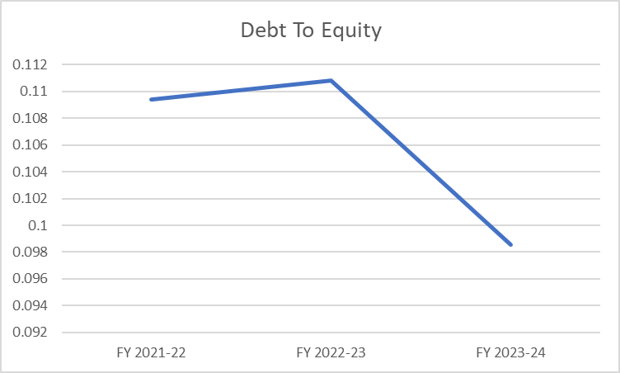
FY 2021-22:
The debt-to-equity ratio was approximately 0.109, indicating a moderately low reliance on debt compared to equity. This suggests that the company maintained a financially conservative approach, relying more on equity for its operational and financial needs.
FY 2022-23:
The debt-to-equity ratio slightly increased to around 0.111. This marginal rise indicates the company began incorporating slightly more debt into its capital structure, possibly to support expansion or operational improvements. The increase was measured, ensuring financial stability.
FY 2023-24:
The debt-to-equity ratio sharply declined to about 0.098. This significant decrease reflects a strategic shift away from debt reliance, potentially through debt repayment or equity expansion. It suggests a focus on reducing financial leverage and strengthening the equity position to maintain a robust financial structure.
 |  |  |  |  |  | Financial Year | Dividend | Average Share Price | EPS
 |  |  |  |  |  | FY 2021-22 | 11 | 774.7828629 | 15.511
 |  |  |  |  |  | FY 2022-23 | 12 | 529.86004016 | 13.93
 |  |  |  |  |  | FY 2023-24 | 4 | 448.54308943 | 22.97

 |  |  |  |  |  | Dividend Analysis

Strategic Adjustment in Dividend Policy:
The dividend payouts over the three years (₹11, ₹12, and ₹4) indicate a flexible approach rather than strict consistency. While dividends increased slightly in FY 2022-23, the sharp reduction in FY 2023-24 reflects a shift in focus, possibly towards retaining earnings for reinvestment, especially given the notable increase in EPS during the same year (₹22.97).
Alignment with Earnings:
The decrease in the dividend for FY 2023-24, despite a higher EPS, suggests a deliberate strategy to retain profits for growth or operational resilience, showcasing the company’s adaptive and forward-looking financial management.
Focus on Sustainable Growth:
The reduced payout in FY 2023-24 also aligns with a lower average share price during the year, signaling an emphasis on long-term shareholder value through reinvestment rather than immediate payouts.

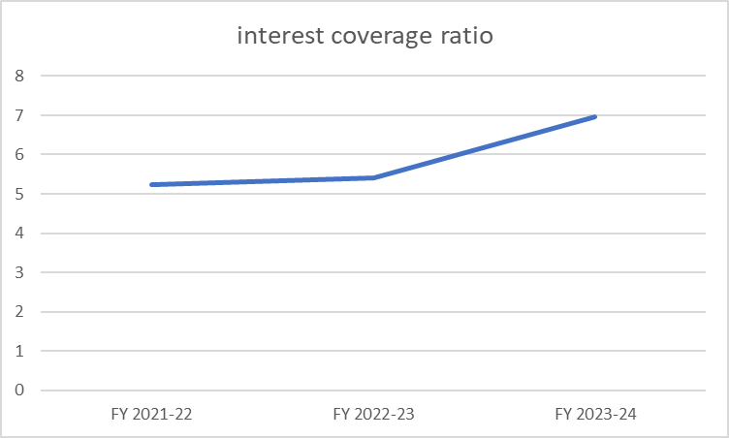
FY 2021-22:
The interest coverage ratio is 5.24, indicating the company's earnings before interest and taxes (EBIT) were five times its interest expenses. This reflects a healthy financial position, with a strong ability to meet interest obligations comfortably, likely due to moderate or low debt levels.
FY 2022-23:
The ratio rose to around 5.41. This improvement suggests a stronger capacity to cover interest expenses, which may have resulted from higher EBIT or reduced interest costs. It indicates improved operational efficiency or profitability.
FY 2023-24:
The ratio further increased to about 6.96, demonstrating a continued strengthening in the company’s ability to manage interest payments. This could be attributed to growing EBIT, effective cost control, or a focus on reducing financial liabilities.

 |  |  |  |  |  |  |  | Financial Needs Analysis

• The company maintains a strong capital structure with minimal reliance on debt, as seen in the consistently low debt-to-equity ratio over the three years. The ratio has remained below 0.12, indicating a conservative approach to leverage.
• Interest coverage ratio has shown consistent improvement over the years, increasing from 5.24 in FY 2021-22 to 6.96 in FY 2023-24. This reflects better profitability and operational efficiency, suggesting the company is comfortably meeting its interest obligations.
• The EBIT growth trend supports the company's ability to service its debt effectively, with EBIT rising steadily from ₹2,232.12 crores in FY 2021-22 to ₹3,692.41 crores in FY 2023-24.
• Overall, the company’s cautious approach to leveraging debt, while maintaining strong equity, indicates a robust financial strategy focused on minimizing financial risk and optimizing operational performance.

PART 3 Analysis
1 | Is the company capable of handling its financial obligations without facing difficulties? |  |  |  |  |  |  |  | 4 | Does the company show promising signs of growth in revenue and earnings, indicating strong future potential? |  |  |  |  |  | RATING 2

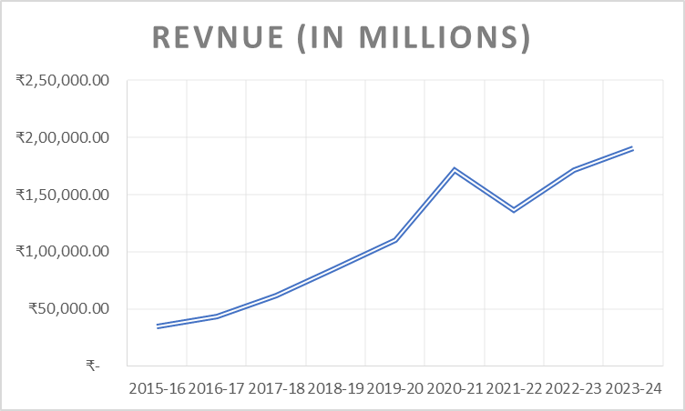
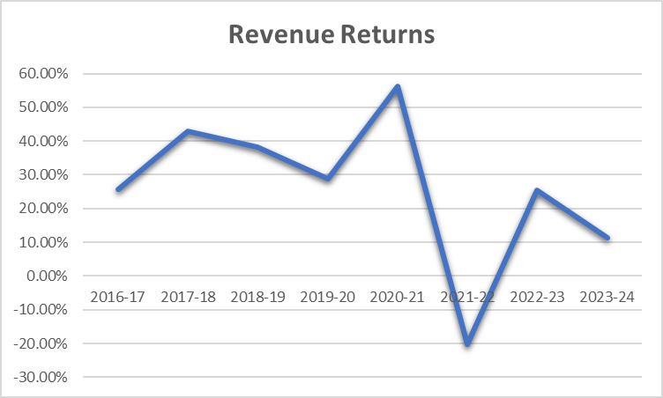
The revenue graph shows consistent growth over the years, with a slight dip in the 2020-21 period, likely due to the global economic impact of the COVID-19 pandemic. The revenue returns graph highlights significant volatility, with strong positive returns until 2020-21, followed by a sharp decline into negative territory in 2022-23. This could be attributed to lingering pandemic-related disruptions, such as supply chain issues and reduced consumer spending. Despite this, the revenue's steady recovery in 2023-24 indicates resilience and adaptability. While the company shows promising growth in revenue, addressing fluctuations in returns is critical to unlocking its strong future potential.
Interest Coverage Ratio (6x): This indicates the company's earnings before interest and taxes (EBIT) are six times its interest expenses. A ratio above 3x is generally considered strong, suggesting Quess Corp is well-positioned to cover its interest obligations comfortably.
Current Ratio (1.36x): The company has 1.36 times more current assets than current liabilities. A ratio above 1.0 indicates the company can meet its short-term obligations without liquidity issues.
Debt-to-Equity Ratio (0.12x): This low ratio reflects minimal reliance on debt compared to equity, showcasing financial stability and reduced risk related to debt obligations.
With improving profitability margins (EBITDA and Net Profit) and a robust Return on Net Worth of 9.85%, the company appears financially capable of handling its obligations without significant difficulty.
Ratios | FY2023-24 | FY2022-23 |  |  |  | RATING:4 |  |  |  | Financial Year | Revnue (in millions) | Revenue Returns | Profit After Tax (in millions) | PAT Returns
 |  |  |  |  |  |  |  |  |  | 2015-16 | ₹ 34,350.00 |  | ₹ 812.00
Interest Coverage Ratio | 6x | 5x |  |  |  |  |  |  |  | 2016-17 | ₹ 43,149.00 | 25.62% | ₹ 1,219.00 | 50.12%
Current Ratio | 1.36x | 1.27x |  |  |  |  |  |  |  | 2017-18 | ₹ 61,673.00 | 42.93% | ₹ 3,098.00 | 154.14%
EBITDA Margin | 3.63% | 3.41% |  |  |  |  |  |  |  | 2018-19 | ₹ 85,270.00 | 38.26% | ₹ 2,565.00 | -17.20%
Net PROFIT Margin | 1.47% | 1.30% |  |  |  |  |  |  |  | 2019-20 | ₹ 1,09,915.00 | 28.90% | ₹ 2,835.00 | 10.53%
Return on Net Worth | 9.85% | 8.41% |  |  |  |  |  |  |  | 2020-21 | ₹ 1,71,584.00 | 56.11% | ₹ 2,451.00 | -13.54%
Debt Equity Ratio | 0.12x | 0.20x |  |  |  |  |  |  |  | 2021-22 | ₹ 1,36,918.00 | -20.20% | ₹ 2,510.00 | 2.41%
 |  |  |  |  |  |  |  |  |  | 2022-23 | ₹ 1,71,584.00 | 25.32% | ₹ 2,229.00 | -11.20%
 |  |  |  |  |  |  |  |  |  | 2023-24 | ₹ 1,91,001.00 | 11.32% | ₹ 2,804.00 | 25.80%

Interpretation Summary
The company shows an increasing trend in revenue except for the drop in 2021-22 which was due to the global pandemic
Revenue and PAT returns have fluctuated but are relatively stable. The steady increase in revenue after 21-22 and the recovery of PAT returns in 23-24 suggest resilience and potential for future growth
2 | Does the company consistently provide returns to its shareholders compared to its industry peers?

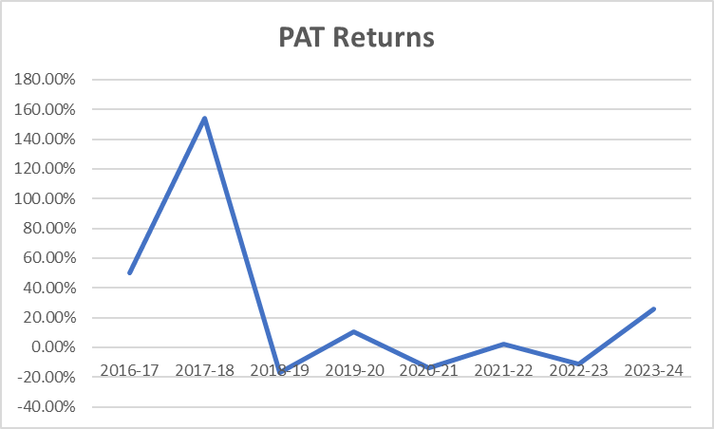
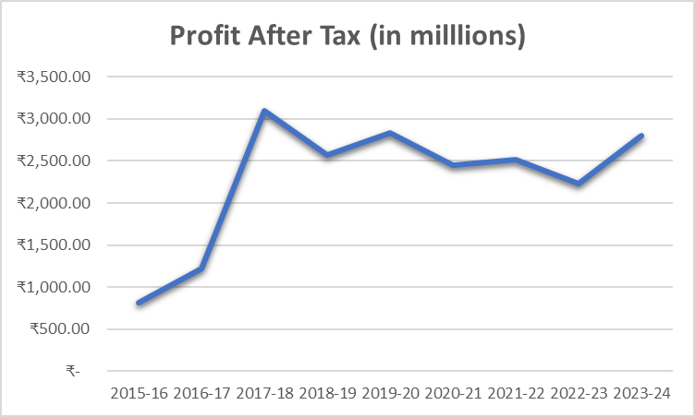
The Profit After Tax (PAT) graph shows a significant increase from 2015-16 to 2018-19, followed by stabilization with minor fluctuations through the pandemic years (2020-21 and 2021-22) and a recovery in 2023-24. The PAT Returns graph, however, reveals a sharp spike in 2017-18, possibly due to a one-time event or exceptional performance, and a dramatic decline thereafter, including volatility during the pandemic. While PAT levels remained stable despite global economic challenges, the low and inconsistent returns post-pandemic highlight inefficiencies or challenges in translating revenue growth into proportional profitability. The company demonstrates resilience but needs to improve return consistency to solidify its long-term growth potential.
Dividend Yield
 |  |  |  |  |  |  | RATING:2
Comparison with peers
Ratios | InfoEdge | Jyoti CNC Auto | INOX India | SIS | Quess Corp Ltd

Dividend Yield | 0.30% | 0 | 1% | 1.45% | 1.53%

ROE | 4.62% | 20.80% | 32.85% | 19.66% | 15.80%

Financial Year | Dividend | Average Share Price | EPS | Yield
FY 2021-22 | 11 | 774.7828629 | 15.511 | 1.42%
FY 2022-23 | 12 | 529.86004016 | 13.93 | 2.26%
ROE
FY 2023-24 | 4 | 448.54308943 | 22.97 | 0.89% |  |  |  |  | 5 | Does the company’s commitment to environmental and social initiatives positively impact its long-term sustainability?
Average Dividend Yield | 9

 |  |  |  |  |  |  |  |  |  | QUESS CORP LTD. ESG HIGHLIGHTS |  |  |  |  | RATING 5
Quess Corp stands out with a solid dividend yield of 1.53%, the highest among its peers, reflecting a shareholder-friendly approach and making it attractive for income-focused investors. Its ROE of 15.80% indicates efficient utilization of equity to generate sustainable profits, balancing growth and returns effectively. While not the highest in ROE compared to peers like INOX India, it remains strong, showcasing stable financial management. Quess Corp is well-suited for investors seeking a mix of moderate growth and consistent income, with its balanced strategy of reinvesting for growth while rewarding shareholders.
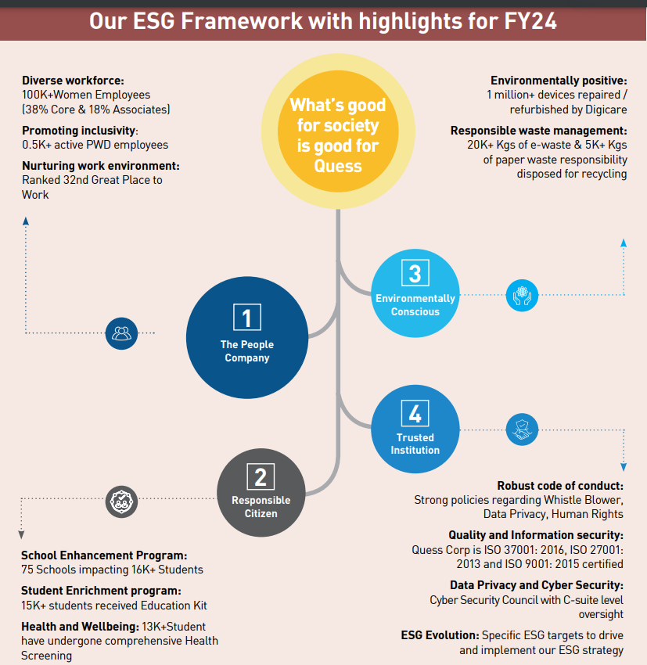

Quess Corp Ltd. demonstrates a strong commitment to ESG (Environmental, Social, and Governance) principles, as reflected in its 2023-24 annual report. The company employs over 567,000 individuals across nine countries, with women comprising 38% of its core employees, underscoring its focus on diversity and inclusion. It responsibly managed over 20,000 kg of e-waste and 5,000 kg of paper waste for recycling. The Quess Foundation supported 75 schools and 16,000 students with programs including educational kits, health screenings, and sanitation infrastructure upgrades. The company also processed 1 million refurbished devices, maintained 9.8 million sq. ft of green spaces, and planted over 250 trees, emphasizing its commitment to environmental sustainability. Additionally, Quess enhanced its MSCI ESG rating to BB, demonstrating measurable improvement in governance and sustainability metrics. 93% of inputs were sourced sustainably.

3 | Does the company demonstrate stability in its stock price, showing lower volatility than the overall market? |  |  |  |  |  |  | Rating 2

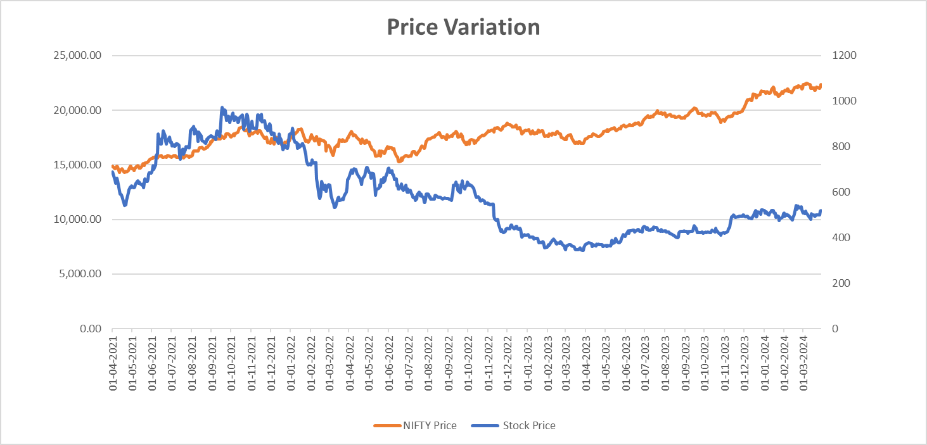

From the provided graph, we observe the following trends:
The orange line representing NIFTY 50 shows a consistent upward trajectory over the analyzed period.
Despite minor fluctuations, the NIFTY 50 price appears resilient, indicating a general positive trend in the market
In stark contrast, the blue line representing Quess Corp's stock price demonstrates significant volatility, with a marked downward trend over the period.
The stock experienced a sharp decline around mid-2022, followed by stagnation and minimal recovery through to early 2024.
This poor performance highlights challenges for Quess Corp, suggesting declining investor confidence or operational setbacks.
Comments:
The divergence between the NIFTY 50 and Quess Corp’s stock price indicates that while the broader market performed well, Quess Corp failed to capitalize on market optimism.
The company's inability to sustain its value in a thriving market could reflect internal inefficiencies, sector-specific issues, or misaligned strategies.
Investors might view Quess Corp as a high-risk proposition unless there are clear signs of recovery or turnaround efforts.

