Sheet1
kmeans-best |  |  |  |  | rfcb |  |  |  |  |  |  |  |  | rfcb

num_tree | 400 | accuracy | 77% | classifier | num_tree | 400 |  | codebook | num_tree | 30 |  |  | classifier | num_tree | 400 | codebook | num_tree | 20
depth_tree | 9 | latency (s) | 61.3674 |  | depth_tree | 9 |  |  | depth_tree | 5 |  |  |  | depth_tree | 9 |  | depth_tree | 5
split_num | 5 |  |  |  | split_num | 5 |  |  | split_num | 3 |  |  |  | split_num | 5 |  | split_num | 3
split_func | 1 |  |  |  | split_func | 1 |  |  | split_func | 1 |  |  |  | split_func | 1 |  | split_func | 1

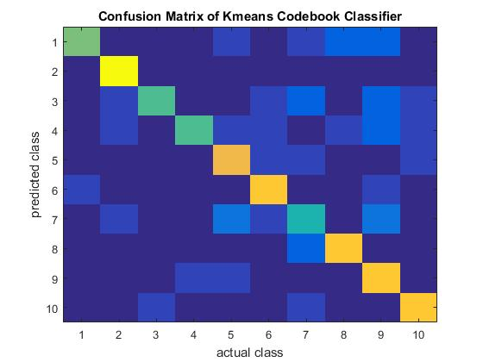
 |  |  |  | accuracy | 0.6 |  |  |  |  |  |  |  | accuracy | 0.5467
 |  |  |  | lantency (s) | 64.1954 |  |  |  |  |  |  |  | lantency (s) | 58.8264
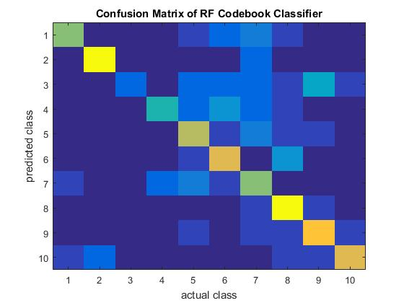

 |  |  |  |  |  |  |  |  |  |  |  |  |  | rfcb

 |  |  |  |  |  |  |  |  |  |  |  |  | classifier | num_tree | 400 | codebook | num_tree | 15
 |  |  |  |  |  |  |  |  |  |  |  |  |  | depth_tree | 9 |  | depth_tree | 8
 |  |  |  |  |  |  |  |  |  |  |  |  |  | split_num | 5 |  | split_num | 3
 |  |  |  |  |  |  |  |  |  |  |  |  |  | split_func | 1 |  | split_func | 1

 |  |  |  |  |  |  |  |  |  |  |  |  | accuracy | 0.3667
 |  |  |  |  |  |  |  |  |  |  |  |  | lantency (s) | 76.0004

 |  |  |  | classifier | num_tree | 400 |  | codebook | num_tree | 15
 |  |  |  |  | depth_tree | 9 |  |  | depth_tree | 8
 |  |  |  |  | split_num | 20 |  |  | split_num | 3
 |  |  |  |  | split_func | 1 |  |  | split_func | 1

 |  |  |  |  |  | 0.7067
 |  |  |  |  | train time | 70.281468376
 |  |  |  |  | test time | 4.0301531987

 |  |  |  |  | 8 | 0 | 0 | 1 | 1 | 0 | 2 | 2 | 1 | 0
 |  |  |  |  | 0 | 13 | 0 | 0 | 1 | 0 | 0 | 1 | 0 | 0
 |  |  |  |  | 0 | 0 | 6 | 0 | 1 | 0 | 2 | 1 | 3 | 2
 |  |  |  |  | 0 | 0 | 0 | 5 | 7 | 1 | 2 | 0 | 0 | 0
 |  |  |  |  | 0 | 0 | 1 | 0 | 9 | 2 | 1 | 0 | 2 | 0
 |  |  |  |  | 2 | 0 | 0 | 0 | 0 | 11 | 0 | 2 | 0 | 0
 |  |  |  |  | 2 | 1 | 0 | 0 | 3 | 2 | 4 | 1 | 2 | 0
 |  |  |  |  | 0 | 0 | 1 | 0 | 1 | 0 | 0 | 13 | 0 | 0
 |  |  |  |  | 0 | 0 | 0 | 1 | 0 | 0 | 1 | 0 | 13 | 0
 |  |  |  |  | 1 | 0 | 0 | 0 | 1 | 0 | 0 | 0 | 0 | 13

