Sheet1
Row Labels | Sum of Sepal.Length | Sum of Sepal.Width | Sum of Petal.Length
setosa | 19.9 | 14.1 | 5.5
versicolor | 23.5 | 11.5 | 17.4
virginica | 44.6 | 19.4 | 37.3
Grand Total | 88 | 45 | 60.2
 |  |  |  | google
 |  |  |  | google2

iris
Sepal.Length | Sepal.Width | Petal.Length | Petal.Width | Species
5.1 | 3.5 | 1.4 | 0.2 | setosa
4.9 | 3 | 1.4 | 0.2 | setosa
Length vs Width
4.7 | 3.2 | 1.3 | 0.2 | setosa
4.6 | 3.1 | 1.5 | 0.2 | setosa
5 | 3.6 | 1.4 | 0.2 | setosa
5.4 | 3.9 | 1.7 | 0.4 | setosa
4.6 | 3.4 | 1.4 | 0.3 | setosa
5 | 3.4 | 1.5 | 0.2 | setosa
4.4 | 2.9 | 1.4 | 0.2 | setosa
4.9 | 3.1 | 1.5 | 0.1 | setosa
5.4 | 3.7 | 1.5 | 0.2 | setosa
4.8 | 3.4 | 1.6 | 0.2 | setosa
4.8 | 3 | 1.4 | 0.1 | setosa
4.3 | 3 | 1.1 | 0.1 | setosa
5.8 | 4 | 1.2 | 0.2 | setosa
5.7 | 4.4 | 1.5 | 0.4 | setosa
5.4 | 3.9 | 1.3 | 0.4 | setosa
5.1 | 3.5 | 1.4 | 0.3 | setosa
5.7 | 3.8 | 1.7 | 0.3 | setosa
5.1 | 3.8 | 1.5 | 0.3 | setosa
5.4 | 3.4 | 1.7 | 0.2 | setosa
5.1 | 3.7 | 1.5 | 0.4 | setosa
4.6 | 3.6 | 1 | 0.2 | setosa
5.1 | 3.3 | 1.7 | 0.5 | setosa
4.8 | 3.4 | 1.9 | 0.2 | setosa
5 | 3 | 1.6 | 0.2 | setosa
5 | 3.4 | 1.6 | 0.4 | setosa
5.2 | 3.5 | 1.5 | 0.2 | setosa
5.2 | 3.4 | 1.4 | 0.2 | setosa
4.7 | 3.2 | 1.6 | 0.2 | setosa
4.8 | 3.1 | 1.6 | 0.2 | setosa
5.4 | 3.4 | 1.5 | 0.4 | setosa
5.2 | 4.1 | 1.5 | 0.1 | setosa
5.5 | 4.2 | 1.4 | 0.2 | setosa
4.9 | 3.1 | 1.5 | 0.2 | setosa
5 | 3.2 | 1.2 | 0.2 | setosa
5.5 | 3.5 | 1.3 | 0.2 | setosa
4.9 | 3.6 | 1.4 | 0.1 | setosa
4.4 | 3 | 1.3 | 0.2 | setosa
5.1 | 3.4 | 1.5 | 0.2 | setosa
5 | 3.5 | 1.3 | 0.3 | setosa
4.5 | 2.3 | 1.3 | 0.3 | setosa
4.4 | 3.2 | 1.3 | 0.2 | setosa
5 | 3.5 | 1.6 | 0.6 | setosa
5.1 | 3.8 | 1.9 | 0.4 | setosa
4.8 | 3 | 1.4 | 0.3 | setosa
5.1 | 3.8 | 1.6 | 0.2 | setosa
4.6 | 3.2 | 1.4 | 0.2 | setosa
5.3 | 3.7 | 1.5 | 0.2 | setosa
5 | 3.3 | 1.4 | 0.2 | setosa
7 | 3.2 | 4.7 | 1.4 | versicolor
6.4 | 3.2 | 4.5 | 1.5 | versicolor
6.9 | 3.1 | 4.9 | 1.5 | versicolor
5.5 | 2.3 | 4 | 1.3 | versicolor
6.5 | 2.8 | 4.6 | 1.5 | versicolor
5.7 | 2.8 | 4.5 | 1.3 | versicolor
6.3 | 3.3 | 4.7 | 1.6 | versicolor
4.9 | 2.4 | 3.3 | 1 | versicolor
6.6 | 2.9 | 4.6 | 1.3 | versicolor
5.2 | 2.7 | 3.9 | 1.4 | versicolor
5 | 2 | 3.5 | 1 | versicolor
5.9 | 3 | 4.2 | 1.5 | versicolor
6 | 2.2 | 4 | 1 | versicolor
6.1 | 2.9 | 4.7 | 1.4 | versicolor
5.6 | 2.9 | 3.6 | 1.3 | versicolor
6.7 | 3.1 | 4.4 | 1.4 | versicolor
5.6 | 3 | 4.5 | 1.5 | versicolor
5.8 | 2.7 | 4.1 | 1 | versicolor
6.2 | 2.2 | 4.5 | 1.5 | versicolor
5.6 | 2.5 | 3.9 | 1.1 | versicolor
5.9 | 3.2 | 4.8 | 1.8 | versicolor
6.1 | 2.8 | 4 | 1.3 | versicolor
6.3 | 2.5 | 4.9 | 1.5 | versicolor
6.1 | 2.8 | 4.7 | 1.2 | versicolor
6.4 | 2.9 | 4.3 | 1.3 | versicolor
6.6 | 3 | 4.4 | 1.4 | versicolor
6.8 | 2.8 | 4.8 | 1.4 | versicolor
6.7 | 3 | 5 | 1.7 | versicolor
6 | 2.9 | 4.5 | 1.5 | versicolor
5.7 | 2.6 | 3.5 | 1 | versicolor
5.5 | 2.4 | 3.8 | 1.1 | versicolor
5.5 | 2.4 | 3.7 | 1 | versicolor
5.8 | 2.7 | 3.9 | 1.2 | versicolor
6 | 2.7 | 5.1 | 1.6 | versicolor
5.4 | 3 | 4.5 | 1.5 | versicolor
6 | 3.4 | 4.5 | 1.6 | versicolor
6.7 | 3.1 | 4.7 | 1.5 | versicolor
6.3 | 2.3 | 4.4 | 1.3 | versicolor
5.6 | 3 | 4.1 | 1.3 | versicolor
5.5 | 2.5 | 4 | 1.3 | versicolor
5.5 | 2.6 | 4.4 | 1.2 | versicolor
6.1 | 3 | 4.6 | 1.4 | versicolor
5.8 | 2.6 | 4 | 1.2 | versicolor
5 | 2.3 | 3.3 | 1 | versicolor
5.6 | 2.7 | 4.2 | 1.3 | versicolor
5.7 | 3 | 4.2 | 1.2 | versicolor
5.7 | 2.9 | 4.2 | 1.3 | versicolor
6.2 | 2.9 | 4.3 | 1.3 | versicolor
5.1 | 2.5 | 3 | 1.1 | versicolor
5.7 | 2.8 | 4.1 | 1.3 | versicolor
6.3 | 3.3 | 6 | 2.5 | virginica
5.8 | 2.7 | 5.1 | 1.9 | virginica
7.1 | 3 | 5.9 | 2.1 | virginica
6.3 | 2.9 | 5.6 | 1.8 | virginica
6.5 | 3 | 5.8 | 2.2 | virginica
7.6 | 3 | 6.6 | 2.1 | virginica
4.9 | 2.5 | 4.5 | 1.7 | virginica
7.3 | 2.9 | 6.3 | 1.8 | virginica
6.7 | 2.5 | 5.8 | 1.8 | virginica
7.2 | 3.6 | 6.1 | 2.5 | virginica
6.5 | 3.2 | 5.1 | 2 | virginica
6.4 | 2.7 | 5.3 | 1.9 | virginica
6.8 | 3 | 5.5 | 2.1 | virginica
5.7 | 2.5 | 5 | 2 | virginica
5.8 | 2.8 | 5.1 | 2.4 | virginica
6.4 | 3.2 | 5.3 | 2.3 | virginica
6.5 | 3 | 5.5 | 1.8 | virginica
7.7 | 3.8 | 6.7 | 2.2 | virginica
7.7 | 2.6 | 6.9 | 2.3 | virginica
6 | 2.2 | 5 | 1.5 | virginica
6.9 | 3.2 | 5.7 | 2.3 | virginica
5.6 | 2.8 | 4.9 | 2 | virginica
7.7 | 2.8 | 6.7 | 2 | virginica
6.3 | 2.7 | 4.9 | 1.8 | virginica
6.7 | 3.3 | 5.7 | 2.1 | virginica
7.2 | 3.2 | 6 | 1.8 | virginica
6.2 | 2.8 | 4.8 | 1.8 | virginica
6.1 | 3 | 4.9 | 1.8 | virginica
6.4 | 2.8 | 5.6 | 2.1 | virginica
7.2 | 3 | 5.8 | 1.6 | virginica
7.4 | 2.8 | 6.1 | 1.9 | virginica
7.9 | 3.8 | 6.4 | 2 | virginica
6.4 | 2.8 | 5.6 | 2.2 | virginica
6.3 | 2.8 | 5.1 | 1.5 | virginica
6.1 | 2.6 | 5.6 | 1.4 | virginica
7.7 | 3 | 6.1 | 2.3 | virginica
6.3 | 3.4 | 5.6 | 2.4 | virginica
6.4 | 3.1 | 5.5 | 1.8 | virginica
6 | 3 | 4.8 | 1.8 | virginica
6.9 | 3.1 | 5.4 | 2.1 | virginica
6.7 | 3.1 | 5.6 | 2.4 | virginica
6.9 | 3.1 | 5.1 | 2.3 | virginica
5.8 | 2.7 | 5.1 | 1.9 | virginica
6.8 | 3.2 | 5.9 | 2.3 | virginica
6.7 | 3.3 | 5.7 | 2.5 | virginica
6.7 | 3 | 5.2 | 2.3 | virginica
6.3 | 2.5 | 5 | 1.9 | virginica
6.5 | 3 | 5.2 | 2 | virginica
6.2 | 3.4 | 5.4 | 2.3 | virginica
5.9 | 3 | 5.1 | 1.8 | virginica

mtcars
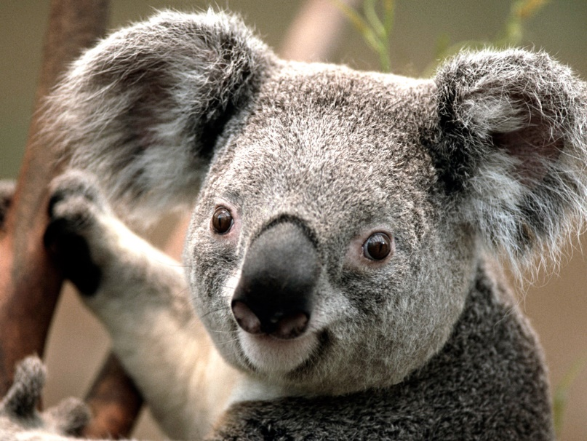
mpg | cyl | disp | hp | drat | wt | qsec | vs | am | gear | carb
21 | 6 | 160 | 110 | 3.9 | 2.62 | 16.46 | 0 | 1 | 4 | 4
21 | 6 | 160 | 110 | 3.9 | 2.875 | 17.02 | 0 | 1 | 4 | 4
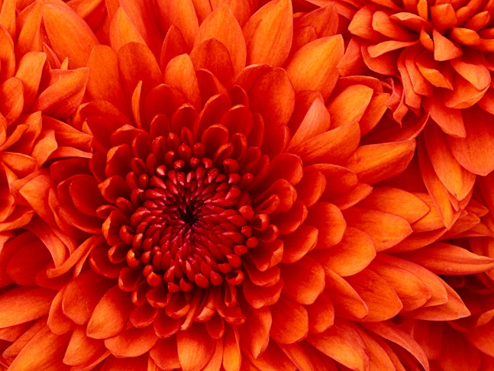
22.8 | 4 | 108 | 93 | 3.85 | 2.32 | 18.61 | 1 | 1 | 4 | 1
21.4 | 6 | 258 | 110 | 3.08 | 3.215 | 19.44 | 1 | 0 | 3 | 1
18.7 | 8 | 360 | 175 | 3.15 | 3.44 | 17.02 | 0 | 0 | 3 | 2
18.1 | 6 | 225 | 105 | 2.76 | 3.46 | 20.22 | 1 | 0 | 3 | 1
14.3 | 8 | 360 | 245 | 3.21 | 3.57 | 15.84 | 0 | 0 | 3 | 4
24.4 | 4 | 146.7 | 62 | 3.69 | 3.19 | 20 | 1 | 0 | 4 | 2
22.8 | 4 | 140.8 | 95 | 3.92 | 3.15 | 22.9 | 1 | 0 | 4 | 2
19.2 | 6 | 167.6 | 123 | 3.92 | 3.44 | 18.3 | 1 | 0 | 4 | 4
17.8 | 6 | 167.6 | 123 | 3.92 | 3.44 | 18.9 | 1 | 0 | 4 | 4
16.4 | 8 | 275.8 | 180 | 3.07 | 4.07 | 17.4 | 0 | 0 | 3 | 3
17.3 | 8 | 275.8 | 180 | 3.07 | 3.73 | 17.6 | 0 | 0 | 3 | 3
15.2 | 8 | 275.8 | 180 | 3.07 | 3.78 | 18 | 0 | 0 | 3 | 3
10.4 | 8 | 472 | 205 | 2.93 | 5.25 | 17.98 | 0 | 0 | 3 | 4
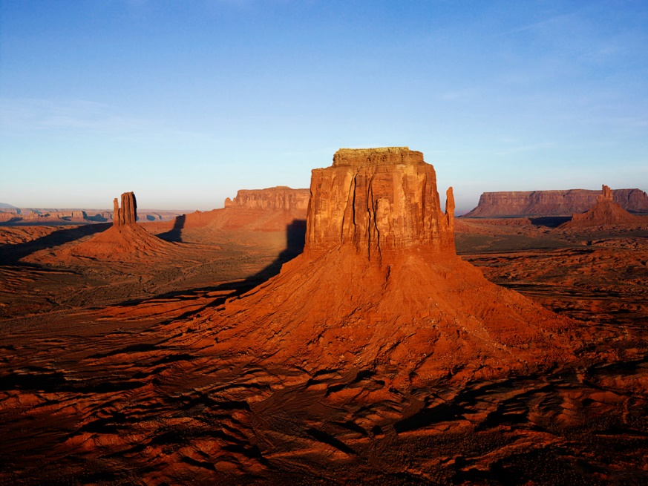
Pi Chart
10.4 | 8 | 460 | 215 | 3 | 5.424 | 17.82 | 0 | 0 | 3 | 4
14.7 | 8 | 440 | 230 | 3.23 | 5.345 | 17.42 | 0 | 0 | 3 | 4
32.4 | 4 | 78.7 | 66 | 4.08 | 2.2 | 19.47 | 1 | 1 | 4 | 1
30.4 | 4 | 75.7 | 52 | 4.93 | 1.615 | 18.52 | 1 | 1 | 4 | 2
33.9 | 4 | 71.1 | 65 | 4.22 | 1.835 | 19.9 | 1 | 1 | 4 | 1
21.5 | 4 | 120.1 | 97 | 3.7 | 2.465 | 20.01 | 1 | 0 | 3 | 1
15.5 | 8 | 318 | 150 | 2.76 | 3.52 | 16.87 | 0 | 0 | 3 | 2
15.2 | 8 | 304 | 150 | 3.15 | 3.435 | 17.3 | 0 | 0 | 3 | 2
13.3 | 8 | 350 | 245 | 3.73 | 3.84 | 15.41 | 0 | 0 | 3 | 4
19.2 | 8 | 400 | 175 | 3.08 | 3.845 | 17.05 | 0 | 0 | 3 | 2
27.3 | 4 | 79 | 66 | 4.08 | 1.935 | 18.9 | 1 | 1 | 4 | 1
26 | 4 | 120.3 | 91 | 4.43 | 2.14 | 16.7 | 0 | 1 | 5 | 2
30.4 | 4 | 95.1 | 113 | 3.77 | 1.513 | 16.9 | 1 | 1 | 5 | 2
15.8 | 8 | 351 | 264 | 4.22 | 3.17 | 14.5 | 0 | 1 | 5 | 4
19.7 | 6 | 145 | 175 | 3.62 | 2.77 | 15.5 | 0 | 1 | 5 | 6
15 | 8 | 301 | 335 | 3.54 | 3.57 | 14.6 | 0 | 1 | 5 | 8
21.4 | 4 | 121 | 109 | 4.11 | 2.78 | 18.6 | 1 | 1 | 4 | 2

