Category Statistics
country | US
Category and Subcategory2 | theater

Count of outcomes | Column Labels
Row Labels | Grand Total
Grand Total

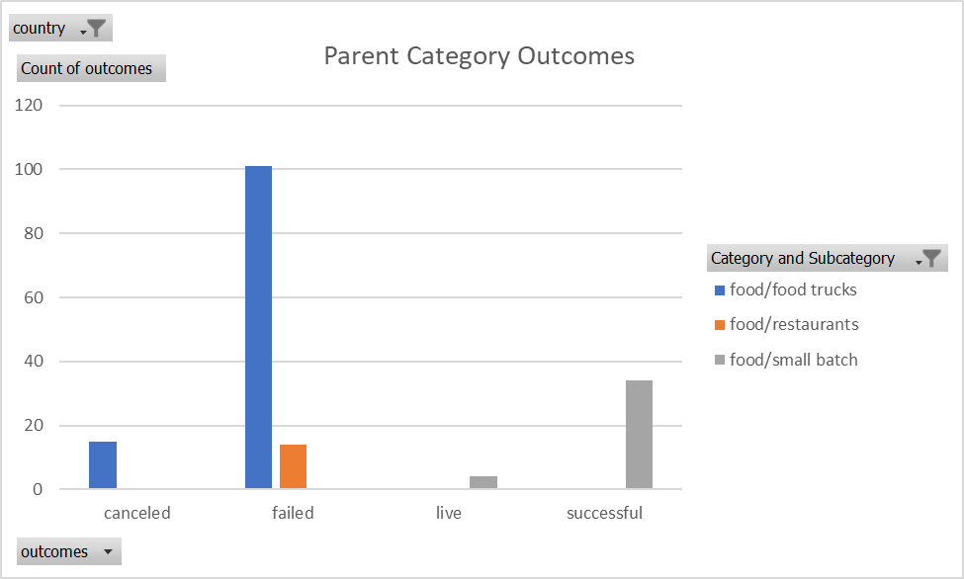

Parent Category Outcomes
 | Grand Total
Grand Total

Subcategory Statistics
country | GB
Category and Subcategory | (All)

Count of outcomes | Column Labels
Row Labels | canceled | failed | live | successful | Grand Total
film & video | 2 | 30 |  | 21 | 53
food | 1 | 8 | 1 |  | 10
games |  | 17 |  | 16 | 33
music | 1 | 7 | 1 | 25 | 34
photography |  | 27 |  | 18 | 45
publishing | 3 | 8 |  | 6 | 17
 | canceled | failed | live | successful
film & video | 2 | 30 |  | 21
food | 1 | 8 | 1
games |  | 17 |  | 16
music | 1 | 7 | 1 | 25
photography |  | 27 |  | 18
publishing | 3 | 8 |  | 6
technology | 12 | 19 |  | 22
theater | 6 | 89 | 6 | 258
technology | 12 | 19 |  | 22 | 53
theater | 6 | 89 | 6 | 258 | 359
Grand Total | 25 | 205 | 8 | 366 | 604

Outcomes Based on Launch Date
Count of outcomes | Column Labels
Row Labels | canceled | failed | live | successful | Grand Total
2009 | 1 | 4 |  | 9 | 14
 | canceled | failed | live | successful
2009 | 1 | 4 |  | 9
2010 | 1 | 15 |  | 49
2011 | 7 | 28 |  | 136
2012 | 6 | 60 |  | 216
2013 | 7 | 67 |  | 200
2014 | 80 | 422 |  | 474
2015 | 131 | 527 |  | 567
2016 | 99 | 376 |  | 475
2017 | 17 | 31 | 50 | 59
2010 | 1 | 15 |  | 49 | 65
2011 | 7 | 28 |  | 136 | 171
2012 | 6 | 60 |  | 216 | 282
2013 | 7 | 67 |  | 200 | 274
2014 | 80 | 422 |  | 474 | 976
2015 | 131 | 527 |  | 567 | 1225
2016 | 99 | 376 |  | 475 | 950
2017 | 17 | 31 | 50 | 59 | 157
Grand Total | 349 | 1530 | 50 | 2185 | 4114

