Outcomes Based on Goals
Goal | Number Successful | Number Failed | Number Canceled | Total Projects | Percentage Successful | Percentage Failed | Percentage Canceled
Less Than 1000 | 322 | 113 | 18 | 453 | 71.08 | 24.94 | 3.97
1000 to 4999 | 931 | 420 | 60 | 1411 | 65.98 | 29.77 | 4.25
5000 to 9999 | 380 | 282 | 51 | 713 | 53.30 | 39.55 | 7.15
10000 to 14999 | 168 | 144 | 40 | 352 | 47.73 | 40.91 | 11.36
15000 to 19999 | 94 | 90 | 17 | 201 | 46.77 | 44.78 | 8.46
20000 to 24999 | 62 | 72 | 14 | 148 | 41.89 | 48.65 | 9.46
25000 to 39999 | 113 | 123 | 38 | 274 | 41.24 | 44.89 | 13.87
30000 to 34999 | 32 | 37 | 13 | 82 | 39.02 | 45.12 | 15.85
35000 to 39999 | 26 | 22 | 7 | 55 | 47.27 | 40.00 | 12.73
40000 to 44999 | 21 | 16 | 6 | 43 | 48.84 | 37.21 | 13.95
45000 to 49999 | 6 | 11 | 4 | 21 | 28.57 | 52.38 | 19.05
Greater Than 50000 | 2099 | 1272 | 249 | 3620 | 57.98 | 35.14 | 6.88

Outcomes Based on Goal

Category Statistics
country | US
Category and Subcategory2 | theater

Count of outcomes | Column Labels
Row Labels | Grand Total
Grand Total

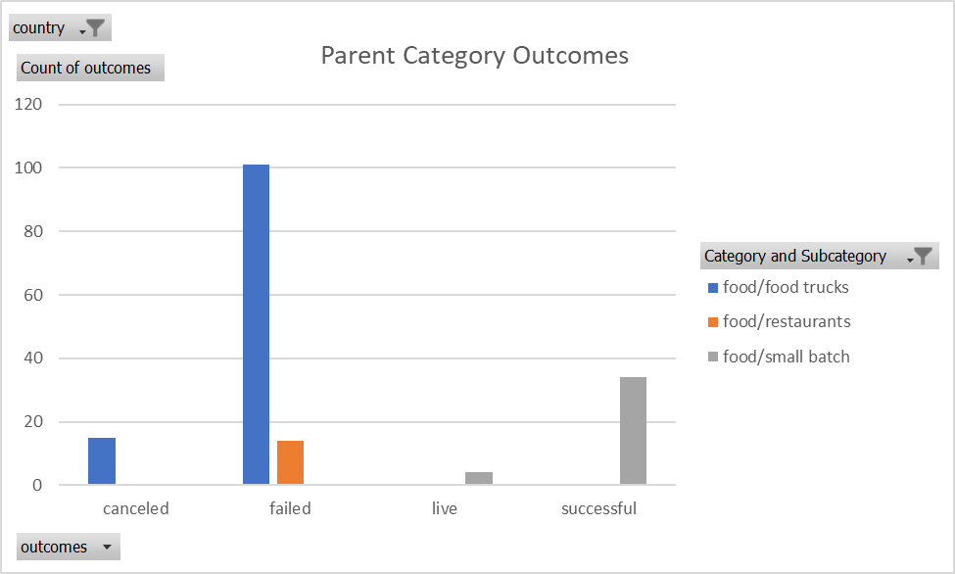

Parent Category Outcomes
 | Grand Total
Grand Total

Subcategory Statistics
country | GB
Category and Subcategory | (All)

Count of outcomes | Column Labels
Row Labels | canceled | failed | live | successful | Grand Total
film & video | 2 | 30 |  | 21 | 53
food | 1 | 8 | 1 |  | 10
games |  | 17 |  | 16 | 33
music | 1 | 7 | 1 | 25 | 34
photography |  | 27 |  | 18 | 45
publishing | 3 | 8 |  | 6 | 17
 | canceled | failed | live | successful
film & video | 2 | 30 |  | 21
food | 1 | 8 | 1
games |  | 17 |  | 16
music | 1 | 7 | 1 | 25
photography |  | 27 |  | 18
publishing | 3 | 8 |  | 6
technology | 12 | 19 |  | 22
theater | 6 | 89 | 6 | 258
technology | 12 | 19 |  | 22 | 53
theater | 6 | 89 | 6 | 258 | 359
Grand Total | 25 | 205 | 8 | 366 | 604

Outcomes Based on Launch Date
Count of outcomes | Column Labels
Row Labels | canceled | failed | live | successful | Grand Total
2009 | 1 | 4 |  | 9 | 14
 | canceled | failed | live | successful
2009 | 1 | 4 |  | 9
2010 | 1 | 15 |  | 49
2011 | 7 | 28 |  | 136
2012 | 6 | 60 |  | 216
2013 | 7 | 67 |  | 200
2014 | 80 | 422 |  | 474
2015 | 131 | 527 |  | 567
2016 | 99 | 376 |  | 475
2017 | 17 | 31 | 50 | 59
2010 | 1 | 15 |  | 49 | 65
2011 | 7 | 28 |  | 136 | 171
2012 | 6 | 60 |  | 216 | 282
2013 | 7 | 67 |  | 200 | 274
2014 | 80 | 422 |  | 474 | 976
2015 | 131 | 527 |  | 567 | 1225
2016 | 99 | 376 |  | 475 | 950
2017 | 17 | 31 | 50 | 59 | 157
Grand Total | 349 | 1530 | 50 | 2185 | 4114

Theater Outcomes by Launch Date
Category and Subcategory | (Multiple Items)
Years | (All)

Theater Outcomes Based on Lauch Date
 | successful | failed | canceled
Jan | 56 | 33 | 7
Feb | 71 | 39 | 3
Mar | 56 | 33 | 3
Apr | 71 | 40 | 2
May | 111 | 52 | 3
Jun | 100 | 49 | 4
Jul | 87 | 50 | 1
Aug | 72 | 47 | 4
Sep | 59 | 34 | 4
Oct | 65 | 50
Nov | 54 | 31 | 3
Dec | 37 | 35 | 3
Count of outcomes | Column Labels
Row Labels | successful | failed | canceled | Grand Total
Jan | 56 | 33 | 7 | 96
Feb | 71 | 39 | 3 | 113
Mar | 56 | 33 | 3 | 92
Apr | 71 | 40 | 2 | 113
May | 111 | 52 | 3 | 166
Jun | 100 | 49 | 4 | 153
Jul | 87 | 50 | 1 | 138
Aug | 72 | 47 | 4 | 123
Sep | 59 | 34 | 4 | 97
Oct | 65 | 50 |  | 115
Nov | 54 | 31 | 3 | 88
Dec | 37 | 35 | 3 | 75
Grand Total | 839 | 493 | 37 | 1369

