Infomation
 |  | TRAINING INFORMATION

 |  | Every Wednesday and Friday 7pm-9.30pm
 |  | 📍 SP Outdoor Basketball Courts
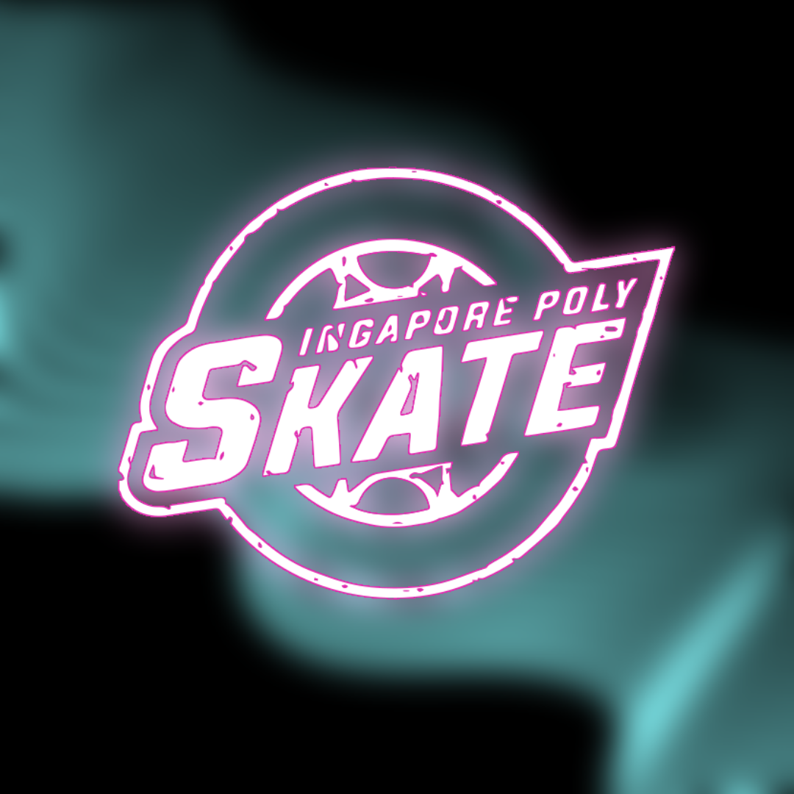

 |  |  | Note: | In the event of rain/wet ground, do wait for updates in the group chat as CCA session may still be conducted.
Things to bring for training 🧦
1. Skates (Compulsory)
2. Long socks |  |  | we are no longer providing rental skates and guards for cca use anymore :( so unfortunately, for those without skates, you will have to get your own pair in order to participate in our training sessions.
3. Water bottle
4. Gears (Wrist, elbow and knee guards), recommended

Note for new intake: |  |  | If you have any enquires, you may ask in the group chat or PM Ella |  | Where to buy skates:
1. Indemnity form has to be completed before you are allowed to participate in our CCA sessions |  |  |  |  | 1. Ernsports
 |  |  |  |  | 2. INLINEX
 |  |  |  |  | 3. OneUpSkates
 |  |  |  |  |  | present admin card if any proof is required!
Our EXCOs AY23/24 (trust me we are very nice people)
Name: | Role: |  | SP SKATE MEMBER DISCOUNTS
Ella | President |  | ERNSPORTS |  | INLINEX | ONEUPSKATES
Cze An | Vice-President |  | 20% off items store-wide, with the exception of Seba E3, which is 30% off. |  | 15% off for non-discounted items, in-store purchases only. | 15% off skates and equipment.
Yee Chen | Secretary
Sean | Treasurer |  | 920 East Coast Parkway #01-14/15/16 Parkland Green, 449875 6 Tebing Ln, #01-02A, Singapore 828835 |  | 37 Kallang Pudding Road #09-06 Bldg, B, Singapore 349315 | 3 Ang Mo Kio Street 62, #02-13, Singapore 569139
Bertrand | Logistics
Gabriel | Webmaster

 |  | over
ACTIVITIES THIS AY: |  | upcoming
1. CCA Bonding/Urban
27 July 2023, 4pm-8.30pm (est)
Stadium MRT -> MBS Shoppes
Registration: https://forms.gle/qfKqwM15hyGN7dyeA

2. Skates Mini Marathon
12 Oct 2023, 5.30pm-8.30pm
Ernsports -> Changi Jurassic Mile
Registration: https://forms.gle/YE6BAkxSGC4W8RKj6

