GIM Trends
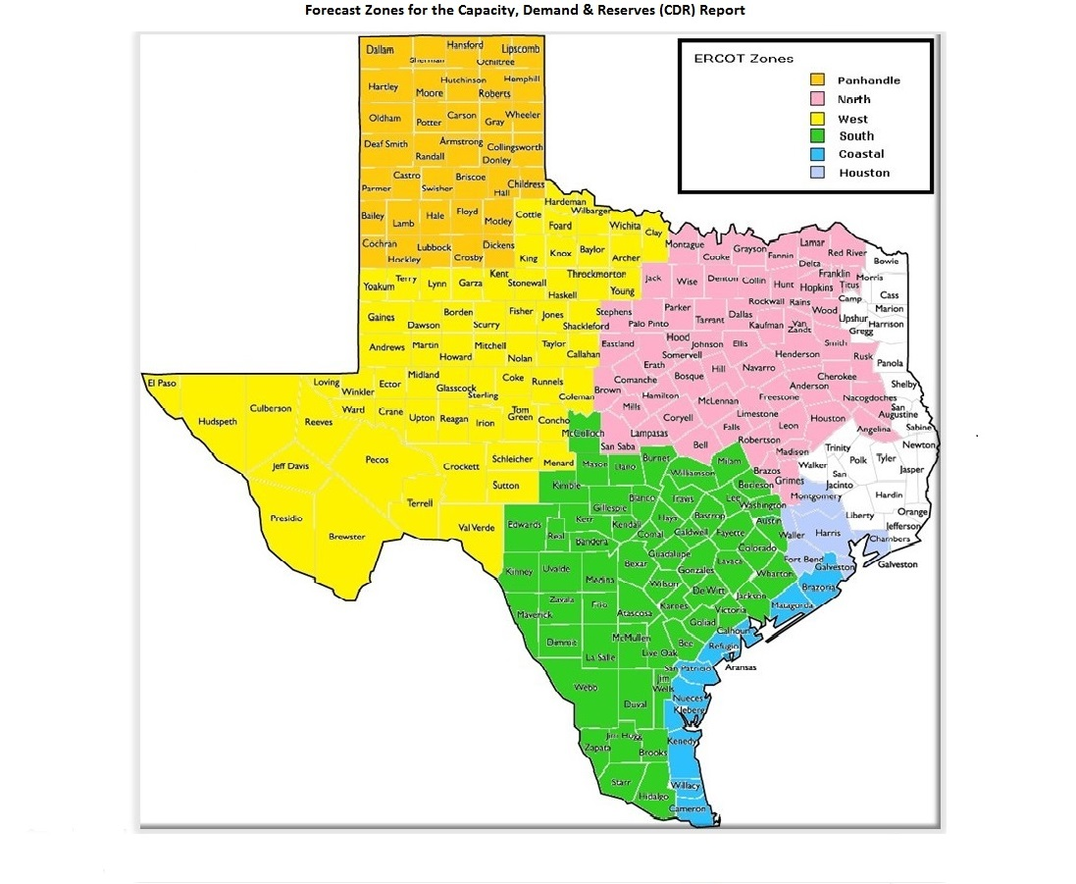
GIM Trends

Reflects all Large Generator projects for which a Security Screening Study has been requested. The third table reflects all Small Generator projects whose GIM applications have been approved.
Excludes projects that have a status of Inactive (status = INA).
Nameplate capacity will change across time due to additional projects, cancelations, expirations, adjustments from study results, and projects being placed into service.

Large Generator Monthly Capacity by GIM Milestone plus Project Count, 13-Month Rolling Basis
 | # Signed Interconnect Agreement | # Completed Full Study | # in Full Study | # Screening Study Complete | # Initial Screening study | GW Capacity
Jun-25 | 510 | 114 | 1237 | 88 | 27 | 419.64777
Jul-25 | 517 | 119 | 1242 | 86 | 27 | 432.10036
Aug-25 | 535 | 111 | 1201 | 82 | 33 | 427.44154
Sep-25 | 532 | 117 | 1196 | 94 | 20 | 431.16473
Oct-25 | 530 | 116 | 1164 | 94 | 11 | 431.20394
Nov-25 | 528 | 122 | 1159 | 91 | 9 | 434.41457
Dec-25 | 539 | 121 | 1150 | 90 | 5 | 440.29873
Jan-26 | 574 | 121 | 1136 | 79 | 17 | 449.55409
Feb-26 | 576 | 122 | 1134 | 78 | 25 | 452.88911
Mar-26 | 583 | 128 | 1135 | 77 | 19 | 457.50335
Apr-26 | 578 | 116 | 1115 | 85 | 9 | 452.60395
May-26 | 569 | 113 | 1120 | 89 | 4 | 457.70703
Jun-26 | 569 | 115 | 1109 | 85 | 4 | 462.17153
 | Year | Month | Total Projects |  |  | Project Count |  |  |  |  |  | Project Capacity (MW)
 |  |  |  |  |  | GIM milestones |  |  |  |  |  | Fuel Type
 |  |  |  | Small Generator Not Model Ready | Small Generator Model Ready | Initial Screening Study | Screening Study Complete | In Full Study | Completed Full Study | Signed Interconnection Agreement | Cancelled | Wind | Solar | Gas | Nuclear | Coal | Biomass | Battery | Other
 | 2023 | Jun | 1,479 | 28 | 22 | 51 | 83 | 872 | 82 | 341 | 16 | 27,152 | 130,857 | 12,476 | 0 | 0 | 53 | 109,380 | 2,235
 | 2023 | Jul | 1,500 | 25 | 28 | 50 | 76 | 903 | 83 | 335 | 16 | 28,615 | 133,979 | 12,368 | 0 | 0 | 53 | 110,408 | 2,386
 | 2023 | Aug | 1,537 | 31 | 30 | 45 | 82 | 927 | 85 | 337 | 7 | 32,034 | 136,165 | 11,842 | 0 | 0 | 53 | 111,579 | 2,235
 | 2023 | Sep | 1,580 | 40 | 32 | 43 | 102 | 924 | 93 | 346 | 15 | 31,640 | 141,315 | 11,384 | 0 | 0 | 53 | 114,563 | 2,235
 | 2023 | Oct | 1,628 | 41 | 32 | 49 | 102 | 952 | 99 | 353 | 16 | 31,916 | 143,221 | 13,638 | 0 | 0 | 53 | 120,534 | 2,235
 | 2023 | Nov | 1,656 | 44 | 30 | 55 | 99 | 961 | 92 | 375 | 10 | 32,510 | 142,606 | 15,457 | 0 | 0 | 53 | 124,941 | 2,385
 | 2023 | Dec | 1,671 | 41 | 28 | 39 | 116 | 974 | 92 | 381 | 12 | 34,591 | 145,654 | 15,483 | 0 | 0 | 53 | 127,068 | 2,367
 | 2024 | Jan | 1,731 | 42 | 29 | 35 | 133 | 1,011 | 95 | 386 | 12 | 36,261 | 148,135 | 15,546 | 0 | 0 | 53 | 133,592 | 2,247
 | 2024 | Feb | 1,783 | 43 | 27 | 65 | 132 | 1,023 | 102 | 391 | 13 | 37,215 | 152,098 | 16,022 | 0 | 0 | 0 | 140,219 | 2,967
 | 2024 | Mar | 1,775 | 39 | 29 | 80 | 100 | 1,035 | 101 | 391 | 64 | 35,120 | 155,273 | 15,429 | 0 | 0 | 0 | 141,484 | 2,332
 | 2024 | Apr | 1,780 | 42 | 33 | 58 | 115 | 1,025 | 112 | 395 | 15 | 32,956 | 152,917 | 15,573 | 0 | 0 | 0 | 145,000 | 2,332
 | 2024 | May | 1,813 | 39 | 41 | 48 | 129 | 1,023 | 125 | 408 | 9 | 33,887 | 154,225 | 15,938 | 0 | 0 | 0 | 149,002 | 2,332
 | 2024 | Jun | 1,812 | 34 | 44 | 20 | 137 | 1,023 | 140 | 414 | 27 | 31,452 | 152,433 | 17,089 | 0 | 0 | 0 | 147,743 | 2,332
 | 2024 | Jul | 1,858 | 31 | 46 | 27 | 136 | 1,033 | 158 | 427 | 5 | 33,731 | 154,407 | 22,160 | 0 | 0 | 0 | 151,811 | 2,562
 | 2024 | Aug | 1,886 | 27 | 49 | 24 | 140 | 1,057 | 152 | 437 | 8 | 33,853 | 154,770 | 25,328 | 0 | 0 | 0 | 154,799 | 2,562
 | 2024 | Sep | 1,881 | 29 | 48 | 21 | 140 | 1,050 | 158 | 435 | 19 | 34,839 | 153,658 | 25,967 | 0 | 0 | 0 | 154,264 | 2,961
 | 2024 | Oct | 1,872 | 35 | 44 | 28 | 127 | 1,039 | 159 | 440 | 29 | 33,467 | 154,860 | 25,954 | 0 | 0 | 0 | 152,580 | 3,713
 | 2024 | Nov | 1,903 | 33 | 48 | 21 | 126 | 1,070 | 156 | 449 | 11 | 35,307 | 155,676 | 27,160 | 0 | 0 | 0 | 156,530 | 3,113
 | 2024 | Dec | 1,917 | 32 | 46 | 22 | 120 | 1,103 | 147 | 447 | 14 | 34,450 | 154,487 | 27,578 | 0 | 0 | 0 | 160,043 | 2,913
 | 2025 | Jan | 1,952 | 30 | 46 | 16 | 119 | 1,163 | 133 | 445 | 17 | 38,223 | 153,607 | 28,774 | 0 | 0 | 0 | 165,933 | 2,781
 | 2025 | Feb | 1,987 | 24 | 50 | 19 | 113 | 1,200 | 121 | 460 | 16 | 39,893 | 155,990 | 32,190 | 0 | 0 | 0 | 168,836 | 2,781
 | 2025 | Mar | 2,018 | 26 | 50 | 19 | 113 | 1,207 | 112 | 491 | 18 | 39,795 | 156,685 | 33,578 | 600 | 0 | 0 | 171,592 | 2,913
Monthly Capacity by Fuel Type plus Project Count, 13-Month Rolling Basis
 | Natural Gas | Nuclear | Coal | Wind | Solar | Biomass | Battery | Other | Total Project Count | Cancelled Project Count
Jun-25 | 35.26007 | 0.6 | 0 | 41.41407 | 161.67674 | 0 | 177.9286 | 3.50135 | 2054 | 17
Jul-25 | 39.55768 | 0.6 | 0 | 45.04833 | 162.70267 | 0 | 181.39377 | 3.50135 | 2066 | 21
Aug-25 | 39.40277 | 0.6 | 0 | 44.64855 | 160.192 | 0 | 179.83835 | 3.50135 | 2041 | 30
Sep-25 | 43.69524 | 0.6 | 0 | 46.09345 | 159.93182 | 0 | 178.05276 | 3.56245 | 2042 | 25
Oct-25 | 47.84845 | 0.6 | 0 | 46.42228 | 158.15064 | 0 | 175.5791 | 3.38445 | 1999 | 51
Nov-25 | 52.65595 | 0.6 | 0 | 44.78568 | 159.53696 | 0 | 174.36901 | 3.25794 | 1994 | 13
Dec-25 | 53.71605 | 0.6 | 0 | 46.19094 | 161.80724 | 0 | 175.45901 | 3.25794 | 1984 | 17
Jan-26 | 57.40335 | 0.6 | 0 | 47.96085 | 162.06676 | 0 | 178.70275 | 3.5725 | 2008 | 20
Feb-26 | 60.71487 | 0.6 | 0 | 47.79298 | 162.92673 | 0 | 177.64192 | 3.88535 | 2008 | 21
Mar-26 | 63.89987 | 0.6 | 0 | 48.08884 | 165.25135 | 0 | 176.74504 | 3.57128 | 2013 | 15
Apr-26 | 64.74563 | 1.93652 | 0 | 48.34917 | 163.4791 | 0 | 171.10576 | 3.55134 | 1965 | 43
May-26 | 70.67869 | 1.93652 | 0 | 48.27467 | 163.09135 | 0 | 171.56682 | 2.75253 | 1960 | 13
Jun-26 | 77.60659 | 1.93652 | 0 | 47.99056 | 161.55414 | 0 | 170.94495 | 2.75253 | 1949 | 22
 | 2025 | Apr | 2,037 | 32 | 50 | 29 | 102 | 1,212 | 105 | 507 | 38 | 42,483 | 159,426 | 33,583 | 600 | 0 | 0 | 172,486 | 3,063
 | 2025 | May | 2,031 | 31 | 50 | 21 | 89 | 1,223 | 106 | 511 | 26 | 40,885 | 158,490 | 32,490 | 600 | 0 | 0 | 173,997 | 3,208
 | 2025 | Jun | 2,054 | 28 | 50 | 27 | 88 | 1,237 | 114 | 510 | 17 | 41,414 | 161,677 | 35,260 | 600 | 0 | 0 | 177,929 | 3,501
 | 2025 | Jul | 2,066 | 23 | 52 | 27 | 86 | 1,242 | 119 | 517 | 21 | 45,048 | 162,703 | 39,558 | 600 | 0 | 0 | 181,394 | 3,501
 | 2025 | Aug | 2,041 | 23 | 56 | 33 | 82 | 1,201 | 111 | 535 | 30 | 44,649 | 160,192 | 39,403 | 600 | 0 | 0 | 179,838 | 3,501
 | 2025 | Sep | 2,042 | 29 | 54 | 20 | 94 | 1,196 | 117 | 532 | 25 | 46,093 | 159,932 | 43,695 | 600 | 0 | 0 | 178,053 | 3,562
 | 2025 | Oct | 1,999 | 28 | 56 | 11 | 94 | 1,164 | 116 | 530 | 51 | 46,422 | 158,151 | 47,848 | 600 | 0 | 0 | 175,579 | 3,384
 | 2025 | Nov | 1,994 | 28 | 57 | 9 | 91 | 1,159 | 122 | 528 | 13 | 44,786 | 159,537 | 52,656 | 600 | 0 | 0 | 174,369 | 3,258
 | 2025 | Dec | 1,984 | 25 | 54 | 5 | 90 | 1,150 | 121 | 539 | 17 | 46,191 | 161,807 | 53,716 | 600 | 0 | 0 | 175,459 | 3,258
 | 2026 | Jan | 2,008 | 31 | 50 | 17 | 79 | 1,136 | 121 | 574 | 20 | 47,961 | 162,067 | 57,403 | 600 | 0 | 0 | 178,703 | 3,573
 | 2026 | Feb | 2,008 | 31 | 42 | 25 | 78 | 1,134 | 122 | 576 | 21 | 47,793 | 162,927 | 60,715 | 600 | 0 | 0 | 177,642 | 3,885
 | 2026 | Mar | 2,013 | 28 | 43 | 19 | 77 | 1,135 | 128 | 583 | 15 | 48,089 | 165,251 | 63,900 | 600 | 0 | 0 | 176,745 | 3,571
 | 2026 | Apr | 1,965 | 26 | 36 | 9 | 85 | 1,115 | 116 | 578 | 43 | 48,349 | 163,479 | 64,746 | 1,937 | 0 | 0 | 171,106 | 3,551
 | 2026 | May | 1,960 | 28 | 37 | 4 | 89 | 1,120 | 113 | 569 | 13 | 48,275 | 163,091 | 70,679 | 1,937 | 0 | 0 | 171,567 | 2,753
 | 2026 | Jun | 1,949 | 32 | 35 | 4 | 85 | 1,109 | 115 | 569 | 22 | 47,991 | 161,554 | 77,607 | 1,937 | 0 | 0 | 170,945 | 2,753

Small Generator Monthly Capacity by GIM Milestone plus Project Count, 13-Month Rolling Basis
 | # Not Model Ready | # Model Ready | MW Capacity
Jun-25 | 28 | 50 | 733.06
Jul-25 | 23 | 52 | 703.44
Aug-25 | 23 | 56 | 741.48
Sep-25 | 29 | 54 | 770.99
Oct-25 | 28 | 56 | 780.98
Nov-25 | 28 | 57 | 790.97
Dec-25 | 25 | 54 | 732.45
Jan-26 | 31 | 50 | 752.12
Feb-26 | 31 | 42 | 672.74
Mar-26 | 28 | 43 | 653.03
Apr-26 | 26 | 36 | 563.57
May-26 | 28 | 37 | 593.55
Jun-26 | 32 | 35 | 613.76

Capacity for Planned Projects by Projected In-service Year and CDR Forecast Zone
 | Gas | Wind | Solar | Battery | Other
2025 |  |  | 0.1002 | 0.30996
2026 |  | 0.5427 | 1.87635 | 1.95803
2027 | 1.8474 | 0.49983 | 4.32914 | 6.42381 | 1.51652
2028 | 0.83998 | 0.1992 | 5.23241 | 5.11725 | 0.47863
2029 | 0.55611 | 0.7076 | 1.90773 | 3.05075
2030 | 0.311 | 2.87139 | 0.6036 | 0.25624
2031 | 0.6591
2025 | 0.014 |  |  | 0.06 | 0.05
2026 | 0.03 |  | 0.43875 | 2.66876
2027 | 0.7225 |  | 0.40848 | 5.91595
2028 | 0.445 |  |  | 1.5317 | 0.05
2029 |  |  |  | 2.79409
2030 | 1.35 | 1.02939 |  | 0.20305
2023 |  | 0.0072
2024 |  | 0.0103
2025 |  | 0.265 | 0.29474 | 0.41348
2026 | 0.02979 | 2.07786 | 4.10695 | 2.12177 | 0.0199
2027 | 3.64245 | 4.86133 | 10.68869 | 8.87702 | 0.312
2028 | 10.57709 | 5.67529 | 18.79882 | 16.86682 | 0.18
2029 | 2.3698 | 4.7262 | 20.6496 | 11.22241 | 0.6
2030 | 5.98199 | 4.44697 | 5.91977 | 1.45722
2025 |  | 0.016 | 0.82373 | 0.3042 | 0.1
2026 | 0.371 | 1.51558 | 5.76953 | 2.62788
2027 | 2.44607 | 1.03215 | 10.40793 | 10.51259
2028 | 2.3895 | 0.8483 | 12.61944 | 20.31795 | 0.15
2029 | 7.3273 | 0.1987 | 7.07444 | 12.82348
2030 | 3.1489 |  | 0.43072 | 1.43 | 1.232
2031 | 3.943
2032 | 1.6604 |  |  | 0.05715
2033 | 2.8
2025 |  |  | 0.38
2026 |  |  | 0.58499 | 0.00999
2027 | 2.21 | 0.5117 | 3.52165 | 2.76409
2028 |  | 3.1343 | 4.81541 | 3.61791
2029 | 1.848 | 4.49898 | 2.3617 | 0.50896
2030 | 2.5413 | 0.6
2031 |  |  | 1.0041 | 0.3717
2025 | 0.0161 | 0.1995 | 1.19653 | 0.33877
2026 | 0.8188 | 0.67674 | 5.19699 | 3.52809
2027 | 2.07136 | 1.187 | 5.15712 | 9.16271
2028 | 6.04326 | 4.25755 | 11.39818 | 16.63715
2029 | 2.1757 | 1.3938 | 12.43423 | 12.00246
2030 | 4.81604 |  | 0.73735 | 2.38714
2031 | 1.60365
2032 |  |  | 0.28487 | 0.29442

Note: Other contains all Fuel and Technology Types not in the Solar, Wind, Gas or Battery categories.

