midjourney prompts
关键词 | 示例图
Kirin, is a mythical creature in ancient China, from shanhai classic, they are painted with the lion's head, deer horn, big of eyes, lovely sitting, tang sancai four-legged creature that color of skin, Chinese mythology, Chinese god beast, and the classic, very large, the king of monsters, 8 k, super details, high realism, epic scenes, edge light, style of float world draw, Details, ar 9:16 | 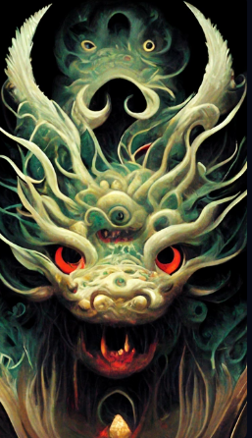
Gluttony, is a mythical creature, in the classic ancient Chinese mountain, they are described as green skin four-legged alien creatures, with the shark teeth, eyes on the shoulder, eyes shining, and seas in the classical Chinese culture is described as fengshen, Chinese god beast, wings of a huge cloud, windfury huge explosion, release the power, lightning, movies, the epic scenes, vivid, light volume, Fantasy, surreal, highly detailed, octane rendering, light and shade contrast,Unreal Engine,symmetry, 4k,hd | 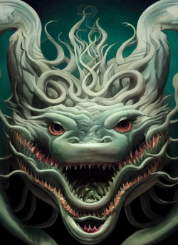
mythical creature, setting concept | 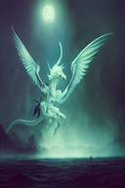
Gluttony, is a mythical creature, in the classic ancient Chinese mountain, they are described as green skin four-legged alien creatures, with the shark teeth, eyes on the shoulder, eyes shining, and seas in the classical Chinese culture is described as fengshen, Chinese god beast, wings of a huge cloud, windfury huge explosion, release the power, lightning, movies, the epic scenes, vivid, light volume, Fantasy, surreal, highly detailed, octane rendering, light and shade contrast,Unreal Engine,symmetry, 4k,hd | 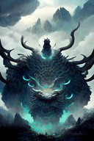
gryphon mythical creature | 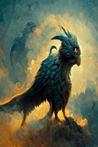
portrait of a mythical creature, death, skull, 50% human 50% death, dark forest, smoke, high quality, excellent detail, dramatic lighting, 8KHD | 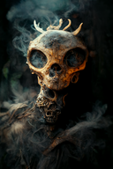
Portrait of a mythical creature, dark forest, smoke, a formidable dragon, red eyes, high quality, excellent detail, dramatic lighting, 8KHD | 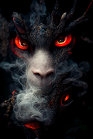
dragon, mythical creatures, forest colors in backround, 3D, clumsy | 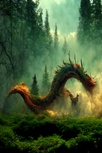
an anthropomorphic mythical creature, character design, fantasy art, cinematic lighting, soft natural lighting, visual clarity, tone mapping, color grading, enhance, retouch, outdoors, open sky, wide view, hyperrealism, hyper detailed | 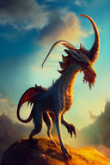
the great ouroboros, a self devouring dragon , detailed and realistic 3d model, intricate ornate skin, legendary creature, mythical, ultra high detail, unreal engine 5, lumen, vfx, post processing, ray tracing , white and fuchsia, hazy, shot by denis villeneuve, 35mm lens, color correction | 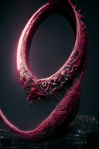
Japanese Fox Mask Sticker - Japanese Folklore - Mythical Creature Decal - Mythology Nine Tailed Fox Decals | 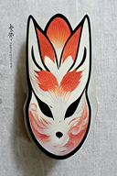
Kirin, is a mythical creature in ancient China, from shanhai classic, they are painted with the lion's head, deer horn, big of eyes, lovely sitting, tang sancai four-legged creature that color of skin, Chinese mythology, Chinese god beast, and the classic, very large, the king of monsters, 8 k, super details, high realism, epic scenes, edge light, style of float world draw, Details, ar 9:16 | 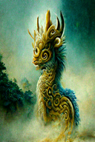
Majestic Phoenix, mythical creature, concept art, fiery aura, majestic, highly detailed, smoke, cinematic lighting, radiant, fantasy, swirling fire, glowing | 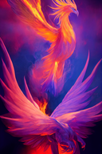
Majestic Phoenix, mythical creature, concept art, fiery aura, beautiful, highly detailed, smoke, cinematic lighting, radiant, fantasy, swirling fire, glowing | 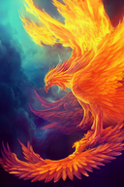
Majestic Phoenix, mythical creature, concept art, fiery aura, beautiful, highly detailed, smoke, cinematic lighting, radiant, fantasy, swirling fire, glowing, watercolor style | 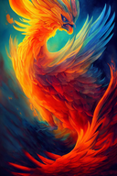
Majestic Phoenix, mythical creature, concept art, fiery aura, beautiful, highly detailed, smoke, cinematic lighting, radiant, fantasy, swirling fire, glowing, japanese illustration style | 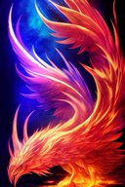
Majestic Phoenix, mythical creature, concept art, fiery aura, beautiful, highly detailed, smoke, cinematic lighting, radiant, fantasy, swirling fire, glowing, chinese illustration style | 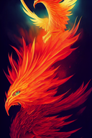
**surrealistic, digital collage style,, mesh of dark creatures and mythical monsters with random objects and elements, mysterious realm, dark magic, eerie, insidious, fierce, exciting, beautiful, magical, beautiful collage, ultra-realistic, realistic, photorealistic, smooth, hyperdetail, hypermaximalist, sharp focus, octane render, global illumination, art by artgerm, trending on artstation, 8k, super quality | 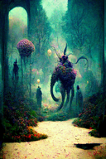
surrealistic, digital collage style, story, mesh of mythical monsters and dark creatures in scenes with random objects and elements, mysterious, storytelling, myths, interesting realm, dark magic, eerie, insidious, fierce, exciting, beautiful, magical, beautiful collage, ultra-realistic, realistic, photorealistic, smooth, hyperdetail, hypermaximalist, sharp focus, octane render, global illumination, art by artgerm, trending on artstation, 8k, super quality | 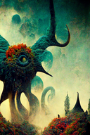
surrealistic, digital collage style,, mesh of dark legendary creatures and mythical special monsters with random objects and elements, mysterious, storytelling, myths, interesting realm, dark magic, eerie, insidious, fierce, exciting, beautiful, magical, beautiful collage, ultra-realistic, realistic, photorealistic, smooth, hyperdetail, hypermaximalist, sharp focus, octane render, global illumination, art by artgerm, trending on artstation, 8k, super quality | 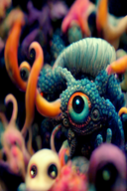
surrealistic, digital collage style, dark creatures and mythical monsters in a magical and mysterious realm, dark magic, eerie, insidious, spells, beautiful collage, ultra-realistic, daylight, beautiful colors, realistic, ultra realistic, photorealistic, octane render, global illumination, art by artgerm, trending on artstation, 8k, super quality, full of detail | 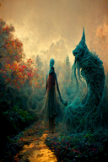
**surrealistic, digital collage style, mythical scenes in strange realms, mesh of dark creatures and mythical monsters, mysterious realm, dark magic, eerie, insidious, fierce, exciting, beautiful, magical, beautiful collage, ultra-realistic, realistic, photorealistic, smooth, hyperdetail, hypermaximalist, sharp focus, octane render, global illumination, art by artgerm, trending on artstation, 8k, super quality | 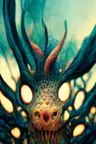
mythological bat, creature concept + creation bioluminescence, hyper detailed mythical, octane render cinematic lighting, volumetric lighting, unreal engine | 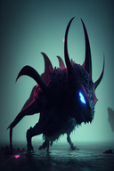
mythological bat, creature concept + creationbioluminescence, hyper detailed mythical, octane render cinematic lighting, volumetric lighting, unreal engine | 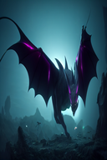
mythical creatures, Horns and hooves, setting concept | 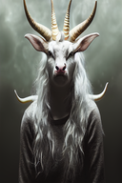
dark creature, dark red environment, mythical, dangerous | 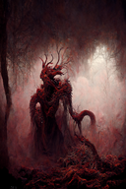
A warrior in golden armor riding a mammoth fighting with the enemy., iper quality, iper detailed, intricate details, octan render, cinematic, standing facing the viewer, mythical creature, hermit, concept art, wide angle, full composition, dynamic lighting, cinematic, | 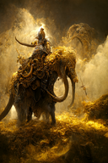
dark purple mythical angelic scary creature, angel wings, black fur, purple thunder surrounding him, dark purple eyes, unreal engine, realistic | 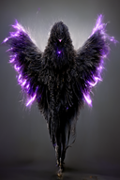
mythical creature , blue thunder surrounding him, red wings with katana in hand, crow with red eyes on his shoulder unreal engine , realistic | 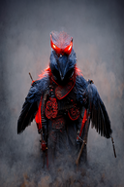
forgotten mythical creature, art, detailed, happy | 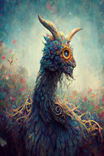
Wild Man Riding by a Mammoth in heavy gilded armor, standing facing the viewer, mythical creature, hermit, concept art, wide angle, full composition, dynamic lighting, cinematic, 4K, realistic, octane rendering, | 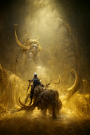
Cute kappa (mythical water-dwelling creature),PhotoReal, hyper quality | 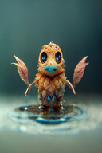
anime mythical creatures multicolor detailed | 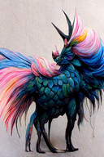
A Wild Man warrior Riding by a Mammoth in heavy gilded armor, standing facing the viewer, mythical creature, hermit, concept art, wide angle, full composition, dynamic lighting, cinematic, 4K, realistic, octane rendering, | 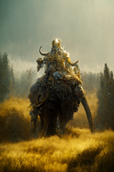
zoo of mythical creatures, dragon, unicorn, phoenix, griffon, luminous, ethereal | 