RESTOWS CODES
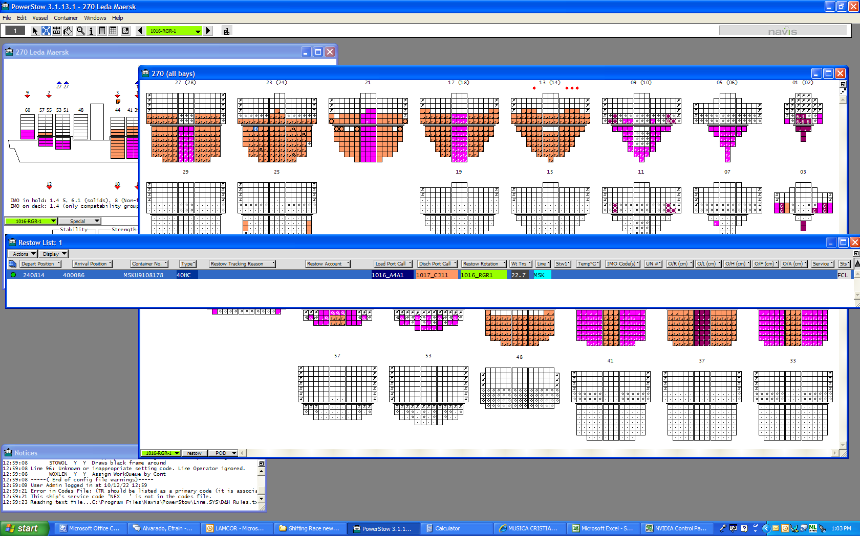
RESTOWS CODIFICATION TO BE INCLUDED IN POWER STOW ONCE THE RESTOWS ARE CREATED

 | RESTOW ROOT | CODE & REASON
 | overbooked | CAP | OVB
 | contingency plan | CAP | CTP
 | shortshipment | CAP | SHS
 | accurated capsheet | CAP | CAP
 | portloc | COD | LOC
 | missing documents | COD | DOC
 | human error | COD | HUM
 | vsa requested | COD | VSA
 | gearbox | CON | GBX
 | previous load port | DAT | PLP
 | maersk line data | DAT | MDT
 | container damaged | DMG | CDM
 | vessel damaged | DMG | VDM
 | Panama Canal Vis. | GSP | ACP
 | overstow import | GSP | OSI
 | lamequ | MTY | ALO
 | slot number | MTY | COD
 | pti location | MTY | PTI
 | vessel not suitable for a service | PRO | VNS
 | lashing error | PRO | LSE
 | 45' free open space | PRO | 45O
 | plugs free open space | REF | PLU
 | reefer malfunction | REP | RMF
 | avoid over stowing | STO | AOS
 | imo | STO | IMO
 | load port | STO | LOP
 | disch port | STO | DCH
 | equip. type | STO | EQT
 | weight | STO | WGT
 | gm before doing restow | STO | GM
 | lashing error | STO | LSH
 | Load under deck | STO | LUD
 | strenght the higher level | STO | STH
 | draft | STO | DFT
 | Load Reefer Third Tier | STO | LTT
 | previous coordinator | STO | COR
 | terminal follow layout | TRM | TFL
 | terminal data quality | TRM | TDQ

REMARK: | THIS FORMAT WILL BE PROVIDED TO ALL COORD.

RESTOW FORMAT TO BE CREATED IN POWER STOW

HOW TO COPY & INSERT THE DATA
1 | STEP ONE SELECT THE RESTOW LIST WITH THE FORMAT DESCRIBED IN THE PREVIOUS TAB (RESTOW CODES).

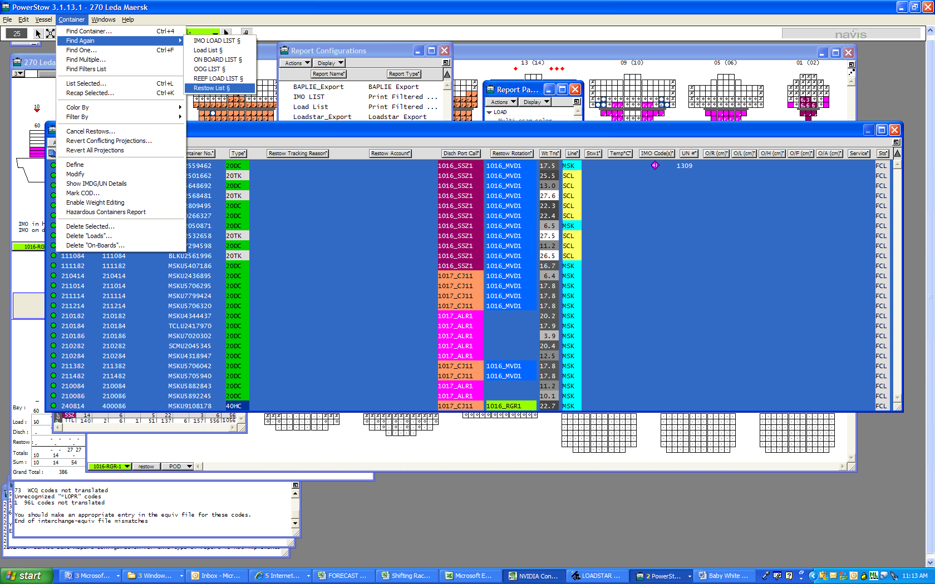

2 | STEP TWO HIGHLIGHT ALL LIST AND COPY ROWS FROM THE ACTION MENU.

3 | STEP THREE PASTE THE DATA IN THE EXCEL FILE CORRECT TAB (RESTOWS NOV 2010) AND IN THE CORRECT ROW FROM ( DEP SLOT).

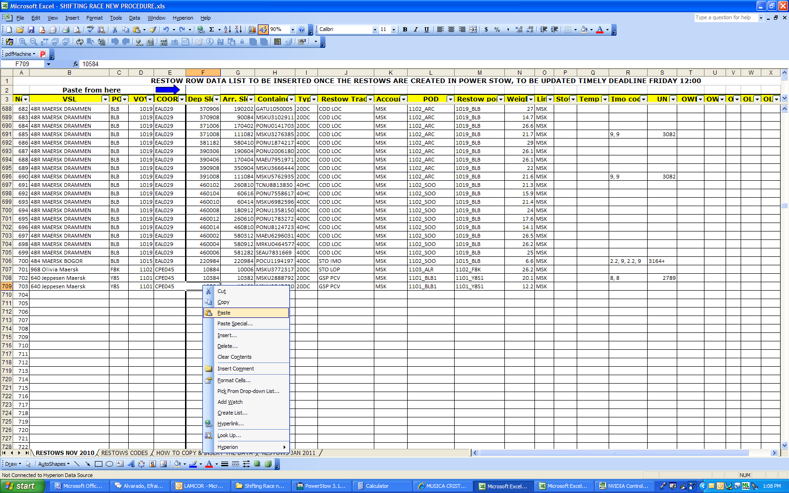

4 | STEP FOUR IF THE RESTOWS ARE REQUESTED BY THE TERMINAL, VSL COMMAND, CS OR DUE TO REEF MALFUCTION AFTER SENT THE LAYOUT; THOSE RESTOW HAVE TO BE CREATED AND ADD TO THE LIST, TO THIS IS IMPORTANT TO HAVE THE
 | RELEASE FROM PREVIOUS PORT, IN CASE SAME IS DELAYED IS IMPORTAN TO ASK THE DEP. BAPLIE TO THE TERMINAL SPECIALLY FOR THOSE CALLS WITH SHORT SEA PASSAGE.

5 | SAME DATA MUST BE COLLECTED WEEKLY FRIDAY 12:00 AND INSERTED IN THE SHARE FOLDER (PRIMEMOVER TO REVIEW THE TIMELY UPDATED).

