Sheet1
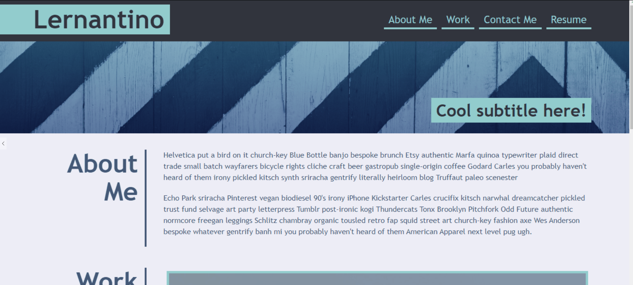
Title Item
Nav Items
Header

Hero Section

Hero-Text

Content

Contact-Titles

About Me Article

About-me-Text

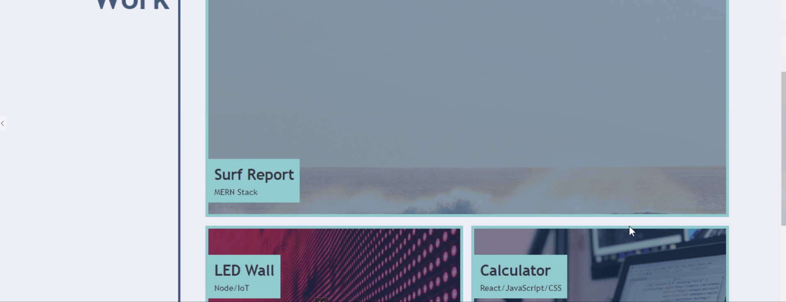
Contact-Titles

Work Article

Work-example-items x5

work-title-class

work-title-class
work-title-class

work-title-class
work-title-class

Footer Contact-me class

Contact-Titles

Footer-contact-items

