GDAL examples
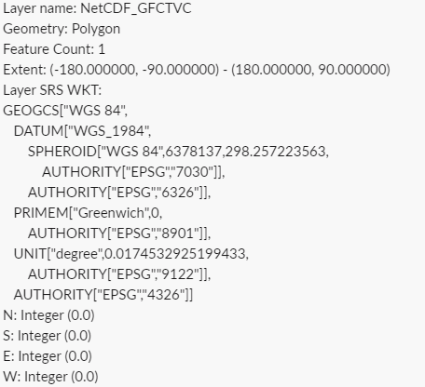
Layer name: NetCDF_GFCTVC | GIS identifier for layer (could be multiple layers for each file)
Geometry: Polygon | type of geometry
Feature Count: 1 | number of records within geospatial file
Extent: (-180.000000, -90.000000) - (180.000000, 90.000000) | bounding box coordinates (won't always be in degrees, could be meters, feet, etc)
Layer SRS WKT: | coordiante reference system
GEOGCS["WGS 84", | geographic coordinate system
DATUM["WGS_1984", | model of sphere of earth
SPHEROID["WGS 84",6378137,298.257223563, | dimensions of major and minor axis of earth
AUTHORITY["EPSG","7030"]],
AUTHORITY["EPSG","6326"]],
PRIMEM["Greenwich",0, | Prime Meridian - where it's measured from
AUTHORITY["EPSG","8901"]],
UNIT["degree",0.0174532925199433, | unit of measurement in projection
AUTHORITY["EPSG","9122"]],
AUTHORITY["EPSG","4326"]] | this number encompasses all projections
N: Integer (0.0)
S: Integer (0.0)
E: Integer (0.0)
W: Integer (0.0)

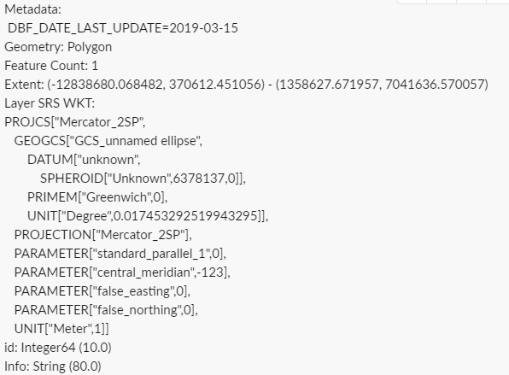
Metadata:
DBF_DATE_LAST_UPDATE=2019-03-15
Geometry: Polygon
Feature Count: 1
Extent: (-12838680.068482, 370612.451056) - (1358627.671957, 7041636.570057)
Layer SRS WKT:
PROJCS["Mercator_2SP", | Proj4 standard for projections
GEOGCS["GCS_unnamed ellipse", | proj.4 in codespace, put rest into description
DATUM["unknown",
SPHEROID["Unknown",6378137,0]],
PRIMEM["Greenwich",0],
UNIT["Degree",0.017453292519943295]],
PROJECTION["Mercator_2SP"],
PARAMETER["standard_parallel_1",0],
PARAMETER["central_meridian",-123],
PARAMETER["false_easting",0],
PARAMETER["false_northing",0],
UNIT["Meter",1]]
id: Integer64 (10.0)
Info: String (80.0)

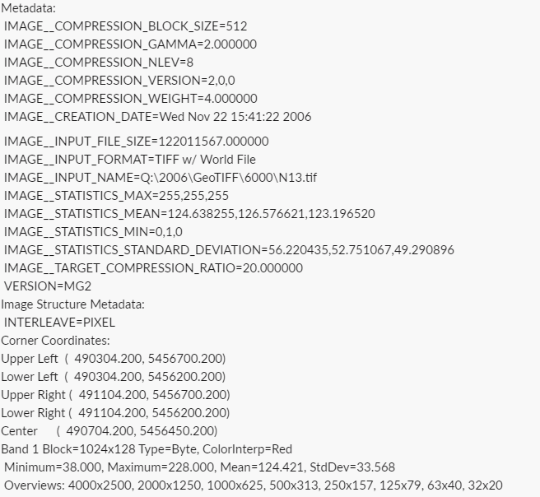
GDALInfo:Metadata:
IMAGE__COMPRESSION_BLOCK_SIZE=512
IMAGE__COMPRESSION_GAMMA=2.000000
IMAGE__COMPRESSION_NLEV=8
IMAGE__COMPRESSION_VERSION=2,0,0
IMAGE__COMPRESSION_WEIGHT=4.000000
IMAGE__CREATION_DATE=Wed Nov 22 15:41:22 2006 IMAGE__INPUT_FILE_SIZE=122011567.000000
IMAGE__INPUT_FORMAT=TIFF w/ World File
IMAGE__INPUT_NAME=Q:\2006\GeoTIFF\6000\N13.tif
IMAGE__STATISTICS_MAX=255,255,255
IMAGE__STATISTICS_MEAN=124.638255,126.576621,123.196520
IMAGE__STATISTICS_MIN=0,1,0
IMAGE__STATISTICS_STANDARD_DEVIATION=56.220435,52.751067,49.290896
IMAGE__TARGET_COMPRESSION_RATIO=20.000000
VERSION=MG2
Image Structure Metadata:
INTERLEAVE=PIXEL
Corner Coordinates:
Upper Left ( 490304.200, 5456700.200)
Lower Left ( 490304.200, 5456200.200)
Upper Right ( 491104.200, 5456700.200)
Lower Right ( 491104.200, 5456200.200)
Center ( 490704.200, 5456450.200)
Band 1 Block=1024x128 Type=Byte, ColorInterp=Red | count number of bands via GDALinfo json output
Minimum=38.000, Maximum=228.000, Mean=124.421, StdDev=33.568
Overviews: 4000x2500, 2000x1250, 1000x625, 500x313, 250x157, 125x79, 63x40, 32x20
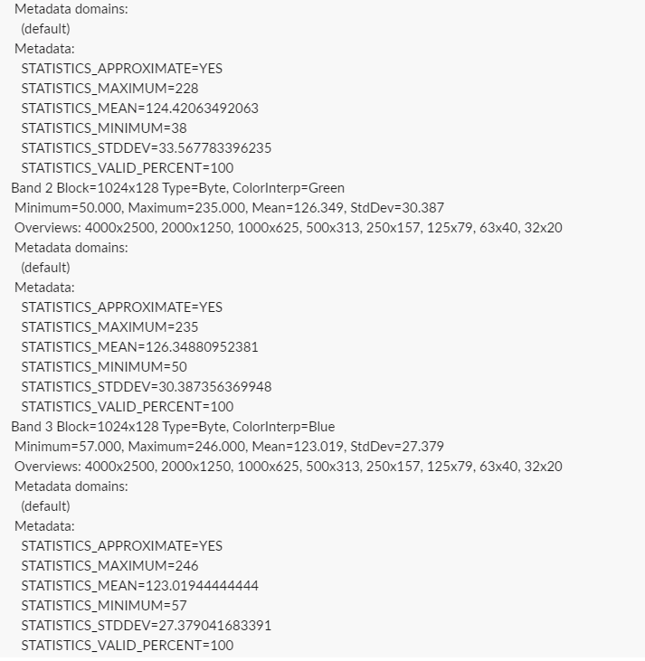
Metadata domains:
(default)
Metadata:
STATISTICS_APPROXIMATE=YES
STATISTICS_MAXIMUM=228
STATISTICS_MEAN=124.42063492063
STATISTICS_MINIMUM=38
STATISTICS_STDDEV=33.567783396235
STATISTICS_VALID_PERCENT=100
Band 2 Block=1024x128 Type=Byte, ColorInterp=Green
Minimum=50.000, Maximum=235.000, Mean=126.349, StdDev=30.387
Overviews: 4000x2500, 2000x1250, 1000x625, 500x313, 250x157, 125x79, 63x40, 32x20
Metadata domains:
(default)
Metadata:
STATISTICS_APPROXIMATE=YES
STATISTICS_MAXIMUM=235
STATISTICS_MEAN=126.34880952381
STATISTICS_MINIMUM=50
STATISTICS_STDDEV=30.387356369948
STATISTICS_VALID_PERCENT=100
Band 3 Block=1024x128 Type=Byte, ColorInterp=Blue
Minimum=57.000, Maximum=246.000, Mean=123.019, StdDev=27.379
Overviews: 4000x2500, 2000x1250, 1000x625, 500x313, 250x157, 125x79, 63x40, 32x20
Metadata domains:
(default)
Metadata:
STATISTICS_APPROXIMATE=YES
STATISTICS_MAXIMUM=246
STATISTICS_MEAN=123.01944444444
STATISTICS_MINIMUM=57
STATISTICS_STDDEV=27.379041683391
STATISTICS_VALID_PERCENT=100

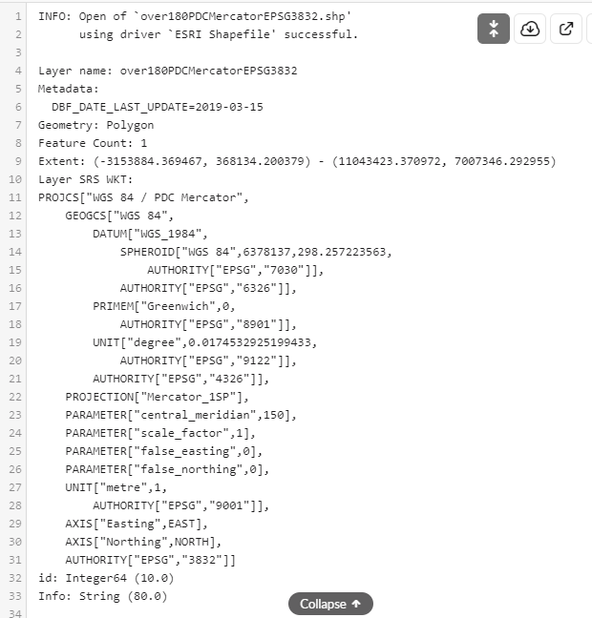
INFO: Open of `over180PDCMercatorEPSG3832.shp'
using driver `ESRI Shapefile' successful.
Layer name: over180PDCMercatorEPSG3832
Metadata:
DBF_DATE_LAST_UPDATE=2019-03-15
Geometry: Polygon
Feature Count: 1
Extent: (-3153884.369467, 368134.200379) - (11043423.370972, 7007346.292955)
Layer SRS WKT:
PROJCS["WGS 84 / PDC Mercator",
GEOGCS["WGS 84",
DATUM["WGS_1984",
SPHEROID["WGS 84",6378137,298.257223563,
AUTHORITY["EPSG","7030"]],
AUTHORITY["EPSG","6326"]],
PRIMEM["Greenwich",0,
AUTHORITY["EPSG","8901"]],
UNIT["degree",0.0174532925199433,
AUTHORITY["EPSG","9122"]],
AUTHORITY["EPSG","4326"]],
PROJECTION["Mercator_1SP"],
PARAMETER["central_meridian",150],
PARAMETER["scale_factor",1],
PARAMETER["false_easting",0],
PARAMETER["false_northing",0],
UNIT["metre",1,
AUTHORITY["EPSG","9001"]],
AXIS["Easting",EAST],
AXIS["Northing",NORTH],
AUTHORITY["EPSG","3832"]]
id: Integer64 (10.0)
Info: String (80.0)

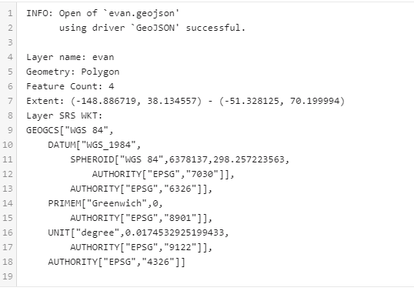
INFO: Open of `evan.geojson'
using driver `GeoJSON' successful.
Layer name: evan
Geometry: Polygon
Feature Count: 4
Extent: (-148.886719, 38.134557) - (-51.328125, 70.199994)
Layer SRS WKT:
GEOGCS["WGS 84",
DATUM["WGS_1984",
SPHEROID["WGS 84",6378137,298.257223563,
AUTHORITY["EPSG","7030"]],
AUTHORITY["EPSG","6326"]],
PRIMEM["Greenwich",0,
AUTHORITY["EPSG","8901"]],
UNIT["degree",0.0174532925199433,
AUTHORITY["EPSG","9122"]],
AUTHORITY["EPSG","4326"]]

$ gdalinfo -json -listmdd N13.sid
{
"description":"N13.sid",
"driverShortName":"MrSID",
"driverLongName":"Multi-resolution Seamless Image Database (MrSID)",
"files":[
"N13.sid"
],
"size":[
8000,
5000
],
"coordinateSystem":{
"wkt":""
},
"geoTransform":[
490304.2000000000116415,
0.1,
0.0,
5456700.2000000001862645,
0.0,
-0.1
],
"metadata":{
"metadataDomains":[
"",
"IMAGE_STRUCTURE",
"DERIVED_SUBDATASETS"
],
"":{
"IMAGE__COMPRESSION_BLOCK_SIZE":"512",
"IMAGE__COMPRESSION_GAMMA":"2.000000",
"IMAGE__COMPRESSION_NLEV":"8",
"IMAGE__COMPRESSION_VERSION":"2,0,0",
"IMAGE__COMPRESSION_WEIGHT":"4.000000",
"IMAGE__CREATION_DATE":"Wed Nov 22 15:41:22 2006\n",
"IMAGE__INPUT_FILE_SIZE":"122011567.000000",
"IMAGE__INPUT_FORMAT":"TIFF w\/ World File",
"IMAGE__INPUT_NAME":"Q:\\2006\\GeoTIFF\\6000\\N13.tif",
"IMAGE__STATISTICS_MAX":"255,255,255",
"IMAGE__STATISTICS_MEAN":"124.638255,126.576621,123.196520",
"IMAGE__STATISTICS_MIN":"0,1,0",
"IMAGE__STATISTICS_STANDARD_DEVIATION":"56.220435,52.751067,49.290896",
"IMAGE__TARGET_COMPRESSION_RATIO":"20.000000",
"VERSION":"MG2"
},
"IMAGE_STRUCTURE":{
"INTERLEAVE":"PIXEL"
}
},
"cornerCoordinates":{
"upperLeft":[
490304.2,
5456700.2
],
"lowerLeft":[
490304.2,
5456200.2
],
"lowerRight":[
491104.2,
5456200.2
],
"upperRight":[
491104.2,
5456700.2
],
"center":[
490704.2,
5456450.2
]
},
"extent":{
"type":"Polygon",
"coordinates":[
[
]
]
},
"bands":[
{
"band":1,
"block":[
1024,
128
],
"type":"Byte",
"colorInterpretation":"Red",
"minimum":38.0,
"maximum":228.0,
"mean":124.421,
"stdDev":33.568,
"overviews":[
{
"size":[
4000,
2500
]
},
{
"size":[
2000,
1250
]
},
{
"size":[
1000,
625
]
},
{
"size":[
500,
313
]
},
{
"size":[
250,
157
]
},
{
"size":[
125,
79
]
},
{
"size":[
63,
40
]
},
{
"size":[
32,
20
]
}
],
"metadata":{
"metadataDomains":[
""
],
"":{
"STATISTICS_APPROXIMATE":"YES",
"STATISTICS_MAXIMUM":"228",
"STATISTICS_MEAN":"124.42063492063",
"STATISTICS_MINIMUM":"38",
"STATISTICS_STDDEV":"33.567783396235",
"STATISTICS_VALID_PERCENT":"100"
}
}
},
{
"band":2,
"block":[
1024,
128
],
"type":"Byte",
"colorInterpretation":"Green",
"minimum":50.0,
"maximum":235.0,
"mean":126.349,
"stdDev":30.387,
"overviews":[
{
"size":[
4000,
2500
]
},
{
"size":[
2000,
1250
]
},
{
"size":[
1000,
625
]
},
{
"size":[
500,
313
]
},
{
"size":[
250,
157
]
},
{
"size":[
125,
79
]
},
{
"size":[
63,
40
]
},
{
"size":[
32,
20
]
}
],
"metadata":{
"metadataDomains":[
""
],
"":{
"STATISTICS_APPROXIMATE":"YES",
"STATISTICS_MAXIMUM":"235",
"STATISTICS_MEAN":"126.34880952381",
"STATISTICS_MINIMUM":"50",
"STATISTICS_STDDEV":"30.387356369948",
"STATISTICS_VALID_PERCENT":"100"
}
}
},
{
"band":3,
"block":[
1024,
128
],
"type":"Byte",
"colorInterpretation":"Blue",
"minimum":57.0,
"maximum":246.0,
"mean":123.019,
"stdDev":27.379,
"overviews":[
{
"size":[
4000,
2500
]
},
{
"size":[
2000,
1250
]
},
{
"size":[
1000,
625
]
},
{
"size":[
500,
313
]
},
{
"size":[
250,
157
]
},
{
"size":[
125,
79
]
},
{
"size":[
63,
40
]
},
{
"size":[
32,
20
]
}
],
"metadata":{
"metadataDomains":[
""
],
"":{
"STATISTICS_APPROXIMATE":"YES",
"STATISTICS_MAXIMUM":"246",
"STATISTICS_MEAN":"123.01944444444",
"STATISTICS_MINIMUM":"57",
"STATISTICS_STDDEV":"27.379041683391",
"STATISTICS_VALID_PERCENT":"100"
}
}
}
]

