Table 8
2016-2017 Participation by Pathway
Special Education
3.32%
F School
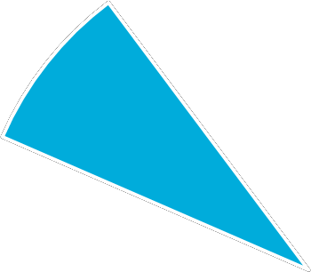
0.52%
Sibling
6.39%
Two-Semesters
8.25%
Previous Choice
1.78%
Previous SGO
6.79%
Continuing Choice
72.95%
There are two eligibility branches within the Sibling Pathway. A sibling of a student who received either a Choice Scholarship or an SGO Award in a previous school year is eligible for the Sibling Pathway. The use of the Sibling Pathway has declined each of the past three years. As illustrated in Table 11 and the graph on the next page, the majority, 75.19%, of students who applied under the Sibling Pathway were siblings of previous Choice Scholarship students.
Table 11. Count of Sibling Pathway Participation
Year | Previous Choice | Previous SGO | Total
2014-2015 | 1,746 | 1,252 | 2,998
2015-2016 | 1,682 | 555 | 2,237
2016-2017 | 1,795 | 398 | 2,193

