Sheet1
NOTE: THIS PERFORMANCE NUMBER IS NOT AIMING TO SHARE WITH CUSTOMER NOR REPRESENT FORMAL AWS PERFORMANCE INDICATOR, BUT RATHER EXPERIMENTS WITH DIFFERENT APPROACH FOR CERTAIN CUSTOMER USE CASE | Map Iterator Only

 | Items in Map | 1 | 5 | 10 | 20 | 40 | 100 | 200 | 500 | 700 | 1000
 | Exe Time (ms) | 5291 | 5334 | 5419 | 6140 | 10142 | 29383 | 50557 | 135970 | 181503 | 255299
 |  | 5281 | 5399 | 5414 | 6133 | 10158 | 25724 | 53497 | 130737 | 181420 | 253199
 |  | 5278 | 5374 | 5398 | 6207 | 10114 | 25724 | 51740 | 131744 | 181095 | 257340

 | Median | 5281 | 5374 | 5414 | 6140 | 10142 | 25724 | 51740 | 131744 | 181420 | 255299

 | Concurrent Lambda Invocation | 1 | 5 | 10 | 20 | 40 | 40 | 40 | 40 | 40 | 40
Items in Map vs Execution Time
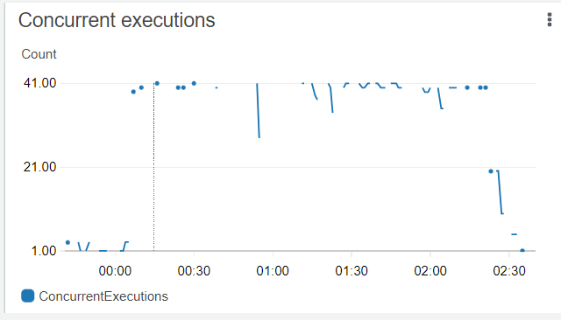

Items in Map vs Concurrent Lambda Invocation

 | Nested Map Iterator

 | Items in Map | 1 | 5 | 10 | 20 | 40 | 100 | 200 | 500 | 700 | 1000
 | Exe Time (ms) | 5404 | 5648 | 5657 | 6570 | 10538 | 33581 | 94137 | 270855 | 660218 | 1150299
 |  | 5400 | 5607 | 5512 | 6372 | 10506 | 33567 | 94150 | 391101 | 660289 | 1150332
 |  | 5416 | 5426 | 5516 | 6617 | 10478 | 33623 | 94068 | 391067 | 660554 | 1150320

 | Median | 5404 | 5607 | 5516 | 6570 | 10506 | 33581 | 94137 | 391067 | 660289 | 1150320

 | Concurrent Lambda | 1 | 5 | 10 | 20 | 40 | 38* | 38* | 38* | 38* | 38*
 | Invocation

Items in Map vs Execution Time

 | Map Iterator within Parallel Step

 | Items in Map | 1 | 5 | 10 | 20 | 40 | 100 | 200 | 500 | 700 | 1000
 | Exe Time (ms) | 5608 | 5959 | 5986 | 6922 | 11054 | 33602 | 67260 | 185013 | 273542 | 374690
 |  | 5463 | 5493 | 5560 | 6691 | 11046 | 33579 | 69168 | 189772 | 275741 | 414403
 |  | 5458 | 5598 | 5519 | 6727 | 11110 | 33794 | 68203 | 21099 | 276554 | 387904

 | Median | 5463 | 5545.5 | 5560 | 6727 | 11054 | 33602 | 68203 | 185013 | 275741 | 387904

 | Concurrent Lambda | 1 | 5 | 10 | 20 | 40 | 38* | 38* | 38* | 38* | 38*
 | Invocation

Items in Map vs Execution Time (Lower Slope is Better)

 | Map with EventBridge (Callback)

 | Items in Map | 1 | 5 | 10 | 20 | 40 | 100 | 200 | 500 | 700 | 1000
 | Exe Time (ms) | 5605 | 6569 | 6732 | 7235 | 10995 | 26618 | 54003 | 132482 | 185306 | 264388
 |  | 5700 | 6122 | 6052 | 6657 | 10384 | 30006 | 52772 | 132513 | 185831 | 262283
 |  | 5873 | 5848 | 6850 | 6349 | 10881 | 26457 | 53252 | 132356 | 184398 | 269661

 | Median | 5700 | 6122 | 6732 | 6657 | 10881 | 26618 | 53252 | 132482 | 185306 | 264388

 | Concurrent Lambda | 1 | 5 | 10 | 20 | 40 | 40 | 40 | 40 | 40 | 40
 | Invocation

Items in Map vs Execution Time (Lower Slope is Better)

 | Multipl Step Function with EventBridge (No Callback)

 | Items in Map | 1 | 5 | 10 | 20 | 40 | 100 | 200 | 500 | 700 | 1000
 | Exe Time (ms) | 6558 | 6834 | 7127 | 7865 | 11505 | 21976 | 37411 | 91351 | 99124 | 177595
 |  | 6393 | 7092 | 6747 | 7584 | 11812 | 22616 | 38085 | 88380 | 124029 | 160576
 |  | 6906 | 8096 | 7402 | 7414 | 11572 | 21854 | 34704 | 90429 | 103129 | 114415

 | Median | 6558 | 7092 | 7127 | 7584 | 11572 | 21976 | 37411 | 90429 | 103129 | 160576

 | Concurrent Lambda | 1 | 5 | 10 | 20 | 40 | 40 | 55 | 55 | 44 | 45
 | Invocation

Items for Concurrency vs Execution Time (Lower Slope is Better)

