HOME
图片 | 大标题 | 小标题
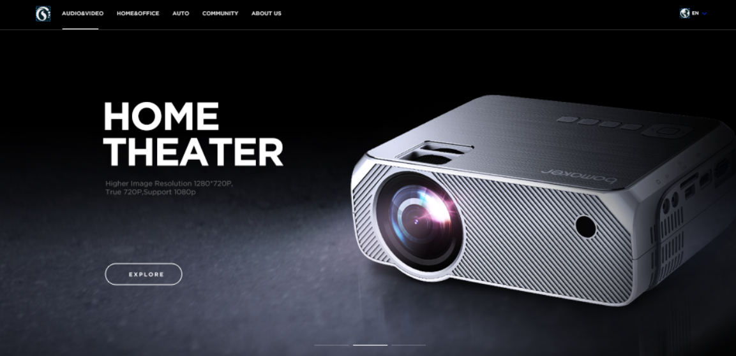 | HOME THEATER | Higher Image Resolution 1280*720P, True 720P,Support 1080p
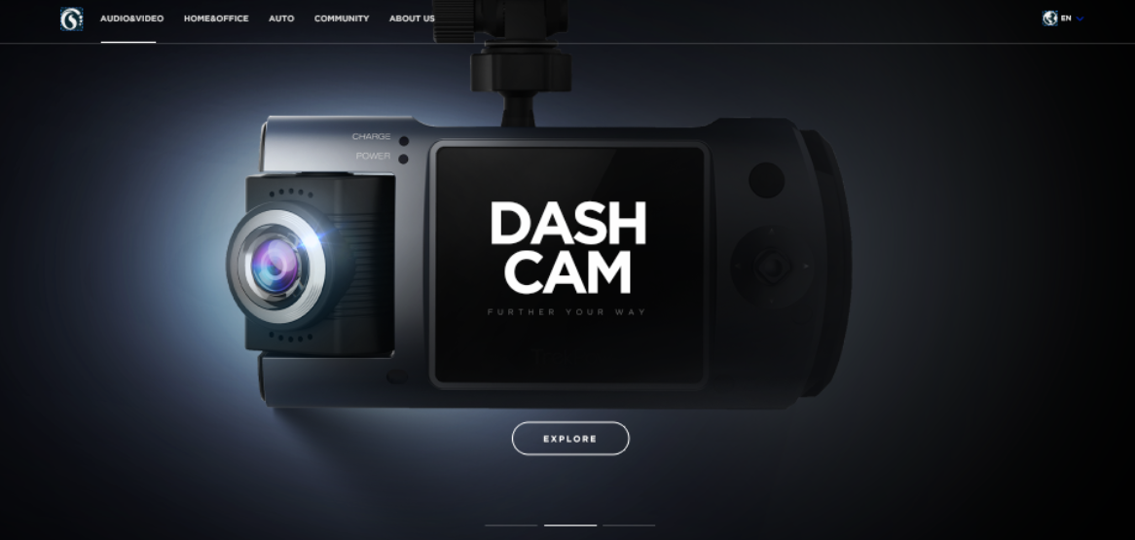 | DASH CAM | further your way
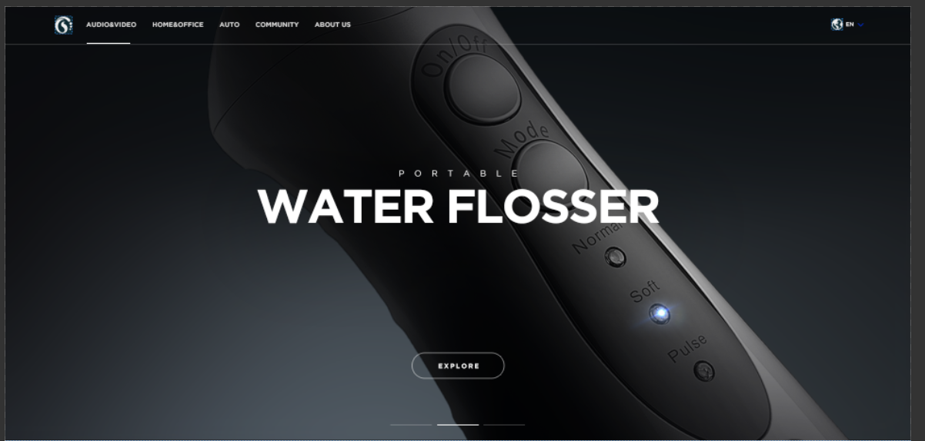 | Water Flosser | Portable

AUTO
图片 | 大标题 | 小标题
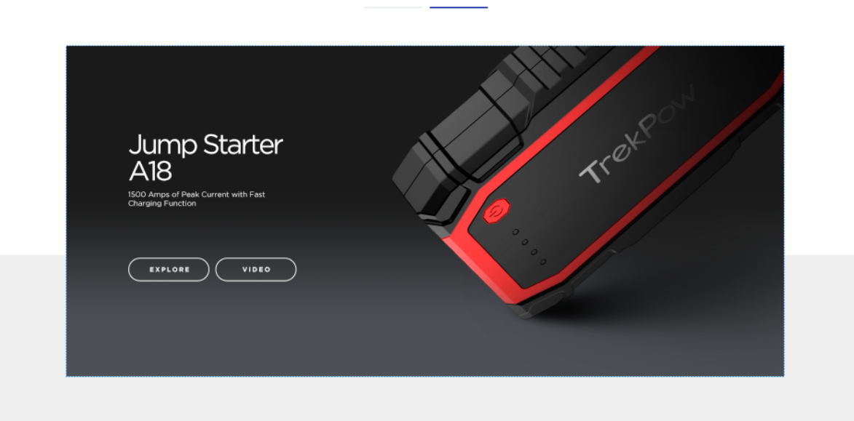 | Jump Starter A18 | 1500 Amps of Peak Current with Fast Charging Function
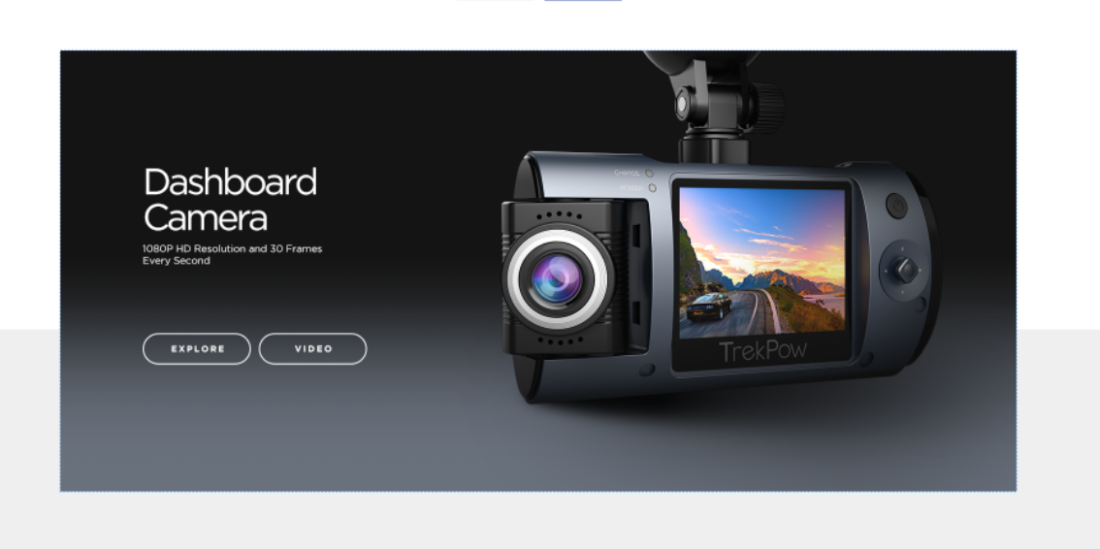 | Dashboard Camera | 1080P HD Resolution and 30 Frames Every Second

HOME & PERSONAL CARE
图片 | 大标题 | 小标题
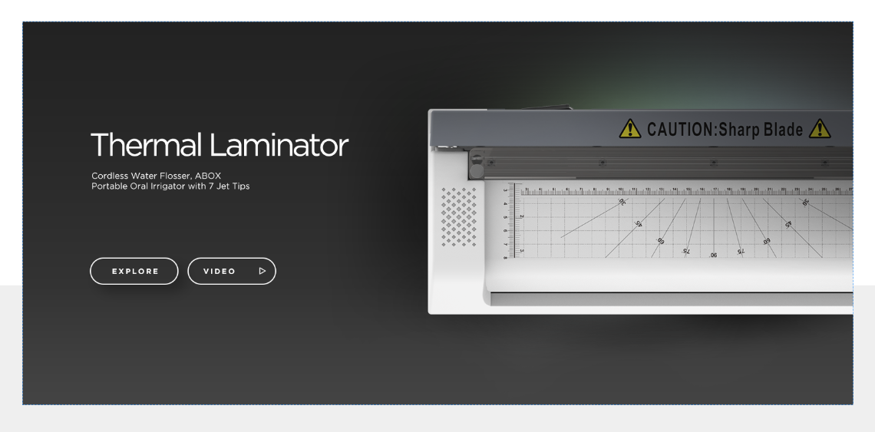 | Thermal Laminator | Cordless Water Flosser, ABOX Portable Oral Irrigator with 7 Jet Tips
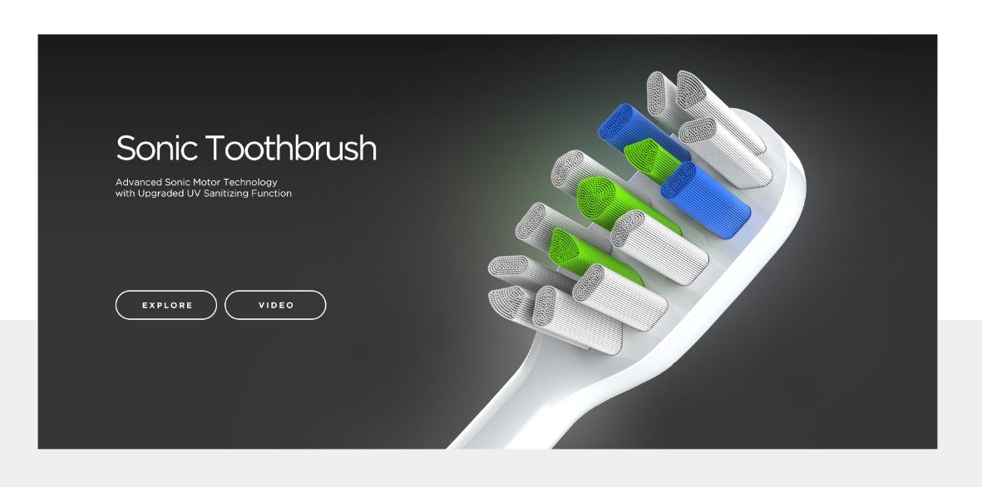 | Sonic Toothbrush | Advanced Sonic Motor Technology with Upgraded UV Sanitizing Function
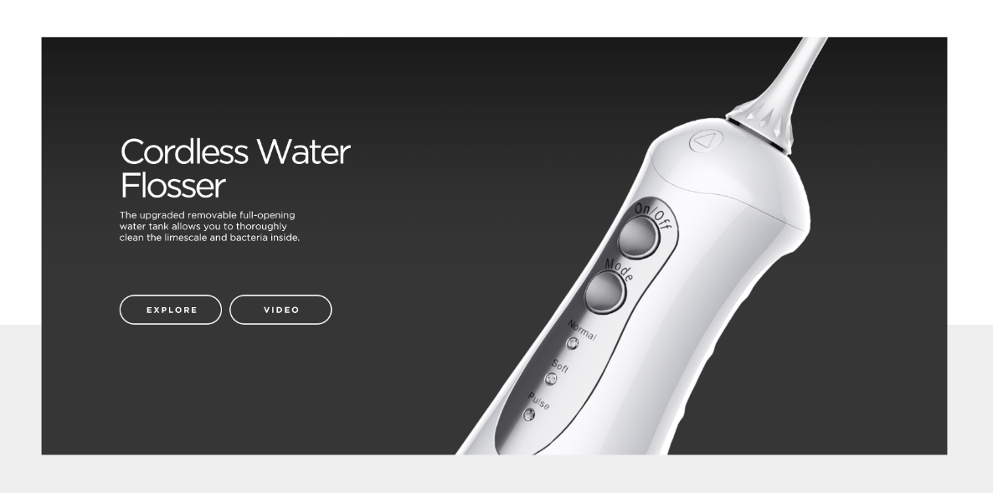 | Cordless Water Flosser | The upgraded removable full-opening water tank allows you to thoroughly clean the limescale and bacteria inside.

AUDIO & VIDEO
图片 | 大标题 | 小标题
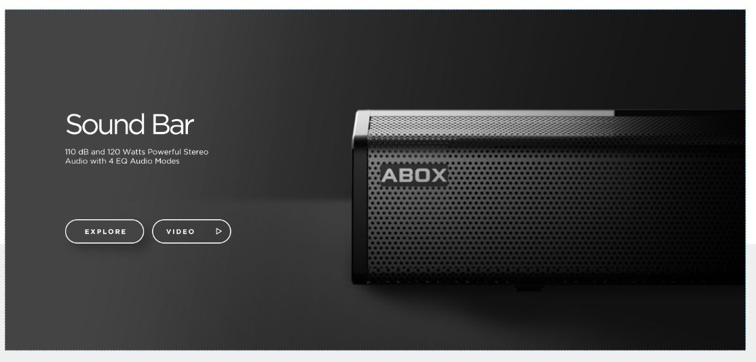 | Sound Bar | 110 dB and 120 Watts Powerful Stereo Audio with 4 EQ Audio Modes
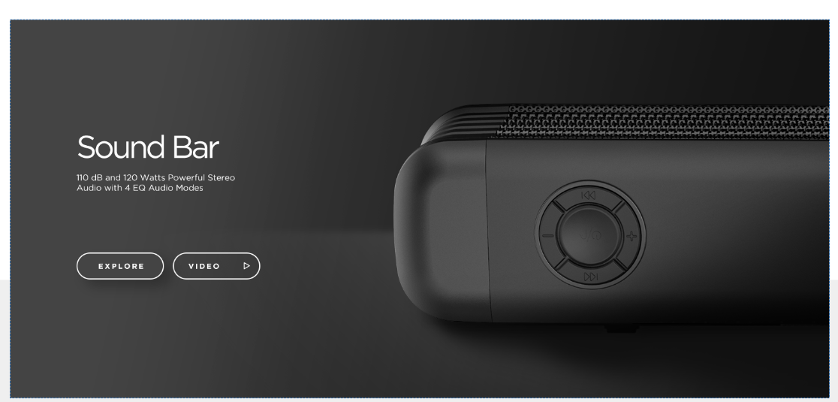 | Sound Bar | 110 dB and 120 Watts Powerful Stereo Audio with 4 EQ Audio Modes
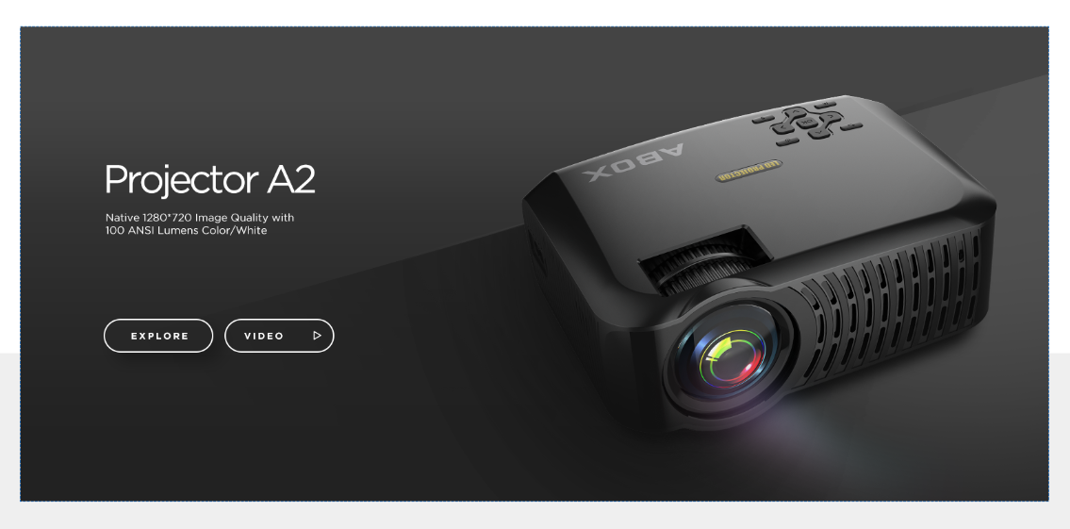 | Projector A2 | Native 1280*720 Image Quality with 100 ANSI Lumens Color/White
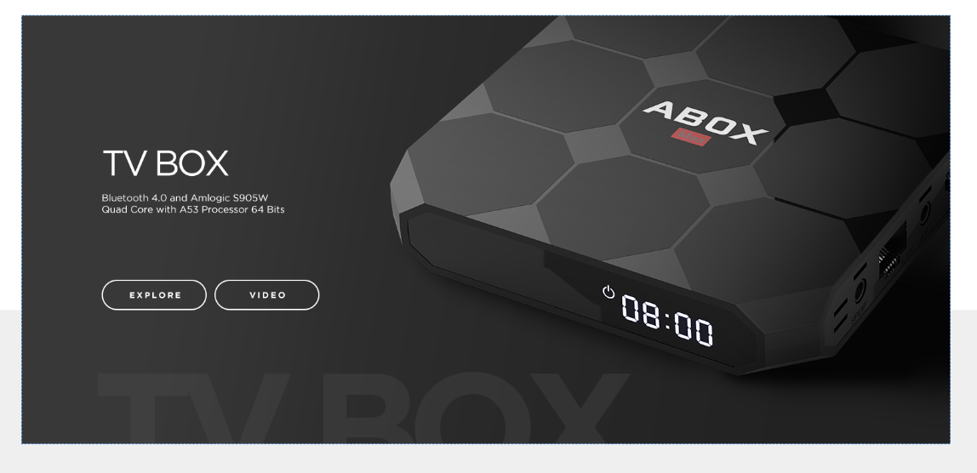 | TV BOX | Bluetooth 4.0 and Amlogic S905W Quad Core with A53 Processor 64 Bits

