Markov Model Parameters
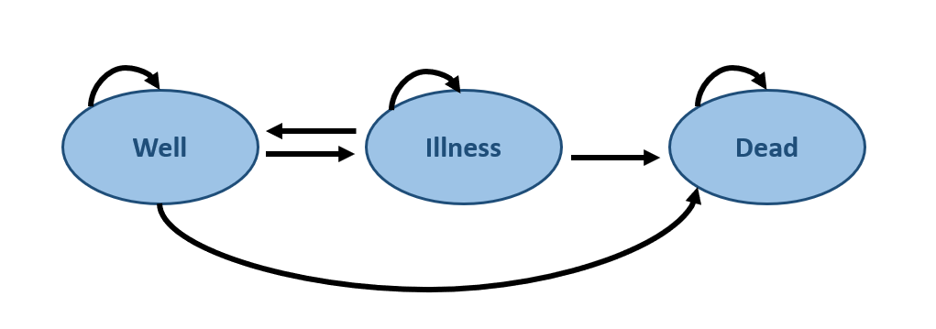
tp1
tp4
tp7
Transition Probabilities
Transition State | Variable | Transition Probabilities for Treatment 1 | Transition Probabilities for Treatment 2 | Description
Well -> Well | 1 - tp(well_illness) - tp(well_dead) | 0.83 | 0.79 | Remain in the Well state
tp5
Well -> Illness | tp(well_illness) | 0.15 | 0.2 | Transition from Well to Illness
tp6
Well -> Dead | tp(well_dead) | 0.02 | 0.01 | Transition from Well to Death

tp2
Illness -> Illness | 1 - tp(illness_well) - tp(illness_dead) | 0.65 | 0.56 | Remain in the Illness state
Illness -> Well | tp(illness_well) | 0.3 | 0.4 | Transition from Illness to Well
Illness -> Dead | tp(illness_dead) | 0.05 | 0.04 | Transition from Illness to Death
tp3
Dead -- > Dead | tp(dead) | 1 | 1 | Remain in Death (Absorbing state)

Costs (in USD) and Utility (in QALYs)
Transition State | Costs for Treatment 1 (in USD) | Costs for Treatment 2 (in USD) | Utility for Treatment 1 (in QALYs) | Utility for Treatment 2 (in QALYs)
Well | $500.00 | $600.00 | 1 | 1
Illness | $2,000.00 | $900.00 | 0.5 | 0.45
Dead | $0.00 | $0.00 | 0 | 0

Model Results & Output
Model Results

Treatment | Total Cost | Total QALYs | Incremental Costs | Incremental QALYs | Incremental Cost-Effectiveness Ratio (ICER)
Treatment 1 | $31,128.64 | 27.909811983 | $158.66 | -9.1213357803 | -$17.39
Treatment 2 | $30,969.98 | 37.031147763

Model Outputs
Markov Model output for Treatment 1
 | Well | Illness | Dead
0 | 1.0000 | 0.0000 | 0.0000
1 | 0.8300 | 0.1500 | 0.0200
2 | 0.7339 | 0.2220 | 0.0441
3 | 0.6757 | 0.2544 | 0.0699
4 | 0.6372 | 0.2667 | 0.0961
5 | 0.6089 | 0.2689 | 0.1222
6 | 0.5860 | 0.2661 | 0.1478
7 | 0.5663 | 0.2609 | 0.1728
8 | 0.5483 | 0.2545 | 0.1972
9 | 0.5314 | 0.2477 | 0.2209
10 | 0.5154 | 0.2407 | 0.2439
11 | 0.5000 | 0.2338 | 0.2663
12 | 0.4851 | 0.2269 | 0.2879
13 | 0.4707 | 0.2203 | 0.3090
14 | 0.4568 | 0.2138 | 0.3294
15 | 0.4433 | 0.2075 | 0.3493
16 | 0.4302 | 0.2014 | 0.3685
17 | 0.4174 | 0.1954 | 0.3872
18 | 0.4051 | 0.1896 | 0.4053
19 | 0.3931 | 0.1840 | 0.4229
20 | 0.3815 | 0.1786 | 0.4399
21 | 0.3702 | 0.1733 | 0.4565
22 | 0.3593 | 0.1682 | 0.4726
23 | 0.3486 | 0.1632 | 0.4881
24 | 0.3383 | 0.1584 | 0.5033
25 | 0.3283 | 0.1537 | 0.5180
26 | 0.3186 | 0.1492 | 0.5322
27 | 0.3092 | 0.1447 | 0.5460
28 | 0.3001 | 0.1405 | 0.5595
29 | 0.2912 | 0.1363 | 0.5725
30 | 0.2826 | 0.1323 | 0.5851
31 | 0.2742 | 0.1284 | 0.5974
32 | 0.2661 | 0.1246 | 0.6093
33 | 0.2583 | 0.1209 | 0.6209
34 | 0.2506 | 0.1173 | 0.6321
35 | 0.2432 | 0.1138 | 0.6429
36 | 0.2360 | 0.1105 | 0.6535
37 | 0.2290 | 0.1072 | 0.6637
38 | 0.2223 | 0.1040 | 0.6737
39 | 0.2157 | 0.1010 | 0.6833
40 | 0.2093 | 0.0980 | 0.6927
41 | 0.2031 | 0.0951 | 0.7018
42 | 0.1971 | 0.0923 | 0.7106
43 | 0.1913 | 0.0895 | 0.7192
44 | 0.1856 | 0.0869 | 0.7275
45 | 0.1802 | 0.0843 | 0.7355
46 | 0.1748 | 0.0818 | 0.7433
47 | 0.1697 | 0.0794 | 0.7509
48 | 0.1646 | 0.0771 | 0.7583
49 | 0.1598 | 0.0748 | 0.7654
...
Markov Model output for Treatment 2
 | Well | Illness | Dead
 | 1.0000 | 0.0000 | 0.0000
 | 0.7900 | 0.2000 | 0.0100
 | 0.7041 | 0.2700 | 0.0259
 | 0.6642 | 0.2920 | 0.0437
 | 0.6416 | 0.2964 | 0.0621
 | 0.6254 | 0.2943 | 0.0803
 | 0.6118 | 0.2899 | 0.0984
 | 0.5992 | 0.2847 | 0.1161
 | 0.5873 | 0.2793 | 0.1335
 | 0.5757 | 0.2738 | 0.1505
 | 0.5643 | 0.2685 | 0.1672
 | 0.5532 | 0.2632 | 0.1836
 | 0.5423 | 0.2580 | 0.1996
 | 0.5316 | 0.2530 | 0.2154
 | 0.5212 | 0.2480 | 0.2308
 | 0.5109 | 0.2431 | 0.2460
 | 0.5009 | 0.2383 | 0.2608
 | 0.4910 | 0.2336 | 0.2753
 | 0.4814 | 0.2290 | 0.2896
 | 0.4719 | 0.2245 | 0.3036
 | 0.4626 | 0.2201 | 0.3173
 | 0.4535 | 0.2158 | 0.3307
 | 0.4446 | 0.2115 | 0.3439
 | 0.4358 | 0.2074 | 0.3568
 | 0.4273 | 0.2033 | 0.3694
 | 0.4189 | 0.1993 | 0.3818
 | 0.4106 | 0.1954 | 0.3940
 | 0.4025 | 0.1915 | 0.4059
 | 0.3946 | 0.1878 | 0.4176
 | 0.3869 | 0.1841 | 0.4291
 | 0.3793 | 0.1805 | 0.4403
 | 0.3718 | 0.1769 | 0.4513
 | 0.3645 | 0.1734 | 0.4621
 | 0.3573 | 0.1700 | 0.4727
 | 0.3503 | 0.1667 | 0.4831
 | 0.3434 | 0.1634 | 0.4932
 | 0.3366 | 0.1602 | 0.5032
 | 0.3300 | 0.1570 | 0.5130
 | 0.3235 | 0.1539 | 0.5225
 | 0.3172 | 0.1509 | 0.5319
 | 0.3109 | 0.1479 | 0.5411
 | 0.3048 | 0.1450 | 0.5502
 | 0.2988 | 0.1422 | 0.5590
 | 0.2929 | 0.1394 | 0.5677
 | 0.2872 | 0.1366 | 0.5762
 | 0.2815 | 0.1339 | 0.5845
 | 0.2760 | 0.1313 | 0.5927
 | 0.2705 | 0.1287 | 0.6007
 | 0.2652 | 0.1262 | 0.6086
 | 0.2600 | 0.1237 | 0.6163
...

