epsilon
Nothing interesting when both epsilons for excitatory and inhibitory populations are modified. |  |  | Increasing eps_inh isn't sufficient to have fi at the same amplitude as fe

Sheet model |  |  | Sheet model
epsilon | Figure | Result | eps_exc | eps_inh | Figure | Result
0% | 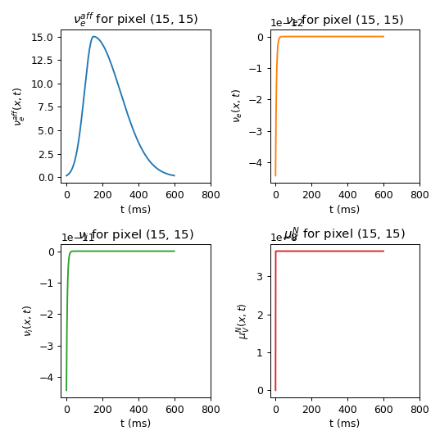 |  | 1.25% | 5% | 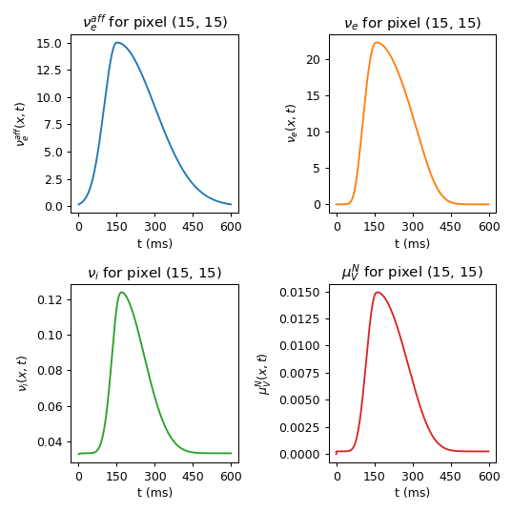
0.1% | 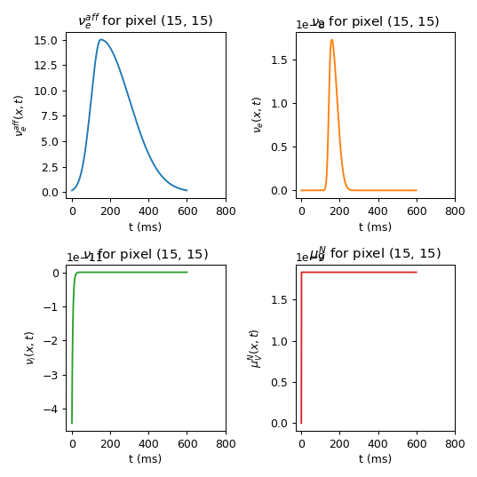 |  | Same results as with eps_inh = 1,25%: eps_inh connectivity has little influence on fi and fe amplitudes
0.5% | 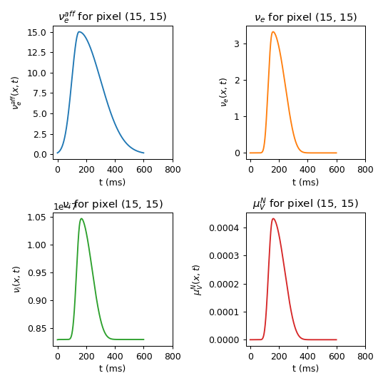
1.25% | 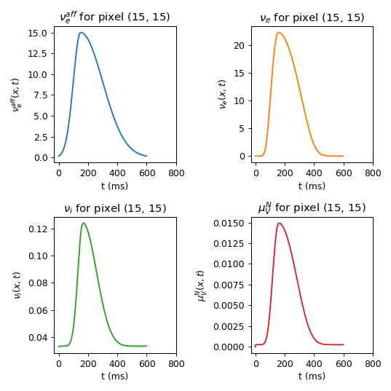
1.67% | 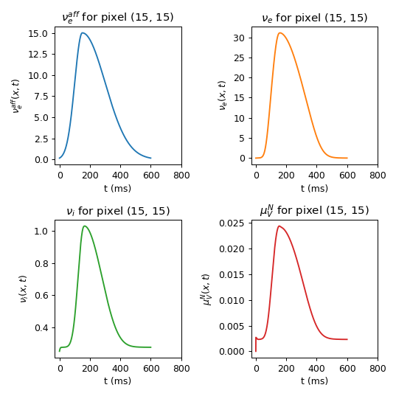
2.5% | 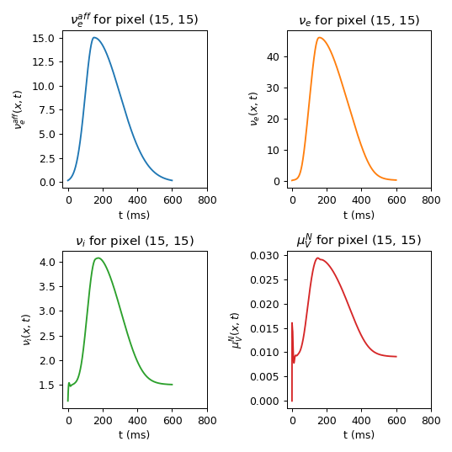
5% | 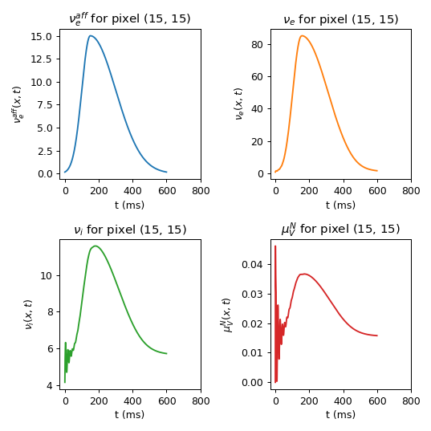
10% | 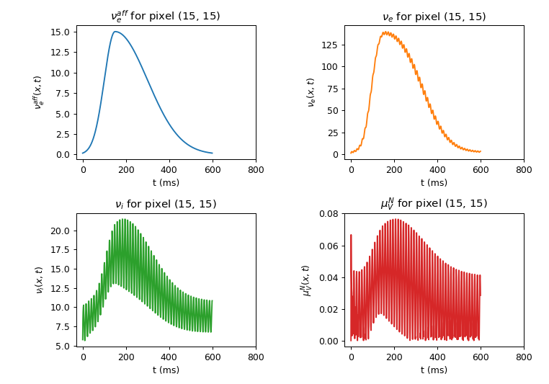

F_drive
 | 1-2Hz seems good

 | Sheet model
 | F_drive (Hz) | Figure | Result
 | 0 | 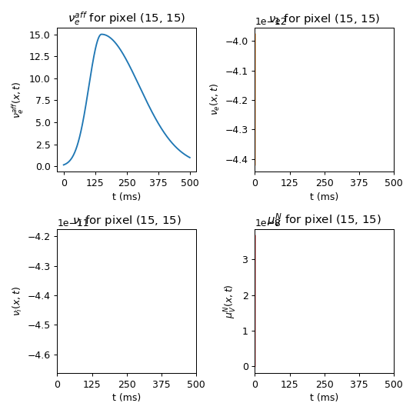
 | 1 | 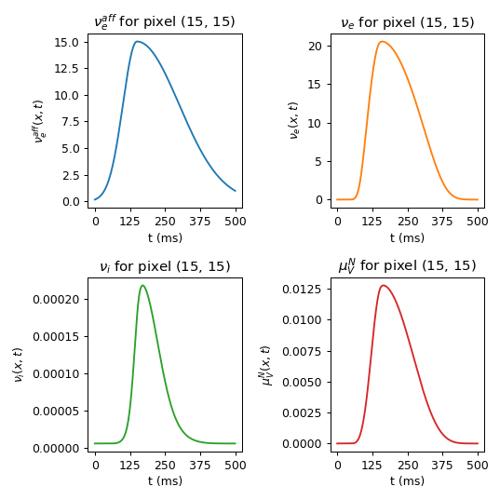
Default | 2 | 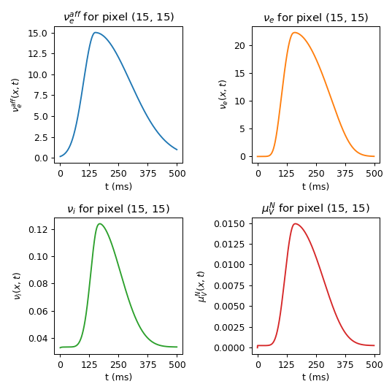
 | 3 | 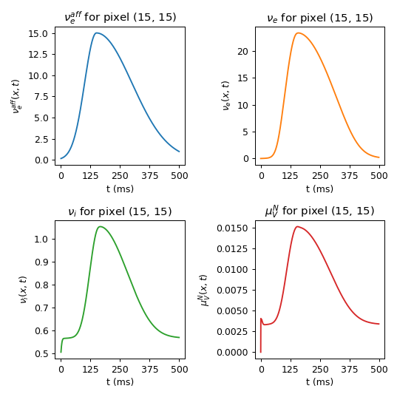
 | 5 | 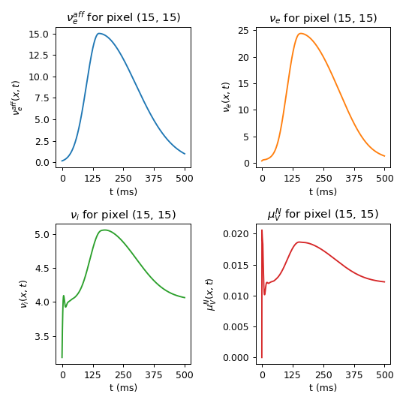

conduction_velocity
 | Anything above 50 can be used. Can therefore be adapted to different axon conduction speeds

 | Sheet model
 | cond. veloc. (mm/s) | Figure
 | 1 | 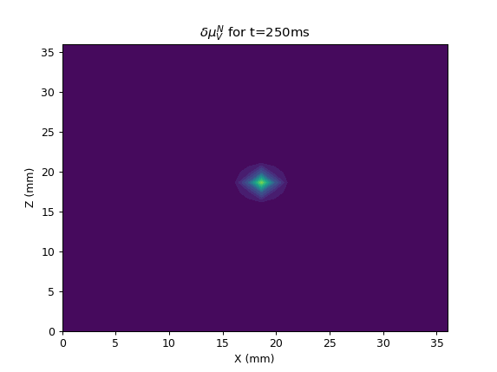
 | 50 | 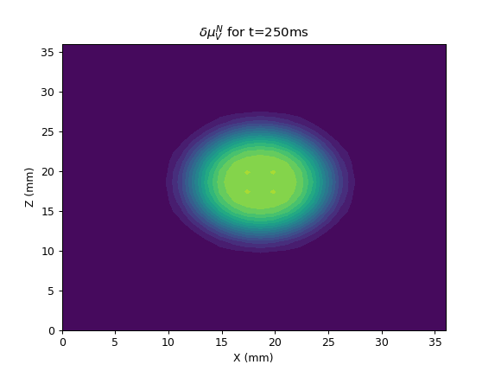
Default | 300 | 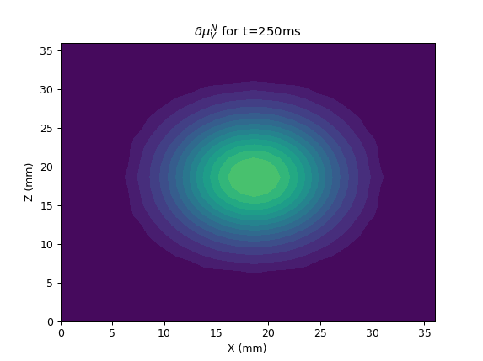
 | 1000 | 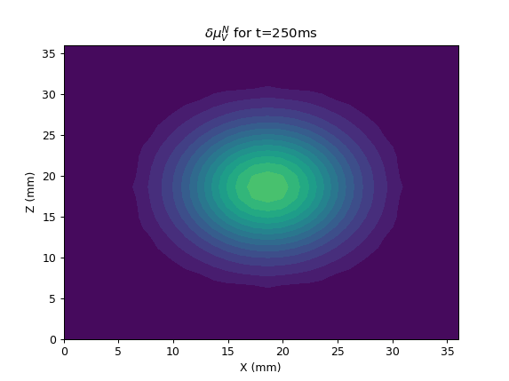

Normalization
 | Two pairs of normalization values seem correct |  |  |  |  |  | Two pairs of normalization values seem correct

 | Torus model |  |  |  |  |  | Sheet model
 | Norm. Exc | Norm. Inh | Figure | Result | Ratio inh/exc |  | Norm. Exc | Norm. Inh | Figure | Result | Ratio inh/exc
Default (torus_norm_base) | 0.0631 | 0.3077 | 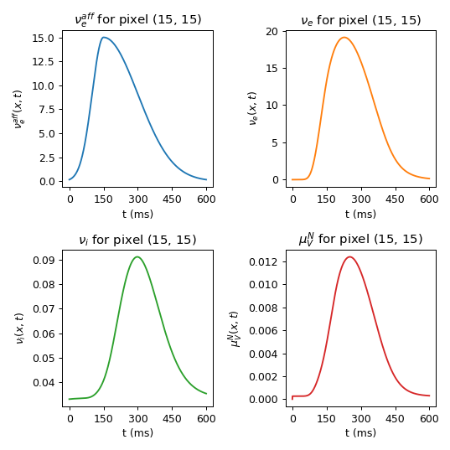 |  | 4.9 | Default (sheet_norm_base) | 0.0631 | 0.3077 | 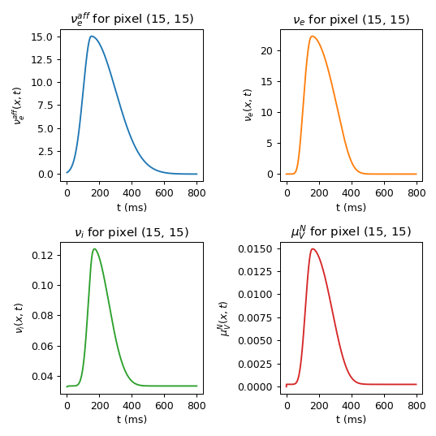 |  | 4.9
torus_norm_1 | 0.0032 | 0.08 | 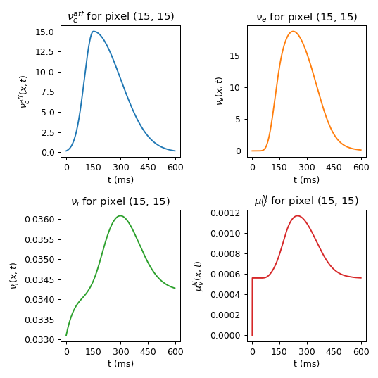 |  | 24.0 | sheet_norm_1 | 0.5 | 0.8 | 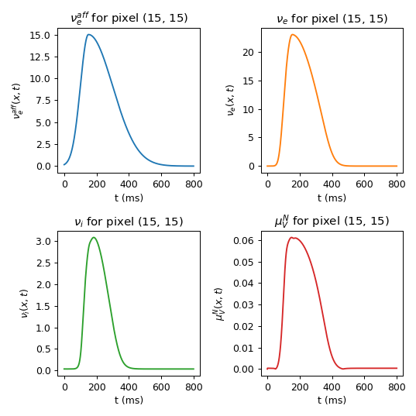 |  | 1.6
torus_norm_2 | 0.0032 | 0.3077 | 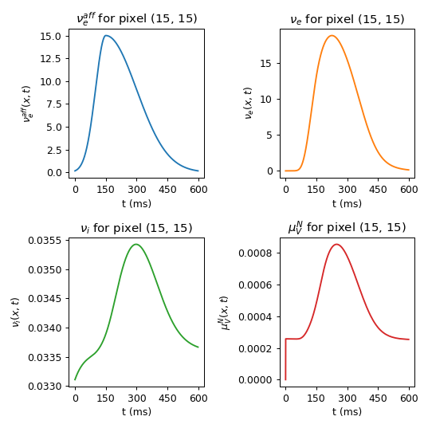 |  | 96.2
torus_norm_3 | 0.0631 | 0.0769 | 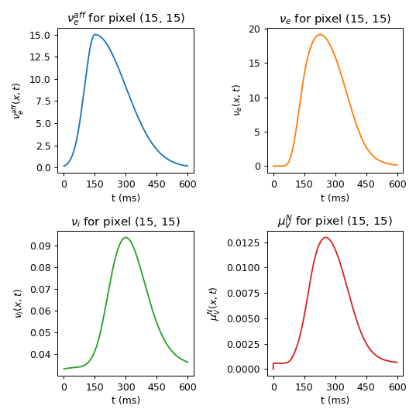 |  | 1.2
torus_norm_4 | 0.0631 | 5.00 | 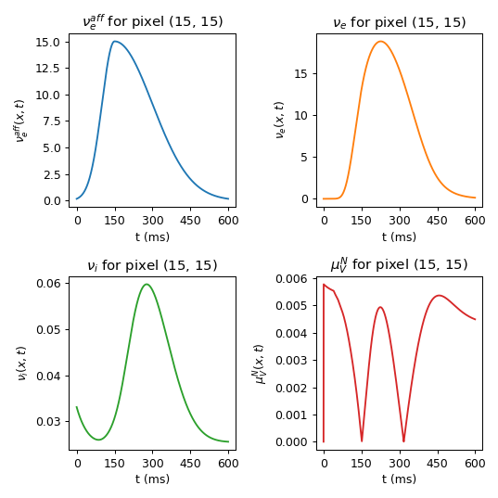 |  | 79.2
torus_norm_5 | 0.0631 | 1.0 | 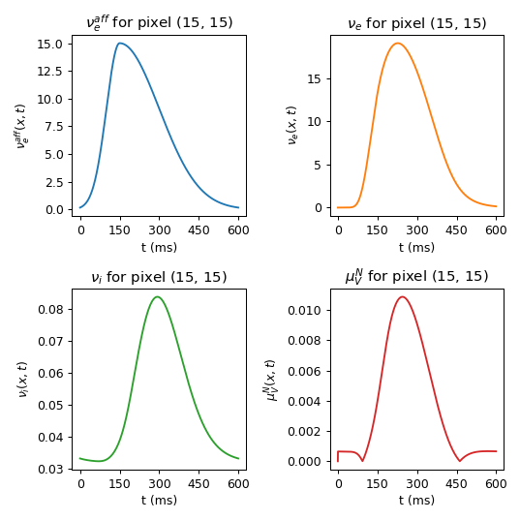 |  | 15.8
torus_norm_6 | 9.95E-05 | 0.0 | 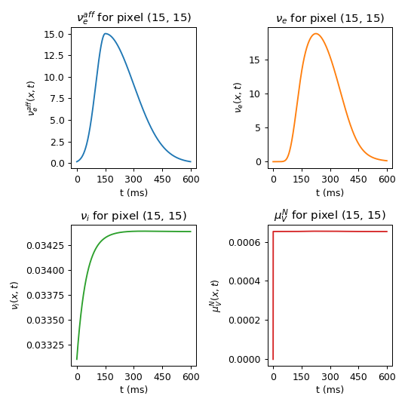 |  | 59.3
torus_norm_7 | 1.0 | 1.0 | 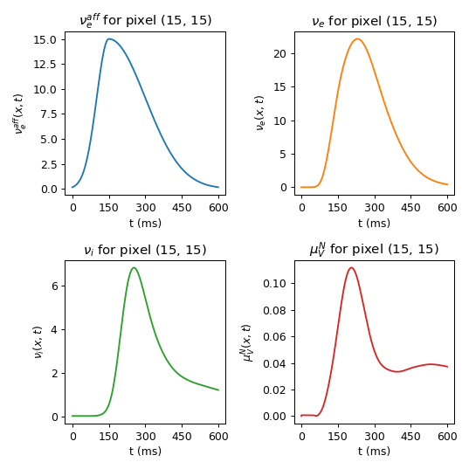 |  | 1.0
torus_norm_8 | 1.0 | 5.0 | 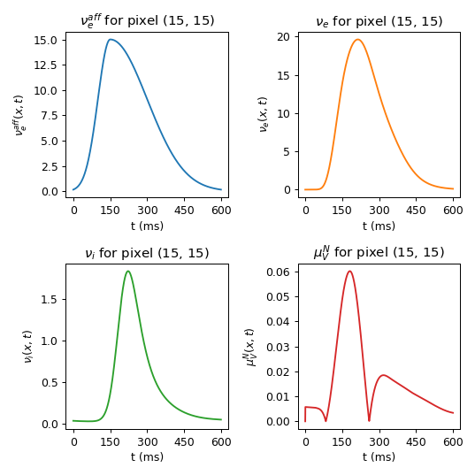 |  | 5.0
torus_norm_9 | 1.0 | 0.1 | 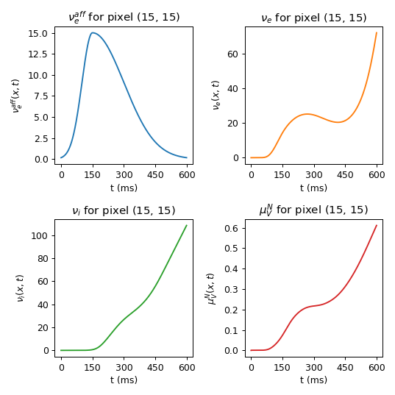 |  | 0.1
torus_norm_10 | 1.0 | 0.5 | 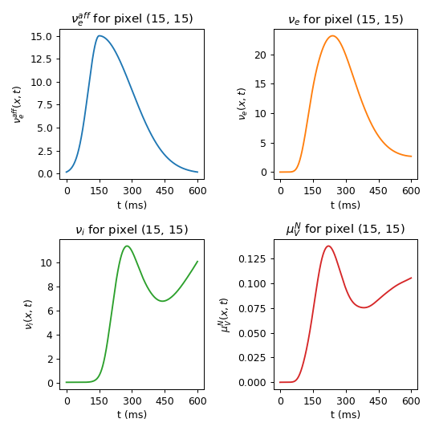 |  | 0.5
torus_norm_11 | 1.0 | 2.0 | 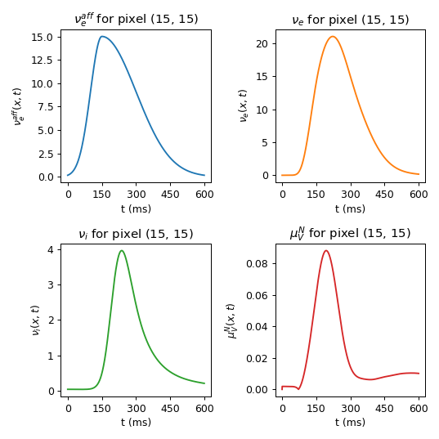 |  | 2.0
torus_norm_12 | 4.0 | 8.0 | 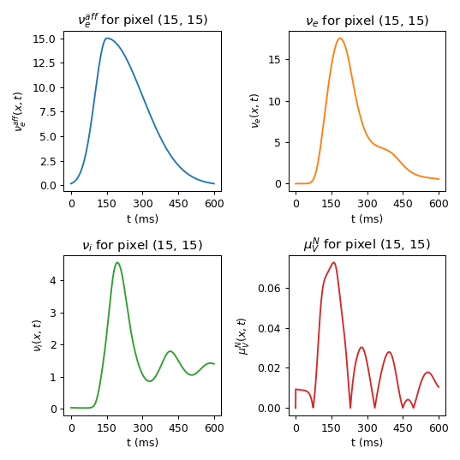 |  | 2.0
torus_norm_13 | 0.5 | 0.5 | 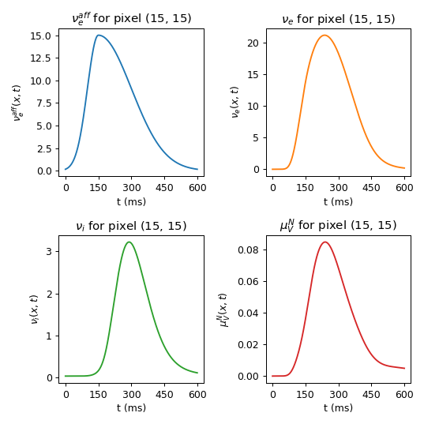 |  | 1.0
torus_norm_14 | 0.5 | 0.5 | 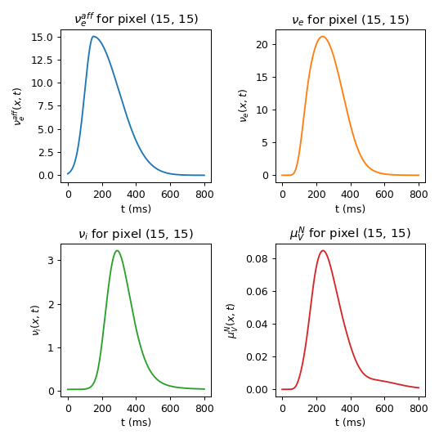 |  | 1.0
torus_norm_15 | 0.5 | 0.7 | 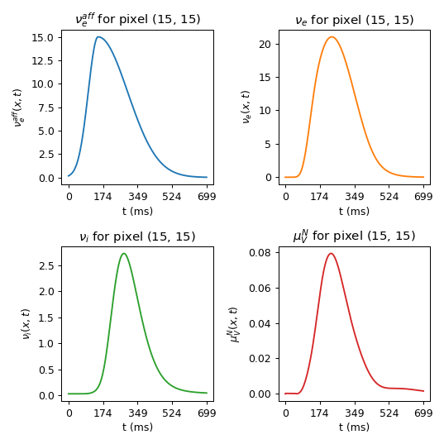 |  | 1.4
torus_norm_16 | 0.5 | 0.8 | 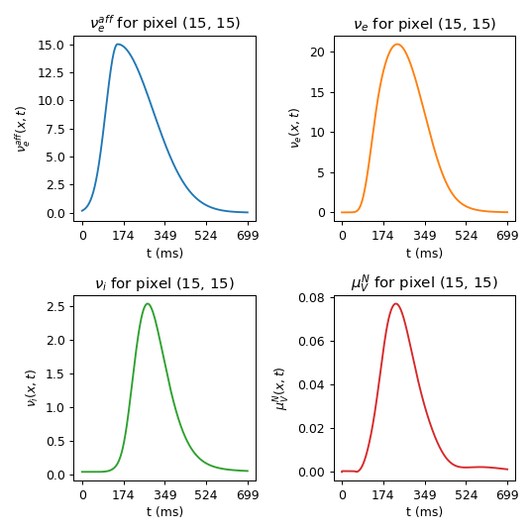 |  | 1.6

