Connectors
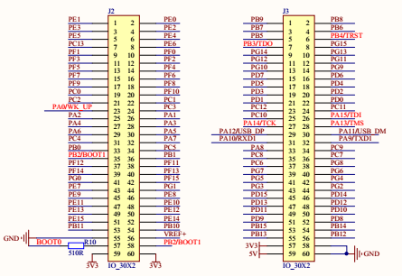
J3 |  | J2
GND | 5V | 3V3 | 3V3
GND | 3V3 | PB2/BOOT1 | BOOT0
PB12 | PB13 | VREF+ | GND
PB14 | PB15 | PB10 | PB11
PD8 | PD9 | PE14 | PE15
PD10 | PD11 | PE12 | PE13
PD12 | PD13 | PE10 | PE11
PD14 | PD15 | PE8 | PE9
PG2 | PG3 | PG1 | PE7
PG4 | PG5 | PF15 | PG0
PG6 | PG7 | PF13 | PF14
PG8 | PC6 | PF11 | PF12
PC7 | PC8 | PB1 | PB2/BOOT1
PC9 | PA8 | PC5 | PB0
PA9/TXD1 | PA10/RXD1 | PA7 | PC4
PA11/USB_DM | PA12/USB_DP | PA5 | PA6
PA13/TMS | PA14/TCK | PA3 | PA4
PA15/TDI | PC10 | PA1 | PA2
PC11 | PC12 | PC3 | PA0/WK_UP
PD0 | PD1 | PC1 | PC2
PD2 | PD3 | PF10 | PC0
PD4 | PD5 | PF8 | PF9
PD6 | PD7 | PF6 | PF7
PG9 | PG10 | PF4 | PF5
PG11 | PG12 | PF2 | PF3
PG13 | PG14 | PF0 | PF1
PG15 | PB3/TD0 | PE6 | PC13
PB4/RST | PB5 | PE4 | PE5
PB6 | PB7 | PE2 | PE3
PB8 | PB9 | PE0 | PE1

