SpeedSensorOpAmpG&O
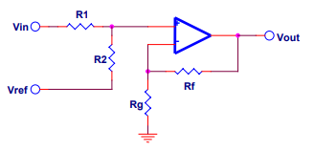
Enter values in the green panels
The voltage level of a stable reference Vref = | 5 | Volts
The full-scale output voltage Voutfs = | 4.82 | Volts
The zero-scale output voltage Voutzs = | 2.5 | Volts
The full-scale input voltage Vinfs = | 0.17 | Volts
The zero-scale input voltage Vinzs = | 0 | Volts

GAIN | 13.647058824 | Volts
OFFSET | 2.5 | Volts

R1 | 1720 | Ω
R2 | 46945.882353 | Ω
Rf | 1330 | Ω
Rg | 101.16331096 | Ω

CurrentSensingOpAmpGain
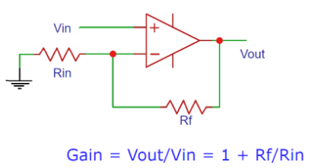
Enter values in the green panels

The full-scale output voltage Voutfs = | 4.82 | Volts

The full-scale input voltage Vinfs = | 0.81 | Volts

GAIN | 5.950617284

Rin | 180 | Volts
Rf | 891.11111111 | Volts

