Sheet1
How to SSH using putty.exe

1. Download putty
https://www.chiark.greenend.org.uk/~sgtatham/putty/latest.html
64-bit x86:
https://the.earth.li/~sgtatham/putty/latest/w64/putty.exe

2. putty Configration
execute putty.exe

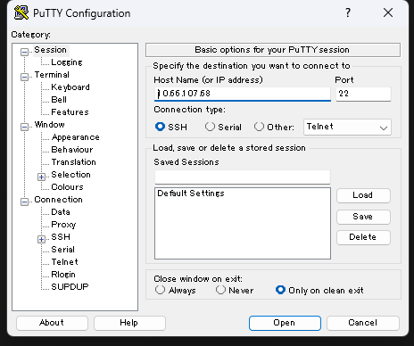

 |  |  | Host Name | 10.66.107.68

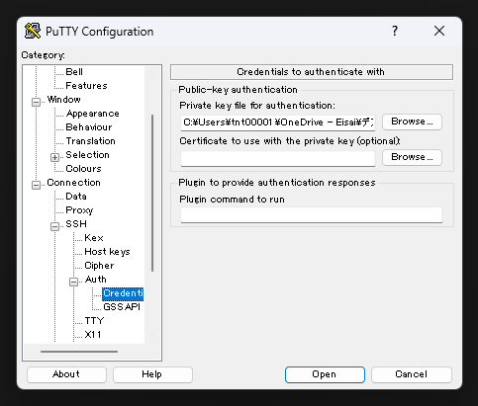

 |  |  | Private-key authenticatoin
 |  |  | Private key file
 |  |  | Input the [axt-h2-dev2.ppk] file path

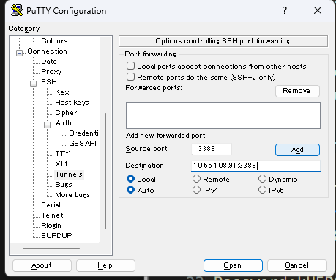

 |  | 1 | source port | 13389
 |  |  | destination | 10.66.108.91:3389
 |  |  | add button

 |  | 2 | source port | 23389
 |  |  | destination | 10.66.108.248:3389
 |  |  | add button

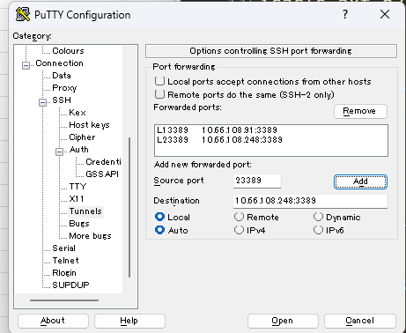

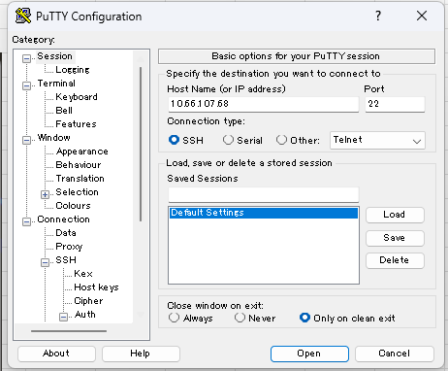

 |  |  | Select [Default Settions]
 |  |  | Push [Save] Button

 |  |  | Open

 |  |  | Login as: | axtria
 |  |  | Passphrase: | axtria0410

Execute Remote Desktop Tool

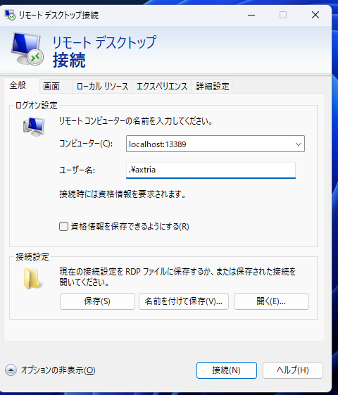
 | hanro2 dmx1 - server
 |  | host | localhost:13389
 |  | user | .\axtria
 |  | password | kU5R04Fu3Ne3

 | hanro2 dmx2 - server
 |  | host | localhost:23389
 |  | user | .\axtria
 |  | password | kU5R04Fu3Ne3

