IRBS_Drift_Bias
IRBS Drift Bias Demonstration

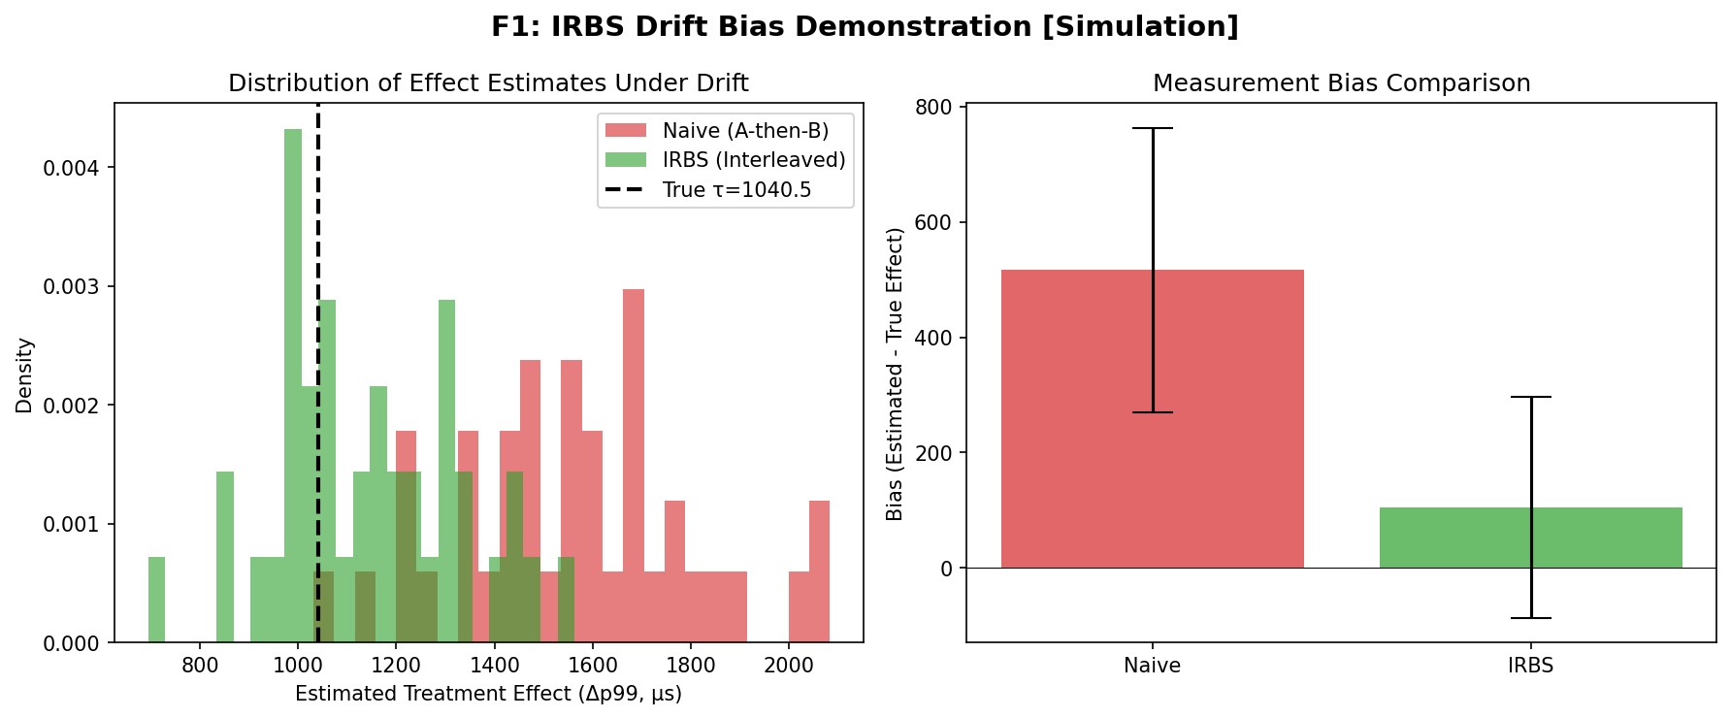

Drift Bias Data

 | repeat | naive_tau | irbs_tau | true_tau

0 | 0 | 1412.5701872 | 1209.1027212 | 1040.4671449
1 | 1 | 1870.9651494 | 1295.1169547 | 1040.4671449
2 | 2 | 1439.7289343 | 973.84413949 | 1040.4671449
3 | 3 | 1570.0304659 | 1001.7430756 | 1040.4671449
4 | 4 | 1260.0514347 | 989.08774973 | 1040.4671449
5 | 5 | 1555.5379581 | 1562.809793 | 1040.4671449
6 | 6 | 1701.9994388 | 1256.4585613 | 1040.4671449
7 | 7 | 2082.7749389 | 1053.5787649 | 1040.4671449
8 | 8 | 1030.9670652 | 1143.371899 | 1040.4671449
9 | 9 | 1335.5032093 | 1040.3062841 | 1040.4671449
10 | 10 | 1677.1811863 | 1122.841001 | 1040.4671449
11 | 11 | 1754.3747636 | 1218.4262408 | 1040.4671449
12 | 12 | 1230.8165903 | 998.10861975 | 1040.4671449
13 | 13 | 1692.0339387 | 1225.4774747 | 1040.4671449
14 | 14 | 1337.3220034 | 986.40868649 | 1040.4671449
15 | 15 | 1812.2872115 | 1168.1548642 | 1040.4671449
16 | 16 | 1775.862465 | 1019.9824074 | 1040.4671449
17 | 17 | 1470.8883865 | 919.86349525 | 1040.4671449
18 | 18 | 1419.2837403 | 1287.499984 | 1040.4671449
19 | 19 | 1701.9712056 | 1436.2447423 | 1040.4671449
20 | 20 | 1117.4463434 | 1107.4308935 | 1040.4671449
21 | 21 | 1596.7924845 | 965.70097571 | 1040.4671449
22 | 22 | 1611.4043478 | 1059.9535917 | 1040.4671449
23 | 23 | 1619.6417129 | 1198.0124359 | 1040.4671449
24 | 24 | 1892.0609736 | 1062.6275083 | 1040.4671449
25 | 25 | 1356.61164 | 694.62841593 | 1040.4671449
26 | 26 | 1664.8868834 | 1347.4624264 | 1040.4671449
27 | 27 | 1215.9945978 | 1155.8596274 | 1040.4671449
28 | 28 | 1492.5509008 | 1489.1514521 | 1040.4671449
29 | 29 | 2044.7626046 | 1452.7108965 | 1040.4671449
30 | 30 | 1550.93201 | 1318.435883 | 1040.4671449
31 | 31 | 1627.1884406 | 846.03144459 | 1040.4671449
32 | 32 | 1480.7278687 | 1353.3447694 | 1040.4671449
33 | 33 | 1203.2166617 | 986.68436707 | 1040.4671449
34 | 34 | 1376.4907032 | 1029.5481326 | 1040.4671449
35 | 35 | 1551.303402 | 1314.3693806 | 1040.4671449
36 | 36 | 1474.5480211 | 1417.3891669 | 1040.4671449
37 | 37 | 1533.2036472 | 865.39703949 | 1040.4671449
38 | 38 | 1743.637289 | 1071.762699 | 1040.4671449
39 | 39 | 2003.9060804 | 1170.2973878 | 1040.4671449

Summary Statistics

True treatment effect | 1040.4671
Naive mean bias | 516.7693
IRBS mean bias | 104.9135
Bias reduction (abs) | 411.8558
Naive std | 246.3111
IRBS std | 191.7481

Tomography
Interference Tomography Matrix

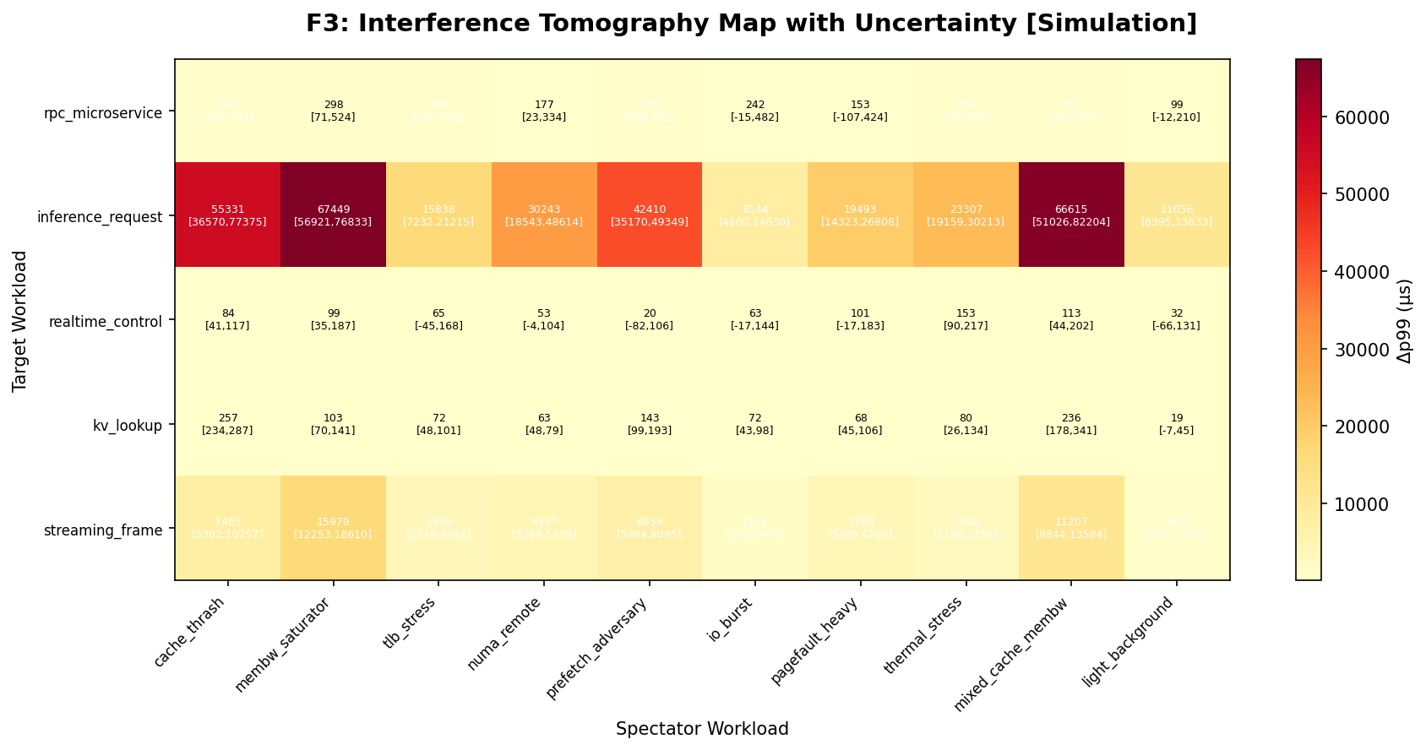

Mean Interference Matrix (delta-p99, us)

 | cache_thrash | membw_saturator | tlb_stress | numa_remote | prefetch_adversary | io_burst | pagefault_heavy | thermal_stress | mixed_cache_membw | light_background

rpc_microservice | 491.51314593 | 297.75717045 | 333.52160458 | 177.36888555 | 369.31665764 | 242.14566598 | 152.531425 | 334.04046265 | 380.68520409 | 99.097420979
inference_request | 55330.771425 | 67448.751364 | 15837.780386 | 30243.134624 | 42409.880054 | 8144.4814154 | 19493.314487 | 23307.05046 | 66614.942633 | 11055.596961
realtime_control | 84.290855466 | 99.405011599 | 64.836912347 | 53.494375009 | 20.003931048 | 63.414565151 | 100.78974117 | 153.11657021 | 113.37874931 | 31.62289668
kv_lookup | 257.01511347 | 103.12807046 | 72.424413262 | 63.304746241 | 143.25793991 | 71.876032561 | 68.44894209 | 80.16585187 | 236.49616468 | 19.282394088
streaming_frame | 7465.235331 | 15979.324908 | 3648.5230386 | 4387.1206659 | 6835.8619183 | 1170.5359298 | 3780.3870008 | 2608.2256379 | 11207.031575 | 644.2473124

Top 3 Interferers per Target

Target | Rank 1 | Effect 1 | Rank 2 | Effect 2 | Rank 3 | Effect 3
rpc_microservice | cache_thrash | 491.51 | mixed_cache_membw | 380.69 | prefetch_adversary | 369.32
inference_request | membw_saturator | 67448.75 | mixed_cache_membw | 66614.94 | cache_thrash | 55330.77
realtime_control | thermal_stress | 153.12 | mixed_cache_membw | 113.38 | pagefault_heavy | 100.79
kv_lookup | cache_thrash | 257.02 | mixed_cache_membw | 236.5 | prefetch_adversary | 143.26
streaming_frame | membw_saturator | 15979.32 | mixed_cache_membw | 11207.03 | cache_thrash | 7465.24

Sparse_Recovery
Sparse Interferer Recovery

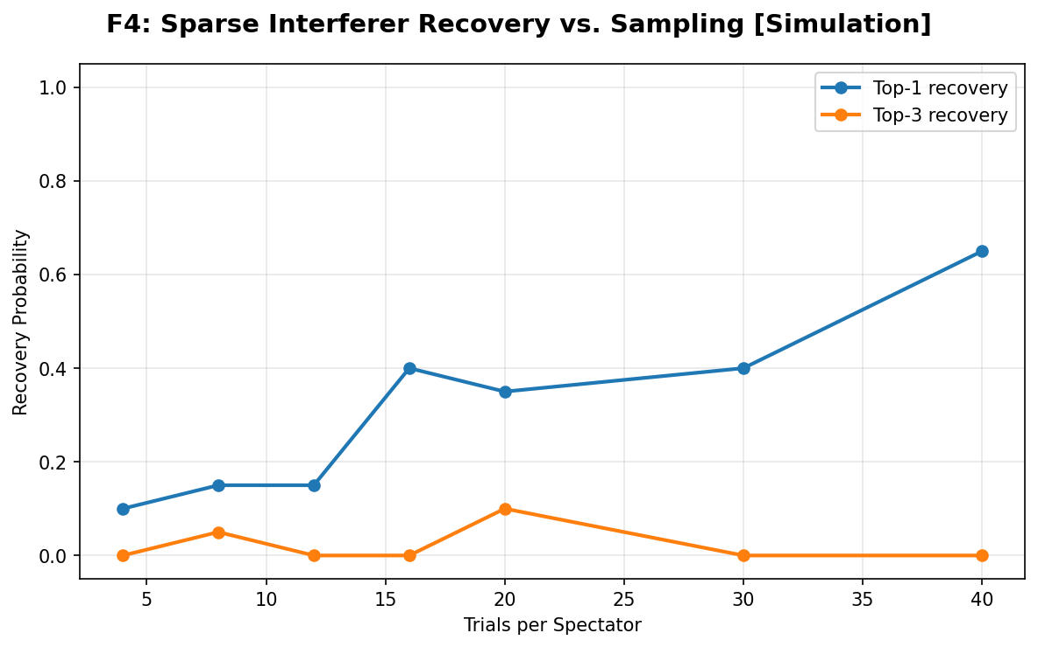

Recovery Probability Data

trials_per_spectator | k | recovery_probability
4 | 1 | 0.1
4 | 3 | 0
8 | 1 | 0.15
8 | 3 | 0.05
12 | 1 | 0.15
12 | 3 | 0
16 | 1 | 0.4
16 | 3 | 0
20 | 1 | 0.35
20 | 3 | 0.1
30 | 1 | 0.4
30 | 3 | 0
40 | 1 | 0.65
40 | 3 | 0

Baseline_Mismatch
Baseline Mismatch Analysis

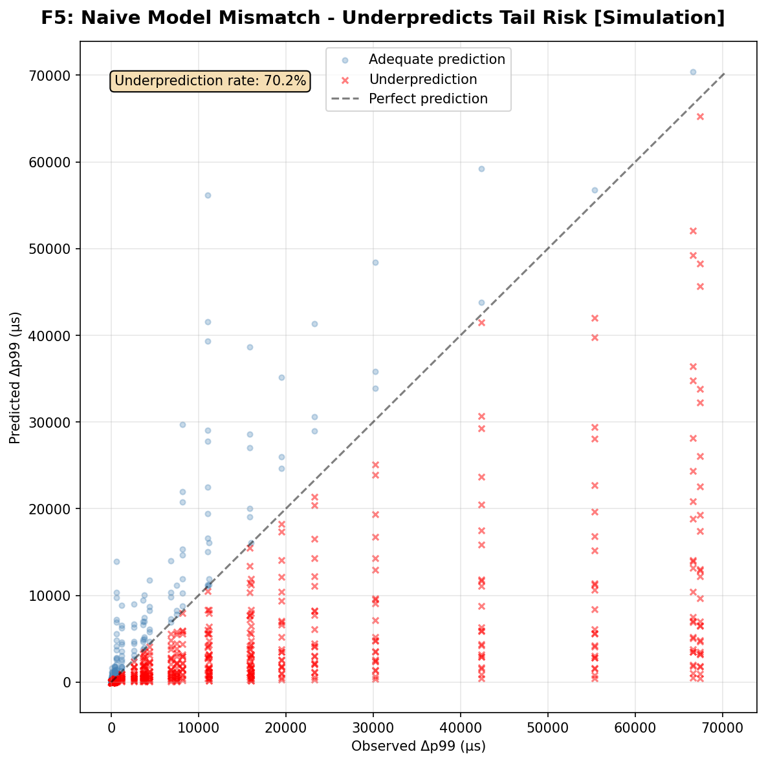

Mismatch Metrics

mae | 5924.957294
rmse | 14367.244205
underprediction_rate | 0.7024
max_underprediction | 66981.526834
mean_error | -4881.530245
n_conditions | 1250
underprediction_rate_high_risk | 0.864615
calibration_error_upper | 20991.42819

Scatter Data (first 200 rows)

target | spectator | load | distance | observed | predicted
rpc_microservice | cache_thrash | 0.1 | same_core | 491.51314593 | 125.33897552
rpc_microservice | cache_thrash | 0.1 | same_llc | 491.51314593 | 87.737282864
rpc_microservice | cache_thrash | 0.1 | same_numa | 491.51314593 | 50.135590208
rpc_microservice | cache_thrash | 0.1 | cross_numa | 491.51314593 | 25.067795104
rpc_microservice | cache_thrash | 0.1 | cross_socket | 491.51314593 | 12.533897552
rpc_microservice | cache_thrash | 0.3 | same_core | 491.51314593 | 468.41591924
rpc_microservice | cache_thrash | 0.3 | same_llc | 491.51314593 | 327.89114346
rpc_microservice | cache_thrash | 0.3 | same_numa | 491.51314593 | 187.36636769
rpc_microservice | cache_thrash | 0.3 | cross_numa | 491.51314593 | 93.683183847
rpc_microservice | cache_thrash | 0.3 | cross_socket | 491.51314593 | 46.841591924
rpc_microservice | cache_thrash | 0.5 | same_core | 491.51314593 | 864.66951131
rpc_microservice | cache_thrash | 0.5 | same_llc | 491.51314593 | 605.26865792
rpc_microservice | cache_thrash | 0.5 | same_numa | 491.51314593 | 345.86780452
rpc_microservice | cache_thrash | 0.5 | cross_numa | 491.51314593 | 172.93390226
rpc_microservice | cache_thrash | 0.5 | cross_socket | 491.51314593 | 86.466951131
rpc_microservice | cache_thrash | 0.7 | same_core | 491.51314593 | 1294.8032732
rpc_microservice | cache_thrash | 0.7 | same_llc | 491.51314593 | 906.36229125
rpc_microservice | cache_thrash | 0.7 | same_numa | 491.51314593 | 517.92130929
rpc_microservice | cache_thrash | 0.7 | cross_numa | 491.51314593 | 258.96065464
rpc_microservice | cache_thrash | 0.7 | cross_socket | 491.51314593 | 129.48032732
rpc_microservice | cache_thrash | 0.9 | same_core | 491.51314593 | 1750.5606096
rpc_microservice | cache_thrash | 0.9 | same_llc | 491.51314593 | 1225.3924267
rpc_microservice | cache_thrash | 0.9 | same_numa | 491.51314593 | 700.22424384
rpc_microservice | cache_thrash | 0.9 | cross_numa | 491.51314593 | 350.11212192
rpc_microservice | cache_thrash | 0.9 | cross_socket | 491.51314593 | 175.05606096
rpc_microservice | membw_saturator | 0.1 | same_core | 297.75717045 | 100.65038157
rpc_microservice | membw_saturator | 0.1 | same_llc | 297.75717045 | 70.4552671
rpc_microservice | membw_saturator | 0.1 | same_numa | 297.75717045 | 40.260152628
rpc_microservice | membw_saturator | 0.1 | cross_numa | 297.75717045 | 20.130076314
rpc_microservice | membw_saturator | 0.1 | cross_socket | 297.75717045 | 10.065038157
rpc_microservice | membw_saturator | 0.3 | same_core | 297.75717045 | 376.14988322
rpc_microservice | membw_saturator | 0.3 | same_llc | 297.75717045 | 263.30491825
rpc_microservice | membw_saturator | 0.3 | same_numa | 297.75717045 | 150.45995329
rpc_microservice | membw_saturator | 0.3 | cross_numa | 297.75717045 | 75.229976644
rpc_microservice | membw_saturator | 0.3 | cross_socket | 297.75717045 | 37.614988322
rpc_microservice | membw_saturator | 0.5 | same_core | 297.75717045 | 694.35158445
rpc_microservice | membw_saturator | 0.5 | same_llc | 297.75717045 | 486.04610912
rpc_microservice | membw_saturator | 0.5 | same_numa | 297.75717045 | 277.74063378
rpc_microservice | membw_saturator | 0.5 | cross_numa | 297.75717045 | 138.87031689
rpc_microservice | membw_saturator | 0.5 | cross_socket | 297.75717045 | 69.435158445
rpc_microservice | membw_saturator | 0.7 | same_core | 297.75717045 | 1039.7599228
rpc_microservice | membw_saturator | 0.7 | same_llc | 297.75717045 | 727.83194595
rpc_microservice | membw_saturator | 0.7 | same_numa | 297.75717045 | 415.90396911
rpc_microservice | membw_saturator | 0.7 | cross_numa | 297.75717045 | 207.95198456
rpc_microservice | membw_saturator | 0.7 | cross_socket | 297.75717045 | 103.97599228
rpc_microservice | membw_saturator | 0.9 | same_core | 297.75717045 | 1405.7446424
rpc_microservice | membw_saturator | 0.9 | same_llc | 297.75717045 | 984.02124967
rpc_microservice | membw_saturator | 0.9 | same_numa | 297.75717045 | 562.29785695
rpc_microservice | membw_saturator | 0.9 | cross_numa | 297.75717045 | 281.14892848
rpc_microservice | membw_saturator | 0.9 | cross_socket | 297.75717045 | 140.57446424
rpc_microservice | tlb_stress | 0.1 | same_core | 333.52160458 | 79.760118568
rpc_microservice | tlb_stress | 0.1 | same_llc | 333.52160458 | 55.832082998
rpc_microservice | tlb_stress | 0.1 | same_numa | 333.52160458 | 31.904047427
rpc_microservice | tlb_stress | 0.1 | cross_numa | 333.52160458 | 15.952023714
rpc_microservice | tlb_stress | 0.1 | cross_socket | 333.52160458 | 7.9760118568
rpc_microservice | tlb_stress | 0.3 | same_core | 333.52160458 | 298.07894234
rpc_microservice | tlb_stress | 0.3 | same_llc | 333.52160458 | 208.65525964
rpc_microservice | tlb_stress | 0.3 | same_numa | 333.52160458 | 119.23157694
rpc_microservice | tlb_stress | 0.3 | cross_numa | 333.52160458 | 59.615788469
rpc_microservice | tlb_stress | 0.3 | cross_socket | 333.52160458 | 29.807894234
rpc_microservice | tlb_stress | 0.5 | same_core | 333.52160458 | 550.23700695
rpc_microservice | tlb_stress | 0.5 | same_llc | 333.52160458 | 385.16590487
rpc_microservice | tlb_stress | 0.5 | same_numa | 333.52160458 | 220.09480278
rpc_microservice | tlb_stress | 0.5 | cross_numa | 333.52160458 | 110.04740139
rpc_microservice | tlb_stress | 0.5 | cross_socket | 333.52160458 | 55.023700695
rpc_microservice | tlb_stress | 0.7 | same_core | 333.52160458 | 823.95489644
rpc_microservice | tlb_stress | 0.7 | same_llc | 333.52160458 | 576.76842751
rpc_microservice | tlb_stress | 0.7 | same_numa | 333.52160458 | 329.58195858
rpc_microservice | tlb_stress | 0.7 | cross_numa | 333.52160458 | 164.79097929
rpc_microservice | tlb_stress | 0.7 | cross_socket | 333.52160458 | 82.395489644
rpc_microservice | tlb_stress | 0.9 | same_core | 333.52160458 | 1113.9784828
rpc_microservice | tlb_stress | 0.9 | same_llc | 333.52160458 | 779.78493794
rpc_microservice | tlb_stress | 0.9 | same_numa | 333.52160458 | 445.59139311
rpc_microservice | tlb_stress | 0.9 | cross_numa | 333.52160458 | 222.79569656
rpc_microservice | tlb_stress | 0.9 | cross_socket | 333.52160458 | 111.39784828
rpc_microservice | numa_remote | 0.1 | same_core | 177.36888555 | 72.192120959
rpc_microservice | numa_remote | 0.1 | same_llc | 177.36888555 | 50.534484671
rpc_microservice | numa_remote | 0.1 | same_numa | 177.36888555 | 28.876848384
rpc_microservice | numa_remote | 0.1 | cross_numa | 177.36888555 | 14.438424192
rpc_microservice | numa_remote | 0.1 | cross_socket | 177.36888555 | 7.2192120959
rpc_microservice | numa_remote | 0.3 | same_core | 177.36888555 | 269.79587603
rpc_microservice | numa_remote | 0.3 | same_llc | 177.36888555 | 188.85711322
rpc_microservice | numa_remote | 0.3 | same_numa | 177.36888555 | 107.91835041
rpc_microservice | numa_remote | 0.3 | cross_numa | 177.36888555 | 53.959175205
rpc_microservice | numa_remote | 0.3 | cross_socket | 177.36888555 | 26.979587603
rpc_microservice | numa_remote | 0.5 | same_core | 177.36888555 | 498.02805306
rpc_microservice | numa_remote | 0.5 | same_llc | 177.36888555 | 348.61963714
rpc_microservice | numa_remote | 0.5 | same_numa | 177.36888555 | 199.21122122
rpc_microservice | numa_remote | 0.5 | cross_numa | 177.36888555 | 99.605610611
rpc_microservice | numa_remote | 0.5 | cross_socket | 177.36888555 | 49.802805306
rpc_microservice | numa_remote | 0.7 | same_core | 177.36888555 | 745.77436213
rpc_microservice | numa_remote | 0.7 | same_llc | 177.36888555 | 522.04205349
rpc_microservice | numa_remote | 0.7 | same_numa | 177.36888555 | 298.30974485
rpc_microservice | numa_remote | 0.7 | cross_numa | 177.36888555 | 149.15487243
rpc_microservice | numa_remote | 0.7 | cross_socket | 177.36888555 | 74.577436213
rpc_microservice | numa_remote | 0.9 | same_core | 177.36888555 | 1008.2792104
rpc_microservice | numa_remote | 0.9 | same_llc | 177.36888555 | 705.79544731
rpc_microservice | numa_remote | 0.9 | same_numa | 177.36888555 | 403.31168418
rpc_microservice | numa_remote | 0.9 | cross_numa | 177.36888555 | 201.65584209
rpc_microservice | numa_remote | 0.9 | cross_socket | 177.36888555 | 100.82792104
rpc_microservice | prefetch_adversary | 0.1 | same_core | 369.31665764 | 125.03802957
rpc_microservice | prefetch_adversary | 0.1 | same_llc | 369.31665764 | 87.526620697
rpc_microservice | prefetch_adversary | 0.1 | same_numa | 369.31665764 | 50.015211827
rpc_microservice | prefetch_adversary | 0.1 | cross_numa | 369.31665764 | 25.007605913
rpc_microservice | prefetch_adversary | 0.1 | cross_socket | 369.31665764 | 12.503802957
rpc_microservice | prefetch_adversary | 0.3 | same_core | 369.31665764 | 467.29122618
rpc_microservice | prefetch_adversary | 0.3 | same_llc | 369.31665764 | 327.10385833
rpc_microservice | prefetch_adversary | 0.3 | same_numa | 369.31665764 | 186.91649047
rpc_microservice | prefetch_adversary | 0.3 | cross_numa | 369.31665764 | 93.458245236
rpc_microservice | prefetch_adversary | 0.3 | cross_socket | 369.31665764 | 46.729122618
rpc_microservice | prefetch_adversary | 0.5 | same_core | 369.31665764 | 862.59339102
rpc_microservice | prefetch_adversary | 0.5 | same_llc | 369.31665764 | 603.81537371
rpc_microservice | prefetch_adversary | 0.5 | same_numa | 369.31665764 | 345.03735641
rpc_microservice | prefetch_adversary | 0.5 | cross_numa | 369.31665764 | 172.5186782
rpc_microservice | prefetch_adversary | 0.5 | cross_socket | 369.31665764 | 86.259339102
rpc_microservice | prefetch_adversary | 0.7 | same_core | 369.31665764 | 1291.6943775
rpc_microservice | prefetch_adversary | 0.7 | same_llc | 369.31665764 | 904.18606424
rpc_microservice | prefetch_adversary | 0.7 | same_numa | 369.31665764 | 516.677751
rpc_microservice | prefetch_adversary | 0.7 | cross_numa | 369.31665764 | 258.3388755
rpc_microservice | prefetch_adversary | 0.7 | cross_socket | 369.31665764 | 129.16943775
rpc_microservice | prefetch_adversary | 0.9 | same_core | 369.31665764 | 1746.3574148
rpc_microservice | prefetch_adversary | 0.9 | same_llc | 369.31665764 | 1222.4501903
rpc_microservice | prefetch_adversary | 0.9 | same_numa | 369.31665764 | 698.54296591
rpc_microservice | prefetch_adversary | 0.9 | cross_numa | 369.31665764 | 349.27148296
rpc_microservice | prefetch_adversary | 0.9 | cross_socket | 369.31665764 | 174.63574148
rpc_microservice | io_burst | 0.1 | same_core | 242.14566598 | 66.121118531
rpc_microservice | io_burst | 0.1 | same_llc | 242.14566598 | 46.284782972
rpc_microservice | io_burst | 0.1 | same_numa | 242.14566598 | 26.448447412
rpc_microservice | io_burst | 0.1 | cross_numa | 242.14566598 | 13.224223706
rpc_microservice | io_burst | 0.1 | cross_socket | 242.14566598 | 6.6121118531
rpc_microservice | io_burst | 0.3 | same_core | 242.14566598 | 247.10736935
rpc_microservice | io_burst | 0.3 | same_llc | 242.14566598 | 172.97515854
rpc_microservice | io_burst | 0.3 | same_numa | 242.14566598 | 98.842947739
rpc_microservice | io_burst | 0.3 | cross_numa | 242.14566598 | 49.42147387
rpc_microservice | io_burst | 0.3 | cross_socket | 242.14566598 | 24.710736935
rpc_microservice | io_burst | 0.5 | same_core | 242.14566598 | 456.14634243
rpc_microservice | io_burst | 0.5 | same_llc | 242.14566598 | 319.3024397
rpc_microservice | io_burst | 0.5 | same_numa | 242.14566598 | 182.45853697
rpc_microservice | io_burst | 0.5 | cross_numa | 242.14566598 | 91.229268486
rpc_microservice | io_burst | 0.5 | cross_socket | 242.14566598 | 45.614634243
rpc_microservice | io_burst | 0.7 | same_core | 242.14566598 | 683.058405
rpc_microservice | io_burst | 0.7 | same_llc | 242.14566598 | 478.1408835
rpc_microservice | io_burst | 0.7 | same_numa | 242.14566598 | 273.223362
rpc_microservice | io_burst | 0.7 | cross_numa | 242.14566598 | 136.611681
rpc_microservice | io_burst | 0.7 | cross_socket | 242.14566598 | 68.3058405
rpc_microservice | io_burst | 0.9 | same_core | 242.14566598 | 923.48788621
rpc_microservice | io_burst | 0.9 | same_llc | 242.14566598 | 646.44152035
rpc_microservice | io_burst | 0.9 | same_numa | 242.14566598 | 369.39515448
rpc_microservice | io_burst | 0.9 | cross_numa | 242.14566598 | 184.69757724
rpc_microservice | io_burst | 0.9 | cross_socket | 242.14566598 | 92.348788621
rpc_microservice | pagefault_heavy | 0.1 | same_core | 152.531425 | 78.025228027
rpc_microservice | pagefault_heavy | 0.1 | same_llc | 152.531425 | 54.617659619
rpc_microservice | pagefault_heavy | 0.1 | same_numa | 152.531425 | 31.210091211
rpc_microservice | pagefault_heavy | 0.1 | cross_numa | 152.531425 | 15.605045605
rpc_microservice | pagefault_heavy | 0.1 | cross_socket | 152.531425 | 7.8025228027
rpc_microservice | pagefault_heavy | 0.3 | same_core | 152.531425 | 291.59532187
rpc_microservice | pagefault_heavy | 0.3 | same_llc | 152.531425 | 204.11672531
rpc_microservice | pagefault_heavy | 0.3 | same_numa | 152.531425 | 116.63812875
rpc_microservice | pagefault_heavy | 0.3 | cross_numa | 152.531425 | 58.319064374
rpc_microservice | pagefault_heavy | 0.3 | cross_socket | 152.531425 | 29.159532187
rpc_microservice | pagefault_heavy | 0.5 | same_core | 152.531425 | 538.26860725
rpc_microservice | pagefault_heavy | 0.5 | same_llc | 152.531425 | 376.78802508
rpc_microservice | pagefault_heavy | 0.5 | same_numa | 152.531425 | 215.3074429
rpc_microservice | pagefault_heavy | 0.5 | cross_numa | 152.531425 | 107.65372145
rpc_microservice | pagefault_heavy | 0.5 | cross_socket | 152.531425 | 53.826860725
rpc_microservice | pagefault_heavy | 0.7 | same_core | 152.531425 | 806.03276214
rpc_microservice | pagefault_heavy | 0.7 | same_llc | 152.531425 | 564.2229335
rpc_microservice | pagefault_heavy | 0.7 | same_numa | 152.531425 | 322.41310486
rpc_microservice | pagefault_heavy | 0.7 | cross_numa | 152.531425 | 161.20655243
rpc_microservice | pagefault_heavy | 0.7 | cross_socket | 152.531425 | 80.603276214
rpc_microservice | pagefault_heavy | 0.9 | same_core | 152.531425 | 1089.7479429
rpc_microservice | pagefault_heavy | 0.9 | same_llc | 152.531425 | 762.82356003
rpc_microservice | pagefault_heavy | 0.9 | same_numa | 152.531425 | 435.89917716
rpc_microservice | pagefault_heavy | 0.9 | cross_numa | 152.531425 | 217.94958858
rpc_microservice | pagefault_heavy | 0.9 | cross_socket | 152.531425 | 108.97479429
rpc_microservice | thermal_stress | 0.1 | same_core | 334.04046265 | 65.854727308
rpc_microservice | thermal_stress | 0.1 | same_llc | 334.04046265 | 46.098309116
rpc_microservice | thermal_stress | 0.1 | same_numa | 334.04046265 | 26.341890923
rpc_microservice | thermal_stress | 0.1 | cross_numa | 334.04046265 | 13.170945462
rpc_microservice | thermal_stress | 0.1 | cross_socket | 334.04046265 | 6.5854727308
rpc_microservice | thermal_stress | 0.3 | same_core | 334.04046265 | 246.11181398
rpc_microservice | thermal_stress | 0.3 | same_llc | 334.04046265 | 172.27826979
rpc_microservice | thermal_stress | 0.3 | same_numa | 334.04046265 | 98.444725594
rpc_microservice | thermal_stress | 0.3 | cross_numa | 334.04046265 | 49.222362797
rpc_microservice | thermal_stress | 0.3 | cross_socket | 334.04046265 | 24.611181398
rpc_microservice | thermal_stress | 0.5 | same_core | 334.04046265 | 454.30860307
rpc_microservice | thermal_stress | 0.5 | same_llc | 334.04046265 | 318.01602215
rpc_microservice | thermal_stress | 0.5 | same_numa | 334.04046265 | 181.72344123
rpc_microservice | thermal_stress | 0.5 | cross_numa | 334.04046265 | 90.861720615
rpc_microservice | thermal_stress | 0.5 | cross_socket | 334.04046265 | 45.430860307
rpc_microservice | thermal_stress | 0.7 | same_core | 334.04046265 | 680.30647388
rpc_microservice | thermal_stress | 0.7 | same_llc | 334.04046265 | 476.21453172
rpc_microservice | thermal_stress | 0.7 | same_numa | 334.04046265 | 272.12258955
rpc_microservice | thermal_stress | 0.7 | cross_numa | 334.04046265 | 136.06129478
rpc_microservice | thermal_stress | 0.7 | cross_socket | 334.04046265 | 68.030647388
rpc_microservice | thermal_stress | 0.9 | same_core | 334.04046265 | 919.76730386
rpc_microservice | thermal_stress | 0.9 | same_llc | 334.04046265 | 643.8371127
rpc_microservice | thermal_stress | 0.9 | same_numa | 334.04046265 | 367.90692154
rpc_microservice | thermal_stress | 0.9 | cross_numa | 334.04046265 | 183.95346077
rpc_microservice | thermal_stress | 0.9 | cross_socket | 334.04046265 | 91.976730386

Scheduling
Scheduling Comparison



Aggregated: Mean p99 and CVaR99 by Scheduler / Regime

scheduler | regime | p99 | cvar99 | mean | p95
linux_proxy | adversarial | 348482.14403 | 955114.48653 | 34636.240805 | 94414.015556
linux_proxy | benign | 14560.922539 | 19335.156332 | 5077.5882014 | 9958.573763
linux_proxy | structured | 38373.206014 | 78273.472827 | 7905.4433924 | 18538.456673
mean_greedy | adversarial | 18431.043673 | 28596.713818 | 5443.6685871 | 11498.131316
mean_greedy | benign | 11009.972908 | 13507.420283 | 4222.1686049 | 7846.795396
mean_greedy | structured | 12353.210377 | 15865.002181 | 4506.0463948 | 8611.2107905
random | adversarial | 172797.04471 | 531780.2738 | 19504.761473 | 51458.591296
random | benign | 13126.517526 | 16831.615537 | 4675.1789489 | 8966.4648854
random | structured | 26163.417538 | 476525.68306 | 10538.366497 | 14243.817035
similarity_avoidance | adversarial | 21415.530877 | 35169.991158 | 6091.8725116 | 13301.376829
similarity_avoidance | benign | 11247.644256 | 13799.753544 | 4314.1573614 | 8036.0259096
similarity_avoidance | structured | 13013.978557 | 17293.592461 | 4710.8329001 | 9057.3002269
sit_dpp | adversarial | 18721.028363 | 29079.655263 | 5445.7995393 | 11584.372837
sit_dpp | benign | 11007.53498 | 13540.790138 | 4217.714151 | 7841.4700335
sit_dpp | structured | 12324.579854 | 15783.810212 | 4505.630754 | 8570.6201619
sit_ucb_dpp | adversarial | 18541.770626 | 28847.215206 | 5446.6411706 | 11563.348365
sit_ucb_dpp | benign | 11117.571134 | 13611.721466 | 4230.3672033 | 7878.3738128
sit_ucb_dpp | structured | 12294.596575 | 15644.225513 | 4497.0080756 | 8591.6685824
static_partition | adversarial | 16300.320124 | 22565.492687 | 5287.0191605 | 10748.876711
static_partition | benign | 11379.161606 | 13855.185841 | 4353.325897 | 8087.4075619
static_partition | structured | 12387.748526 | 15850.572332 | 4591.0539804 | 8663.9321123

SIT-DPP vs Random Detail

scheduler | regime | p99_mean | p99_std | cvar99_mean | cvar99_std | mean_mean | mean_std | p95_mean | p95_std
random | adversarial | 172797.04471 | 1729057.1421 | 531780.2738 | 6745699.7368 | 19504.761473 | 135618.90363 | 51458.591296 | 380633.97606
random | benign | 13126.517526 | 29963.037135 | 16831.615537 | 40659.990582 | 4675.1789489 | 8902.5727556 | 8966.4648854 | 18872.021169
random | structured | 26163.417538 | 140080.72536 | 476525.68306 | 15049611.608 | 10538.366497 | 155807.04632 | 14243.817035 | 50592.051532
sit_dpp | adversarial | 18721.028363 | 67409.812739 | 29079.655263 | 142492.42137 | 5445.7995393 | 12453.454251 | 11584.372837 | 33243.165729
sit_dpp | benign | 11007.53498 | 21324.980349 | 13540.790138 | 26717.4052 | 4217.714151 | 7497.5991048 | 7841.4700335 | 14719.934727
sit_dpp | structured | 12324.579854 | 25728.681061 | 15783.810212 | 34942.639339 | 4505.630754 | 8392.2793364 | 8570.6201619 | 17213.282531

Worst_Case
Worst-Case Blowup Avoidance

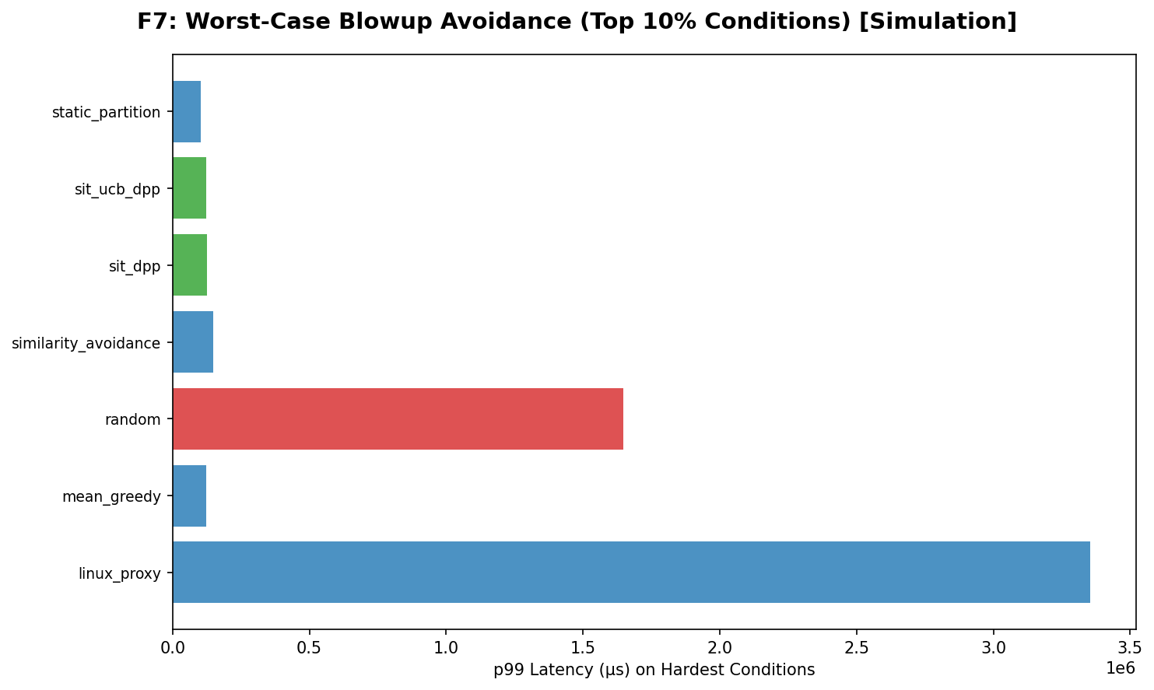

Worst-Case Summary Metrics

baseline_worst_mean | 1646297.1065
sit_worst_mean | 125298.4616
reduction_pct | 92.3891
max_blowup_baseline | 47263219.773
max_blowup_sit | 1581484.0929
n_hard_conditions | 250

Worst-Case Condition Results

scheduler | mean_mean | mean_std | p95_mean | p95_std | p99_mean | p99_std | cvar99_mean | cvar99_std
linux_proxy | 310871.99601 | 772065.73429 | 867367.00402 | 2022575.7974 | 3354967.4757 | 10712448.443 | 9335674.3085 | 35988030.77
mean_greedy | 30422.601215 | 26424.383031 | 71601.66867 | 75149.738137 | 122812.59453 | 163767.9702 | 206757.30984 | 477907.77946
random | 167180.38765 | 400012.08461 | 459643.9041 | 1125680.7343 | 1646297.1065 | 5251667.0149 | 5199111.9968 | 20793781.229
similarity_avoidance | 36112.023602 | 37635.983569 | 87410.9156 | 108793.69174 | 149490.69277 | 227173.49043 | 268341.66593 | 855543.74017
sit_dpp | 30429.358589 | 25870.52269 | 72182.487499 | 79587.125427 | 125298.46159 | 177649.80308 | 211090.39481 | 405550.1627
sit_ucb_dpp | 30414.02653 | 25805.445583 | 72163.381113 | 77492.718176 | 123904.82266 | 179546.17534 | 208993.43229 | 366040.47275
static_partition | 28521.216867 | 21453.601513 | 63908.186744 | 59143.699679 | 102450.86493 | 115125.2154 | 149975.80184 | 195222.72211

Ablations
Ablation Study

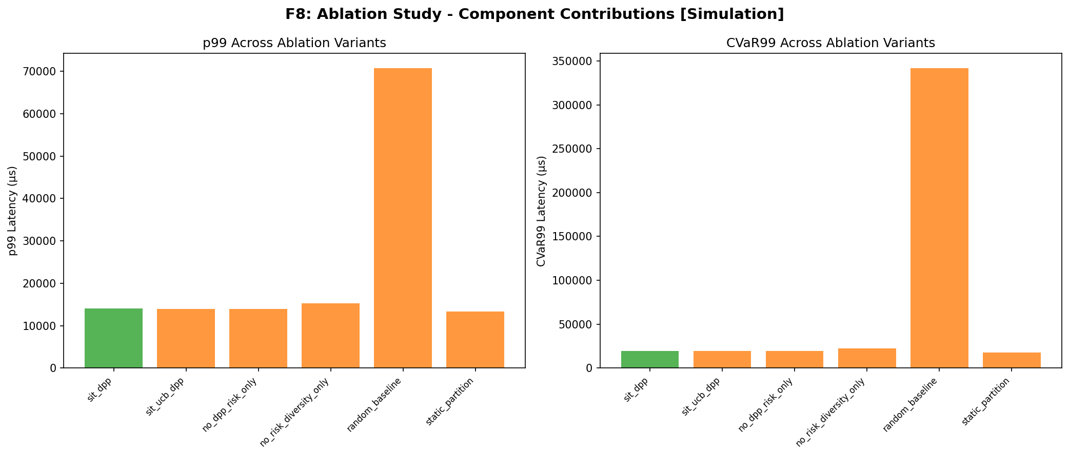

Ablation Variants

variant | p99 | cvar99 | mean | description
sit_dpp | 14017.714399 | 19468.085205 | 4723.0481481 | Full SIT-DPP (risk + diversity)
sit_ucb_dpp | 13984.646112 | 19367.720728 | 4724.6721498 | SIT with UCB uncertainty
no_dpp_risk_only | 13931.408986 | 19323.045427 | 4723.9611956 | Risk-only (no DPP diversity term)
no_risk_diversity_only | 15225.717897 | 22087.779054 | 5038.9542577 | Diversity-only (no risk term)
random_baseline | 70695.659925 | 341712.52413 | 11572.768973 | Random placement
static_partition | 13355.743419 | 17423.750287 | 4743.7996793 | Static resource partitioning

QA_Checks
QA Check Results

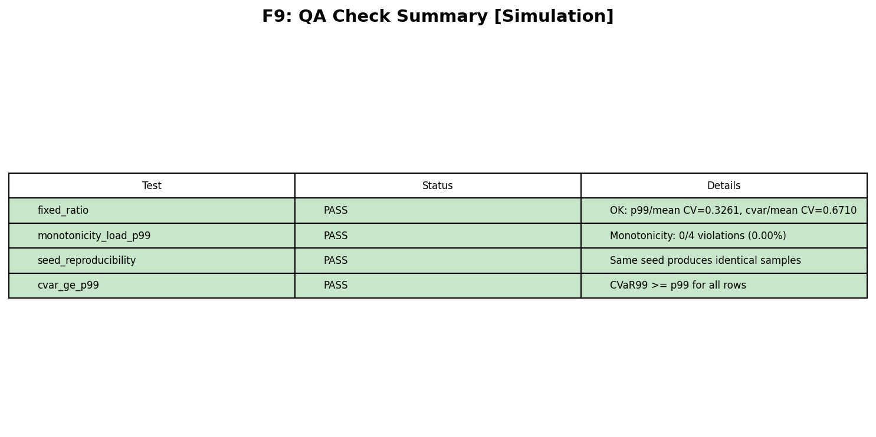

Individual Test Results

Test Name | Status | Message
fixed_ratio | PASS | OK: p99/mean CV=0.3261, cvar/mean CV=0.6710
monotonicity_load_p99 | PASS | Monotonicity: 0/4 violations (0.00%)
seed_reproducibility | PASS | Same seed produces identical samples
cvar_ge_p99 | PASS | CVaR99 >= p99 for all rows

Overall Verdict | ALL PASSED

