Visualization_Data
Overall Sentiment Distribution
Entity | Positive | Negative | Neutral | Irrelevant | Sentiment_Score
Microsoft | 25.25 | 32.25 | 35.25 | 7.25 | 0.47993311037
MaddenNFL | 16.5 | 71.25 | 8.5 | 3.75 | 0.87574850299
TomClancysRainbowSix | 22 | 46.75 | 27.25 | 4 | 0.625
LeagueOfLegends | 25.814536341 | 26.817042607 | 34.335839599 | 13.032581454 | 0.44932432432
CallOfDuty | 18.796992481 | 37.343358396 | 15.789473684 | 28.070175439 | 0.63271604938
Verizon | 22.166246851 | 46.095717884 | 23.929471033 | 7.8085642317 | 0.64239482201
CallOfDutyBlackopsColdWar | 36.363636364 | 24.242424242 | 15.151515152 | 24.242424242 | 0.57142857143
ApexLegends | 27.02020202 | 25.252525253 | 39.646464646 | 8.0808080808 | 0.40138408304
Facebook | 7.3417721519 | 30.379746835 | 33.164556962 | 29.113924051 | 0.4849726776
WorldOfCraft | 31.218274112 | 14.467005076 | 45.177664975 | 9.1370558376 | 0.27675276753

Sentiment Score Trend

Charts
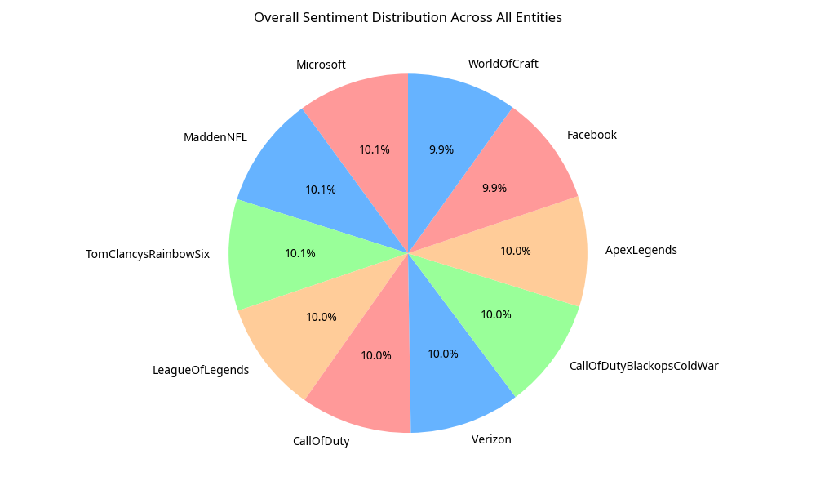
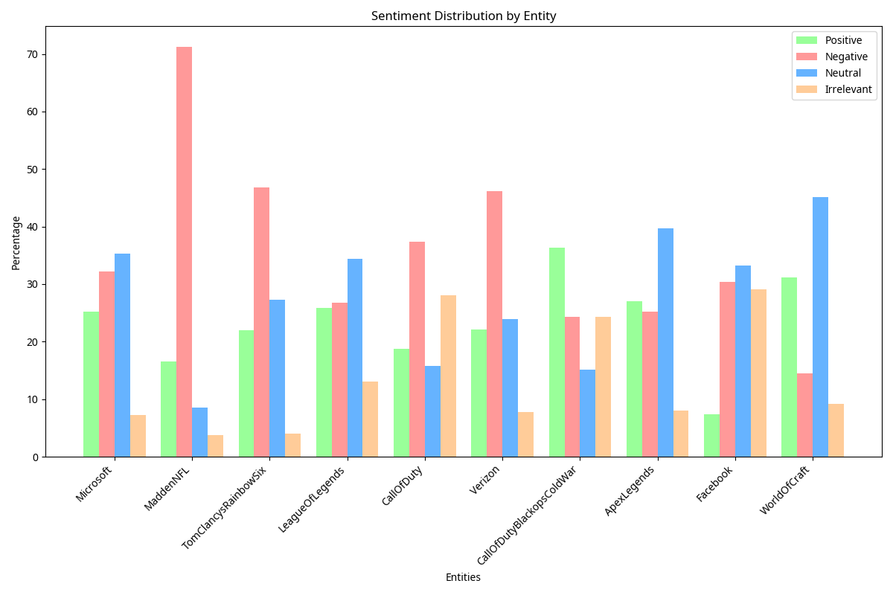
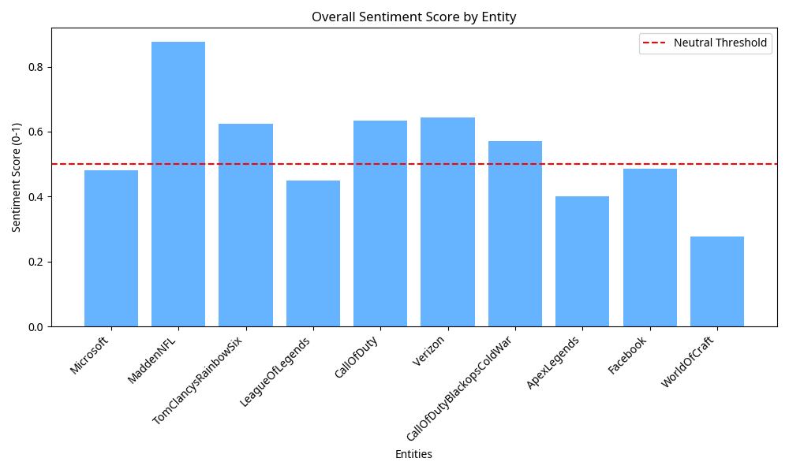
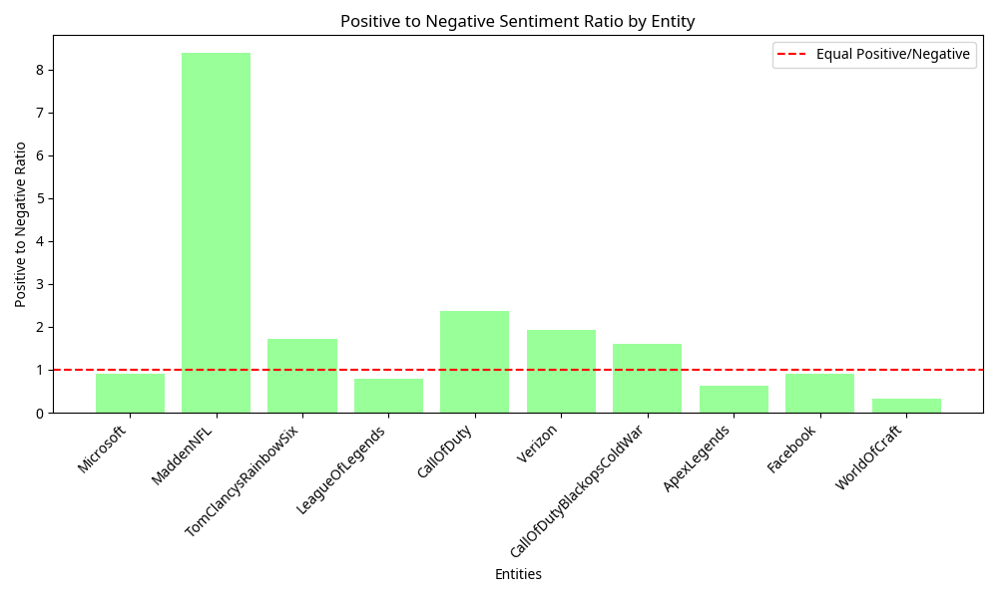
Twitter Sentiment Analysis Visualizations

The following charts visualize the sentiment patterns in the Twitter dataset:

