Лист1
Bug ID | Summary | Project | Build | STR | Act result | Exp result | Severity | Priority | Environment | Author | Status | Attachment
LB1 | List : The special characters are added to the list | ListBoxer | 1.89 | 1. Open the program 2. Type special symbol "$" 3. Click the button " Add to List" | The special characters are added to the list | The special characters are not added to the list | Major | Medium | Windows 10 Home 19044.1889 Version :21H2 | Ayala Knichman | New | 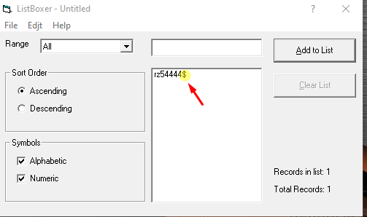
LB2 | List : The numbers are not sorted in Ascending order | ListBoxer | 1.89 | 1. Open the program 2. Select " numeric" 3. Type any numbers 4. Select the "Ascending" in the Sort Order | The numbers are sorted by Ascending order | The numbers are not sorted by Ascending order | Critical | High | Windows 10 Home 19044.1889 Version :21H2 | Ayala Knichman | New | 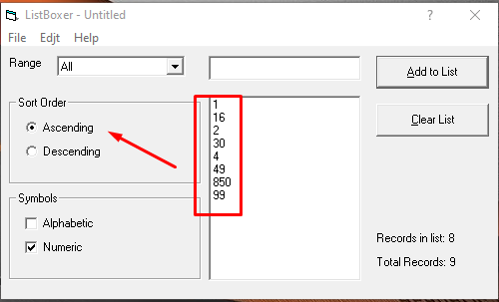
LB3 | Program Menu : The grammatical error in the menu names "Edit" | ListBoxer | 1.89 | 1. Open the program 2. Find menu | The menu names Edit" is correct | The menu names Edit" is incorrect | Trivial | Low | Windows 10 Home 19044.1889 Version :21H2 | Ayala Knichman | New | 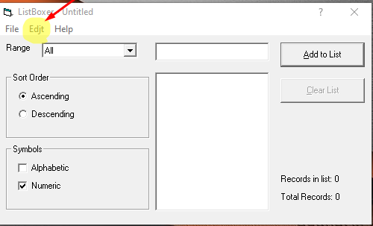
LB4 | Program Menu: The help button | ListBoxer | 1.89 | 1. Open the program 2. Find menu 3. Click the " help" button | The user can get help for using the program | The help program is not supported | Critical | High | Windows 10 Home 19044.1889 Version :21H2 | Ayala Knichman | New | 