task 1
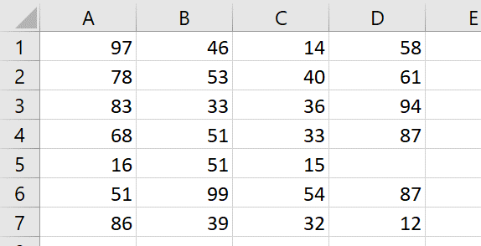
Task: The tab "data" contains numerical data. Standard rows have four data points (four Excel columns). Rows that have only three data points have shifted structure: the numbers should be in columns B, C, D instead of A, B, C. Fix the structure.
Задание: На вкладке «data» содержатся числовые данные. В стандартных строках имеется четыре значения (четыре столбца Excel). В строках, содержащих только три значения, структура смещена: числа должны находиться в столбцах B, C и D вместо A, B и C. Исправьте структуру.

task 2
Task: Extract rows which have all numbers bigger than 50.
Задание: Извлеките строки, в которых все числа больше 50.

