Sheet1
年份 | 会议 | title | 引用数 | 类别 | 方法 | 任务 | 数据集 | 评测指标 | 主要创新点 | Trick | 其他
2015 | NIPS | Semi-supervised convolutional neural networks for text categorization via region embedding | 158 | pre:two-view learning | CNN可以从one-hot向量组成的文本表示中抽取region embedding，这种embedding蕴含了text regions中和任务相关的high-level concepts。在半监督方法上，该工作借鉴了协同训练中multi-view的概念，但本质上是类似Bert的Language Model，通过预测context的方法预训练一个embedding，然后作为CNN的辅助输入特征，最终预测label。 | 文本分类 | IMDB,Elec,RCV1 | Error rates | 承接了之前的一篇ont-hot CNN的工作：一篇文档由其包含的word的one-hot vec拼接成的矩阵表示，卷积层将稀疏矩阵的局部(text regions)转换为m维的vector, 取代了传统word embedding的作用(本工作认为embeddings=a function that generates low-dimensional features that preserve the predictive structure), m维的vector蕴含了词汇的co-presence("easy to use")和absence特征("easy to use"前不存在"not")，设此CNN为B |  | 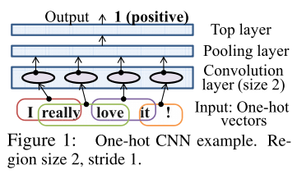 | 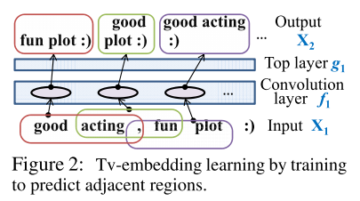
 |  |  |  |  |  |  |  |  | 本文在之前工作的基础上，设计了半监督框架: 训练另一个CNN U，输入与B相同，输出则用来预测context from each region(1.除输入text region左侧和右侧部分的BoW, 像CNN版BERT;2.用有标签数据先训练一个初步的B, 用B的输出的m维embedding作为待预测context, 这种情况没有充分利用无标签数据). U获得的embedding称为tv-embedding。tv-embedding作为CNN convolution layer的额外input, 获得更好的supervised embedding
2015 | NIPS | Semi-supervised sequence learning | 336 | pre | language model(predicting the next word)/sequence autoencoder 预训练，预训练好的word embedding和lstm参数作为有监督分类任务的初始化，LSTM最后一个timestep的hidden state后接分类器 | 文本分类 | IMDB, Dbpedia, 20 Newsgroups, Rotten Tomatoes | Error rates | 利用Sequence Autoencoder解决Vanilla LSTM在长序列分类问题上的不稳定问题（梯度），以前长序列分类主要用BoW，现在用SA可以考虑文本中包含的序列信息了 | word dropout, embedding dropout防止过拟合；linear gain method在decoder每一步加label | 提到了paragraph vector和skip thought
2016 | ICML | Supervised and semi-supervised text categorization using LSTM for region embeddings | 90 |  | 常规方法：word的one-hot表示和矩阵V相乘获得word embedding，word mebedding作为LSTM输入和LSTM的参数矩阵W相乘然后进行后续运算 | 文本分类 | IMDB,Elec,RCV1,20NG | Error rates | 进一步改进了one-hot CNN, one-hot CNN可看做一个linear model + a non-linear feature generator. LSTM can embed text regions of variable (and possibly large) sizes
2017 | ICLR | Adversarial Training Methods for Semi-Supervised Text Classification | 109 | pre+co | Virtual Adversial Training | 文本分类
2017 | AAAI | Variational Autoencoders for Semi-supervised Text Classification | 61 |  |  | 文本分类
2017 | ACL | Semi-supervised Multitask Learning for Sequence Labeling | 64 | co：multitask | secondary language modeling objective | 序列标注 | error detection(First Certiﬁcate in English, CoNLL2014), NERandChanking(CoNLL2003,BioCreative IV Chemical and Drug corpus),POS(Penn Treebank, GENIA,Universal Dependencies)
2017 | EMNLP | Semi-supervised structured prediction with neural crf autoencoder | 7 | co:mutitask
2018 | EMNLP | Semi-Supervised Sequence Modeling with Cross-View Training | 8
2018 | EMNLP | Variational Sequential Labelers for Semi-Supervised Learning | 0 | co:multitask | a latentvariable generative model and a discriminative labeler | 序列标注 | CoNLL 2003 English NER dataset, 7 POS datasets(1Twitter tagging dataset+ 6 languages from the Universal Dependencies6) | acc, f1
2019 | ACL | Variational Pretraining for Semi-supervised Text Classification | 0 | pre | low-source setting pretrain method. 基于BoW +topic(仅decode阶段) reconstrcution做VAE预训练;downstream classifier用Deep Averaging Network (DAN)作为Sequence-to-vector encoder, DAN得到的embedding拼接VAE隐层hidden state和latent topic distibution的加权和，后接MLP得到p(y|x) |  | AG News, IMDB, YAHOO! Answers, a dataset of tweets labeled in terms of four HATESPEECH categories | acc | 使用BoW vec作为VAE输入（而非序列模型） | KL-annealing | run each experiment with ﬁve random seeds, each with a different sample of labeled training instances, and report the mean performance on test data.
 |  |  |  |  |  |  |  |  | VAE decoder reconstructs the input in terms of topics, z先转换为代表latent topic distribution的\theta，再由矩阵B转换为softmax的输入；用代表topic质量的topic coherence NPMI而非PPL做early stopping | tokenize documents with spaCy
 |  |  |  |  |  |  |  |  | 借鉴ELMo的思路，分类时的Sequence-to-vector encoder还要额外加上VAE MLP每一层internal states和\theta的加权和作为加强，权重可学，最开始随机初始化 | batch norm on the reconstruction of x
2019 | ACL | A Cross-Sentence Latent Variable Model for Semi-Supervised Text Sequence Matching | 0 |  |  | 序列匹配

Datasets
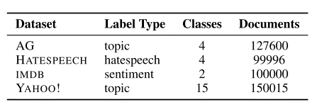
文本分类Datasets
Dataset | #train | #test | #unlabeled | #class | #avg len | #max len | #baselines
IMDB | 25,000 | 25,000 |  | 2 | 241 | 2,526 | bow, ConvNets, Paragraph Vectors
Rotten Tomatoes | 10,662 |  |  |  | 22 | 52
20 newsgroup | 11,293 | 7,528 |  |  | 267 | 11,925
Dbpedia | 560,000 | 70,000 |  |  | 300 characters | 13,467 characters

Elec
RCV1

