Sheet1
年份 | 会议 | title | 引用数 | 代码链接 | 类别 | 方法 | 任务 | 数据集 | 评测指标 | 主要创新点 | Trick | 其他
2015 | NIPS | Semi-supervised convolutional neural networks for text categorization via region embedding | 158 | 有代码链接 | pre:additional input | CNN可以从one-hot向量组成的文本表示中抽取region embedding，这种embedding蕴含了text regions中和任务相关的high-level concepts，比起word embedding of single word in isolation更有优势。在半监督方法上，该工作借鉴了协同训练中multi-view的概念，但本质上是类似Bert的Language Model，通过预测context的方法预训练一个embedding，然后作为有监督任务中CNN的辅助输入特征，最终预测label。预训练阶段的产出不直接是embedding，而是一个CNN(本文作者认为embedding即function)，该CNN可以为每个输入text region产生tv-embedding，这个tv-embedding是预训练生成的CNN预测context时产生的中间产物 | 文本分类 | IMDB,Elec,RCV1 | Error rates | 承接了之前的一篇ont-hot CNN的工作：一篇文档由其包含的word的one-hot vec拼接成的矩阵表示，卷积层将稀疏矩阵的局部(text regions)转换为m维的vector, 取代了传统word embedding的作用(本工作认为embeddings=a function that generates low-dimensional features that preserve the predictive structure), m维的vector蕴含了词汇的co-presence("easy to use")和absence特征("easy to use"前不存在"not")，设此CNN为B |  | 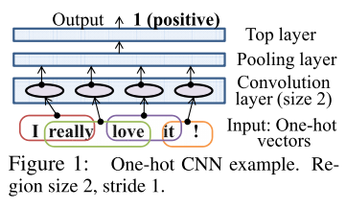 |  | 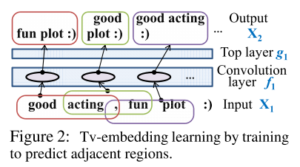
 |  |  |  |  |  |  |  |  |  | 本文在之前工作的基础上，设计了半监督框架: 训练另一个CNN U，输入与B相同，输出则用来预测context from each region(1.除输入text region左侧和右侧部分的BoW, 像CNN版BERT;2.用有标签数据先训练一个初步的B, 用B的输出的m维embedding作为待预测context, 这种情况没有充分利用无标签数据). U获得的embedding称为tv-embedding。tv-embedding作为CNN convolution layer的额外input, 获得更好的supervised embedding | 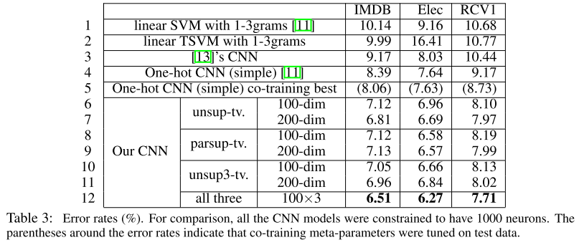
 |  |  |  |  |  |  |  |  |  | Two-view含义： An embedding is called a tv-embedding if the embedded view is as good as the original view for the purpose of predicting the other view. If the two views and the labels are related to one another only through some hidden states, then the tv-embedded view is as good as the original view for the purpose of classiﬁcation. Such an embedding is useful provided that its dimensionality is much lower than the original view. JZ15b applied this idea by regarding text regions embedded by the convolution layer as one view and their surrounding context as the other view
2015 | NIPS | Semi-supervised sequence learning | 336 | 无代码链接 | pre: weight initialization | 利用language model(predicting the next word)/sequence autoencoder在有标签+无标签的输入文本上做预训练，预训练好的word embedding和lstm参数作为有监督分类任务的初始化，有监督阶段会fine-tune预训练结果，LSTM最后一个timestep的hidden state后接分类器 | 文本分类 | IMDB, Dbpedia, 20 Newsgroups, Rotten Tomatoes | Error rates | 利用Sequence Autoencoder解决Vanilla LSTM在长序列分类问题上的不稳定问题（梯度），以前长序列分类主要用BoW，现在用SA可以考虑文本中包含的序列信息了 | word dropout, embedding dropout防止过拟合；linear gain method在decoder每一步加label | 提到了paragraph vector和skip thought
2016 | ICML | Supervised and semi-supervised text categorization using LSTM for region embeddings | 90 | 和第一行的那篇是同一个链接 | pre:additional input | 进一步改进了one-hot CNN：one-hot CNN可看做一个linear model + a non-linear feature generator, 本文把non-linear feature extractor从CNN改为了LSTM, 因为LSTM可以 embed text regions of variable (and possibly large) sizes。最好的结果来自LSTM+CNN | 文本分类 | IMDB,Elec,RCV1,20NG | Error rates | 有监督部分的改进 one-hot LSTM：常规的LSTM是用word的one-hot表示和矩阵V相乘获得word embedding，word mebedding作为LSTM输入和LSTM的参数矩阵W相乘然后进行后续运算。One-hot LSTM去掉了V，或者说把LSTM中负责转换输入x的矩阵变为了WV，WV的第二维与词典大小相同，LSTM的输入就直接是one-hot向量而非word embedding。作者认为one-hot LSTM表达能力至少强于原wv-LSTM，wv-LSTM使用word embedding，相当于限制了WV的空间。 | 由于one-hot LSTM后面还会接pooling，作者还把输入序列切为多个小段学习，LSTM的记忆负担被减轻，input/forget gate就变得没有必要，在实验中被去掉了 | 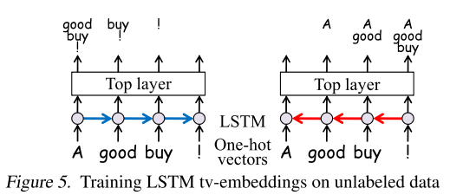
 |  |  |  |  |  |  |  |  |  | 半监督仍然体现在tv-embedding上，LSTM用view-1(已经看到过的词)预测view-2(即context，未来的k个词，不再和原LSTM一样只预测未来1个词)，为了保证两个view只由和task相关的concept相联系，还把function words从target view中去除了 |  | 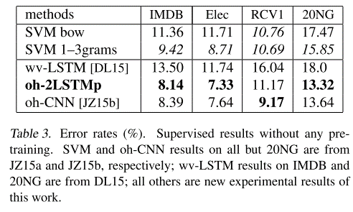
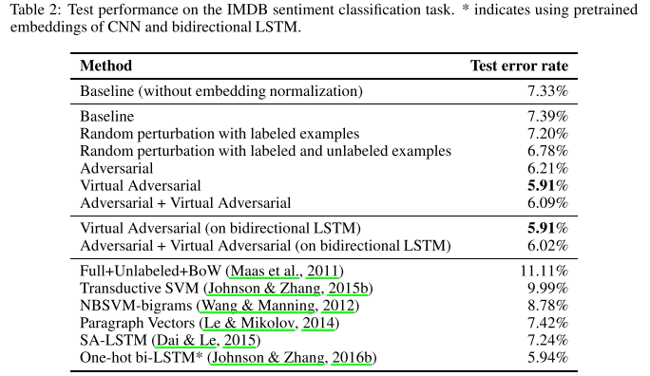
2017 | ICLR | Adversarial Training Methods for Semi-Supervised Text Classification | 109 | 有代码，tf老版本实现 | pre(Dai&Le LSTM pretrain)+co(Virtual Adversial Training) | 用Dai&Le的方法先做预训练，训练分类器的阶段引入AT(对有标签数据)和VAT(对有+无标签数据)，AT/VAT无法直接对高维离散的one-hot表示做perturbation，所以在word embedding上做perturbation，AT失去了advesary的意义，只能理解为a means of regularizing a text classiﬁer by stabilizing the classiﬁcation function | 文本分类 | IMDB, Elec, Rotten Tomatoes, DBpedia, RCV1 | Error rates, 举例Embedding质量实验 | 技术演进：Adversarial training(a means of regularizing supervised learning; 在输入x附近找到使的log likelihood最小的最差扰动，一阶梯度近似argmin)->VAT(不需要数据的lable, 用KLD寻找最差扰动，extend to semi-supervised; 用泰勒??近似寻找最差的扰动)->extend to text domain by applying perturbations to word embedding rather than original one-hot input. | 输入LSTM的word embedding归一化为normed word embedding，因为模型可以使word embedding变大从而使噪声变得无关紧要（噪声也是normed的） | 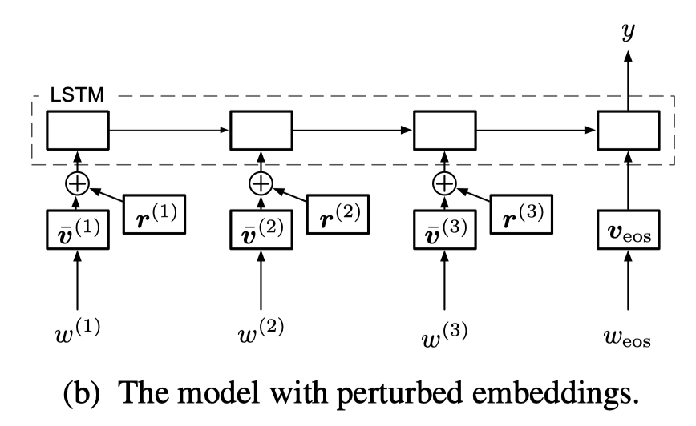
 |  |  |  |  |  |  |  |  |  | improved not only classiﬁcation performance but also the quality of word embeddings. 无AT/VAT训出的"good"和"bad"embedding距离很近，因为两者在句子中的语法角色相似。加上对抗学习后，两者距离变远。 |  |  |  |  | 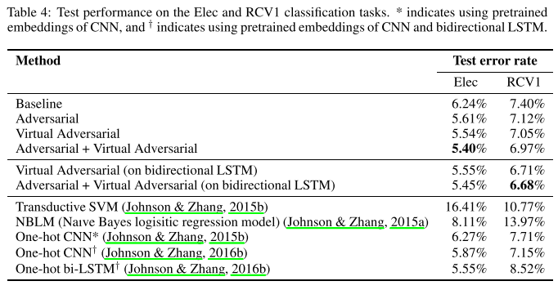
 |  |  |  |  |  |  |  |  |  | 加上和random noise的对比。AT和VAT的关键技术就是选无穷小变化内最差的那个噪声。
2017 | ACL | Semi-supervised Multitask Learning for Sequence Labeling | 64 | 有代码，theano实现 | co：joint objective function | 典型seq2seq架构+额外的无监督目标函数 （language model，正向、反向各一个） ，目的是为了学习general language feature、更好的利用无重要label的单词 | 序列标注 | error detection: FCE(First Certficate in English), CoNLL 2014 | F0.5(CoNLL standard entity-level F 1 score) | 有监督部分：非常典型的seq2seq架构，softmax or crf objective；特殊之处在于加入了一个前人工作：combine with character-level embedding (学习字符级别的pattern，处理OOV的情况) | word embedding dropout
 |  |  |  |  |  |  |  | NER and Chanking(CoNLL2003, BioCreative IV Chemical and Drug corpus) |  | 无监督的含义和意义：majority label (NER中的O，纠错中的C)。没有额外的数据，所谓的半监督目标其实是更充分的利用了不包含关键信息的majority label | 尝试无监督loss的权重逐渐下降（后期集中于有监督任务），效果不如静态的权重（证明无监督任务在学习的后期也有用）
 |  |  |  |  |  |  |  | POS(Penn Treebank, GENIA, Universal Dependencies) |  | 无监督部分
2017 | AAAI | Variational Autoencoders for Semi-supervised Text Classification | 61 |  |  |  | 文本分类
2017 | NIPS | Deconvolutional Paragraph Representation Learning | 38 | 有代码链接，Tf实现 | co:joint objective function | Learn rep for long paragraph. Purly convolutional and deconvolutional seq2seq. Train a sequence autoencoder + supervised model simultaneously | 文本分类 (sentiment analysis, paragraph topic prediction)【摘要】 | 分类数据：DBPedia, Yahoo! Answers, Yelp Review Polarity |  | exposure bias为rep learning带来的问题:训练时decode的每一步给groud truth，导致中间embedding h没必要保存reconstruction所需的所有信息了。本文的decoder用CNN实现，规避了exposure bias带来的问题 | under the joint training objective(reconstruction) -> more extractive; purely supervised objective -> more abstractive | 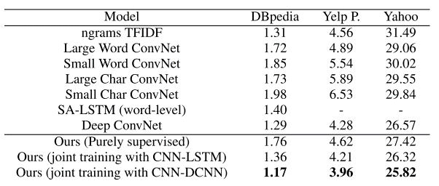 the titles produced by a deconvolutional decoder are less coherent than an LSTM decoder.
 |  |  |  |  |  |  |  | 摘要数据来自arxiv的title-abstract pair |  | 使用无标签数据的意义：By ingesting unlabeled data, the model can learn to abstract latent representations that capture the semantic meaning of all available sentences irrespective of whether or not they are labeled.
 |  |  |  |  |  |  |  |  |  | 实验分两方面进行：1) 通过原始句子和重构句子间的BLEU和ROUGE来评估生成rep的质量 2) spelling correction和半监督任务效果
2017 | EMNLP | Semi-supervised structured prediction with neural crf autoencoder | 7 |  | co:mutitask
2018 | EMNLP | Semi-Supervised Sequence Modeling with Cross-View Training | 8 | 有代码，tf实现 | co:multitask |  |  |  |  | 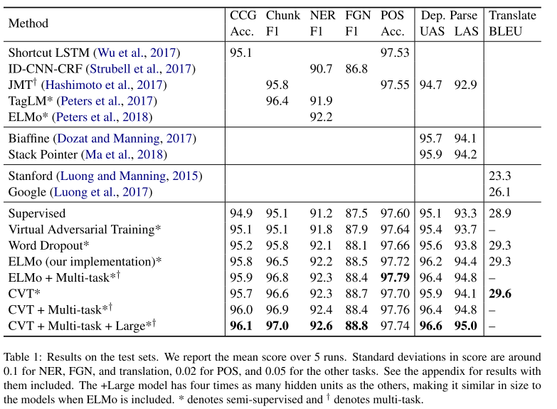 |  |  | 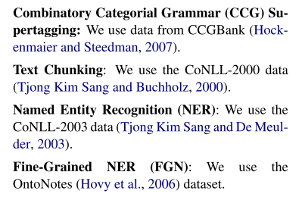 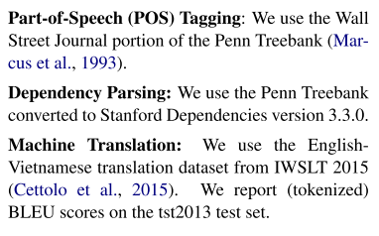
2018 | EMNLP | Variational Sequential Labelers for Semi-Supervised Learning | 0 |  | co:multitask | a latentvariable generative model and a discriminative labeler | 序列标注 | CoNLL 2003 English NER dataset, 7 POS datasets(1Twitter tagging dataset+ 6 languages from the Universal Dependencies6) | acc, f1
2019 | ACL | Variational Pretraining for Semi-supervised Text Classification | 0 |  | pre | low-source setting pretrain method. 基于BoW +topic(仅decode阶段) reconstrcution做VAE预训练;downstream classifier用Deep Averaging Network (DAN)作为Sequence-to-vector encoder, DAN得到的embedding拼接VAE隐层hidden state和latent topic distibution的加权和，后接MLP得到p(y|x) |  | AG News, IMDB, YAHOO! Answers, a dataset of tweets labeled in terms of four HATESPEECH categories | acc | 使用BoW vec作为VAE输入（而非序列模型） | KL-annealing | run each experiment with ﬁve random seeds, each with a different sample of labeled training instances, and report the mean performance on test data.
 |  |  |  |  |  |  |  |  |  | VAE decoder reconstructs the input in terms of topics, z先转换为代表latent topic distribution的\theta，再由矩阵B转换为softmax的输入；用代表topic质量的topic coherence NPMI而非PPL做early stopping | tokenize documents with spaCy
 |  |  |  |  |  |  |  |  |  | 借鉴ELMo的思路，分类时的Sequence-to-vector encoder还要额外加上VAE MLP每一层internal states和\theta的加权和作为加强，权重可学，最开始随机初始化 | batch norm on the reconstruction of x
2019 | ACL | A Cross-Sentence Latent Variable Model for Semi-Supervised Text Sequence Matching | 0 |  |  |  | 序列匹配

Datasets
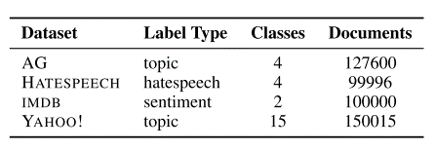
文本分类Datasets
Dataset | #train | #test | #unlabeled | #class | #avg len | #max len | #baselines
IMDB | 25,000 | 25,000 |  | 2 | 241 | 2,526 | bow, ConvNets, Paragraph Vectors | a standard benchmark movie review dataset for sentiment classification
Rotten Tomatoes | 10,662 |  |  |  | 22 | 52 |  | short snippets of movie reviews, for sentiment classiﬁ- cation
20 newsgroup | 11,293 | 7,528 | No data |  | 267 | 11,925
Dbpedia | 560,000 | 70,000 | No data |  | 300 characters | 13,467 characters |  | a dataset of Wikipedia pages for category classiﬁcation

Elec |  |  |  |  |  |  |  | an Amazon electronic product review dataset
RCV1 |  |  |  |  |  |  |  | news articles from the Reuters Corpus. on the RCV1 dataset, there are some very long sentences compared with the other datasets. Strict word order is not very useful on RCV1

 | Deconvolution里用的摘要数据：For summarization, we used a dataset composed of 58,000 abstract-title pairs, from arXiv. Abstracttitle pairs are selected if the length of the title and abstract do not exceed 50 and 500 words, respectively

