ReadMe
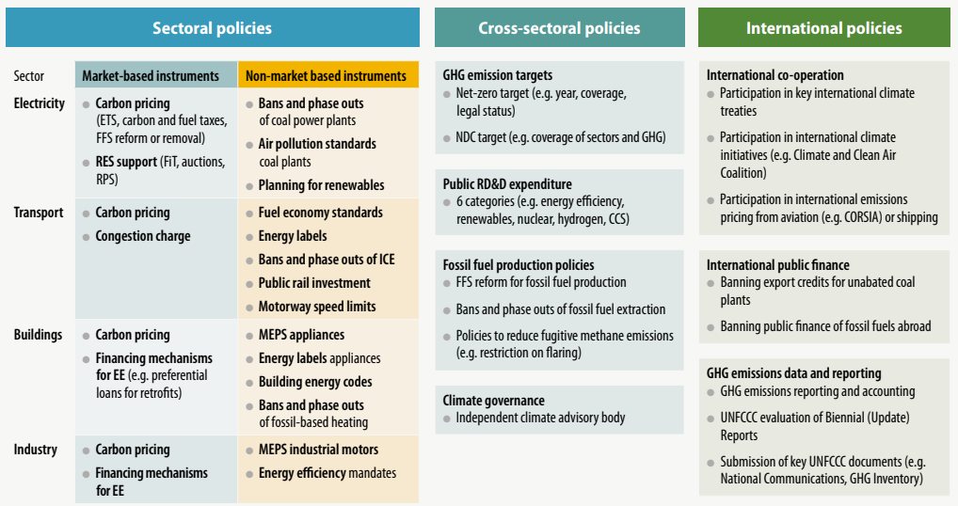
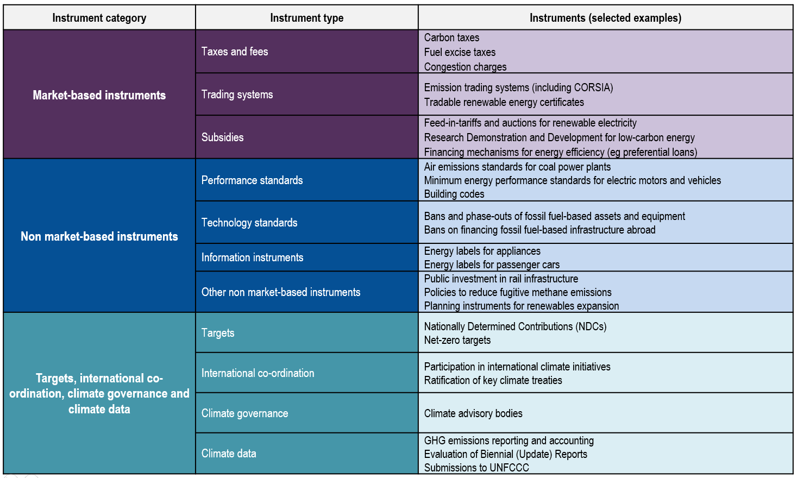
The climate actions and policies measurement framework (CAPMF)

This file is based on the methodological and analytical guidelines outlined in the paper below.
Nachtigall, D., et al. (2022), "The climate actions and policies measurement framework: A structured and harmonised climate policy database to monitor countries' mitigation action", OECD Environment Working Papers, No. 203, OECD Publishing, Paris.
https://doi.org/10.1787/2caa60ce-en

Spreadsheet | Description
Structure | Outlines the 4-level hierarchy of the CAPMF (see figure below for visual representation)
Columns:
Level1_BuildingBlock | Level 1 (includes 3 building blocks)
Level2_Module | Level 2 (includes 15 modules)
Level3_Policy | Level 3 (includes 56 policies)
Level4_PolicyVariable | Level 4 (includes 130 policy variables)
PolicyTypes | Correspondence table that maps each policy to its policy type (see figure below for CAPMF typology examples)
Columns:
Climate actions and policies | Policy descriptive
CLIM_ACT_POL | Policy code
policy_type | Policy type (either market based, non-market based, or other)
policy_type_detail | Additional policy type specification (includes 12 categories)
climate_relevant | binary indication whether the policies are climate relevant, i.e. those which do not have climate change mitigation as primary objective, but which have a material effect on emissions.

