Run 01
Run 01 Summary

run_no | market_capacity | solver | team_count | eligible_team_count | user_pool_count | infeasible_excluded_count | matched_user_count | unmatched_user_count | user_match_rate | feasible_submission_count | total_profit | total_utility | avg_profit | avg_utility | Team Product Assignments
1 | 8 | stable_gale_shapley | 30 | 6 | 85 | 24 | 48 | 37 | 0.5647 | 6 | 17903.297363 | 536.78138715 | 596.77657876 | 17.892712905 | run_no | team_product | assigned_count | capacity | remaining_capacity | assigned_users
 |  |  |  |  |  |  |  |  |  |  |  |  |  |  | 1 | Team_11 | 8 | 8 | 0 | 5, 30, 28, 57, 18, 22, 73, 39
Leaderboard Rows |  |  |  |  |  |  |  |  |  |  |  |  |  |  | 1 | Team_15 | 8 | 8 | 0 | 13, 53, 80, 20, 52, 70, 27, 64
run_no | submission_order | team | player_name | objective | num_suppliers | selected_suppliers | feasible | profit | utility | env_avg | social_avg | cost_avg | strategic_avg | improvement_avg | 1 | Team_18 | 8 | 8 | 0 | 66, 7, 12, 75, 69, 2, 11, 62 | excluded_reason
1 | 1 | Team_02 | Team_02 | max_profit | 4 | P,G,N,R | FALSE | 547.21657469 | 18.187722107 | 2.8980738564 | 1.2331777602 | 3.1597928164 | 2.5610593176 | 3.5 | 1 | Team_19 | 8 | 8 | 0 | 17, 44, 16, 46, 50, 1, 21, 23 | infeasible
1 | 2 | Team_03 | Team_03 | max_profit | 1 | L | FALSE | 683.37583991 | 15.670453512 | 4.0556171246 | 1.628397805 | 1.4578020011 | 2.0531892304 | 2 | 1 | Team_22 | 8 | 8 | 0 | 48, 72, 24, 78, 42, 15, 67, 74 | infeasible
1 | 3 | Team_20 | Team_20 | max_profit | 7 | N,E,J,R,A,B,P | FALSE | 525.92363803 | 20.11550208 | 3.1594275182 | 2.1279578323 | 3.4259545246 | 2.6517438891 | 3.1428571429 | 1 | Team_27 | 8 | 8 | 0 | 8, 61, 49, 65, 54, 41, 9, 26 | infeasible
1 | 4 | Team_16 | Team_16 | max_profit | 1 | H | FALSE | 714.46195761 | 15.831736672 | 1.2077568748 | 4.3708073379 | 1.0692255299 | 2.5155736963 | 5 | 0 | 2026-03-12T09:10:03 | FALSE | 0 |  | FALSE | infeasible
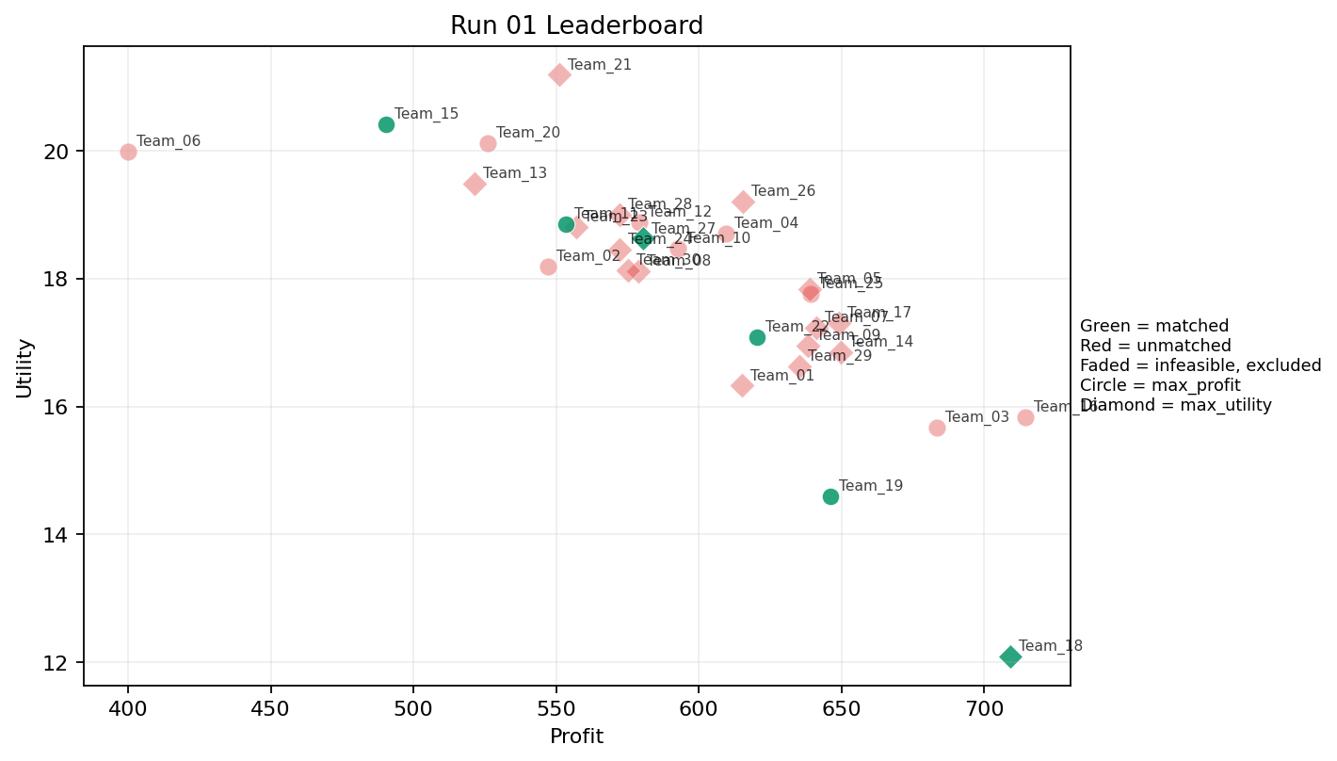
1 | 5 | Team_08 | Team_08 | max_utility | 6 | B,D,G,L,R,O | FALSE | 578.97975985 | 18.119310862 | 3.2900048814 | 1.8847463268 | 2.7627530018 | 1.8003992492 | 3.8333333333 | 0.16666666667 | 2026-03-12T09:10:04 | FALSE | 0 |  | FALSE | infeasible
1 | 6 | Team_26 | Team_26 | max_utility | 1 | K | FALSE | 615.39449027 | 19.207857608 | 4.0556171246 | 3.5889567953 | 2.3075688717 | 1.8612550978 | 2 | 1 | 2026-03-12T09:10:05 | FALSE | 0 |  | FALSE | infeasible
1 | 7 | Team_17 | Team_17 | max_utility | 2 | O,J | FALSE | 649.09067004 | 17.309772613 | 2.7675170523 | 2.7942522674 | 1.8863666245 | 3.0162537794 | 3.5 | 0 | 2026-03-12T09:10:06 | FALSE | 0 |  | FALSE | infeasible
1 | 8 | Team_15 | Team_15 | max_profit | 2 | F,B | TRUE | 490.51837163 | 20.412545012 | 2.6010971335 | 2.6088230972 | 3.8685203546 | 1.529472443 | 4.5 | 0 | 2026-03-12T09:10:07 | TRUE | 8 | 13, 20, 27, 52, 53, 64, 70, 80 | TRUE
1 | 9 | Team_30 | Team_30 | max_utility | 5 | Q,L,R,D,M | FALSE | 575.17617741 | 18.12811691 | 3.0119431183 | 2.7188169438 | 2.8102977824 | 2.0799883039 | 2.6 | 0.4 | 2026-03-12T09:10:08 | FALSE | 0 |  | FALSE | infeasible
1 | 10 | Team_25 | Team_25 | max_profit | 5 | D,K,H,O,C | FALSE | 639.23628713 | 17.759713663 | 2.8937021426 | 3.6660542308 | 2.0095464108 | 1.8416401879 | 3.8 | 0.2 | 2026-03-12T09:10:09 | FALSE | 0 |  | FALSE | infeasible
1 | 11 | Team_24 | Team_24 | max_utility | 5 | B,E,I,A,Q | FALSE | 572.38542471 | 18.45175012 | 2.1935392355 | 3.7265698045 | 2.8451821911 | 1.8431479798 | 3 | 0.6 | 2026-03-12T09:10:10 | FALSE | 0 |  | FALSE | infeasible
1 | 12 | Team_23 | Team_23 | max_utility | 3 | E,N,O | FALSE | 556.88971617 | 18.80263888 | 2.2541221377 | 3.2490503255 | 3.0388785479 | 1.5957676027 | 4 | 0.33333333333 | 2026-03-12T09:10:11 | FALSE | 0 |  | FALSE | infeasible
1 | 13 | Team_04 | Team_04 | max_profit | 2 | A,K | FALSE | 609.40587901 | 18.70844095 | 3.2340400384 | 3.9798820666 | 2.3824265124 | 1.9021625182 | 2 | 1 | 2026-03-12T09:10:12 | FALSE | 0 |  | FALSE | infeasible
1 | 14 | Team_12 | Team_12 | max_profit | 5 | B,E,I,K,J | FALSE | 579.20057487 | 18.877764166 | 3.0241277776 | 2.8252022657 | 2.7599928141 | 2.3909785338 | 3 | 0.4 | 2026-03-12T09:10:13 | FALSE | 0 |  | FALSE | infeasible
1 | 15 | Team_29 | Team_29 | max_utility | 7 | L,A,Q,P,G,K,J | FALSE | 635.21045109 | 16.625535397 | 2.7550504828 | 2.6646307629 | 2.0598693613 | 2.4797887472 | 2.4285714286 | 0.57142857143 | 2026-03-12T09:10:14 | FALSE | 0 |  | FALSE | infeasible
1 | 16 | Team_11 | Team_11 | max_profit | 4 | E,L,N,Q | TRUE | 553.56236801 | 18.854190922 | 2.7210987861 | 2.9868564479 | 3.0804703999 | 1.8102796264 | 2.75 | 0.75 | 2026-03-12T09:10:15 | TRUE | 8 | 18, 22, 28, 30, 39, 5, 57, 73 | TRUE
1 | 17 | Team_05 | Team_05 | max_utility | 2 | P,C | FALSE | 638.73542261 | 17.835668661 | 2.7952410688 | 2.9739906783 | 2.0158072174 | 3.0440618393 | 3.5 | 0 | 2026-03-12T09:10:16 | FALSE | 0 |  | FALSE | infeasible
1 | 18 | Team_06 | Team_06 | max_profit | 1 | N | FALSE | 400.11081768 | 19.980711286 | 3.5781549622 | 1.0055363007 | 4.998614779 | 1.3025105611 | 2 | 0 | 2026-03-12T09:10:17 | FALSE | 0 |  | FALSE | infeasible
1 | 19 | Team_18 | Team_18 | max_utility | 1 | P | TRUE | 709.3271975 | 12.097641832 | 1.4554159956 | 1.5771740188 | 1.1334100312 | 3.672155539 | 2 | 0 | 2026-03-12T09:10:18 | TRUE | 8 | 11, 12, 2, 62, 66, 69, 7, 75 | TRUE
1 | 20 | Team_14 | Team_14 | max_utility | 8 | I,C,K,L,A,D,H,O | FALSE | 649.72856115 | 16.846821967 | 2.7731979791 | 3.493455818 | 1.8783929857 | 1.9409350333 | 3.125 | 0.375 | 2026-03-12T09:10:19 | FALSE | 0 |  | FALSE | infeasible
1 | 21 | Team_09 | Team_09 | max_utility | 3 | P,K,J | FALSE | 638.32128792 | 16.950029093 | 3.1888834149 | 2.1279426703 | 2.020983901 | 3.3868204851 | 2 | 0.33333333333 | 2026-03-12T09:10:20 | FALSE | 0 |  | FALSE | infeasible
1 | 22 | Team_13 | Team_13 | max_utility | 4 | I,N,R,Q | FALSE | 521.49103907 | 19.481823842 | 2.8067266472 | 2.6474234447 | 3.4813620116 | 2.3263669244 | 2.75 | 0.25 | 2026-03-12T09:10:21 | FALSE | 0 |  | FALSE | infeasible
1 | 23 | Team_10 | Team_10 | max_profit | 8 | H,C,B,K,D,P,E,Q | FALSE | 592.65317238 | 18.471806182 | 2.7188437389 | 3.2725636591 | 2.5918353452 | 2.0530686926 | 3.375 | 0.375 | 2026-03-12T09:10:22 | FALSE | 0 |  | FALSE | infeasible
1 | 24 | Team_22 | Team_22 | max_profit | 5 | O,M,L,G,R | TRUE | 620.40135319 | 17.085540325 | 2.6214889729 | 2.5440026404 | 2.2449830851 | 2.0770170372 | 3.8 | 0.2 | 2026-03-12T09:10:23 | TRUE | 8 | 15, 24, 42, 48, 67, 72, 74, 78 | TRUE
1 | 25 | Team_27 | Team_27 | max_utility | 8 | H,P,G,C,A,N,R,F | TRUE | 580.37910244 | 18.625354637 | 2.5617698171 | 2.7415499372 | 2.7452612195 | 2.3891953553 | 3.875 | 0.125 | 2026-03-12T09:10:24 | TRUE | 8 | 26, 41, 49, 54, 61, 65, 8, 9 | TRUE
1 | 26 | Team_21 | Team_21 | max_utility | 5 | C,J,R,E,M | FALSE | 551.02484277 | 21.18339805 | 3.1526188053 | 3.0706844187 | 3.1121894653 | 2.9306152562 | 3.8 | 0.2 | 2026-03-12T09:10:25 | FALSE | 0 |  | FALSE | infeasible
1 | 27 | Team_01 | Team_01 | max_utility | 5 | L,F,A,M,D | FALSE | 615.28848195 | 16.327409318 | 2.4437994205 | 3.1772342538 | 2.3088939756 | 1.7315576553 | 2.6 | 0.4 | 2026-03-12T09:10:26 | FALSE | 0 |  | FALSE | infeasible
1 | 28 | Team_19 | Team_19 | max_profit | 7 | O,M,N,G,L,I,P | TRUE | 646.20614028 | 14.595125831 | 2.0765826955 | 2.556798698 | 1.9224232466 | 1.9727025246 | 2.8571428571 | 0.14285714286 | 2026-03-12T09:10:27 | TRUE | 8 | 1, 16, 17, 21, 23, 44, 46, 50 | TRUE
1 | 29 | Team_28 | Team_28 | max_utility | 7 | F,I,C,R,M,O,B | FALSE | 572.29896062 | 19.00239021 | 2.561898103 | 3.2816487626 | 2.8462629923 | 2.1048731057 | 4 | 0 | 2026-03-12T09:10:28 | FALSE | 0 |  | FALSE | infeasible
1 | 30 | Team_07 | Team_07 | max_utility | 2 | H,F | FALSE | 641.30280266 | 17.234614445 | 1.1771670086 | 4.1290368904 | 1.9837149667 | 2.2551437469 | 5 | 0 | 2026-03-12T09:10:29 | FALSE | 0 |  | FALSE | infeasible

Run 02
Run 02 Summary

run_no | market_capacity | solver | team_count | eligible_team_count | user_pool_count | infeasible_excluded_count | matched_user_count | unmatched_user_count | user_match_rate | feasible_submission_count | total_profit | total_utility | avg_profit | avg_utility | Team Product Assignments
2 | 8 | stable_gale_shapley | 30 | 9 | 85 | 21 | 72 | 13 | 0.8471 | 9 | 18225.173021 | 517.83230407 | 607.50576735 | 17.261076802 | run_no | team_product | assigned_count | capacity | remaining_capacity | assigned_users
 |  |  |  |  |  |  |  |  |  |  |  |  |  |  | 2 | Team_04 | 8 | 8 | 0 | 9, 48, 72, 42, 78, 21, 67, 15
Leaderboard Rows |  |  |  |  |  |  |  |  |  |  |  |  |  |  | 2 | Team_06 | 8 | 8 | 0 | 13, 53, 20, 64, 80, 27, 52, 70
run_no | submission_order | team | player_name | objective | num_suppliers | selected_suppliers | feasible | profit | utility | env_avg | social_avg | cost_avg | strategic_avg | improvement_avg | 2 | Team_07 | 8 | 8 | 0 | 55, 40, 76, 37, 68, 14, 81, 3 | excluded_reason
2 | 1 | Team_06 | Team_06 | max_utility | 6 | F,R,N,A,O,P | TRUE | 565.2989733 | 18.572755093 | 2.4876596715 | 2.7058157202 | 2.9337628338 | 2.3652933914 | 3.5 | 2 | Team_10 | 8 | 8 | 0 | 38, 56, 43, 45, 60, 83, 11, 82
2 | 2 | Team_01 | Team_01 | max_profit | 4 | M,L,K,Q | FALSE | 624.54436407 | 16.825354365 | 2.667687282 | 3.6327115716 | 2.1931954491 | 1.844348895 | 2 | 2 | Team_19 | 8 | 8 | 0 | 28, 49, 8, 61, 30, 73, 65, 54 | infeasible
2 | 3 | Team_09 | Team_09 | max_profit | 2 | O,A | FALSE | 655.67821592 | 16.641990839 | 1.945939966 | 4.3708073379 | 1.804022301 | 1.6742633395 | 3.5 | 2 | Team_20 | 8 | 8 | 0 | 23, 77, 32, 71, 34, 6, 62, 47 | infeasible
2 | 4 | Team_17 | Team_17 | max_utility | 1 | N | FALSE | 400.11081768 | 19.980711286 | 3.5781549622 | 1.0055363007 | 4.998614779 | 1.3025105611 | 2 | 2 | Team_22 | 8 | 8 | 0 | 5, 18, 39, 22, 57, 41, 24, 26 | infeasible
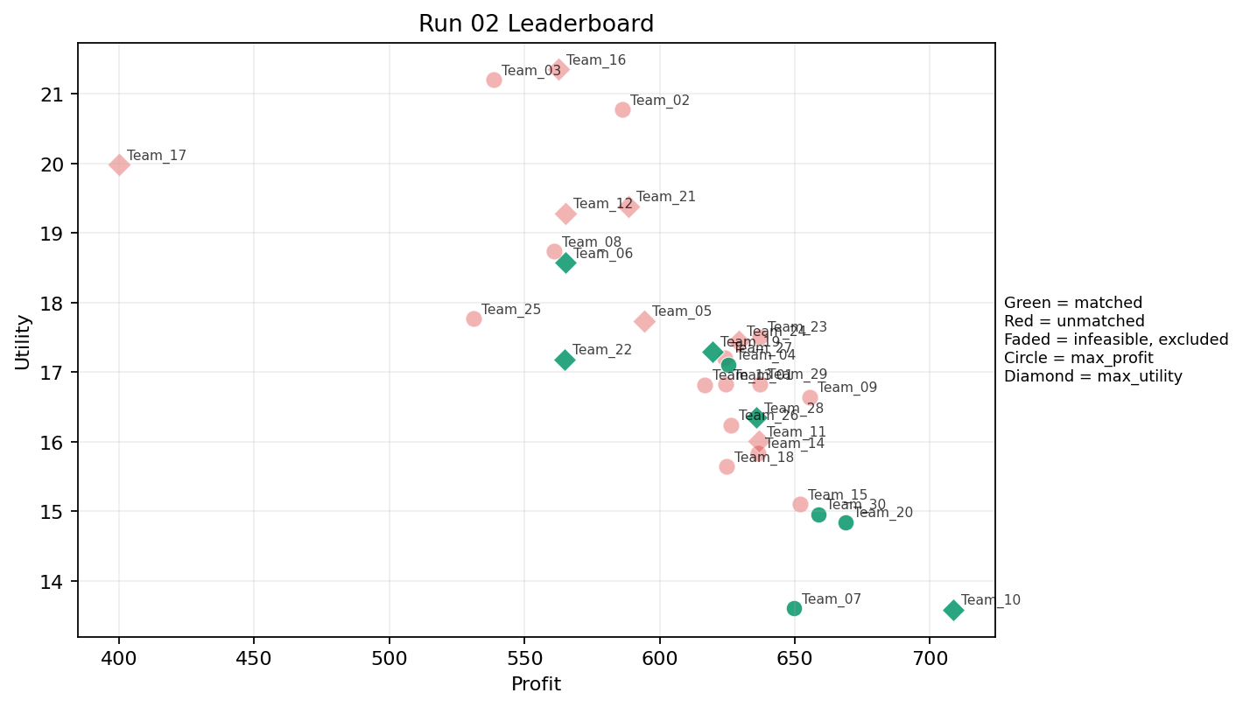
2 | 5 | Team_03 | Team_03 | max_profit | 6 | R,L,K,C,E,N | FALSE | 538.74995122 | 21.203611567 | 3.7305299702 | 2.6646347433 | 3.2656256097 | 2.2643520512 | 3.5 | 2 | Team_28 | 8 | 8 | 0 | 17, 44, 46, 74, 16, 50, 1, 69 | infeasible
2 | 6 | Team_14 | Team_14 | max_profit | 5 | M,B,I,H,O | FALSE | 636.28232829 | 15.840115378 | 1.801094063 | 3.6121944024 | 2.0464708963 | 1.7930299455 | 3.6 | 2 | Team_30 | 8 | 8 | 0 | 66, 7, 36, 12, 75, 2, 79, 25 | infeasible
2 | 7 | Team_27 | Team_27 | max_profit | 7 | D,Q,H,C,L,G,F | FALSE | 624.15477931 | 17.210411678 | 2.4837562761 | 3.1650790651 | 2.1980652586 | 1.8844561051 | 3.7142857143 | 0.28571428571 | 2026-03-12T09:20:06 | FALSE | 0 |  | FALSE | infeasible
2 | 8 | Team_22 | Team_22 | max_utility | 6 | O,F,P,N,D,B | TRUE | 564.77601642 | 17.181453614 | 2.5509726327 | 2.3000093662 | 2.9402997947 | 1.7415024987 | 3.3333333333 | 0 | 2026-03-12T09:20:07 | TRUE | 8 | 18, 22, 24, 26, 39, 41, 5, 57 | TRUE
2 | 9 | Team_30 | Team_30 | max_profit | 3 | G,P,J | TRUE | 658.71397067 | 14.959353813 | 2.4052758638 | 1.3738563514 | 1.7660753666 | 3.2316412521 | 3 | 0 | 2026-03-12T09:20:08 | TRUE | 8 | 12, 2, 25, 36, 66, 7, 75, 79 | TRUE
2 | 10 | Team_25 | Team_25 | max_profit | 3 | D,N,A | FALSE | 531.25675381 | 17.766685578 | 3.1937571686 | 2.3350786612 | 3.3592905774 | 1.4185092551 | 2 | 0.33333333333 | 2026-03-12T09:20:09 | FALSE | 0 |  | FALSE | infeasible
2 | 11 | Team_21 | Team_21 | max_utility | 7 | L,E,C,O,F,K,B | FALSE | 588.358436 | 19.386328855 | 2.9475294442 | 3.3639175441 | 2.64551955 | 1.8391642287 | 4 | 0.42857142857 | 2026-03-12T09:20:10 | FALSE | 0 |  | FALSE | infeasible
2 | 12 | Team_10 | Team_10 | max_utility | 2 | P,O | TRUE | 708.6331808 | 13.58629961 | 1.4674164878 | 2.9739906783 | 1.14208524 | 2.5388061397 | 3.5 | 0 | 2026-03-12T09:20:11 | TRUE | 8 | 11, 38, 43, 45, 56, 60, 82, 83 | TRUE
2 | 13 | Team_24 | Team_24 | max_utility | 5 | M,G,C,O,E | FALSE | 629.30759909 | 17.449297605 | 2.0075516712 | 3.761985438 | 2.1336550114 | 1.790669166 | 4.4 | 0.2 | 2026-03-12T09:20:12 | FALSE | 0 |  | FALSE | infeasible
2 | 14 | Team_18 | Team_18 | max_profit | 4 | M,I,E,D | FALSE | 624.74469173 | 15.642213537 | 1.8895318495 | 3.497169317 | 2.1906913533 | 1.7672927437 | 2.75 | 0.25 | 2026-03-12T09:20:13 | FALSE | 0 |  | FALSE | infeasible
2 | 15 | Team_07 | Team_07 | max_profit | 2 | P,D | TRUE | 649.78468675 | 13.603981495 | 2.5230347935 | 1.603033182 | 1.8776914157 | 2.3410514023 | 2 | 0 | 2026-03-12T09:20:14 | TRUE | 8 | 14, 3, 37, 40, 55, 68, 76, 81 | TRUE
2 | 16 | Team_15 | Team_15 | max_profit | 5 | K,O,M,I,D | FALSE | 651.93865091 | 15.099884236 | 2.2776734063 | 3.5155268127 | 1.8507668636 | 1.6513094612 | 2.6 | 0.2 | 2026-03-12T09:20:15 | FALSE | 0 |  | FALSE | infeasible
2 | 17 | Team_04 | Team_04 | max_profit | 5 | K,G,H,O,B | TRUE | 625.45224921 | 17.107596248 | 2.500640515 | 2.9975298122 | 2.1818468849 | 1.6484468044 | 4.2 | 0.2 | 2026-03-12T09:20:16 | TRUE | 8 | 15, 21, 42, 48, 67, 72, 78, 9 | TRUE
2 | 18 | Team_02 | Team_02 | max_profit | 5 | H,R,C,E,L | FALSE | 586.2912714 | 20.772967436 | 3.1914329219 | 3.1528245403 | 2.6713591075 | 2.5875840689 | 4.4 | 0.4 | 2026-03-12T09:20:17 | FALSE | 0 |  | FALSE | infeasible
2 | 19 | Team_29 | Team_29 | max_profit | 7 | E,J,H,L,A,D,I | FALSE | 637.0303614 | 16.83070015 | 2.6108421688 | 3.0293685154 | 2.0371204825 | 2.3644552305 | 2.8571428571 | 0.42857142857 | 2026-03-12T09:20:18 | FALSE | 0 |  | FALSE | infeasible
2 | 20 | Team_19 | Team_19 | max_utility | 2 | G,E | TRUE | 619.59585263 | 17.294039867 | 1.7047944711 | 2.8487525882 | 2.2550518422 | 1.7375264528 | 5 | 0.5 | 2026-03-12T09:20:19 | TRUE | 8 | 28, 30, 49, 54, 61, 65, 73, 8 | TRUE
2 | 21 | Team_05 | Team_05 | max_utility | 4 | A,K,D,Q | FALSE | 594.29939543 | 17.735138496 | 2.9011405637 | 3.6328352066 | 2.5712575571 | 1.6550888773 | 2 | 0.75 | 2026-03-12T09:20:20 | FALSE | 0 |  | FALSE | infeasible
2 | 22 | Team_11 | Team_11 | max_utility | 6 | Q,E,G,D,P,H | FALSE | 636.89444734 | 16.006855054 | 1.8682073318 | 3.0361772044 | 2.0388194082 | 2.0798021023 | 3.5 | 0.33333333333 | 2026-03-12T09:20:21 | FALSE | 0 |  | FALSE | infeasible
2 | 23 | Team_13 | Team_13 | max_profit | 8 | P,I,E,B,A,M,O,J | FALSE | 616.56943648 | 16.821542768 | 2.1782504979 | 3.1533313207 | 2.292882044 | 2.3463984792 | 3 | 0.25 | 2026-03-12T09:20:22 | FALSE | 0 |  | FALSE | infeasible
2 | 24 | Team_28 | Team_28 | max_utility | 7 | P,O,L,M,H,J,B | TRUE | 635.64327272 | 16.345247209 | 2.4747325023 | 2.6951529694 | 2.054459091 | 2.4277893082 | 3.1428571429 | 0.14285714286 | 2026-03-12T09:20:23 | TRUE | 8 | 1, 16, 17, 44, 46, 50, 69, 74 | TRUE
2 | 25 | Team_12 | Team_12 | max_utility | 3 | B,C,I | FALSE | 565.29689637 | 19.28594097 | 3.14655877 | 3.1064524454 | 2.9337887954 | 1.9344064619 | 3.6666666667 | 0 | 2026-03-12T09:20:24 | FALSE | 0 |  | FALSE | infeasible
2 | 26 | Team_20 | Team_20 | max_profit | 3 | K,G,I | TRUE | 668.94032487 | 14.846739664 | 2.336468213 | 2.8446082936 | 1.6382459391 | 1.8599975515 | 3 | 0.33333333333 | 2026-03-12T09:20:25 | TRUE | 8 | 23, 32, 34, 47, 6, 62, 71, 77 | TRUE
2 | 27 | Team_16 | Team_16 | max_utility | 1 | E | FALSE | 562.61916673 | 21.352247965 | 1.7047944711 | 4.3708073379 | 2.9672604159 | 2.0793355067 | 5 | 1 | 2026-03-12T09:20:26 | FALSE | 0 |  | FALSE | infeasible
2 | 28 | Team_23 | Team_23 | max_profit | 5 | K,F,H,A,L | FALSE | 636.95864065 | 17.51131286 | 2.5756062437 | 3.5692471438 | 2.0380169919 | 2.0735603521 | 3.2 | 0.6 | 2026-03-12T09:20:27 | FALSE | 0 |  | FALSE | infeasible
2 | 29 | Team_26 | Team_26 | max_profit | 6 | P,N,A,H,I,K | FALSE | 626.26094611 | 16.237250217 | 2.3264001588 | 3.0885753396 | 2.1717381737 | 2.2695974984 | 2.5 | 0.33333333333 | 2026-03-12T09:20:28 | FALSE | 0 |  | FALSE | infeasible
2 | 30 | Team_08 | Team_08 | max_profit | 5 | P,N,H,B,C | FALSE | 560.98734321 | 18.734276617 | 2.8864022199 | 2.5309409493 | 2.9876582099 | 2.1940878049 | 3.6 | 0 | 2026-03-12T09:20:29 | FALSE | 0 |  | FALSE | infeasible

Run 03
Run 03 Summary

run_no | market_capacity | solver | team_count | eligible_team_count | user_pool_count | infeasible_excluded_count | matched_user_count | unmatched_user_count | user_match_rate | feasible_submission_count | total_profit | total_utility | avg_profit | avg_utility | Team Product Assignments
3 | 8 | stable_gale_shapley | 30 | 7 | 85 | 23 | 56 | 29 | 0.6588 | 7 | 17599.722035 | 545.81324684 | 586.65740118 | 18.193774895 | run_no | team_product | assigned_count | capacity | remaining_capacity | assigned_users
 |  |  |  |  |  |  |  |  |  |  |  |  |  |  | 3 | Team_08 | 8 | 8 | 0 | 13, 8, 49, 54, 9, 78, 26, 72
Leaderboard Rows |  |  |  |  |  |  |  |  |  |  |  |  |  |  | 3 | Team_11 | 8 | 8 | 0 | 15, 1, 42, 50, 48, 66, 69, 36
run_no | submission_order | team | player_name | objective | num_suppliers | selected_suppliers | feasible | profit | utility | env_avg | social_avg | cost_avg | strategic_avg | improvement_avg | 3 | Team_15 | 8 | 8 | 0 | 23, 32, 34, 25, 79, 55, 60, 40 | excluded_reason
3 | 1 | Team_26 | Team_26 | max_utility | 7 | G,O,M,D,F,J,Q | FALSE | 618.9352612 | 16.289470959 | 2.0766534554 | 3.1064075496 | 2.263309235 | 1.9851196104 | 3.2857142857 | 3 | Team_16 | 8 | 8 | 0 | 67, 7, 21, 75, 77, 6, 71, 38 | infeasible
3 | 2 | Team_06 | Team_06 | max_utility | 3 | I,L,H | FALSE | 704.23058112 | 14.5329066 | 2.1707890142 | 3.2057917966 | 1.197117736 | 2.2972610282 | 3 | 3 | Team_17 | 8 | 8 | 0 | 53, 64, 28, 61, 39, 57, 73, 65 | infeasible
3 | 3 | Team_14 | Team_14 | max_profit | 8 | Q,K,O,D,P,C,G,M | FALSE | 633.37829252 | 16.340426448 | 2.3725598979 | 3.2721034199 | 2.0827713434 | 1.9029314291 | 3.125 | 3 | Team_20 | 8 | 8 | 0 | 27, 52, 80, 20, 70, 5, 30, 18 | infeasible
3 | 4 | Team_10 | Team_10 | max_utility | 7 | E,D,A,R,N,O,K | FALSE | 554.65411822 | 19.481689034 | 3.0964328683 | 2.908444334 | 3.0668235222 | 1.9250612688 | 3.2857142857 | 3 | Team_21 | 8 | 8 | 0 | 22, 41, 17, 74, 24, 44, 46, 16 | infeasible
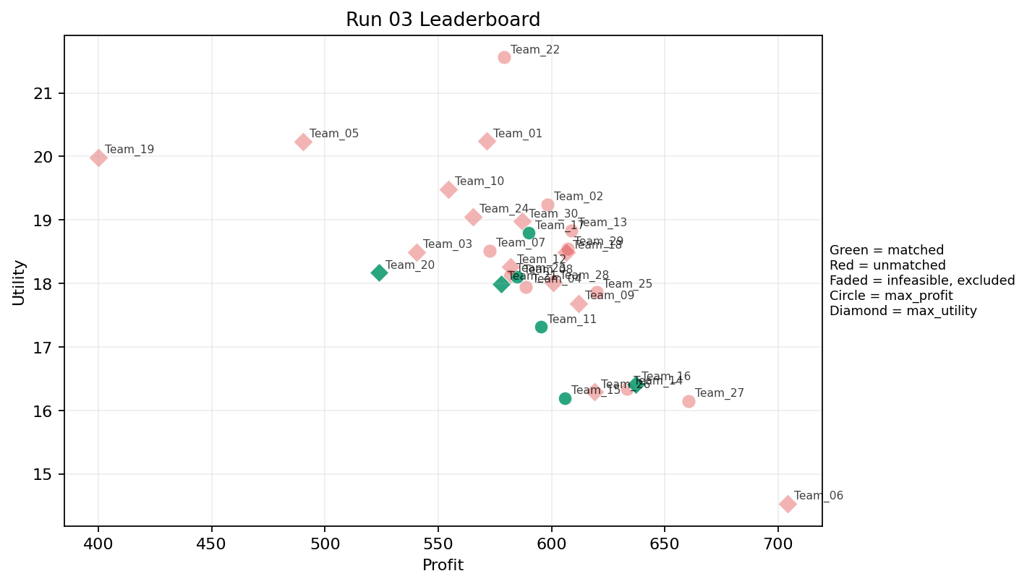
3 | 5 | Team_27 | Team_27 | max_profit | 4 | K,A,O,I | FALSE | 660.40121699 | 16.147092225 | 2.299122525 | 3.9871854295 | 1.7449847877 | 1.8832004837 | 2.75 | 0.5 | 2026-03-12T09:30:04 | FALSE | 0 |  | FALSE | infeasible
3 | 6 | Team_23 | Team_23 | max_profit | 4 | O,K,N,A | FALSE | 581.71543495 | 18.118137643 | 2.8814130047 | 3.3340269429 | 2.7285570632 | 1.6280730845 | 2.75 | 0.5 | 2026-03-12T09:30:05 | FALSE | 0 |  | FALSE | infeasible
3 | 7 | Team_22 | Team_22 | max_profit | 2 | C,J | FALSE | 579.19291185 | 21.559141664 | 4.0953416333 | 2.7942522674 | 2.7600886018 | 3.521509479 | 3.5 | 0 | 2026-03-12T09:30:06 | FALSE | 0 |  | FALSE | infeasible
3 | 8 | Team_29 | Team_29 | max_profit | 7 | H,C,R,J,O,G,D | FALSE | 607.20820071 | 18.543976265 | 3.0038907401 | 2.6155731824 | 2.4098974911 | 2.463366833 | 4.1428571429 | 0 | 2026-03-12T09:30:07 | FALSE | 0 |  | FALSE | infeasible
3 | 9 | Team_18 | Team_18 | max_utility | 6 | O,J,K,Q,C,D | FALSE | 606.68421696 | 18.487461735 | 3.1436999249 | 3.3533075602 | 2.416447288 | 2.1876268782 | 3 | 0.33333333333 | 2026-03-12T09:30:08 | FALSE | 0 |  | FALSE | infeasible
3 | 10 | Team_04 | Team_04 | max_profit | 8 | P,N,Q,F,L,K,E,A | FALSE | 588.81650941 | 17.946097455 | 2.4943085449 | 3.1714537983 | 2.6397936324 | 2.0890391098 | 2.75 | 0.625 | 2026-03-12T09:30:09 | FALSE | 0 |  | FALSE | infeasible
3 | 11 | Team_08 | Team_08 | max_profit | 8 | G,P,R,E,M,B,F,H | TRUE | 584.76710338 | 18.098625902 | 2.1428215461 | 2.7821553685 | 2.6904112077 | 2.2815561054 | 4.125 | 0.125 | 2026-03-12T09:30:10 | TRUE | 8 | 13, 26, 49, 54, 72, 78, 8, 9 | TRUE
3 | 12 | Team_28 | Team_28 | max_utility | 5 | E,I,Q,J,F | FALSE | 600.8005168 | 18.008841713 | 1.9403620736 | 3.6073251146 | 2.48999354 | 2.5660406976 | 3.2 | 0.4 | 2026-03-12T09:30:11 | FALSE | 0 |  | FALSE | infeasible
3 | 13 | Team_09 | Team_09 | max_utility | 6 | A,H,E,N,L,O | FALSE | 611.98736896 | 17.686521852 | 2.4063672275 | 3.3528605762 | 2.350157888 | 1.8831892789 | 3.5 | 0.5 | 2026-03-12T09:30:12 | FALSE | 0 |  | FALSE | infeasible
3 | 14 | Team_13 | Team_13 | max_profit | 8 | I,K,A,C,H,R,F,L | FALSE | 608.83081773 | 18.832936618 | 2.8895025501 | 3.3573145234 | 2.3896147784 | 2.3725804787 | 3.5 | 0.375 | 2026-03-12T09:30:13 | FALSE | 0 |  | FALSE | infeasible
3 | 15 | Team_24 | Team_24 | max_utility | 4 | E,L,K,N | FALSE | 565.37507865 | 19.052817593 | 3.3485459206 | 2.6484245597 | 2.9328115169 | 1.824072599 | 2.75 | 0.75 | 2026-03-12T09:30:14 | FALSE | 0 |  | FALSE | infeasible
3 | 16 | Team_11 | Team_11 | max_profit | 5 | B,Q,A,L,P | TRUE | 595.43140968 | 17.315613673 | 2.7049883567 | 2.7698886522 | 2.5571073789 | 2.1077458007 | 2.4 | 0.6 | 2026-03-12T09:30:15 | TRUE | 8 | 1, 15, 36, 42, 48, 50, 66, 69 | TRUE
3 | 17 | Team_07 | Team_07 | max_profit | 5 | K,G,B,J,Q | FALSE | 572.64918961 | 18.51784519 | 3.0834948863 | 2.481283186 | 2.8418851299 | 2.1508675222 | 3 | 0.4 | 2026-03-12T09:30:16 | FALSE | 0 |  | FALSE | infeasible
3 | 18 | Team_16 | Team_16 | max_utility | 7 | P,D,H,L,Q,A,J | TRUE | 637.0300375 | 16.411016604 | 2.61762175 | 2.8194943414 | 2.0371245313 | 2.5181528137 | 2.4285714286 | 0.42857142857 | 2026-03-12T09:30:17 | TRUE | 8 | 21, 38, 6, 67, 7, 71, 75, 77 | TRUE
3 | 19 | Team_25 | Team_25 | max_profit | 5 | C,L,G,F,A | FALSE | 619.93058832 | 17.865299456 | 2.6909035664 | 3.1167953524 | 2.250867646 | 1.960531701 | 3.8 | 0.4 | 2026-03-12T09:30:18 | FALSE | 0 |  | FALSE | infeasible
3 | 20 | Team_21 | Team_21 | max_utility | 4 | M,P,R,Q | TRUE | 577.89751716 | 17.989362928 | 2.2172152178 | 2.9784921469 | 2.7762810355 | 2.7522401406 | 2.75 | 0.25 | 2026-03-12T09:30:19 | TRUE | 8 | 16, 17, 22, 24, 41, 44, 46, 74 | TRUE
3 | 21 | Team_15 | Team_15 | max_profit | 7 | D,I,M,K,F,P,B | TRUE | 606.01686161 | 16.192456521 | 2.3666514734 | 2.8573781341 | 2.4247892299 | 1.9403129987 | 2.7142857143 | 0.14285714286 | 2026-03-12T09:30:20 | TRUE | 8 | 23, 25, 32, 34, 40, 55, 60, 79 | TRUE
3 | 22 | Team_05 | Team_05 | max_utility | 4 | R,D,N,Q | FALSE | 490.33809661 | 20.235271728 | 3.3921417843 | 2.1501039692 | 3.8707737924 | 1.9980987014 | 2.75 | 0.25 | 2026-03-12T09:30:21 | FALSE | 0 |  | FALSE | infeasible
3 | 23 | Team_30 | Team_30 | max_utility | 8 | Q,I,C,A,P,F,R,E | FALSE | 587.18803325 | 18.977085735 | 2.3128835412 | 3.5201274942 | 2.6601495844 | 2.5135250073 | 3.5 | 0.375 | 2026-03-12T09:30:22 | FALSE | 0 |  | FALSE | infeasible
3 | 24 | Team_17 | Team_17 | max_profit | 7 | O,G,F,J,K,Q,R | TRUE | 589.89877276 | 18.792968756 | 2.6916830609 | 2.9082018346 | 2.6262653404 | 2.4234472617 | 3.7142857143 | 0.28571428571 | 2026-03-12T09:30:23 | TRUE | 8 | 28, 39, 53, 57, 61, 64, 65, 73 | TRUE
3 | 25 | Team_03 | Team_03 | max_utility | 4 | M,F,N,E | FALSE | 540.53427763 | 18.495051721 | 1.860803217 | 3.4086043549 | 3.2433215297 | 1.7583569775 | 3.5 | 0.25 | 2026-03-12T09:30:24 | FALSE | 0 |  | FALSE | infeasible
3 | 26 | Team_12 | Team_12 | max_utility | 4 | P,J,B,K | FALSE | 581.96423983 | 18.259421271 | 3.4055668424 | 1.9285519406 | 2.7254470022 | 2.8061731359 | 2.5 | 0.25 | 2026-03-12T09:30:25 | FALSE | 0 |  | FALSE | infeasible
3 | 27 | Team_02 | Team_02 | max_profit | 4 | R,O,H,F | FALSE | 598.35012862 | 19.245222455 | 2.1719202485 | 3.4130460004 | 2.5206233923 | 2.4473995014 | 5 | 0 | 2026-03-12T09:30:26 | FALSE | 0 |  | FALSE | infeasible
3 | 28 | Team_20 | Team_20 | max_utility | 4 | I,B,Q,N | TRUE | 524.00037669 | 18.169547408 | 2.6071484292 | 2.7241926618 | 3.4499952913 | 1.6239612536 | 2.5 | 0.25 | 2026-03-12T09:30:27 | TRUE | 8 | 18, 20, 27, 30, 5, 52, 70, 80 | TRUE
3 | 29 | Team_19 | Team_19 | max_utility | 1 | N | FALSE | 400.11081768 | 19.980711286 | 3.5781549622 | 1.0055363007 | 4.998614779 | 1.3025105611 | 2 | 0 | 2026-03-12T09:30:28 | FALSE | 0 |  | FALSE | infeasible
3 | 30 | Team_01 | Team_01 | max_utility | 3 | A,R,O | FALSE | 571.40405896 | 20.240228407 | 2.9152699763 | 3.2549725196 | 2.857449263 | 2.4074601502 | 4 | 0.33333333333 | 2026-03-12T09:30:29 | FALSE | 0 |  | FALSE | infeasible

Run 04
Run 04 Summary

run_no | market_capacity | solver | team_count | eligible_team_count | user_pool_count | infeasible_excluded_count | matched_user_count | unmatched_user_count | user_match_rate | feasible_submission_count | total_profit | total_utility | avg_profit | avg_utility | Team Product Assignments
4 | 8 | stable_gale_shapley | 30 | 4 | 85 | 26 | 32 | 53 | 0.3765 | 4 | 17444.234716 | 559.38235274 | 581.47449052 | 18.646078425 | run_no | team_product | assigned_count | capacity | remaining_capacity | assigned_users
 |  |  |  |  |  |  |  |  |  |  |  |  |  |  | 4 | Team_02 | 8 | 8 | 0 | 53, 20, 64, 80, 27, 52, 70, 5
Leaderboard Rows |  |  |  |  |  |  |  |  |  |  |  |  |  |  | 4 | Team_17 | 8 | 8 | 0 | 73, 57, 54, 22, 41, 9, 26, 78
run_no | submission_order | team | player_name | objective | num_suppliers | selected_suppliers | feasible | profit | utility | env_avg | social_avg | cost_avg | strategic_avg | improvement_avg | 4 | Team_20 | 8 | 8 | 0 | 13, 28, 30, 8, 18, 39, 61, 49 | excluded_reason
4 | 1 | Team_07 | Team_07 | max_profit | 6 | F,L,E,J,K,R | FALSE | 570.43851094 | 20.308223781 | 3.3120254973 | 2.6194047435 | 2.8695186132 | 2.7482330371 | 3.5 | 4 | Team_30 | 8 | 8 | 0 | 65, 24, 74, 48, 72, 17, 42, 46 | infeasible
4 | 2 | Team_12 | Team_12 | max_utility | 4 | L,O,N,R | FALSE | 548.57039168 | 19.540706432 | 3.4917797659 | 2.0070110816 | 3.142870104 | 2.1587525758 | 3.5 | 0.25 | 2026-03-12T09:40:01 | FALSE | 0 |  | FALSE | infeasible
4 | 3 | Team_17 | Team_17 | max_profit | 4 | F,A,D,G | TRUE | 609.59390749 | 16.298167359 | 2.2136220392 | 2.8034159911 | 2.3800761563 | 1.5858621002 | 3.5 | 0.25 | 2026-03-12T09:40:02 | TRUE | 8 | 22, 26, 41, 54, 57, 73, 78, 9 | TRUE
4 | 4 | Team_18 | Team_18 | max_profit | 1 | A | FALSE | 603.41726775 | 18.209024291 | 2.4124629521 | 4.3708073379 | 2.4572841531 | 1.9430699386 | 2 | 1 | 2026-03-12T09:40:03 | FALSE | 0 |  | FALSE | infeasible
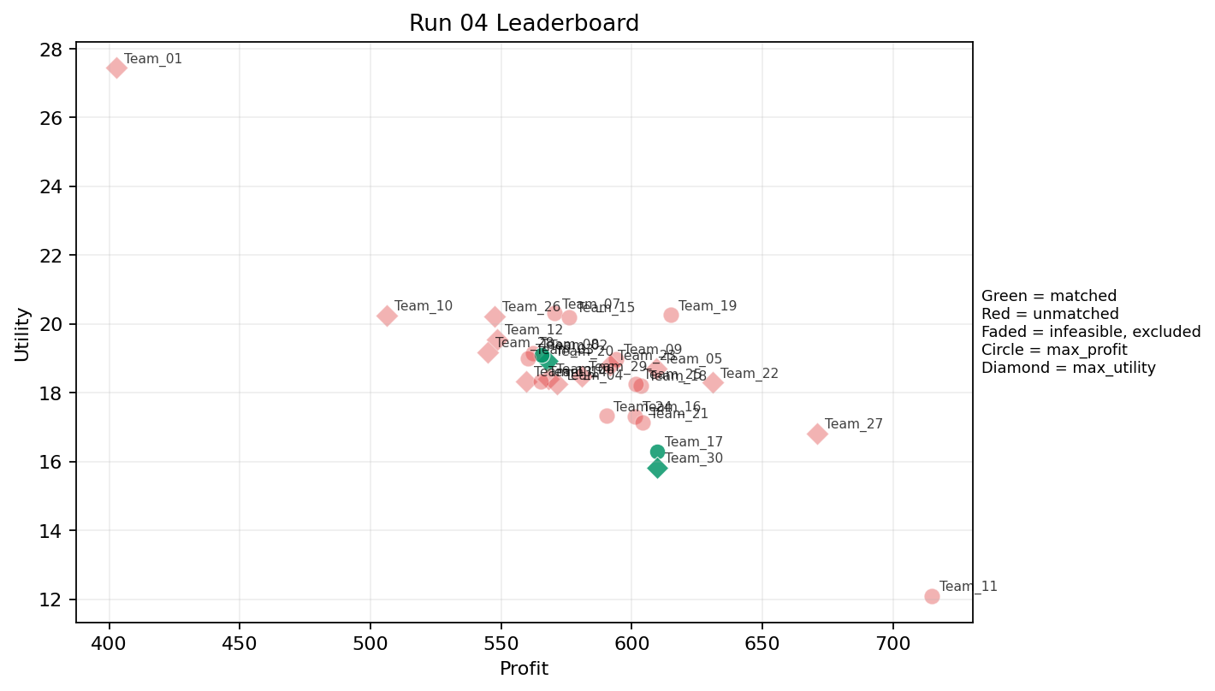
4 | 5 | Team_15 | Team_15 | max_profit | 6 | R,G,A,C,J,K | FALSE | 576.10431088 | 20.201283423 | 3.5362479685 | 2.6497115649 | 2.798696114 | 2.6861525275 | 3.5 | 0.33333333333 | 2026-03-12T09:40:04 | FALSE | 0 |  | FALSE | infeasible
4 | 6 | Team_16 | Team_16 | max_profit | 7 | R,O,L,D,N,H,P | FALSE | 601.18755683 | 17.314646484 | 2.8887065036 | 2.229274004 | 2.4851555396 | 2.2618124006 | 3.2857142857 | 0.14285714286 | 2026-03-12T09:40:05 | FALSE | 0 |  | FALSE | infeasible
4 | 7 | Team_28 | Team_28 | max_utility | 8 | R,N,L,G,J,M,E,B | FALSE | 544.99160723 | 19.177236141 | 3.1277764459 | 2.0342033064 | 3.1876049097 | 2.2565945525 | 3.375 | 0.25 | 2026-03-12T09:40:06 | FALSE | 0 |  | FALSE | infeasible
4 | 8 | Team_20 | Team_20 | max_utility | 5 | D,E,R,F,I | TRUE | 567.74293626 | 18.926658899 | 2.508989649 | 2.9056878512 | 2.9032132967 | 2.2561740998 | 3.8 | 0.2 | 2026-03-12T09:40:07 | TRUE | 8 | 13, 18, 28, 30, 39, 49, 61, 8 | TRUE
4 | 9 | Team_27 | Team_27 | max_utility | 3 | H,J,O | FALSE | 670.88109923 | 16.817093966 | 2.2475969931 | 3.3197706242 | 1.6139862596 | 2.8493604184 | 4 | 0 | 2026-03-12T09:40:08 | FALSE | 0 |  | FALSE | infeasible
4 | 10 | Team_21 | Team_21 | max_profit | 4 | A,Q,G,F | FALSE | 604.06927543 | 17.123924801 | 1.702415788 | 3.6318639919 | 2.4491340572 | 1.7848960856 | 3.5 | 0.5 | 2026-03-12T09:40:09 | FALSE | 0 |  | FALSE | infeasible
4 | 11 | Team_01 | Team_01 | max_utility | 1 | R | FALSE | 402.85574505 | 27.436703541 | 4.8539299968 | 1.0233028829 | 4.9643031869 | 3.8738537715 | 5 | 0 | 2026-03-12T09:40:10 | FALSE | 0 |  | FALSE | infeasible
4 | 12 | Team_06 | Team_06 | max_utility | 1 | Q | FALSE | 568.14364772 | 18.413350927 | 1.5458285866 | 4.9426843481 | 2.8982044036 | 1.8060832073 | 2 | 1 | 2026-03-12T09:40:11 | FALSE | 0 |  | FALSE | infeasible
4 | 13 | Team_05 | Team_05 | max_utility | 2 | K,A | FALSE | 609.40587901 | 18.70844095 | 3.2340400384 | 3.9798820666 | 2.3824265124 | 1.9021625182 | 2 | 1 | 2026-03-12T09:40:12 | FALSE | 0 |  | FALSE | infeasible
4 | 14 | Team_22 | Team_22 | max_utility | 3 | P,C,K | FALSE | 630.95511183 | 18.293064977 | 3.2153664208 | 3.178979384 | 2.1130611022 | 2.6497929255 | 3 | 0.33333333333 | 2026-03-12T09:40:13 | FALSE | 0 |  | FALSE | infeasible
4 | 15 | Team_08 | Team_08 | max_profit | 3 | J,L,B | FALSE | 562.17037048 | 19.134213052 | 4.0556171246 | 1.3921582511 | 2.972870369 | 2.5814903791 | 2.6666666667 | 0.33333333333 | 2026-03-12T09:40:14 | FALSE | 0 |  | FALSE | infeasible
4 | 16 | Team_30 | Team_30 | max_utility | 6 | D,N,P,H,F,G | TRUE | 609.8097225 | 15.815622489 | 2.1138921729 | 2.299395714 | 2.3773784687 | 1.9817697097 | 3.5 | 0 | 2026-03-12T09:40:15 | TRUE | 8 | 17, 24, 42, 46, 48, 65, 72, 74 | TRUE
4 | 17 | Team_24 | Team_24 | max_profit | 2 | J,D | FALSE | 590.24217599 | 17.327454498 | 3.823135358 | 1.423294771 | 2.6219728001 | 2.818499042 | 2 | 0 | 2026-03-12T09:40:16 | FALSE | 0 |  | FALSE | infeasible
4 | 18 | Team_04 | Team_04 | max_utility | 7 | N,P,A,I,C,B,J | FALSE | 571.28402115 | 18.241398308 | 2.9916181921 | 2.4986531701 | 2.8589497357 | 2.4782866061 | 2.7142857143 | 0.14285714286 | 2026-03-12T09:40:17 | FALSE | 0 |  | FALSE | infeasible
4 | 19 | Team_02 | Team_02 | max_profit | 7 | J,G,Q,E,D,F,R | TRUE | 565.54558539 | 19.104362202 | 2.6574564834 | 2.6281926275 | 2.9306801827 | 2.3981002523 | 3.7142857143 | 0.28571428571 | 2026-03-12T09:40:18 | TRUE | 8 | 20, 27, 5, 52, 53, 64, 70, 80 | TRUE
4 | 20 | Team_19 | Team_19 | max_profit | 3 | C,H,E | FALSE | 615.07492402 | 20.252560042 | 2.3492058293 | 4.3708073379 | 2.3115634498 | 2.3369591142 | 5 | 0.33333333333 | 2026-03-12T09:40:19 | FALSE | 0 |  | FALSE | infeasible
4 | 21 | Team_13 | Team_13 | max_utility | 6 | K,B,M,J,O,N | FALSE | 559.64053699 | 18.334244557 | 3.0396849347 | 2.64736412 | 3.0044932876 | 1.9862287251 | 2.8333333333 | 0.16666666667 | 2026-03-12T09:40:20 | FALSE | 0 |  | FALSE | infeasible
4 | 22 | Team_25 | Team_25 | max_profit | 6 | I,R,E,O,J,M | FALSE | 601.62894601 | 18.252463627 | 2.3927396513 | 3.1619320567 | 2.4796381748 | 2.6609308399 | 3.5 | 0.16666666667 | 2026-03-12T09:40:21 | FALSE | 0 |  | FALSE | infeasible
4 | 23 | Team_14 | Team_14 | max_profit | 5 | J,E,N,D,L | FALSE | 565.31803526 | 18.331664352 | 3.3969674548 | 1.9702661971 | 2.9335245592 | 2.2144066764 | 2.6 | 0.4 | 2026-03-12T09:40:22 | FALSE | 0 |  | FALSE | infeasible
4 | 24 | Team_29 | Team_29 | max_utility | 6 | Q,L,R,P,B,O | FALSE | 580.75578164 | 18.480117501 | 2.9076376347 | 2.478791024 | 2.7405527295 | 2.3124949295 | 3.3333333333 | 0.33333333333 | 2026-03-12T09:40:23 | FALSE | 0 |  | FALSE | infeasible
4 | 25 | Team_09 | Team_09 | max_profit | 8 | A,B,E,J,L,I,C,K | FALSE | 593.86745372 | 18.980249266 | 3.2154731384 | 3.0620029762 | 2.5766568285 | 2.2958899972 | 3 | 0.5 | 2026-03-12T09:40:24 | FALSE | 0 |  | FALSE | infeasible
4 | 26 | Team_11 | Team_11 | max_profit | 1 | I | FALSE | 714.85394583 | 12.096529614 | 1.2489930433 | 3.618170247 | 1.0643256771 | 2.3230201579 | 2 | 0 | 2026-03-12T09:40:25 | FALSE | 0 |  | FALSE | infeasible
4 | 27 | Team_10 | Team_10 | max_utility | 4 | J,M,R,N | FALSE | 506.11805428 | 20.24293952 | 3.375347094 | 1.9043359296 | 3.6735243216 | 2.8650707989 | 2.75 | 0 | 2026-03-12T09:40:26 | FALSE | 0 |  | FALSE | infeasible
4 | 28 | Team_23 | Team_23 | max_utility | 2 | Q,K | FALSE | 591.76906899 | 18.810604267 | 2.8007228556 | 4.2658205717 | 2.6028866376 | 1.8336691526 | 2 | 1 | 2026-03-12T09:40:27 | FALSE | 0 |  | FALSE | infeasible
4 | 29 | Team_03 | Team_03 | max_profit | 8 | D,P,N,H,C,R,L,B | FALSE | 560.17630962 | 18.986107662 | 3.3665264765 | 2.1169122225 | 2.9977961297 | 2.2384286615 | 3.375 | 0.125 | 2026-03-12T09:40:28 | FALSE | 0 |  | FALSE | infeasible
4 | 30 | Team_26 | Team_26 | max_utility | 8 | C,E,F,B,Q,O,D,R | FALSE | 547.62253632 | 20.223295812 | 2.8139855044 | 3.240618473 | 3.154718296 | 1.9561986896 | 4.125 | 0.25 | 2026-03-12T09:40:29 | FALSE | 0 |  | FALSE | infeasible

Run 05
Run 05 Summary

run_no | market_capacity | solver | team_count | eligible_team_count | user_pool_count | infeasible_excluded_count | matched_user_count | unmatched_user_count | user_match_rate | feasible_submission_count | total_profit | total_utility | avg_profit | avg_utility | Team Product Assignments
5 | 8 | stable_gale_shapley | 30 | 8 | 85 | 22 | 64 | 21 | 0.7529 | 8 | 17995.207857 | 535.6857237 | 599.84026188 | 17.85619079 | run_no | team_product | assigned_count | capacity | remaining_capacity | assigned_users
 |  |  |  |  |  |  |  |  |  |  |  |  |  |  | 5 | Team_02 | 8 | 8 | 0 | 13, 53, 20, 80, 27, 64, 70, 52
Leaderboard Rows |  |  |  |  |  |  |  |  |  |  |  |  |  |  | 5 | Team_03 | 8 | 8 | 0 | 50, 1, 32, 34, 6, 71, 25, 60
run_no | submission_order | team | player_name | objective | num_suppliers | selected_suppliers | feasible | profit | utility | env_avg | social_avg | cost_avg | strategic_avg | improvement_avg | 5 | Team_04 | 8 | 8 | 0 | 61, 49, 73, 65, 41, 9, 24, 17 | excluded_reason
5 | 1 | Team_01 | Team_01 | max_utility | 5 | K,L,R,B,P | FALSE | 564.76927366 | 19.32005086 | 3.6952394733 | 1.8296422507 | 2.9403840793 | 2.5049369454 | 3 | 5 | Team_07 | 8 | 8 | 0 | 36, 77, 56, 47, 43, 62, 55, 45 | infeasible
5 | 2 | Team_14 | Team_14 | max_utility | 1 | E | FALSE | 562.61916673 | 21.352247965 | 1.7047944711 | 4.3708073379 | 2.9672604159 | 2.0793355067 | 5 | 5 | Team_13 | 8 | 8 | 0 | 54, 26, 78, 74, 42, 46, 44, 16 | infeasible
5 | 3 | Team_19 | Team_19 | max_profit | 7 | L,P,J,R,D,H,G | FALSE | 623.86823294 | 16.989610903 | 2.9891121684 | 1.8247099179 | 2.2016470883 | 2.7353553886 | 3.2857142857 | 5 | Team_21 | 8 | 8 | 0 | 5, 30, 28, 18, 8, 57, 39, 22 | infeasible
5 | 4 | Team_18 | Team_18 | max_profit | 7 | E,D,K,H,Q,J,P | FALSE | 621.49011597 | 17.365392 | 2.5165262527 | 3.0995741971 | 2.2313735504 | 2.5102001616 | 2.8571428571 | 5 | Team_22 | 8 | 8 | 0 | 48, 72, 67, 21, 23, 7, 38, 75 | infeasible
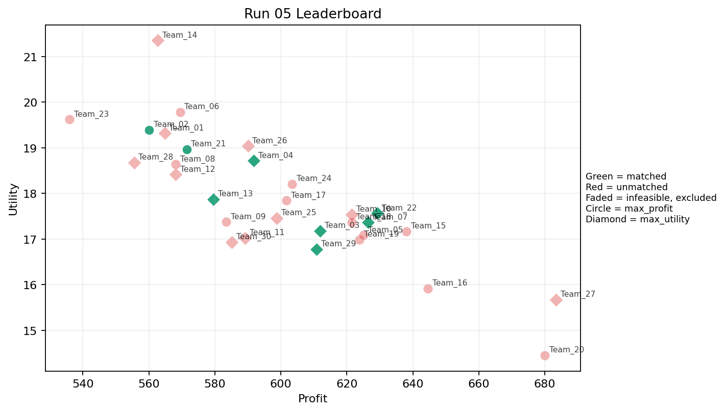
5 | 5 | Team_27 | Team_27 | max_utility | 1 | L | FALSE | 683.37583991 | 15.670453512 | 4.0556171246 | 1.628397805 | 1.4578020011 | 2.0531892304 | 2 | 5 | Team_29 | 8 | 8 | 0 | 15, 66, 69, 79, 12, 40, 2, 83 | infeasible
5 | 6 | Team_06 | Team_06 | max_profit | 8 | J,N,O,C,A,F,H,R | FALSE | 569.41430295 | 19.786113591 | 2.8586227719 | 3.0771290219 | 2.8823212131 | 2.5097746829 | 3.875 | 0.125 | 2026-03-12T09:50:05 | FALSE | 0 |  | FALSE | infeasible
5 | 7 | Team_04 | Team_04 | max_utility | 8 | K,J,A,G,I,E,F,R | TRUE | 591.76237223 | 18.715034356 | 2.6478482907 | 2.9254632599 | 2.6029703471 | 2.5122520609 | 3.5 | 0.375 | 2026-03-12T09:50:06 | TRUE | 8 | 17, 24, 41, 49, 61, 65, 73, 9 | TRUE
5 | 8 | Team_16 | Team_16 | max_profit | 4 | O,E,M,G | FALSE | 644.59858693 | 15.918198134 | 1.4756730535 | 3.609779963 | 1.9425176633 | 1.6343444227 | 4.25 | 0.25 | 2026-03-12T09:50:07 | FALSE | 0 |  | FALSE | infeasible
5 | 9 | Team_09 | Team_09 | max_profit | 4 | A,I,N,K | FALSE | 583.44413038 | 17.3735307 | 2.8238070206 | 3.1458676702 | 2.7069483702 | 1.8574639388 | 2 | 0.5 | 2026-03-12T09:50:08 | FALSE | 0 |  | FALSE | infeasible
5 | 10 | Team_28 | Team_28 | max_utility | 4 | A,D,K,B | FALSE | 555.48675739 | 18.678700215 | 3.5285876982 | 2.7297590575 | 3.0564155326 | 1.4696258476 | 2.5 | 0.5 | 2026-03-12T09:50:09 | FALSE | 0 |  | FALSE | infeasible
5 | 11 | Team_30 | Team_30 | max_utility | 6 | L,B,I,N,J,P | FALSE | 585.13384541 | 16.929586981 | 3.0749025625 | 1.72955922 | 2.6858269324 | 2.5070262325 | 2.3333333333 | 0.16666666667 | 2026-03-12T09:50:10 | FALSE | 0 |  | FALSE | infeasible
5 | 12 | Team_15 | Team_15 | max_profit | 8 | P,H,L,D,O,F,E,C | FALSE | 638.03159966 | 17.168568279 | 2.3469122902 | 3.2756199954 | 2.0246050043 | 2.1432924894 | 3.875 | 0.25 | 2026-03-12T09:50:11 | FALSE | 0 |  | FALSE | infeasible
5 | 13 | Team_12 | Team_12 | max_utility | 1 | Q | FALSE | 568.14364772 | 18.413350927 | 1.5458285866 | 4.9426843481 | 2.8982044036 | 1.8060832073 | 2 | 1 | 2026-03-12T09:50:12 | FALSE | 0 |  | FALSE | infeasible
5 | 14 | Team_29 | Team_29 | max_utility | 2 | J,M | TRUE | 610.75282719 | 16.777171626 | 2.5346517084 | 2.7942522674 | 2.3655896601 | 3.1419594315 | 2 | 0 | 2026-03-12T09:50:13 | TRUE | 8 | 12, 15, 2, 40, 66, 69, 79, 83 | TRUE
5 | 15 | Team_23 | Team_23 | max_profit | 8 | N,J,R,D,K,Q,B,O | FALSE | 535.97766404 | 19.619510944 | 3.4018544364 | 2.3885321198 | 3.3002791995 | 2.1187985688 | 3 | 0.25 | 2026-03-12T09:50:14 | FALSE | 0 |  | FALSE | infeasible
5 | 16 | Team_13 | Team_13 | max_utility | 6 | R,H,I,F,G,N | TRUE | 579.4997754 | 17.869834183 | 2.2900344151 | 2.538630175 | 2.7562528075 | 2.2342315639 | 4 | 0 | 2026-03-12T09:50:15 | TRUE | 8 | 16, 26, 42, 44, 46, 54, 74, 78 | TRUE
5 | 17 | Team_11 | Team_11 | max_utility | 3 | F,Q,M | FALSE | 589.18359127 | 17.020199519 | 1.2353640071 | 4.4002527097 | 2.6352051091 | 1.8192216832 | 3 | 0.33333333333 | 2026-03-12T09:50:16 | FALSE | 0 |  | FALSE | infeasible
5 | 18 | Team_21 | Team_21 | max_profit | 8 | R,Q,M,L,F,H,J,B | TRUE | 571.42244849 | 18.966459741 | 2.7418287833 | 2.8464178879 | 2.8572193939 | 2.4489454568 | 3.375 | 0.25 | 2026-03-12T09:50:17 | TRUE | 8 | 18, 22, 28, 30, 39, 5, 57, 8 | TRUE
5 | 19 | Team_10 | Team_10 | max_utility | 7 | O,P,M,A,E,Q,C | FALSE | 621.55050998 | 17.532953329 | 1.9638102028 | 4.0534135795 | 2.2306186252 | 2.1398481595 | 3.2857142857 | 0.42857142857 | 2026-03-12T09:50:18 | FALSE | 0 |  | FALSE | infeasible
5 | 20 | Team_03 | Team_03 | max_utility | 8 | L,E,B,P,Q,H,F,G | TRUE | 611.94213641 | 17.178294087 | 2.1095502238 | 2.9292768601 | 2.3507232949 | 2.0726249331 | 3.75 | 0.375 | 2026-03-12T09:50:19 | TRUE | 8 | 1, 25, 32, 34, 50, 6, 60, 71 | TRUE
5 | 21 | Team_25 | Team_25 | max_utility | 7 | B,L,M,C,D,J,I | FALSE | 598.71633705 | 17.456134404 | 3.1650357775 | 2.5950217173 | 2.5160457868 | 2.1643249635 | 2.7142857143 | 0.14285714286 | 2026-03-12T09:50:20 | FALSE | 0 |  | FALSE | infeasible
5 | 22 | Team_07 | Team_07 | max_utility | 7 | O,B,I,H,J,G,C | TRUE | 626.44378933 | 17.363562368 | 2.5553231086 | 2.9436238639 | 2.1694526334 | 2.2495740057 | 4 | 0 | 2026-03-12T09:50:21 | TRUE | 8 | 36, 43, 45, 47, 55, 56, 62, 77 | TRUE
5 | 23 | Team_17 | Team_17 | max_profit | 6 | F,M,R,P,K,L | FALSE | 601.72673314 | 17.843317354 | 2.763473946 | 2.6793175472 | 2.4784158358 | 2.5186725802 | 3 | 0.33333333333 | 2026-03-12T09:50:22 | FALSE | 0 |  | FALSE | infeasible
5 | 24 | Team_02 | Team_02 | max_profit | 3 | F,R,P | TRUE | 560.10886342 | 19.39061253 | 2.4853077116 | 2.1625811149 | 2.9986392072 | 3.180241036 | 4 | 0 | 2026-03-12T09:50:23 | TRUE | 8 | 13, 20, 27, 52, 53, 64, 70, 80 | TRUE
5 | 25 | Team_24 | Team_24 | max_profit | 1 | A | FALSE | 603.41726775 | 18.209024291 | 2.4124629521 | 4.3708073379 | 2.4572841531 | 1.9430699386 | 2 | 1 | 2026-03-12T09:50:24 | FALSE | 0 |  | FALSE | infeasible
5 | 26 | Team_22 | Team_22 | max_utility | 4 | G,C,E,P | TRUE | 629.16563762 | 17.564854264 | 2.25001777 | 2.9113716332 | 2.1354295298 | 2.3907941461 | 4.25 | 0.25 | 2026-03-12T09:50:25 | TRUE | 8 | 21, 23, 38, 48, 67, 7, 72, 75 | TRUE
5 | 27 | Team_08 | Team_08 | max_profit | 1 | F | FALSE | 568.14364772 | 18.637492218 | 1.1465771424 | 3.887266443 | 2.8982044036 | 1.9947137976 | 5 | 0 | 2026-03-12T09:50:26 | FALSE | 0 |  | FALSE | infeasible
5 | 28 | Team_05 | Team_05 | max_profit | 8 | A,D,C,M,P,F,K,H | FALSE | 625.04923287 | 17.084690585 | 2.3771545144 | 3.5206898692 | 2.1868845892 | 2.1336939399 | 3.125 | 0.25 | 2026-03-12T09:50:27 | FALSE | 0 |  | FALSE | infeasible
5 | 29 | Team_20 | Team_20 | max_profit | 2 | L,G | FALSE | 679.97418922 | 14.453142641 | 2.8802057978 | 1.4775478217 | 1.5003226348 | 1.7244533147 | 3.5 | 0.5 | 2026-03-12T09:50:28 | FALSE | 0 |  | FALSE | infeasible
5 | 30 | Team_26 | Team_26 | max_utility | 7 | Q,F,C,J,H,O,B | FALSE | 589.99533377 | 19.037631191 | 2.5179828536 | 3.498635679 | 2.6250583279 | 2.261296784 | 4 | 0.14285714286 | 2026-03-12T09:50:29 | FALSE | 0 |  | FALSE | infeasible

Run 06
Run 06 Summary

run_no | market_capacity | solver | team_count | eligible_team_count | user_pool_count | infeasible_excluded_count | matched_user_count | unmatched_user_count | user_match_rate | feasible_submission_count | total_profit | total_utility | avg_profit | avg_utility | Team Product Assignments
6 | 8 | stable_gale_shapley | 30 | 4 | 85 | 26 | 32 | 53 | 0.3765 | 4 | 18022.762468 | 542.16844203 | 600.75874892 | 18.072281401 | run_no | team_product | assigned_count | capacity | remaining_capacity | assigned_users
 |  |  |  |  |  |  |  |  |  |  |  |  |  |  | 6 | Team_05 | 8 | 8 | 0 | 13, 53, 80, 64, 20, 52, 70, 27
Leaderboard Rows |  |  |  |  |  |  |  |  |  |  |  |  |  |  | 6 | Team_07 | 8 | 8 | 0 | 30, 5, 22, 28, 18, 57, 73, 41
run_no | submission_order | team | player_name | objective | num_suppliers | selected_suppliers | feasible | profit | utility | env_avg | social_avg | cost_avg | strategic_avg | improvement_avg | 6 | Team_17 | 8 | 8 | 0 | 61, 8, 65, 49, 39, 9, 54, 24 | excluded_reason
6 | 1 | Team_14 | Team_14 | max_utility | 2 | K,J | FALSE | 602.81833313 | 19.376222723 | 4.0556171246 | 2.4033269961 | 2.4647708359 | 3.2441529581 | 2 | 6 | Team_22 | 8 | 8 | 0 | 15, 67, 44, 17, 66, 16, 1, 74 | infeasible
6 | 2 | Team_10 | Team_10 | max_profit | 4 | M,E,I,Q | FALSE | 619.22005967 | 16.46797098 | 1.3783255983 | 4.3256173177 | 2.2597492542 | 1.9663267291 | 2.75 | 0.5 | 2026-03-12T10:00:01 | FALSE | 0 |  | FALSE | infeasible
6 | 3 | Team_19 | Team_19 | max_profit | 3 | O,K,H | FALSE | 679.26520399 | 16.704850556 | 2.2475969931 | 4.1101904904 | 1.5091849501 | 1.9274285115 | 4 | 0.33333333333 | 2026-03-12T10:00:02 | FALSE | 0 |  | FALSE | infeasible
6 | 4 | Team_03 | Team_03 | max_profit | 2 | Q,J | FALSE | 579.19291185 | 18.978969383 | 2.8007228556 | 3.0801907725 | 2.7600886018 | 3.2165670129 | 2 | 0.5 | 2026-03-12T10:00:03 | FALSE | 0 |  | FALSE | infeasible
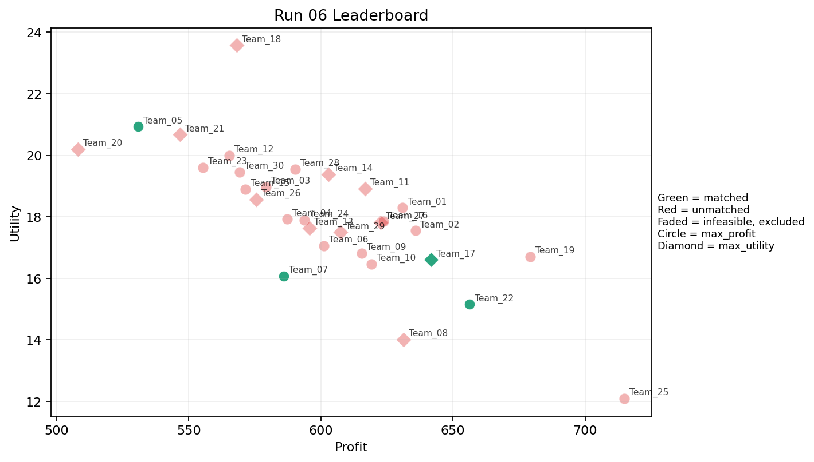
6 | 5 | Team_24 | Team_24 | max_profit | 6 | I,N,O,C,A,Q | FALSE | 593.7680818 | 17.891378166 | 2.399987111 | 3.7798021516 | 2.5778989775 | 1.8660181241 | 3 | 0.33333333333 | 2026-03-12T10:00:04 | FALSE | 0 |  | FALSE | infeasible
6 | 6 | Team_30 | Team_30 | max_profit | 3 | H,R,D | FALSE | 569.18662621 | 19.459587124 | 3.217446821 | 2.3410008553 | 2.8851671723 | 2.4664582445 | 4 | 0 | 2026-03-12T10:00:05 | FALSE | 0 |  | FALSE | infeasible
6 | 7 | Team_18 | Team_18 | max_utility | 1 | C | FALSE | 568.14364772 | 23.57369549 | 4.1350661421 | 4.3708073379 | 2.8982044036 | 2.4159681395 | 5 | 0 | 2026-03-12T10:00:06 | FALSE | 0 |  | FALSE | infeasible
6 | 8 | Team_27 | Team_27 | max_utility | 7 | A,D,C,K,J,H,G | FALSE | 622.63917912 | 17.81615069 | 3.0231383258 | 2.9820951699 | 2.217010261 | 2.2526546222 | 3.2857142857 | 0.28571428571 | 2026-03-12T10:00:07 | FALSE | 0 |  | FALSE | infeasible
6 | 9 | Team_01 | Team_01 | max_profit | 3 | C,P,K | FALSE | 630.95511183 | 18.293064977 | 3.2153664208 | 3.178979384 | 2.1130611022 | 2.6497929255 | 3 | 0.33333333333 | 2026-03-12T10:00:08 | FALSE | 0 |  | FALSE | infeasible
6 | 10 | Team_06 | Team_06 | max_profit | 8 | I,E,P,F,L,A,Q,N | FALSE | 601.24894135 | 17.057181456 | 2.1434805347 | 3.1751054798 | 2.4843882331 | 2.1467597423 | 2.75 | 0.5 | 2026-03-12T10:00:09 | FALSE | 0 |  | FALSE | infeasible
6 | 11 | Team_15 | Team_15 | max_profit | 4 | K,O,N,E | FALSE | 571.51590969 | 18.903943562 | 2.7044958845 | 3.3340269429 | 2.8560511289 | 1.6621394765 | 3.5 | 0.5 | 2026-03-12T10:00:10 | FALSE | 0 |  | FALSE | infeasible
6 | 12 | Team_13 | Team_13 | max_utility | 7 | E,M,H,F,B,A,G | FALSE | 595.62445032 | 17.637669448 | 1.8922413326 | 3.4325104835 | 2.554694371 | 1.8070727816 | 4 | 0.28571428571 | 2026-03-12T10:00:11 | FALSE | 0 |  | FALSE | infeasible
6 | 13 | Team_26 | Team_26 | max_utility | 7 | C,Q,J,N,A,D,O | FALSE | 575.46269956 | 18.558092625 | 2.9710286199 | 3.1296046006 | 2.8067162555 | 2.0728695244 | 2.8571428571 | 0.28571428571 | 2026-03-12T10:00:12 | FALSE | 0 |  | FALSE | infeasible
6 | 14 | Team_17 | Team_17 | max_utility | 6 | J,L,H,E,P,D | TRUE | 641.71141896 | 16.60116483 | 2.678309197 | 2.4656293403 | 1.9786072631 | 2.6595420094 | 3 | 0.33333333333 | 2026-03-12T10:00:13 | TRUE | 8 | 24, 39, 49, 54, 61, 65, 8, 9 | TRUE
6 | 15 | Team_02 | Team_02 | max_profit | 3 | M,C,O | FALSE | 635.78209673 | 17.552802764 | 2.2093898047 | 4.3708073379 | 2.0527237909 | 1.8260976415 | 4 | 0 | 2026-03-12T10:00:14 | FALSE | 0 |  | FALSE | infeasible
6 | 16 | Team_23 | Team_23 | max_profit | 7 | R,F,O,D,K,B,J | FALSE | 555.38721352 | 19.59993108 | 3.3196327263 | 2.4353289647 | 3.057659831 | 2.2623583685 | 3.5714285714 | 0.14285714286 | 2026-03-12T10:00:15 | FALSE | 0 |  | FALSE | infeasible
6 | 17 | Team_05 | Team_05 | max_profit | 5 | E,B,R,F,O | TRUE | 530.89016383 | 20.937799783 | 2.6480671429 | 2.9965127506 | 3.3638729522 | 2.0835181809 | 4.8 | 0.2 | 2026-03-12T10:00:16 | TRUE | 8 | 13, 20, 27, 52, 53, 64, 70, 80 | TRUE
6 | 18 | Team_28 | Team_28 | max_profit | 1 | J | FALSE | 590.24217599 | 19.544587839 | 4.0556171246 | 1.2176971968 | 2.6219728001 | 4.6270508184 | 2 | 0 | 2026-03-12T10:00:17 | FALSE | 0 |  | FALSE | infeasible
6 | 19 | Team_29 | Team_29 | max_utility | 7 | D,K,M,R,I,J,O | FALSE | 607.54159652 | 17.497244652 | 2.8997020218 | 2.831233449 | 2.4057300436 | 2.3939216994 | 2.8571428571 | 0.14285714286 | 2026-03-12T10:00:18 | FALSE | 0 |  | FALSE | infeasible
6 | 20 | Team_22 | Team_22 | max_profit | 2 | A,P | TRUE | 656.37223263 | 15.153333061 | 1.9339394739 | 2.9739906783 | 1.7953470922 | 2.8076127388 | 2 | 0.5 | 2026-03-12T10:00:19 | TRUE | 8 | 1, 15, 16, 17, 44, 66, 67, 74 | TRUE
6 | 21 | Team_16 | Team_16 | max_profit | 5 | A,R,L,I,H | FALSE | 623.79295123 | 17.848889526 | 2.7557519983 | 3.0022971221 | 2.2025881096 | 2.5417413589 | 3.2 | 0.4 | 2026-03-12T10:00:20 | FALSE | 0 |  | FALSE | infeasible
6 | 22 | Team_12 | Team_12 | max_profit | 2 | F,E | FALSE | 565.38140722 | 19.994870092 | 1.4256858067 | 4.1290368904 | 2.9327324097 | 2.0370246522 | 5 | 0.5 | 2026-03-12T10:00:21 | FALSE | 0 |  | FALSE | infeasible
6 | 23 | Team_04 | Team_04 | max_profit | 3 | Q,M,E | FALSE | 587.34209761 | 17.925118101 | 1.42143645 | 4.5614330079 | 2.6582237799 | 1.8474289196 | 3 | 0.66666666667 | 2026-03-12T10:00:22 | FALSE | 0 |  | FALSE | infeasible
6 | 24 | Team_25 | Team_25 | max_profit | 1 | I | FALSE | 714.85394583 | 12.096529614 | 1.2489930433 | 3.618170247 | 1.0643256771 | 2.3230201579 | 2 | 0 | 2026-03-12T10:00:23 | FALSE | 0 |  | FALSE | infeasible
6 | 25 | Team_09 | Team_09 | max_profit | 8 | Q,K,G,J,M,B,H,I | FALSE | 615.47816623 | 16.815905956 | 2.3609888302 | 3.0957751066 | 2.3065229221 | 2.1562249387 | 3 | 0.25 | 2026-03-12T10:00:24 | FALSE | 0 |  | FALSE | infeasible
6 | 26 | Team_21 | Team_21 | max_utility | 6 | E,L,R,A,K,B | FALSE | 546.75926754 | 20.67731412 | 3.5230064656 | 2.7187753184 | 3.1655091557 | 2.1458224389 | 3.3333333333 | 0.66666666667 | 2026-03-12T10:00:25 | FALSE | 0 |  | FALSE | infeasible
6 | 27 | Team_07 | Team_07 | max_profit | 4 | A,M,P,N | TRUE | 586.02969033 | 16.074283205 | 2.1149300505 | 2.8310812488 | 2.6746288709 | 2.1436510208 | 2 | 0.25 | 2026-03-12T10:00:26 | TRUE | 8 | 18, 22, 28, 30, 41, 5, 57, 73 | TRUE
6 | 28 | Team_08 | Team_08 | max_utility | 1 | M | FALSE | 631.26347839 | 14.009755413 | 1.0136862922 | 4.3708073379 | 2.1092065202 | 1.6568680446 | 2 | 0 | 2026-03-12T10:00:27 | FALSE | 0 |  | FALSE | infeasible
6 | 29 | Team_20 | Team_20 | max_utility | 2 | A,B | FALSE | 508.15518165 | 20.198311048 | 3.2340400384 | 2.8505935447 | 3.6480602294 | 1.5036505135 | 3 | 0.5 | 2026-03-12T10:00:28 | FALSE | 0 |  | FALSE | infeasible
6 | 30 | Team_11 | Team_11 | max_utility | 5 | L,C,R,I,H | FALSE | 616.73822722 | 18.921823766 | 3.1002726363 | 3.0022971221 | 2.2907721597 | 2.6363209991 | 3.8 | 0.2 | 2026-03-12T10:00:29 | FALSE | 0 |  | FALSE | infeasible

Run 07
Run 07 Summary

run_no | market_capacity | solver | team_count | eligible_team_count | user_pool_count | infeasible_excluded_count | matched_user_count | unmatched_user_count | user_match_rate | feasible_submission_count | total_profit | total_utility | avg_profit | avg_utility | Team Product Assignments
7 | 8 | stable_gale_shapley | 30 | 10 | 85 | 20 | 80 | 5 | 0.9412 | 10 | 18125.880087 | 525.59998378 | 604.19600289 | 17.519999459 | run_no | team_product | assigned_count | capacity | remaining_capacity | assigned_users
 |  |  |  |  |  |  |  |  |  |  |  |  |  |  | 7 | Team_03 | 8 | 8 | 0 | 68, 51, 31, 85, 11, 4, 82, 35
Leaderboard Rows |  |  |  |  |  |  |  |  |  |  |  |  |  |  | 7 | Team_04 | 8 | 8 | 0 | 13, 53, 80, 20, 27, 52, 70, 5
run_no | submission_order | team | player_name | objective | num_suppliers | selected_suppliers | feasible | profit | utility | env_avg | social_avg | cost_avg | strategic_avg | improvement_avg | 7 | Team_07 | 8 | 8 | 0 | 21, 38, 56, 45, 62, 43, 12, 83 | excluded_reason
7 | 1 | Team_12 | Team_12 | max_profit | 2 | C,D | FALSE | 579.19291185 | 19.342008324 | 3.8628598667 | 2.9998498415 | 2.7600886018 | 1.7129577025 | 3.5 | 7 | Team_08 | 8 | 8 | 0 | 15, 66, 7, 75, 6, 34, 71, 79 | infeasible
7 | 2 | Team_22 | Team_22 | max_profit | 4 | J,D,B,C | FALSE | 540.38027381 | 20.104050573 | 3.9592384957 | 2.1369441578 | 3.2452465774 | 2.279299328 | 3.25 | 7 | Team_10 | 8 | 8 | 0 | 18, 39, 22, 54, 24, 78, 26, 74 | infeasible
7 | 3 | Team_13 | Team_13 | max_utility | 8 | I,H,B,A,O,C,N,E | FALSE | 585.55488287 | 18.538312564 | 2.4777828188 | 3.4760153736 | 2.6805639641 | 1.8811457286 | 3.75 | 7 | Team_14 | 8 | 8 | 0 | 36, 25, 55, 60, 40, 3, 58, 2 | infeasible
7 | 4 | Team_03 | Team_03 | max_utility | 3 | F,G,L | TRUE | 642.69734205 | 15.847925833 | 2.3023295793 | 2.2807873622 | 1.9662832244 | 1.8145401423 | 4 | 7 | Team_21 | 8 | 8 | 0 | 77, 47, 37, 81, 14, 29, 76, 19
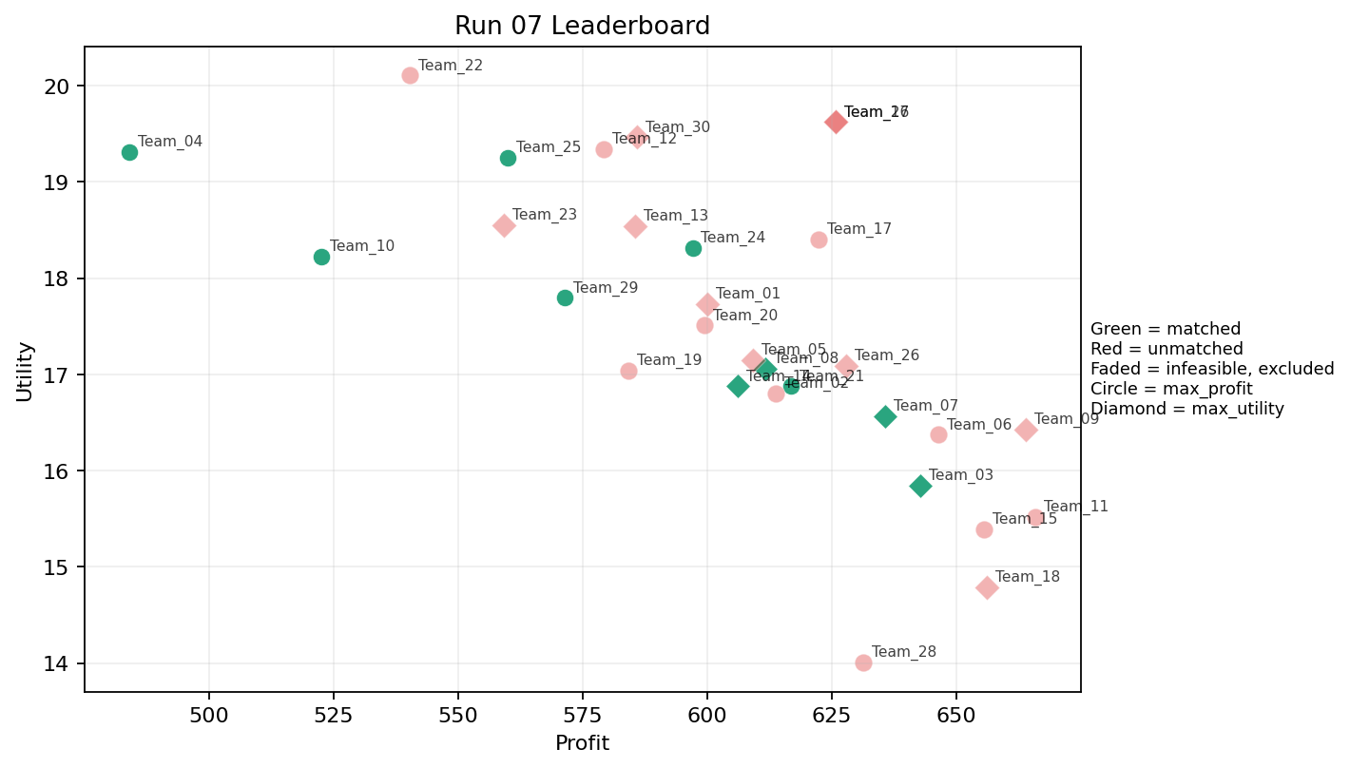
7 | 5 | Team_07 | Team_07 | max_utility | 4 | Q,J,G,O | TRUE | 635.72438158 | 16.567181981 | 2.1964142906 | 2.9644716803 | 2.0534452302 | 2.3085770413 | 3.5 | 7 | Team_24 | 8 | 8 | 0 | 49, 65, 9, 48, 67, 72, 17, 42
7 | 6 | Team_21 | Team_21 | max_profit | 5 | G,A,B,L,O | TRUE | 616.83958116 | 16.875572953 | 2.7415817305 | 2.6054180141 | 2.2895052354 | 1.5723328793 | 3.6 | 7 | Team_25 | 8 | 8 | 0 | 64, 30, 28, 8, 73, 57, 61, 41
7 | 7 | Team_15 | Team_15 | max_profit | 3 | I,L,Q | FALSE | 655.45781115 | 15.393444684 | 2.2834795848 | 3.3964174667 | 1.8067773606 | 2.0607641985 | 2 | 7 | Team_29 | 8 | 8 | 0 | 46, 44, 16, 50, 1, 23, 69, 32 | infeasible
7 | 8 | Team_11 | Team_11 | max_profit | 3 | I,F,H | FALSE | 665.81985038 | 15.521919502 | 1.2011090201 | 3.9587480093 | 1.6772518702 | 2.2777692172 | 4 | 0 | 2026-03-12T10:10:07 | FALSE | 0 |  | FALSE | infeasible
7 | 9 | Team_26 | Team_26 | max_utility | 7 | H,Q,D,C,I,G,E | FALSE | 627.86244002 | 17.087673371 | 2.1625553115 | 3.5184095418 | 2.1517194998 | 1.935092196 | 3.7142857143 | 0.28571428571 | 2026-03-12T10:10:08 | FALSE | 0 |  | FALSE | infeasible
7 | 10 | Team_24 | Team_24 | max_profit | 4 | R,F,P,O | TRUE | 597.06643859 | 18.311698745 | 2.2338350287 | 2.7146376706 | 2.5366695176 | 2.7365449621 | 4.25 | 0 | 2026-03-12T10:10:09 | TRUE | 8 | 17, 42, 48, 49, 65, 67, 72, 9 | TRUE
7 | 11 | Team_08 | Team_08 | max_utility | 8 | M,C,N,J,H,P,A,G | TRUE | 611.69238514 | 17.060373074 | 2.4453693518 | 2.8262918383 | 2.3538451857 | 2.4411142671 | 3.125 | 0.125 | 2026-03-12T10:10:10 | TRUE | 8 | 15, 34, 6, 66, 7, 71, 75, 79 | TRUE
7 | 12 | Team_01 | Team_01 | max_utility | 7 | A,G,E,C,M,D,F | FALSE | 600.05741754 | 17.732624043 | 2.2440050089 | 3.4751551397 | 2.4992822807 | 1.7850885845 | 3.7142857143 | 0.28571428571 | 2026-03-12T10:10:11 | FALSE | 0 |  | FALSE | infeasible
7 | 13 | Team_28 | Team_28 | max_profit | 1 | M | FALSE | 631.26347839 | 14.009755413 | 1.0136862922 | 4.3708073379 | 2.1092065202 | 1.6568680446 | 2 | 0 | 2026-03-12T10:10:12 | FALSE | 0 |  | FALSE | infeasible
7 | 14 | Team_19 | Team_19 | max_profit | 5 | L,B,D,M,A | FALSE | 584.23837152 | 17.037430436 | 3.025607417 | 2.6658569155 | 2.697020356 | 1.5454611135 | 2.4 | 0.4 | 2026-03-12T10:10:13 | FALSE | 0 |  | FALSE | infeasible
7 | 15 | Team_09 | Team_09 | max_utility | 3 | I,E,H | FALSE | 663.97835672 | 16.426838084 | 1.387181463 | 4.1199283076 | 1.700270541 | 2.3059764536 | 4 | 0.33333333333 | 2026-03-12T10:10:14 | FALSE | 0 |  | FALSE | infeasible
7 | 16 | Team_30 | Team_30 | max_utility | 8 | J,C,R,O,M,A,F,K | FALSE | 585.92495212 | 19.461759224 | 2.8940467193 | 3.4000565837 | 2.6759380985 | 2.4722795436 | 3.5 | 0.25 | 2026-03-12T10:10:15 | FALSE | 0 |  | FALSE | infeasible
7 | 17 | Team_18 | Team_18 | max_utility | 6 | I,D,O,M,G,K | FALSE | 656.04429885 | 14.789208825 | 2.1821935837 | 3.1507219836 | 1.7994462644 | 1.6087107842 | 3 | 0.16666666667 | 2026-03-12T10:10:16 | FALSE | 0 |  | FALSE | infeasible
7 | 18 | Team_29 | Team_29 | max_profit | 6 | E,M,F,N,J,G | TRUE | 571.49197084 | 17.793437748 | 2.2006040772 | 2.6964687425 | 2.8563503645 | 2.1760326879 | 3.5 | 0.16666666667 | 2026-03-12T10:10:17 | TRUE | 8 | 1, 16, 23, 32, 44, 46, 50, 69 | TRUE
7 | 19 | Team_27 | Team_27 | max_utility | 2 | C,L | FALSE | 625.75974381 | 19.622074501 | 4.0953416333 | 2.9996025714 | 2.1780032023 | 2.234578685 | 3.5 | 0.5 | 2026-03-12T10:10:18 | FALSE | 0 |  | FALSE | infeasible
7 | 20 | Team_20 | Team_20 | max_profit | 8 | Q,L,F,N,H,O,E,D | FALSE | 599.37955218 | 17.508908891 | 2.2885999666 | 3.2756499069 | 2.5077555978 | 1.7708512507 | 3.5 | 0.375 | 2026-03-12T10:10:19 | FALSE | 0 |  | FALSE | infeasible
7 | 21 | Team_23 | Team_23 | max_utility | 3 | N,P,C | FALSE | 559.19388763 | 18.550682869 | 3.0562123666 | 2.3178392191 | 3.0100764046 | 2.4635447465 | 3 | 0 | 2026-03-12T10:10:20 | FALSE | 0 |  | FALSE | infeasible
7 | 22 | Team_14 | Team_14 | max_utility | 7 | O,F,D,A,G,B,L | TRUE | 606.08338993 | 16.875096877 | 2.6350199123 | 2.6490355513 | 2.4239576258 | 1.5523322085 | 3.5714285714 | 0.28571428571 | 2026-03-12T10:10:21 | TRUE | 8 | 2, 25, 3, 36, 40, 55, 58, 60 | TRUE
7 | 23 | Team_16 | Team_16 | max_utility | 2 | L,C | FALSE | 625.75974381 | 19.622074501 | 4.0953416333 | 2.9996025714 | 2.1780032023 | 2.234578685 | 3.5 | 0.5 | 2026-03-12T10:10:22 | FALSE | 0 |  | FALSE | infeasible
7 | 24 | Team_17 | Team_17 | max_profit | 2 | G,C | FALSE | 622.35809312 | 18.40476363 | 2.9199303066 | 2.8487525882 | 2.220523836 | 1.9058427692 | 5 | 0 | 2026-03-12T10:10:23 | FALSE | 0 |  | FALSE | infeasible
7 | 25 | Team_02 | Team_02 | max_profit | 8 | N,C,F,I,A,P,H,M | FALSE | 613.71524502 | 16.804573352 | 2.0247641756 | 3.4464220451 | 2.3285594372 | 2.2279849843 | 3.125 | 0.125 | 2026-03-12T10:10:24 | FALSE | 0 |  | FALSE | infeasible
7 | 26 | Team_05 | Team_05 | max_utility | 8 | H,L,F,R,I,M,Q,D | FALSE | 609.16755478 | 17.150792882 | 2.3328803315 | 3.1837910934 | 2.3854055653 | 2.1541561464 | 3.125 | 0.25 | 2026-03-12T10:10:25 | FALSE | 0 |  | FALSE | infeasible
7 | 27 | Team_04 | Team_04 | max_profit | 2 | F,N | TRUE | 484.1272327 | 19.309101752 | 2.3623660523 | 2.4464013718 | 3.9484095913 | 1.6486121793 | 3.5 | 0 | 2026-03-12T10:10:26 | TRUE | 8 | 13, 20, 27, 5, 52, 53, 70, 80 | TRUE
7 | 28 | Team_25 | Team_25 | max_profit | 4 | P,N,C,E | TRUE | 560.05020741 | 19.251074143 | 2.7183578927 | 2.8310812488 | 2.9993724074 | 2.3674924366 | 3.5 | 0.25 | 2026-03-12T10:10:27 | TRUE | 8 | 28, 30, 41, 57, 61, 64, 73, 8 | TRUE
7 | 29 | Team_06 | Team_06 | max_profit | 6 | P,E,K,Q,O,I | FALSE | 646.37960202 | 16.373764222 | 1.9150110335 | 3.7447666808 | 1.9202549747 | 2.1912177082 | 3 | 0.5 | 2026-03-12T10:10:28 | FALSE | 0 |  | FALSE | infeasible
7 | 30 | Team_10 | Team_10 | max_profit | 4 | P,F,N,B | TRUE | 522.61868961 | 18.225860785 | 2.5589413062 | 1.9500891285 | 3.4672663799 | 2.0084027465 | 3.25 | 0 | 2026-03-12T10:10:29 | TRUE | 8 | 18, 22, 24, 26, 39, 54, 74, 78 | TRUE

Run 08
Run 08 Summary

run_no | market_capacity | solver | team_count | eligible_team_count | user_pool_count | infeasible_excluded_count | matched_user_count | unmatched_user_count | user_match_rate | feasible_submission_count | total_profit | total_utility | avg_profit | avg_utility | Team Product Assignments
8 | 8 | stable_gale_shapley | 30 | 6 | 85 | 24 | 48 | 37 | 0.5647 | 6 | 17984.899075 | 528.59029542 | 599.49663584 | 17.619676514 | run_no | team_product | assigned_count | capacity | remaining_capacity | assigned_users
 |  |  |  |  |  |  |  |  |  |  |  |  |  |  | 8 | Team_12 | 8 | 8 | 0 | 64, 30, 28, 18, 8, 39, 22, 57
Leaderboard Rows |  |  |  |  |  |  |  |  |  |  |  |  |  |  | 8 | Team_13 | 8 | 8 | 0 | 13, 53, 80, 52, 20, 70, 27, 5
run_no | submission_order | team | player_name | objective | num_suppliers | selected_suppliers | feasible | profit | utility | env_avg | social_avg | cost_avg | strategic_avg | improvement_avg | 8 | Team_15 | 8 | 8 | 0 | 73, 54, 24, 41, 26, 78, 74, 16 | excluded_reason
8 | 1 | Team_04 | Team_04 | max_profit | 6 | C,D,G,N,P,B | FALSE | 559.54824549 | 17.697633223 | 3.0866170478 | 1.8732479321 | 3.0056469313 | 1.8100883321 | 3.3333333333 | 8 | Team_17 | 8 | 8 | 0 | 21, 23, 7, 32, 1, 75, 34, 25 | infeasible
8 | 2 | Team_20 | Team_20 | max_profit | 4 | B,P,G,I | TRUE | 628.41169435 | 14.904400255 | 2.1162051586 | 1.9631054639 | 2.1448538206 | 2.113781046 | 3.25 | 8 | Team_18 | 8 | 8 | 0 | 61, 49, 65, 9, 48, 72, 42, 15
8 | 3 | Team_10 | Team_10 | max_utility | 5 | L,A,G,H,F | FALSE | 649.1942503 | 16.316907693 | 2.105441713 | 3.1167953524 | 1.8850718712 | 1.9804528124 | 3.8 | 8 | Team_20 | 8 | 8 | 0 | 17, 46, 67, 44, 66, 50, 36, 69 | infeasible
8 | 4 | Team_01 | Team_01 | max_utility | 3 | I,L,Q | FALSE | 655.45781115 | 15.393444684 | 2.2834795848 | 3.3964174667 | 1.8067773606 | 2.0607641985 | 2 | 0.66666666667 | 2026-03-12T10:20:03 | FALSE | 0 |  | FALSE | infeasible
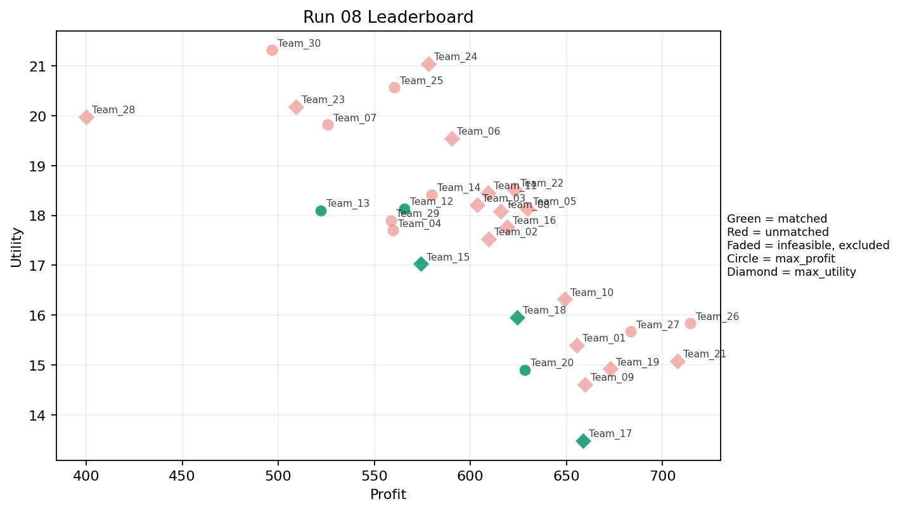
8 | 5 | Team_23 | Team_23 | max_utility | 5 | N,I,K,R,B | FALSE | 509.22161887 | 20.181879971 | 3.5584624503 | 2.1132691955 | 3.6347297641 | 2.0849741353 | 3 | 0.2 | 2026-03-12T10:20:04 | FALSE | 0 |  | FALSE | infeasible
8 | 6 | Team_06 | Team_06 | max_utility | 1 | J | FALSE | 590.24217599 | 19.544587839 | 4.0556171246 | 1.2176971968 | 2.6219728001 | 4.6270508184 | 2 | 0 | 2026-03-12T10:20:05 | FALSE | 0 |  | FALSE | infeasible
8 | 7 | Team_30 | Team_30 | max_profit | 4 | K,N,R,F | FALSE | 496.62617518 | 21.315691163 | 3.4085698065 | 2.3762656055 | 3.7921728103 | 2.258083307 | 3.5 | 0.25 | 2026-03-12T10:20:06 | FALSE | 0 |  | FALSE | infeasible
8 | 8 | Team_13 | Team_13 | max_profit | 2 | B,M | TRUE | 522.07828697 | 18.098676609 | 2.5346517084 | 2.8505935447 | 3.4740214129 | 1.3605495665 | 3 | 0 | 2026-03-12T10:20:07 | TRUE | 8 | 13, 20, 27, 5, 52, 53, 70, 80 | TRUE
8 | 9 | Team_18 | Team_18 | max_utility | 8 | B,F,G,O,D,K,I,P | TRUE | 624.42078193 | 15.956028674 | 2.3421356841 | 2.6660430971 | 2.1947402258 | 1.8408121357 | 3.375 | 0.125 | 2026-03-12T10:20:08 | TRUE | 8 | 15, 42, 48, 49, 61, 65, 72, 9 | TRUE
8 | 10 | Team_16 | Team_16 | max_utility | 6 | Q,E,H,A,J,G | FALSE | 619.24279239 | 17.764463244 | 2.1052090801 | 3.4332502328 | 2.2594650952 | 2.3944717611 | 3.5 | 0.5 | 2026-03-12T10:20:09 | FALSE | 0 |  | FALSE | infeasible
8 | 11 | Team_14 | Team_14 | max_profit | 3 | F,Q,A | FALSE | 579.90152106 | 18.419955812 | 1.7016228937 | 4.4002527097 | 2.7512309868 | 1.9146223145 | 3 | 0.66666666667 | 2026-03-12T10:20:10 | FALSE | 0 |  | FALSE | infeasible
8 | 12 | Team_02 | Team_02 | max_utility | 4 | C,D,G,A | FALSE | 609.59390749 | 17.532218177 | 2.9607442892 | 2.9243012149 | 2.3800761563 | 1.6911756856 | 3.5 | 0.25 | 2026-03-12T10:20:11 | FALSE | 0 |  | FALSE | infeasible
8 | 13 | Team_07 | Team_07 | max_profit | 6 | F,N,J,A,R,D | FALSE | 525.83530503 | 19.819806722 | 3.2728992949 | 2.1889170844 | 3.4270586871 | 2.4585243588 | 3 | 0.16666666667 | 2026-03-12T10:20:12 | FALSE | 0 |  | FALSE | infeasible
8 | 14 | Team_08 | Team_08 | max_utility | 6 | C,A,M,K,Q,O | FALSE | 615.71694932 | 18.081440186 | 2.4403463463 | 4.3358117492 | 2.3035381335 | 1.8481168614 | 3 | 0.5 | 2026-03-12T10:20:13 | FALSE | 0 |  | FALSE | infeasible
8 | 15 | Team_21 | Team_21 | max_utility | 1 | O | FALSE | 707.93916409 | 15.074957388 | 1.4794169799 | 4.3708073379 | 1.1507604488 | 1.4054567404 | 5 | 0 | 2026-03-12T10:20:14 | FALSE | 0 |  | FALSE | infeasible
8 | 16 | Team_29 | Team_29 | max_profit | 5 | M,B,J,D,F | FALSE | 558.55691473 | 17.897950887 | 2.772430255 | 2.4870086149 | 3.0180385659 | 2.0705622029 | 3 | 0 | 2026-03-12T10:20:15 | FALSE | 0 |  | FALSE | infeasible
8 | 17 | Team_12 | Team_12 | max_profit | 8 | Q,F,B,O,D,N,C,P | TRUE | 565.61792424 | 18.134471013 | 2.6233413156 | 2.8891934854 | 2.9297759469 | 1.8338832924 | 3.375 | 0.125 | 2026-03-12T10:20:16 | TRUE | 8 | 18, 22, 28, 30, 39, 57, 64, 8 | TRUE
8 | 18 | Team_17 | Team_17 | max_utility | 3 | P,D,G | TRUE | 658.71397067 | 13.481264919 | 2.2502880194 | 1.5109214008 | 1.7660753666 | 2.0259400678 | 3 | 0 | 2026-03-12T10:20:17 | TRUE | 8 | 1, 21, 23, 25, 32, 34, 7, 75 | TRUE
8 | 19 | Team_26 | Team_26 | max_profit | 1 | H | FALSE | 714.46195761 | 15.831736672 | 1.2077568748 | 4.3708073379 | 1.0692255299 | 2.5155736963 | 5 | 0 | 2026-03-12T10:20:18 | FALSE | 0 |  | FALSE | infeasible
8 | 20 | Team_22 | Team_22 | max_utility | 2 | L,E | FALSE | 622.99750332 | 18.511350739 | 2.8802057978 | 2.9996025714 | 2.2125312085 | 2.0662623686 | 3.5 | 1 | 2026-03-12T10:20:19 | FALSE | 0 |  | FALSE | infeasible
8 | 21 | Team_25 | Team_25 | max_profit | 4 | R,E,Q,O | FALSE | 560.3894309 | 20.569314955 | 2.3959925086 | 3.6769004767 | 2.9951321138 | 2.2911823065 | 4.25 | 0.5 | 2026-03-12T10:20:20 | FALSE | 0 |  | FALSE | infeasible
8 | 22 | Team_27 | Team_27 | max_profit | 1 | L | FALSE | 683.37583991 | 15.670453512 | 4.0556171246 | 1.628397805 | 1.4578020011 | 2.0531892304 | 2 | 1 | 2026-03-12T10:20:21 | FALSE | 0 |  | FALSE | infeasible
8 | 23 | Team_09 | Team_09 | max_utility | 5 | O,I,M,G,F | FALSE | 659.75455491 | 14.610913281 | 1.3186935857 | 3.5147498409 | 1.7530680636 | 1.7551552279 | 3.8 | 0 | 2026-03-12T10:20:22 | FALSE | 0 |  | FALSE | infeasible
8 | 24 | Team_03 | Team_03 | max_utility | 1 | A | FALSE | 603.41726775 | 18.209024291 | 2.4124629521 | 4.3708073379 | 2.4572841531 | 1.9430699386 | 2 | 1 | 2026-03-12T10:20:23 | FALSE | 0 |  | FALSE | infeasible
8 | 25 | Team_28 | Team_28 | max_utility | 1 | N | FALSE | 400.11081768 | 19.980711286 | 3.5781549622 | 1.0055363007 | 4.998614779 | 1.3025105611 | 2 | 0 | 2026-03-12T10:20:24 | FALSE | 0 |  | FALSE | infeasible
8 | 26 | Team_24 | Team_24 | max_utility | 3 | E,A,C | FALSE | 578.0600274 | 21.044989249 | 2.7507745218 | 4.3708073379 | 2.7742496575 | 2.1461245283 | 4 | 0.66666666667 | 2026-03-12T10:20:25 | FALSE | 0 |  | FALSE | infeasible
8 | 27 | Team_19 | Team_19 | max_utility | 2 | H,M | FALSE | 672.862718 | 14.920746043 | 1.1107215835 | 4.3708073379 | 1.589216025 | 2.0862208704 | 3.5 | 0 | 2026-03-12T10:20:26 | FALSE | 0 |  | FALSE | infeasible
8 | 28 | Team_15 | Team_15 | max_utility | 6 | B,L,N,I,A,M | TRUE | 574.31907418 | 17.025678654 | 2.7274219165 | 2.72068313 | 2.8210115727 | 1.7238148368 | 2.3333333333 | 0.33333333333 | 2026-03-12T10:20:27 | TRUE | 8 | 16, 24, 26, 41, 54, 73, 74, 78 | TRUE
8 | 29 | Team_11 | Team_11 | max_utility | 6 | B,H,O,C,L,Q | FALSE | 609.15955876 | 18.458631966 | 2.7465504721 | 3.5023139864 | 2.3855055154 | 1.8767503504 | 3.8333333333 | 0.33333333333 | 2026-03-12T10:20:28 | FALSE | 0 |  | FALSE | infeasible
8 | 30 | Team_05 | Team_05 | max_utility | 3 | J,K,L | FALSE | 629.67083539 | 18.14096632 | 4.0556171246 | 2.1450172657 | 2.1291145576 | 2.8471650489 | 2 | 0.66666666667 | 2026-03-12T10:20:29 | FALSE | 0 |  | FALSE | infeasible

Run 09
Run 09 Summary

run_no | market_capacity | solver | team_count | eligible_team_count | user_pool_count | infeasible_excluded_count | matched_user_count | unmatched_user_count | user_match_rate | feasible_submission_count | total_profit | total_utility | avg_profit | avg_utility | Team Product Assignments
9 | 8 | stable_gale_shapley | 30 | 5 | 85 | 25 | 40 | 45 | 0.4706 | 5 | 17819.572759 | 538.53942569 | 593.98575863 | 17.95131419 | run_no | team_product | assigned_count | capacity | remaining_capacity | assigned_users
 |  |  |  |  |  |  |  |  |  |  |  |  |  |  | 9 | Team_01 | 8 | 8 | 0 | 61, 65, 9, 15, 48, 67, 72, 17
Leaderboard Rows |  |  |  |  |  |  |  |  |  |  |  |  |  |  | 9 | Team_06 | 8 | 8 | 0 | 24, 26, 42, 46, 50, 36, 1, 69
run_no | submission_order | team | player_name | objective | num_suppliers | selected_suppliers | feasible | profit | utility | env_avg | social_avg | cost_avg | strategic_avg | improvement_avg | 9 | Team_13 | 8 | 8 | 0 | 5, 30, 18, 28, 8, 39, 22, 57 | excluded_reason
9 | 1 | Team_29 | Team_29 | max_utility | 8 | O,H,A,C,B,F,G,L | FALSE | 616.86839486 | 17.802598643 | 2.5246636014 | 3.2069963987 | 2.2891450643 | 1.8484900038 | 4.125 | 9 | Team_17 | 8 | 8 | 0 | 49, 73, 54, 41, 78, 74, 44, 16 | infeasible
9 | 2 | Team_01 | Team_01 | max_utility | 7 | A,C,J,G,P,K,H | TRUE | 639.65132505 | 17.385767929 | 2.7181043836 | 2.9747068376 | 2.0043584369 | 2.6329700898 | 3.2857142857 | 9 | Team_28 | 8 | 8 | 0 | 13, 53, 20, 80, 64, 27, 52, 70
9 | 3 | Team_06 | Team_06 | max_utility | 8 | D,B,I,L,G,M,R,H | TRUE | 603.31484711 | 16.947366186 | 2.7163810648 | 2.4121819432 | 2.4585644112 | 1.9865500817 | 3.375 | 0.125 | 2026-03-12T10:30:02 | TRUE | 8 | 1, 24, 26, 36, 42, 46, 50, 69 | TRUE
9 | 4 | Team_27 | Team_27 | max_utility | 3 | A,M,B | FALSE | 549.19128056 | 18.13545917 | 2.493922123 | 3.3573314757 | 3.135108993 | 1.5547230238 | 2.6666666667 | 0.33333333333 | 2026-03-12T10:30:03 | FALSE | 0 |  | FALSE | infeasible
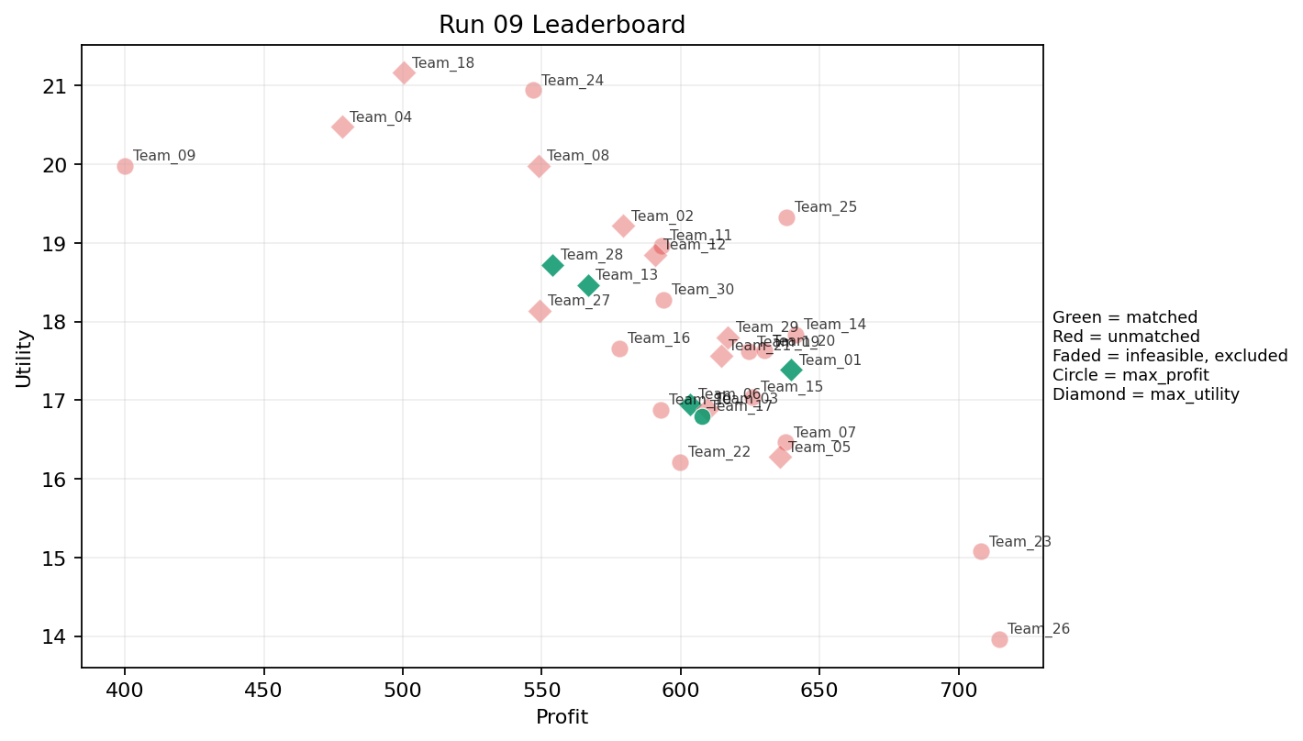
9 | 5 | Team_30 | Team_30 | max_profit | 8 | D,K,G,A,P,R,J,E | FALSE | 593.83384472 | 18.274277 | 2.9791607159 | 2.3880419692 | 2.5770769409 | 2.5577981671 | 3.125 | 0.375 | 2026-03-12T10:30:04 | FALSE | 0 |  | FALSE | infeasible
9 | 6 | Team_03 | Team_03 | max_utility | 4 | O,I,B,A | FALSE | 609.77586831 | 16.892027275 | 2.299122525 | 3.4225411686 | 2.3778016462 | 1.6839444813 | 3.25 | 0.25 | 2026-03-12T10:30:05 | FALSE | 0 |  | FALSE | infeasible
9 | 7 | Team_08 | Team_08 | max_utility | 7 | H,R,Q,B,J,D,E | FALSE | 548.77970923 | 19.982363701 | 3.0020282529 | 2.6977958857 | 3.1402536346 | 2.425153622 | 3.5714285714 | 0.28571428571 | 2026-03-12T10:30:06 | FALSE | 0 |  | FALSE | infeasible
9 | 8 | Team_21 | Team_21 | max_utility | 5 | M,K,R,O,I | FALSE | 614.46136473 | 17.565160713 | 2.5303286873 | 3.3944089202 | 2.3192329409 | 2.2240907624 | 3.2 | 0.2 | 2026-03-12T10:30:07 | FALSE | 0 |  | FALSE | infeasible
9 | 9 | Team_26 | Team_26 | max_profit | 2 | H,I | FALSE | 714.65795172 | 13.964133143 | 1.228374959 | 3.9944887925 | 1.0667756035 | 2.4192969271 | 3.5 | 0 | 2026-03-12T10:30:08 | FALSE | 0 |  | FALSE | infeasible
9 | 10 | Team_04 | Team_04 | max_utility | 3 | R,M,N | FALSE | 478.07668037 | 20.475723413 | 3.1485904171 | 2.1332155072 | 4.0240414954 | 2.2777441257 | 3 | 0 | 2026-03-12T10:30:09 | FALSE | 0 |  | FALSE | infeasible
9 | 11 | Team_18 | Team_18 | max_utility | 5 | R,F,N,Q,E | FALSE | 500.37460498 | 21.164101187 | 2.5658570318 | 3.0459194625 | 3.7453174378 | 2.2112993688 | 3.8 | 0.4 | 2026-03-12T10:30:10 | FALSE | 0 |  | FALSE | infeasible
9 | 12 | Team_02 | Team_02 | max_utility | 4 | F,J,C,D | FALSE | 579.19291185 | 19.216524176 | 3.2319785001 | 2.7761658307 | 2.7600886018 | 2.5119200053 | 3.5 | 0 | 2026-03-12T10:30:11 | FALSE | 0 |  | FALSE | infeasible
9 | 13 | Team_25 | Team_25 | max_profit | 2 | O,C | FALSE | 638.0414059 | 19.324326439 | 2.807241561 | 4.3708073379 | 2.0244824262 | 1.91071244 | 5 | 0 | 2026-03-12T10:30:12 | FALSE | 0 |  | FALSE | infeasible
9 | 14 | Team_24 | Team_24 | max_profit | 6 | E,R,F,D,J,C | FALSE | 547.0410932 | 20.942508035 | 3.2477730781 | 2.7497955906 | 3.161986335 | 2.6668115499 | 4 | 0.16666666667 | 2026-03-12T10:30:13 | FALSE | 0 |  | FALSE | infeasible
9 | 15 | Team_22 | Team_22 | max_profit | 2 | M,Q | FALSE | 599.70356305 | 16.21155317 | 1.2797574394 | 4.656745843 | 2.5037054619 | 1.731475626 | 2 | 0.5 | 2026-03-12T10:30:14 | FALSE | 0 |  | FALSE | infeasible
9 | 16 | Team_07 | Team_07 | max_profit | 3 | D,K,O | FALSE | 637.85861012 | 16.464378718 | 3.0418958986 | 3.1962188261 | 2.0267673735 | 1.4255530346 | 3 | 0.33333333333 | 2026-03-12T10:30:15 | FALSE | 0 |  | FALSE | infeasible
9 | 17 | Team_23 | Team_23 | max_profit | 1 | O | FALSE | 707.93916409 | 15.074957388 | 1.4794169799 | 4.3708073379 | 1.1507604488 | 1.4054567404 | 5 | 0 | 2026-03-12T10:30:16 | FALSE | 0 |  | FALSE | infeasible
9 | 18 | Team_11 | Team_11 | max_profit | 8 | F,E,M,I,R,J,O,C | FALSE | 593.25762144 | 18.965746184 | 2.454760149 | 3.4037082652 | 2.584279732 | 2.5470333721 | 3.875 | 0.125 | 2026-03-12T10:30:17 | FALSE | 0 |  | FALSE | infeasible
9 | 19 | Team_19 | Team_19 | max_profit | 8 | P,E,J,H,O,L,B,K | FALSE | 624.53163596 | 17.620885078 | 2.7587316025 | 2.8068784476 | 2.1933545506 | 2.4097809647 | 3.375 | 0.375 | 2026-03-12T10:30:18 | FALSE | 0 |  | FALSE | infeasible
9 | 20 | Team_13 | Team_13 | max_utility | 5 | N,J,A,G,E | TRUE | 566.59239333 | 18.46448063 | 2.6911647962 | 2.4583092023 | 2.9175950833 | 2.2695368448 | 3.2 | 0.4 | 2026-03-12T10:30:19 | TRUE | 8 | 18, 22, 28, 30, 39, 5, 57, 8 | TRUE
9 | 21 | Team_12 | Team_12 | max_utility | 6 | A,I,L,B,E,C | FALSE | 590.88382725 | 18.848258113 | 2.935425143 | 3.2815616362 | 2.6139521594 | 1.9798023436 | 3.3333333333 | 0.5 | 2026-03-12T10:30:20 | FALSE | 0 |  | FALSE | infeasible
9 | 22 | Team_14 | Team_14 | max_profit | 2 | I,C | FALSE | 641.49879677 | 17.835112552 | 2.6920295927 | 3.9944887925 | 1.9812650403 | 2.3694941487 | 3.5 | 0 | 2026-03-12T10:30:21 | FALSE | 0 |  | FALSE | infeasible
9 | 23 | Team_16 | Team_16 | max_profit | 5 | F,B,I,E,M | FALSE | 577.95466684 | 17.656724603 | 1.8339336147 | 3.5154862234 | 2.7755666645 | 1.823633719 | 3.6 | 0.2 | 2026-03-12T10:30:22 | FALSE | 0 |  | FALSE | infeasible
9 | 24 | Team_05 | Team_05 | max_utility | 5 | G,F,I,K,A | FALSE | 635.67637802 | 16.2773471 | 2.1136889467 | 3.3583797323 | 2.0540452748 | 1.9035552782 | 3.2 | 0.4 | 2026-03-12T10:30:23 | FALSE | 0 |  | FALSE | infeasible
9 | 25 | Team_10 | Team_10 | max_profit | 8 | B,A,E,N,P,O,I,M | FALSE | 592.80301669 | 16.876058199 | 2.1185677276 | 3.1268112087 | 2.5899622914 | 1.9308309471 | 3 | 0.25 | 2026-03-12T10:30:24 | FALSE | 0 |  | FALSE | infeasible
9 | 26 | Team_17 | Team_17 | max_profit | 4 | F,D,P,E | TRUE | 607.58304698 | 16.799425793 | 1.9743603001 | 2.8660350362 | 2.4052119127 | 2.1890380272 | 3.5 | 0.25 | 2026-03-12T10:30:25 | TRUE | 8 | 16, 41, 44, 49, 54, 73, 74, 78 | TRUE
9 | 27 | Team_15 | Team_15 | max_profit | 2 | Q,L | FALSE | 625.75974381 | 17.041902219 | 2.8007228556 | 3.2855410765 | 2.1780032023 | 1.9296362189 | 2 | 1 | 2026-03-12T10:30:26 | FALSE | 0 |  | FALSE | infeasible
9 | 28 | Team_28 | Team_28 | max_utility | 5 | F,P,R,B,G | TRUE | 553.95844487 | 18.719053433 | 2.6432669461 | 1.8289641869 | 3.0755194392 | 2.4001343191 | 4.2 | 0 | 2026-03-12T10:30:27 | TRUE | 8 | 13, 20, 27, 52, 53, 64, 70, 80 | TRUE
9 | 29 | Team_20 | Team_20 | max_profit | 4 | F,O,C,G | FALSE | 630.19974951 | 17.630494216 | 2.1164636838 | 3.4888947393 | 2.1225031311 | 1.8029640191 | 5 | 0 | 2026-03-12T10:30:28 | FALSE | 0 |  | FALSE | infeasible
9 | 30 | Team_09 | Team_09 | max_profit | 1 | N | FALSE | 400.11081768 | 19.980711286 | 3.5781549622 | 1.0055363007 | 4.998614779 | 1.3025105611 | 2 | 0 | 2026-03-12T10:30:29 | FALSE | 0 |  | FALSE | infeasible

Run 10
Run 10 Summary

run_no | market_capacity | solver | team_count | eligible_team_count | user_pool_count | infeasible_excluded_count | matched_user_count | unmatched_user_count | user_match_rate | feasible_submission_count | total_profit | total_utility | avg_profit | avg_utility | Team Product Assignments
10 | 8 | stable_gale_shapley | 30 | 7 | 85 | 23 | 56 | 29 | 0.6588 | 7 | 18159.16356 | 526.34628354 | 605.305452 | 17.544876118 | run_no | team_product | assigned_count | capacity | remaining_capacity | assigned_users
 |  |  |  |  |  |  |  |  |  |  |  |  |  |  | 10 | Team_03 | 8 | 8 | 0 | 66, 7, 36, 69, 77, 12, 32, 38
Leaderboard Rows |  |  |  |  |  |  |  |  |  |  |  |  |  |  | 10 | Team_07 | 8 | 8 | 0 | 5, 30, 18, 57, 22, 41, 24, 9
run_no | submission_order | team | player_name | objective | num_suppliers | selected_suppliers | feasible | profit | utility | env_avg | social_avg | cost_avg | strategic_avg | improvement_avg | 10 | Team_11 | 8 | 8 | 0 | 28, 8, 61, 49, 39, 73, 54, 65 | excluded_reason
10 | 1 | Team_22 | Team_22 | max_utility | 7 | C,R,O,P,E,B,F | TRUE | 561.70309491 | 20.051476606 | 2.6901168361 | 2.9900778728 | 2.9787113137 | 2.3579592262 | 4.4285714286 | 10 | Team_16 | 8 | 8 | 0 | 15, 17, 44, 48, 72, 67, 46, 42
10 | 2 | Team_08 | Team_08 | max_profit | 6 | I,L,K,J,N,D | FALSE | 599.03657428 | 16.935076836 | 3.4307754951 | 2.1146084483 | 2.5120428215 | 2.1961621885 | 2 | 10 | Team_21 | 8 | 8 | 0 | 26, 78, 74, 16, 50, 1, 23, 21 | infeasible
10 | 3 | Team_29 | Team_29 | max_profit | 6 | N,M,H,L,K,J | FALSE | 605.80812664 | 17.374183722 | 2.9944082505 | 2.6970337956 | 2.427398417 | 2.3360745748 | 2.5 | 10 | Team_22 | 8 | 8 | 0 | 13, 53, 64, 20, 80, 52, 70, 27 | infeasible
10 | 4 | Team_11 | Team_11 | max_utility | 4 | G,H,B,A | TRUE | 601.83621486 | 17.366047634 | 2.3451578557 | 2.8496730664 | 2.4770473143 | 1.7296480305 | 4 | 10 | Team_25 | 8 | 8 | 0 | 75, 71, 6, 62, 34, 60, 56, 45
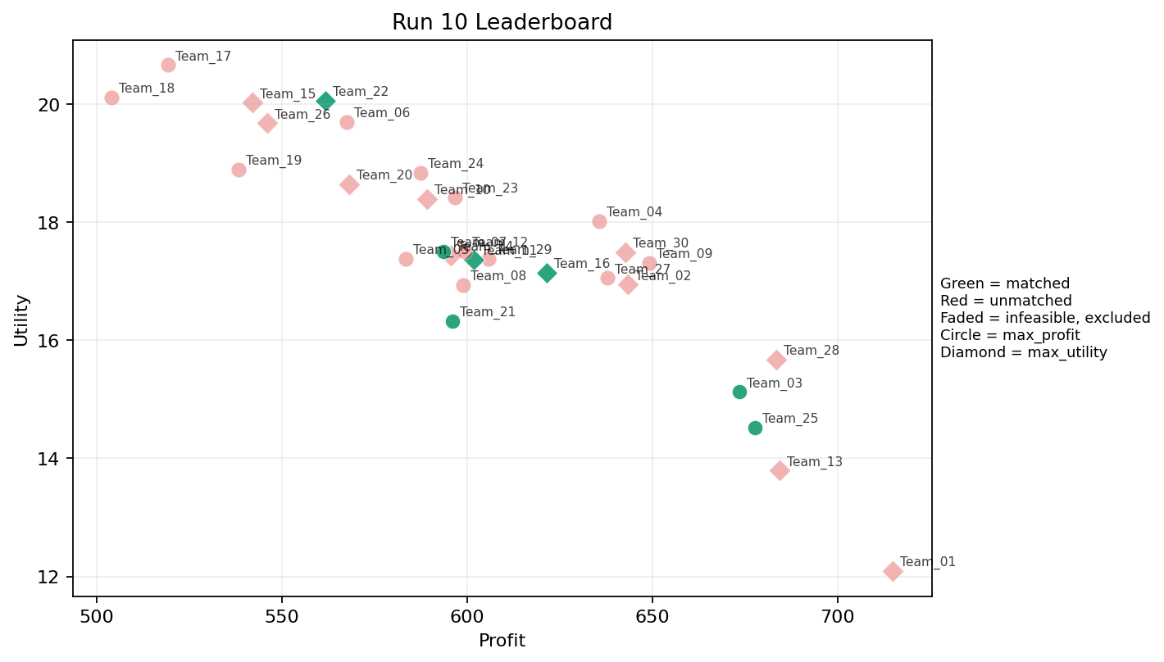
10 | 5 | Team_05 | Team_05 | max_profit | 4 | I,N,A,K | FALSE | 583.44413038 | 17.3735307 | 2.8238070206 | 3.1458676702 | 2.7069483702 | 1.8574639388 | 2 | 0.5 | 2026-03-12T10:40:04 | FALSE | 0 |  | FALSE | infeasible
10 | 6 | Team_21 | Team_21 | max_profit | 7 | O,I,B,M,H,N,D | TRUE | 595.96637645 | 16.327372762 | 2.3106112669 | 2.9564858083 | 2.5504202944 | 1.6110867934 | 3.1428571429 | 0 | 2026-03-12T10:40:05 | TRUE | 8 | 1, 16, 21, 23, 26, 50, 74, 78 | TRUE
10 | 7 | Team_17 | Team_17 | max_profit | 6 | C,N,A,B,F,E | FALSE | 519.22127386 | 20.656794843 | 2.8387787991 | 3.2226007515 | 3.5097340768 | 1.7999715053 | 3.8333333333 | 0.33333333333 | 2026-03-12T10:40:06 | FALSE | 0 |  | FALSE | infeasible
10 | 8 | Team_24 | Team_24 | max_profit | 6 | J,C,H,N,Q,L | FALSE | 587.41301444 | 18.835755954 | 3.0963401358 | 2.9226550544 | 2.6573373195 | 2.4533959422 | 3 | 0.33333333333 | 2026-03-12T10:40:07 | FALSE | 0 |  | FALSE | infeasible
10 | 9 | Team_19 | Team_19 | max_profit | 6 | B,J,P,I,N,R | FALSE | 538.38049627 | 18.890628653 | 3.2079547079 | 1.6287100663 | 3.2702437967 | 2.8104703227 | 2.8333333333 | 0 | 2026-03-12T10:40:08 | FALSE | 0 |  | FALSE | infeasible
10 | 10 | Team_27 | Team_27 | max_profit | 6 | F,J,O,H,M,K | FALSE | 637.90748568 | 17.051064523 | 2.1597785897 | 3.6343904081 | 2.026156429 | 2.3434863659 | 3.5 | 0.16666666667 | 2026-03-12T10:40:09 | FALSE | 0 |  | FALSE | infeasible
10 | 11 | Team_25 | Team_25 | max_profit | 4 | L,I,A,P | TRUE | 677.74356275 | 14.518412312 | 2.2931222789 | 2.7986373522 | 1.5282054656 | 2.4978587165 | 2 | 0.5 | 2026-03-12T10:40:10 | TRUE | 8 | 34, 45, 56, 6, 60, 62, 71, 75 | TRUE
10 | 12 | Team_06 | Team_06 | max_profit | 3 | R,J,P | FALSE | 567.47503951 | 19.692977737 | 3.4549877057 | 1.2727246995 | 2.9065620061 | 4.0576867097 | 3 | 0 | 2026-03-12T10:40:11 | FALSE | 0 |  | FALSE | infeasible
10 | 13 | Team_30 | Team_30 | max_utility | 3 | C,G,L | FALSE | 642.69734205 | 17.493326924 | 3.2984925792 | 2.4419676604 | 1.9662832244 | 1.9549582563 | 4 | 0.33333333333 | 2026-03-12T10:40:12 | FALSE | 0 |  | FALSE | infeasible
10 | 14 | Team_15 | Team_15 | max_utility | 4 | K,E,J,N | FALSE | 542.09166267 | 20.021351174 | 3.3485459206 | 2.5457494077 | 3.2238542167 | 2.467537996 | 2.75 | 0.5 | 2026-03-12T10:40:13 | FALSE | 0 |  | FALSE | infeasible
10 | 15 | Team_26 | Team_26 | max_utility | 7 | M,R,C,Q,L,F,N | FALSE | 546.0052606 | 19.674594627 | 2.9041228924 | 3.0326860651 | 3.1749342426 | 2.1575981074 | 3.2857142857 | 0.28571428571 | 2026-03-12T10:40:14 | FALSE | 0 |  | FALSE | infeasible
10 | 16 | Team_02 | Team_02 | max_utility | 2 | L,A | FALSE | 643.39655383 | 16.939738902 | 3.2340400384 | 2.9996025714 | 1.9575430771 | 1.9981295845 | 2 | 1 | 2026-03-12T10:40:15 | FALSE | 0 |  | FALSE | infeasible
10 | 17 | Team_16 | Team_16 | max_utility | 7 | P,A,K,I,D,H,R | TRUE | 621.50754 | 17.141402102 | 2.6892613684 | 2.8825872807 | 2.23115575 | 2.4569822095 | 2.8571428571 | 0.28571428571 | 2026-03-12T10:40:16 | TRUE | 8 | 15, 17, 42, 44, 46, 48, 67, 72 | TRUE
10 | 18 | Team_14 | Team_14 | max_utility | 7 | N,H,M,K,Q,E,G | FALSE | 595.50944241 | 17.433070234 | 2.1158046832 | 3.425185328 | 2.5561319698 | 1.8024776447 | 3.2857142857 | 0.42857142857 | 2026-03-12T10:40:17 | FALSE | 0 |  | FALSE | infeasible
10 | 19 | Team_04 | Team_04 | max_profit | 5 | A,G,C,H,K | FALSE | 635.59798037 | 18.011629166 | 2.7031395129 | 3.6056153295 | 2.0550252454 | 2.0263168542 | 3.8 | 0.4 | 2026-03-12T10:40:18 | FALSE | 0 |  | FALSE | infeasible
10 | 20 | Team_10 | Team_10 | max_utility | 8 | K,H,C,N,A,F,Q,G | FALSE | 589.29850187 | 18.386212533 | 2.473282282 | 3.4829454674 | 2.6337687266 | 1.9043614796 | 3.5 | 0.375 | 2026-03-12T10:40:19 | FALSE | 0 |  | FALSE | infeasible
10 | 21 | Team_07 | Team_07 | max_profit | 4 | E,J,D,M | TRUE | 593.59174927 | 17.504228094 | 2.5911878698 | 2.8970510544 | 2.5801031341 | 2.3433004088 | 2.75 | 0.25 | 2026-03-12T10:40:20 | TRUE | 8 | 18, 22, 24, 30, 41, 5, 57, 9 | TRUE
10 | 22 | Team_18 | Team_18 | max_profit | 5 | R,B,D,H,N | FALSE | 504.11275837 | 20.109414092 | 3.45722251 | 1.8717837236 | 3.6985905203 | 1.9532232766 | 3.6 | 0 | 2026-03-12T10:40:21 | FALSE | 0 |  | FALSE | infeasible
10 | 23 | Team_28 | Team_28 | max_utility | 1 | L | FALSE | 683.37583991 | 15.670453512 | 4.0556171246 | 1.628397805 | 1.4578020011 | 2.0531892304 | 2 | 1 | 2026-03-12T10:40:22 | FALSE | 0 |  | FALSE | infeasible
10 | 24 | Team_09 | Team_09 | max_profit | 2 | O,J | FALSE | 649.09067004 | 17.309772613 | 2.7675170523 | 2.7942522674 | 1.8863666245 | 3.0162537794 | 3.5 | 0 | 2026-03-12T10:40:23 | FALSE | 0 |  | FALSE | infeasible
10 | 25 | Team_01 | Team_01 | max_utility | 1 | I | FALSE | 714.85394583 | 12.096529614 | 1.2489930433 | 3.618170247 | 1.0643256771 | 2.3230201579 | 2 | 0 | 2026-03-12T10:40:24 | FALSE | 0 |  | FALSE | infeasible
10 | 26 | Team_20 | Team_20 | max_utility | 1 | F | FALSE | 568.14364772 | 18.637492218 | 1.1465771424 | 3.887266443 | 2.8982044036 | 1.9947137976 | 5 | 0 | 2026-03-12T10:40:25 | FALSE | 0 |  | FALSE | infeasible
10 | 27 | Team_13 | Team_13 | max_utility | 4 | H,G,M,I | FALSE | 684.28798009 | 13.793463367 | 1.2938076703 | 3.4216206903 | 1.4464002489 | 1.9727948244 | 3.5 | 0 | 2026-03-12T10:40:26 | FALSE | 0 |  | FALSE | infeasible
10 | 28 | Team_23 | Team_23 | max_profit | 5 | H,O,F,R,D | FALSE | 596.72853809 | 18.418242195 | 2.4556669171 | 3.0562152694 | 2.5408932739 | 2.1599090543 | 4.4 | 0 | 2026-03-12T10:40:27 | FALSE | 0 |  | FALSE | infeasible
10 | 29 | Team_12 | Team_12 | max_profit | 6 | D,I,O,K,N,C | FALSE | 599.4473736 | 17.507345424 | 3.0146503072 | 3.0971950607 | 2.50690783 | 1.7196929937 | 3 | 0.16666666667 | 2026-03-12T10:40:28 | FALSE | 0 |  | FALSE | infeasible
10 | 30 | Team_03 | Team_03 | max_profit | 5 | O,L,P,J,G | TRUE | 673.4913832 | 15.124694468 | 2.5501723392 | 2.0241548394 | 1.5813577099 | 2.6307139454 | 3.2 | 0.2 | 2026-03-12T10:40:29 | TRUE | 8 | 12, 32, 36, 38, 66, 69, 7, 77 | TRUE

Run 11
Run 11 Summary

run_no | market_capacity | solver | team_count | eligible_team_count | user_pool_count | infeasible_excluded_count | matched_user_count | unmatched_user_count | user_match_rate | feasible_submission_count | total_profit | total_utility | avg_profit | avg_utility | Team Product Assignments
11 | 8 | stable_gale_shapley | 30 | 7 | 85 | 23 | 56 | 29 | 0.6588 | 7 | 18000.017376 | 528.22553552 | 600.0005792 | 17.607517851 | run_no | team_product | assigned_count | capacity | remaining_capacity | assigned_users
 |  |  |  |  |  |  |  |  |  |  |  |  |  |  | 11 | Team_09 | 8 | 8 | 0 | 13, 20, 27, 80, 64, 53, 70, 52
Leaderboard Rows |  |  |  |  |  |  |  |  |  |  |  |  |  |  | 11 | Team_10 | 8 | 8 | 0 | 65, 9, 67, 44, 17, 21, 1, 23
run_no | submission_order | team | player_name | objective | num_suppliers | selected_suppliers | feasible | profit | utility | env_avg | social_avg | cost_avg | strategic_avg | improvement_avg | 11 | Team_12 | 8 | 8 | 0 | 5, 28, 30, 8, 18, 61, 39, 49 | excluded_reason
11 | 1 | Team_25 | Team_25 | max_utility | 8 | B,L,D,I,P,C,O,E | TRUE | 618.67427917 | 17.145430596 | 2.7156968091 | 2.8619295226 | 2.2665715104 | 2.0029129585 | 3.375 | 11 | Team_21 | 8 | 8 | 0 | 22, 57, 73, 54, 41, 24, 78, 26
11 | 2 | Team_21 | Team_21 | max_utility | 7 | Q,G,F,L,N,M,J | TRUE | 588.26459227 | 17.070311852 | 2.4428965291 | 2.6255838957 | 2.6466925966 | 2.1194475798 | 2.8571428571 | 11 | Team_25 | 8 | 8 | 0 | 48, 72, 15, 42, 74, 16, 46, 50
11 | 3 | Team_01 | Team_01 | max_utility | 8 | C,O,Q,G,N,K,B,H | FALSE | 582.95741989 | 18.438217368 | 2.7202815332 | 3.1633346309 | 2.7130322513 | 1.7208494912 | 3.75 | 11 | Team_26 | 8 | 8 | 0 | 36, 34, 60, 79, 62, 25, 38, 12 | infeasible
11 | 4 | Team_02 | Team_02 | max_utility | 4 | D,R,F,L | FALSE | 561.15435217 | 19.213742607 | 3.4116944638 | 2.041964869 | 2.9855705979 | 2.2329260163 | 3.5 | 11 | Team_29 | 8 | 8 | 0 | 66, 7, 75, 69, 6, 32, 71, 77 | infeasible
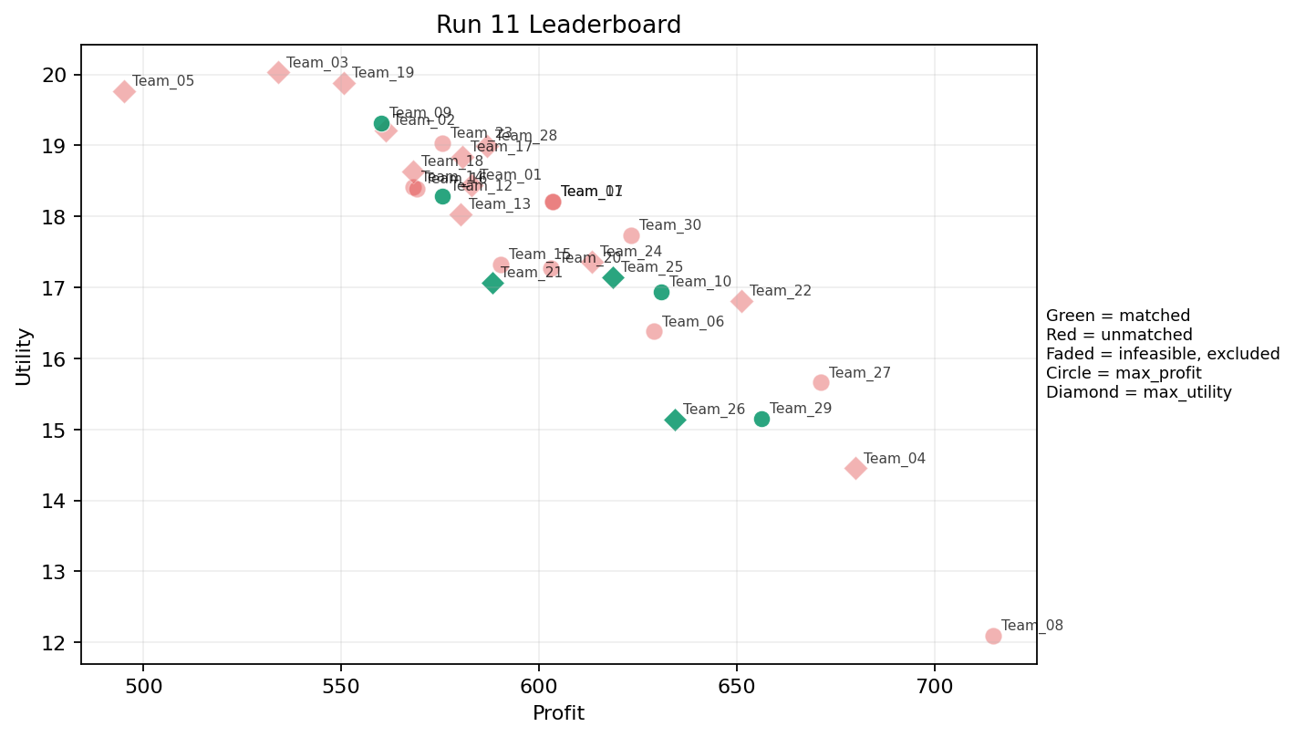
11 | 5 | Team_20 | Team_20 | max_profit | 8 | Q,A,L,I,N,G,E,K | FALSE | 603.0609643 | 17.270750872 | 2.538282842 | 3.1065072513 | 2.4617379462 | 1.8455226373 | 2.75 | 0.625 | 2026-03-12T10:50:04 | FALSE | 0 |  | FALSE | infeasible
11 | 6 | Team_27 | Team_27 | max_profit | 3 | K,L,I | FALSE | 671.208092 | 15.658280245 | 3.1200757642 | 2.9451749491 | 1.6098988499 | 2.0791548287 | 2 | 0.66666666667 | 2026-03-12T10:50:05 | FALSE | 0 |  | FALSE | infeasible
11 | 7 | Team_14 | Team_14 | max_profit | 1 | Q | FALSE | 568.14364772 | 18.413350927 | 1.5458285866 | 4.9426843481 | 2.8982044036 | 1.8060832073 | 2 | 1 | 2026-03-12T10:50:06 | FALSE | 0 |  | FALSE | infeasible
11 | 8 | Team_11 | Team_11 | max_profit | 1 | A | FALSE | 603.41726775 | 18.209024291 | 2.4124629521 | 4.3708073379 | 2.4572841531 | 1.9430699386 | 2 | 1 | 2026-03-12T10:50:07 | FALSE | 0 |  | FALSE | infeasible
11 | 9 | Team_22 | Team_22 | max_utility | 3 | G,H,E | FALSE | 651.21788762 | 16.806605469 | 1.5391152723 | 3.3561041714 | 1.8597764048 | 1.996875534 | 5 | 0.33333333333 | 2026-03-12T10:50:08 | FALSE | 0 |  | FALSE | infeasible
11 | 10 | Team_12 | Team_12 | max_profit | 7 | M,B,R,H,I,D,E | TRUE | 575.59850931 | 18.28927031 | 2.5250616277 | 2.9590238915 | 2.8050186337 | 2.074689933 | 3.5714285714 | 0.14285714286 | 2026-03-12T10:50:09 | TRUE | 8 | 18, 28, 30, 39, 49, 5, 61, 8 | TRUE
11 | 11 | Team_26 | Team_26 | max_utility | 3 | P,D,A | TRUE | 634.32888041 | 15.13899576 | 2.4861775131 | 2.5256245673 | 2.0708889948 | 2.2083909144 | 2 | 0.33333333333 | 2026-03-12T10:50:10 | TRUE | 8 | 12, 25, 34, 36, 38, 60, 62, 79 | TRUE
11 | 12 | Team_09 | Team_09 | max_profit | 3 | P,R,Q | TRUE | 560.10886342 | 19.315898766 | 2.6183915264 | 2.5143870833 | 2.9986392072 | 3.1173641726 | 3 | 0.33333333333 | 2026-03-12T10:50:11 | TRUE | 8 | 13, 20, 27, 52, 53, 64, 70, 80 | TRUE
11 | 13 | Team_15 | Team_15 | max_profit | 2 | D,J | FALSE | 590.24217599 | 17.327454498 | 3.823135358 | 1.423294771 | 2.6219728001 | 2.818499042 | 2 | 0 | 2026-03-12T10:50:12 | FALSE | 0 |  | FALSE | infeasible
11 | 14 | Team_28 | Team_28 | max_utility | 6 | O,G,R,E,F,A | FALSE | 586.92458831 | 18.991042862 | 2.2169960022 | 3.2249481963 | 2.6634426461 | 2.115357859 | 4.5 | 0.33333333333 | 2026-03-12T10:50:13 | FALSE | 0 |  | FALSE | infeasible
11 | 15 | Team_13 | Team_13 | max_utility | 6 | E,G,N,J,Q,L | FALSE | 580.17736442 | 18.032863883 | 2.7741344567 | 2.4153034712 | 2.7477829447 | 2.2106477872 | 3 | 0.5 | 2026-03-12T10:50:14 | FALSE | 0 |  | FALSE | infeasible
11 | 16 | Team_07 | Team_07 | max_profit | 1 | A | FALSE | 603.41726775 | 18.209024291 | 2.4124629521 | 4.3708073379 | 2.4572841531 | 1.9430699386 | 2 | 1 | 2026-03-12T10:50:15 | FALSE | 0 |  | FALSE | infeasible
11 | 17 | Team_16 | Team_16 | max_profit | 8 | Q,A,D,F,M,K,E,B | FALSE | 569.01462126 | 18.390955923 | 2.4406546606 | 3.5613252121 | 2.8873172342 | 1.6769379933 | 3 | 0.5 | 2026-03-12T10:50:16 | FALSE | 0 |  | FALSE | infeasible
11 | 18 | Team_04 | Team_04 | max_utility | 2 | L,G | FALSE | 679.97418922 | 14.453142641 | 2.8802057978 | 1.4775478217 | 1.5003226348 | 1.7244533147 | 3.5 | 0.5 | 2026-03-12T10:50:17 | FALSE | 0 |  | FALSE | infeasible
11 | 19 | Team_03 | Team_03 | max_utility | 3 | R,M,F | FALSE | 534.08762372 | 20.027983724 | 2.3380644771 | 3.0937922213 | 3.3239047035 | 2.5084785379 | 4 | 0 | 2026-03-12T10:50:18 | FALSE | 0 |  | FALSE | infeasible
11 | 20 | Team_23 | Team_23 | max_profit | 3 | D,Q,C | FALSE | 575.50982381 | 19.032455858 | 3.0905161067 | 3.6474613437 | 2.8061272024 | 1.7439995375 | 3 | 0.33333333333 | 2026-03-12T10:50:19 | FALSE | 0 |  | FALSE | infeasible
11 | 21 | Team_30 | Team_30 | max_profit | 7 | J,O,L,G,Q,C,F | FALSE | 623.22295167 | 17.73576702 | 2.5889882245 | 3.106336901 | 2.2097131042 | 2.2425970475 | 3.7142857143 | 0.28571428571 | 2026-03-12T10:50:20 | FALSE | 0 |  | FALSE | infeasible
11 | 22 | Team_17 | Team_17 | max_utility | 3 | R,O,M | FALSE | 580.68612918 | 18.840472114 | 2.4490110896 | 3.2549725196 | 2.7414233853 | 2.3120595188 | 4 | 0 | 2026-03-12T10:50:21 | FALSE | 0 |  | FALSE | infeasible
11 | 23 | Team_06 | Team_06 | max_profit | 8 | G,A,M,F,E,Q,I,O | FALSE | 629.11910709 | 16.378648698 | 1.5320692423 | 3.9072560285 | 2.1360111613 | 1.825533099 | 3.5 | 0.375 | 2026-03-12T10:50:22 | FALSE | 0 |  | FALSE | infeasible
11 | 24 | Team_19 | Team_19 | max_utility | 6 | N,A,R,K,H,F | FALSE | 550.73065434 | 19.883920936 | 2.8757498422 | 3.0411128496 | 3.1158668207 | 2.2484961438 | 3.5 | 0.33333333333 | 2026-03-12T10:50:23 | FALSE | 0 |  | FALSE | infeasible
11 | 25 | Team_18 | Team_18 | max_utility | 1 | F | FALSE | 568.14364772 | 18.637492218 | 1.1465771424 | 3.887266443 | 2.8982044036 | 1.9947137976 | 5 | 0 | 2026-03-12T10:50:24 | FALSE | 0 |  | FALSE | infeasible
11 | 26 | Team_29 | Team_29 | max_profit | 2 | A,P | TRUE | 656.37223263 | 15.153333061 | 1.9339394739 | 2.9739906783 | 1.7953470922 | 2.8076127388 | 2 | 0.5 | 2026-03-12T10:50:25 | TRUE | 8 | 32, 6, 66, 69, 7, 71, 75, 77 | TRUE
11 | 27 | Team_05 | Team_05 | max_utility | 2 | N,J | FALSE | 495.17649683 | 19.762649562 | 3.8168860434 | 1.1116167488 | 3.8102937896 | 2.9647806897 | 2 | 0 | 2026-03-12T10:50:26 | FALSE | 0 |  | FALSE | infeasible
11 | 28 | Team_24 | Team_24 | max_utility | 3 | F,P,E | FALSE | 613.36333732 | 17.362460672 | 1.4355958697 | 3.2784159332 | 2.3329582836 | 2.5820682811 | 4 | 0.33333333333 | 2026-03-12T10:50:27 | FALSE | 0 |  | FALSE | infeasible
11 | 29 | Team_08 | Team_08 | max_profit | 1 | I | FALSE | 714.85394583 | 12.096529614 | 1.2489930433 | 3.618170247 | 1.0643256771 | 2.3230201579 | 2 | 0 | 2026-03-12T10:50:28 | FALSE | 0 |  | FALSE | infeasible
11 | 30 | Team_10 | Team_10 | max_profit | 4 | E,L,F,P | TRUE | 630.86646296 | 16.939458882 | 2.0906011834 | 2.8659114012 | 2.1141692129 | 2.4498485184 | 3.5 | 0.5 | 2026-03-12T10:50:29 | TRUE | 8 | 1, 17, 21, 23, 44, 65, 67, 9 | TRUE

Run 12
Run 12 Summary

run_no | market_capacity | solver | team_count | eligible_team_count | user_pool_count | infeasible_excluded_count | matched_user_count | unmatched_user_count | user_match_rate | feasible_submission_count | total_profit | total_utility | avg_profit | avg_utility | Team Product Assignments
12 | 8 | stable_gale_shapley | 30 | 4 | 85 | 26 | 32 | 53 | 0.3765 | 4 | 17844.269804 | 534.76997027 | 594.80899345 | 17.825665676 | run_no | team_product | assigned_count | capacity | remaining_capacity | assigned_users
 |  |  |  |  |  |  |  |  |  |  |  |  |  |  | 12 | Team_04 | 8 | 8 | 0 | 15, 41, 22, 67, 44, 24, 17, 21
Leaderboard Rows |  |  |  |  |  |  |  |  |  |  |  |  |  |  | 12 | Team_06 | 8 | 8 | 0 | 5, 30, 28, 8, 18, 57, 61, 73
run_no | submission_order | team | player_name | objective | num_suppliers | selected_suppliers | feasible | profit | utility | env_avg | social_avg | cost_avg | strategic_avg | improvement_avg | 12 | Team_07 | 8 | 8 | 0 | 49, 65, 39, 48, 9, 72, 54, 26 | excluded_reason
12 | 1 | Team_15 | Team_15 | max_utility | 3 | P,F,M | FALSE | 636.24477453 | 14.914963154 | 1.2052264767 | 3.2784159332 | 2.0469403183 | 2.4412457937 | 3 | 12 | Team_14 | 8 | 8 | 0 | 13, 53, 64, 20, 80, 52, 27, 70 | infeasible
12 | 2 | Team_19 | Team_19 | max_profit | 8 | M,D,H,E,C,F,Q,B | FALSE | 576.98885218 | 18.639524706 | 2.2999975281 | 3.6590565299 | 2.7876393478 | 1.8178400932 | 3.75 | 0.25 | 2026-03-12T11:00:01 | FALSE | 0 |  | FALSE | infeasible
12 | 3 | Team_21 | Team_21 | max_utility | 6 | A,O,Q,D,J,L | FALSE | 623.89337858 | 17.003782519 | 2.8565993932 | 3.0265477285 | 2.2013327678 | 2.1407995334 | 2.5 | 0.5 | 2026-03-12T11:00:02 | FALSE | 0 |  | FALSE | infeasible
12 | 4 | Team_27 | Team_27 | max_utility | 7 | F,P,L,I,O,Q,B | FALSE | 623.52521976 | 16.311146185 | 2.141066571 | 3.0506971359 | 2.205934753 | 2.0455499659 | 3.1428571429 | 0.28571428571 | 2026-03-12T11:00:03 | FALSE | 0 |  | FALSE | infeasible
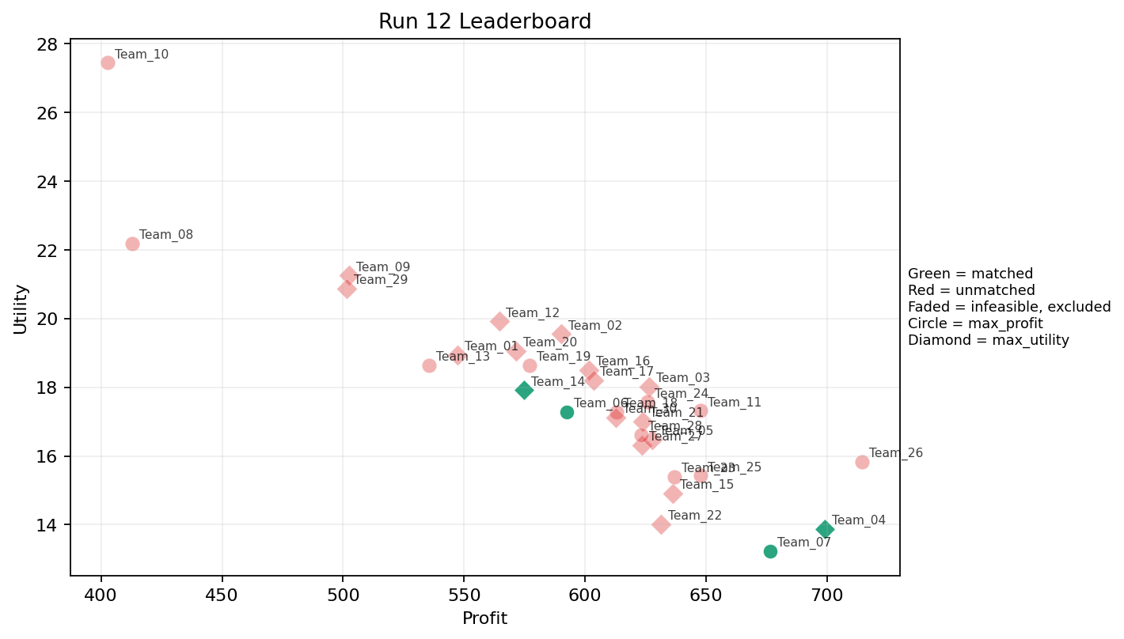
12 | 5 | Team_22 | Team_22 | max_utility | 1 | M | FALSE | 631.26347839 | 14.009755413 | 1.0136862922 | 4.3708073379 | 2.1092065202 | 1.6568680446 | 2 | 0 | 2026-03-12T11:00:04 | FALSE | 0 |  | FALSE | infeasible
12 | 6 | Team_14 | Team_14 | max_utility | 8 | O,L,F,J,M,B,N,A | TRUE | 574.67318588 | 17.914322469 | 2.7246437128 | 2.7727124388 | 2.8165851765 | 2.0058862774 | 3 | 0.25 | 2026-03-12T11:00:05 | TRUE | 8 | 13, 20, 27, 52, 53, 64, 70, 80 | TRUE
12 | 7 | Team_12 | Team_12 | max_utility | 5 | B,R,K,O,L | FALSE | 564.49166697 | 19.915513971 | 3.7000396701 | 2.3883689145 | 2.9438541628 | 2.0515971857 | 3.6 | 0.4 | 2026-03-12T11:00:06 | FALSE | 0 |  | FALSE | infeasible
12 | 8 | Team_18 | Team_18 | max_profit | 5 | O,C,F,D,M | FALSE | 613.14642278 | 17.281244334 | 2.2730800296 | 3.7257161604 | 2.3356697152 | 1.6965907975 | 3.8 | 0 | 2026-03-12T11:00:07 | FALSE | 0 |  | FALSE | infeasible
12 | 9 | Team_11 | Team_11 | max_profit | 4 | L,A,H,J | FALSE | 647.87431031 | 17.313950578 | 2.9328635191 | 2.8969274194 | 1.9015711211 | 2.7847209209 | 2.75 | 0.5 | 2026-03-12T11:00:08 | FALSE | 0 |  | FALSE | infeasible
12 | 10 | Team_09 | Team_09 | max_utility | 4 | M,B,R,E | FALSE | 502.40787143 | 21.246576181 | 2.9070069712 | 2.7738243275 | 3.7199016072 | 2.1685721028 | 4 | 0.25 | 2026-03-12T11:00:09 | FALSE | 0 |  | FALSE | infeasible
12 | 11 | Team_05 | Team_05 | max_utility | 4 | F,A,M,O | FALSE | 627.69088949 | 16.482807328 | 1.5130358416 | 4.2499221142 | 2.1538638814 | 1.7500271303 | 3.5 | 0.25 | 2026-03-12T11:00:10 | FALSE | 0 |  | FALSE | infeasible
12 | 12 | Team_10 | Team_10 | max_profit | 1 | R | FALSE | 402.85574505 | 27.436703541 | 4.8539299968 | 1.0233028829 | 4.9643031869 | 3.8738537715 | 5 | 0 | 2026-03-12T11:00:11 | FALSE | 0 |  | FALSE | infeasible
12 | 13 | Team_04 | Team_04 | max_utility | 2 | L,I | TRUE | 699.11489287 | 13.883491563 | 2.6523050839 | 2.623284026 | 1.2610638391 | 2.1881046941 | 2 | 0.5 | 2026-03-12T11:00:12 | TRUE | 8 | 15, 17, 21, 22, 24, 41, 44, 67 | TRUE
12 | 14 | Team_03 | Team_03 | max_utility | 6 | O,J,C,F,P,K | FALSE | 626.53172055 | 18.022705396 | 2.7212850849 | 3.1687848549 | 2.1683534932 | 2.6627666888 | 3.5 | 0.16666666667 | 2026-03-12T11:00:13 | FALSE | 0 |  | FALSE | infeasible
12 | 15 | Team_20 | Team_20 | max_utility | 8 | A,B,R,M,G,O,C,F | FALSE | 571.4035731 | 19.045632239 | 2.6001938876 | 3.1313595334 | 2.8574553363 | 1.9687348649 | 4.125 | 0.125 | 2026-03-12T11:00:14 | FALSE | 0 |  | FALSE | infeasible
12 | 16 | Team_07 | Team_07 | max_profit | 1 | G | TRUE | 676.57253852 | 13.235831769 | 1.7047944711 | 1.3266978385 | 1.5428432685 | 1.3957173989 | 5 | 0 | 2026-03-12T11:00:15 | TRUE | 8 | 26, 39, 48, 49, 54, 65, 72, 9 | TRUE
12 | 17 | Team_29 | Team_29 | max_utility | 2 | J,B | FALSE | 501.56763577 | 20.866092822 | 4.0556171246 | 1.2740384741 | 3.7304045529 | 2.8456409534 | 3 | 0 | 2026-03-12T11:00:16 | FALSE | 0 |  | FALSE | infeasible
12 | 18 | Team_26 | Team_26 | max_profit | 1 | H | FALSE | 714.46195761 | 15.831736672 | 1.2077568748 | 4.3708073379 | 1.0692255299 | 2.5155736963 | 5 | 0 | 2026-03-12T11:00:17 | FALSE | 0 |  | FALSE | infeasible
12 | 19 | Team_28 | Team_28 | max_profit | 2 | K,M | FALSE | 623.32898433 | 16.608806511 | 2.5346517084 | 3.9798820666 | 2.2083876959 | 1.7590615712 | 2 | 0.5 | 2026-03-12T11:00:18 | FALSE | 0 |  | FALSE | infeasible
12 | 20 | Team_02 | Team_02 | max_utility | 1 | J | FALSE | 590.24217599 | 19.544587839 | 4.0556171246 | 1.2176971968 | 2.6219728001 | 4.6270508184 | 2 | 0 | 2026-03-12T11:00:19 | FALSE | 0 |  | FALSE | infeasible
12 | 21 | Team_25 | Team_25 | max_profit | 4 | G,F,H,M | FALSE | 647.61040556 | 15.428704018 | 1.2682036951 | 3.4888947393 | 1.9048699305 | 1.8907182344 | 4.25 | 0 | 2026-03-12T11:00:20 | FALSE | 0 |  | FALSE | infeasible
12 | 22 | Team_13 | Team_13 | max_profit | 6 | B,K,E,N,D,M | FALSE | 535.42053743 | 18.641415206 | 2.9997539277 | 2.7158966447 | 3.3072432821 | 1.4956912607 | 2.8333333333 | 0.33333333333 | 2026-03-12T11:00:21 | FALSE | 0 |  | FALSE | infeasible
12 | 23 | Team_16 | Team_16 | max_utility | 8 | O,A,I,R,C,M,Q,K | FALSE | 601.50142335 | 18.502734284 | 2.5931251397 | 3.8320429531 | 2.4812322081 | 2.1606968872 | 3.125 | 0.375 | 2026-03-12T11:00:22 | FALSE | 0 |  | FALSE | infeasible
12 | 24 | Team_30 | Team_30 | max_utility | 8 | B,K,A,F,I,L,D,H | FALSE | 612.84780258 | 17.11887661 | 2.7216618722 | 3.0529597578 | 2.3394024678 | 1.8456250341 | 3 | 0.375 | 2026-03-12T11:00:23 | FALSE | 0 |  | FALSE | infeasible
12 | 25 | Team_17 | Team_17 | max_utility | 1 | A | FALSE | 603.41726775 | 18.209024291 | 2.4124629521 | 4.3708073379 | 2.4572841531 | 1.9430699386 | 2 | 1 | 2026-03-12T11:00:24 | FALSE | 0 |  | FALSE | infeasible
12 | 26 | Team_01 | Team_01 | max_utility | 6 | L,G,N,R,O,B | FALSE | 547.29120013 | 18.93104255 | 3.2879217765 | 1.7808536527 | 3.1588599983 | 1.8491597984 | 3.8333333333 | 0.16666666667 | 2026-03-12T11:00:25 | FALSE | 0 |  | FALSE | infeasible
12 | 27 | Team_08 | Team_08 | max_profit | 1 | B | FALSE | 412.89309555 | 22.187597805 | 4.0556171246 | 1.3303797514 | 4.8388363057 | 1.0642310883 | 4 | 0 | 2026-03-12T11:00:26 | FALSE | 0 |  | FALSE | infeasible
12 | 28 | Team_06 | Team_06 | max_profit | 8 | P,I,F,B,A,K,H,N | TRUE | 592.32530249 | 17.281073916 | 2.3950744025 | 2.968637279 | 2.5959337189 | 2.0845662346 | 3 | 0.25 | 2026-03-12T11:00:27 | TRUE | 8 | 18, 28, 30, 5, 57, 61, 73, 8 | TRUE
12 | 29 | Team_24 | Team_24 | max_profit | 4 | R,O,L,P | FALSE | 625.87448664 | 17.569939068 | 2.9610950242 | 2.1499205111 | 2.176568917 | 2.7511638203 | 3.5 | 0.25 | 2026-03-12T11:00:28 | FALSE | 0 |  | FALSE | infeasible
12 | 30 | Team_23 | Team_23 | max_profit | 2 | L,D | FALSE | 636.80900795 | 15.390387335 | 3.823135358 | 1.6286450751 | 2.0398874006 | 1.531568248 | 2 | 0.5 | 2026-03-12T11:00:29 | FALSE | 0 |  | FALSE | infeasible

Run 13
Run 13 Summary

run_no | market_capacity | solver | team_count | eligible_team_count | user_pool_count | infeasible_excluded_count | matched_user_count | unmatched_user_count | user_match_rate | feasible_submission_count | total_profit | total_utility | avg_profit | avg_utility | Team Product Assignments
13 | 8 | stable_gale_shapley | 30 | 8 | 85 | 22 | 64 | 21 | 0.7529 | 8 | 18221.674392 | 508.98466575 | 607.38914638 | 16.966155525 | run_no | team_product | assigned_count | capacity | remaining_capacity | assigned_users
 |  |  |  |  |  |  |  |  |  |  |  |  |  |  | 13 | Team_02 | 8 | 8 | 0 | 5, 30, 18, 39, 22, 57, 73, 41
Leaderboard Rows |  |  |  |  |  |  |  |  |  |  |  |  |  |  | 13 | Team_06 | 8 | 8 | 0 | 13, 53, 80, 20, 64, 52, 27, 70
run_no | submission_order | team | player_name | objective | num_suppliers | selected_suppliers | feasible | profit | utility | env_avg | social_avg | cost_avg | strategic_avg | improvement_avg | 13 | Team_07 | 8 | 8 | 0 | 24, 46, 74, 42, 36, 69, 16, 50 | excluded_reason
13 | 1 | Team_12 | Team_12 | max_utility | 3 | L,B,P | FALSE | 601.86537765 | 16.651897716 | 3.1888834149 | 1.5119838584 | 2.4766827793 | 2.2631919526 | 2.6666666667 | 13 | Team_17 | 8 | 8 | 0 | 61, 65, 67, 15, 48, 17, 44, 66 | infeasible
13 | 2 | Team_22 | Team_22 | max_utility | 2 | L,O | FALSE | 695.657502 | 15.37270545 | 2.7675170523 | 2.9996025714 | 1.304281225 | 1.7293229854 | 3.5 | 13 | Team_20 | 8 | 8 | 0 | 21, 7, 77, 38, 71, 62, 12, 56 | infeasible
13 | 3 | Team_16 | Team_16 | max_utility | 3 | M,Q,C | FALSE | 589.18359127 | 18.66560061 | 2.231527007 | 4.5614330079 | 2.6352051091 | 1.9596397971 | 3 | 13 | Team_26 | 8 | 8 | 0 | 43, 45, 47, 79, 60, 83, 2, 29 | infeasible
13 | 4 | Team_30 | Team_30 | max_profit | 7 | H,O,L,P,M,F,E | FALSE | 653.87577885 | 16.096326429 | 1.7233235544 | 3.5108668026 | 1.8265527644 | 2.1967560793 | 3.7142857143 | 13 | Team_27 | 8 | 8 | 0 | 1, 23, 32, 75, 25, 55, 6, 34 | infeasible
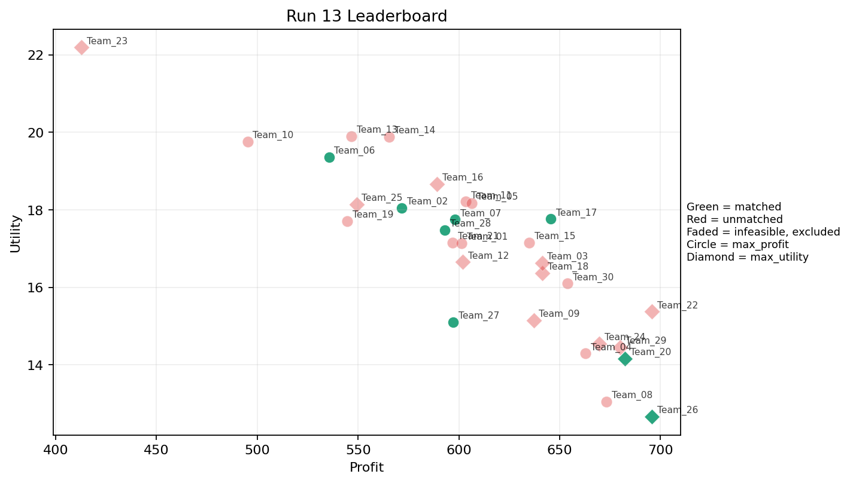
13 | 5 | Team_09 | Team_09 | max_utility | 3 | M,A,G | FALSE | 637.08442822 | 15.151537158 | 1.7103145718 | 3.3561041714 | 2.0364446473 | 1.6652184607 | 3 | 13 | Team_28 | 8 | 8 | 0 | 28, 8, 49, 54, 9, 26, 72, 78 | infeasible
13 | 6 | Team_11 | Team_11 | max_profit | 1 | A | FALSE | 603.41726775 | 18.209024291 | 2.4124629521 | 4.3708073379 | 2.4572841531 | 1.9430699386 | 2 | 1 | 2026-03-12T11:10:05 | FALSE | 0 |  | FALSE | infeasible
13 | 7 | Team_08 | Team_08 | max_profit | 2 | I,M | FALSE | 673.05871211 | 13.053142514 | 1.1313396677 | 3.9944887925 | 1.5867660986 | 1.9899441012 | 2 | 0 | 2026-03-12T11:10:06 | FALSE | 0 |  | FALSE | infeasible
13 | 8 | Team_23 | Team_23 | max_utility | 1 | B | FALSE | 412.89309555 | 22.187597805 | 4.0556171246 | 1.3303797514 | 4.8388363057 | 1.0642310883 | 4 | 0 | 2026-03-12T11:10:07 | FALSE | 0 |  | FALSE | infeasible
13 | 9 | Team_27 | Team_27 | max_profit | 3 | G,I,N | TRUE | 597.17910068 | 15.104357556 | 2.1773141589 | 1.9834681287 | 2.5352612415 | 1.6737493726 | 3 | 0 | 2026-03-12T11:10:08 | TRUE | 8 | 1, 23, 25, 32, 34, 55, 6, 75 | TRUE
13 | 10 | Team_10 | Team_10 | max_profit | 2 | N,J | FALSE | 495.17649683 | 19.762649562 | 3.8168860434 | 1.1116167488 | 3.8102937896 | 2.9647806897 | 2 | 0 | 2026-03-12T11:10:09 | FALSE | 0 |  | FALSE | infeasible
13 | 11 | Team_04 | Team_04 | max_profit | 3 | L,I,D | FALSE | 662.82398725 | 14.292434761 | 2.9650879198 | 2.2918201324 | 1.7147001594 | 1.7953855513 | 2 | 0.33333333333 | 2026-03-12T11:10:10 | FALSE | 0 |  | FALSE | infeasible
13 | 12 | Team_14 | Team_14 | max_profit | 2 | E,Q | FALSE | 565.38140722 | 19.882799446 | 1.6253115289 | 4.656745843 | 2.9327324097 | 1.942709357 | 3.5 | 1 | 2026-03-12T11:10:11 | FALSE | 0 |  | FALSE | infeasible
13 | 13 | Team_21 | Team_21 | max_profit | 8 | N,L,M,B,H,K,A,I | FALSE | 596.97136162 | 17.149208275 | 2.7034881873 | 3.0354828641 | 2.5378579797 | 1.8399647269 | 2.625 | 0.375 | 2026-03-12T11:10:12 | FALSE | 0 |  | FALSE | infeasible
13 | 14 | Team_07 | Team_07 | max_profit | 4 | A,P,R,G | TRUE | 598.04318721 | 17.744800358 | 2.6066508539 | 2.0744955195 | 2.5244601599 | 2.721199162 | 3.5 | 0.25 | 2026-03-12T11:10:13 | TRUE | 8 | 16, 24, 36, 42, 46, 50, 69, 74 | TRUE
13 | 15 | Team_05 | Team_05 | max_profit | 8 | D,F,H,O,L,K,R,Q | FALSE | 606.31958354 | 18.172859128 | 2.7419246776 | 3.1801394119 | 2.4210052057 | 2.0650091009 | 3.5 | 0.375 | 2026-03-12T11:10:14 | FALSE | 0 |  | FALSE | infeasible
13 | 16 | Team_01 | Team_01 | max_profit | 4 | P,H,B,Q | FALSE | 601.20647459 | 17.132581809 | 2.0661546454 | 3.055261364 | 2.4849190676 | 2.2645108827 | 3.25 | 0.25 | 2026-03-12T11:10:15 | FALSE | 0 |  | FALSE | infeasible
13 | 17 | Team_24 | Team_24 | max_utility | 2 | M,O | FALSE | 669.60132124 | 14.542356401 | 1.246551636 | 4.3708073379 | 1.6299834845 | 1.5311623925 | 3.5 | 0 | 2026-03-12T11:10:16 | FALSE | 0 |  | FALSE | infeasible
13 | 18 | Team_20 | Team_20 | max_utility | 5 | L,I,P,H,D | TRUE | 682.45222337 | 14.161336558 | 2.3116873259 | 2.5646883508 | 1.4693472079 | 2.3147771778 | 2.6 | 0.2 | 2026-03-12T11:10:17 | TRUE | 8 | 12, 21, 38, 56, 62, 7, 71, 77 | TRUE
13 | 19 | Team_29 | Team_29 | max_utility | 2 | G,L | FALSE | 679.97418922 | 14.453142641 | 2.8802057978 | 1.4775478217 | 1.5003226348 | 1.7244533147 | 3.5 | 0.5 | 2026-03-12T11:10:18 | FALSE | 0 |  | FALSE | infeasible
13 | 20 | Team_02 | Team_02 | max_profit | 8 | H,N,B,P,E,D,F,K | TRUE | 571.64906863 | 18.050700818 | 2.5993234108 | 2.7199775413 | 2.8543866421 | 1.9374653191 | 3.375 | 0.25 | 2026-03-12T11:10:19 | TRUE | 8 | 18, 22, 30, 39, 41, 5, 57, 73 | TRUE
13 | 21 | Team_18 | Team_18 | max_utility | 7 | K,D,L,Q,I,A,H | FALSE | 641.41276072 | 16.362753397 | 2.5881327568 | 3.4498166023 | 1.9823404909 | 1.9303055134 | 2.4285714286 | 0.57142857143 | 2026-03-12T11:10:20 | FALSE | 0 |  | FALSE | infeasible
13 | 22 | Team_13 | Team_13 | max_profit | 4 | J,K,F,B | FALSE | 546.66835238 | 19.894383868 | 3.328357129 | 2.5060750466 | 3.1666455953 | 2.3868127005 | 3.25 | 0.25 | 2026-03-12T11:10:21 | FALSE | 0 |  | FALSE | infeasible
13 | 23 | Team_19 | Team_19 | max_profit | 2 | G,B | FALSE | 544.73281704 | 17.711714787 | 2.8802057978 | 1.3285387949 | 3.1908397871 | 1.2299742436 | 4.5 | 0 | 2026-03-12T11:10:22 | FALSE | 0 |  | FALSE | infeasible
13 | 24 | Team_03 | Team_03 | max_utility | 7 | M,C,K,Q,H,G,I | FALSE | 641.26195801 | 16.624108213 | 2.1302489335 | 3.7984187489 | 1.9842255249 | 1.9963551061 | 3.2857142857 | 0.28571428571 | 2026-03-12T11:10:23 | FALSE | 0 |  | FALSE | infeasible
13 | 25 | Team_28 | Team_28 | max_profit | 4 | G,F,H,B | TRUE | 593.01780985 | 17.473164616 | 2.0286864032 | 2.7287878427 | 2.5872773769 | 1.7425589953 | 4.75 | 0 | 2026-03-12T11:10:24 | TRUE | 8 | 26, 28, 49, 54, 72, 78, 8, 9 | TRUE
13 | 26 | Team_06 | Team_06 | max_profit | 6 | N,B,R,F,I,H | TRUE | 535.55320157 | 19.361795189 | 2.6818381907 | 2.5392438272 | 3.3055849804 | 2.1789838454 | 3.8333333333 | 0 | 2026-03-12T11:10:25 | TRUE | 8 | 13, 20, 27, 52, 53, 64, 70, 80 | TRUE
13 | 27 | Team_15 | Team_15 | max_profit | 6 | E,A,F,H,L,G | FALSE | 634.76506971 | 17.156131071 | 2.0386671727 | 3.32579735 | 2.0654366287 | 1.9969332614 | 4 | 0.5 | 2026-03-12T11:10:26 | FALSE | 0 |  | FALSE | infeasible
13 | 28 | Team_26 | Team_26 | max_utility | 2 | G,I | TRUE | 695.71324218 | 12.666180692 | 1.4768937572 | 2.4724340428 | 1.3035844728 | 1.8593687784 | 3.5 | 0 | 2026-03-12T11:10:27 | TRUE | 8 | 2, 29, 43, 45, 47, 60, 79, 83 | TRUE
13 | 29 | Team_17 | Team_17 | max_profit | 4 | C,P,J,H | TRUE | 645.5437447 | 17.761915458 | 2.7134640343 | 2.8841214728 | 1.9307031912 | 3.3076870483 | 3.5 | 0 | 2026-03-12T11:10:28 | TRUE | 8 | 15, 17, 44, 48, 61, 65, 66, 67 | TRUE
13 | 30 | Team_25 | Team_25 | max_utility | 3 | M,A,B | FALSE | 549.19128056 | 18.13545917 | 2.493922123 | 3.3573314757 | 3.135108993 | 1.5547230238 | 2.6666666667 | 0.33333333333 | 2026-03-12T11:10:29 | FALSE | 0 |  | FALSE | infeasible

Run 14
Run 14 Summary

run_no | market_capacity | solver | team_count | eligible_team_count | user_pool_count | infeasible_excluded_count | matched_user_count | unmatched_user_count | user_match_rate | feasible_submission_count | total_profit | total_utility | avg_profit | avg_utility | Team Product Assignments
14 | 8 | stable_gale_shapley | 30 | 6 | 85 | 24 | 48 | 37 | 0.5647 | 6 | 17990.443518 | 543.11469401 | 599.68145059 | 18.103823134 | run_no | team_product | assigned_count | capacity | remaining_capacity | assigned_users
 |  |  |  |  |  |  |  |  |  |  |  |  |  |  | 14 | Team_02 | 8 | 8 | 0 | 39, 73, 22, 54, 41, 24, 26, 78
Leaderboard Rows |  |  |  |  |  |  |  |  |  |  |  |  |  |  | 14 | Team_08 | 8 | 8 | 0 | 61, 28, 8, 5, 49, 30, 65, 18
run_no | submission_order | team | player_name | objective | num_suppliers | selected_suppliers | feasible | profit | utility | env_avg | social_avg | cost_avg | strategic_avg | improvement_avg | 14 | Team_09 | 8 | 8 | 0 | 9, 48, 67, 17, 42, 46, 66, 36 | excluded_reason
14 | 1 | Team_17 | Team_17 | max_profit | 8 | M,J,G,B,I,N,A,K | FALSE | 580.59347625 | 17.308986953 | 2.7656178868 | 2.6036316007 | 2.7425815469 | 2.0217153882 | 2.625 | 14 | Team_12 | 8 | 8 | 0 | 13, 53, 20, 80, 64, 27, 52, 70 | infeasible
14 | 2 | Team_30 | Team_30 | max_profit | 4 | J,K,I,M | FALSE | 637.93852262 | 16.214682619 | 2.5934783962 | 3.1989078943 | 2.0257684673 | 2.6170485297 | 2 | 14 | Team_15 | 8 | 8 | 0 | 72, 21, 23, 38, 77, 32, 71, 7 | infeasible
14 | 3 | Team_19 | Team_19 | max_utility | 5 | Q,D,P,A,L | TRUE | 630.90122577 | 15.900158344 | 2.6119956501 | 2.829591171 | 2.1137346778 | 2.0968890362 | 2 | 14 | Team_19 | 8 | 8 | 0 | 57, 15, 44, 74, 16, 1, 50, 69
14 | 4 | Team_29 | Team_29 | max_profit | 5 | A,D,H,C,E | FALSE | 607.77684316 | 18.815405115 | 2.6101468063 | 3.8224243393 | 2.4027894605 | 1.9927789093 | 3.8 | 0.4 | 2026-03-12T11:20:03 | FALSE | 0 |  | FALSE | infeasible
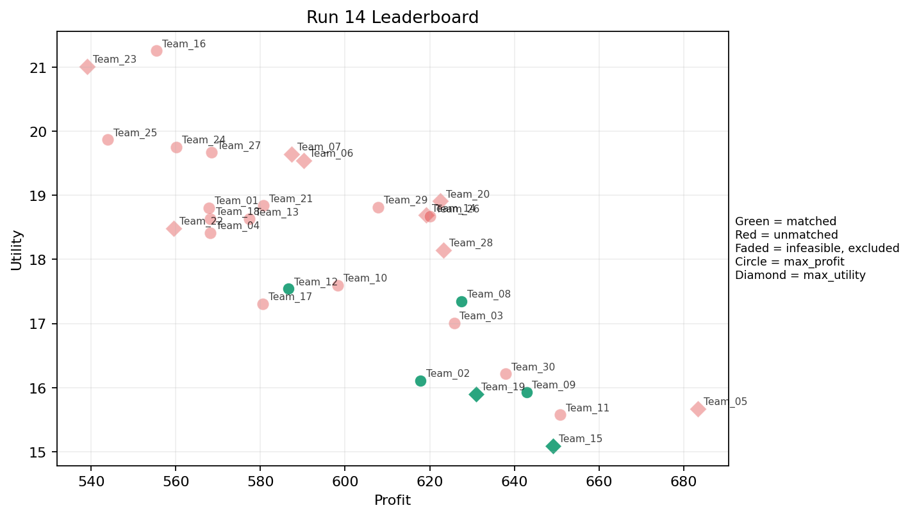
14 | 5 | Team_13 | Team_13 | max_profit | 7 | L,F,D,A,M,E,R | FALSE | 577.41676022 | 18.632285443 | 2.6825316529 | 3.0400402128 | 2.7822904973 | 2.0872825079 | 3.2857142857 | 0.42857142857 | 2026-03-12T11:20:04 | FALSE | 0 |  | FALSE | infeasible
14 | 6 | Team_06 | Team_06 | max_utility | 1 | J | FALSE | 590.24217599 | 19.544587839 | 4.0556171246 | 1.2176971968 | 2.6219728001 | 4.6270508184 | 2 | 0 | 2026-03-12T11:20:05 | FALSE | 0 |  | FALSE | infeasible
14 | 7 | Team_11 | Team_11 | max_profit | 3 | O,G,Q | FALSE | 650.88511678 | 15.574713361 | 1.5766800125 | 3.5467298415 | 1.8639360403 | 1.5357524489 | 4 | 0.33333333333 | 2026-03-12T11:20:06 | FALSE | 0 |  | FALSE | infeasible
14 | 8 | Team_21 | Team_21 | max_profit | 3 | O,R,M | FALSE | 580.68612918 | 18.840472114 | 2.4490110896 | 3.2549725196 | 2.7414233853 | 2.3120595188 | 4 | 0 | 2026-03-12T11:20:07 | FALSE | 0 |  | FALSE | infeasible
14 | 9 | Team_05 | Team_05 | max_utility | 1 | L | FALSE | 683.37583991 | 15.670453512 | 4.0556171246 | 1.628397805 | 1.4578020011 | 2.0531892304 | 2 | 1 | 2026-03-12T11:20:08 | FALSE | 0 |  | FALSE | infeasible
14 | 10 | Team_10 | Team_10 | max_profit | 4 | A,M,J,F | FALSE | 598.26664246 | 17.60021494 | 2.1570858778 | 3.4616445789 | 2.5216669692 | 2.5554256498 | 2.75 | 0.25 | 2026-03-12T11:20:09 | FALSE | 0 |  | FALSE | infeasible
14 | 11 | Team_04 | Team_04 | max_profit | 1 | Q | FALSE | 568.14364772 | 18.413350927 | 1.5458285866 | 4.9426843481 | 2.8982044036 | 1.8060832073 | 2 | 1 | 2026-03-12T11:20:10 | FALSE | 0 |  | FALSE | infeasible
14 | 12 | Team_12 | Team_12 | max_profit | 6 | P,R,G,B,I,A | TRUE | 586.65329837 | 17.543888142 | 2.6218689306 | 2.2077553461 | 2.6668337704 | 2.378674649 | 3.3333333333 | 0.16666666667 | 2026-03-12T11:20:11 | TRUE | 8 | 13, 20, 27, 52, 53, 64, 70, 80 | TRUE
14 | 13 | Team_27 | Team_27 | max_profit | 8 | H,C,N,K,B,J,L,E | FALSE | 568.40514893 | 19.668611022 | 3.3560301186 | 2.7354237329 | 2.8949356384 | 2.2398892673 | 3.375 | 0.375 | 2026-03-12T11:20:12 | FALSE | 0 |  | FALSE | infeasible
14 | 14 | Team_23 | Team_23 | max_utility | 6 | B,C,R,Q,H,F | FALSE | 539.10695689 | 21.013429442 | 2.8241293112 | 3.3208746835 | 3.2611630389 | 2.2784039501 | 4.3333333333 | 0.16666666667 | 2026-03-12T11:20:13 | FALSE | 0 |  | FALSE | infeasible
14 | 15 | Team_08 | Team_08 | max_profit | 5 | F,C,P,K,G | TRUE | 627.51630434 | 17.350503784 | 2.4994941751 | 2.9501804867 | 2.1560461957 | 2.2679619946 | 3.8 | 0.2 | 2026-03-12T11:20:14 | TRUE | 8 | 18, 28, 30, 49, 5, 61, 65, 8 | TRUE
14 | 16 | Team_24 | Team_24 | max_profit | 7 | D,K,A,C,F,E,B | FALSE | 560.12192739 | 19.754033791 | 3.014398364 | 3.3639881927 | 2.9984759077 | 1.7669315477 | 3.5714285714 | 0.42857142857 | 2026-03-12T11:20:15 | FALSE | 0 |  | FALSE | infeasible
14 | 17 | Team_18 | Team_18 | max_profit | 1 | F | FALSE | 568.14364772 | 18.637492218 | 1.1465771424 | 3.887266443 | 2.8982044036 | 1.9947137976 | 5 | 0 | 2026-03-12T11:20:16 | FALSE | 0 |  | FALSE | infeasible
14 | 18 | Team_02 | Team_02 | max_profit | 6 | G,D,P,B,H,A | TRUE | 617.81903882 | 16.112025588 | 2.4044501683 | 2.4341264383 | 2.2772620148 | 1.9334491545 | 3.3333333333 | 0.16666666667 | 2026-03-12T11:20:17 | TRUE | 8 | 22, 24, 26, 39, 41, 54, 73, 78 | TRUE
14 | 19 | Team_22 | Team_22 | max_utility | 4 | J,A,B,M | FALSE | 559.45400442 | 18.487741337 | 2.8843458734 | 2.822422906 | 3.0068249448 | 2.3228049725 | 2.5 | 0.25 | 2026-03-12T11:20:18 | FALSE | 0 |  | FALSE | infeasible
14 | 20 | Team_15 | Team_15 | max_utility | 2 | O,D | TRUE | 649.09067004 | 15.092639273 | 2.5350352857 | 2.9998498415 | 1.8863666245 | 1.207702003 | 3.5 | 0 | 2026-03-12T11:20:19 | TRUE | 8 | 21, 23, 32, 38, 7, 71, 72, 77 | TRUE
14 | 21 | Team_20 | Team_20 | max_utility | 3 | J,H,E | FALSE | 622.44110011 | 18.909524158 | 2.3227228235 | 3.3197706242 | 2.2194862486 | 3.0739866738 | 4 | 0.33333333333 | 2026-03-12T11:20:20 | FALSE | 0 |  | FALSE | infeasible
14 | 22 | Team_07 | Team_07 | max_utility | 3 | E,M,C | FALSE | 587.34209761 | 19.645232956 | 2.2845156351 | 4.3708073379 | 2.6582237799 | 2.050723897 | 4 | 0.33333333333 | 2026-03-12T11:20:21 | FALSE | 0 |  | FALSE | infeasible
14 | 23 | Team_03 | Team_03 | max_profit | 3 | E,L,M | FALSE | 625.75282834 | 17.010818963 | 2.2580326293 | 3.4566708269 | 2.1780896457 | 1.9297975939 | 3 | 0.66666666667 | 2026-03-12T11:20:22 | FALSE | 0 |  | FALSE | infeasible
14 | 24 | Team_16 | Team_16 | max_profit | 2 | R,O | FALSE | 555.39745457 | 21.255830465 | 3.1666734884 | 2.6970551104 | 3.0575318179 | 2.639655256 | 5 | 0 | 2026-03-12T11:20:23 | FALSE | 0 |  | FALSE | infeasible
14 | 25 | Team_14 | Team_14 | max_utility | 4 | H,M,C,E | FALSE | 619.12206261 | 18.691858885 | 2.015325945 | 4.3708073379 | 2.2609742174 | 2.1669363468 | 4.25 | 0.25 | 2026-03-12T11:20:24 | FALSE | 0 |  | FALSE | infeasible
14 | 26 | Team_09 | Team_09 | max_profit | 4 | D,G,H,J | TRUE | 642.87971203 | 15.930619359 | 2.6397055155 | 2.1360236796 | 1.9640035997 | 2.3870722948 | 3.5 | 0 | 2026-03-12T11:20:25 | TRUE | 8 | 17, 36, 42, 46, 48, 66, 67, 9 | TRUE
14 | 27 | Team_25 | Team_25 | max_profit | 3 | A,K,B | FALSE | 543.90161785 | 19.868159901 | 3.5078990671 | 3.0967146282 | 3.2012297768 | 1.6228520416 | 2.6666666667 | 0.66666666667 | 2026-03-12T11:20:26 | FALSE | 0 |  | FALSE | infeasible
14 | 28 | Team_01 | Team_01 | max_profit | 7 | R,N,D,Q,H,K,L | FALSE | 567.7978106 | 18.807304958 | 3.2696511802 | 2.5983682593 | 2.9025273675 | 2.06034469 | 2.8571428571 | 0.42857142857 | 2026-03-12T11:20:27 | FALSE | 0 |  | FALSE | infeasible
14 | 29 | Team_26 | Team_26 | max_profit | 3 | G,C,K | FALSE | 620.03689217 | 18.672461623 | 3.2984925792 | 3.0954873239 | 2.2495388479 | 1.8909802121 | 4 | 0.33333333333 | 2026-03-12T11:20:28 | FALSE | 0 |  | FALSE | infeasible
14 | 30 | Team_28 | Team_28 | max_utility | 5 | F,O,P,C,E | FALSE | 623.23456475 | 18.147206979 | 1.9842541462 | 3.7153724951 | 2.2095679406 | 2.3135259447 | 4.4 | 0.2 | 2026-03-12T11:20:29 | FALSE | 0 |  | FALSE | infeasible

Run 15
Run 15 Summary

run_no | market_capacity | solver | team_count | eligible_team_count | user_pool_count | infeasible_excluded_count | matched_user_count | unmatched_user_count | user_match_rate | feasible_submission_count | total_profit | total_utility | avg_profit | avg_utility | Team Product Assignments
15 | 8 | stable_gale_shapley | 30 | 4 | 85 | 26 | 32 | 53 | 0.3765 | 4 | 17659.181526 | 543.11722348 | 588.63938422 | 18.103907449 | run_no | team_product | assigned_count | capacity | remaining_capacity | assigned_users
 |  |  |  |  |  |  |  |  |  |  |  |  |  |  | 15 | Team_07 | 8 | 8 | 0 | 64, 27, 52, 80, 70, 20, 30, 5
Leaderboard Rows |  |  |  |  |  |  |  |  |  |  |  |  |  |  | 15 | Team_23 | 8 | 8 | 0 | 13, 53, 28, 49, 8, 61, 39, 73
run_no | submission_order | team | player_name | objective | num_suppliers | selected_suppliers | feasible | profit | utility | env_avg | social_avg | cost_avg | strategic_avg | improvement_avg | 15 | Team_28 | 8 | 8 | 0 | 18, 65, 57, 54, 22, 41, 9, 26 | excluded_reason
15 | 1 | Team_01 | Team_01 | max_profit | 2 | K,C | FALSE | 591.76906899 | 21.390776549 | 4.0953416333 | 3.9798820666 | 2.6028866376 | 2.1386116187 | 3.5 | 15 | Team_29 | 8 | 8 | 0 | 15, 24, 17, 44, 67, 74, 78, 48 | infeasible
15 | 2 | Team_13 | Team_13 | max_profit | 3 | L,F,N | FALSE | 550.5434351 | 18.096219006 | 2.9267830764 | 2.1737335162 | 3.1182070612 | 1.7834711964 | 3 | 0.33333333333 | 2026-03-12T11:30:01 | FALSE | 0 |  | FALSE | infeasible
15 | 3 | Team_17 | Team_17 | max_profit | 7 | I,J,A,P,K,Q,O | FALSE | 644.18826988 | 16.377707071 | 2.321907401 | 3.3837567545 | 1.9476466265 | 2.5197273571 | 2.4285714286 | 0.42857142857 | 2026-03-12T11:30:02 | FALSE | 0 |  | FALSE | infeasible
15 | 4 | Team_14 | Team_14 | max_profit | 7 | R,M,K,Q,I,O,E | FALSE | 600.43851972 | 18.227343208 | 2.2717523563 | 3.7550766124 | 2.4945185034 | 2.1436960752 | 3.2857142857 | 0.42857142857 | 2026-03-12T11:30:03 | FALSE | 0 |  | FALSE | infeasible
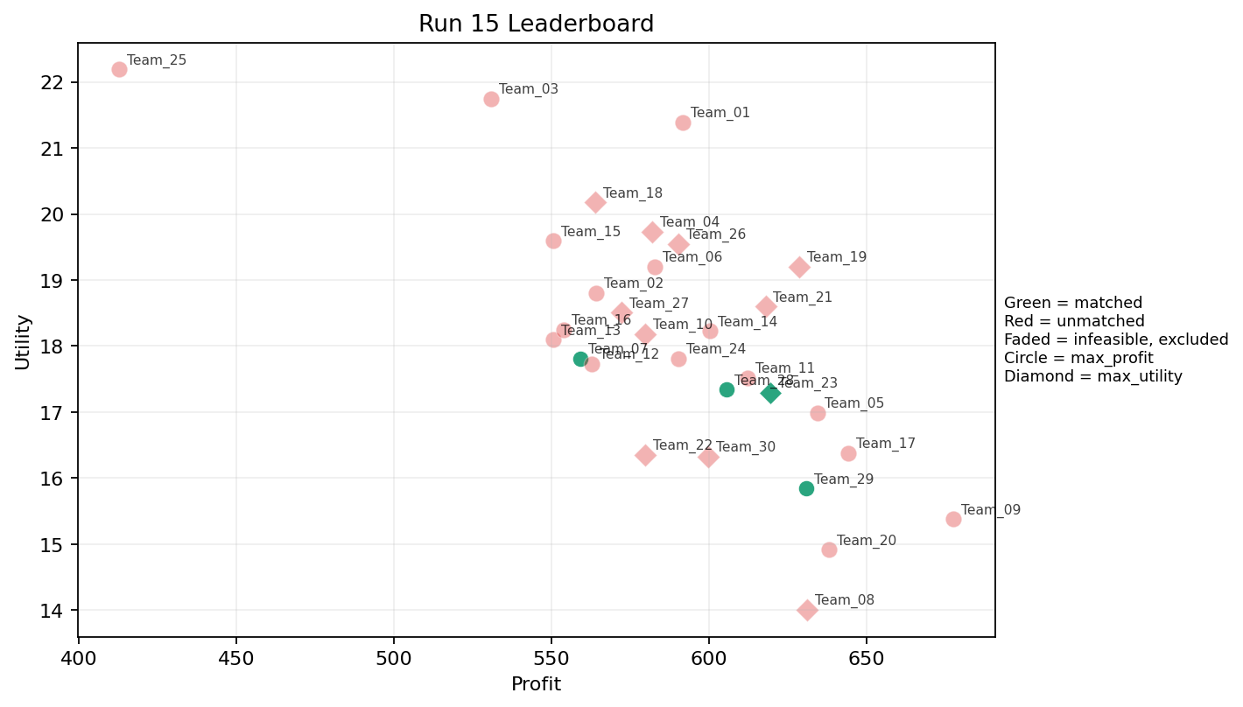
15 | 5 | Team_09 | Team_09 | max_profit | 3 | A,I,H | FALSE | 677.57772373 | 15.379096859 | 1.6230709567 | 4.1199283076 | 1.5302784534 | 2.2605545976 | 3 | 0.33333333333 | 2026-03-12T11:30:04 | FALSE | 0 |  | FALSE | infeasible
15 | 6 | Team_24 | Team_24 | max_profit | 8 | Q,I,P,C,N,R,G,L | FALSE | 590.42292249 | 17.813114746 | 2.8222250403 | 2.4365963474 | 2.6197134689 | 2.3553122507 | 3.125 | 0.25 | 2026-03-12T11:30:05 | FALSE | 0 |  | FALSE | infeasible
15 | 7 | Team_26 | Team_26 | max_utility | 1 | J | FALSE | 590.24217599 | 19.544587839 | 4.0556171246 | 1.2176971968 | 2.6219728001 | 4.6270508184 | 2 | 0 | 2026-03-12T11:30:06 | FALSE | 0 |  | FALSE | infeasible
15 | 8 | Team_23 | Team_23 | max_utility | 2 | E,G | TRUE | 619.59585263 | 17.294039867 | 1.7047944711 | 2.8487525882 | 2.2550518422 | 1.7375264528 | 5 | 0.5 | 2026-03-12T11:30:07 | TRUE | 8 | 13, 28, 39, 49, 53, 61, 73, 8 | TRUE
15 | 9 | Team_11 | Team_11 | max_profit | 5 | A,M,P,H,R | FALSE | 612.26512926 | 17.51697235 | 2.1886504223 | 3.1425797831 | 2.3466858843 | 2.732304198 | 3.2 | 0.2 | 2026-03-12T11:30:08 | FALSE | 0 |  | FALSE | infeasible
15 | 10 | Team_04 | Team_04 | max_utility | 3 | F,K,E | FALSE | 582.0524349 | 19.732532597 | 2.3023295793 | 3.9490101921 | 2.7243445637 | 1.9784348007 | 4 | 0.66666666667 | 2026-03-12T11:30:09 | FALSE | 0 |  | FALSE | infeasible
15 | 11 | Team_30 | Team_30 | max_utility | 2 | F,M | FALSE | 599.70356305 | 16.323623816 | 1.0801317173 | 4.1290368904 | 2.5037054619 | 1.8257909211 | 3.5 | 0 | 2026-03-12T11:30:10 | FALSE | 0 |  | FALSE | infeasible
15 | 12 | Team_25 | Team_25 | max_profit | 1 | B | FALSE | 412.89309555 | 22.187597805 | 4.0556171246 | 1.3303797514 | 4.8388363057 | 1.0642310883 | 4 | 0 | 2026-03-12T11:30:11 | FALSE | 0 |  | FALSE | infeasible
15 | 13 | Team_05 | Team_05 | max_profit | 5 | K,Q,J,I,L | FALSE | 634.40201994 | 16.9865559 | 2.9923346007 | 2.9991812785 | 2.0699747507 | 2.5341197024 | 2 | 0.6 | 2026-03-12T11:30:12 | FALSE | 0 |  | FALSE | infeasible
15 | 14 | Team_18 | Team_18 | max_utility | 5 | G,R,A,C,Q | FALSE | 563.82656935 | 20.173721204 | 2.9304164297 | 3.206859949 | 2.9521678831 | 2.2869384912 | 3.8 | 0.4 | 2026-03-12T11:30:13 | FALSE | 0 |  | FALSE | infeasible
15 | 15 | Team_20 | Team_20 | max_profit | 3 | I,M,F | FALSE | 638.08702398 | 14.914592415 | 1.1364188259 | 3.9587480093 | 2.0239122003 | 1.991534 | 3 | 0 | 2026-03-12T11:30:14 | FALSE | 0 |  | FALSE | infeasible
15 | 16 | Team_15 | Team_15 | max_profit | 8 | C,R,H,B,M,N,F,O | FALSE | 550.72644422 | 19.591581227 | 2.6837756894 | 3.0912143412 | 3.1159194472 | 2.0286469799 | 4.125 | 0 | 2026-03-12T11:30:15 | FALSE | 0 |  | FALSE | infeasible
15 | 17 | Team_21 | Team_21 | max_utility | 6 | H,O,R,C,L,M | FALSE | 618.00663879 | 18.599550336 | 2.7909122351 | 3.3558216732 | 2.2749170151 | 2.3201516038 | 4 | 0.16666666667 | 2026-03-12T11:30:16 | FALSE | 0 |  | FALSE | infeasible
15 | 18 | Team_02 | Team_02 | max_profit | 6 | K,Q,L,I,N,R | FALSE | 564.12241441 | 18.800934415 | 3.223023473 | 2.6345080632 | 2.9484698199 | 2.203318671 | 2.5 | 0.5 | 2026-03-12T11:30:17 | FALSE | 0 |  | FALSE | infeasible
15 | 19 | Team_07 | Team_07 | max_profit | 3 | E,N,I | TRUE | 559.19464341 | 17.809829622 | 2.1773141589 | 2.9981712952 | 3.0100669573 | 1.9016220752 | 3 | 0.33333333333 | 2026-03-12T11:30:18 | TRUE | 8 | 20, 27, 30, 5, 52, 64, 70, 80 | TRUE
15 | 20 | Team_06 | Team_06 | max_profit | 7 | B,O,J,F,L,H,R | FALSE | 582.84451799 | 19.197646997 | 2.9792189097 | 2.5469512507 | 2.7144435252 | 2.5048670204 | 4 | 0.14285714286 | 2026-03-12T11:30:19 | FALSE | 0 |  | FALSE | infeasible
15 | 21 | Team_29 | Team_29 | max_profit | 5 | K,P,I,N,H | TRUE | 630.82968178 | 15.842895402 | 2.3091876001 | 2.8321289399 | 2.1146289778 | 2.3349030104 | 2.6 | 0.2 | 2026-03-12T11:30:20 | TRUE | 8 | 15, 17, 24, 44, 48, 67, 74, 78 | TRUE
15 | 22 | Team_27 | Team_27 | max_utility | 8 | A,R,J,P,D,N,I,C | FALSE | 572.39912169 | 18.506151881 | 3.166286726 | 2.3515484584 | 2.8450109789 | 2.6459470239 | 2.75 | 0.125 | 2026-03-12T11:30:21 | FALSE | 0 |  | FALSE | infeasible
15 | 23 | Team_03 | Team_03 | max_profit | 4 | J,F,R,E | FALSE | 530.96518387 | 21.742757891 | 2.9402296837 | 2.6247684652 | 3.3629352016 | 3.1437384736 | 4.25 | 0.25 | 2026-03-12T11:30:22 | FALSE | 0 |  | FALSE | infeasible
15 | 24 | Team_12 | Team_12 | max_profit | 7 | A,N,K,M,Q,P,B | FALSE | 562.93571355 | 17.72941988 | 2.5881118626 | 3.0266208414 | 2.9633035806 | 1.9008819253 | 2.2857142857 | 0.42857142857 | 2026-03-12T11:30:23 | FALSE | 0 |  | FALSE | infeasible
15 | 25 | Team_28 | Team_28 | max_profit | 7 | I,B,C,F,P,G,J | TRUE | 605.73946412 | 17.339053795 | 2.5431544348 | 2.4754561191 | 2.4282566985 | 2.4989795628 | 3.5714285714 | 0 | 2026-03-12T11:30:24 | TRUE | 8 | 18, 22, 26, 41, 54, 57, 65, 9 | TRUE
15 | 26 | Team_08 | Team_08 | max_utility | 1 | M | FALSE | 631.26347839 | 14.009755413 | 1.0136862922 | 4.3708073379 | 2.1092065202 | 1.6568680446 | 2 | 0 | 2026-03-12T11:30:25 | FALSE | 0 |  | FALSE | infeasible
15 | 27 | Team_19 | Team_19 | max_utility | 3 | C,H,A | FALSE | 628.67429102 | 19.204818818 | 2.585095323 | 4.3708073379 | 2.1415713622 | 2.2915372581 | 4 | 0.33333333333 | 2026-03-12T11:30:26 | FALSE | 0 |  | FALSE | infeasible
15 | 28 | Team_16 | Team_16 | max_profit | 6 | B,R,L,P,I,N | FALSE | 553.90277359 | 18.244939598 | 3.2079547079 | 1.6971601676 | 3.0762153302 | 2.3814933914 | 2.8333333333 | 0.16666666667 | 2026-03-12T11:30:27 | FALSE | 0 |  | FALSE | infeasible
15 | 29 | Team_22 | Team_22 | max_utility | 3 | O,N,M | FALSE | 579.77115339 | 16.355141362 | 2.0237527448 | 3.2490503255 | 2.7528605827 | 1.4549451153 | 3 | 0 | 2026-03-12T11:30:28 | FALSE | 0 |  | FALSE | infeasible
15 | 30 | Team_10 | Team_10 | max_utility | 7 | Q,C,N,I,F,E,G | FALSE | 579.7982017 | 18.18426561 | 2.1520298312 | 3.3602814076 | 2.7525224787 | 1.9024783956 | 3.7142857143 | 0.28571428571 | 2026-03-12T11:30:29 | FALSE | 0 |  | FALSE | infeasible

