Round 1
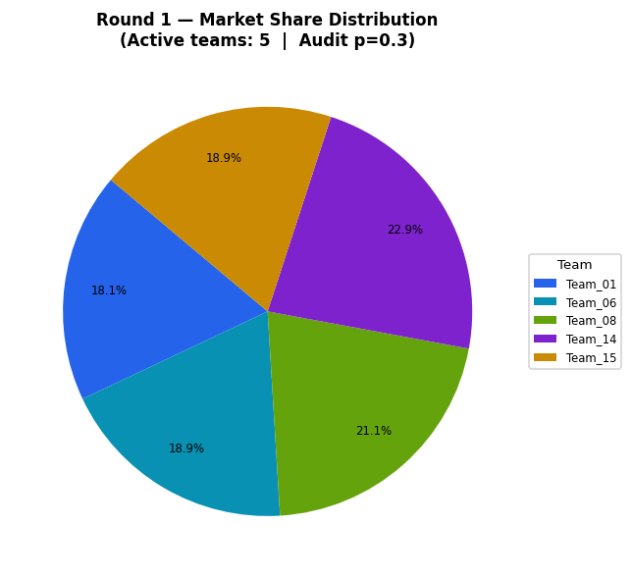
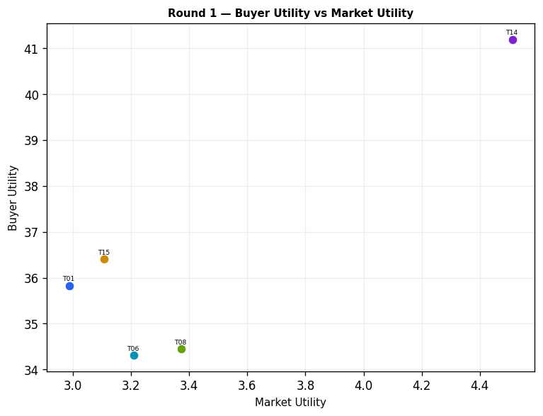
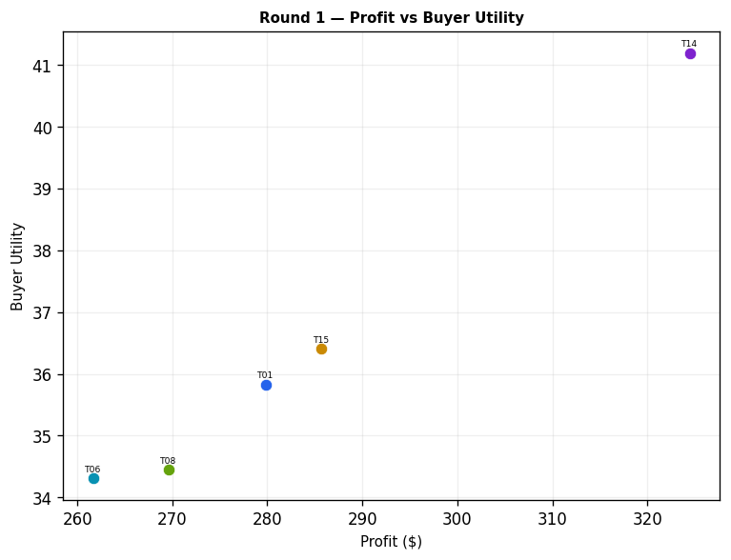
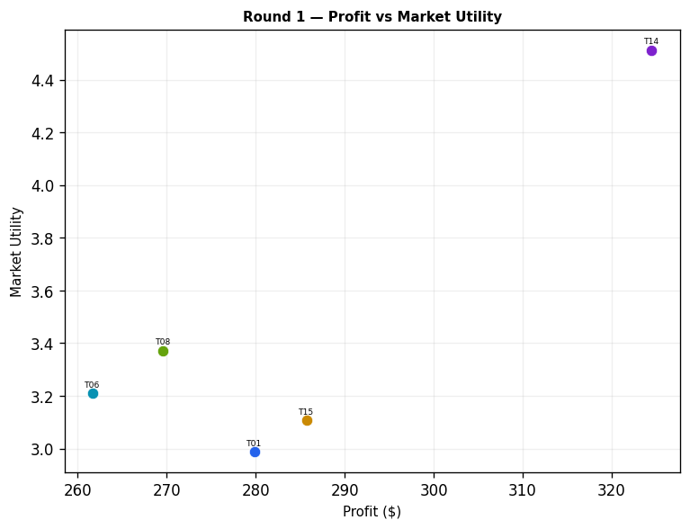
Team | Picks | Price | Feasible | Audit Excl. | Avg Env | Avg Social | Avg Cost | Strategic | Share % | Profit | Mkt Utility | Buyer Utility
Team_01 | P,B,C | 104.83 | Yes |  | 2.582 | 2.193 | 2.77 | 2.384 | 18.14 | 279.85 | 2.987 | 35.8266
Team_02 | D,E,F | 104.73 | Yes | Yes | 1.548 | 2.962 | 2.829 | 1.695 | 0 | 0 | 0 | 8.7953
Team_03 | P,Q,O | 91.74 | No |  | 1.827 | 3.63 | 2.061 | 2.294 | 0 | 0 | 0 | 7.2487
Team_04 | J,B,C | 91.87 | No |  | 2.949 | 2.003 | 3.266 | 2.702 | 0 | 0 | 0 | 7.3457
Team_05 | D,N,O | 90.53 | Yes | Yes | 1.616 | 2.335 | 3.257 | 1.239 | 0 | 0 | 0 | 9.8093
Team_06 | D,Q,R | 104.03 | Yes |  | 2.43 | 2.198 | 3.495 | 2.23 | 18.94 | 261.67 | 3.209 | 34.3084
Team_07 | J,E,L | 101.79 | No |  | 3.106 | 2.002 | 2.349 | 3.253 | 0 | 0 | 0 | 6.639
Team_08 | A,E,R | 98.45 | Yes |  | 2.624 | 2.255 | 3.463 | 2.632 | 21.12 | 269.61 | 3.372 | 34.4506
Team_09 | G,E,F | 109.14 | No |  | 1.852 | 3.395 | 2.696 | 1.957 | 0 | 0 | 0 | 7.796
Team_10 | G,B,C | 97.6 | Yes | Yes | 2.665 | 2.643 | 3.133 | 1.759 | 0 | 0 | 0 | 7.9333
Team_11 | G,H,O | 95.29 | No |  | 1.797 | 4.056 | 1.814 | 1.906 | 0 | 0 | 0 | 7.2407
Team_12 | A,Q,L | 100.72 | No |  | 2.605 | 3.314 | 2.271 | 2.267 | 0 | 0 | 0 | 6.814
Team_13 | J,B,O | 95.86 | Yes | Yes | 2.697 | 2.003 | 3.204 | 2.365 | 0 | 0 | 0 | 7.9347
Team_14 | P,N,I | 101.55 | Yes |  | 1.761 | 2.067 | 3.065 | 2.433 | 22.89 | 324.5 | 4.513 | 41.1895
Team_15 | P,B,C | 103.23 | Yes |  | 2.582 | 2.193 | 2.77 | 2.384 | 18.91 | 285.69 | 3.108 | 36.4105
Team_16 | G,B,F | 107.33 | Yes | Yes | 2.303 | 2.481 | 3.32 | 1.618 | 0 | 0 | 0 | 8.5977
Team_17 | J,H,L | 102.71 | No |  | 2.94 | 2.502 | 1.716 | 3.399 | 0 | 0 | 0 | 6.159
Team_18 | G,E,I | 97.11 | No |  | 1.886 | 3.305 | 2.751 | 2.066 | 0 | 0 | 0 | 7.7423
Team_19 | P,H,R | 108.73 | Yes | Yes | 2.539 | 2.157 | 2.389 | 3.354 | 0 | 0 | 0 | 6.95
Team_20 | P,B,O | 102.7 | Yes | Yes | 2.33 | 2.193 | 2.708 | 2.047 | 0 | 0 | 0 | 8.4303
Team_21 | M,Q,F | 93.27 | No |  | 1.236 | 4.4 | 2.645 | 1.819 | 0 | 0 | 0 | 7.5447
Team_22 | J,H,R | 103.76 | No |  | 2.906 | 1.967 | 2.885 | 3.672 | 0 | 0 | 0 | 6.4543
Team_23 | D,Q,I | 106.86 | No |  | 1.529 | 3.397 | 2.861 | 1.713 | 0 | 0 | 0 | 8.3617
Team_24 | A,E,C | 106.1 | No |  | 2.051 | 3.704 | 2.587 | 2.146 | 0 | 0 | 0 | 7.099
Team_25 | J,H,C | 94.22 | No |  | 2.333 | 3.417 | 2.01 | 3.186 | 0 | 0 | 0 | 6.064
Team_26 | M,Q,I | 94.25 | No |  | 1.27 | 4.311 | 2.7 | 1.929 | 0 | 0 | 0 | 7.491
Team_27 | J,K,R | 99.18 | No |  | 3.855 | 1.207 | 3.298 | 3.454 | 0 | 0 | 0 | 6.484
Team_28 | G,E,F | 104.9 | No |  | 1.852 | 3.395 | 2.696 | 1.957 | 0 | 0 | 0 | 7.796
Team_29 | M,H,R | 101.69 | No |  | 2.059 | 3.088 | 2.724 | 2.682 | 0 | 0 | 0 | 7.1707
Team_30 | M,K,I | 94.39 | No |  | 2.106 | 3.526 | 2.504 | 1.947 | 0 | 0 | 0 | 7.4207

Round 2
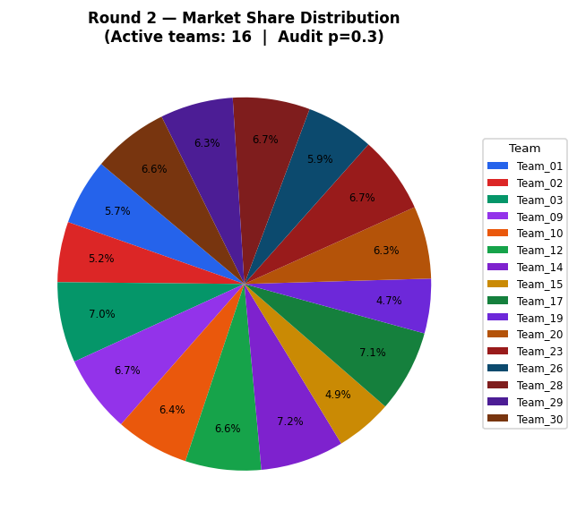
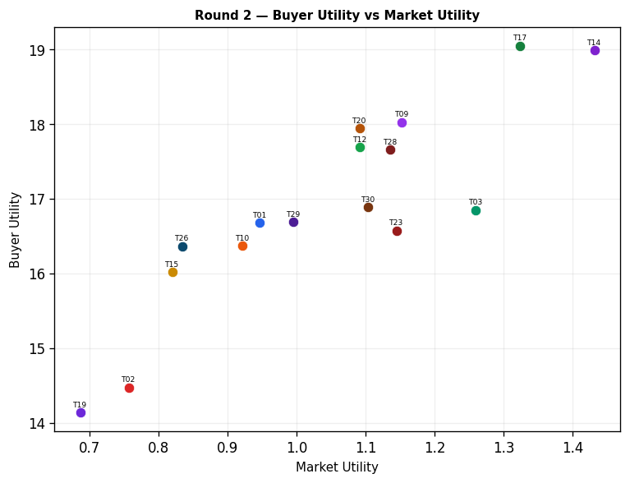
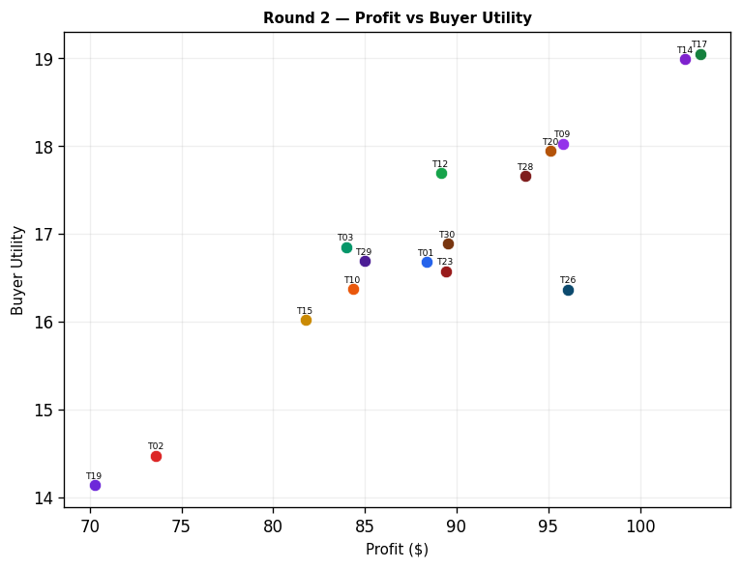
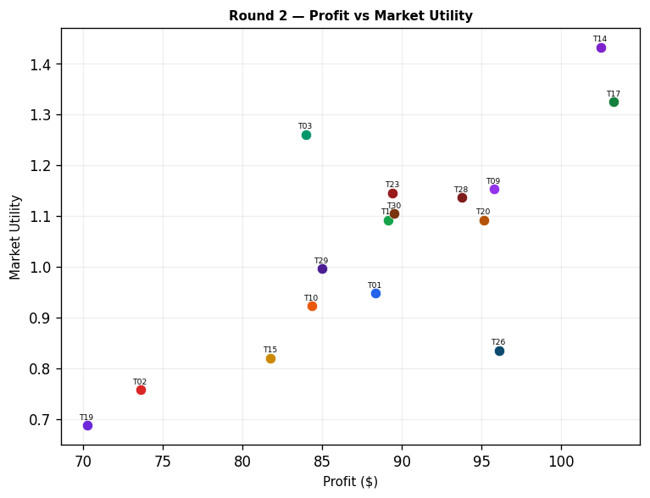
Team | Picks | Price | Feasible | Audit Excl. | Avg Env | Avg Social | Avg Cost | Strategic | Share % | Profit | Mkt Utility | Buyer Utility
Team_01 | P,B,C | 104.83 | Yes |  | 2.582 | 2.193 | 2.77 | 2.384 | 5.73 | 88.34 | 0.947 | 16.675
Team_02 | A,Q,R | 104.73 | Yes |  | 2.571 | 2.779 | 3.44 | 2.541 | 5.23 | 73.61 | 0.757 | 14.4708
Team_03 | M,B,R | 100 | Yes |  | 2.675 | 1.675 | 3.981 | 2.198 | 6.98 | 83.98 | 1.26 | 16.85
Team_04 | D,B,F | 100 | Yes | Yes | 1.998 | 2.049 | 3.453 | 1.356 | 0 | 0 | 0 | 9.597
Team_05 | D,N,O | 90.53 | Yes | Yes | 1.616 | 2.335 | 3.257 | 1.239 | 0 | 0 | 0 | 9.8093
Team_06 | D,Q,R | 104.03 | Yes | Yes | 2.43 | 2.198 | 3.495 | 2.23 | 0 | 0 | 0 | 8.1413
Team_07 | A,N,F | 100 | Yes | Yes | 1.646 | 2.755 | 3.451 | 1.747 | 0 | 0 | 0 | 8.8527
Team_08 | A,E,R | 108.05 | Yes | Yes | 2.624 | 2.255 | 3.463 | 2.632 | 0 | 0 | 0 | 7.4893
Team_09 | M,N,L | 100 | Yes |  | 2.216 | 2.335 | 2.865 | 2.004 | 6.71 | 95.78 | 1.153 | 18.0225
Team_10 | G,B,C | 97.6 | Yes |  | 2.665 | 2.643 | 3.133 | 1.759 | 6.36 | 84.35 | 0.922 | 16.3679
Team_11 | J,B,F | 100 | Yes | Yes | 2.586 | 1.842 | 3.453 | 2.562 | 0 | 0 | 0 | 8.01
Team_12 | A,N,O | 100 | Yes |  | 1.756 | 2.916 | 3.202 | 1.55 | 6.56 | 89.15 | 1.092 | 17.692
Team_13 | D,B,C | 95.86 | Yes | Yes | 2.361 | 2.21 | 3.266 | 1.497 | 0 | 0 | 0 | 8.9327
Team_14 | P,N,I | 101.55 | Yes |  | 1.761 | 2.067 | 3.065 | 2.433 | 7.23 | 102.46 | 1.432 | 18.9853
Team_15 | P,B,C | 110.85 | Yes |  | 2.582 | 2.193 | 2.77 | 2.384 | 4.92 | 81.77 | 0.82 | 16.0187
Team_16 | G,B,F | 107.33 | Yes | Yes | 2.303 | 2.481 | 3.32 | 1.618 | 0 | 0 | 0 | 8.5977
Team_17 | P,N,O | 100 | Yes |  | 1.837 | 2.318 | 2.761 | 2.127 | 7.13 | 103.29 | 1.324 | 19.0468
Team_18 | J,E,C | 100 | Yes | Yes | 2.499 | 2.917 | 2.642 | 3.041 | 0 | 0 | 0 | 6.544
Team_19 | A,Q,R | 108.73 | Yes |  | 2.571 | 2.779 | 3.44 | 2.541 | 4.73 | 70.26 | 0.687 | 14.1358
Team_20 | P,B,O | 102.7 | Yes |  | 2.33 | 2.193 | 2.708 | 2.047 | 6.29 | 95.13 | 1.092 | 17.9434
Team_21 | D,E,F | 100 | Yes | Yes | 1.548 | 2.962 | 2.829 | 1.695 | 0 | 0 | 0 | 8.7953
Team_22 | J,E,I | 100 | Yes | Yes | 2.17 | 2.666 | 2.884 | 3.01 | 0 | 0 | 0 | 7.1547
Team_23 | J,N,C | 100 | Yes |  | 2.456 | 2.128 | 3.32 | 2.782 | 6.69 | 89.42 | 1.145 | 16.5751
Team_24 | A,B,F | 100 | Yes | Yes | 2.138 | 2.629 | 3.398 | 1.667 | 0 | 0 | 0 | 8.565
Team_25 | A,E,L | 100 | Yes | Yes | 2.658 | 2.79 | 2.294 | 2.358 | 0 | 0 | 0 | 7.194
Team_26 | P,Q,L | 100 | Yes |  | 2.686 | 2.716 | 1.83 | 2.844 | 5.88 | 96.09 | 0.835 | 16.3633
Team_27 | D,B,O | 100 | Yes | Yes | 2.109 | 2.21 | 3.204 | 1.16 | 0 | 0 | 0 | 9.5217
Team_28 | A,N,L | 100 | Yes |  | 2.615 | 2.002 | 2.971 | 2.1 | 6.67 | 93.76 | 1.136 | 17.6594
Team_29 | A,N,C | 100 | Yes |  | 2.008 | 2.916 | 3.265 | 1.887 | 6.31 | 84.99 | 0.996 | 16.6868
Team_30 | J,B,O | 100 | Yes |  | 2.697 | 2.003 | 3.204 | 2.365 | 6.59 | 89.53 | 1.104 | 16.8872

Round 3
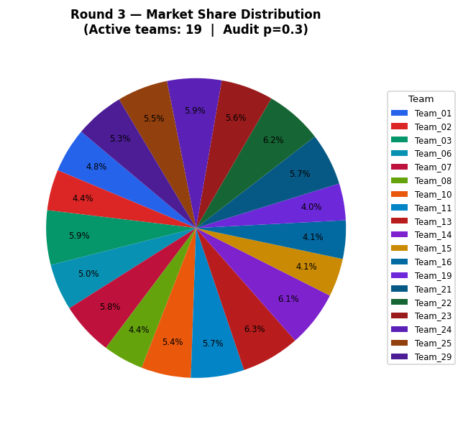
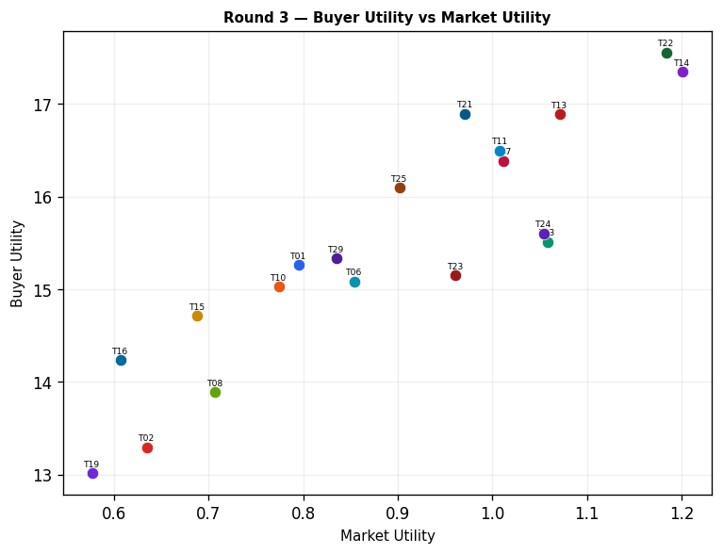
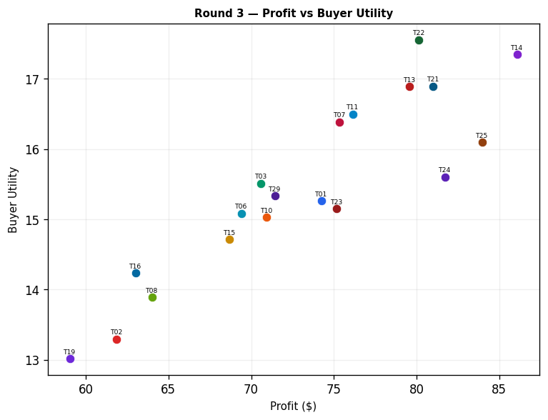
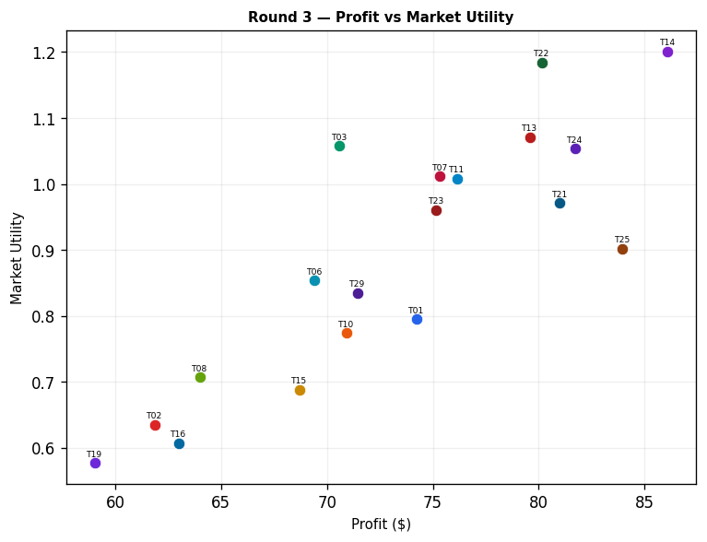
Team | Picks | Price | Feasible | Audit Excl. | Avg Env | Avg Social | Avg Cost | Strategic | Share % | Profit | Mkt Utility | Buyer Utility
Team_01 | P,B,C | 104.83 | Yes |  | 2.582 | 2.193 | 2.77 | 2.384 | 4.81 | 74.24 | 0.795 | 15.2654
Team_02 | A,Q,R | 104.73 | Yes |  | 2.571 | 2.779 | 3.44 | 2.541 | 4.4 | 61.87 | 0.635 | 13.2962
Team_03 | M,B,R | 100 | Yes |  | 2.675 | 1.675 | 3.981 | 2.198 | 5.86 | 70.6 | 1.058 | 15.5128
Team_04 | D,K,O | 100 | Yes | Yes | 2.442 | 2.863 | 2.36 | 1.425 | 0 | 0 | 0 | 8.2697
Team_05 | D,N,O | 90.53 | Yes | Yes | 1.616 | 2.335 | 3.257 | 1.239 | 0 | 0 | 0 | 9.8093
Team_06 | D,Q,R | 104.03 | Yes |  | 2.43 | 2.198 | 3.495 | 2.23 | 5.02 | 69.42 | 0.854 | 15.0829
Team_07 | A,N,F | 100 | Yes |  | 1.646 | 2.755 | 3.451 | 1.747 | 5.75 | 75.34 | 1.012 | 16.3868
Team_08 | A,E,R | 108.05 | Yes |  | 2.624 | 2.255 | 3.463 | 2.632 | 4.36 | 64.01 | 0.707 | 13.8906
Team_09 | M,N,L | 100 | Yes | Yes | 2.216 | 2.335 | 2.865 | 2.004 | 0 | 0 | 0 | 8.4447
Team_10 | G,B,C | 97.6 | Yes |  | 2.665 | 2.643 | 3.133 | 1.759 | 5.35 | 70.93 | 0.774 | 15.0261
Team_11 | G,N,F | 100 | Yes |  | 1.81 | 2.607 | 3.373 | 1.698 | 5.74 | 76.14 | 1.008 | 16.4992
Team_12 | A,N,O | 100 | Yes | Yes | 1.756 | 2.916 | 3.202 | 1.55 | 0 | 0 | 0 | 8.7773
Team_13 | D,B,C | 95.86 | Yes |  | 2.361 | 2.21 | 3.266 | 1.497 | 6.3 | 79.58 | 1.071 | 16.8903
Team_14 | P,N,I | 101.55 | Yes |  | 1.761 | 2.067 | 3.065 | 2.433 | 6.07 | 86.09 | 1.201 | 17.3488
Team_15 | P,B,C | 110.85 | Yes |  | 2.582 | 2.193 | 2.77 | 2.384 | 4.13 | 68.7 | 0.688 | 14.7109
Team_16 | G,B,C | 107.33 | Yes |  | 2.665 | 2.643 | 3.133 | 1.759 | 4.14 | 63 | 0.607 | 14.2332
Team_17 | P,N,O | 100 | Yes | Yes | 1.837 | 2.318 | 2.761 | 2.127 | 0 | 0 | 0 | 8.718
Team_18 | D,Q,L | 100 | Yes | Yes | 2.464 | 2.733 | 2.326 | 1.956 | 0 | 0 | 0 | 7.846
Team_19 | A,Q,R | 108.73 | Yes |  | 2.571 | 2.779 | 3.44 | 2.541 | 3.97 | 59.04 | 0.577 | 13.013
Team_20 | P,B,O | 102.7 | Yes | Yes | 2.33 | 2.193 | 2.708 | 2.047 | 0 | 0 | 0 | 8.4303
Team_21 | D,E,F | 100 | Yes |  | 1.548 | 2.962 | 2.829 | 1.695 | 5.65 | 81 | 0.971 | 16.8957
Team_22 | D,B,I | 100 | Yes |  | 2.032 | 1.959 | 3.508 | 1.466 | 6.17 | 80.14 | 1.184 | 17.5569
Team_23 | J,N,C | 100 | Yes |  | 2.456 | 2.128 | 3.32 | 2.782 | 5.63 | 75.17 | 0.961 | 15.1504
Team_24 | P,E,R | 100 | Yes |  | 2.705 | 1.657 | 3.021 | 3.208 | 5.86 | 81.73 | 1.054 | 15.6025
Team_25 | P,E,F | 100 | Yes |  | 1.769 | 2.945 | 2.333 | 2.582 | 5.47 | 83.95 | 0.902 | 16.0987
Team_26 | P,Q,L | 100 | Yes | Yes | 2.686 | 2.716 | 1.83 | 2.844 | 0 | 0 | 0 | 6.7547
Team_27 | D,B,O | 100 | Yes | Yes | 2.109 | 2.21 | 3.204 | 1.16 | 0 | 0 | 0 | 9.5217
Team_28 | A,N,L | 100 | Yes | Yes | 2.615 | 2.002 | 2.971 | 2.1 | 0 | 0 | 0 | 8.2833
Team_29 | A,N,C | 100 | Yes |  | 2.008 | 2.916 | 3.265 | 1.887 | 5.3 | 71.43 | 0.835 | 15.3312
Team_30 | J,B,O | 100 | Yes | Yes | 2.697 | 2.003 | 3.204 | 2.365 | 0 | 0 | 0 | 7.9347

Round 4
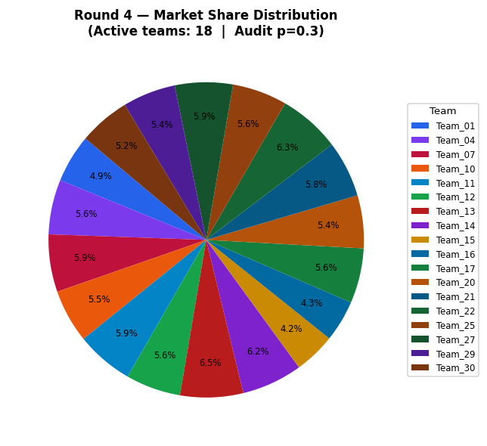
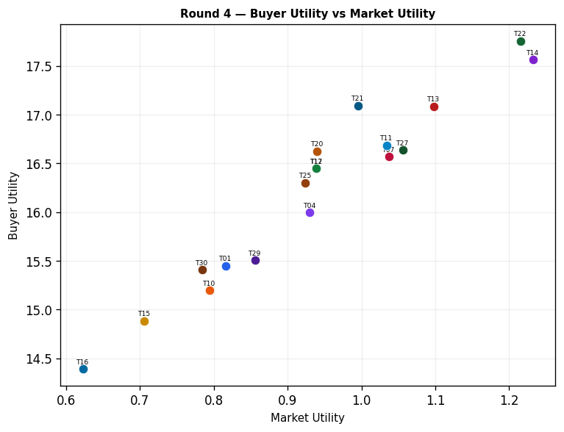
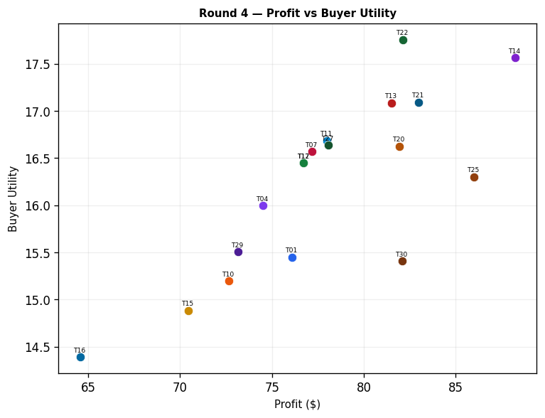
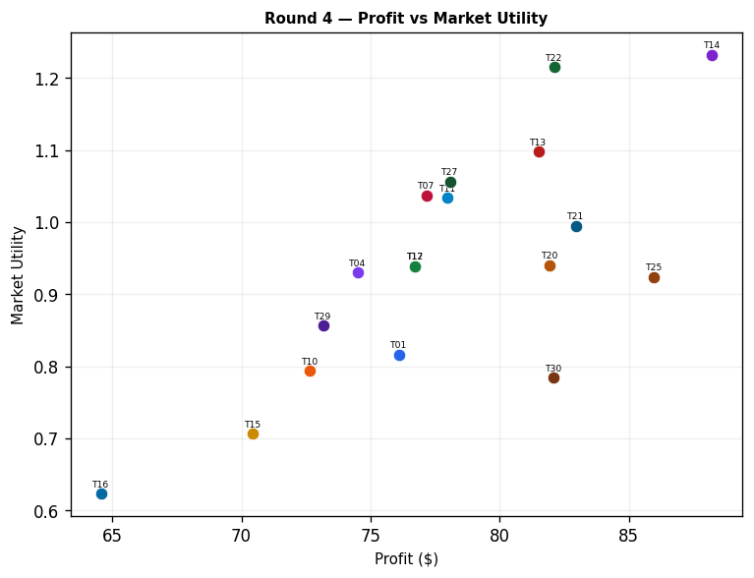
Team | Picks | Price | Feasible | Audit Excl. | Avg Env | Avg Social | Avg Cost | Strategic | Share % | Profit | Mkt Utility | Buyer Utility
Team_01 | P,B,C | 104.83 | Yes |  | 2.582 | 2.193 | 2.77 | 2.384 | 4.93 | 76.1 | 0.816 | 15.4509
Team_02 | A,Q,R | 104.73 | Yes | Yes | 2.571 | 2.779 | 3.44 | 2.541 | 0 | 0 | 0 | 7.1093
Team_03 | M,B,R | 100 | Yes | Yes | 2.675 | 1.675 | 3.981 | 2.198 | 0 | 0 | 0 | 8.4523
Team_04 | G,B,I | 100 | Yes |  | 2.337 | 2.392 | 3.375 | 1.728 | 5.62 | 74.51 | 0.93 | 15.9951
Team_05 | A,N,L | 90.53 | Yes | Yes | 2.615 | 2.002 | 2.971 | 2.1 | 0 | 0 | 0 | 8.2833
Team_06 | D,Q,R | 104.03 | Yes | Yes | 2.43 | 2.198 | 3.495 | 2.23 | 0 | 0 | 0 | 8.1413
Team_07 | A,N,F | 100 | Yes |  | 1.646 | 2.755 | 3.451 | 1.747 | 5.89 | 77.17 | 1.037 | 16.5694
Team_08 | A,E,R | 108.05 | Yes | Yes | 2.624 | 2.255 | 3.463 | 2.632 | 0 | 0 | 0 | 7.4893
Team_09 | M,B,L | 100 | Yes | Yes | 2.709 | 2.21 | 2.812 | 1.925 | 0 | 0 | 0 | 8.157
Team_10 | G,B,C | 97.6 | Yes |  | 2.665 | 2.643 | 3.133 | 1.759 | 5.48 | 72.65 | 0.794 | 15.1981
Team_11 | G,N,F | 100 | Yes |  | 1.81 | 2.607 | 3.373 | 1.698 | 5.88 | 77.99 | 1.034 | 16.6845
Team_12 | A,N,O | 100 | Yes |  | 1.756 | 2.916 | 3.202 | 1.55 | 5.64 | 76.73 | 0.939 | 16.4501
Team_13 | D,B,C | 95.86 | Yes |  | 2.361 | 2.21 | 3.266 | 1.497 | 6.45 | 81.51 | 1.098 | 17.0836
Team_14 | P,N,I | 101.55 | Yes |  | 1.761 | 2.067 | 3.065 | 2.433 | 6.22 | 88.22 | 1.232 | 17.5616
Team_15 | P,B,C | 110.85 | Yes |  | 2.582 | 2.193 | 2.77 | 2.384 | 4.24 | 70.44 | 0.706 | 14.8854
Team_16 | G,B,C | 107.33 | Yes |  | 2.665 | 2.643 | 3.133 | 1.759 | 4.25 | 64.57 | 0.623 | 14.3904
Team_17 | A,N,O | 100 | Yes |  | 1.756 | 2.916 | 3.202 | 1.55 | 5.64 | 76.73 | 0.939 | 16.4501
Team_18 | D,Q,L | 100 | Yes | Yes | 2.464 | 2.733 | 2.326 | 1.956 | 0 | 0 | 0 | 7.846
Team_19 | A,Q,R | 108.73 | Yes | Yes | 2.571 | 2.779 | 3.44 | 2.541 | 0 | 0 | 0 | 7.1093
Team_20 | P,B,O | 102.7 | Yes |  | 2.33 | 2.193 | 2.708 | 2.047 | 5.42 | 81.94 | 0.94 | 16.6239
Team_21 | D,E,F | 100 | Yes |  | 1.548 | 2.962 | 2.829 | 1.695 | 5.78 | 82.96 | 0.995 | 17.0911
Team_22 | D,B,I | 100 | Yes |  | 2.032 | 1.959 | 3.508 | 1.466 | 6.32 | 82.11 | 1.215 | 17.7547
Team_23 | J,N,C | 100 | Yes | Yes | 2.456 | 2.128 | 3.32 | 2.782 | 0 | 0 | 0 | 7.6333
Team_24 | P,E,R | 100 | Yes | Yes | 2.705 | 1.657 | 3.021 | 3.208 | 0 | 0 | 0 | 7.43
Team_25 | P,E,F | 100 | Yes |  | 1.769 | 2.945 | 2.333 | 2.582 | 5.61 | 85.98 | 0.924 | 16.3015
Team_26 | P,Q,L | 100 | Yes | Yes | 2.686 | 2.716 | 1.83 | 2.844 | 0 | 0 | 0 | 6.7547
Team_27 | G,N,I | 100 | Yes |  | 1.844 | 2.517 | 3.428 | 1.807 | 5.94 | 78.07 | 1.056 | 16.6385
Team_28 | A,N,L | 100 | Yes | Yes | 2.615 | 2.002 | 2.971 | 2.1 | 0 | 0 | 0 | 8.2833
Team_29 | A,N,C | 100 | Yes |  | 2.008 | 2.916 | 3.265 | 1.887 | 5.43 | 73.16 | 0.856 | 15.5041
Team_30 | P,K,I | 100 | Yes |  | 2.587 | 2.595 | 2.168 | 2.619 | 5.24 | 82.09 | 0.784 | 15.409

Round 5
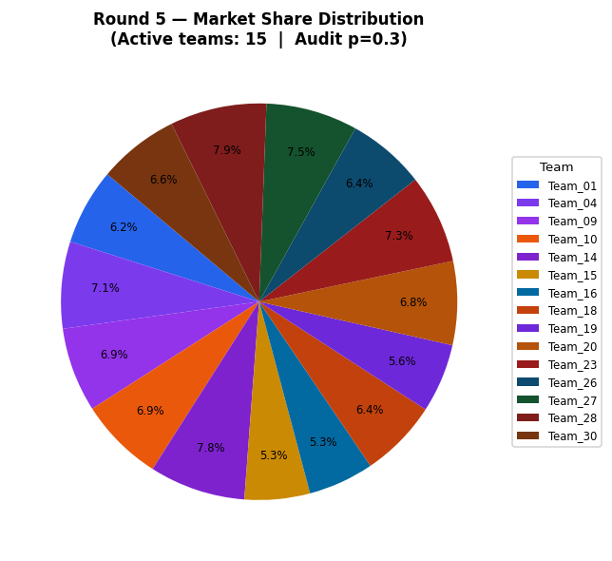
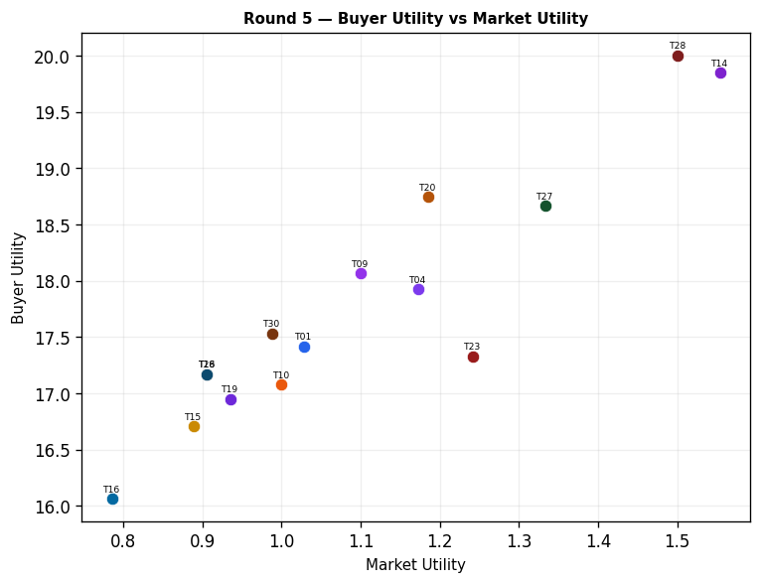
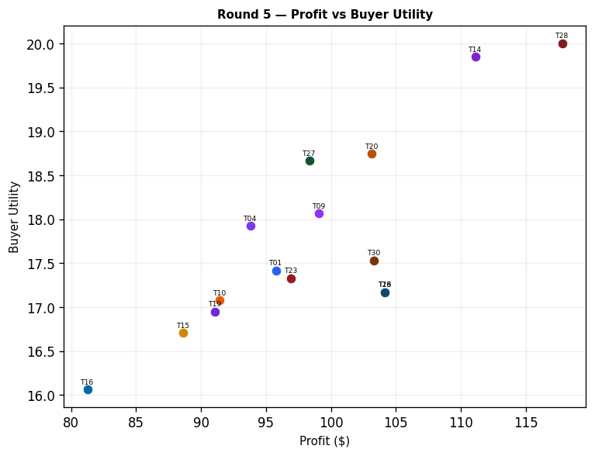
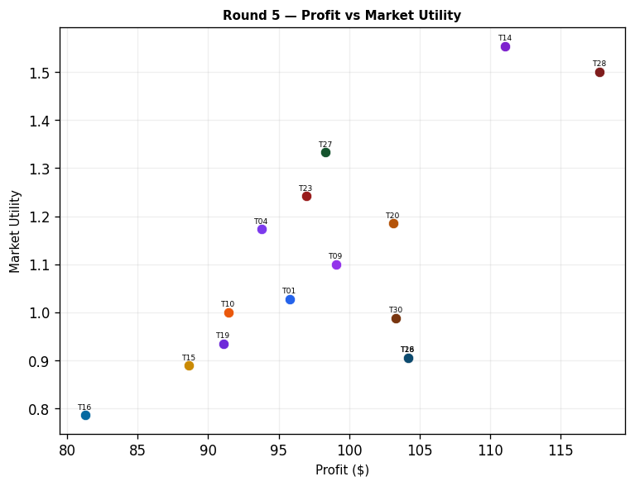
Team | Picks | Price | Feasible | Audit Excl. | Avg Env | Avg Social | Avg Cost | Strategic | Share % | Profit | Mkt Utility | Buyer Utility
Team_01 | P,B,C | 104.83 | Yes |  | 2.582 | 2.193 | 2.77 | 2.384 | 6.21 | 95.77 | 1.028 | 17.418
Team_02 | A,Q,R | 104.73 | Yes | Yes | 2.571 | 2.779 | 3.44 | 2.541 | 0 | 0 | 0 | 7.1093
Team_03 | G,B,F | 100 | Yes | Yes | 2.303 | 2.481 | 3.32 | 1.618 | 0 | 0 | 0 | 8.5977
Team_04 | G,B,I | 100 | Yes |  | 2.337 | 2.392 | 3.375 | 1.728 | 7.08 | 93.8 | 1.173 | 17.9242
Team_05 | A,N,L | 90.53 | Yes | Yes | 2.615 | 2.002 | 2.971 | 2.1 | 0 | 0 | 0 | 8.2833
Team_06 | A,E,L | 104.03 | Yes | Yes | 2.658 | 2.79 | 2.294 | 2.358 | 0 | 0 | 0 | 7.194
Team_07 | A,N,F | 100 | Yes | Yes | 1.646 | 2.755 | 3.451 | 1.747 | 0 | 0 | 0 | 8.8527
Team_08 | A,E,R | 108.05 | Yes | Yes | 2.624 | 2.255 | 3.463 | 2.632 | 0 | 0 | 0 | 7.4893
Team_09 | M,B,L | 100 | Yes |  | 2.709 | 2.21 | 2.812 | 1.925 | 6.89 | 99.08 | 1.1 | 18.0647
Team_10 | G,B,C | 97.6 | Yes |  | 2.665 | 2.643 | 3.133 | 1.759 | 6.9 | 91.44 | 1 | 17.0774
Team_11 | G,N,F | 100 | Yes | Yes | 1.81 | 2.607 | 3.373 | 1.698 | 0 | 0 | 0 | 8.8853
Team_12 | A,N,O | 100 | Yes | Yes | 1.756 | 2.916 | 3.202 | 1.55 | 0 | 0 | 0 | 8.7773
Team_13 | D,B,C | 95.86 | Yes | Yes | 2.361 | 2.21 | 3.266 | 1.497 | 0 | 0 | 0 | 8.9327
Team_14 | P,N,I | 101.55 | Yes |  | 1.761 | 2.067 | 3.065 | 2.433 | 7.84 | 111.1 | 1.554 | 19.8497
Team_15 | P,B,C | 110.85 | Yes |  | 2.582 | 2.193 | 2.77 | 2.384 | 5.33 | 88.65 | 0.889 | 16.7064
Team_16 | G,B,C | 107.33 | Yes |  | 2.665 | 2.643 | 3.133 | 1.759 | 5.35 | 81.27 | 0.786 | 16.0607
Team_17 | A,N,O | 100 | Yes | Yes | 1.756 | 2.916 | 3.202 | 1.55 | 0 | 0 | 0 | 8.7773
Team_18 | P,Q,L | 100 | Yes |  | 2.686 | 2.716 | 1.83 | 2.844 | 6.37 | 104.17 | 0.906 | 17.1714
Team_19 | P,B,C | 108.73 | Yes |  | 2.582 | 2.193 | 2.77 | 2.384 | 5.62 | 91.09 | 0.935 | 16.9507
Team_20 | P,B,O | 102.7 | Yes |  | 2.33 | 2.193 | 2.708 | 2.047 | 6.82 | 103.14 | 1.185 | 18.7443
Team_21 | D,E,F | 100 | Yes | Yes | 1.548 | 2.962 | 2.829 | 1.695 | 0 | 0 | 0 | 8.7953
Team_22 | D,B,I | 100 | Yes | Yes | 2.032 | 1.959 | 3.508 | 1.466 | 0 | 0 | 0 | 9.5433
Team_23 | J,N,C | 100 | Yes |  | 2.456 | 2.128 | 3.32 | 2.782 | 7.26 | 96.94 | 1.242 | 17.3276
Team_24 | A,N,F | 100 | Yes | Yes | 1.646 | 2.755 | 3.451 | 1.747 | 0 | 0 | 0 | 8.8527
Team_25 | P,E,F | 100 | Yes | Yes | 1.769 | 2.945 | 2.333 | 2.582 | 0 | 0 | 0 | 7.704
Team_26 | P,Q,L | 100 | Yes |  | 2.686 | 2.716 | 1.83 | 2.844 | 6.37 | 104.17 | 0.906 | 17.1714
Team_27 | G,N,I | 100 | Yes |  | 1.844 | 2.517 | 3.428 | 1.807 | 7.48 | 98.33 | 1.333 | 18.6647
Team_28 | P,N,L | 100 | Yes |  | 2.696 | 1.404 | 2.53 | 2.676 | 7.88 | 117.79 | 1.501 | 20.0031
Team_29 | A,N,C | 100 | Yes | Yes | 2.008 | 2.916 | 3.265 | 1.887 | 0 | 0 | 0 | 8.1883
Team_30 | P,K,I | 100 | Yes |  | 2.587 | 2.595 | 2.168 | 2.619 | 6.6 | 103.33 | 0.988 | 17.5331

Round 6
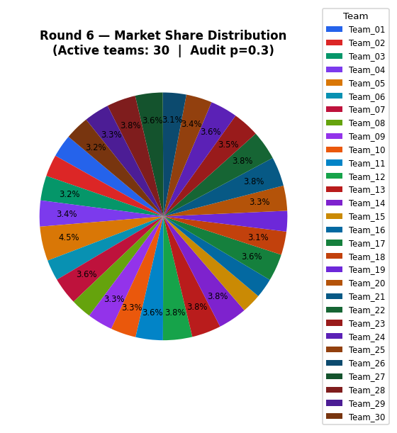
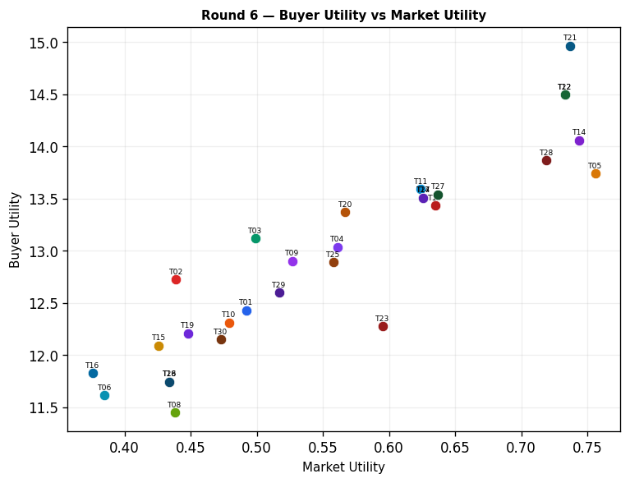
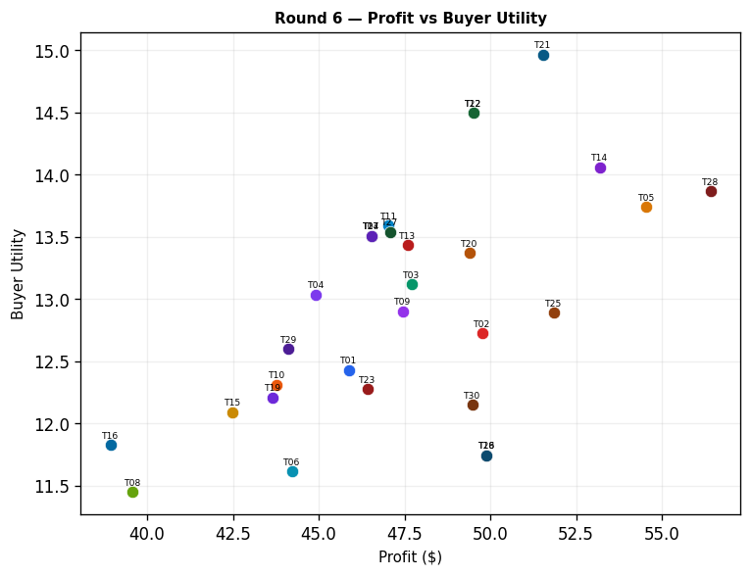
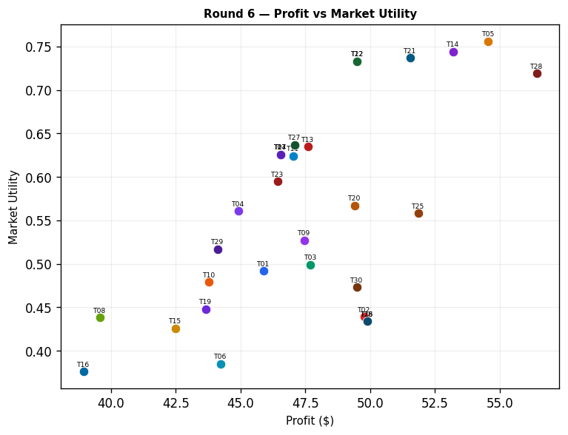
Team | Picks | Price | Feasible | Audit Excl. | Avg Env | Avg Social | Avg Cost | Strategic | Share % | Profit | Mkt Utility | Buyer Utility
Team_01 | P,B,C | 104.83 | Yes |  | 2.582 | 2.193 | 2.77 | 2.384 | 2.97 | 45.88 | 0.492 | 12.4296
Team_02 | D,H,L | 104.73 | Yes |  | 2.352 | 2.709 | 1.716 | 2.193 | 2.84 | 49.77 | 0.439 | 12.7228
Team_03 | D,K,F | 100 | Yes |  | 2.331 | 2.702 | 2.609 | 1.622 | 3.23 | 47.7 | 0.499 | 13.1154
Team_04 | G,B,I | 100 | Yes |  | 2.337 | 2.392 | 3.375 | 1.728 | 3.39 | 44.92 | 0.561 | 13.0359
Team_05 | A,N,L | 90.53 | Yes |  | 2.615 | 2.002 | 2.971 | 2.1 | 4.48 | 54.55 | 0.756 | 13.7384
Team_06 | A,E,L | 104.03 | Yes |  | 2.658 | 2.79 | 2.294 | 2.358 | 2.73 | 44.22 | 0.385 | 11.6157
Team_07 | A,N,F | 100 | Yes |  | 1.646 | 2.755 | 3.451 | 1.747 | 3.55 | 46.54 | 0.626 | 13.5069
Team_08 | A,E,R | 108.05 | Yes |  | 2.624 | 2.255 | 3.463 | 2.632 | 2.7 | 39.58 | 0.438 | 11.4472
Team_09 | M,B,L | 100 | Yes |  | 2.709 | 2.21 | 2.812 | 1.925 | 3.3 | 47.45 | 0.527 | 12.9023
Team_10 | G,B,C | 97.6 | Yes |  | 2.665 | 2.643 | 3.133 | 1.759 | 3.3 | 43.78 | 0.479 | 12.3116
Team_11 | G,N,F | 100 | Yes |  | 1.81 | 2.607 | 3.373 | 1.698 | 3.55 | 47.03 | 0.624 | 13.5886
Team_12 | D,B,I | 100 | Yes |  | 2.032 | 1.959 | 3.508 | 1.466 | 3.81 | 49.5 | 0.733 | 14.4936
Team_13 | M,B,I | 95.86 | Yes |  | 1.773 | 2.873 | 3.347 | 1.681 | 3.81 | 47.59 | 0.635 | 13.4319
Team_14 | P,N,I | 101.55 | Yes |  | 1.761 | 2.067 | 3.065 | 2.433 | 3.75 | 53.2 | 0.744 | 14.0596
Team_15 | P,B,C | 110.85 | Yes |  | 2.582 | 2.193 | 2.77 | 2.384 | 2.56 | 42.49 | 0.426 | 12.0905
Team_16 | G,B,C | 107.33 | Yes |  | 2.665 | 2.643 | 3.133 | 1.759 | 2.56 | 38.94 | 0.376 | 11.8278
Team_17 | A,N,F | 100 | Yes |  | 1.646 | 2.755 | 3.451 | 1.747 | 3.55 | 46.54 | 0.626 | 13.5069
Team_18 | P,Q,L | 100 | Yes |  | 2.686 | 2.716 | 1.83 | 2.844 | 3.05 | 49.89 | 0.434 | 11.7433
Team_19 | P,B,C | 108.73 | Yes |  | 2.582 | 2.193 | 2.77 | 2.384 | 2.69 | 43.66 | 0.448 | 12.207
Team_20 | P,B,O | 102.7 | Yes |  | 2.33 | 2.193 | 2.708 | 2.047 | 3.27 | 49.4 | 0.567 | 13.3705
Team_21 | D,N,O | 100 | Yes |  | 1.616 | 2.335 | 3.257 | 1.239 | 3.82 | 51.54 | 0.737 | 14.9638
Team_22 | D,B,I | 100 | Yes |  | 2.032 | 1.959 | 3.508 | 1.466 | 3.81 | 49.5 | 0.733 | 14.4936
Team_23 | J,N,C | 100 | Yes |  | 2.456 | 2.128 | 3.32 | 2.782 | 3.47 | 46.43 | 0.595 | 12.276
Team_24 | A,N,F | 100 | Yes |  | 1.646 | 2.755 | 3.451 | 1.747 | 3.55 | 46.54 | 0.626 | 13.5069
Team_25 | P,E,F | 100 | Yes |  | 1.769 | 2.945 | 2.333 | 2.582 | 3.38 | 51.85 | 0.558 | 12.8894
Team_26 | P,Q,L | 100 | Yes |  | 2.686 | 2.716 | 1.83 | 2.844 | 3.05 | 49.89 | 0.434 | 11.7433
Team_27 | G,N,I | 100 | Yes |  | 1.844 | 2.517 | 3.428 | 1.807 | 3.58 | 47.08 | 0.637 | 13.5393
Team_28 | P,N,L | 100 | Yes |  | 2.696 | 1.404 | 2.53 | 2.676 | 3.78 | 56.42 | 0.719 | 13.8664
Team_29 | A,N,C | 100 | Yes |  | 2.008 | 2.916 | 3.265 | 1.887 | 3.28 | 44.12 | 0.517 | 12.6001
Team_30 | P,K,I | 100 | Yes |  | 2.587 | 2.595 | 2.168 | 2.619 | 3.16 | 49.48 | 0.473 | 12.1485

Round 7
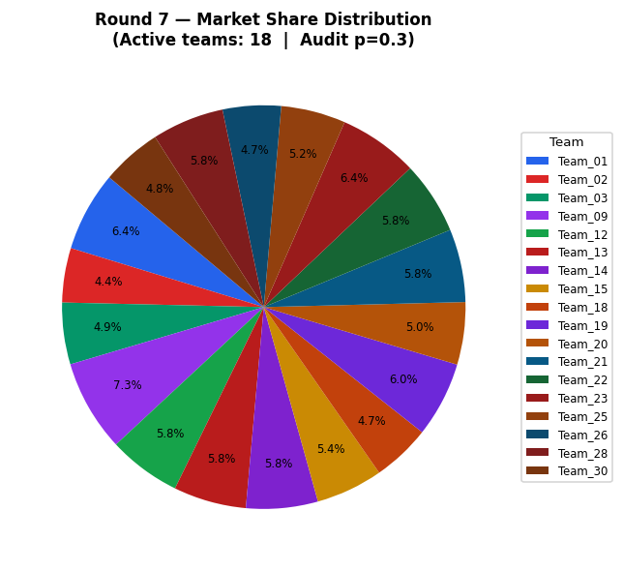
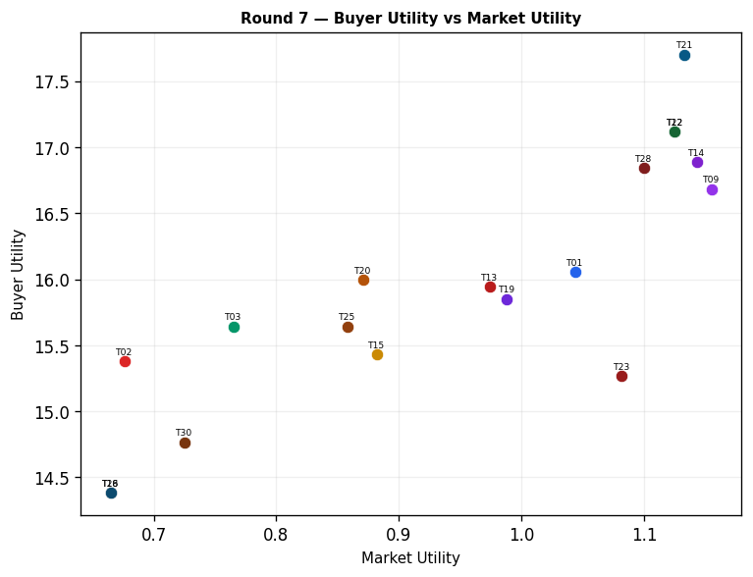
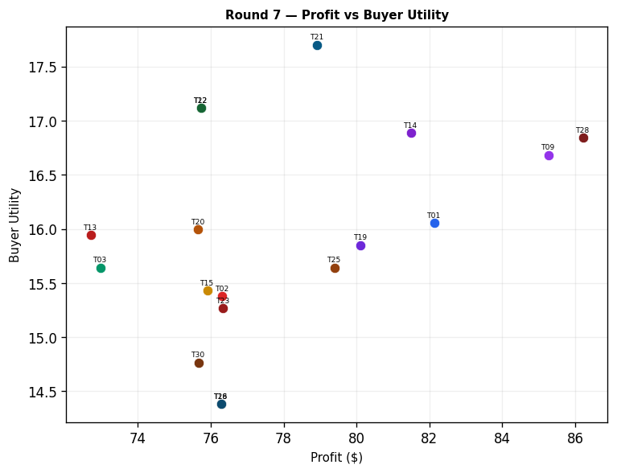
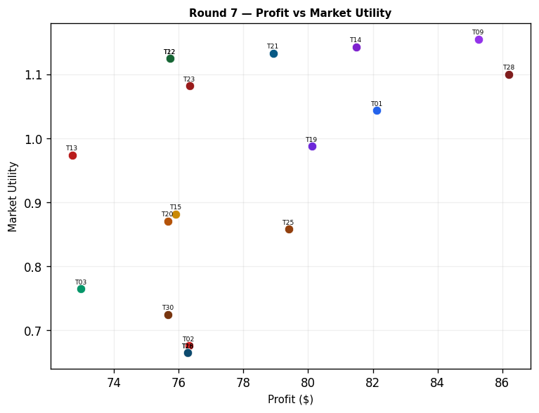
Team | Picks | Price | Feasible | Audit Excl. | Avg Env | Avg Social | Avg Cost | Strategic | Share % | Profit | Mkt Utility | Buyer Utility
Team_01 | P,B,C | 91.93 | Yes |  | 2.582 | 2.193 | 2.77 | 2.384 | 6.39 | 82.13 | 1.044 | 16.0547
Team_02 | D,H,L | 104.73 | Yes |  | 2.352 | 2.709 | 1.716 | 2.193 | 4.36 | 76.32 | 0.676 | 15.3776
Team_03 | D,K,F | 100 | Yes |  | 2.331 | 2.702 | 2.609 | 1.622 | 4.94 | 72.98 | 0.765 | 15.6426
Team_04 | G,B,I | 92.32 | Yes | Yes | 2.337 | 2.392 | 3.375 | 1.728 | 0 | 0 | 0 | 8.544
Team_05 | A,N,L | 90.53 | Yes | Yes | 2.615 | 2.002 | 2.971 | 2.1 | 0 | 0 | 0 | 8.2833
Team_06 | A,E,L | 89.97 | Yes | Yes | 2.658 | 2.79 | 2.294 | 2.358 | 0 | 0 | 0 | 7.194
Team_07 | A,N,F | 86.69 | Yes | Yes | 1.646 | 2.755 | 3.451 | 1.747 | 0 | 0 | 0 | 8.8527
Team_08 | A,E,R | 101.71 | Yes | Yes | 2.624 | 2.255 | 3.463 | 2.632 | 0 | 0 | 0 | 7.4893
Team_09 | M,B,L | 86.18 | Yes |  | 2.709 | 2.21 | 2.812 | 1.925 | 7.34 | 85.26 | 1.155 | 16.6833
Team_10 | G,B,C | 90.34 | Yes | Yes | 2.665 | 2.643 | 3.133 | 1.759 | 0 | 0 | 0 | 7.9333
Team_11 | G,N,F | 90.35 | Yes | Yes | 1.81 | 2.607 | 3.373 | 1.698 | 0 | 0 | 0 | 8.8853
Team_12 | D,B,I | 100 | Yes |  | 2.032 | 1.959 | 3.508 | 1.466 | 5.83 | 75.73 | 1.125 | 17.1166
Team_13 | M,B,I | 95.86 | Yes |  | 1.773 | 2.873 | 3.347 | 1.681 | 5.83 | 72.71 | 0.974 | 15.9439
Team_14 | P,N,I | 101.55 | Yes |  | 1.761 | 2.067 | 3.065 | 2.433 | 5.75 | 81.49 | 1.143 | 16.8888
Team_15 | P,B,C | 98.54 | Yes |  | 2.582 | 2.193 | 2.77 | 2.384 | 5.36 | 75.91 | 0.882 | 15.4324
Team_16 | G,B,C | 97.9 | Yes | Yes | 2.665 | 2.643 | 3.133 | 1.759 | 0 | 0 | 0 | 7.9333
Team_17 | A,N,F | 94.71 | Yes | Yes | 1.646 | 2.755 | 3.451 | 1.747 | 0 | 0 | 0 | 8.8527
Team_18 | P,Q,L | 100 | Yes |  | 2.686 | 2.716 | 1.83 | 2.844 | 4.67 | 76.28 | 0.665 | 14.3822
Team_19 | P,B,C | 94.04 | Yes |  | 2.582 | 2.193 | 2.77 | 2.384 | 6.04 | 80.11 | 0.988 | 15.8524
Team_20 | P,B,O | 102.7 | Yes |  | 2.33 | 2.193 | 2.708 | 2.047 | 5 | 75.66 | 0.871 | 15.9963
Team_21 | D,N,O | 100 | Yes |  | 1.616 | 2.335 | 3.257 | 1.239 | 5.85 | 78.92 | 1.133 | 17.7013
Team_22 | D,B,I | 100 | Yes |  | 2.032 | 1.959 | 3.508 | 1.466 | 5.83 | 75.73 | 1.125 | 17.1166
Team_23 | J,N,C | 93.18 | Yes |  | 2.456 | 2.128 | 3.32 | 2.782 | 6.36 | 76.34 | 1.082 | 15.2673
Team_24 | A,N,F | 92.88 | Yes | Yes | 1.646 | 2.755 | 3.451 | 1.747 | 0 | 0 | 0 | 8.8527
Team_25 | P,E,F | 100 | Yes |  | 1.769 | 2.945 | 2.333 | 2.582 | 5.18 | 79.4 | 0.858 | 15.644
Team_26 | P,Q,L | 100 | Yes |  | 2.686 | 2.716 | 1.83 | 2.844 | 4.67 | 76.28 | 0.665 | 14.3822
Team_27 | G,N,I | 87.02 | Yes | Yes | 1.844 | 2.517 | 3.428 | 1.807 | 0 | 0 | 0 | 8.8317
Team_28 | P,N,L | 100 | Yes |  | 2.696 | 1.404 | 2.53 | 2.676 | 5.77 | 86.21 | 1.1 | 16.845
Team_29 | A,N,C | 91.6 | Yes | Yes | 2.008 | 2.916 | 3.265 | 1.887 | 0 | 0 | 0 | 8.1883
Team_30 | P,K,I | 100 | Yes |  | 2.587 | 2.595 | 2.168 | 2.619 | 4.83 | 75.67 | 0.725 | 14.7667

Round 8
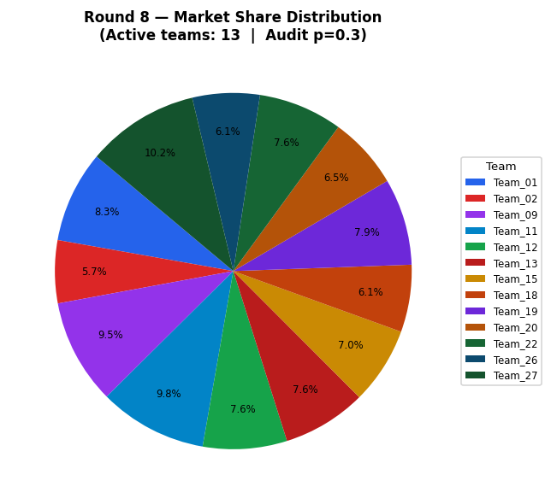
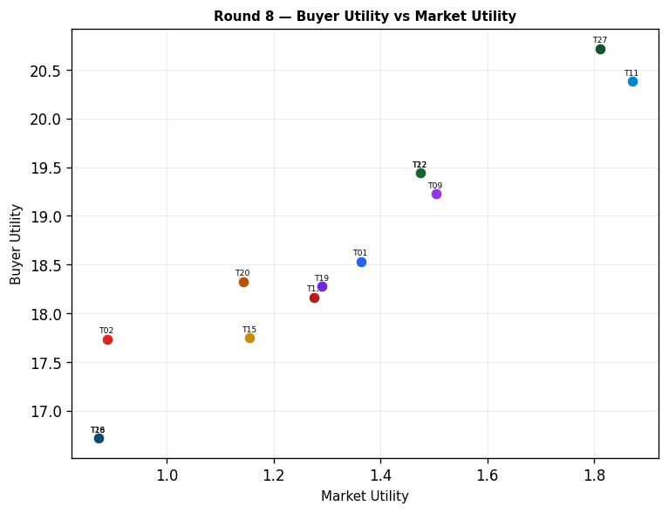
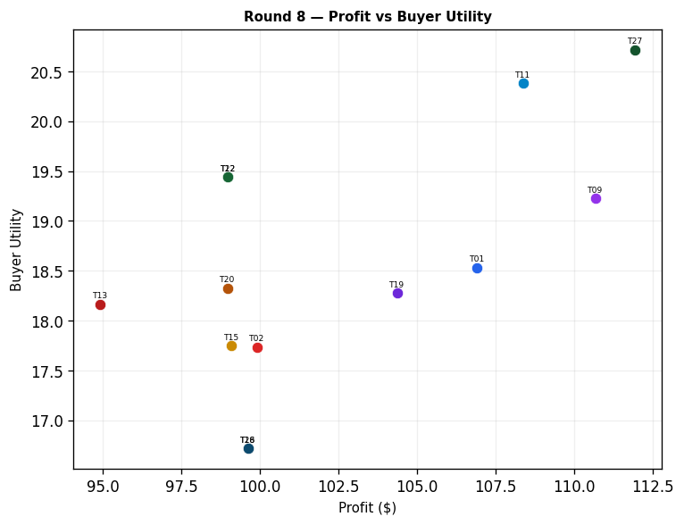
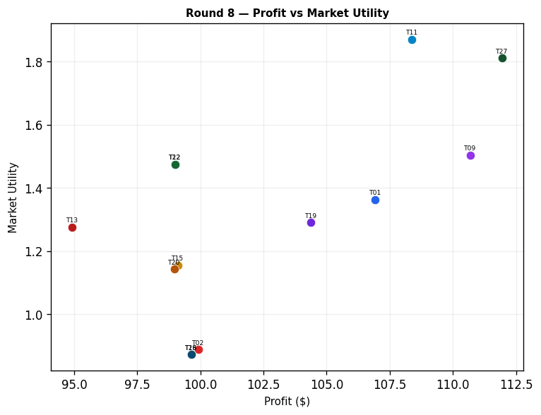
Team | Picks | Price | Feasible | Audit Excl. | Avg Env | Avg Social | Avg Cost | Strategic | Share % | Profit | Mkt Utility | Buyer Utility
Team_01 | P,B,C | 91.93 | Yes |  | 2.582 | 2.193 | 2.77 | 2.384 | 8.32 | 106.92 | 1.363 | 18.5334
Team_02 | D,H,L | 104.73 | Yes |  | 2.352 | 2.709 | 1.716 | 2.193 | 5.7 | 99.91 | 0.888 | 17.7367
Team_03 | D,K,F | 100 | Yes | Yes | 2.331 | 2.702 | 2.609 | 1.622 | 0 | 0 | 0 | 8.345
Team_04 | P,N,R | 92.32 | Yes | Yes | 2.662 | 0.869 | 3.699 | 2.95 | 0 | 0 | 0 | 8.5193
Team_05 | M,N,I | 90.53 | Yes | Yes | 1.28 | 2.998 | 3.401 | 1.761 | 0 | 0 | 0 | 8.9603
Team_06 | A,E,L | 89.97 | Yes | Yes | 2.658 | 2.79 | 2.294 | 2.358 | 0 | 0 | 0 | 7.194
Team_07 | A,N,F | 86.69 | Yes | Yes | 1.646 | 2.755 | 3.451 | 1.747 | 0 | 0 | 0 | 8.8527
Team_08 | A,N,I | 101.71 | Yes | Yes | 1.68 | 2.665 | 3.507 | 1.856 | 0 | 0 | 0 | 8.799
Team_09 | M,B,L | 86.18 | Yes |  | 2.709 | 2.21 | 2.812 | 1.925 | 9.53 | 110.69 | 1.504 | 19.2262
Team_10 | G,B,C | 90.34 | Yes | Yes | 2.665 | 2.643 | 3.133 | 1.759 | 0 | 0 | 0 | 7.9333
Team_11 | D,B,I | 90.35 | Yes |  | 2.032 | 1.959 | 3.508 | 1.466 | 9.8 | 108.38 | 1.871 | 20.3809
Team_12 | D,B,I | 100 | Yes |  | 2.032 | 1.959 | 3.508 | 1.466 | 7.62 | 98.99 | 1.475 | 19.4419
Team_13 | M,B,I | 95.86 | Yes |  | 1.773 | 2.873 | 3.347 | 1.681 | 7.61 | 94.92 | 1.276 | 18.1643
Team_14 | P,N,I | 101.55 | Yes | Yes | 1.761 | 2.067 | 3.065 | 2.433 | 0 | 0 | 0 | 8.7397
Team_15 | P,B,C | 98.54 | Yes |  | 2.582 | 2.193 | 2.77 | 2.384 | 6.99 | 99.1 | 1.155 | 17.7511
Team_16 | G,B,C | 97.9 | Yes | Yes | 2.665 | 2.643 | 3.133 | 1.759 | 0 | 0 | 0 | 7.9333
Team_17 | A,N,R | 94.71 | Yes | Yes | 2.581 | 1.467 | 4.14 | 2.373 | 0 | 0 | 0 | 8.5787
Team_18 | P,Q,L | 100 | Yes |  | 2.686 | 2.716 | 1.83 | 2.844 | 6.1 | 99.63 | 0.872 | 16.7177
Team_19 | P,B,C | 94.04 | Yes |  | 2.582 | 2.193 | 2.77 | 2.384 | 7.87 | 104.38 | 1.291 | 18.2796
Team_20 | P,B,O | 102.7 | Yes |  | 2.33 | 2.193 | 2.708 | 2.047 | 6.54 | 98.97 | 1.143 | 18.3269
Team_21 | D,N,O | 100 | Yes | Yes | 1.616 | 2.335 | 3.257 | 1.239 | 0 | 0 | 0 | 9.8093
Team_22 | D,B,I | 100 | Yes |  | 2.032 | 1.959 | 3.508 | 1.466 | 7.62 | 98.99 | 1.475 | 19.4419
Team_23 | J,N,C | 93.18 | Yes | Yes | 2.456 | 2.128 | 3.32 | 2.782 | 0 | 0 | 0 | 7.6333
Team_24 | A,N,F | 92.88 | Yes | Yes | 1.646 | 2.755 | 3.451 | 1.747 | 0 | 0 | 0 | 8.8527
Team_25 | P,E,F | 100 | Yes | Yes | 1.769 | 2.945 | 2.333 | 2.582 | 0 | 0 | 0 | 7.704
Team_26 | P,Q,L | 100 | Yes |  | 2.686 | 2.716 | 1.83 | 2.844 | 6.1 | 99.63 | 0.872 | 16.7177
Team_27 | D,B,O | 87.02 | Yes |  | 2.109 | 2.21 | 3.204 | 1.16 | 10.18 | 111.95 | 1.812 | 20.717
Team_28 | P,N,L | 100 | Yes | Yes | 2.696 | 1.404 | 2.53 | 2.676 | 0 | 0 | 0 | 8.224
Team_29 | A,N,C | 91.6 | Yes | Yes | 2.008 | 2.916 | 3.265 | 1.887 | 0 | 0 | 0 | 8.1883
Team_30 | P,K,I | 100 | Yes | Yes | 2.587 | 2.595 | 2.168 | 2.619 | 0 | 0 | 0 | 7.2

Round 9
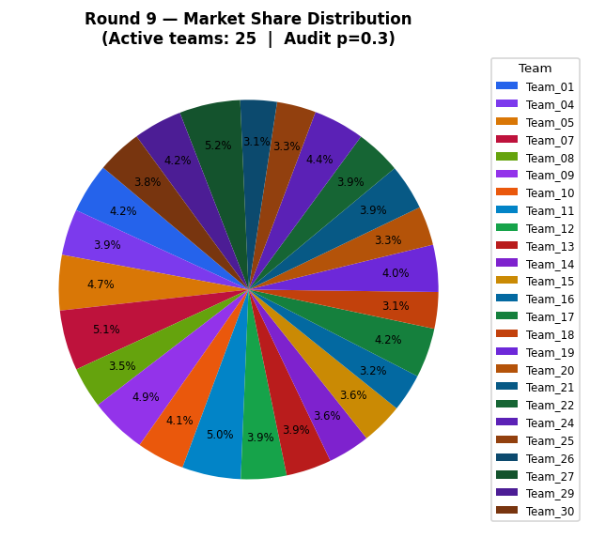
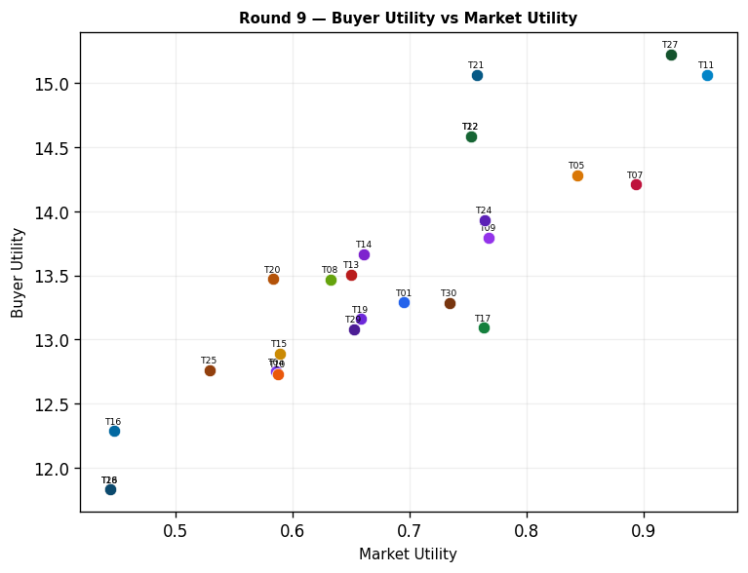
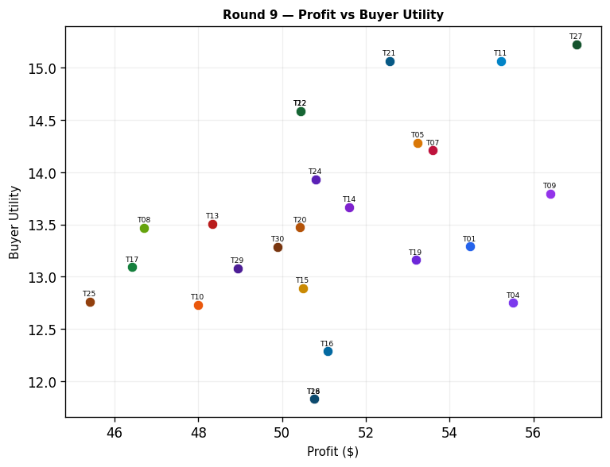
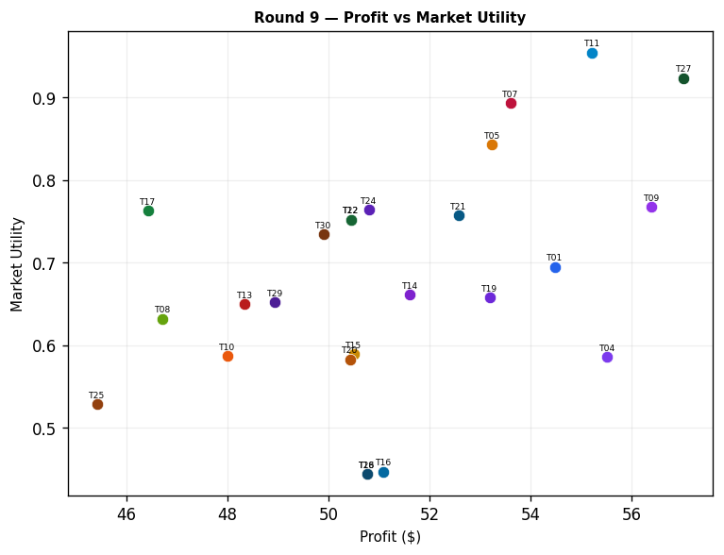
Team | Picks | Price | Feasible | Audit Excl. | Avg Env | Avg Social | Avg Cost | Strategic | Share % | Profit | Mkt Utility | Buyer Utility
Team_01 | P,B,C | 91.93 | Yes |  | 2.582 | 2.193 | 2.77 | 2.384 | 4.24 | 54.48 | 0.695 | 13.2893
Team_02 | D,H,L | 104.73 | Yes | Yes | 2.352 | 2.709 | 1.716 | 2.193 | 0 | 0 | 0 | 7.746
Team_03 | P,E,L | 100 | Yes | Yes | 2.739 | 2.192 | 1.853 | 2.935 | 0 | 0 | 0 | 7.1347
Team_04 | P,K,I | 92.32 | Yes |  | 2.587 | 2.595 | 2.168 | 2.619 | 3.93 | 55.52 | 0.586 | 12.7525
Team_05 | M,N,I | 90.53 | Yes |  | 1.28 | 2.998 | 3.401 | 1.761 | 4.71 | 53.24 | 0.843 | 14.2841
Team_06 | A,E,R | 89.97 | Yes | Yes | 2.624 | 2.255 | 3.463 | 2.632 | 0 | 0 | 0 | 7.4893
Team_07 | A,N,F | 86.69 | Yes |  | 1.646 | 2.755 | 3.451 | 1.747 | 5.14 | 53.6 | 0.893 | 14.2122
Team_08 | A,N,I | 101.71 | Yes |  | 1.68 | 2.665 | 3.507 | 1.856 | 3.5 | 46.71 | 0.632 | 13.4701
Team_09 | M,B,L | 86.18 | Yes |  | 2.709 | 2.21 | 2.812 | 1.925 | 4.86 | 56.4 | 0.767 | 13.7971
Team_10 | G,B,C | 90.34 | Yes |  | 2.665 | 2.643 | 3.133 | 1.759 | 4.07 | 47.99 | 0.587 | 12.732
Team_11 | D,B,I | 90.35 | Yes |  | 2.032 | 1.959 | 3.508 | 1.466 | 5 | 55.22 | 0.954 | 15.065
Team_12 | D,B,I | 100 | Yes |  | 2.032 | 1.959 | 3.508 | 1.466 | 3.88 | 50.44 | 0.752 | 14.5869
Team_13 | M,B,I | 95.86 | Yes |  | 1.773 | 2.873 | 3.347 | 1.681 | 3.87 | 48.34 | 0.65 | 13.5067
Team_14 | P,B,F | 101.55 | Yes |  | 2.219 | 2.031 | 2.957 | 2.244 | 3.58 | 51.61 | 0.661 | 13.6666
Team_15 | P,B,C | 98.54 | Yes |  | 2.582 | 2.193 | 2.77 | 2.384 | 3.56 | 50.5 | 0.589 | 12.8909
Team_16 | P,K,O | 97.9 | Yes |  | 2.663 | 2.846 | 1.864 | 2.313 | 3.22 | 51.09 | 0.447 | 12.2874
Team_17 | M,B,R | 94.71 | Yes |  | 2.675 | 1.675 | 3.981 | 2.198 | 4.23 | 46.42 | 0.763 | 13.0946
Team_18 | P,Q,L | 100 | Yes |  | 2.686 | 2.716 | 1.83 | 2.844 | 3.11 | 50.76 | 0.444 | 11.8306
Team_19 | P,B,C | 94.04 | Yes |  | 2.582 | 2.193 | 2.77 | 2.384 | 4.01 | 53.19 | 0.658 | 13.1601
Team_20 | P,B,O | 102.7 | Yes |  | 2.33 | 2.193 | 2.708 | 2.047 | 3.33 | 50.43 | 0.583 | 13.473
Team_21 | D,N,O | 100 | Yes |  | 1.616 | 2.335 | 3.257 | 1.239 | 3.9 | 52.57 | 0.757 | 15.0665
Team_22 | D,B,I | 100 | Yes |  | 2.032 | 1.959 | 3.508 | 1.466 | 3.88 | 50.44 | 0.752 | 14.5869
Team_23 | D,H,L | 93.18 | Yes | Yes | 2.352 | 2.709 | 1.716 | 2.193 | 0 | 0 | 0 | 7.746
Team_24 | A,N,F | 92.88 | Yes |  | 1.646 | 2.755 | 3.451 | 1.747 | 4.35 | 50.8 | 0.764 | 13.9328
Team_25 | G,N,C | 100 | Yes |  | 2.173 | 2.768 | 3.186 | 1.838 | 3.33 | 45.41 | 0.529 | 12.7618
Team_26 | P,Q,L | 100 | Yes |  | 2.686 | 2.716 | 1.83 | 2.844 | 3.11 | 50.76 | 0.444 | 11.8306
Team_27 | D,B,O | 87.02 | Yes |  | 2.109 | 2.21 | 3.204 | 1.16 | 5.19 | 57.03 | 0.923 | 15.225
Team_28 | P,E,L | 100 | Yes | Yes | 2.739 | 2.192 | 1.853 | 2.935 | 0 | 0 | 0 | 7.1347
Team_29 | A,N,C | 91.6 | Yes |  | 2.008 | 2.916 | 3.265 | 1.887 | 4.15 | 48.94 | 0.652 | 13.0824
Team_30 | J,N,F | 100 | Yes |  | 2.094 | 1.967 | 3.506 | 2.642 | 3.84 | 49.9 | 0.734 | 13.2877

Round 10
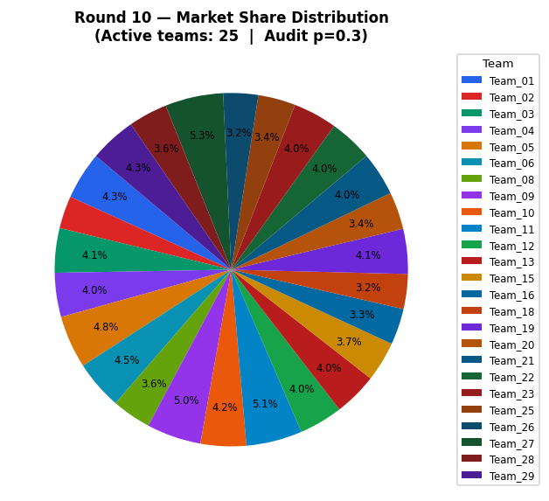
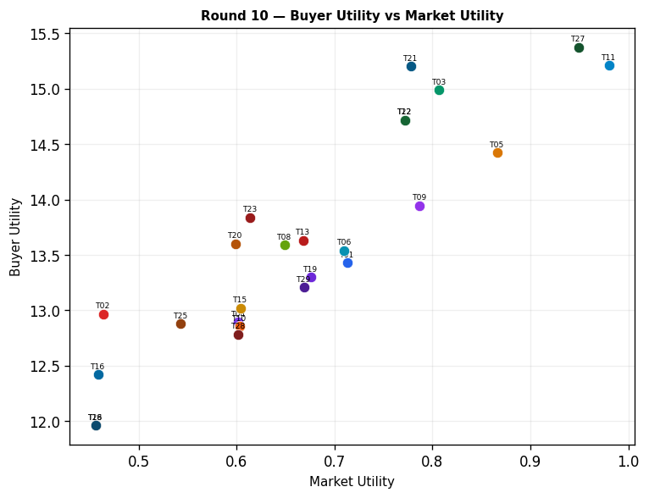
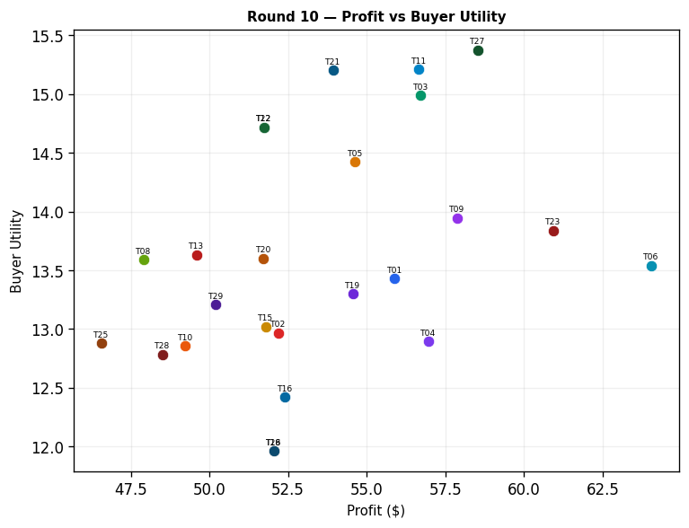
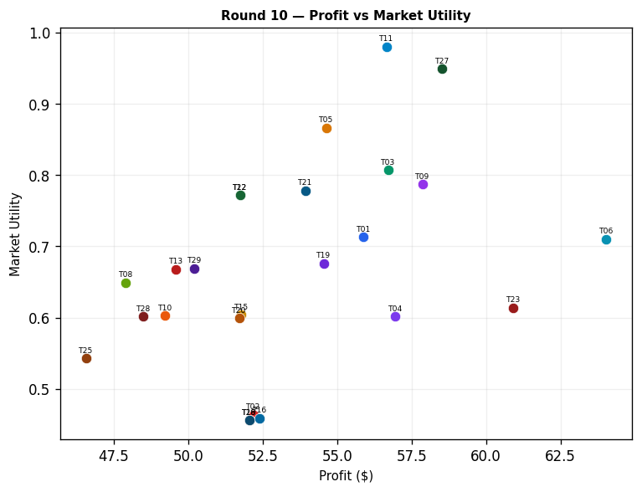
Team | Picks | Price | Feasible | Audit Excl. | Avg Env | Avg Social | Avg Cost | Strategic | Share % | Profit | Mkt Utility | Buyer Utility
Team_01 | P,B,C | 91.93 | Yes |  | 2.582 | 2.193 | 2.77 | 2.384 | 4.35 | 55.89 | 0.713 | 13.4303
Team_02 | D,H,L | 104.73 | Yes |  | 2.352 | 2.709 | 1.716 | 2.193 | 2.98 | 52.19 | 0.464 | 12.9654
Team_03 | D,N,L | 100 | Yes |  | 2.475 | 1.421 | 3.026 | 1.789 | 4.07 | 56.71 | 0.807 | 14.9864
Team_04 | P,K,I | 92.32 | Yes |  | 2.587 | 2.595 | 2.168 | 2.619 | 4.03 | 56.96 | 0.602 | 12.8958
Team_05 | M,N,I | 90.53 | Yes |  | 1.28 | 2.998 | 3.401 | 1.761 | 4.83 | 54.63 | 0.866 | 14.4234
Team_06 | P,E,L | 89.97 | Yes |  | 2.739 | 2.192 | 1.853 | 2.935 | 4.48 | 64.04 | 0.71 | 13.539
Team_07 | A,N,F | 86.69 | Yes | Yes | 1.646 | 2.755 | 3.451 | 1.747 | 0 | 0 | 0 | 8.8527
Team_08 | A,N,I | 101.71 | Yes |  | 1.68 | 2.665 | 3.507 | 1.856 | 3.59 | 47.91 | 0.649 | 13.5904
Team_09 | M,B,L | 86.18 | Yes |  | 2.709 | 2.21 | 2.812 | 1.925 | 4.98 | 57.87 | 0.787 | 13.944
Team_10 | G,B,C | 90.34 | Yes |  | 2.665 | 2.643 | 3.133 | 1.759 | 4.17 | 49.23 | 0.603 | 12.856
Team_11 | D,B,I | 90.35 | Yes |  | 2.032 | 1.959 | 3.508 | 1.466 | 5.13 | 56.66 | 0.98 | 15.2092
Team_12 | D,B,I | 100 | Yes |  | 2.032 | 1.959 | 3.508 | 1.466 | 3.98 | 51.74 | 0.772 | 14.7171
Team_13 | M,B,I | 95.86 | Yes |  | 1.773 | 2.873 | 3.347 | 1.681 | 3.97 | 49.59 | 0.668 | 13.6318
Team_14 | P,B,F | 101.55 | Yes | Yes | 2.219 | 2.031 | 2.957 | 2.244 | 0 | 0 | 0 | 8.5057
Team_15 | P,B,C | 98.54 | Yes |  | 2.582 | 2.193 | 2.77 | 2.384 | 3.66 | 51.79 | 0.604 | 13.0205
Team_16 | P,K,O | 97.9 | Yes |  | 2.663 | 2.846 | 1.864 | 2.313 | 3.31 | 52.4 | 0.459 | 12.418
Team_17 | M,B,R | 94.71 | Yes | Yes | 2.675 | 1.675 | 3.981 | 2.198 | 0 | 0 | 0 | 8.4523
Team_18 | P,Q,L | 100 | Yes |  | 2.686 | 2.716 | 1.83 | 2.844 | 3.19 | 52.05 | 0.456 | 11.9601
Team_19 | P,B,C | 94.04 | Yes |  | 2.582 | 2.193 | 2.77 | 2.384 | 4.11 | 54.56 | 0.676 | 13.2973
Team_20 | P,B,O | 102.7 | Yes |  | 2.33 | 2.193 | 2.708 | 2.047 | 3.42 | 51.72 | 0.599 | 13.6021
Team_21 | D,N,O | 100 | Yes |  | 1.616 | 2.335 | 3.257 | 1.239 | 4 | 53.93 | 0.778 | 15.2026
Team_22 | D,B,I | 100 | Yes |  | 2.032 | 1.959 | 3.508 | 1.466 | 3.98 | 51.74 | 0.772 | 14.7171
Team_23 | D,H,L | 93.18 | Yes |  | 2.352 | 2.709 | 1.716 | 2.193 | 4.01 | 60.92 | 0.614 | 13.8381
Team_24 | A,N,F | 92.88 | Yes | Yes | 1.646 | 2.755 | 3.451 | 1.747 | 0 | 0 | 0 | 8.8527
Team_25 | G,N,C | 100 | Yes |  | 2.173 | 2.768 | 3.186 | 1.838 | 3.42 | 46.57 | 0.543 | 12.8782
Team_26 | P,Q,L | 100 | Yes |  | 2.686 | 2.716 | 1.83 | 2.844 | 3.19 | 52.05 | 0.456 | 11.9601
Team_27 | D,B,O | 87.02 | Yes |  | 2.109 | 2.21 | 3.204 | 1.16 | 5.32 | 58.53 | 0.949 | 15.3743
Team_28 | J,B,O | 100 | Yes |  | 2.697 | 2.003 | 3.204 | 2.365 | 3.57 | 48.5 | 0.602 | 12.7844
Team_29 | A,N,C | 91.6 | Yes |  | 2.008 | 2.916 | 3.265 | 1.887 | 4.26 | 50.21 | 0.669 | 13.2094
Team_30 | J,N,F | 100 | Yes | Yes | 2.094 | 1.967 | 3.506 | 2.642 | 0 | 0 | 0 | 8.2977

Cumulative
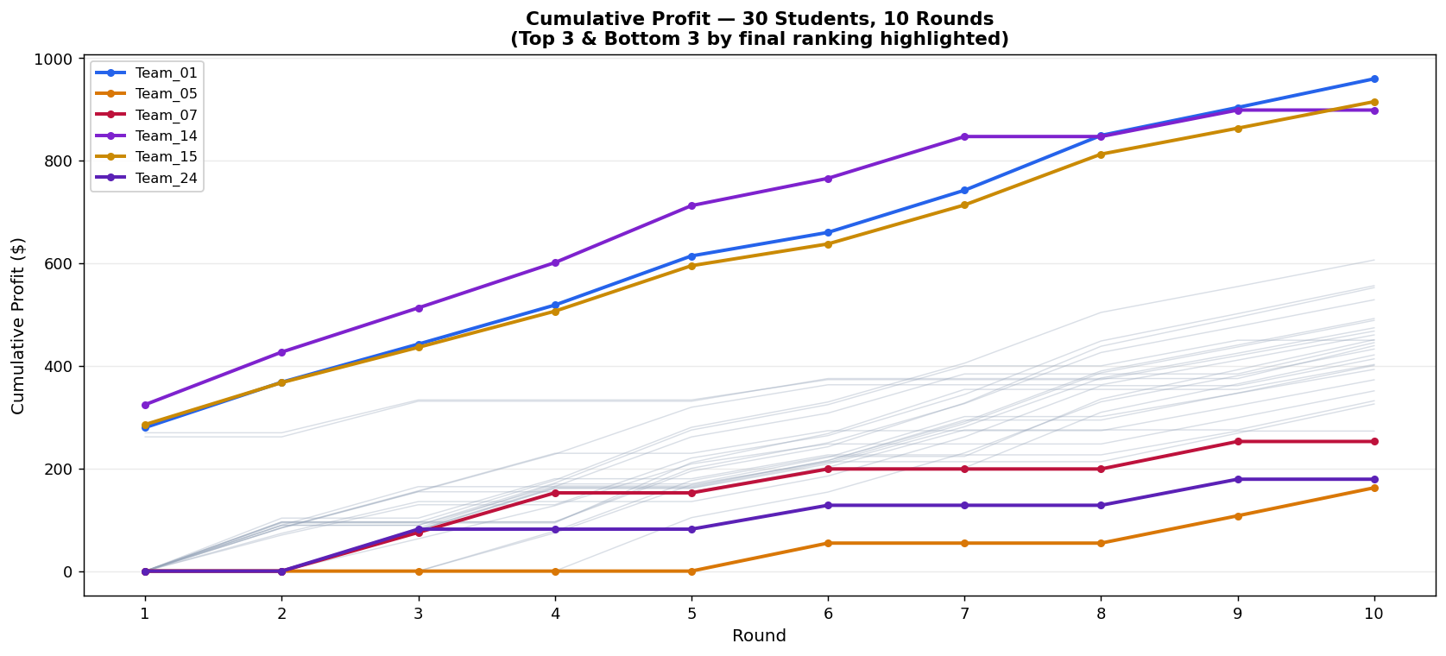
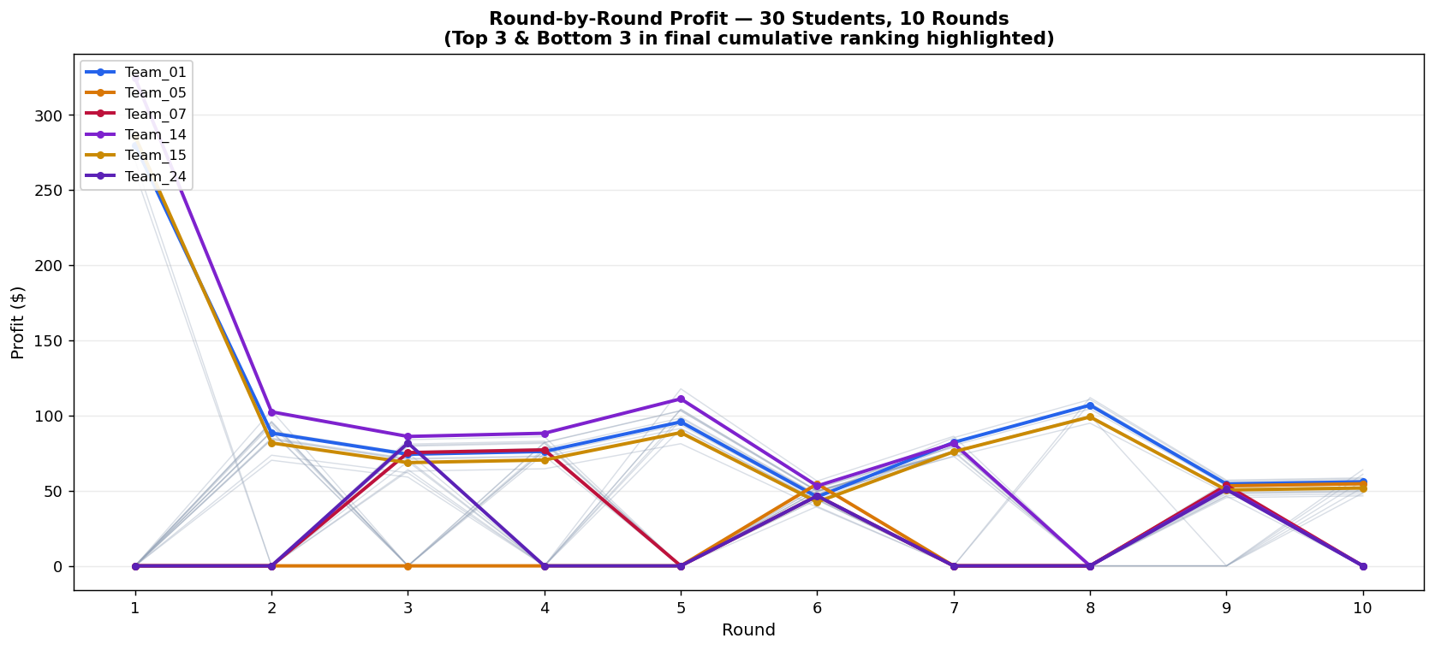
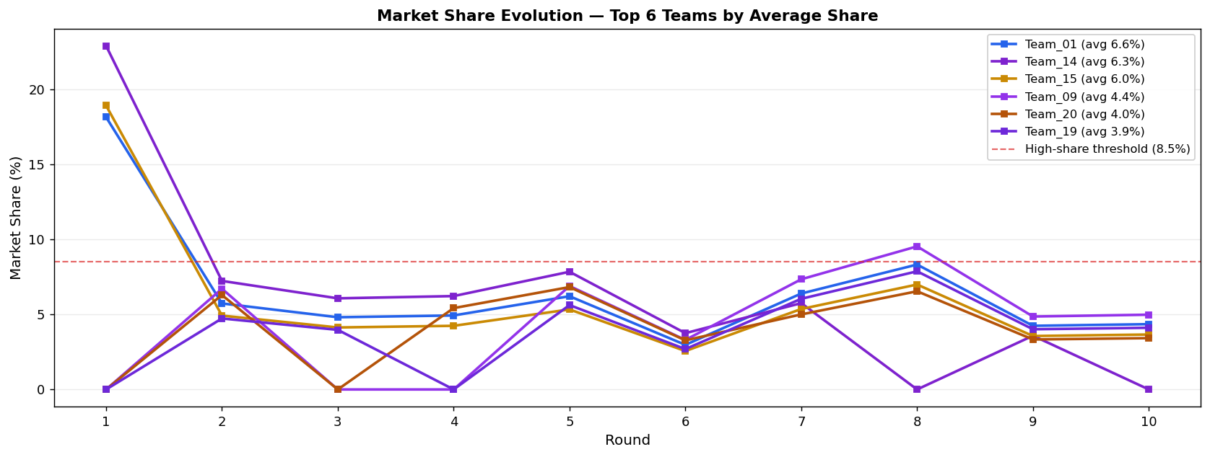
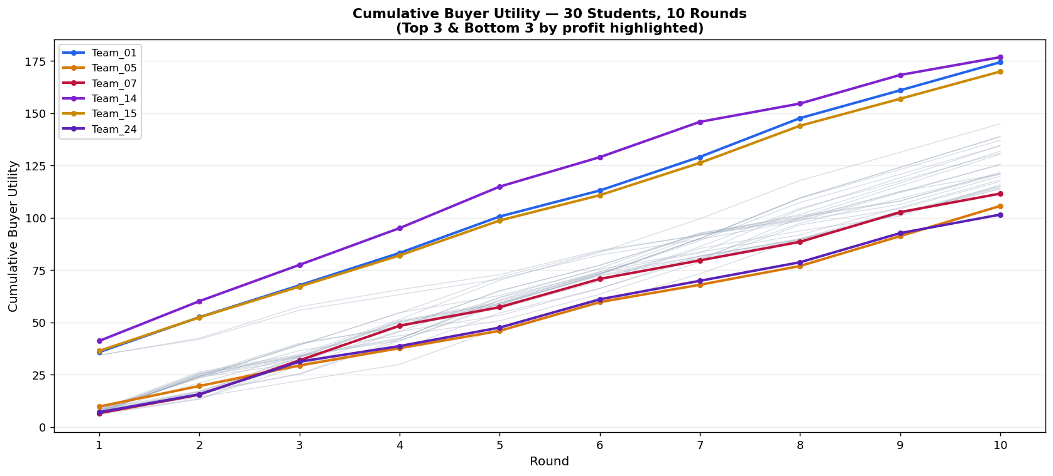
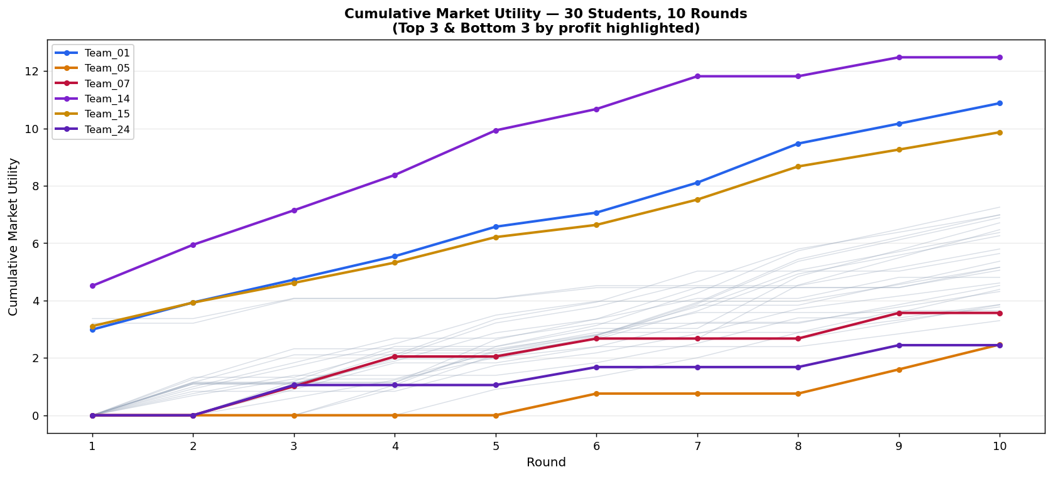
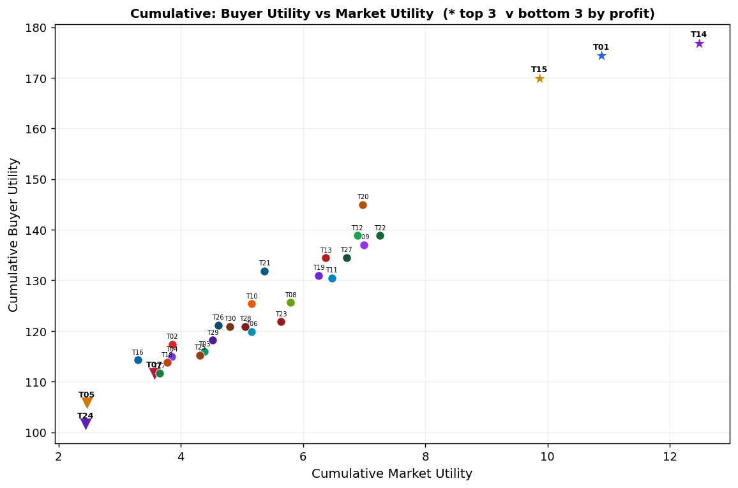
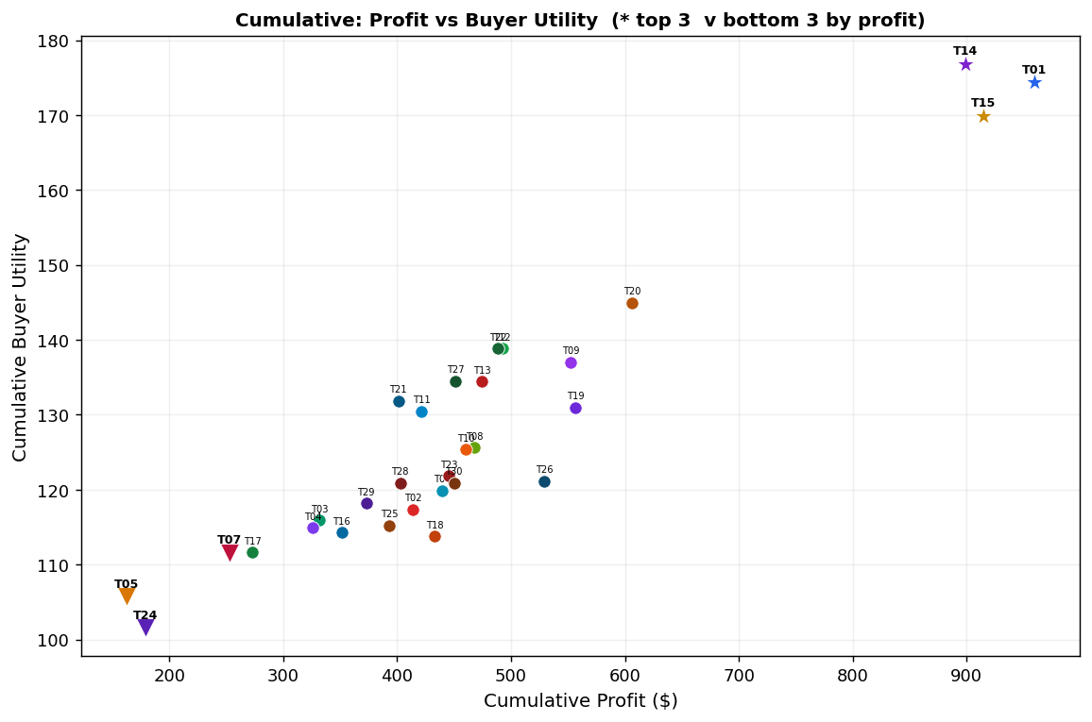
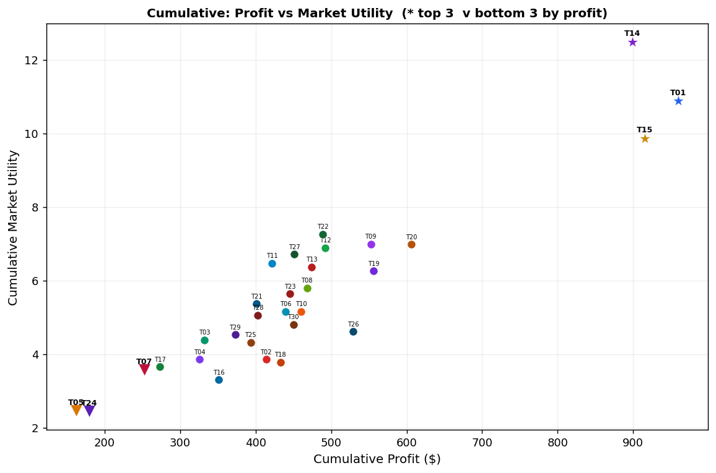
Team | After R1 | After R2 | After R3 | After R4 | After R5 | After R6 | After R7 | After R8 | After R9 | After R10 | Cumulative Total
Team_01 | 279.85 | 368.19 | 442.43 | 518.53 | 614.3 | 660.18 | 742.31 | 849.23 | 903.71 | 959.6 | 959.6
Team_15 | 285.69 | 367.46 | 436.16 | 506.6 | 595.25 | 637.74 | 713.65 | 812.75 | 863.25 | 915.04 | 915.04
Team_14 | 324.5 | 426.96 | 513.05 | 601.27 | 712.37 | 765.57 | 847.06 | 847.06 | 898.67 | 898.67 | 898.67
Team_20 | 0 | 95.13 | 95.13 | 177.07 | 280.21 | 329.61 | 405.27 | 504.24 | 554.67 | 606.39 | 606.39
Team_19 | 0 | 70.26 | 129.3 | 129.3 | 220.39 | 264.05 | 344.16 | 448.54 | 501.73 | 556.29 | 556.29
Team_09 | 0 | 95.78 | 95.78 | 95.78 | 194.86 | 242.31 | 327.57 | 438.26 | 494.66 | 552.53 | 552.53
Team_26 | 0 | 96.09 | 96.09 | 96.09 | 200.26 | 250.15 | 326.43 | 426.06 | 476.82 | 528.87 | 528.87
Team_12 | 0 | 89.15 | 89.15 | 165.88 | 165.88 | 215.38 | 291.11 | 390.1 | 440.54 | 492.28 | 492.28
Team_22 | 0 | 0 | 80.14 | 162.25 | 162.25 | 211.75 | 287.48 | 386.47 | 436.91 | 488.65 | 488.65
Team_13 | 0 | 0 | 79.58 | 161.09 | 161.09 | 208.68 | 281.39 | 376.31 | 424.65 | 474.24 | 474.24
Team_08 | 269.61 | 269.61 | 333.62 | 333.62 | 333.62 | 373.2 | 373.2 | 373.2 | 419.91 | 467.82 | 467.82
Team_10 | 0 | 84.35 | 155.28 | 227.93 | 319.37 | 363.15 | 363.15 | 363.15 | 411.14 | 460.37 | 460.37
Team_27 | 0 | 0 | 0 | 78.07 | 176.4 | 223.48 | 223.48 | 335.43 | 392.46 | 450.99 | 450.99
Team_30 | 0 | 89.53 | 89.53 | 171.62 | 274.95 | 324.43 | 400.1 | 400.1 | 450 | 450 | 450
Team_23 | 0 | 89.42 | 164.59 | 164.59 | 261.53 | 307.96 | 384.3 | 384.3 | 384.3 | 445.22 | 445.22
Team_06 | 261.67 | 261.67 | 331.09 | 331.09 | 331.09 | 375.31 | 375.31 | 375.31 | 375.31 | 439.35 | 439.35
Team_18 | 0 | 0 | 0 | 0 | 104.17 | 154.06 | 230.34 | 329.97 | 380.73 | 432.78 | 432.78
Team_11 | 0 | 0 | 76.14 | 154.13 | 154.13 | 201.16 | 201.16 | 309.54 | 364.76 | 421.42 | 421.42
Team_02 | 0 | 73.61 | 135.48 | 135.48 | 135.48 | 185.25 | 261.57 | 361.48 | 361.48 | 413.67 | 413.67
Team_28 | 0 | 93.76 | 93.76 | 93.76 | 211.55 | 267.97 | 354.18 | 354.18 | 354.18 | 402.68 | 402.68
Team_21 | 0 | 0 | 81 | 163.96 | 163.96 | 215.5 | 294.42 | 294.42 | 346.99 | 400.92 | 400.92
Team_25 | 0 | 0 | 83.95 | 169.93 | 169.93 | 221.78 | 301.18 | 301.18 | 346.59 | 393.16 | 393.16
Team_29 | 0 | 84.99 | 156.42 | 229.58 | 229.58 | 273.7 | 273.7 | 273.7 | 322.64 | 372.85 | 372.85
Team_16 | 0 | 0 | 63 | 127.57 | 208.84 | 247.78 | 247.78 | 247.78 | 298.87 | 351.27 | 351.27
Team_03 | 0 | 83.98 | 154.58 | 154.58 | 154.58 | 202.28 | 275.26 | 275.26 | 275.26 | 331.97 | 331.97
Team_04 | 0 | 0 | 0 | 74.51 | 168.31 | 213.23 | 213.23 | 213.23 | 268.75 | 325.71 | 325.71
Team_17 | 0 | 103.29 | 103.29 | 180.02 | 180.02 | 226.56 | 226.56 | 226.56 | 272.98 | 272.98 | 272.98
Team_07 | 0 | 0 | 75.34 | 152.51 | 152.51 | 199.05 | 199.05 | 199.05 | 252.65 | 252.65 | 252.65
Team_24 | 0 | 0 | 81.73 | 81.73 | 81.73 | 128.27 | 128.27 | 128.27 | 179.07 | 179.07 | 179.07
Team_05 | 0 | 0 | 0 | 0 | 0 | 54.55 | 54.55 | 54.55 | 107.79 | 162.42 | 162.42

