Round 1
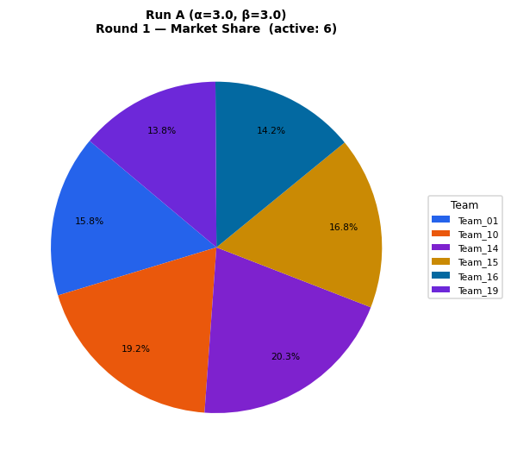
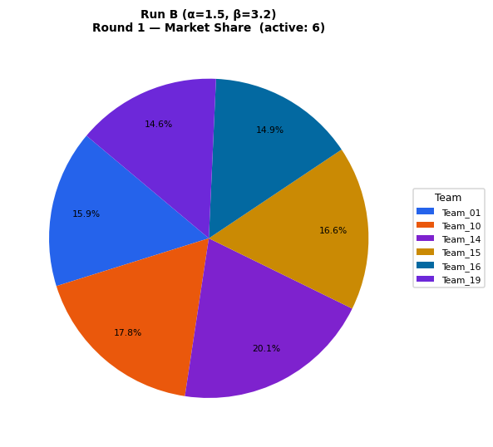
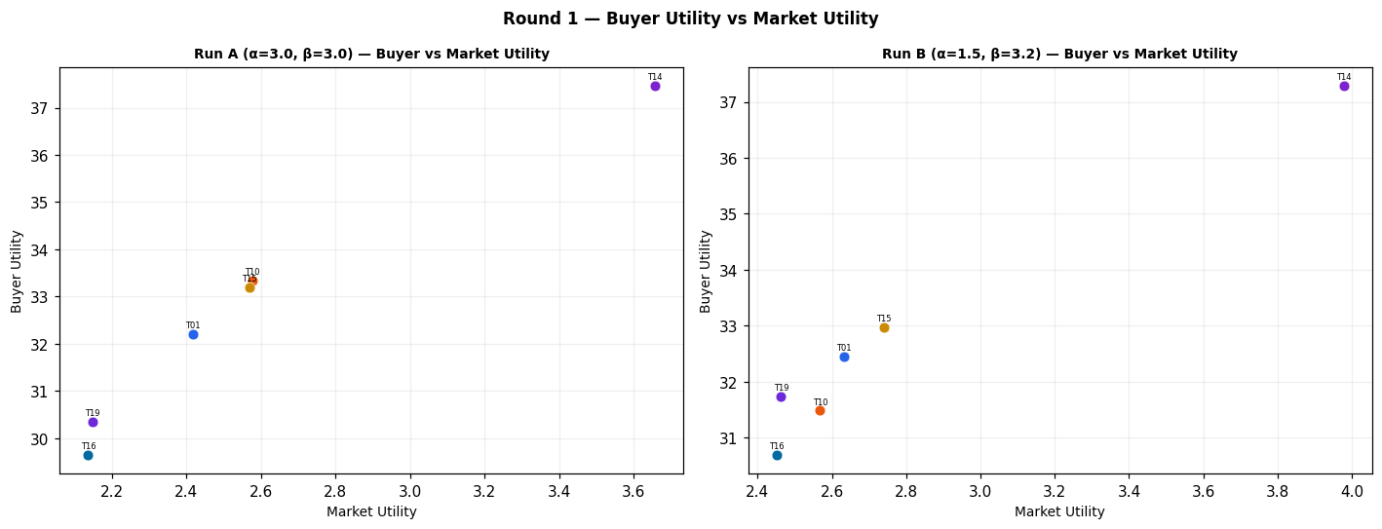
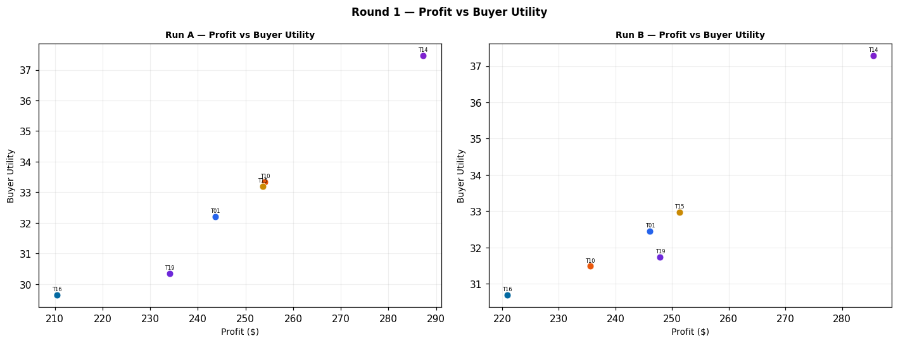
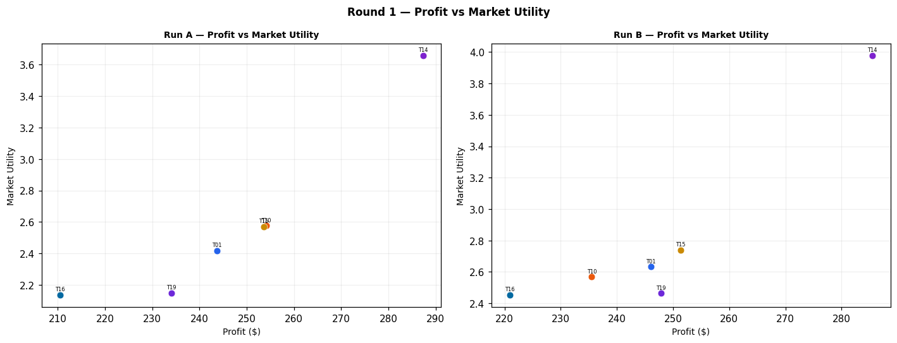
Run A — alpha=3.0, beta=3.0 (Round 1)
Team | Picks | Price | Feasible | Audit Excl. | Avg Env | Avg Social | Avg Cost | Strategic | Share % | Profit | Mkt Utility | Buyer Utility
Team_01 | P,B,C | 104.83 | Yes |  | 2.582 | 2.193 | 2.77 | 2.384 | 15.79 | 243.65 | 2.418 | 32.2067
Team_02 | D,E,F | 104.73 | Yes | Yes | 1.548 | 2.962 | 2.829 | 1.695 | 0 | 0 | 0 | 8.7953
Team_03 | P,Q,O | 91.74 | No |  | 1.827 | 3.63 | 2.061 | 2.294 | 0 | 0 | 0 | 7.2487
Team_04 | J,B,C | 91.87 | No |  | 2.949 | 2.003 | 3.266 | 2.702 | 0 | 0 | 0 | 7.3457
Team_05 | D,N,O | 90.53 | Yes | Yes | 1.616 | 2.335 | 3.257 | 1.239 | 0 | 0 | 0 | 9.8093
Team_06 | D,Q,R | 104.03 | Yes | Yes | 2.43 | 2.198 | 3.495 | 2.23 | 0 | 0 | 0 | 8.1413
Team_07 | J,E,L | 101.79 | No |  | 3.106 | 2.002 | 2.349 | 3.253 | 0 | 0 | 0 | 6.639
Team_08 | A,E,R | 98.45 | Yes | Yes | 2.624 | 2.255 | 3.463 | 2.632 | 0 | 0 | 0 | 7.4893
Team_09 | G,E,F | 109.14 | No |  | 1.852 | 3.395 | 2.696 | 1.957 | 0 | 0 | 0 | 7.796
Team_10 | G,B,C | 97.6 | Yes |  | 2.665 | 2.643 | 3.133 | 1.759 | 19.17 | 254.07 | 2.576 | 33.3401
Team_11 | G,H,O | 95.29 | No |  | 1.797 | 4.056 | 1.814 | 1.906 | 0 | 0 | 0 | 7.2407
Team_12 | A,Q,L | 100.72 | No |  | 2.605 | 3.314 | 2.271 | 2.267 | 0 | 0 | 0 | 6.814
Team_13 | J,B,O | 95.86 | Yes | Yes | 2.697 | 2.003 | 3.204 | 2.365 | 0 | 0 | 0 | 7.9347
Team_14 | P,N,I | 101.55 | Yes |  | 1.761 | 2.067 | 3.065 | 2.433 | 20.26 | 287.28 | 3.657 | 37.4675
Team_15 | P,B,C | 103.23 | Yes |  | 2.582 | 2.193 | 2.77 | 2.384 | 16.79 | 253.58 | 2.569 | 33.1991
Team_16 | G,B,F | 107.33 | Yes |  | 2.303 | 2.481 | 3.32 | 1.618 | 14.19 | 210.46 | 2.136 | 29.6433
Team_17 | J,H,L | 102.71 | No |  | 2.94 | 2.502 | 1.716 | 3.399 | 0 | 0 | 0 | 6.159
Team_18 | G,E,I | 97.11 | No |  | 1.886 | 3.305 | 2.751 | 2.066 | 0 | 0 | 0 | 7.7423
Team_19 | P,H,R | 108.73 | Yes |  | 2.539 | 2.157 | 2.389 | 3.354 | 13.79 | 234.07 | 2.148 | 30.3573
Team_20 | P,B,O | 102.7 | Yes | Yes | 2.33 | 2.193 | 2.708 | 2.047 | 0 | 0 | 0 | 8.4303
Team_21 | M,Q,F | 93.27 | No |  | 1.236 | 4.4 | 2.645 | 1.819 | 0 | 0 | 0 | 7.5447
Team_22 | J,H,R | 103.76 | No |  | 2.906 | 1.967 | 2.885 | 3.672 | 0 | 0 | 0 | 6.4543
Team_23 | D,Q,I | 106.86 | No |  | 1.529 | 3.397 | 2.861 | 1.713 | 0 | 0 | 0 | 8.3617
Team_24 | A,E,C | 106.1 | No |  | 2.051 | 3.704 | 2.587 | 2.146 | 0 | 0 | 0 | 7.099
Team_25 | J,H,C | 94.22 | No |  | 2.333 | 3.417 | 2.01 | 3.186 | 0 | 0 | 0 | 6.064
Team_26 | M,Q,I | 94.25 | No |  | 1.27 | 4.311 | 2.7 | 1.929 | 0 | 0 | 0 | 7.491
Team_27 | J,K,R | 99.18 | No |  | 3.855 | 1.207 | 3.298 | 3.454 | 0 | 0 | 0 | 6.484
Team_28 | G,E,F | 104.9 | No |  | 1.852 | 3.395 | 2.696 | 1.957 | 0 | 0 | 0 | 7.796
Team_29 | M,H,R | 101.69 | No |  | 2.059 | 3.088 | 2.724 | 2.682 | 0 | 0 | 0 | 7.1707
Team_30 | M,K,I | 94.39 | No |  | 2.106 | 3.526 | 2.504 | 1.947 | 0 | 0 | 0 | 7.4207

Run B — alpha=1.5, beta=3.2 (Round 1)
Team | Picks | Price | Feasible | Audit Excl. | Avg Env | Avg Social | Avg Cost | Strategic | Share % | Profit | Mkt Utility | Buyer Utility
Team_01 | P,B,C | 104.83 | Yes |  | 2.582 | 2.193 | 2.77 | 2.384 | 15.95 | 246.09 | 2.632 | 32.4507
Team_02 | D,E,F | 104.73 | Yes | Yes | 1.548 | 2.962 | 2.829 | 1.695 | 0 | 0 | 0 | 8.7953
Team_03 | P,Q,O | 91.74 | No |  | 1.827 | 3.63 | 2.061 | 2.294 | 0 | 0 | 0 | 7.2487
Team_04 | J,B,C | 91.87 | No |  | 2.949 | 2.003 | 3.266 | 2.702 | 0 | 0 | 0 | 7.3457
Team_05 | D,N,O | 90.53 | Yes | Yes | 1.616 | 2.335 | 3.257 | 1.239 | 0 | 0 | 0 | 9.8093
Team_06 | D,Q,R | 104.03 | Yes | Yes | 2.43 | 2.198 | 3.495 | 2.23 | 0 | 0 | 0 | 8.1413
Team_07 | J,E,L | 101.79 | No |  | 3.106 | 2.002 | 2.349 | 3.253 | 0 | 0 | 0 | 6.639
Team_08 | A,E,R | 98.45 | Yes | Yes | 2.624 | 2.255 | 3.463 | 2.632 | 0 | 0 | 0 | 7.4893
Team_09 | G,E,F | 109.14 | No |  | 1.852 | 3.395 | 2.696 | 1.957 | 0 | 0 | 0 | 7.796
Team_10 | G,B,C | 97.6 | Yes |  | 2.665 | 2.643 | 3.133 | 1.759 | 17.77 | 235.52 | 2.568 | 31.4849
Team_11 | G,H,O | 95.29 | No |  | 1.797 | 4.056 | 1.814 | 1.906 | 0 | 0 | 0 | 7.2407
Team_12 | A,Q,L | 100.72 | No |  | 2.605 | 3.314 | 2.271 | 2.267 | 0 | 0 | 0 | 6.814
Team_13 | J,B,O | 95.86 | Yes | Yes | 2.697 | 2.003 | 3.204 | 2.365 | 0 | 0 | 0 | 7.9347
Team_14 | P,N,I | 101.55 | Yes |  | 1.761 | 2.067 | 3.065 | 2.433 | 20.14 | 285.51 | 3.978 | 37.2902
Team_15 | P,B,C | 103.23 | Yes |  | 2.582 | 2.193 | 2.77 | 2.384 | 16.64 | 251.31 | 2.739 | 32.9721
Team_16 | G,B,F | 107.33 | Yes |  | 2.303 | 2.481 | 3.32 | 1.618 | 14.9 | 220.88 | 2.452 | 30.6856
Team_17 | J,H,L | 102.71 | No |  | 2.94 | 2.502 | 1.716 | 3.399 | 0 | 0 | 0 | 6.159
Team_18 | G,E,I | 97.11 | No |  | 1.886 | 3.305 | 2.751 | 2.066 | 0 | 0 | 0 | 7.7423
Team_19 | P,H,R | 108.73 | Yes |  | 2.539 | 2.157 | 2.389 | 3.354 | 14.61 | 247.88 | 2.463 | 31.7385
Team_20 | P,B,O | 102.7 | Yes | Yes | 2.33 | 2.193 | 2.708 | 2.047 | 0 | 0 | 0 | 8.4303
Team_21 | M,Q,F | 93.27 | No |  | 1.236 | 4.4 | 2.645 | 1.819 | 0 | 0 | 0 | 7.5447
Team_22 | J,H,R | 103.76 | No |  | 2.906 | 1.967 | 2.885 | 3.672 | 0 | 0 | 0 | 6.4543
Team_23 | D,Q,I | 106.86 | No |  | 1.529 | 3.397 | 2.861 | 1.713 | 0 | 0 | 0 | 8.3617
Team_24 | A,E,C | 106.1 | No |  | 2.051 | 3.704 | 2.587 | 2.146 | 0 | 0 | 0 | 7.099
Team_25 | J,H,C | 94.22 | No |  | 2.333 | 3.417 | 2.01 | 3.186 | 0 | 0 | 0 | 6.064
Team_26 | M,Q,I | 94.25 | No |  | 1.27 | 4.311 | 2.7 | 1.929 | 0 | 0 | 0 | 7.491
Team_27 | J,K,R | 99.18 | No |  | 3.855 | 1.207 | 3.298 | 3.454 | 0 | 0 | 0 | 6.484
Team_28 | G,E,F | 104.9 | No |  | 1.852 | 3.395 | 2.696 | 1.957 | 0 | 0 | 0 | 7.796
Team_29 | M,H,R | 101.69 | No |  | 2.059 | 3.088 | 2.724 | 2.682 | 0 | 0 | 0 | 7.1707
Team_30 | M,K,I | 94.39 | No |  | 2.106 | 3.526 | 2.504 | 1.947 | 0 | 0 | 0 | 7.4207

Difference (B minus A) — green = B better, red = A better (Round 1)
Team | Share % (B-A) | Profit (B-A) | Mkt Utility (B-A) | Buyer Utility (B-A)
Team_01 | 0.16 | 2.44 | 0.214 | 0.244
Team_02 | 0 | 0 | 0 | 0
Team_03 | 0 | 0 | 0 | 0
Team_04 | 0 | 0 | 0 | 0
Team_05 | 0 | 0 | 0 | 0
Team_06 | 0 | 0 | 0 | 0
Team_07 | 0 | 0 | 0 | 0
Team_08 | 0 | 0 | 0 | 0
Team_09 | 0 | 0 | 0 | 0
Team_10 | -1.4 | -18.55 | -0.008 | -1.8552
Team_11 | 0 | 0 | 0 | 0
Team_12 | 0 | 0 | 0 | 0
Team_13 | 0 | 0 | 0 | 0
Team_14 | -0.12 | -1.77 | 0.321 | -0.1773
Team_15 | -0.15 | -2.27 | 0.17 | -0.227
Team_16 | 0.71 | 10.42 | 0.316 | 1.0423
Team_17 | 0 | 0 | 0 | 0
Team_18 | 0 | 0 | 0 | 0
Team_19 | 0.82 | 13.81 | 0.315 | 1.3812
Team_20 | 0 | 0 | 0 | 0
Team_21 | 0 | 0 | 0 | 0
Team_22 | 0 | 0 | 0 | 0
Team_23 | 0 | 0 | 0 | 0
Team_24 | 0 | 0 | 0 | 0
Team_25 | 0 | 0 | 0 | 0
Team_26 | 0 | 0 | 0 | 0
Team_27 | 0 | 0 | 0 | 0
Team_28 | 0 | 0 | 0 | 0
Team_29 | 0 | 0 | 0 | 0
Team_30 | 0 | 0 | 0 | 0

Round 2
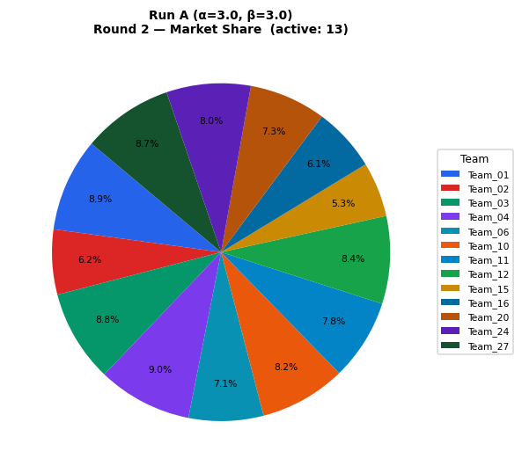
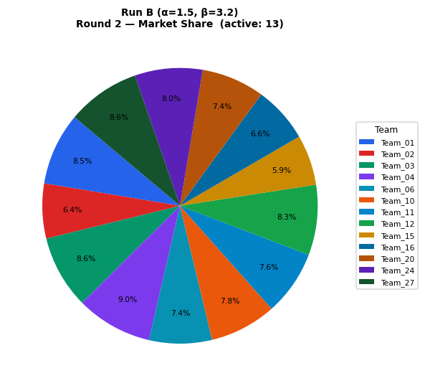
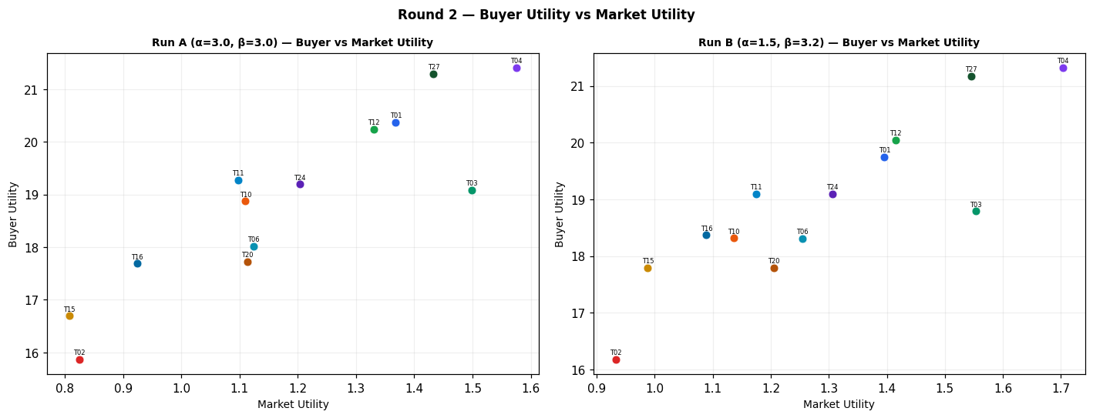
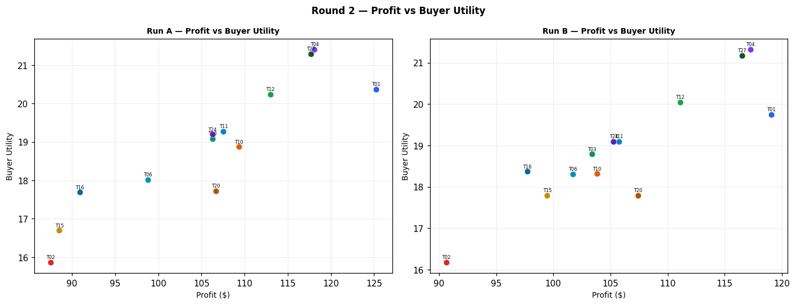
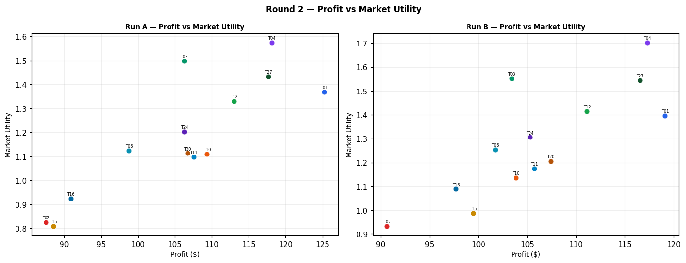
Run A — alpha=3.0, beta=3.0 (Round 2)
Team | Picks | Price | Feasible | Audit Excl. | Avg Env | Avg Social | Avg Cost | Strategic | Share % | Profit | Mkt Utility | Buyer Utility
Team_01 | P,B,C | 97.71 | Yes |  | 2.582 | 2.193 | 2.77 | 2.384 | 8.94 | 125.22 | 1.368 | 20.3633
Team_02 | A,Q,R | 104.73 | Yes |  | 2.571 | 2.779 | 3.44 | 2.541 | 6.22 | 87.52 | 0.825 | 15.8611
Team_03 | M,B,R | 100 | Yes |  | 2.675 | 1.675 | 3.981 | 2.198 | 8.83 | 106.27 | 1.498 | 19.0793
Team_04 | D,B,F | 100 | Yes |  | 1.998 | 2.049 | 3.453 | 1.356 | 9.02 | 118.1 | 1.575 | 21.4075
Team_05 | D,N,O | 90.53 | Yes | Yes | 1.616 | 2.335 | 3.257 | 1.239 | 0 | 0 | 0 | 9.8093
Team_06 | D,Q,R | 104.03 | Yes |  | 2.43 | 2.198 | 3.495 | 2.23 | 7.15 | 98.79 | 1.124 | 18.0205
Team_07 | A,N,F | 100 | Yes | Yes | 1.646 | 2.755 | 3.451 | 1.747 | 0 | 0 | 0 | 8.8527
Team_08 | G,N,O | 98.45 | Yes | Yes | 1.921 | 2.768 | 3.124 | 1.501 | 0 | 0 | 0 | 8.81
Team_09 | P,H,L | 100 | Yes | Yes | 2.573 | 2.692 | 1.22 | 3.08 | 0 | 0 | 0 | 6.6547
Team_10 | G,B,C | 97.6 | Yes |  | 2.665 | 2.643 | 3.133 | 1.759 | 8.25 | 109.36 | 1.11 | 18.8697
Team_11 | G,B,O | 100 | Yes |  | 2.413 | 2.643 | 3.071 | 1.422 | 7.76 | 107.55 | 1.098 | 19.2774
Team_12 | D,B,C | 100 | Yes |  | 2.361 | 2.21 | 3.266 | 1.497 | 8.39 | 112.99 | 1.33 | 20.2319
Team_13 | J,B,O | 95.86 | Yes | Yes | 2.697 | 2.003 | 3.204 | 2.365 | 0 | 0 | 0 | 7.9347
Team_14 | P,N,I | 107.31 | Yes | Yes | 1.761 | 2.067 | 3.065 | 2.433 | 0 | 0 | 0 | 8.7397
Team_15 | P,B,C | 111.8 | Yes |  | 2.582 | 2.193 | 2.77 | 2.384 | 5.26 | 88.52 | 0.808 | 16.6934
Team_16 | G,B,F | 107.33 | Yes |  | 2.303 | 2.481 | 3.32 | 1.618 | 6.13 | 90.89 | 0.924 | 17.6866
Team_17 | D,N,F | 100 | Yes | Yes | 1.505 | 2.174 | 3.506 | 1.436 | 0 | 0 | 0 | 9.8847
Team_18 | J,E,C | 100 | Yes | Yes | 2.499 | 2.917 | 2.642 | 3.041 | 0 | 0 | 0 | 6.544
Team_19 | P,H,R | 118.85 | Yes | Yes | 2.539 | 2.157 | 2.389 | 3.354 | 0 | 0 | 0 | 6.95
Team_20 | P,Q,R | 102.7 | Yes |  | 2.652 | 2.181 | 2.998 | 3.117 | 7.34 | 106.68 | 1.113 | 17.7185
Team_21 | D,E,F | 100 | Yes | Yes | 1.548 | 2.962 | 2.829 | 1.695 | 0 | 0 | 0 | 8.7953
Team_22 | J,E,I | 100 | Yes | Yes | 2.17 | 2.666 | 2.884 | 3.01 | 0 | 0 | 0 | 7.1547
Team_23 | J,N,C | 100 | Yes | Yes | 2.456 | 2.128 | 3.32 | 2.782 | 0 | 0 | 0 | 7.6333
Team_24 | A,B,F | 100 | Yes |  | 2.138 | 2.629 | 3.398 | 1.667 | 8.05 | 106.27 | 1.203 | 19.1924
Team_25 | A,E,L | 100 | Yes | Yes | 2.658 | 2.79 | 2.294 | 2.358 | 0 | 0 | 0 | 7.194
Team_26 | P,Q,L | 100 | Yes | Yes | 2.686 | 2.716 | 1.83 | 2.844 | 0 | 0 | 0 | 6.7547
Team_27 | D,B,O | 100 | Yes |  | 2.109 | 2.21 | 3.204 | 1.16 | 8.66 | 117.69 | 1.433 | 21.2905
Team_28 | A,N,L | 100 | Yes | Yes | 2.615 | 2.002 | 2.971 | 2.1 | 0 | 0 | 0 | 8.2833
Team_29 | A,N,C | 100 | Yes | Yes | 2.008 | 2.916 | 3.265 | 1.887 | 0 | 0 | 0 | 8.1883
Team_30 | J,B,O | 100 | Yes | Yes | 2.697 | 2.003 | 3.204 | 2.365 | 0 | 0 | 0 | 7.9347

Run B — alpha=1.5, beta=3.2 (Round 2)
Team | Picks | Price | Feasible | Audit Excl. | Avg Env | Avg Social | Avg Cost | Strategic | Share % | Profit | Mkt Utility | Buyer Utility
Team_01 | P,B,C | 97.71 | Yes |  | 2.582 | 2.193 | 2.77 | 2.384 | 8.5 | 119.08 | 1.396 | 19.749
Team_02 | A,Q,R | 104.73 | Yes |  | 2.571 | 2.779 | 3.44 | 2.541 | 6.44 | 90.63 | 0.933 | 16.1724
Team_03 | M,B,R | 100 | Yes |  | 2.675 | 1.675 | 3.981 | 2.198 | 8.59 | 103.38 | 1.553 | 18.7906
Team_04 | D,B,F | 100 | Yes |  | 1.998 | 2.049 | 3.453 | 1.356 | 8.96 | 117.26 | 1.703 | 21.3233
Team_05 | D,N,O | 90.53 | Yes | Yes | 1.616 | 2.335 | 3.257 | 1.239 | 0 | 0 | 0 | 9.8093
Team_06 | D,Q,R | 104.03 | Yes |  | 2.43 | 2.198 | 3.495 | 2.23 | 7.36 | 101.69 | 1.254 | 18.3108
Team_07 | A,N,F | 100 | Yes | Yes | 1.646 | 2.755 | 3.451 | 1.747 | 0 | 0 | 0 | 8.8527
Team_08 | G,N,O | 98.45 | Yes | Yes | 1.921 | 2.768 | 3.124 | 1.501 | 0 | 0 | 0 | 8.81
Team_09 | P,H,L | 100 | Yes | Yes | 2.573 | 2.692 | 1.22 | 3.08 | 0 | 0 | 0 | 6.6547
Team_10 | G,B,C | 97.6 | Yes |  | 2.665 | 2.643 | 3.133 | 1.759 | 7.83 | 103.82 | 1.136 | 18.3152
Team_11 | G,B,O | 100 | Yes |  | 2.413 | 2.643 | 3.071 | 1.422 | 7.63 | 105.74 | 1.175 | 19.0966
Team_12 | D,B,C | 100 | Yes |  | 2.361 | 2.21 | 3.266 | 1.497 | 8.25 | 111.1 | 1.415 | 20.0422
Team_13 | J,B,O | 95.86 | Yes | Yes | 2.697 | 2.003 | 3.204 | 2.365 | 0 | 0 | 0 | 7.9347
Team_14 | P,N,I | 107.31 | Yes | Yes | 1.761 | 2.067 | 3.065 | 2.433 | 0 | 0 | 0 | 8.7397
Team_15 | P,B,C | 111.8 | Yes |  | 2.582 | 2.193 | 2.77 | 2.384 | 5.91 | 99.47 | 0.988 | 17.7885
Team_16 | G,B,F | 107.33 | Yes |  | 2.303 | 2.481 | 3.32 | 1.618 | 6.59 | 97.72 | 1.089 | 18.3696
Team_17 | D,N,F | 100 | Yes | Yes | 1.505 | 2.174 | 3.506 | 1.436 | 0 | 0 | 0 | 9.8847
Team_18 | J,E,C | 100 | Yes | Yes | 2.499 | 2.917 | 2.642 | 3.041 | 0 | 0 | 0 | 6.544
Team_19 | P,H,R | 118.85 | Yes | Yes | 2.539 | 2.157 | 2.389 | 3.354 | 0 | 0 | 0 | 6.95
Team_20 | P,Q,R | 102.7 | Yes |  | 2.652 | 2.181 | 2.998 | 3.117 | 7.39 | 107.42 | 1.205 | 17.7916
Team_21 | D,E,F | 100 | Yes | Yes | 1.548 | 2.962 | 2.829 | 1.695 | 0 | 0 | 0 | 8.7953
Team_22 | J,E,I | 100 | Yes | Yes | 2.17 | 2.666 | 2.884 | 3.01 | 0 | 0 | 0 | 7.1547
Team_23 | J,N,C | 100 | Yes | Yes | 2.456 | 2.128 | 3.32 | 2.782 | 0 | 0 | 0 | 7.6333
Team_24 | A,B,F | 100 | Yes |  | 2.138 | 2.629 | 3.398 | 1.667 | 7.97 | 105.27 | 1.306 | 19.0921
Team_25 | A,E,L | 100 | Yes | Yes | 2.658 | 2.79 | 2.294 | 2.358 | 0 | 0 | 0 | 7.194
Team_26 | P,Q,L | 100 | Yes | Yes | 2.686 | 2.716 | 1.83 | 2.844 | 0 | 0 | 0 | 6.7547
Team_27 | D,B,O | 100 | Yes |  | 2.109 | 2.21 | 3.204 | 1.16 | 8.57 | 116.53 | 1.545 | 21.175
Team_28 | A,N,L | 100 | Yes | Yes | 2.615 | 2.002 | 2.971 | 2.1 | 0 | 0 | 0 | 8.2833
Team_29 | A,N,C | 100 | Yes | Yes | 2.008 | 2.916 | 3.265 | 1.887 | 0 | 0 | 0 | 8.1883
Team_30 | J,B,O | 100 | Yes | Yes | 2.697 | 2.003 | 3.204 | 2.365 | 0 | 0 | 0 | 7.9347

Difference (B minus A) — green = B better, red = A better (Round 2)
Team | Share % (B-A) | Profit (B-A) | Mkt Utility (B-A) | Buyer Utility (B-A)
Team_01 | -0.44 | -6.14 | 0.028 | -0.6143
Team_02 | 0.22 | 3.11 | 0.108 | 0.3113
Team_03 | -0.24 | -2.89 | 0.055 | -0.2887
Team_04 | -0.06 | -0.84 | 0.128 | -0.0842
Team_05 | 0 | 0 | 0 | 0
Team_06 | 0.21 | 2.9 | 0.13 | 0.2903
Team_07 | 0 | 0 | 0 | 0
Team_08 | 0 | 0 | 0 | 0
Team_09 | 0 | 0 | 0 | 0
Team_10 | -0.42 | -5.54 | 0.026 | -0.5545
Team_11 | -0.13 | -1.81 | 0.077 | -0.1808
Team_12 | -0.14 | -1.89 | 0.085 | -0.1897
Team_13 | 0 | 0 | 0 | 0
Team_14 | 0 | 0 | 0 | 0
Team_15 | 0.65 | 10.95 | 0.18 | 1.0951
Team_16 | 0.46 | 6.83 | 0.165 | 0.683
Team_17 | 0 | 0 | 0 | 0
Team_18 | 0 | 0 | 0 | 0
Team_19 | 0 | 0 | 0 | 0
Team_20 | 0.05 | 0.74 | 0.092 | 0.0731
Team_21 | 0 | 0 | 0 | 0
Team_22 | 0 | 0 | 0 | 0
Team_23 | 0 | 0 | 0 | 0
Team_24 | -0.08 | -1 | 0.103 | -0.1003
Team_25 | 0 | 0 | 0 | 0
Team_26 | 0 | 0 | 0 | 0
Team_27 | -0.09 | -1.16 | 0.112 | -0.1155
Team_28 | 0 | 0 | 0 | 0
Team_29 | 0 | 0 | 0 | 0
Team_30 | 0 | 0 | 0 | 0

Round 3
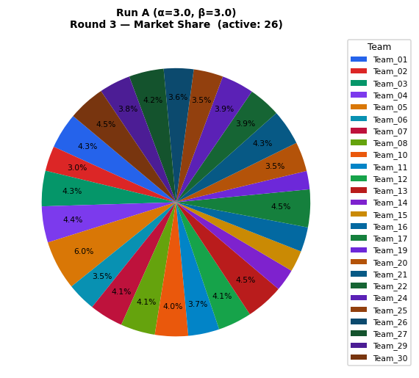
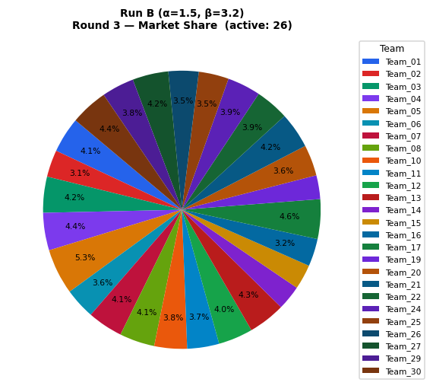
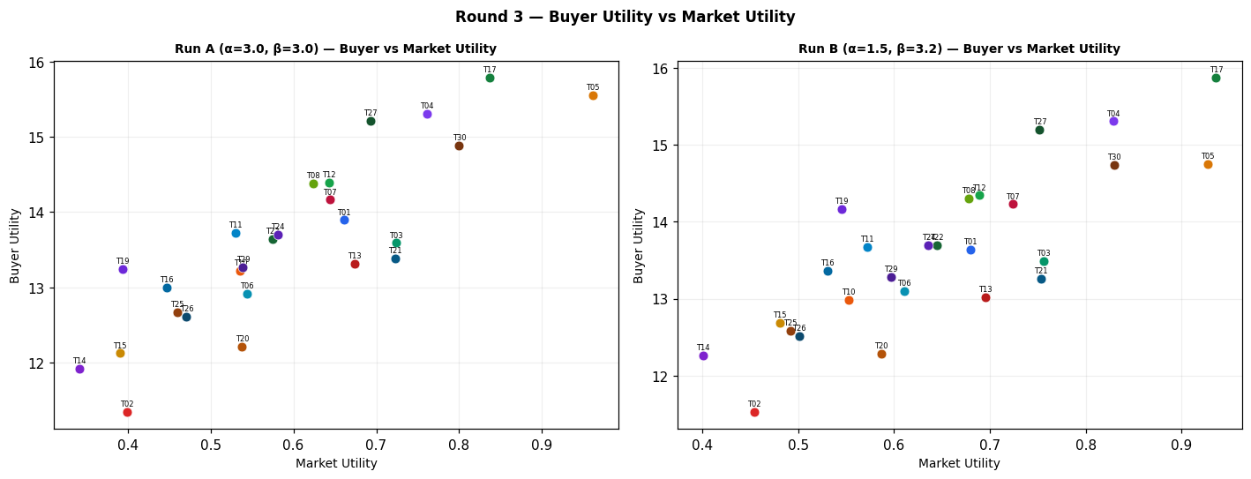
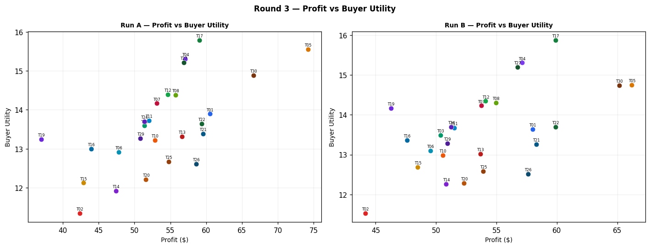
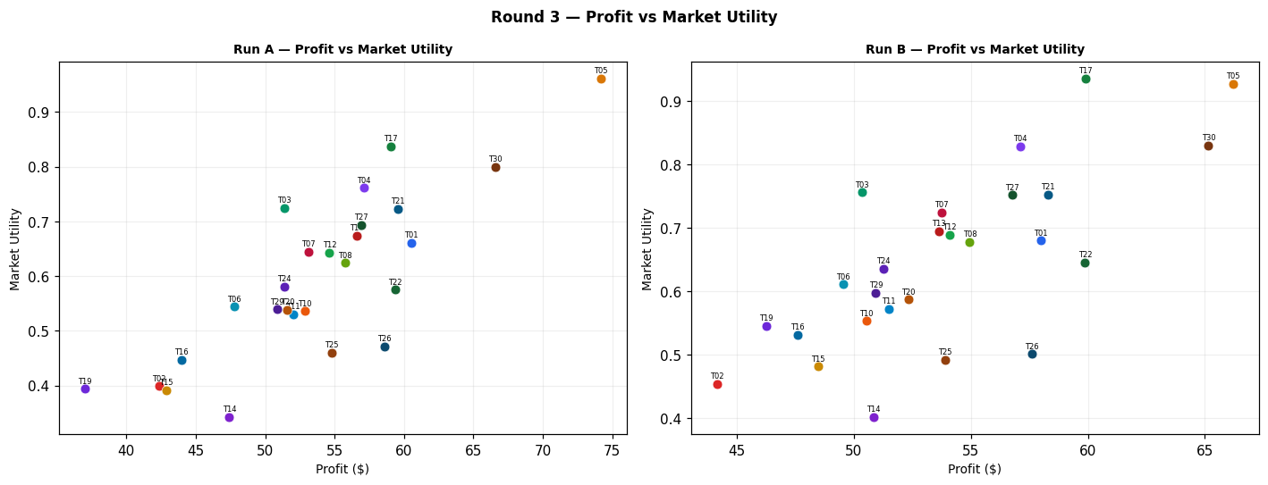
Run A — alpha=3.0, beta=3.0 (Round 3)
Team | Picks | Price | Feasible | Audit Excl. | Avg Env | Avg Social | Avg Cost | Strategic | Share % | Profit | Mkt Utility | Buyer Utility
Team_01 | P,B,C | 97.71 | Yes |  | 2.582 | 2.193 | 2.77 | 2.384 | 4.32 | 60.54 | 0.661 | 13.8949
Team_02 | A,Q,R | 104.73 | Yes |  | 2.571 | 2.779 | 3.44 | 2.541 | 3.01 | 42.34 | 0.399 | 11.3432
Team_03 | M,B,R | 100 | Yes |  | 2.675 | 1.675 | 3.981 | 2.198 | 4.27 | 51.39 | 0.724 | 13.5915
Team_04 | D,B,F | 100 | Yes |  | 1.998 | 2.049 | 3.453 | 1.356 | 4.36 | 57.1 | 0.761 | 15.3073
Team_05 | P,N,C | 90.53 | Yes |  | 2.089 | 2.318 | 2.823 | 2.464 | 5.96 | 74.2 | 0.961 | 15.5493
Team_06 | D,Q,R | 104.03 | Yes |  | 2.43 | 2.198 | 3.495 | 2.23 | 3.46 | 47.79 | 0.544 | 12.9203
Team_07 | A,N,F | 100 | Yes |  | 1.646 | 2.755 | 3.451 | 1.747 | 4.06 | 53.12 | 0.644 | 14.165
Team_08 | G,N,O | 98.45 | Yes |  | 1.921 | 2.768 | 3.124 | 1.501 | 4.15 | 55.74 | 0.624 | 14.3842
Team_09 | P,H,L | 100 | Yes | Yes | 2.573 | 2.692 | 1.22 | 3.08 | 0 | 0 | 0 | 6.6547
Team_10 | G,B,C | 97.6 | Yes |  | 2.665 | 2.643 | 3.133 | 1.759 | 3.99 | 52.87 | 0.536 | 13.2201
Team_11 | G,B,O | 100 | Yes |  | 2.413 | 2.643 | 3.071 | 1.422 | 3.75 | 52 | 0.53 | 13.7225
Team_12 | D,B,C | 100 | Yes |  | 2.361 | 2.21 | 3.266 | 1.497 | 4.06 | 54.63 | 0.643 | 14.3961
Team_13 | M,E,R | 95.86 | Yes |  | 2.224 | 2.588 | 3.357 | 2.537 | 4.54 | 56.62 | 0.674 | 13.3123
Team_14 | P,K,O | 107.31 | Yes |  | 2.663 | 2.846 | 1.864 | 2.313 | 2.67 | 47.42 | 0.342 | 11.9199
Team_15 | P,B,C | 111.8 | Yes |  | 2.582 | 2.193 | 2.77 | 2.384 | 2.55 | 42.86 | 0.391 | 12.1271
Team_16 | G,B,F | 107.33 | Yes |  | 2.303 | 2.481 | 3.32 | 1.618 | 2.97 | 43.98 | 0.447 | 12.9957
Team_17 | D,N,F | 100 | Yes |  | 1.505 | 2.174 | 3.506 | 1.436 | 4.55 | 59.04 | 0.837 | 15.7889
Team_18 | J,E,C | 100 | Yes | Yes | 2.499 | 2.917 | 2.642 | 3.041 | 0 | 0 | 0 | 6.544
Team_19 | D,B,I | 118.85 | Yes |  | 2.032 | 1.959 | 3.508 | 1.466 | 2.21 | 37.01 | 0.394 | 13.2448
Team_20 | P,Q,R | 102.7 | Yes |  | 2.652 | 2.181 | 2.998 | 3.117 | 3.55 | 51.6 | 0.538 | 12.2104
Team_21 | P,E,R | 100 | Yes |  | 2.705 | 1.657 | 3.021 | 3.208 | 4.27 | 59.54 | 0.723 | 13.384
Team_22 | P,E,F | 100 | Yes |  | 1.769 | 2.945 | 2.333 | 2.582 | 3.87 | 59.36 | 0.575 | 13.6398
Team_23 | J,N,C | 100 | Yes | Yes | 2.456 | 2.128 | 3.32 | 2.782 | 0 | 0 | 0 | 7.6333
Team_24 | A,B,F | 100 | Yes |  | 2.138 | 2.629 | 3.398 | 1.667 | 3.89 | 51.38 | 0.581 | 13.703
Team_25 | A,E,L | 100 | Yes |  | 2.658 | 2.79 | 2.294 | 2.358 | 3.55 | 54.78 | 0.46 | 12.672
Team_26 | P,Q,L | 100 | Yes |  | 2.686 | 2.716 | 1.83 | 2.844 | 3.59 | 58.59 | 0.471 | 12.6132
Team_27 | D,B,O | 100 | Yes |  | 2.109 | 2.21 | 3.204 | 1.16 | 4.19 | 56.9 | 0.693 | 15.2118
Team_28 | J,E,F | 100 | Yes | Yes | 2.136 | 2.755 | 2.829 | 2.9 | 0 | 0 | 0 | 7.2083
Team_29 | A,N,C | 100 | Yes |  | 2.008 | 2.916 | 3.265 | 1.887 | 3.77 | 50.84 | 0.539 | 13.2719
Team_30 | P,N,L | 100 | Yes |  | 2.696 | 1.404 | 2.53 | 2.676 | 4.46 | 66.6 | 0.8 | 14.884

Run B — alpha=1.5, beta=3.2 (Round 3)
Team | Picks | Price | Feasible | Audit Excl. | Avg Env | Avg Social | Avg Cost | Strategic | Share % | Profit | Mkt Utility | Buyer Utility
Team_01 | P,B,C | 97.71 | Yes |  | 2.582 | 2.193 | 2.77 | 2.384 | 4.14 | 57.98 | 0.68 | 13.6389
Team_02 | A,Q,R | 104.73 | Yes |  | 2.571 | 2.779 | 3.44 | 2.541 | 3.14 | 44.15 | 0.454 | 11.5244
Team_03 | M,B,R | 100 | Yes |  | 2.675 | 1.675 | 3.981 | 2.198 | 4.18 | 50.35 | 0.756 | 13.4871
Team_04 | D,B,F | 100 | Yes |  | 1.998 | 2.049 | 3.453 | 1.356 | 4.36 | 57.1 | 0.829 | 15.3072
Team_05 | P,N,C | 90.53 | Yes |  | 2.089 | 2.318 | 2.823 | 2.464 | 5.31 | 66.2 | 0.927 | 14.7489
Team_06 | D,Q,R | 104.03 | Yes |  | 2.43 | 2.198 | 3.495 | 2.23 | 3.59 | 49.54 | 0.611 | 13.0953
Team_07 | A,N,F | 100 | Yes |  | 1.646 | 2.755 | 3.451 | 1.747 | 4.1 | 53.75 | 0.724 | 14.2273
Team_08 | G,N,O | 98.45 | Yes |  | 1.921 | 2.768 | 3.124 | 1.501 | 4.09 | 54.95 | 0.678 | 14.3051
Team_09 | P,H,L | 100 | Yes | Yes | 2.573 | 2.692 | 1.22 | 3.08 | 0 | 0 | 0 | 6.6547
Team_10 | G,B,C | 97.6 | Yes |  | 2.665 | 2.643 | 3.133 | 1.759 | 3.81 | 50.54 | 0.553 | 12.9878
Team_11 | G,B,O | 100 | Yes |  | 2.413 | 2.643 | 3.071 | 1.422 | 3.72 | 51.49 | 0.572 | 13.6715
Team_12 | D,B,C | 100 | Yes |  | 2.361 | 2.21 | 3.266 | 1.497 | 4.02 | 54.1 | 0.689 | 14.3427
Team_13 | M,E,R | 95.86 | Yes |  | 2.224 | 2.588 | 3.357 | 2.537 | 4.31 | 53.65 | 0.695 | 13.0158
Team_14 | P,K,O | 107.31 | Yes |  | 2.663 | 2.846 | 1.864 | 2.313 | 2.87 | 50.84 | 0.401 | 12.2628
Team_15 | P,B,C | 111.8 | Yes |  | 2.582 | 2.193 | 2.77 | 2.384 | 2.88 | 48.49 | 0.481 | 12.6902
Team_16 | G,B,F | 107.33 | Yes |  | 2.303 | 2.481 | 3.32 | 1.618 | 3.21 | 47.61 | 0.531 | 13.3591
Team_17 | D,N,F | 100 | Yes |  | 1.505 | 2.174 | 3.506 | 1.436 | 4.61 | 59.9 | 0.936 | 15.8745
Team_18 | J,E,C | 100 | Yes | Yes | 2.499 | 2.917 | 2.642 | 3.041 | 0 | 0 | 0 | 6.544
Team_19 | D,B,I | 118.85 | Yes |  | 2.032 | 1.959 | 3.508 | 1.466 | 2.76 | 46.26 | 0.545 | 14.1695
Team_20 | P,Q,R | 102.7 | Yes |  | 2.652 | 2.181 | 2.998 | 3.117 | 3.6 | 52.32 | 0.587 | 12.2822
Team_21 | P,E,R | 100 | Yes |  | 2.705 | 1.657 | 3.021 | 3.208 | 4.18 | 58.28 | 0.753 | 13.2577
Team_22 | P,E,F | 100 | Yes |  | 1.769 | 2.945 | 2.333 | 2.582 | 3.9 | 59.88 | 0.645 | 13.6919
Team_23 | J,N,C | 100 | Yes | Yes | 2.456 | 2.128 | 3.32 | 2.782 | 0 | 0 | 0 | 7.6333
Team_24 | A,B,F | 100 | Yes |  | 2.138 | 2.629 | 3.398 | 1.667 | 3.88 | 51.26 | 0.636 | 13.6911
Team_25 | A,E,L | 100 | Yes |  | 2.658 | 2.79 | 2.294 | 2.358 | 3.5 | 53.91 | 0.492 | 12.5851
Team_26 | P,Q,L | 100 | Yes |  | 2.686 | 2.716 | 1.83 | 2.844 | 3.52 | 57.6 | 0.501 | 12.5143
Team_27 | D,B,O | 100 | Yes |  | 2.109 | 2.21 | 3.204 | 1.16 | 4.18 | 56.75 | 0.752 | 15.1964
Team_28 | J,E,F | 100 | Yes | Yes | 2.136 | 2.755 | 2.829 | 2.9 | 0 | 0 | 0 | 7.2083
Team_29 | A,N,C | 100 | Yes |  | 2.008 | 2.916 | 3.265 | 1.887 | 3.78 | 50.94 | 0.597 | 13.2826
Team_30 | P,N,L | 100 | Yes |  | 2.696 | 1.404 | 2.53 | 2.676 | 4.36 | 65.15 | 0.83 | 14.7388

Difference (B minus A) — green = B better, red = A better (Round 3)
Team | Share % (B-A) | Profit (B-A) | Mkt Utility (B-A) | Buyer Utility (B-A)
Team_01 | -0.18 | -2.56 | 0.019 | -0.256
Team_02 | 0.13 | 1.81 | 0.055 | 0.1812
Team_03 | -0.09 | -1.04 | 0.032 | -0.1044
Team_04 | 0 | 0 | 0.068 | -0.0001
Team_05 | -0.65 | -8 | -0.034 | -0.8004
Team_06 | 0.13 | 1.75 | 0.067 | 0.175
Team_07 | 0.04 | 0.63 | 0.08 | 0.0623
Team_08 | -0.06 | -0.79 | 0.054 | -0.0791
Team_09 | 0 | 0 | 0 | 0
Team_10 | -0.18 | -2.33 | 0.017 | -0.2323
Team_11 | -0.03 | -0.51 | 0.042 | -0.051
Team_12 | -0.04 | -0.53 | 0.046 | -0.0534
Team_13 | -0.23 | -2.97 | 0.021 | -0.2965
Team_14 | 0.2 | 3.42 | 0.059 | 0.3429
Team_15 | 0.33 | 5.63 | 0.09 | 0.5631
Team_16 | 0.24 | 3.63 | 0.084 | 0.3634
Team_17 | 0.06 | 0.86 | 0.099 | 0.0856
Team_18 | 0 | 0 | 0 | 0
Team_19 | 0.55 | 9.25 | 0.151 | 0.9247
Team_20 | 0.05 | 0.72 | 0.049 | 0.0718
Team_21 | -0.09 | -1.26 | 0.03 | -0.1263
Team_22 | 0.03 | 0.52 | 0.07 | 0.0521
Team_23 | 0 | 0 | 0 | 0
Team_24 | -0.01 | -0.12 | 0.055 | -0.0119
Team_25 | -0.05 | -0.87 | 0.032 | -0.0869
Team_26 | -0.07 | -0.99 | 0.03 | -0.0989
Team_27 | -0.01 | -0.15 | 0.059 | -0.0154
Team_28 | 0 | 0 | 0 | 0
Team_29 | 0.01 | 0.1 | 0.058 | 0.0107
Team_30 | -0.1 | -1.45 | 0.03 | -0.1452

Round 4
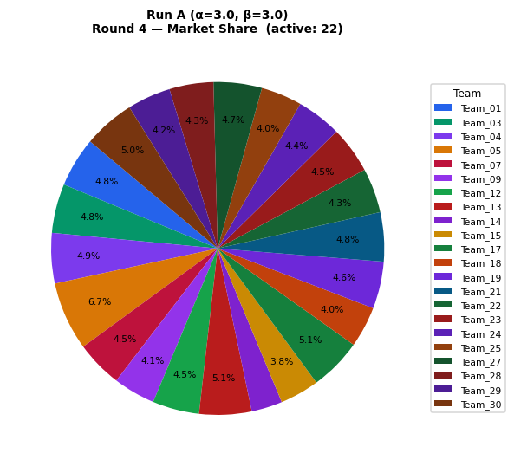
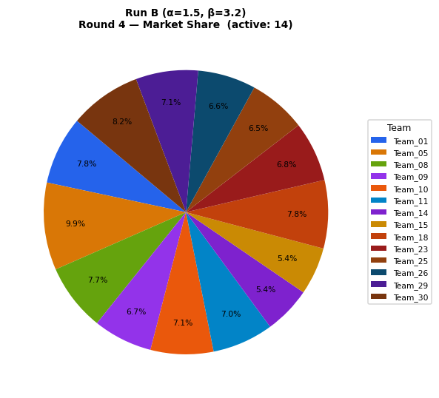
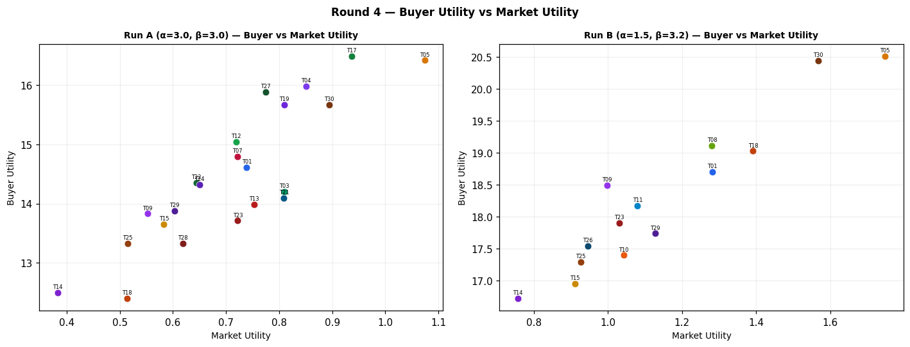
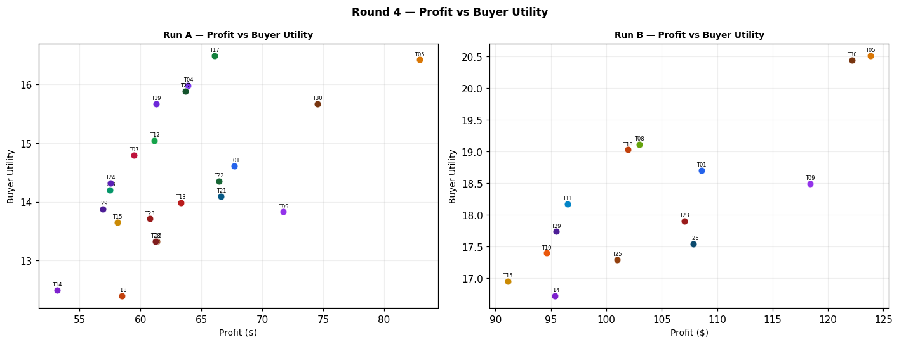
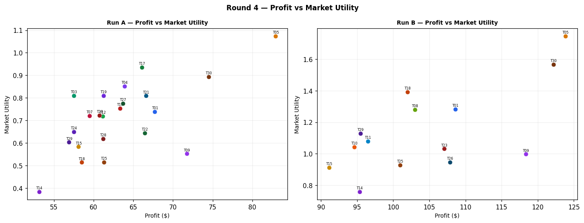
Run A — alpha=3.0, beta=3.0 (Round 4)
Team | Picks | Price | Feasible | Audit Excl. | Avg Env | Avg Social | Avg Cost | Strategic | Share % | Profit | Mkt Utility | Buyer Utility
Team_01 | P,B,C | 97.71 | Yes |  | 2.582 | 2.193 | 2.77 | 2.384 | 4.84 | 67.72 | 0.739 | 14.6137
Team_02 | A,Q,R | 89.65 | Yes | Yes | 2.571 | 2.779 | 3.44 | 2.541 | 0 | 0 | 0 | 7.1093
Team_03 | M,B,R | 100 | Yes |  | 2.675 | 1.675 | 3.981 | 2.198 | 4.78 | 57.5 | 0.81 | 14.2026
Team_04 | D,B,F | 100 | Yes |  | 1.998 | 2.049 | 3.453 | 1.356 | 4.88 | 63.91 | 0.851 | 15.9877
Team_05 | P,N,C | 90.53 | Yes |  | 2.089 | 2.318 | 2.823 | 2.464 | 6.66 | 82.93 | 1.074 | 16.4222
Team_06 | D,Q,R | 104.03 | Yes | Yes | 2.43 | 2.198 | 3.495 | 2.23 | 0 | 0 | 0 | 8.1413
Team_07 | A,N,F | 100 | Yes |  | 1.646 | 2.755 | 3.451 | 1.747 | 4.54 | 59.47 | 0.721 | 14.7997
Team_08 | G,N,O | 98.45 | Yes | Yes | 1.921 | 2.768 | 3.124 | 1.501 | 0 | 0 | 0 | 8.81
Team_09 | P,H,L | 100 | Yes |  | 2.573 | 2.692 | 1.22 | 3.08 | 4.08 | 71.73 | 0.552 | 13.8279
Team_10 | G,B,C | 97.6 | Yes | Yes | 2.665 | 2.643 | 3.133 | 1.759 | 0 | 0 | 0 | 7.9333
Team_11 | G,B,O | 100 | Yes | Yes | 2.413 | 2.643 | 3.071 | 1.422 | 0 | 0 | 0 | 8.5223
Team_12 | D,B,C | 100 | Yes |  | 2.361 | 2.21 | 3.266 | 1.497 | 4.54 | 61.15 | 0.719 | 15.0472
Team_13 | M,E,R | 95.86 | Yes |  | 2.224 | 2.588 | 3.357 | 2.537 | 5.08 | 63.33 | 0.753 | 13.9839
Team_14 | P,K,O | 107.31 | Yes |  | 2.663 | 2.846 | 1.864 | 2.313 | 3 | 53.14 | 0.383 | 12.4919
Team_15 | P,B,C | 104.01 | Yes |  | 2.582 | 2.193 | 2.77 | 2.384 | 3.81 | 58.11 | 0.583 | 13.6519
Team_16 | G,B,F | 97.33 | Yes | Yes | 2.303 | 2.481 | 3.32 | 1.618 | 0 | 0 | 0 | 8.5977
Team_17 | D,N,F | 100 | Yes |  | 1.505 | 2.174 | 3.506 | 1.436 | 5.09 | 66.09 | 0.936 | 16.4932
Team_18 | J,E,C | 100 | Yes |  | 2.499 | 2.917 | 2.642 | 3.041 | 3.97 | 58.48 | 0.514 | 12.3925
Team_19 | D,B,I | 101.97 | Yes |  | 2.032 | 1.959 | 3.508 | 1.466 | 4.58 | 61.26 | 0.81 | 15.6691
Team_20 | P,Q,R | 102.7 | Yes | Yes | 2.652 | 2.181 | 2.998 | 3.117 | 0 | 0 | 0 | 7.05
Team_21 | P,E,R | 100 | Yes |  | 2.705 | 1.657 | 3.021 | 3.208 | 4.77 | 66.62 | 0.809 | 14.0919
Team_22 | P,E,F | 100 | Yes |  | 1.769 | 2.945 | 2.333 | 2.582 | 4.33 | 66.45 | 0.644 | 14.3493
Team_23 | J,N,C | 100 | Yes |  | 2.456 | 2.128 | 3.32 | 2.782 | 4.55 | 60.76 | 0.722 | 13.7098
Team_24 | A,B,F | 100 | Yes |  | 2.138 | 2.629 | 3.398 | 1.667 | 4.36 | 57.51 | 0.65 | 14.3163
Team_25 | A,E,L | 100 | Yes |  | 2.658 | 2.79 | 2.294 | 2.358 | 3.98 | 61.32 | 0.515 | 13.3258
Team_26 | P,Q,L | 100 | Yes | Yes | 2.686 | 2.716 | 1.83 | 2.844 | 0 | 0 | 0 | 6.7547
Team_27 | D,B,O | 100 | Yes |  | 2.109 | 2.21 | 3.204 | 1.16 | 4.69 | 63.68 | 0.775 | 15.8902
Team_28 | J,E,F | 100 | Yes |  | 2.136 | 2.755 | 2.829 | 2.9 | 4.27 | 61.21 | 0.619 | 13.3296
Team_29 | A,N,C | 100 | Yes |  | 2.008 | 2.916 | 3.265 | 1.887 | 4.22 | 56.91 | 0.603 | 13.8793
Team_30 | P,N,L | 100 | Yes |  | 2.696 | 1.404 | 2.53 | 2.676 | 4.99 | 74.51 | 0.894 | 15.6753

Run B — alpha=1.5, beta=3.2 (Round 4)
Team | Picks | Price | Feasible | Audit Excl. | Avg Env | Avg Social | Avg Cost | Strategic | Share % | Profit | Mkt Utility | Buyer Utility
Team_01 | P,B,C | 97.71 | Yes |  | 2.582 | 2.193 | 2.77 | 2.384 | 7.76 | 108.59 | 1.282 | 18.7005
Team_02 | A,Q,R | 89.65 | Yes | Yes | 2.571 | 2.779 | 3.44 | 2.541 | 0 | 0 | 0 | 7.1093
Team_03 | M,B,R | 100 | Yes | Yes | 2.675 | 1.675 | 3.981 | 2.198 | 0 | 0 | 0 | 8.4523
Team_04 | D,B,F | 100 | Yes | Yes | 1.998 | 2.049 | 3.453 | 1.356 | 0 | 0 | 0 | 9.597
Team_05 | P,N,C | 90.53 | Yes |  | 2.089 | 2.318 | 2.823 | 2.464 | 9.94 | 123.85 | 1.748 | 20.5141
Team_06 | D,Q,R | 104.03 | Yes | Yes | 2.43 | 2.198 | 3.495 | 2.23 | 0 | 0 | 0 | 8.1413
Team_07 | A,N,F | 100 | Yes | Yes | 1.646 | 2.755 | 3.451 | 1.747 | 0 | 0 | 0 | 8.8527
Team_08 | G,N,O | 98.45 | Yes |  | 1.921 | 2.768 | 3.124 | 1.501 | 7.66 | 102.98 | 1.281 | 19.1079
Team_09 | P,H,L | 100 | Yes |  | 2.573 | 2.692 | 1.22 | 3.08 | 6.74 | 118.37 | 0.997 | 18.4915
Team_10 | G,B,C | 97.6 | Yes |  | 2.665 | 2.643 | 3.133 | 1.759 | 7.14 | 94.62 | 1.043 | 17.3954
Team_11 | G,B,O | 100 | Yes |  | 2.413 | 2.643 | 3.071 | 1.422 | 6.96 | 96.48 | 1.08 | 18.1702
Team_12 | D,B,C | 100 | Yes | Yes | 2.361 | 2.21 | 3.266 | 1.497 | 0 | 0 | 0 | 8.9327
Team_13 | M,E,R | 95.86 | Yes | Yes | 2.224 | 2.588 | 3.357 | 2.537 | 0 | 0 | 0 | 7.6507
Team_14 | P,K,O | 107.31 | Yes |  | 2.663 | 2.846 | 1.864 | 2.313 | 5.38 | 95.37 | 0.757 | 16.7153
Team_15 | P,B,C | 111.8 | Yes |  | 2.582 | 2.193 | 2.77 | 2.384 | 5.42 | 91.11 | 0.911 | 16.9521
Team_16 | G,B,F | 107.33 | Yes | Yes | 2.303 | 2.481 | 3.32 | 1.618 | 0 | 0 | 0 | 8.5977
Team_17 | D,N,F | 100 | Yes | Yes | 1.505 | 2.174 | 3.506 | 1.436 | 0 | 0 | 0 | 9.8847
Team_18 | G,N,I | 100 | Yes |  | 1.844 | 2.517 | 3.428 | 1.807 | 7.76 | 101.95 | 1.392 | 19.0265
Team_19 | D,B,I | 105.03 | Yes | Yes | 2.032 | 1.959 | 3.508 | 1.466 | 0 | 0 | 0 | 9.5433
Team_20 | P,Q,R | 102.7 | Yes | Yes | 2.652 | 2.181 | 2.998 | 3.117 | 0 | 0 | 0 | 7.05
Team_21 | P,E,R | 100 | Yes | Yes | 2.705 | 1.657 | 3.021 | 3.208 | 0 | 0 | 0 | 7.43
Team_22 | P,E,F | 100 | Yes | Yes | 1.769 | 2.945 | 2.333 | 2.582 | 0 | 0 | 0 | 7.704
Team_23 | P,K,I | 100 | Yes |  | 2.587 | 2.595 | 2.168 | 2.619 | 6.83 | 107.03 | 1.031 | 17.9031
Team_24 | A,B,F | 100 | Yes | Yes | 2.138 | 2.629 | 3.398 | 1.667 | 0 | 0 | 0 | 8.565
Team_25 | A,E,L | 100 | Yes |  | 2.658 | 2.79 | 2.294 | 2.358 | 6.55 | 100.96 | 0.927 | 17.2905
Team_26 | P,Q,L | 100 | Yes |  | 2.686 | 2.716 | 1.83 | 2.844 | 6.6 | 107.87 | 0.946 | 17.5417
Team_27 | D,B,O | 100 | Yes | Yes | 2.109 | 2.21 | 3.204 | 1.16 | 0 | 0 | 0 | 9.5217
Team_28 | D,N,O | 100 | Yes | Yes | 1.616 | 2.335 | 3.257 | 1.239 | 0 | 0 | 0 | 9.8093
Team_29 | A,N,C | 100 | Yes |  | 2.008 | 2.916 | 3.265 | 1.887 | 7.09 | 95.48 | 1.128 | 17.736
Team_30 | P,N,L | 100 | Yes |  | 2.696 | 1.404 | 2.53 | 2.676 | 8.18 | 122.17 | 1.568 | 20.4406

Difference (B minus A) — green = B better, red = A better (Round 4)
Team | Share % (B-A) | Profit (B-A) | Mkt Utility (B-A) | Buyer Utility (B-A)
Team_01 | 2.92 | 40.87 | 0.543 | 4.0868
Team_02 | 0 | 0 | 0 | 0
Team_03 | -4.78 | -57.5 | -0.81 | -5.7503
Team_04 | -4.88 | -63.91 | -0.851 | -6.3907
Team_05 | 3.28 | 40.92 | 0.674 | 4.0919
Team_06 | 0 | 0 | 0 | 0
Team_07 | -4.54 | -59.47 | -0.721 | -5.947
Team_08 | 7.66 | 102.98 | 1.281 | 10.2979
Team_09 | 2.66 | 46.64 | 0.445 | 4.6636
Team_10 | 7.14 | 94.62 | 1.043 | 9.4621
Team_11 | 6.96 | 96.48 | 1.08 | 9.6479
Team_12 | -4.54 | -61.15 | -0.719 | -6.1145
Team_13 | -5.08 | -63.33 | -0.753 | -6.3332
Team_14 | 2.38 | 42.23 | 0.374 | 4.2234
Team_15 | 1.61 | 33 | 0.328 | 3.3002
Team_16 | 0 | 0 | 0 | 0
Team_17 | -5.09 | -66.09 | -0.936 | -6.6085
Team_18 | 3.79 | 43.47 | 0.878 | 6.634
Team_19 | -4.58 | -61.26 | -0.81 | -6.1258
Team_20 | 0 | 0 | 0 | 0
Team_21 | -4.77 | -66.62 | -0.809 | -6.6619
Team_22 | -4.33 | -66.45 | -0.644 | -6.6453
Team_23 | 2.28 | 46.27 | 0.309 | 4.1933
Team_24 | -4.36 | -57.51 | -0.65 | -5.7513
Team_25 | 2.57 | 39.64 | 0.412 | 3.9647
Team_26 | 6.6 | 107.87 | 0.946 | 10.787
Team_27 | -4.69 | -63.68 | -0.775 | -6.3685
Team_28 | -4.27 | -61.21 | -0.619 | -3.5203
Team_29 | 2.87 | 38.57 | 0.525 | 3.8567
Team_30 | 3.19 | 47.66 | 0.674 | 4.7653

Round 5
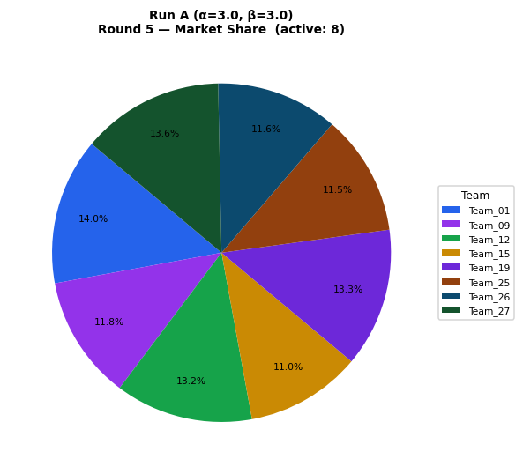
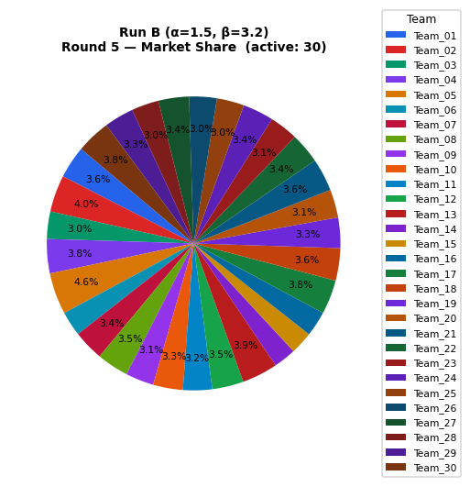
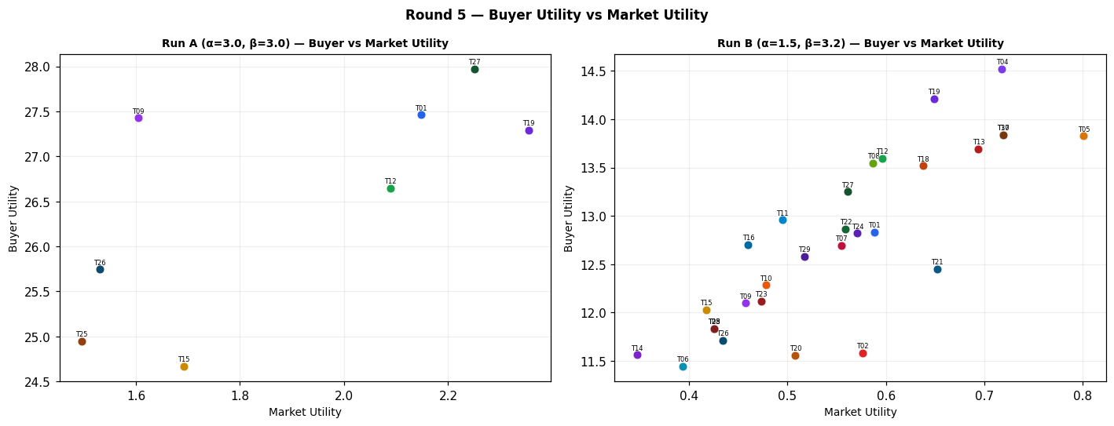
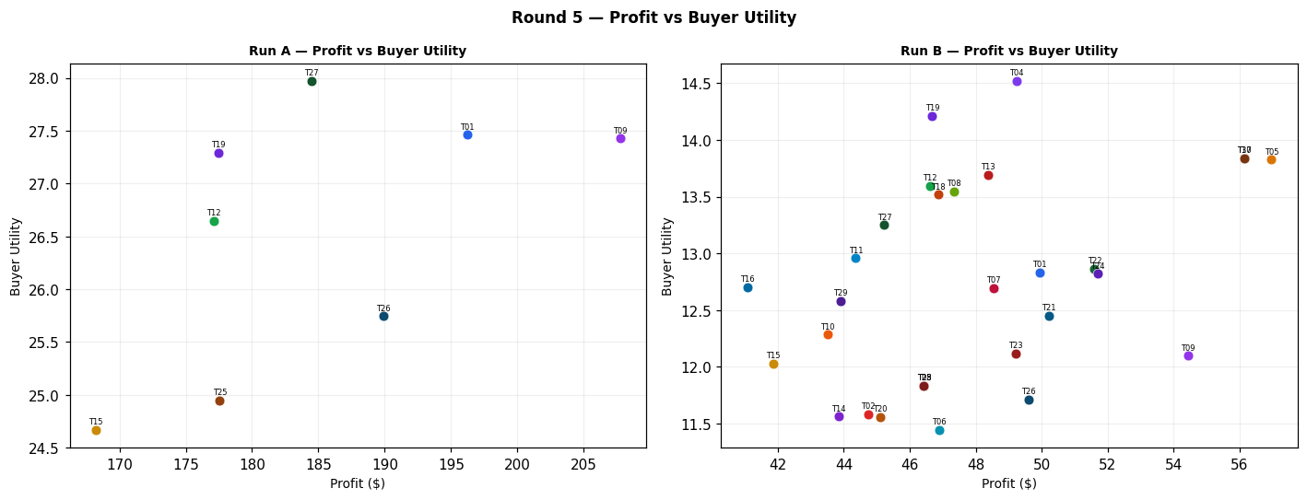
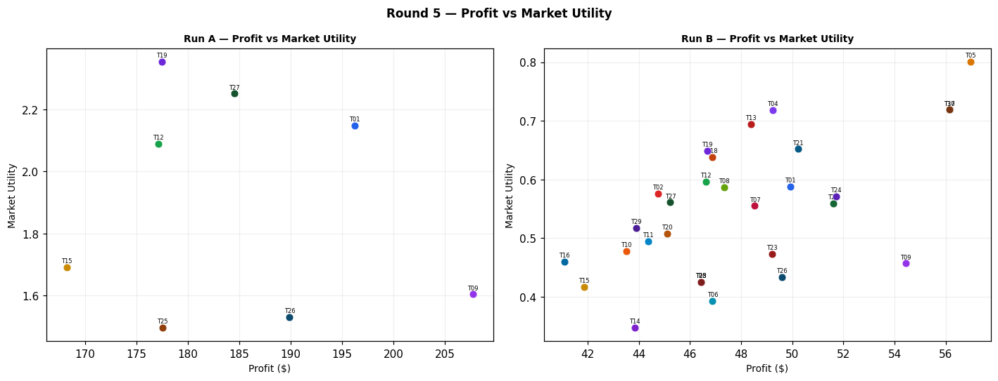
Run A — alpha=3.0, beta=3.0 (Round 5)
Team | Picks | Price | Feasible | Audit Excl. | Avg Env | Avg Social | Avg Cost | Strategic | Share % | Profit | Mkt Utility | Buyer Utility
Team_01 | P,B,C | 97.71 | Yes |  | 2.582 | 2.193 | 2.77 | 2.384 | 14.01 | 196.2 | 2.148 | 27.4611
Team_02 | A,Q,R | 89.65 | Yes | Yes | 2.571 | 2.779 | 3.44 | 2.541 | 0 | 0 | 0 | 7.1093
Team_03 | M,B,R | 100 | Yes | Yes | 2.675 | 1.675 | 3.981 | 2.198 | 0 | 0 | 0 | 8.4523
Team_04 | D,B,F | 100 | Yes | Yes | 1.998 | 2.049 | 3.453 | 1.356 | 0 | 0 | 0 | 9.597
Team_05 | P,N,C | 90.53 | Yes | Yes | 2.089 | 2.318 | 2.823 | 2.464 | 0 | 0 | 0 | 8.129
Team_06 | D,Q,R | 104.03 | Yes | Yes | 2.43 | 2.198 | 3.495 | 2.23 | 0 | 0 | 0 | 8.1413
Team_07 | A,N,F | 100 | Yes | Yes | 1.646 | 2.755 | 3.451 | 1.747 | 0 | 0 | 0 | 8.8527
Team_08 | G,N,O | 98.45 | Yes | Yes | 1.921 | 2.768 | 3.124 | 1.501 | 0 | 0 | 0 | 8.81
Team_09 | P,H,L | 100 | Yes |  | 2.573 | 2.692 | 1.22 | 3.08 | 11.83 | 207.73 | 1.604 | 27.4276
Team_10 | G,B,C | 97.6 | Yes | Yes | 2.665 | 2.643 | 3.133 | 1.759 | 0 | 0 | 0 | 7.9333
Team_11 | G,B,O | 100 | Yes | Yes | 2.413 | 2.643 | 3.071 | 1.422 | 0 | 0 | 0 | 8.5223
Team_12 | D,B,C | 100 | Yes |  | 2.361 | 2.21 | 3.266 | 1.497 | 13.15 | 177.12 | 2.089 | 26.645
Team_13 | M,E,R | 95.86 | Yes | Yes | 2.224 | 2.588 | 3.357 | 2.537 | 0 | 0 | 0 | 7.6507
Team_14 | P,K,O | 107.31 | Yes | Yes | 2.663 | 2.846 | 1.864 | 2.313 | 0 | 0 | 0 | 7.1783
Team_15 | P,B,C | 104.01 | Yes |  | 2.582 | 2.193 | 2.77 | 2.384 | 11.02 | 168.23 | 1.692 | 24.6648
Team_16 | G,B,F | 97.33 | Yes | Yes | 2.303 | 2.481 | 3.32 | 1.618 | 0 | 0 | 0 | 8.5977
Team_17 | D,N,F | 100 | Yes | Yes | 1.505 | 2.174 | 3.506 | 1.436 | 0 | 0 | 0 | 9.8847
Team_18 | J,E,C | 100 | Yes | Yes | 2.499 | 2.917 | 2.642 | 3.041 | 0 | 0 | 0 | 6.544
Team_19 | D,B,I | 101.97 | Yes |  | 2.032 | 1.959 | 3.508 | 1.466 | 13.27 | 177.46 | 2.354 | 27.2896
Team_20 | G,B,F | 102.7 | Yes | Yes | 2.303 | 2.481 | 3.32 | 1.618 | 0 | 0 | 0 | 8.5977
Team_21 | P,E,R | 100 | Yes | Yes | 2.705 | 1.657 | 3.021 | 3.208 | 0 | 0 | 0 | 7.43
Team_22 | P,E,F | 100 | Yes | Yes | 1.769 | 2.945 | 2.333 | 2.582 | 0 | 0 | 0 | 7.704
Team_23 | J,N,C | 100 | Yes | Yes | 2.456 | 2.128 | 3.32 | 2.782 | 0 | 0 | 0 | 7.6333
Team_24 | A,B,F | 100 | Yes | Yes | 2.138 | 2.629 | 3.398 | 1.667 | 0 | 0 | 0 | 8.565
Team_25 | A,E,L | 100 | Yes |  | 2.658 | 2.79 | 2.294 | 2.358 | 11.52 | 177.56 | 1.496 | 24.9496
Team_26 | P,Q,L | 100 | Yes |  | 2.686 | 2.716 | 1.83 | 2.844 | 11.62 | 189.89 | 1.531 | 25.7436
Team_27 | D,B,O | 100 | Yes |  | 2.109 | 2.21 | 3.204 | 1.16 | 13.57 | 184.5 | 2.251 | 27.9721
Team_28 | J,E,F | 100 | Yes | Yes | 2.136 | 2.755 | 2.829 | 2.9 | 0 | 0 | 0 | 7.2083
Team_29 | A,N,C | 100 | Yes | Yes | 2.008 | 2.916 | 3.265 | 1.887 | 0 | 0 | 0 | 8.1883
Team_30 | P,N,L | 100 | Yes | Yes | 2.696 | 1.404 | 2.53 | 2.676 | 0 | 0 | 0 | 8.224

Run B — alpha=1.5, beta=3.2 (Round 5)
Team | Picks | Price | Feasible | Audit Excl. | Avg Env | Avg Social | Avg Cost | Strategic | Share % | Profit | Mkt Utility | Buyer Utility
Team_01 | P,B,C | 97.71 | Yes |  | 2.582 | 2.193 | 2.77 | 2.384 | 3.57 | 49.93 | 0.588 | 12.8343
Team_02 | A,Q,R | 89.65 | Yes |  | 2.571 | 2.779 | 3.44 | 2.541 | 4.05 | 44.74 | 0.576 | 11.5829
Team_03 | A,E,L | 100 | Yes |  | 2.658 | 2.79 | 2.294 | 2.358 | 3.01 | 46.43 | 0.425 | 11.837
Team_04 | D,B,F | 100 | Yes |  | 1.998 | 2.049 | 3.453 | 1.356 | 3.76 | 49.23 | 0.718 | 14.5196
Team_05 | P,N,C | 90.53 | Yes |  | 2.089 | 2.318 | 2.823 | 2.464 | 4.57 | 56.96 | 0.801 | 13.825
Team_06 | P,Q,L | 104.03 | Yes |  | 2.686 | 2.716 | 1.83 | 2.844 | 2.73 | 46.88 | 0.393 | 11.4423
Team_07 | P,B,C | 100 | Yes |  | 2.582 | 2.193 | 2.77 | 2.384 | 3.36 | 48.53 | 0.555 | 12.6943
Team_08 | G,N,O | 98.45 | Yes |  | 1.921 | 2.768 | 3.124 | 1.501 | 3.52 | 47.34 | 0.587 | 13.5443
Team_09 | P,H,L | 100 | Yes |  | 2.573 | 2.692 | 1.22 | 3.08 | 3.1 | 54.43 | 0.457 | 12.0975
Team_10 | G,B,C | 97.6 | Yes |  | 2.665 | 2.643 | 3.133 | 1.759 | 3.28 | 43.52 | 0.478 | 12.2849
Team_11 | G,B,O | 100 | Yes |  | 2.413 | 2.643 | 3.071 | 1.422 | 3.2 | 44.36 | 0.495 | 12.9582
Team_12 | D,B,C | 100 | Yes |  | 2.361 | 2.21 | 3.266 | 1.497 | 3.46 | 46.62 | 0.596 | 13.5946
Team_13 | A,N,F | 95.86 | Yes |  | 1.646 | 2.755 | 3.451 | 1.747 | 3.94 | 48.37 | 0.694 | 13.6894
Team_14 | P,K,O | 107.31 | Yes |  | 2.663 | 2.846 | 1.864 | 2.313 | 2.47 | 43.84 | 0.347 | 11.5623
Team_15 | P,B,C | 111.8 | Yes |  | 2.582 | 2.193 | 2.77 | 2.384 | 2.49 | 41.86 | 0.417 | 12.0271
Team_16 | G,B,F | 107.33 | Yes |  | 2.303 | 2.481 | 3.32 | 1.618 | 2.77 | 41.08 | 0.46 | 12.7053
Team_17 | P,N,L | 100 | Yes |  | 2.696 | 1.404 | 2.53 | 2.676 | 3.76 | 56.15 | 0.719 | 13.8389
Team_18 | G,N,I | 100 | Yes |  | 1.844 | 2.517 | 3.428 | 1.807 | 3.57 | 46.86 | 0.638 | 13.5174
Team_19 | D,B,I | 105.03 | Yes |  | 2.032 | 1.959 | 3.508 | 1.466 | 3.34 | 46.68 | 0.649 | 14.2113
Team_20 | P,Q,R | 102.7 | Yes |  | 2.652 | 2.181 | 2.998 | 3.117 | 3.1 | 45.1 | 0.508 | 11.5597
Team_21 | P,E,R | 100 | Yes |  | 2.705 | 1.657 | 3.021 | 3.208 | 3.6 | 50.22 | 0.652 | 12.4519
Team_22 | P,E,F | 100 | Yes |  | 1.769 | 2.945 | 2.333 | 2.582 | 3.37 | 51.6 | 0.559 | 12.8643
Team_23 | P,K,I | 100 | Yes |  | 2.587 | 2.595 | 2.168 | 2.619 | 3.14 | 49.21 | 0.473 | 12.1214
Team_24 | P,E,I | 100 | Yes |  | 1.803 | 2.855 | 2.388 | 2.691 | 3.4 | 51.7 | 0.571 | 12.8207
Team_25 | A,E,L | 100 | Yes |  | 2.658 | 2.79 | 2.294 | 2.358 | 3.01 | 46.43 | 0.425 | 11.837
Team_26 | P,Q,L | 100 | Yes |  | 2.686 | 2.716 | 1.83 | 2.844 | 3.04 | 49.6 | 0.434 | 11.7151
Team_27 | M,B,F | 100 | Yes |  | 1.739 | 2.963 | 3.292 | 1.572 | 3.37 | 45.23 | 0.561 | 13.2491
Team_28 | A,E,L | 100 | Yes |  | 2.658 | 2.79 | 2.294 | 2.358 | 3.01 | 46.43 | 0.425 | 11.837
Team_29 | A,N,C | 100 | Yes |  | 2.008 | 2.916 | 3.265 | 1.887 | 3.26 | 43.89 | 0.517 | 12.5777
Team_30 | P,N,L | 100 | Yes |  | 2.696 | 1.404 | 2.53 | 2.676 | 3.76 | 56.15 | 0.719 | 13.8389

Difference (B minus A) — green = B better, red = A better (Round 5)
Team | Share % (B-A) | Profit (B-A) | Mkt Utility (B-A) | Buyer Utility (B-A)
Team_01 | -10.44 | -146.27 | -1.56 | -14.6268
Team_02 | 4.05 | 44.74 | 0.576 | 4.4736
Team_03 | 3.01 | 46.43 | 0.425 | 3.3847
Team_04 | 3.76 | 49.23 | 0.718 | 4.9226
Team_05 | 4.57 | 56.96 | 0.801 | 5.696
Team_06 | 2.73 | 46.88 | 0.393 | 3.301
Team_07 | 3.36 | 48.53 | 0.555 | 3.8416
Team_08 | 3.52 | 47.34 | 0.587 | 4.7343
Team_09 | -8.73 | -153.3 | -1.147 | -15.3301
Team_10 | 3.28 | 43.52 | 0.478 | 4.3516
Team_11 | 3.2 | 44.36 | 0.495 | 4.4359
Team_12 | -9.69 | -130.5 | -1.493 | -13.0504
Team_13 | 3.94 | 48.37 | 0.694 | 6.0387
Team_14 | 2.47 | 43.84 | 0.347 | 4.384
Team_15 | -8.53 | -126.37 | -1.275 | -12.6377
Team_16 | 2.77 | 41.08 | 0.46 | 4.1076
Team_17 | 3.76 | 56.15 | 0.719 | 3.9542
Team_18 | 3.57 | 46.86 | 0.638 | 6.9734
Team_19 | -9.93 | -130.78 | -1.705 | -13.0783
Team_20 | 3.1 | 45.1 | 0.508 | 2.962
Team_21 | 3.6 | 50.22 | 0.652 | 5.0219
Team_22 | 3.37 | 51.6 | 0.559 | 5.1603
Team_23 | 3.14 | 49.21 | 0.473 | 4.4881
Team_24 | 3.4 | 51.7 | 0.571 | 4.2557
Team_25 | -8.51 | -131.13 | -1.071 | -13.1126
Team_26 | -8.58 | -140.29 | -1.097 | -14.0285
Team_27 | -10.2 | -139.27 | -1.69 | -14.723
Team_28 | 3.01 | 46.43 | 0.425 | 4.6287
Team_29 | 3.26 | 43.89 | 0.517 | 4.3894
Team_30 | 3.76 | 56.15 | 0.719 | 5.6149

Round 6
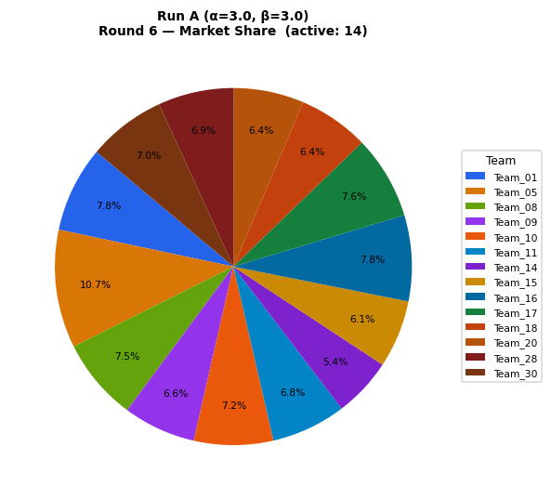
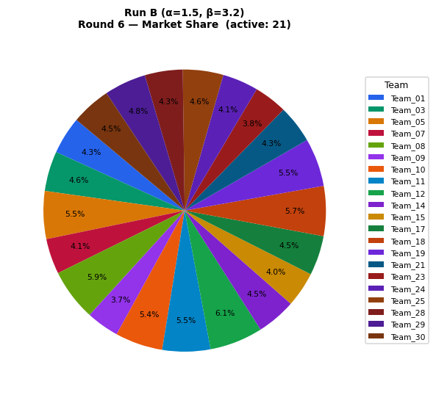
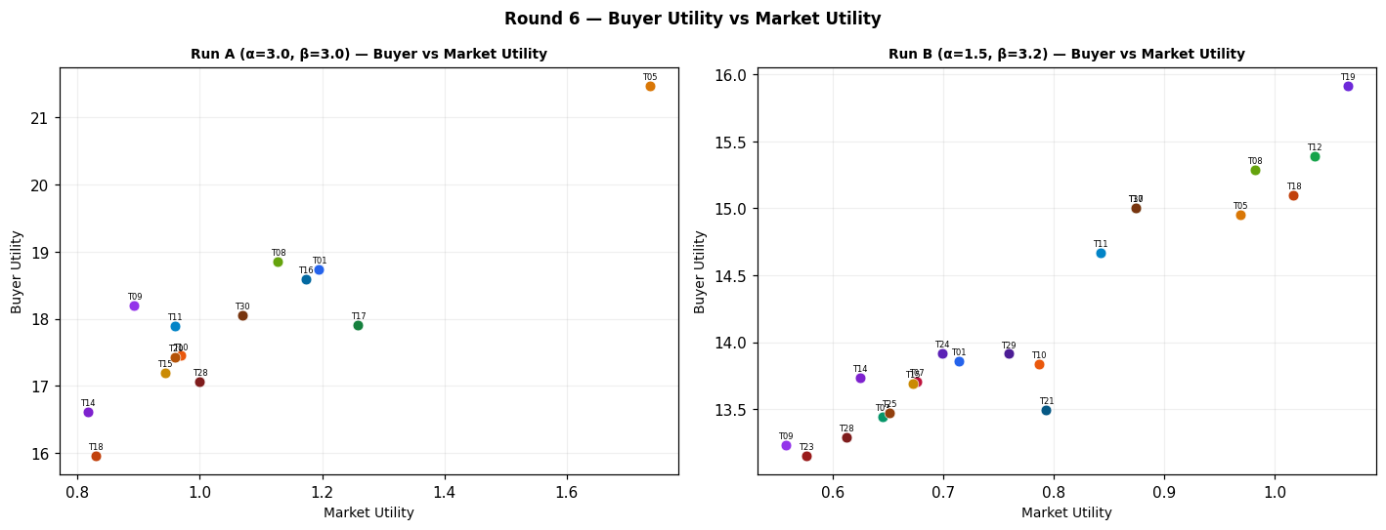
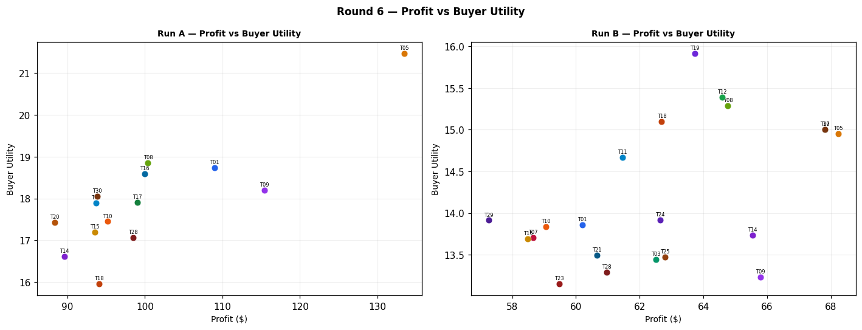
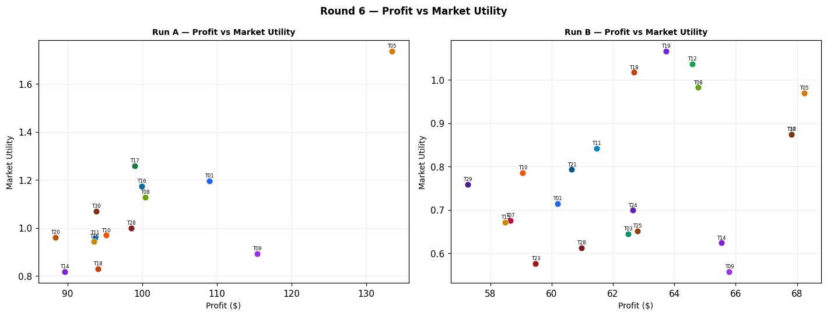
Run A — alpha=3.0, beta=3.0 (Round 6)
Team | Picks | Price | Feasible | Audit Excl. | Avg Env | Avg Social | Avg Cost | Strategic | Share % | Profit | Mkt Utility | Buyer Utility
Team_01 | P,B,C | 97.71 | Yes |  | 2.582 | 2.193 | 2.77 | 2.384 | 7.79 | 109.01 | 1.195 | 18.7425
Team_02 | A,Q,R | 89.65 | Yes | Yes | 2.571 | 2.779 | 3.44 | 2.541 | 0 | 0 | 0 | 7.1093
Team_03 | M,B,R | 100 | Yes | Yes | 2.675 | 1.675 | 3.981 | 2.198 | 0 | 0 | 0 | 8.4523
Team_04 | D,B,F | 100 | Yes | Yes | 1.998 | 2.049 | 3.453 | 1.356 | 0 | 0 | 0 | 9.597
Team_05 | P,N,C | 90.53 | Yes |  | 2.089 | 2.318 | 2.823 | 2.464 | 10.71 | 133.46 | 1.736 | 21.4754
Team_06 | D,Q,R | 104.03 | Yes | Yes | 2.43 | 2.198 | 3.495 | 2.23 | 0 | 0 | 0 | 8.1413
Team_07 | A,N,F | 100 | Yes | Yes | 1.646 | 2.755 | 3.451 | 1.747 | 0 | 0 | 0 | 8.8527
Team_08 | G,N,O | 98.45 | Yes |  | 1.921 | 2.768 | 3.124 | 1.501 | 7.47 | 100.39 | 1.128 | 18.8493
Team_09 | P,H,L | 100 | Yes |  | 2.573 | 2.692 | 1.22 | 3.08 | 6.57 | 115.42 | 0.893 | 18.1966
Team_10 | G,B,C | 97.6 | Yes |  | 2.665 | 2.643 | 3.133 | 1.759 | 7.18 | 95.17 | 0.969 | 17.4505
Team_11 | G,B,O | 100 | Yes |  | 2.413 | 2.643 | 3.071 | 1.422 | 6.76 | 93.67 | 0.959 | 17.8891
Team_12 | D,B,C | 100 | Yes | Yes | 2.361 | 2.21 | 3.266 | 1.497 | 0 | 0 | 0 | 8.9327
Team_13 | M,E,R | 95.86 | Yes | Yes | 2.224 | 2.588 | 3.357 | 2.537 | 0 | 0 | 0 | 7.6507
Team_14 | P,E,I | 107.31 | Yes |  | 1.803 | 2.855 | 2.388 | 2.691 | 5.37 | 89.59 | 0.817 | 16.6096
Team_15 | P,B,C | 104.01 | Yes |  | 2.582 | 2.193 | 2.77 | 2.384 | 6.13 | 93.55 | 0.943 | 17.1967
Team_16 | G,B,F | 97.33 | Yes |  | 2.303 | 2.481 | 3.32 | 1.618 | 7.79 | 99.94 | 1.173 | 18.5919
Team_17 | J,B,F | 100 | Yes |  | 2.586 | 1.842 | 3.453 | 2.562 | 7.56 | 99 | 1.259 | 17.91
Team_18 | J,E,C | 100 | Yes |  | 2.499 | 2.917 | 2.642 | 3.041 | 6.39 | 94.09 | 0.83 | 15.9527
Team_19 | D,B,I | 101.97 | Yes | Yes | 2.032 | 1.959 | 3.508 | 1.466 | 0 | 0 | 0 | 9.5433
Team_20 | G,B,F | 102.7 | Yes |  | 2.303 | 2.481 | 3.32 | 1.618 | 6.36 | 88.35 | 0.96 | 17.4328
Team_21 | P,E,R | 100 | Yes | Yes | 2.705 | 1.657 | 3.021 | 3.208 | 0 | 0 | 0 | 7.43
Team_22 | D,H,L | 100 | Yes | Yes | 2.352 | 2.709 | 1.716 | 2.193 | 0 | 0 | 0 | 7.746
Team_23 | D,K,F | 100 | Yes | Yes | 2.331 | 2.702 | 2.609 | 1.622 | 0 | 0 | 0 | 8.345
Team_24 | A,B,F | 100 | Yes | Yes | 2.138 | 2.629 | 3.398 | 1.667 | 0 | 0 | 0 | 8.565
Team_25 | A,E,L | 100 | Yes | Yes | 2.658 | 2.79 | 2.294 | 2.358 | 0 | 0 | 0 | 7.194
Team_26 | P,Q,L | 100 | Yes | Yes | 2.686 | 2.716 | 1.83 | 2.844 | 0 | 0 | 0 | 6.7547
Team_27 | D,B,O | 100 | Yes | Yes | 2.109 | 2.21 | 3.204 | 1.16 | 0 | 0 | 0 | 9.5217
Team_28 | J,E,F | 100 | Yes |  | 2.136 | 2.755 | 2.829 | 2.9 | 6.87 | 98.5 | 1 | 17.0588
Team_29 | D,B,I | 100 | Yes | Yes | 2.032 | 1.959 | 3.508 | 1.466 | 0 | 0 | 0 | 9.5433
Team_30 | M,B,I | 100 | Yes |  | 1.773 | 2.873 | 3.347 | 1.681 | 7.05 | 93.83 | 1.07 | 18.0561

Run B — alpha=1.5, beta=3.2 (Round 6)
Team | Picks | Price | Feasible | Audit Excl. | Avg Env | Avg Social | Avg Cost | Strategic | Share % | Profit | Mkt Utility | Buyer Utility
Team_01 | P,B,C | 97.71 | Yes |  | 2.582 | 2.193 | 2.77 | 2.384 | 4.3 | 60.2 | 0.714 | 13.8609
Team_02 | A,Q,R | 80.81 | Yes | Yes | 2.571 | 2.779 | 3.44 | 2.541 | 0 | 0 | 0 | 7.1093
Team_03 | A,E,L | 91.11 | Yes |  | 2.658 | 2.79 | 2.294 | 2.358 | 4.58 | 62.5 | 0.645 | 13.4443
Team_04 | D,B,F | 100 | Yes | Yes | 1.998 | 2.049 | 3.453 | 1.356 | 0 | 0 | 0 | 9.597
Team_05 | P,N,C | 90.53 | Yes |  | 2.089 | 2.318 | 2.823 | 2.464 | 5.48 | 68.23 | 0.969 | 14.9521
Team_06 | P,Q,L | 91.87 | Yes | Yes | 2.686 | 2.716 | 1.83 | 2.844 | 0 | 0 | 0 | 6.7547
Team_07 | P,B,C | 100 | Yes |  | 2.582 | 2.193 | 2.77 | 2.384 | 4.06 | 58.65 | 0.676 | 13.7065
Team_08 | G,N,O | 85.67 | Yes |  | 1.921 | 2.768 | 3.124 | 1.501 | 5.95 | 64.77 | 0.982 | 15.2872
Team_09 | P,H,L | 100 | Yes |  | 2.573 | 2.692 | 1.22 | 3.08 | 3.75 | 65.79 | 0.557 | 13.2338
Team_10 | G,B,C | 85.65 | Yes |  | 2.665 | 2.643 | 3.133 | 1.759 | 5.44 | 59.06 | 0.786 | 13.8392
Team_11 | G,B,O | 86.59 | Yes |  | 2.413 | 2.643 | 3.071 | 1.422 | 5.5 | 61.46 | 0.842 | 14.6687
Team_12 | D,B,C | 85.8 | Yes |  | 2.361 | 2.21 | 3.266 | 1.497 | 6.08 | 64.58 | 1.036 | 15.3904
Team_13 | A,N,F | 95.86 | Yes | Yes | 1.646 | 2.755 | 3.451 | 1.747 | 0 | 0 | 0 | 8.8527
Team_14 | P,K,O | 91.42 | Yes |  | 2.663 | 2.846 | 1.864 | 2.313 | 4.5 | 65.54 | 0.624 | 13.7323
Team_15 | P,B,C | 100.24 | Yes |  | 2.582 | 2.193 | 2.77 | 2.384 | 4.03 | 58.49 | 0.672 | 13.6905
Team_16 | G,B,F | 92.23 | Yes | Yes | 2.303 | 2.481 | 3.32 | 1.618 | 0 | 0 | 0 | 8.5977
Team_17 | P,N,L | 100 | Yes |  | 2.696 | 1.404 | 2.53 | 2.676 | 4.54 | 67.82 | 0.874 | 15.0063
Team_18 | G,N,I | 89.08 | Yes |  | 1.844 | 2.517 | 3.428 | 1.807 | 5.72 | 62.69 | 1.017 | 15.1006
Team_19 | D,B,I | 92.81 | Yes |  | 2.032 | 1.959 | 3.508 | 1.466 | 5.52 | 63.73 | 1.066 | 15.9168
Team_20 | P,Q,R | 96.7 | Yes | Yes | 2.652 | 2.181 | 2.998 | 3.117 | 0 | 0 | 0 | 7.05
Team_21 | P,E,R | 100 | Yes |  | 2.705 | 1.657 | 3.021 | 3.208 | 4.35 | 60.66 | 0.793 | 13.4962
Team_22 | P,E,F | 100 | Yes | Yes | 1.769 | 2.945 | 2.333 | 2.582 | 0 | 0 | 0 | 7.704
Team_23 | P,K,I | 100 | Yes |  | 2.587 | 2.595 | 2.168 | 2.619 | 3.8 | 59.48 | 0.576 | 13.1484
Team_24 | P,E,I | 100 | Yes |  | 1.803 | 2.855 | 2.388 | 2.691 | 4.11 | 62.64 | 0.699 | 13.9146
Team_25 | A,E,L | 90.71 | Yes |  | 2.658 | 2.79 | 2.294 | 2.358 | 4.63 | 62.8 | 0.651 | 13.4741
Team_26 | P,Q,L | 100 | Yes | Yes | 2.686 | 2.716 | 1.83 | 2.844 | 0 | 0 | 0 | 6.7547
Team_27 | M,B,F | 86.33 | Yes | Yes | 1.739 | 2.963 | 3.292 | 1.572 | 0 | 0 | 0 | 8.7263
Team_28 | A,E,L | 93.18 | Yes |  | 2.658 | 2.79 | 2.294 | 2.358 | 4.34 | 60.97 | 0.612 | 13.2906
Team_29 | A,N,C | 92.4 | Yes |  | 2.008 | 2.916 | 3.265 | 1.887 | 4.79 | 57.26 | 0.759 | 13.9139
Team_30 | P,N,L | 100 | Yes |  | 2.696 | 1.404 | 2.53 | 2.676 | 4.54 | 67.82 | 0.874 | 15.0063

Difference (B minus A) — green = B better, red = A better (Round 6)
Team | Share % (B-A) | Profit (B-A) | Mkt Utility (B-A) | Buyer Utility (B-A)
Team_01 | -3.49 | -48.81 | -0.481 | -4.8816
Team_02 | 0 | 0 | 0 | 0
Team_03 | 4.58 | 62.5 | 0.645 | 4.992
Team_04 | 0 | 0 | 0 | 0
Team_05 | -5.23 | -65.23 | -0.767 | -6.5233
Team_06 | 0 | 0 | 0 | -1.3866
Team_07 | 4.06 | 58.65 | 0.676 | 4.8538
Team_08 | -1.52 | -35.62 | -0.146 | -3.5621
Team_09 | -2.82 | -49.63 | -0.336 | -4.9628
Team_10 | -1.74 | -36.11 | -0.183 | -3.6113
Team_11 | -1.26 | -32.21 | -0.117 | -3.2204
Team_12 | 6.08 | 64.58 | 1.036 | 6.4577
Team_13 | 0 | 0 | 0 | 1.202
Team_14 | -0.87 | -24.05 | -0.193 | -2.8773
Team_15 | -2.1 | -35.06 | -0.271 | -3.5062
Team_16 | -7.79 | -99.94 | -1.173 | -9.9942
Team_17 | -3.02 | -31.18 | -0.385 | -2.9037
Team_18 | -0.67 | -31.4 | 0.187 | -0.8521
Team_19 | 5.52 | 63.73 | 1.066 | 6.3735
Team_20 | -6.36 | -88.35 | -0.96 | -10.3828
Team_21 | 4.35 | 60.66 | 0.793 | 6.0662
Team_22 | 0 | 0 | 0 | -0.042
Team_23 | 3.8 | 59.48 | 0.576 | 4.8034
Team_24 | 4.11 | 62.64 | 0.699 | 5.3496
Team_25 | 4.63 | 62.8 | 0.651 | 6.2801
Team_26 | 0 | 0 | 0 | 0
Team_27 | 0 | 0 | 0 | -0.7954
Team_28 | -2.53 | -37.53 | -0.388 | -3.7682
Team_29 | 4.79 | 57.26 | 0.759 | 4.3706
Team_30 | -2.51 | -26.01 | -0.196 | -3.0498

Round 7
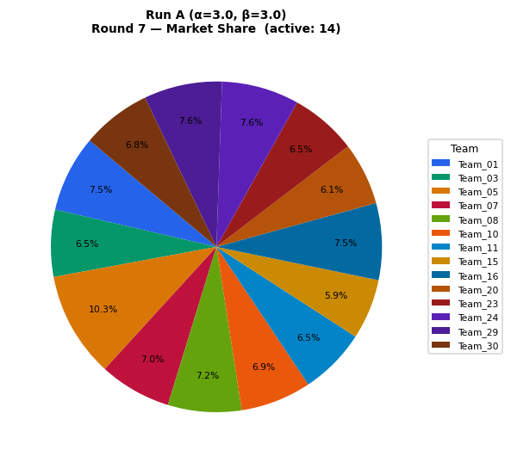
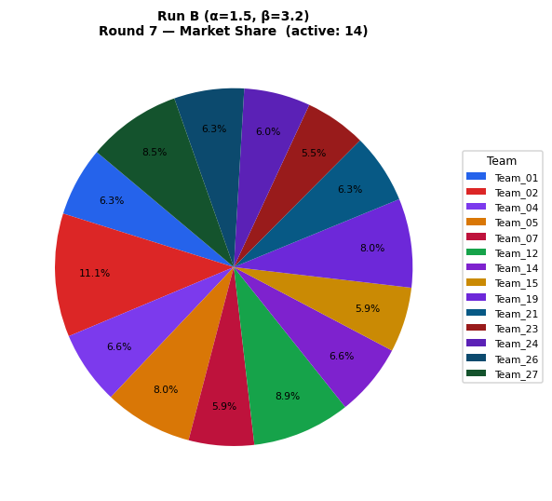
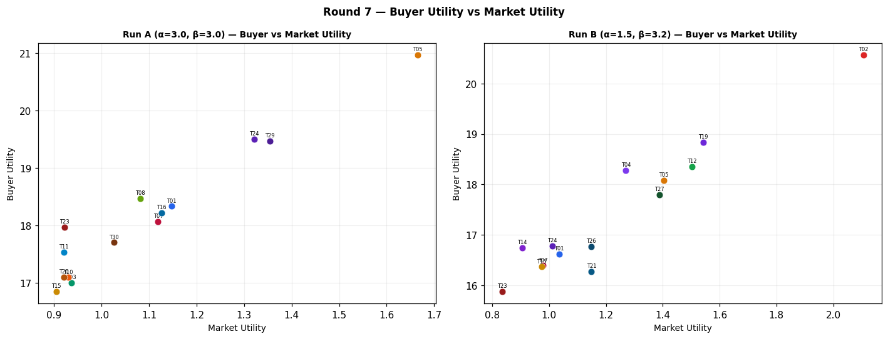
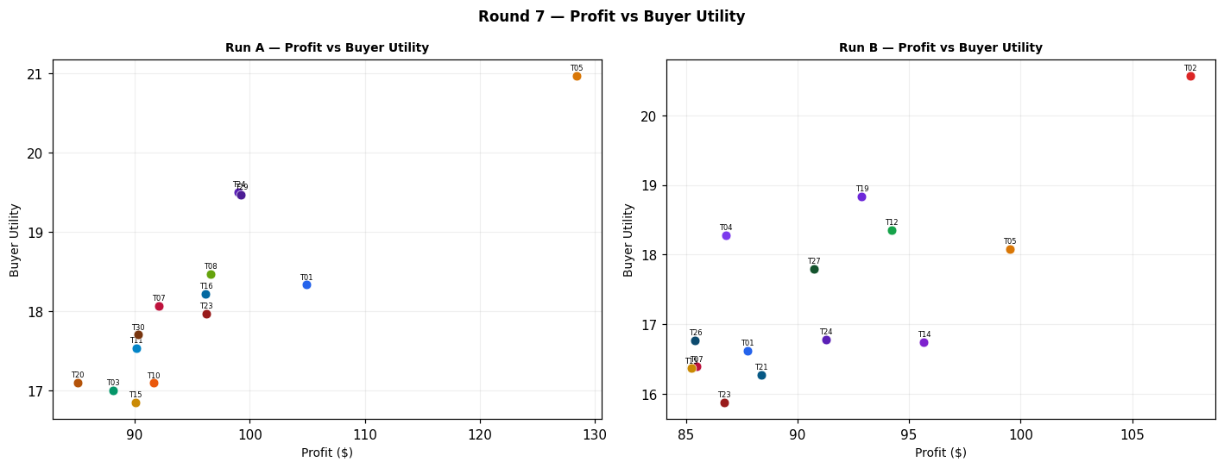
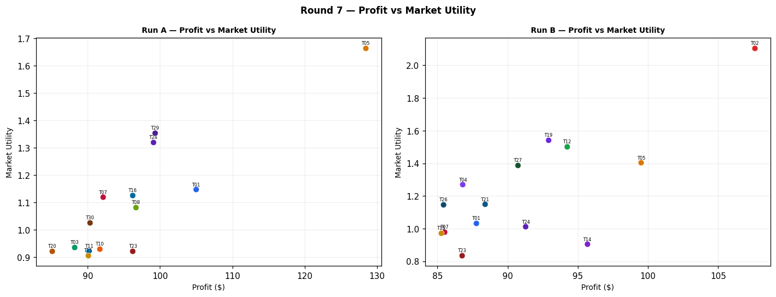
Run A — alpha=3.0, beta=3.0 (Round 7)
Team | Picks | Price | Feasible | Audit Excl. | Avg Env | Avg Social | Avg Cost | Strategic | Share % | Profit | Mkt Utility | Buyer Utility
Team_01 | P,B,C | 97.71 | Yes |  | 2.582 | 2.193 | 2.77 | 2.384 | 7.49 | 104.92 | 1.147 | 18.333
Team_02 | A,Q,R | 89.65 | Yes | Yes | 2.571 | 2.779 | 3.44 | 2.541 | 0 | 0 | 0 | 7.1093
Team_03 | A,N,C | 100 | Yes |  | 2.008 | 2.916 | 3.265 | 1.887 | 6.54 | 88.14 | 0.936 | 17.002
Team_04 | A,N,R | 100 | Yes | Yes | 2.581 | 1.467 | 4.14 | 2.373 | 0 | 0 | 0 | 8.5787
Team_05 | P,N,C | 90.53 | Yes |  | 2.089 | 2.318 | 2.823 | 2.464 | 10.31 | 128.4 | 1.665 | 20.9689
Team_06 | D,Q,R | 104.03 | Yes | Yes | 2.43 | 2.198 | 3.495 | 2.23 | 0 | 0 | 0 | 8.1413
Team_07 | A,N,F | 100 | Yes |  | 1.646 | 2.755 | 3.451 | 1.747 | 7.03 | 92.11 | 1.119 | 18.0635
Team_08 | G,N,O | 98.45 | Yes |  | 1.921 | 2.768 | 3.124 | 1.501 | 7.19 | 96.61 | 1.082 | 18.4714
Team_09 | P,H,L | 100 | Yes | Yes | 2.573 | 2.692 | 1.22 | 3.08 | 0 | 0 | 0 | 6.6547
Team_10 | G,B,C | 97.6 | Yes |  | 2.665 | 2.643 | 3.133 | 1.759 | 6.91 | 91.61 | 0.93 | 17.0948
Team_11 | G,B,O | 100 | Yes |  | 2.413 | 2.643 | 3.071 | 1.422 | 6.51 | 90.16 | 0.921 | 17.5386
Team_12 | P,E,L | 100 | Yes | Yes | 2.739 | 2.192 | 1.853 | 2.935 | 0 | 0 | 0 | 7.1347
Team_13 | M,N,L | 95.86 | Yes | Yes | 2.216 | 2.335 | 2.865 | 2.004 | 0 | 0 | 0 | 8.4447
Team_14 | P,E,I | 107.31 | Yes | Yes | 1.803 | 2.855 | 2.388 | 2.691 | 0 | 0 | 0 | 7.6503
Team_15 | P,B,C | 104.01 | Yes |  | 2.582 | 2.193 | 2.77 | 2.384 | 5.9 | 90.05 | 0.905 | 16.8468
Team_16 | G,B,F | 97.33 | Yes |  | 2.303 | 2.481 | 3.32 | 1.618 | 7.5 | 96.18 | 1.126 | 18.2162
Team_17 | J,B,F | 100 | Yes | Yes | 2.586 | 1.842 | 3.453 | 2.562 | 0 | 0 | 0 | 8.01
Team_18 | J,E,C | 100 | Yes | Yes | 2.499 | 2.917 | 2.642 | 3.041 | 0 | 0 | 0 | 6.544
Team_19 | J,N,O | 101.97 | Yes | Yes | 2.204 | 2.128 | 3.257 | 2.445 | 0 | 0 | 0 | 8.2223
Team_20 | G,B,F | 102.7 | Yes |  | 2.303 | 2.481 | 3.32 | 1.618 | 6.12 | 85.04 | 0.921 | 17.1019
Team_21 | P,E,R | 100 | Yes | Yes | 2.705 | 1.657 | 3.021 | 3.208 | 0 | 0 | 0 | 7.43
Team_22 | J,E,I | 100 | Yes | Yes | 2.17 | 2.666 | 2.884 | 3.01 | 0 | 0 | 0 | 7.1547
Team_23 | D,K,F | 100 | Yes |  | 2.331 | 2.702 | 2.609 | 1.622 | 6.51 | 96.21 | 0.922 | 17.9661
Team_24 | D,B,F | 100 | Yes |  | 1.998 | 2.049 | 3.453 | 1.356 | 7.56 | 99.03 | 1.321 | 19.4996
Team_25 | A,E,L | 100 | Yes | Yes | 2.658 | 2.79 | 2.294 | 2.358 | 0 | 0 | 0 | 7.194
Team_26 | P,Q,L | 100 | Yes | Yes | 2.686 | 2.716 | 1.83 | 2.844 | 0 | 0 | 0 | 6.7547
Team_27 | D,H,R | 100 | Yes | Yes | 2.318 | 2.174 | 2.885 | 2.467 | 0 | 0 | 0 | 8.0413
Team_28 | J,E,F | 100 | Yes | Yes | 2.136 | 2.755 | 2.829 | 2.9 | 0 | 0 | 0 | 7.2083
Team_29 | D,B,I | 100 | Yes |  | 2.032 | 1.959 | 3.508 | 1.466 | 7.64 | 99.25 | 1.354 | 19.4687
Team_30 | M,B,I | 100 | Yes |  | 1.773 | 2.873 | 3.347 | 1.681 | 6.79 | 90.3 | 1.026 | 17.7031

Run B — alpha=1.5, beta=3.2 (Round 7)
Team | Picks | Price | Feasible | Audit Excl. | Avg Env | Avg Social | Avg Cost | Strategic | Share % | Profit | Mkt Utility | Buyer Utility
Team_01 | P,B,C | 97.71 | Yes |  | 2.582 | 2.193 | 2.77 | 2.384 | 6.27 | 87.76 | 1.035 | 16.6171
Team_02 | D,N,O | 80.81 | Yes |  | 1.616 | 2.335 | 3.257 | 1.239 | 11.15 | 107.59 | 2.106 | 20.5685
Team_03 | A,E,L | 91.11 | Yes | Yes | 2.658 | 2.79 | 2.294 | 2.358 | 0 | 0 | 0 | 7.194
Team_04 | D,B,F | 100 | Yes |  | 1.998 | 2.049 | 3.453 | 1.356 | 6.63 | 86.8 | 1.27 | 18.2766
Team_05 | P,N,C | 90.53 | Yes |  | 2.089 | 2.318 | 2.823 | 2.464 | 7.99 | 99.5 | 1.404 | 18.0785
Team_06 | P,Q,L | 91.87 | Yes | Yes | 2.686 | 2.716 | 1.83 | 2.844 | 0 | 0 | 0 | 6.7547
Team_07 | P,B,C | 100 | Yes |  | 2.582 | 2.193 | 2.77 | 2.384 | 5.91 | 85.49 | 0.979 | 16.3902
Team_08 | G,N,O | 85.67 | Yes | Yes | 1.921 | 2.768 | 3.124 | 1.501 | 0 | 0 | 0 | 8.81
Team_09 | P,H,L | 100 | Yes | Yes | 2.573 | 2.692 | 1.22 | 3.08 | 0 | 0 | 0 | 6.6547
Team_10 | G,B,C | 85.65 | Yes | Yes | 2.665 | 2.643 | 3.133 | 1.759 | 0 | 0 | 0 | 7.9333
Team_11 | G,B,O | 86.59 | Yes | Yes | 2.413 | 2.643 | 3.071 | 1.422 | 0 | 0 | 0 | 8.5223
Team_12 | D,B,C | 85.8 | Yes |  | 2.361 | 2.21 | 3.266 | 1.497 | 8.87 | 94.23 | 1.503 | 18.356
Team_13 | A,N,F | 95.86 | Yes | Yes | 1.646 | 2.755 | 3.451 | 1.747 | 0 | 0 | 0 | 8.8527
Team_14 | P,K,O | 91.42 | Yes |  | 2.663 | 2.846 | 1.864 | 2.313 | 6.57 | 95.67 | 0.905 | 16.7452
Team_15 | P,B,C | 100.24 | Yes |  | 2.582 | 2.193 | 2.77 | 2.384 | 5.88 | 85.25 | 0.973 | 16.3666
Team_16 | A,N,C | 92.23 | Yes | Yes | 2.008 | 2.916 | 3.265 | 1.887 | 0 | 0 | 0 | 8.1883
Team_17 | P,N,L | 100 | Yes | Yes | 2.696 | 1.404 | 2.53 | 2.676 | 0 | 0 | 0 | 8.224
Team_18 | G,N,I | 89.08 | Yes | Yes | 1.844 | 2.517 | 3.428 | 1.807 | 0 | 0 | 0 | 8.8317
Team_19 | D,B,I | 92.81 | Yes |  | 2.032 | 1.959 | 3.508 | 1.466 | 8.04 | 92.88 | 1.543 | 18.8317
Team_20 | A,N,R | 96.7 | Yes | Yes | 2.581 | 1.467 | 4.14 | 2.373 | 0 | 0 | 0 | 8.5787
Team_21 | P,E,R | 100 | Yes |  | 2.705 | 1.657 | 3.021 | 3.208 | 6.33 | 88.39 | 1.149 | 16.269
Team_22 | M,N,L | 100 | Yes | Yes | 2.216 | 2.335 | 2.865 | 2.004 | 0 | 0 | 0 | 8.4447
Team_23 | P,K,I | 100 | Yes |  | 2.587 | 2.595 | 2.168 | 2.619 | 5.54 | 86.73 | 0.835 | 15.8732
Team_24 | P,E,I | 100 | Yes |  | 1.803 | 2.855 | 2.388 | 2.691 | 6 | 91.28 | 1.012 | 16.7779
Team_25 | A,E,L | 90.71 | Yes | Yes | 2.658 | 2.79 | 2.294 | 2.358 | 0 | 0 | 0 | 7.194
Team_26 | J,N,O | 100 | Yes |  | 2.204 | 2.128 | 3.257 | 2.445 | 6.33 | 85.42 | 1.148 | 16.7647
Team_27 | M,B,F | 86.33 | Yes |  | 1.739 | 2.963 | 3.292 | 1.572 | 8.49 | 90.73 | 1.388 | 17.7995
Team_28 | A,E,L | 93.18 | Yes | Yes | 2.658 | 2.79 | 2.294 | 2.358 | 0 | 0 | 0 | 7.194
Team_29 | A,N,C | 92.4 | Yes | Yes | 2.008 | 2.916 | 3.265 | 1.887 | 0 | 0 | 0 | 8.1883
Team_30 | P,N,L | 100 | Yes | Yes | 2.696 | 1.404 | 2.53 | 2.676 | 0 | 0 | 0 | 8.224

Difference (B minus A) — green = B better, red = A better (Round 7)
Team | Share % (B-A) | Profit (B-A) | Mkt Utility (B-A) | Buyer Utility (B-A)
Team_01 | -1.22 | -17.16 | -0.112 | -1.7159
Team_02 | 11.15 | 107.59 | 2.106 | 13.4592
Team_03 | -6.54 | -88.14 | -0.936 | -9.808
Team_04 | 6.63 | 86.8 | 1.27 | 9.6979
Team_05 | -2.32 | -28.9 | -0.261 | -2.8904
Team_06 | 0 | 0 | 0 | -1.3866
Team_07 | -1.12 | -6.62 | -0.14 | -1.6733
Team_08 | -7.19 | -96.61 | -1.082 | -9.6614
Team_09 | 0 | 0 | 0 | 0
Team_10 | -6.91 | -91.61 | -0.93 | -9.1615
Team_11 | -6.51 | -90.16 | -0.921 | -9.0163
Team_12 | 8.87 | 94.23 | 1.503 | 11.2213
Team_13 | 0 | 0 | 0 | 0.408
Team_14 | 6.57 | 95.67 | 0.905 | 9.0949
Team_15 | -0.02 | -4.8 | 0.068 | -0.4802
Team_16 | -7.5 | -96.18 | -1.126 | -10.0279
Team_17 | 0 | 0 | 0 | 0.214
Team_18 | 0 | 0 | 0 | 2.2877
Team_19 | 8.04 | 92.88 | 1.543 | 10.6094
Team_20 | -6.12 | -85.04 | -0.921 | -8.5232
Team_21 | 6.33 | 88.39 | 1.149 | 8.839
Team_22 | 0 | 0 | 0 | 1.29
Team_23 | -0.97 | -9.48 | -0.087 | -2.0929
Team_24 | -1.56 | -7.75 | -0.309 | -2.7217
Team_25 | 0 | 0 | 0 | 0
Team_26 | 6.33 | 85.42 | 1.148 | 10.01
Team_27 | 8.49 | 90.73 | 1.388 | 9.7582
Team_28 | 0 | 0 | 0 | -0.0143
Team_29 | -7.64 | -99.25 | -1.354 | -11.2804
Team_30 | -6.79 | -90.3 | -1.026 | -9.4791

Round 8
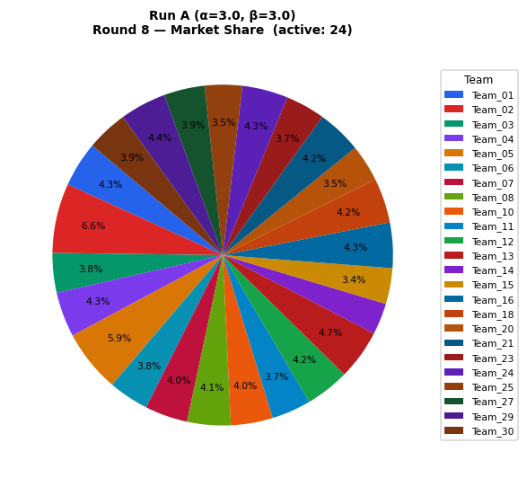
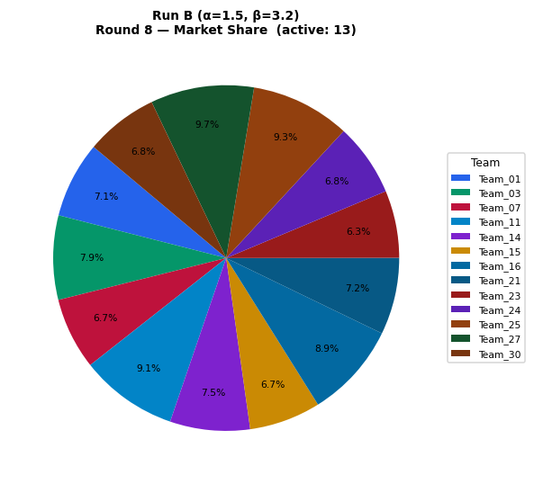
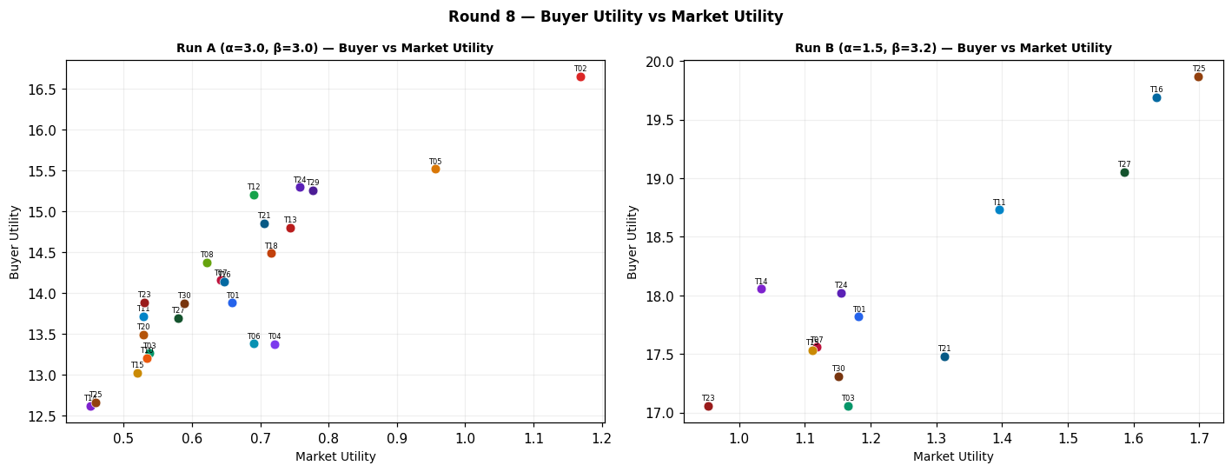
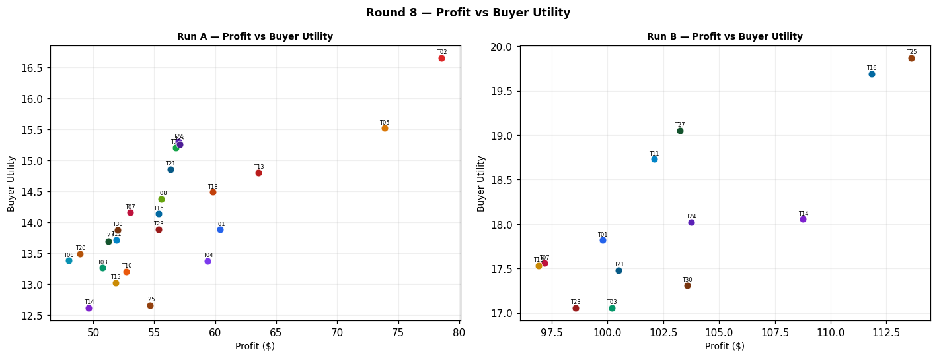
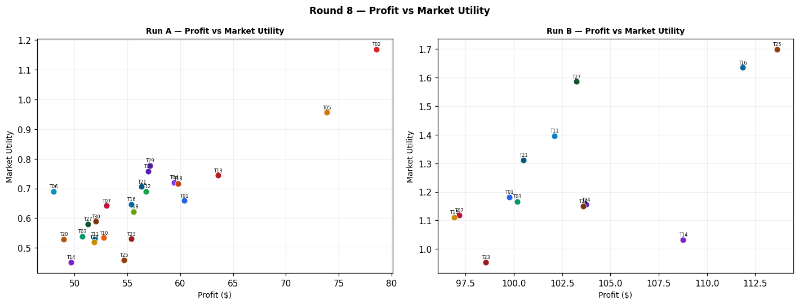
Run A — alpha=3.0, beta=3.0 (Round 8)
Team | Picks | Price | Feasible | Audit Excl. | Avg Env | Avg Social | Avg Cost | Strategic | Share % | Profit | Mkt Utility | Buyer Utility
Team_01 | P,B,C | 97.71 | Yes |  | 2.582 | 2.193 | 2.77 | 2.384 | 4.31 | 60.37 | 0.659 | 13.8779
Team_02 | P,N,F | 89.65 | Yes |  | 1.727 | 2.157 | 3.01 | 2.323 | 6.6 | 78.56 | 1.169 | 16.6495
Team_03 | A,N,C | 100 | Yes |  | 2.008 | 2.916 | 3.265 | 1.887 | 3.77 | 50.73 | 0.538 | 13.2614
Team_04 | P,E,R | 100 | Yes |  | 2.705 | 1.657 | 3.021 | 3.208 | 4.26 | 59.39 | 0.721 | 13.3694
Team_05 | P,N,C | 90.53 | Yes |  | 2.089 | 2.318 | 2.823 | 2.464 | 5.93 | 73.87 | 0.956 | 15.516
Team_06 | A,N,R | 104.03 | Yes |  | 2.581 | 1.467 | 4.14 | 2.373 | 3.83 | 47.99 | 0.69 | 13.3776
Team_07 | A,N,F | 100 | Yes |  | 1.646 | 2.755 | 3.451 | 1.747 | 4.05 | 53.01 | 0.642 | 14.1538
Team_08 | G,N,O | 98.45 | Yes |  | 1.921 | 2.768 | 3.124 | 1.501 | 4.14 | 55.6 | 0.622 | 14.3704
Team_09 | P,H,L | 100 | Yes | Yes | 2.573 | 2.692 | 1.22 | 3.08 | 0 | 0 | 0 | 6.6547
Team_10 | G,B,C | 97.6 | Yes |  | 2.665 | 2.643 | 3.133 | 1.759 | 3.98 | 52.73 | 0.534 | 13.2059
Team_11 | G,B,O | 100 | Yes |  | 2.413 | 2.643 | 3.071 | 1.422 | 3.74 | 51.89 | 0.529 | 13.7115
Team_12 | D,B,O | 100 | Yes |  | 2.109 | 2.21 | 3.204 | 1.16 | 4.18 | 56.77 | 0.69 | 15.1989
Team_13 | M,N,L | 95.86 | Yes |  | 2.216 | 2.335 | 2.865 | 2.004 | 4.73 | 63.56 | 0.744 | 14.801
Team_14 | P,E,I | 107.31 | Yes |  | 1.803 | 2.855 | 2.388 | 2.691 | 2.98 | 49.64 | 0.451 | 12.6146
Team_15 | P,B,C | 104.01 | Yes |  | 2.582 | 2.193 | 2.77 | 2.384 | 3.4 | 51.82 | 0.52 | 13.0233
Team_16 | G,B,F | 97.33 | Yes |  | 2.303 | 2.481 | 3.32 | 1.618 | 4.31 | 55.35 | 0.647 | 14.1326
Team_17 | J,B,F | 100 | Yes | Yes | 2.586 | 1.842 | 3.453 | 2.562 | 0 | 0 | 0 | 8.01
Team_18 | P,B,F | 100 | Yes |  | 2.219 | 2.031 | 2.957 | 2.244 | 4.24 | 59.78 | 0.716 | 14.4841
Team_19 | J,N,O | 101.97 | Yes | Yes | 2.204 | 2.128 | 3.257 | 2.445 | 0 | 0 | 0 | 8.2223
Team_20 | G,B,F | 102.7 | Yes |  | 2.303 | 2.481 | 3.32 | 1.618 | 3.52 | 48.94 | 0.529 | 13.4918
Team_21 | D,N,C | 100 | Yes |  | 1.868 | 2.335 | 3.32 | 1.576 | 4.22 | 56.34 | 0.706 | 14.854
Team_22 | P,H,R | 100 | Yes | Yes | 2.539 | 2.157 | 2.389 | 3.354 | 0 | 0 | 0 | 6.95
Team_23 | D,K,F | 100 | Yes |  | 2.331 | 2.702 | 2.609 | 1.622 | 3.75 | 55.37 | 0.53 | 13.8824
Team_24 | D,B,F | 100 | Yes |  | 1.998 | 2.049 | 3.453 | 1.356 | 4.35 | 56.97 | 0.758 | 15.294
Team_25 | A,E,L | 100 | Yes |  | 2.658 | 2.79 | 2.294 | 2.358 | 3.55 | 54.67 | 0.459 | 12.6606
Team_26 | J,B,O | 100 | Yes | Yes | 2.697 | 2.003 | 3.204 | 2.365 | 0 | 0 | 0 | 7.9347
Team_27 | A,B,F | 100 | Yes |  | 2.138 | 2.629 | 3.398 | 1.667 | 3.88 | 51.27 | 0.58 | 13.6921
Team_28 | J,E,F | 100 | Yes | Yes | 2.136 | 2.755 | 2.829 | 2.9 | 0 | 0 | 0 | 7.2083
Team_29 | D,B,I | 100 | Yes |  | 2.032 | 1.959 | 3.508 | 1.466 | 4.4 | 57.1 | 0.777 | 15.2532
Team_30 | M,B,I | 100 | Yes |  | 1.773 | 2.873 | 3.347 | 1.681 | 3.91 | 51.98 | 0.589 | 13.8703

Run B — alpha=1.5, beta=3.2 (Round 8)
Team | Picks | Price | Feasible | Audit Excl. | Avg Env | Avg Social | Avg Cost | Strategic | Share % | Profit | Mkt Utility | Buyer Utility
Team_01 | P,B,C | 97.71 | Yes |  | 2.582 | 2.193 | 2.77 | 2.384 | 7.13 | 99.77 | 1.182 | 17.8184
Team_02 | D,N,O | 75.41 | Yes | Yes | 1.616 | 2.335 | 3.257 | 1.239 | 0 | 0 | 0 | 9.8093
Team_03 | G,H,R | 91.11 | Yes |  | 2.622 | 2.607 | 2.752 | 2.729 | 7.88 | 100.18 | 1.166 | 17.0597
Team_04 | D,B,F | 100 | Yes | Yes | 1.998 | 2.049 | 3.453 | 1.356 | 0 | 0 | 0 | 9.597
Team_05 | P,N,C | 90.53 | Yes | Yes | 2.089 | 2.318 | 2.823 | 2.464 | 0 | 0 | 0 | 8.129
Team_06 | D,E,R | 91.87 | Yes | Yes | 2.483 | 1.674 | 3.518 | 2.321 | 0 | 0 | 0 | 8.5213
Team_07 | P,B,C | 100 | Yes |  | 2.582 | 2.193 | 2.77 | 2.384 | 6.72 | 97.17 | 1.118 | 17.5584
Team_08 | A,N,I | 85.67 | Yes | Yes | 1.68 | 2.665 | 3.507 | 1.856 | 0 | 0 | 0 | 8.799
Team_09 | P,H,L | 100 | Yes | Yes | 2.573 | 2.692 | 1.22 | 3.08 | 0 | 0 | 0 | 6.6547
Team_10 | D,B,I | 85.65 | Yes | Yes | 2.032 | 1.959 | 3.508 | 1.466 | 0 | 0 | 0 | 9.5433
Team_11 | G,B,O | 86.59 | Yes |  | 2.413 | 2.643 | 3.071 | 1.422 | 9.13 | 102.09 | 1.396 | 18.7309
Team_12 | D,B,C | 85.8 | Yes | Yes | 2.361 | 2.21 | 3.266 | 1.497 | 0 | 0 | 0 | 8.9327
Team_13 | A,N,F | 95.86 | Yes | Yes | 1.646 | 2.755 | 3.451 | 1.747 | 0 | 0 | 0 | 8.8527
Team_14 | P,K,O | 91.42 | Yes |  | 2.663 | 2.846 | 1.864 | 2.313 | 7.47 | 108.77 | 1.033 | 18.0552
Team_15 | P,B,C | 100.24 | Yes |  | 2.582 | 2.193 | 2.77 | 2.384 | 6.68 | 96.9 | 1.111 | 17.5313
Team_16 | P,B,F | 92.23 | Yes |  | 2.219 | 2.031 | 2.957 | 2.244 | 8.92 | 111.85 | 1.635 | 19.6907
Team_17 | D,B,O | 100 | Yes | Yes | 2.109 | 2.21 | 3.204 | 1.16 | 0 | 0 | 0 | 9.5217
Team_18 | G,N,I | 89.08 | Yes | Yes | 1.844 | 2.517 | 3.428 | 1.807 | 0 | 0 | 0 | 8.8317
Team_19 | D,B,I | 92.81 | Yes | Yes | 2.032 | 1.959 | 3.508 | 1.466 | 0 | 0 | 0 | 9.5433
Team_20 | A,N,R | 96.7 | Yes | Yes | 2.581 | 1.467 | 4.14 | 2.373 | 0 | 0 | 0 | 8.5787
Team_21 | P,E,R | 100 | Yes |  | 2.705 | 1.657 | 3.021 | 3.208 | 7.2 | 100.5 | 1.312 | 17.4804
Team_22 | M,N,L | 100 | Yes | Yes | 2.216 | 2.335 | 2.865 | 2.004 | 0 | 0 | 0 | 8.4447
Team_23 | P,K,I | 100 | Yes |  | 2.587 | 2.595 | 2.168 | 2.619 | 6.29 | 98.55 | 0.953 | 17.0552
Team_24 | P,E,I | 100 | Yes |  | 1.803 | 2.855 | 2.388 | 2.691 | 6.81 | 103.74 | 1.155 | 18.0245
Team_25 | P,B,F | 90.71 | Yes |  | 2.219 | 2.031 | 2.957 | 2.244 | 9.29 | 113.63 | 1.699 | 19.8691
Team_26 | J,N,O | 100 | Yes | Yes | 2.204 | 2.128 | 3.257 | 2.445 | 0 | 0 | 0 | 8.2223
Team_27 | M,B,F | 86.33 | Yes |  | 1.739 | 2.963 | 3.292 | 1.572 | 9.67 | 103.25 | 1.586 | 19.0516
Team_28 | A,E,L | 93.18 | Yes | Yes | 2.658 | 2.79 | 2.294 | 2.358 | 0 | 0 | 0 | 7.194
Team_29 | D,N,C | 92.4 | Yes | Yes | 1.868 | 2.335 | 3.32 | 1.576 | 0 | 0 | 0 | 9.2203
Team_30 | P,H,R | 100 | Yes |  | 2.539 | 2.157 | 2.389 | 3.354 | 6.8 | 103.58 | 1.151 | 17.3079

Difference (B minus A) — green = B better, red = A better (Round 8)
Team | Share % (B-A) | Profit (B-A) | Mkt Utility (B-A) | Buyer Utility (B-A)
Team_01 | 2.82 | 39.4 | 0.523 | 3.9405
Team_02 | -6.6 | -78.56 | -1.169 | -6.8402
Team_03 | 4.11 | 49.45 | 0.628 | 3.7983
Team_04 | -4.26 | -59.39 | -0.721 | -3.7724
Team_05 | -5.93 | -73.87 | -0.956 | -7.387
Team_06 | -3.83 | -47.99 | -0.69 | -4.8563
Team_07 | 2.67 | 44.16 | 0.476 | 3.4046
Team_08 | -4.14 | -55.6 | -0.622 | -5.5714
Team_09 | 0 | 0 | 0 | 0
Team_10 | -3.98 | -52.73 | -0.534 | -3.6626
Team_11 | 5.39 | 50.2 | 0.867 | 5.0194
Team_12 | -4.18 | -56.77 | -0.69 | -6.2662
Team_13 | -4.73 | -63.56 | -0.744 | -5.9483
Team_14 | 4.49 | 59.13 | 0.582 | 5.4406
Team_15 | 3.28 | 45.08 | 0.591 | 4.508
Team_16 | 4.61 | 56.5 | 0.988 | 5.5581
Team_17 | 0 | 0 | 0 | 1.5117
Team_18 | -4.24 | -59.78 | -0.716 | -5.6524
Team_19 | 0 | 0 | 0 | 1.321
Team_20 | -3.52 | -48.94 | -0.529 | -4.9131
Team_21 | 2.98 | 44.16 | 0.606 | 2.6264
Team_22 | 0 | 0 | 0 | 1.4947
Team_23 | 2.54 | 43.18 | 0.423 | 3.1728
Team_24 | 2.46 | 46.77 | 0.397 | 2.7305
Team_25 | 5.74 | 58.96 | 1.24 | 7.2085
Team_26 | 0 | 0 | 0 | 0.2876
Team_27 | 5.79 | 51.98 | 1.006 | 5.3595
Team_28 | 0 | 0 | 0 | -0.0143
Team_29 | -4.4 | -57.1 | -0.777 | -6.0329
Team_30 | 2.89 | 51.6 | 0.562 | 3.4376

Round 9
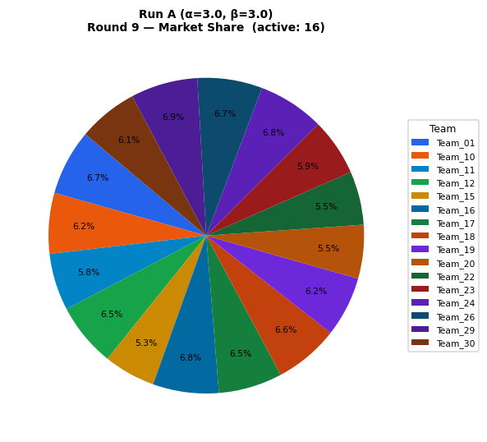
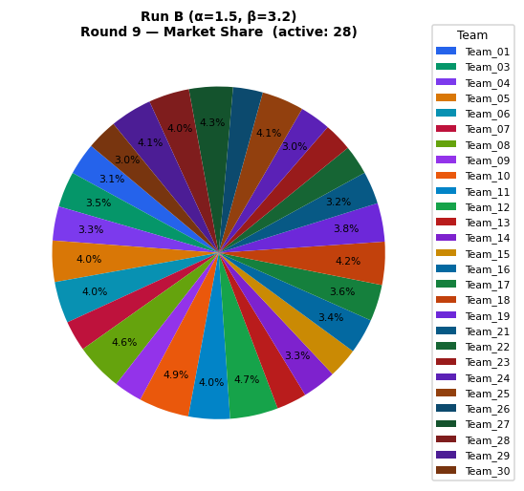
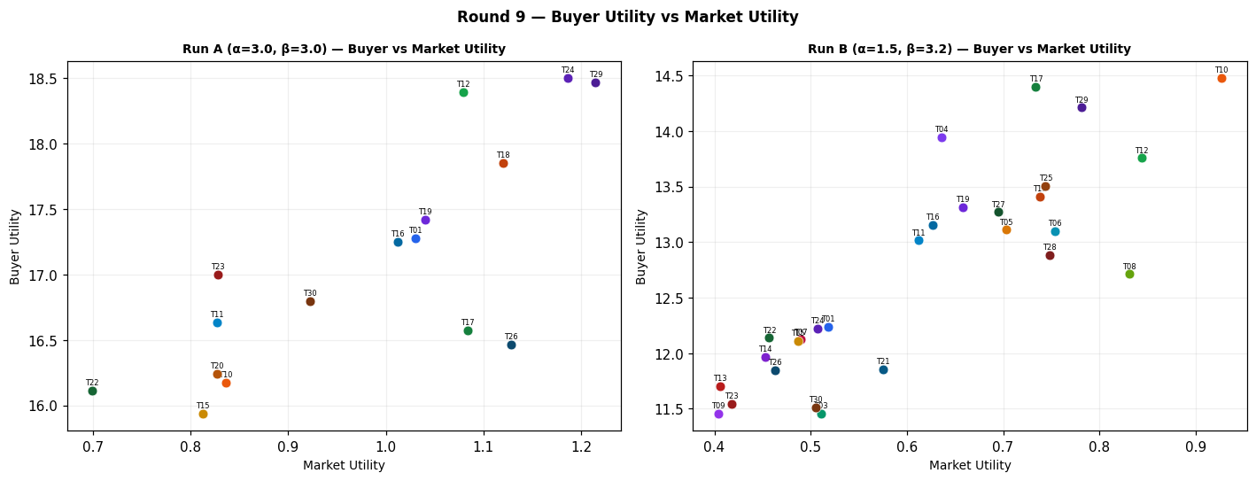
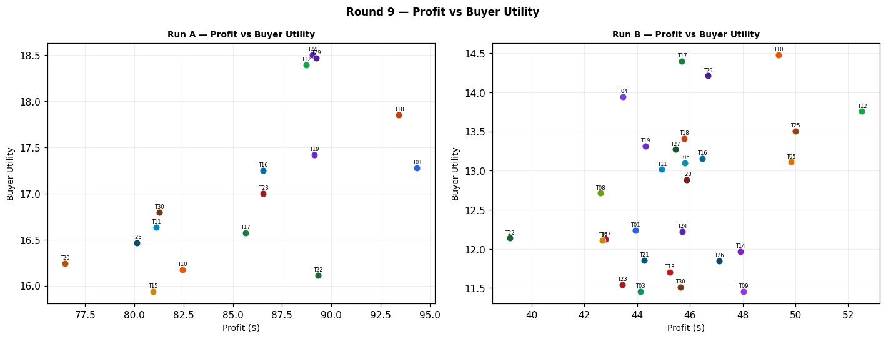
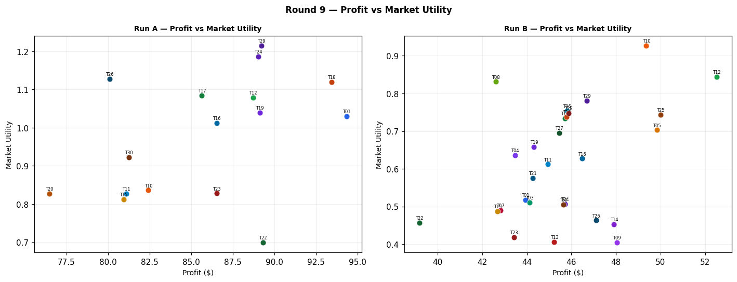
Run A — alpha=3.0, beta=3.0 (Round 9)
Team | Picks | Price | Feasible | Audit Excl. | Avg Env | Avg Social | Avg Cost | Strategic | Share % | Profit | Mkt Utility | Buyer Utility
Team_01 | P,B,C | 97.71 | Yes |  | 2.582 | 2.193 | 2.77 | 2.384 | 6.74 | 94.36 | 1.03 | 17.2778
Team_02 | P,N,F | 89.65 | Yes | Yes | 1.727 | 2.157 | 3.01 | 2.323 | 0 | 0 | 0 | 8.7933
Team_03 | A,N,C | 100 | Yes | Yes | 2.008 | 2.916 | 3.265 | 1.887 | 0 | 0 | 0 | 8.1883
Team_04 | P,E,R | 100 | Yes | Yes | 2.705 | 1.657 | 3.021 | 3.208 | 0 | 0 | 0 | 7.43
Team_05 | P,N,C | 90.53 | Yes | Yes | 2.089 | 2.318 | 2.823 | 2.464 | 0 | 0 | 0 | 8.129
Team_06 | A,N,R | 104.03 | Yes | Yes | 2.581 | 1.467 | 4.14 | 2.373 | 0 | 0 | 0 | 8.5787
Team_07 | A,N,F | 100 | Yes | Yes | 1.646 | 2.755 | 3.451 | 1.747 | 0 | 0 | 0 | 8.8527
Team_08 | G,N,O | 98.45 | Yes | Yes | 1.921 | 2.768 | 3.124 | 1.501 | 0 | 0 | 0 | 8.81
Team_09 | A,E,L | 100 | Yes | Yes | 2.658 | 2.79 | 2.294 | 2.358 | 0 | 0 | 0 | 7.194
Team_10 | G,B,C | 97.6 | Yes |  | 2.665 | 2.643 | 3.133 | 1.759 | 6.22 | 82.43 | 0.836 | 16.1761
Team_11 | G,B,O | 100 | Yes |  | 2.413 | 2.643 | 3.071 | 1.422 | 5.85 | 81.1 | 0.827 | 16.6326
Team_12 | D,B,O | 100 | Yes |  | 2.109 | 2.21 | 3.204 | 1.16 | 6.53 | 88.73 | 1.079 | 18.3951
Team_13 | M,N,L | 95.86 | Yes | Yes | 2.216 | 2.335 | 2.865 | 2.004 | 0 | 0 | 0 | 8.4447
Team_14 | P,E,I | 107.31 | Yes | Yes | 1.803 | 2.855 | 2.388 | 2.691 | 0 | 0 | 0 | 7.6503
Team_15 | P,B,C | 104.01 | Yes |  | 2.582 | 2.193 | 2.77 | 2.384 | 5.3 | 80.94 | 0.812 | 15.9352
Team_16 | G,B,F | 97.33 | Yes |  | 2.303 | 2.481 | 3.32 | 1.618 | 6.75 | 86.54 | 1.012 | 17.2516
Team_17 | J,B,F | 100 | Yes |  | 2.586 | 1.842 | 3.453 | 2.562 | 6.54 | 85.65 | 1.084 | 16.5748
Team_18 | P,B,F | 100 | Yes |  | 2.219 | 2.031 | 2.957 | 2.244 | 6.63 | 93.44 | 1.12 | 17.8493
Team_19 | P,B,F | 101.97 | Yes |  | 2.219 | 2.031 | 2.957 | 2.244 | 6.16 | 89.14 | 1.04 | 17.4196
Team_20 | G,B,F | 102.7 | Yes |  | 2.303 | 2.481 | 3.32 | 1.618 | 5.5 | 76.47 | 0.827 | 16.2442
Team_21 | D,N,C | 100 | Yes | Yes | 1.868 | 2.335 | 3.32 | 1.576 | 0 | 0 | 0 | 9.2203
Team_22 | P,K,O | 100 | Yes |  | 2.663 | 2.846 | 1.864 | 2.313 | 5.49 | 89.33 | 0.699 | 16.1111
Team_23 | D,K,F | 100 | Yes |  | 2.331 | 2.702 | 2.609 | 1.622 | 5.86 | 86.55 | 0.828 | 16.9998
Team_24 | D,B,F | 100 | Yes |  | 1.998 | 2.049 | 3.453 | 1.356 | 6.8 | 89.04 | 1.186 | 18.5015
Team_25 | A,E,L | 100 | Yes | Yes | 2.658 | 2.79 | 2.294 | 2.358 | 0 | 0 | 0 | 7.194
Team_26 | M,B,R | 100 | Yes |  | 2.675 | 1.675 | 3.981 | 2.198 | 6.65 | 80.11 | 1.128 | 16.4631
Team_27 | A,B,F | 100 | Yes | Yes | 2.138 | 2.629 | 3.398 | 1.667 | 0 | 0 | 0 | 8.565
Team_28 | J,E,F | 100 | Yes | Yes | 2.136 | 2.755 | 2.829 | 2.9 | 0 | 0 | 0 | 7.2083
Team_29 | D,B,I | 100 | Yes |  | 2.032 | 1.959 | 3.508 | 1.466 | 6.87 | 89.24 | 1.215 | 18.4676
Team_30 | M,B,I | 100 | Yes |  | 1.773 | 2.873 | 3.347 | 1.681 | 6.11 | 81.26 | 0.922 | 16.7983

Run B — alpha=1.5, beta=3.2 (Round 9)
Team | Picks | Price | Feasible | Audit Excl. | Avg Env | Avg Social | Avg Cost | Strategic | Share % | Profit | Mkt Utility | Buyer Utility
Team_01 | P,B,C | 97.71 | Yes |  | 2.582 | 2.193 | 2.77 | 2.384 | 3.14 | 43.94 | 0.518 | 12.2358
Team_02 | A,N,C | 75.41 | Yes | Yes | 2.008 | 2.916 | 3.265 | 1.887 | 0 | 0 | 0 | 8.1883
Team_03 | G,H,R | 91.11 | Yes |  | 2.622 | 2.607 | 2.752 | 2.729 | 3.47 | 44.12 | 0.511 | 11.4536
Team_04 | D,B,F | 100 | Yes |  | 1.998 | 2.049 | 3.453 | 1.356 | 3.32 | 43.46 | 0.636 | 13.9434
Team_05 | P,N,C | 90.53 | Yes |  | 2.089 | 2.318 | 2.823 | 2.464 | 4 | 49.83 | 0.703 | 13.1119
Team_06 | D,E,R | 91.87 | Yes |  | 2.483 | 1.674 | 3.518 | 2.321 | 4.04 | 45.8 | 0.754 | 13.1018
Team_07 | P,B,C | 100 | Yes |  | 2.582 | 2.193 | 2.77 | 2.384 | 2.96 | 42.81 | 0.49 | 12.122
Team_08 | M,B,R | 85.67 | Yes |  | 2.675 | 1.675 | 3.981 | 2.198 | 4.64 | 42.6 | 0.831 | 12.7124
Team_09 | P,H,L | 100 | Yes |  | 2.573 | 2.692 | 1.22 | 3.08 | 2.74 | 48.04 | 0.404 | 11.4588
Team_10 | D,B,I | 85.65 | Yes |  | 2.032 | 1.959 | 3.508 | 1.466 | 4.88 | 49.36 | 0.927 | 14.4798
Team_11 | G,B,O | 86.59 | Yes |  | 2.413 | 2.643 | 3.071 | 1.422 | 4.02 | 44.94 | 0.612 | 13.0158
Team_12 | P,B,F | 85.8 | Yes |  | 2.219 | 2.031 | 2.957 | 2.244 | 4.67 | 52.52 | 0.844 | 13.7578
Team_13 | P,K,O | 95.86 | Yes |  | 2.663 | 2.846 | 1.864 | 2.313 | 2.93 | 45.23 | 0.406 | 11.701
Team_14 | P,K,O | 91.42 | Yes |  | 2.663 | 2.846 | 1.864 | 2.313 | 3.29 | 47.91 | 0.453 | 11.9695
Team_15 | P,B,C | 100.24 | Yes |  | 2.582 | 2.193 | 2.77 | 2.384 | 2.94 | 42.69 | 0.487 | 12.1102
Team_16 | P,B,F | 97.65 | Yes |  | 2.219 | 2.031 | 2.957 | 2.244 | 3.41 | 46.47 | 0.627 | 13.1522
Team_17 | D,N,I | 100 | Yes |  | 1.539 | 2.084 | 3.562 | 1.545 | 3.55 | 45.7 | 0.734 | 14.4007
Team_18 | G,N,I | 89.08 | Yes |  | 1.844 | 2.517 | 3.428 | 1.807 | 4.18 | 45.79 | 0.738 | 13.4103
...
Difference (B minus A) — green = B better, red = A better (Round 9)
Team_23 | -3.09 | -43.12 | -0.41 | -5.4566
Team_24 | -3.8 | -43.33 | -0.679 | -6.2798
Team_25 | 4.09 | 50 | 0.744 | 6.3122
Team_26 | -3.76 | -33.01 | -0.665 | -4.6189
Team_27 | 4.25 | 45.45 | 0.695 | 4.7062
Team_28 | 3.95 | 45.88 | 0.748 | 5.6771
Team_29 | -2.8 | -42.56 | -0.434 | -4.2558
Team_30 | -3.11 | -35.63 | -0.417 | -5.2855

Round 10
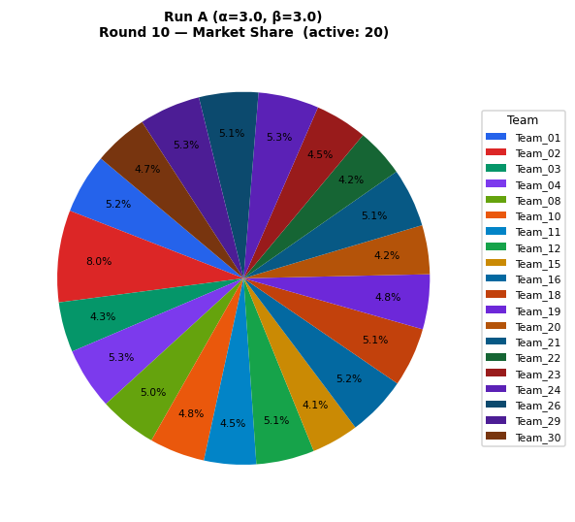
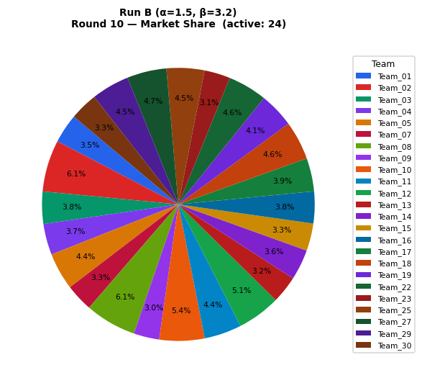
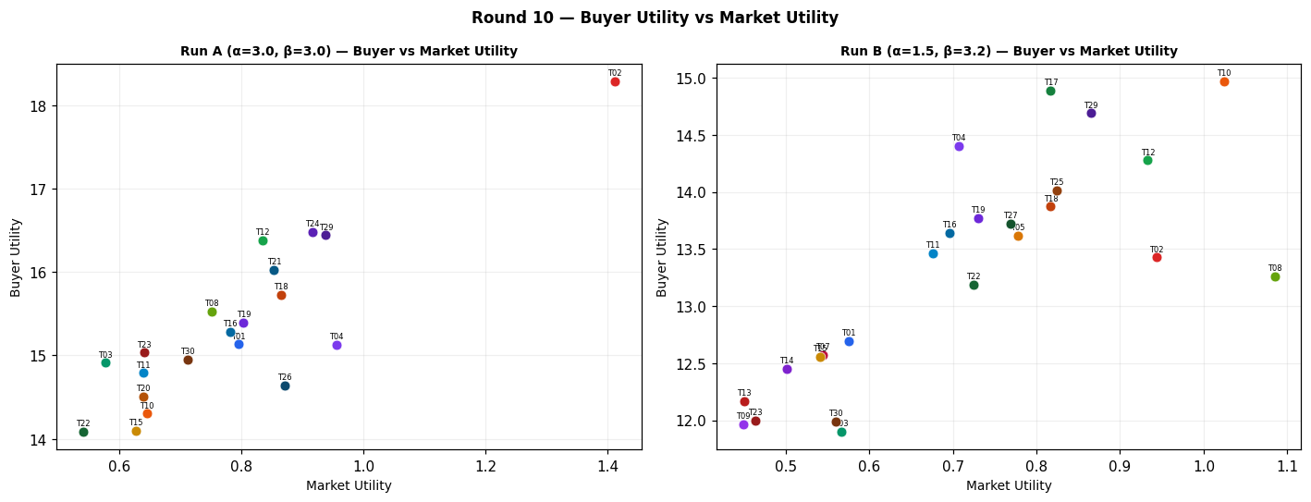
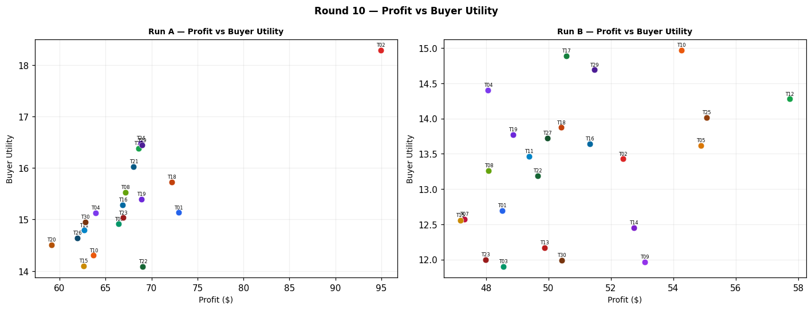
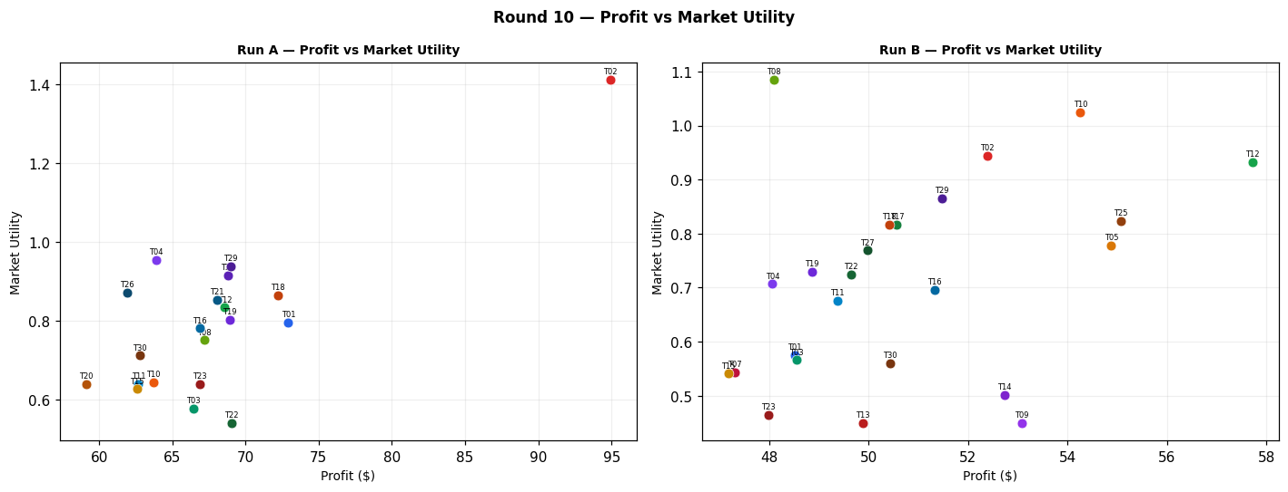
...
Difference (B minus A) — green = B better, red = A better (Round 10)
Team_23 | -1.47 | -18.9 | -0.176 | -3.0353
Team_24 | -5.26 | -68.82 | -0.916 | -8.8285
Team_25 | 4.5 | 55.07 | 0.824 | 6.3797
Team_26 | -5.14 | -61.92 | -0.871 | -7.5096
Team_27 | 4.68 | 49.97 | 0.769 | 5.1585
Team_28 | 0 | 0 | 0 | 1.1884
Team_29 | -0.82 | -17.5 | -0.073 | -1.7504
Team_30 | -1.41 | -12.37 | -0.152 | -2.9594

Cumulative






...
Team (Run A) | After R1 | After R2 | After R3 | After R4 | After R5 | After R6 | After R7 | After R8 | After R9 | After R10 | Total
Team_17 | 0 | 0 | 59.04 | 125.13 | 125.13 | 224.13 | 224.13 | 224.13 | 309.78 | 309.78 | 309.78
Team_02 | 0 | 87.52 | 129.86 | 129.86 | 129.86 | 129.86 | 129.86 | 208.42 | 208.42 | 303.35 | 303.35
Team_22 | 0 | 0 | 59.36 | 125.81 | 125.81 | 125.81 | 125.81 | 125.81 | 215.14 | 284.19 | 284.19
Team_07 | 0 | 0 | 53.12 | 112.59 | 112.59 | 112.59 | 204.7 | 257.71 | 257.71 | 257.71 | 257.71
Team_21 | 0 | 0 | 59.54 | 126.16 | 126.16 | 126.16 | 126.16 | 182.5 | 182.5 | 250.56 | 250.56
Team_06 | 0 | 98.79 | 146.58 | 146.58 | 146.58 | 146.58 | 146.58 | 194.57 | 194.57 | 194.57 | 194.57
Team_13 | 0 | 0 | 56.62 | 119.95 | 119.95 | 119.95 | 119.95 | 183.51 | 183.51 | 183.51 | 183.51
Team_28 | 0 | 0 | 0 | 61.21 | 61.21 | 159.71 | 159.71 | 159.71 | 159.71 | 159.71 | 159.71

