Round Progress
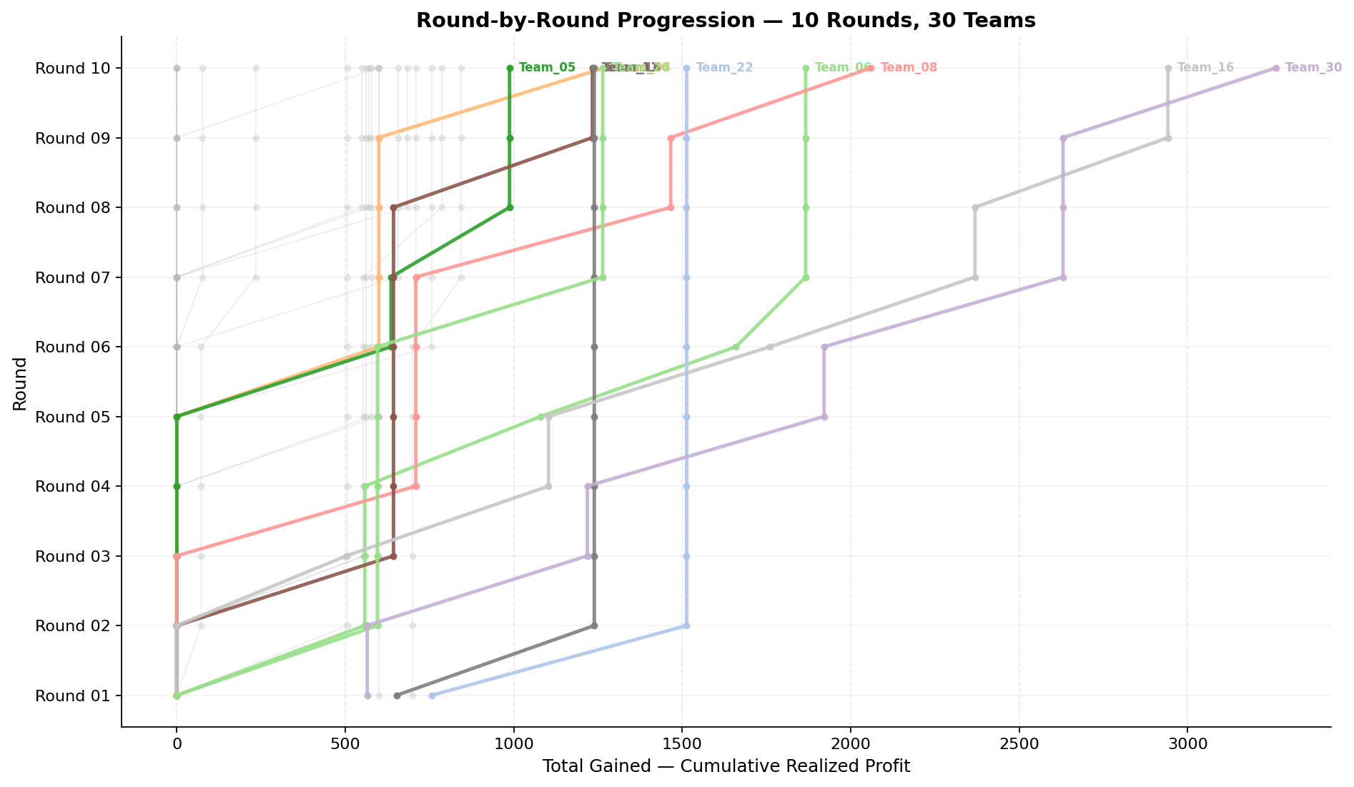
Cumulative profit progression per team across rounds (y=round, x=total gained)

Round 01
Round 01 Summary

run_no | market_capacity | solver | team_count | eligible_team_count | user_pool_count | infeasible_excluded_count | matched_user_count | unmatched_user_count | user_match_rate | feasible_submission_count | total_profit | total_utility | avg_profit | avg_utility | Team Product Assignments | round_realized_profit_total
1 | 8 | stable_gale_shapley | 30 | 5 | 40 | 25 | 40 | 0 | 1 | 5 | 17840.485143 | 414.50688717 | 594.6828381 | 13.816896239 | run_no | team_product | assigned_count | capacity | remaining_capacity | assigned_users
 |  |  |  |  |  |  |  |  |  |  |  |  |  |  | 1 | Team_03 | 8 | 8 | 0 | 34, 33, 7, 35, 3, 16, 17, 14
Leaderboard Rows |  |  |  |  |  |  |  |  |  |  |  |  |  |  | 1 | Team_15 | 8 | 8 | 0 | 19, 4, 1, 6, 38, 37, 23, 22
run_no | submission_order | team | player_name | num_suppliers | selected_suppliers | feasible | profit | utility | env_avg | social_avg | cost_avg | strategic_avg | improvement_avg | low_quality_avg | 1 | Team_22 | 8 | 8 | 0 | 13, 28, 5, 27, 21, 30, 39, 32 | realized_profit_round | cumulative_profit | cumulative_matched_users
1 | 1 | Team_20 | Team_20 | 5 | J,A,N,R,C | FALSE | 512.96 | 13.323989961 | 3.807 | 2.1978 | 3.588 | 2.8326 | 1.9084 | 0.2 | 1 | Team_27 | 8 | 8 | 0 | 20, 9, 24, 8, 15, 36, 18, 12 | 0 | 0 | 0
1 | 2 | Team_14 | Team_14 | 5 | I,N,J,L,K | FALSE | 600.784 | 13.548591768 | 3.399 | 2.2118 | 2.4902 | 2.4334 | 2.3468 | 0.4 | 1 | Team_30 | 8 | 8 | 0 | 29, 2, 26, 31, 40, 11, 10, 25 | 0 | 0 | 0
1 | 3 | Team_01 | Team_01 | 8 | M,J,Q,P,L,B,O,K | FALSE | 604.82 | 13.58987889 | 2.83975 | 2.878375 | 2.43975 | 2.268125 | 2.7985 | 0.625 | 2026-03-12T09:10:02 | FALSE | 0 |  | FALSE | infeasible | 0 | 0 | 0
1 | 4 | Team_22 | Team_22 | 1 | G | TRUE | 756.56 | 15.811704115 | 2.705 | 2.927 | 0.543 | 1.796 | 4.777 | 0 | 2026-03-12T09:10:03 | TRUE | 8 | 13, 21, 27, 28, 30, 32, 39, 5 | TRUE |  | 756.56 | 756.56 | 8
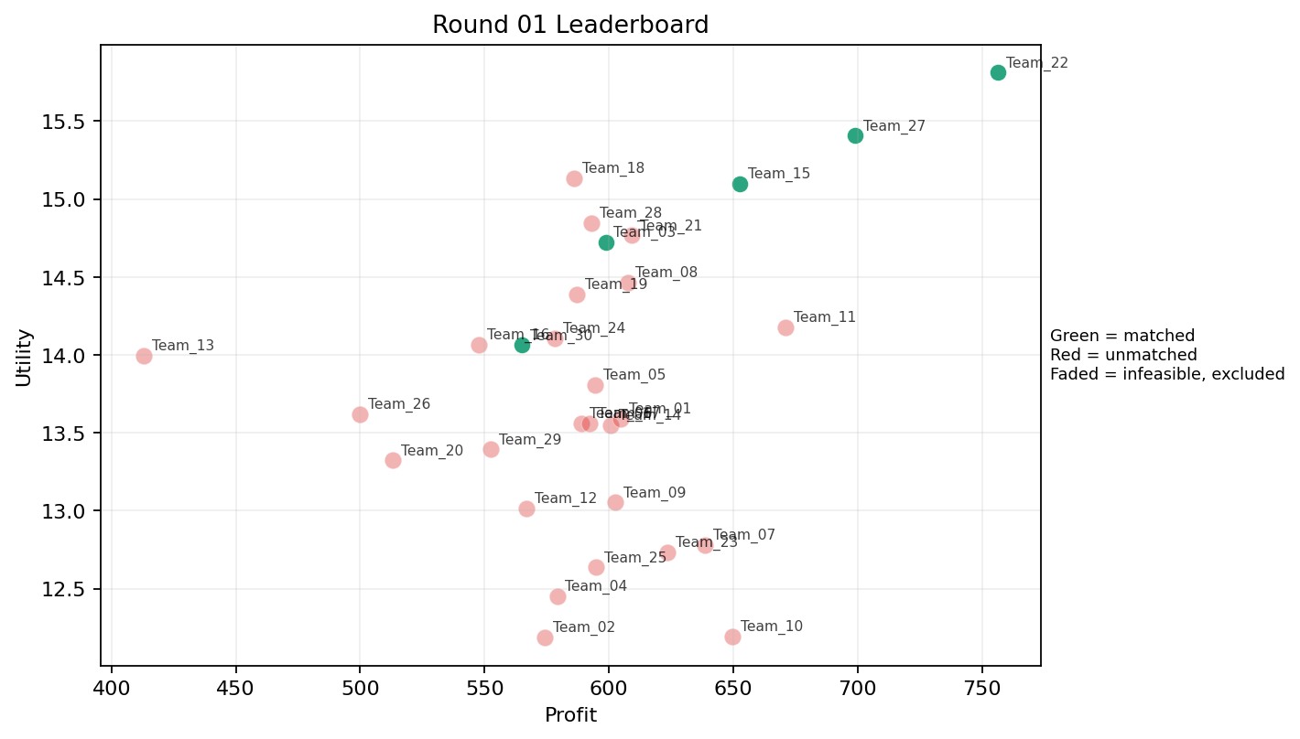
1 | 5 | Team_21 | Team_21 | 5 | J,G,E,C,F | FALSE | 609.152 | 14.767288292 | 2.7496 | 3.3548 | 2.3856 | 2.5826 | 3.4638 | 0.2 | 2026-03-12T09:10:04 | FALSE | 0 |  | FALSE | infeasible | 0 | 0 | 0
1 | 6 | Team_26 | Team_26 | 5 | I,R,N,B,C | FALSE | 499.776 | 13.621494138 | 3.5744 | 2.0696 | 3.7528 | 2.196 | 2.2864 | 0 | 2026-03-12T09:10:05 | FALSE | 0 |  | FALSE | infeasible | 0 | 0 | 0
1 | 7 | Team_15 | Team_15 | 2 | I,D | TRUE | 652.56 | 15.10040857 | 2.42 | 2.6235 | 1.843 | 1.6665 | 3.4615 | 0 | 2026-03-12T09:10:06 | TRUE | 8 | 1, 19, 22, 23, 37, 38, 4, 6 | TRUE |  | 652.56 | 652.56 | 8
1 | 8 | Team_24 | Team_24 | 6 | I,O,Q,C,J,N | FALSE | 578.24 | 14.108015956 | 2.6738333333 | 3.2545 | 2.772 | 2.3133333333 | 2.8403333333 | 0.16666666667 | 2026-03-12T09:10:07 | FALSE | 0 |  | FALSE | infeasible | 0 | 0 | 0
1 | 9 | Team_05 | Team_05 | 5 | C,J,F,L,E | FALSE | 594.512 | 13.806254229 | 3.0198 | 3.095 | 2.5686 | 2.634 | 2.7552 | 0.4 | 2026-03-12T09:10:08 | FALSE | 0 |  | FALSE | infeasible | 0 | 0 | 0
1 | 10 | Team_12 | Team_12 | 4 | C,N,D,P | FALSE | 566.96 | 13.01381964 | 3.43975 | 2.14575 | 2.913 | 2.10025 | 1.98025 | 0.25 | 2026-03-12T09:10:09 | FALSE | 0 |  | FALSE | infeasible | 0 | 0 | 0
1 | 11 | Team_16 | Team_16 | 6 | I,E,O,N,C,B | FALSE | 547.76 | 14.065107112 | 2.7003333333 | 3.1778333333 | 3.153 | 1.765 | 3.433 | 0.16666666667 | 2026-03-12T09:10:10 | FALSE | 0 |  | FALSE | infeasible | 0 | 0 | 0
1 | 12 | Team_07 | Team_07 | 2 | P,C | FALSE | 638.76 | 12.778652405 | 3.295 | 2.974 | 2.0155 | 3.044 | 1.549 | 0.5 | 2026-03-12T09:10:11 | FALSE | 0 |  | FALSE | infeasible | 0 | 0 | 0
1 | 13 | Team_29 | Team_29 | 8 | F,B,D,R,A,C,L,J | FALSE | 552.42 | 13.393952376 | 3.538375 | 2.307125 | 3.09475 | 2.37275 | 2.354125 | 0.25 | 2026-03-12T09:10:12 | FALSE | 0 |  | FALSE | infeasible | 0 | 0 | 0
1 | 14 | Team_13 | Team_13 | 1 | B | FALSE | 412.88 | 13.994652789 | 4.056 | 1.33 | 4.839 | 1.064 | 4 | 0 | 2026-03-12T09:10:13 | FALSE | 0 |  | FALSE | infeasible | 0 | 0 | 0
1 | 15 | Team_02 | Team_02 | 5 | N,F,K,L,A | FALSE | 574.08 | 12.188181121 | 3.0498 | 2.8962 | 2.824 | 1.831 | 2.1316 | 0.6 | 2026-03-12T09:10:14 | FALSE | 0 |  | FALSE | infeasible | 0 | 0 | 0
1 | 16 | Team_23 | Team_23 | 6 | K,L,G,C,R,I | FALSE | 623.53333333 | 12.734570598 | 3.5091666667 | 2.6926666667 | 2.2058333333 | 2.3871666667 | 2.1055 | 0.33333333333 | 2026-03-12T09:10:15 | FALSE | 0 |  | FALSE | infeasible | 0 | 0 | 0
1 | 17 | Team_25 | Team_25 | 4 | H,L,B,C | FALSE | 594.72 | 12.636287429 | 3.36375 | 2.925 | 2.566 | 2.01225 | 2.3915 | 0.25 | 2026-03-12T09:10:16 | FALSE | 0 |  | FALSE | infeasible | 0 | 0 | 0
1 | 18 | Team_19 | Team_19 | 6 | R,I,P,H,B,C | FALSE | 587.10666667 | 14.388632164 | 2.9928333333 | 2.5483333333 | 2.6611666667 | 2.6441666667 | 2.4443333333 | 0.16666666667 | 2026-03-12T09:10:17 | FALSE | 0 |  | FALSE | infeasible | 0 | 0 | 0
1 | 19 | Team_18 | Team_18 | 5 | B,D,O,P,J | FALSE | 586.128 | 15.134791625 | 3.1274 | 2.025 | 2.6734 | 2.3556 | 3.2866 | 0.2 | 2026-03-12T09:10:18 | FALSE | 0 |  | FALSE | infeasible | 0 | 0 | 0
1 | 20 | Team_10 | Team_10 | 4 | K,L,P,D | FALSE | 649.58 | 12.193250792 | 3.5395 | 2.10575 | 1.88025 | 2.149 | 1.81175 | 0.75 | 2026-03-12T09:10:19 | FALSE | 0 |  | FALSE | infeasible | 0 | 0 | 0
1 | 21 | Team_06 | Team_06 | 7 | M,D,C,I,K,J,B | FALSE | 589.00571429 | 13.559558623 | 3.1652857143 | 2.8751428571 | 2.6374285714 | 2.1368571429 | 2.9344285714 | 0.28571428571 | 2026-03-12T09:10:20 | FALSE | 0 |  | FALSE | infeasible | 0 | 0 | 0
1 | 22 | Team_11 | Team_11 | 7 | G,H,C,O,M,I,L | FALSE | 670.94857143 | 14.177979734 | 2.2637142857 | 3.6652857143 | 1.6131428571 | 2.0237142857 | 3.2804285714 | 0.28571428571 | 2026-03-12T09:10:21 | FALSE | 0 |  | FALSE | infeasible | 0 | 0 | 0
1 | 23 | Team_04 | Team_04 | 2 | Q,D | FALSE | 579.2 | 12.451239257 | 2.5685 | 3.286 | 2.76 | 1.408 | 2.5285 | 0.5 | 2026-03-12T09:10:22 | FALSE | 0 |  | FALSE | infeasible | 0 | 0 | 0
1 | 24 | Team_30 | Team_30 | 7 | O,C,R,F,G,M,N | TRUE | 565.00571429 | 14.062143029 | 2.7017142857 | 2.9937142857 | 2.9374285714 | 2.0637142857 | 2.8375714286 | 0.14285714286 | 2026-03-12T09:10:23 | TRUE | 8 | 10, 11, 2, 25, 26, 29, 31, 40 | TRUE |  | 565.00571429 | 565.00571429 | 8
1 | 25 | Team_03 | Team_03 | 7 | F,I,B,M,J,D,L | TRUE | 598.72 | 14.723 | 2.7384285714 | 2.5258571429 | 2.516 | 2.1041428571 | 3.2458571429 | 0.28571428571 | 2026-03-12T09:10:24 | TRUE | 8 | 14, 16, 17, 3, 33, 34, 35, 7 | TRUE |  | 598.72 | 598.72 | 8
1 | 26 | Team_27 | Team_27 | 3 | M,P,G | TRUE | 699.06666667 | 15.406565737 | 2.058 | 2.9583333333 | 1.2616666667 | 2.375 | 3.6323333333 | 0.66666666667 | 2026-03-12T09:10:25 | TRUE | 8 | 12, 15, 18, 20, 24, 36, 8, 9 | TRUE |  | 699.06666667 | 699.06666667 | 8
1 | 27 | Team_28 | Team_28 | 7 | H,J,B,L,R,M,I | FALSE | 592.85714286 | 14.844903706 | 2.9275714286 | 2.3655714286 | 2.5892857143 | 2.5877142857 | 2.876 | 0.28571428571 | 2026-03-12T09:10:26 | FALSE | 0 |  | FALSE | infeasible | 0 | 0 | 0
1 | 28 | Team_09 | Team_09 | 8 | A,K,I,O,Q,P,B,C | FALSE | 602.52 | 13.054116714 | 2.6735 | 3.52125 | 2.4685 | 2.06125 | 2.75275 | 0.5 | 2026-03-12T09:10:27 | FALSE | 0 |  | FALSE | infeasible | 0 | 0 | 0
1 | 29 | Team_17 | Team_17 | 5 | E,A,R,L,P | FALSE | 592.336 | 13.561166679 | 3.0964 | 2.394 | 2.5958 | 2.7242 | 2.2936 | 0.8 | 2026-03-12T09:10:28 | FALSE | 0 |  | FALSE | infeasible | 0 | 0 | 0
1 | 30 | Team_08 | Team_08 | 6 | O,A,F,E,I,Q | FALSE | 607.53333333 | 14.466689713 | 1.5896666667 | 4.2601666667 | 2.4058333333 | 1.9251666667 | 3.6613333333 | 0.5 | 2026-03-12T09:10:29 | FALSE | 0 |  | FALSE | infeasible | 0 | 0 | 0

Round 02
Round 02 Summary

run_no | market_capacity | solver | team_count | eligible_team_count | user_pool_count | infeasible_excluded_count | matched_user_count | unmatched_user_count | user_match_rate | feasible_submission_count | total_profit | total_utility | avg_profit | avg_utility | Team Product Assignments | round_realized_profit_total
2 | 8 | stable_gale_shapley | 30 | 7 | 40 | 23 | 40 | 0 | 1 | 7 | 18312.639333 | 414.77334321 | 610.42131111 | 13.825778107 | run_no | team_product | assigned_count | capacity | remaining_capacity | assigned_users
 |  |  |  |  |  |  |  |  |  |  |  |  |  |  | 2 | Team_01 | 1 | 8 | 7 | 11
Leaderboard Rows |  |  |  |  |  |  |  |  |  |  |  |  |  |  | 2 | Team_04 | 0 | 8 | 8
run_no | submission_order | team | player_name | num_suppliers | selected_suppliers | feasible | profit | utility | env_avg | social_avg | cost_avg | strategic_avg | improvement_avg | low_quality_avg | 2 | Team_06 | 8 | 8 | 0 | 9, 6, 20, 22, 34, 33, 36, 18 | realized_profit_round | cumulative_profit | cumulative_matched_users
2 | 1 | Team_15 | Team_15 | 4 | B,I,D,O | TRUE | 586.48 | 14.853456667 | 2.59375 | 2.737 | 2.669 | 1.4505 | 3.83075 | 0 | 2 | Team_15 | 8 | 8 | 0 | 19, 4, 1, 8, 24, 38, 23, 37 | 586.48 | 1239.04 | 16
2 | 2 | Team_03 | Team_03 | 6 | K,E,Q,G,C,O | FALSE | 616.46666667 | 12.730953859 | 2.6043333333 | 4.0953333333 | 2.2941666667 | 1.8938333333 | 3.1165 | 0.5 | 2 | Team_22 | 8 | 8 | 0 | 13, 28, 5, 27, 21, 30, 39, 32 | 0 | 598.72 | 8
2 | 3 | Team_12 | Team_12 | 8 | C,F,O,I,L,P,E,D | FALSE | 628.09 | 14.090641768 | 2.477125 | 3.1815 | 2.148875 | 2.119125 | 2.986125 | 0.375 | 2 | Team_23 | 7 | 8 | 1 | 3, 14, 29, 26, 40, 25, 10 | 0 | 0 | 0
2 | 4 | Team_27 | Team_27 | 7 | K,G,H,A,L,R,P | FALSE | 640.77714286 | 13.314693403 | 3.1065714286 | 2.6408571429 | 1.9902857143 | 2.5307142857 | 2.2384285714 | 0.57142857143 | 2 | Team_26 | 8 | 8 | 0 | 15, 7, 17, 35, 12, 16, 2, 31 | 0 | 699.06666667 | 8
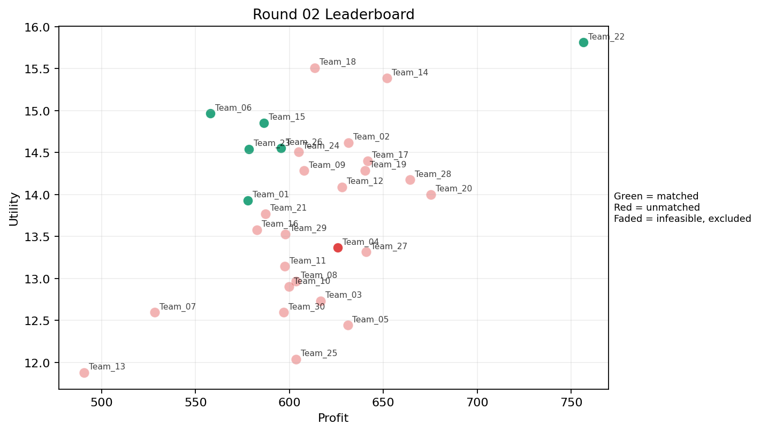
2 | 5 | Team_08 | Team_08 | 6 | B,K,L,D,G,E | FALSE | 603.50666667 | 12.967276931 | 3.3615 | 2.579 | 2.4561666667 | 1.6438333333 | 3.1706666667 | 0.5 | 2026-03-12T09:20:04 | FALSE | 0 |  | FALSE | infeasible | 0 | 0 | 0
2 | 6 | Team_22 | Team_22 | 1 | G | TRUE | 756.56 | 15.811704115 | 2.705 | 2.927 | 0.543 | 1.796 | 4.777 | 0 | 2026-03-12T09:20:05 | TRUE | 8 | 13, 21, 27, 28, 30, 32, 39, 5 | TRUE |  | 756.56 | 1513.12 | 16
2 | 7 | Team_01 | Team_01 | 6 | H,J,D,Q,N,A | TRUE | 577.77333333 | 13.930737235 | 2.7318333333 | 2.923 | 2.7778333333 | 2.2008333333 | 2.7501666667 | 0.33333333333 | 2026-03-12T09:20:06 | TRUE | 1 | 11 | TRUE |  | 72.221666667 | 72.221666667 | 1
2 | 8 | Team_20 | Team_20 | 3 | H,L,O | FALSE | 675.25333333 | 14.001225567 | 2.2476666667 | 3.4566666667 | 1.5593333333 | 1.9913333333 | 2.956 | 0.33333333333 | 2026-03-12T09:20:07 | FALSE | 0 |  | FALSE | infeasible | 0 | 0 | 0
2 | 9 | Team_02 | Team_02 | 1 | M | FALSE | 631.28 | 14.615865251 | 1.014 | 4.371 | 2.109 | 1.657 | 4.12 | 1 | 2026-03-12T09:20:08 | FALSE | 0 |  | FALSE | infeasible | 0 | 0 | 0
2 | 10 | Team_04 | Team_04 | 2 | F,L | TRUE | 625.76 | 13.36611305 | 2.6015 | 2.7575 | 2.178 | 2.024 | 2.234 | 0.5 | 2026-03-12T09:20:09 | TRUE | 0 |  | FALSE |  | 0 | 0 | 0
2 | 11 | Team_19 | Team_19 | 6 | G,Q,F,H,A,M | FALSE | 640.34666667 | 14.287045435 | 1.672 | 4.145 | 1.9956666667 | 1.9521666667 | 3.4331666667 | 0.5 | 2026-03-12T09:20:10 | FALSE | 0 |  | FALSE | infeasible | 0 | 0 | 0
2 | 12 | Team_07 | Team_07 | 3 | Q,B,A | FALSE | 528.16 | 12.594959188 | 2.6713333333 | 3.548 | 3.398 | 1.6043333333 | 3.078 | 0.66666666667 | 2026-03-12T09:20:11 | FALSE | 0 |  | FALSE | infeasible | 0 | 0 | 0
2 | 13 | Team_21 | Team_21 | 3 | A,Q,J | FALSE | 587.28 | 13.769221166 | 2.6713333333 | 3.5106666667 | 2.659 | 2.792 | 2.8146666667 | 0.66666666667 | 2026-03-12T09:20:12 | FALSE | 0 |  | FALSE | infeasible | 0 | 0 | 0
2 | 14 | Team_30 | Team_30 | 2 | D,A | FALSE | 596.84 | 12.595255161 | 3.0015 | 3 | 2.5395 | 1.4765 | 2.9115 | 0.5 | 2026-03-12T09:20:13 | FALSE | 0 |  | FALSE | infeasible | 0 | 565.00571429 | 8
2 | 15 | Team_24 | Team_24 | 5 | M,N,P,I,Q | FALSE | 604.752 | 14.511023281 | 1.9684 | 3.103 | 2.4406 | 2.1522 | 2.8908 | 0.6 | 2026-03-12T09:20:14 | FALSE | 0 |  | FALSE | infeasible | 0 | 0 | 0
2 | 16 | Team_06 | Team_06 | 5 | M,B,R,O,I | TRUE | 557.968 | 14.965984799 | 2.5304 | 2.7426 | 3.0254 | 2.0646 | 3.3708 | 0.2 | 2026-03-12T09:20:15 | TRUE | 8 | 18, 20, 22, 33, 34, 36, 6, 9 | TRUE |  | 557.968 | 557.968 | 8
2 | 17 | Team_16 | Team_16 | 5 | H,B,O,C,D | FALSE | 582.736 | 13.581670938 | 2.8938 | 3.2144 | 2.7158 | 1.6822 | 3.111 | 0 | 2026-03-12T09:20:16 | FALSE | 0 |  | FALSE | infeasible | 0 | 0 | 0
2 | 18 | Team_25 | Team_25 | 1 | A | FALSE | 603.44 | 12.039128291 | 2.412 | 4.371 | 2.457 | 1.943 | 3 | 1 | 2026-03-12T09:20:17 | FALSE | 0 |  | FALSE | infeasible | 0 | 0 | 0
2 | 19 | Team_13 | Team_13 | 2 | C,B | FALSE | 490.52 | 11.879914877 | 4.0955 | 2.8505 | 3.8685 | 1.74 | 2.549 | 0 | 2026-03-12T09:20:18 | FALSE | 0 |  | FALSE | infeasible | 0 | 0 | 0
2 | 20 | Team_28 | Team_28 | 7 | L,C,H,I,P,O,M | FALSE | 664.20571429 | 14.175183124 | 2.228 | 3.4724285714 | 1.6974285714 | 2.2917142857 | 2.8837142857 | 0.42857142857 | 2026-03-12T09:20:19 | FALSE | 0 |  | FALSE | infeasible | 0 | 0 | 0
2 | 21 | Team_29 | Team_29 | 8 | R,K,M,E,I,F,A,L | FALSE | 597.75 | 13.528457214 | 2.561625 | 3.23225 | 2.528125 | 2.223125 | 2.764 | 0.625 | 2026-03-12T09:20:20 | FALSE | 0 |  | FALSE | infeasible | 0 | 0 | 0
2 | 22 | Team_23 | Team_23 | 8 | A,B,I,P,N,F,D,O | TRUE | 578.37 | 14.539670853 | 2.495875 | 2.723625 | 2.770375 | 1.839375 | 3.194625 | 0.25 | 2026-03-12T09:20:21 | TRUE | 7 | 10, 14, 25, 26, 29, 3, 40 | TRUE |  | 506.07375 | 506.07375 | 7
2 | 23 | Team_10 | Team_10 | 4 | K,D,E,M | FALSE | 599.88 | 12.901659033 | 2.5915 | 3.49 | 2.5015 | 1.65175 | 3.28325 | 0.75 | 2026-03-12T09:20:22 | FALSE | 0 |  | FALSE | infeasible | 0 | 0 | 0
2 | 24 | Team_05 | Team_05 | 3 | Q,C,G | FALSE | 630.96 | 12.442659188 | 2.7953333333 | 4.0803333333 | 2.113 | 2.006 | 2.703 | 0.33333333333 | 2026-03-12T09:20:23 | FALSE | 0 |  | FALSE | infeasible | 0 | 0 | 0
2 | 25 | Team_09 | Team_09 | 6 | G,P,B,C,M,F | FALSE | 607.73333333 | 14.284203211 | 2.5853333333 | 3.0771666667 | 2.4033333333 | 2.1 | 3.2048333333 | 0.33333333333 | 2026-03-12T09:20:24 | FALSE | 0 |  | FALSE | infeasible | 0 | 0 | 0
2 | 26 | Team_17 | Team_17 | 2 | Q,I | FALSE | 641.52 | 14.400265796 | 1.3975 | 4.2805 | 1.981 | 2.0645 | 3.167 | 0.5 | 2026-03-12T09:20:25 | FALSE | 0 |  | FALSE | infeasible | 0 | 0 | 0
2 | 27 | Team_18 | Team_18 | 3 | P,E,F | FALSE | 613.38666667 | 15.511416501 | 1.769 | 3.2783333333 | 2.3326666667 | 2.582 | 3.4113333333 | 0.66666666667 | 2026-03-12T09:20:26 | FALSE | 0 |  | FALSE | infeasible | 0 | 0 | 0
2 | 28 | Team_14 | Team_14 | 3 | G,F,M | FALSE | 652 | 15.384420556 | 1.622 | 3.7283333333 | 1.85 | 1.816 | 4.0436666667 | 0.33333333333 | 2026-03-12T09:20:27 | FALSE | 0 |  | FALSE | infeasible | 0 | 0 | 0
2 | 29 | Team_11 | Team_11 | 7 | C,N,L,J,G,F,K | FALSE | 597.41714286 | 13.142299588 | 3.3904285714 | 2.6608571429 | 2.5322857143 | 2.293 | 2.3918571429 | 0.28571428571 | 2026-03-12T09:20:28 | FALSE | 0 |  | FALSE | infeasible | 0 | 0 | 0
2 | 30 | Team_26 | Team_26 | 6 | Q,J,H,N,P,D | TRUE | 595.42666667 | 14.556237161 | 2.739 | 2.4573333333 | 2.5571666667 | 2.489 | 2.5835 | 0.33333333333 | 2026-03-12T09:20:29 | TRUE | 8 | 12, 15, 16, 17, 2, 31, 35, 7 | TRUE |  | 595.42666667 | 595.42666667 | 8

Round 03
Round 03 Summary

run_no | market_capacity | solver | team_count | eligible_team_count | user_pool_count | infeasible_excluded_count | matched_user_count | unmatched_user_count | user_match_rate | feasible_submission_count | total_profit | total_utility | avg_profit | avg_utility | Team Product Assignments | round_realized_profit_total
3 | 8 | stable_gale_shapley | 30 | 5 | 40 | 25 | 40 | 0 | 1 | 5 | 17746.550952 | 411.55991671 | 591.55169841 | 13.71866389 | run_no | team_product | assigned_count | capacity | remaining_capacity | assigned_users
 |  |  |  |  |  |  |  |  |  |  |  |  |  |  | 3 | Team_11 | 8 | 8 | 0 | 21, 39, 9, 6, 20, 1, 8, 24
Leaderboard Rows |  |  |  |  |  |  |  |  |  |  |  |  |  |  | 3 | Team_13 | 8 | 8 | 0 | 38, 37, 22, 23, 33, 36, 18, 14
run_no | submission_order | team | player_name | num_suppliers | selected_suppliers | feasible | profit | utility | env_avg | social_avg | cost_avg | strategic_avg | improvement_avg | low_quality_avg | 3 | Team_16 | 8 | 8 | 0 | 29, 26, 40, 31, 2, 25, 10, 11 | realized_profit_round | cumulative_profit | cumulative_matched_users
3 | 1 | Team_04 | Team_04 | 6 | B,E,C,Q,M,P | FALSE | 575.41333333 | 13.489224781 | 2.4851666667 | 3.4938333333 | 2.8073333333 | 2.1156666667 | 3.0753333333 | 0.66666666667 | 3 | Team_17 | 8 | 8 | 0 | 13, 5, 27, 30, 28, 32, 19, 4 | 0 | 0 | 0
3 | 2 | Team_02 | Team_02 | 5 | H,Q,M,A,J | FALSE | 621.52 | 14.340462983 | 2.0472 | 3.8548 | 2.231 | 2.5098 | 3.1596 | 0.6 | 3 | Team_30 | 8 | 8 | 0 | 15, 34, 7, 17, 12, 35, 3, 16 | 0 | 0 | 0
3 | 3 | Team_26 | Team_26 | 8 | F,R,B,I,H,O,C,M | FALSE | 580.08 | 14.512447429 | 2.39275 | 3.29275 | 2.749 | 2.15625 | 3.0525 | 0.125 | 2026-03-12T09:30:02 | FALSE | 0 |  | FALSE | infeasible | 0 | 595.42666667 | 8
3 | 4 | Team_25 | Team_25 | 1 | O | FALSE | 627.92 | 15.218356739 | 1.479 | 4.371 | 2.151 | 1.405 | 4.4 | 0 | 2026-03-12T09:30:03 | FALSE | 0 |  | FALSE | infeasible | 0 | 0 | 0
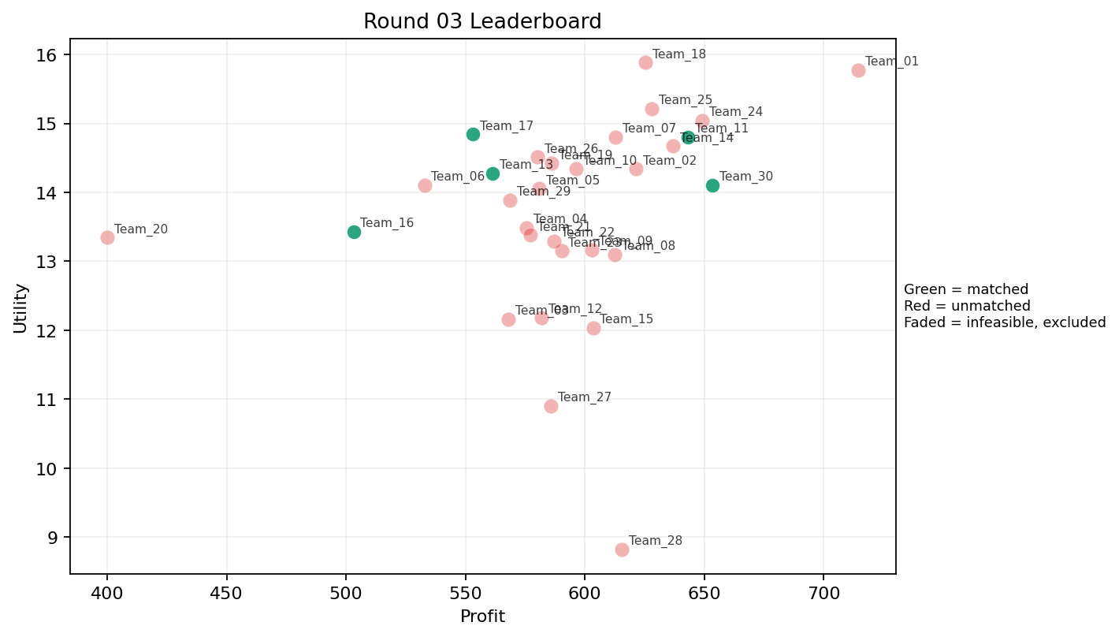
3 | 5 | Team_24 | Team_24 | 7 | K,F,P,M,I,H,J | FALSE | 649.10857143 | 15.043186413 | 2.1692857143 | 3.233 | 1.8861428571 | 2.6644285714 | 3.0125714286 | 0.42857142857 | 2026-03-12T09:30:04 | FALSE | 0 |  | FALSE | infeasible | 0 | 0 | 0
3 | 6 | Team_09 | Team_09 | 2 | J,K | FALSE | 602.8 | 13.170199109 | 4.056 | 2.4035 | 2.465 | 3.244 | 2.2 | 0.5 | 2026-03-12T09:30:05 | FALSE | 0 |  | FALSE | infeasible | 0 | 0 | 0
3 | 7 | Team_17 | Team_17 | 6 | G,R,F,O,N,E | TRUE | 553.04 | 14.845064723 | 2.578 | 2.7641666667 | 3.087 | 2.0753333333 | 3.2741666667 | 0.16666666667 | 2026-03-12T09:30:06 | TRUE | 8 | 13, 19, 27, 28, 30, 32, 4, 5 | TRUE |  | 553.04 | 553.04 | 8
3 | 8 | Team_12 | Team_12 | 7 | C,Q,K,H,A,D,B | FALSE | 581.81714286 | 12.186168889 | 3.0005714286 | 3.5148571429 | 2.7272857143 | 1.8022857143 | 2.5112857143 | 0.42857142857 | 2026-03-12T09:30:07 | FALSE | 0 |  | FALSE | infeasible | 0 | 0 | 0
3 | 9 | Team_27 | Team_27 | 2 | A,C | FALSE | 585.8 | 10.902152628 | 3.2735 | 4.371 | 2.6775 | 2.1795 | 2.049 | 0.5 | 2026-03-12T09:30:08 | FALSE | 0 |  | FALSE | infeasible | 0 | 699.06666667 | 8
3 | 10 | Team_18 | Team_18 | 5 | J,O,M,I,E | FALSE | 625.392 | 15.883505035 | 1.9006 | 3.5898 | 2.1826 | 2.4182 | 4.166 | 0.4 | 2026-03-12T09:30:09 | FALSE | 0 |  | FALSE | infeasible | 0 | 0 | 0
3 | 11 | Team_30 | Team_30 | 8 | I,H,K,M,P,G,R,L | TRUE | 653.52 | 14.103628236 | 2.699625 | 2.763 | 1.831 | 2.469 | 2.611125 | 0.5 | 2026-03-12T09:30:10 | TRUE | 8 | 12, 15, 16, 17, 3, 34, 35, 7 | TRUE |  | 653.52 | 1218.5257143 | 16
3 | 12 | Team_28 | Team_28 | 1 | K | FALSE | 615.36 | 8.8229594953 | 4.056 | 3.589 | 2.308 | 1.861 | 1.19 | 1 | 2026-03-12T09:30:11 | FALSE | 0 |  | FALSE | infeasible | 0 | 0 | 0
3 | 13 | Team_23 | Team_23 | 1 | D | FALSE | 590.24 | 13.151382031 | 3.591 | 1.629 | 2.622 | 1.01 | 2.823 | 0 | 2026-03-12T09:30:12 | FALSE | 0 |  | FALSE | infeasible | 0 | 506.07375 | 7
3 | 14 | Team_14 | Team_14 | 3 | O,I,Q | FALSE | 636.98666667 | 14.672962777 | 1.4246666667 | 4.3106666667 | 2.0376666667 | 1.8446666667 | 3.578 | 0.33333333333 | 2026-03-12T09:30:13 | FALSE | 0 |  | FALSE | infeasible | 0 | 0 | 0
3 | 15 | Team_29 | Team_29 | 6 | B,A,R,Q,P,H | FALSE | 568.53333333 | 13.884567614 | 2.7551666667 | 2.7691666667 | 2.8933333333 | 2.4791666667 | 2.4503333333 | 0.5 | 2026-03-12T09:30:14 | FALSE | 0 |  | FALSE | infeasible | 0 | 0 | 0
3 | 16 | Team_11 | Team_11 | 7 | A,P,B,G,I,D,H | TRUE | 643.12 | 14.802459478 | 2.5251428571 | 2.8318571429 | 1.961 | 2.0462857143 | 3.4191428571 | 0.28571428571 | 2026-03-12T09:30:15 | TRUE | 8 | 1, 20, 21, 24, 39, 6, 8, 9 | TRUE |  | 643.12 | 643.12 | 8
3 | 17 | Team_07 | Team_07 | 5 | C,P,F,O,J | FALSE | 612.768 | 14.803758515 | 2.6544 | 3.0848 | 2.3404 | 2.823 | 2.7884 | 0.2 | 2026-03-12T09:30:16 | FALSE | 0 |  | FALSE | infeasible | 0 | 0 | 0
3 | 18 | Team_08 | Team_08 | 7 | Q,O,F,P,M,K,C | FALSE | 612.62857143 | 13.098753583 | 2.2617142857 | 3.8727142857 | 2.3421428571 | 2.116 | 2.6108571429 | 0.57142857143 | 2026-03-12T09:30:17 | FALSE | 0 |  | FALSE | infeasible | 0 | 0 | 0
3 | 19 | Team_06 | Team_06 | 4 | I,A,B,N | FALSE | 532.82 | 14.107451977 | 2.82375 | 2.58125 | 3.33975 | 1.65825 | 3.275 | 0.25 | 2026-03-12T09:30:18 | FALSE | 0 |  | FALSE | infeasible | 0 | 557.968 | 8
3 | 20 | Team_16 | Team_16 | 4 | B,N,Q,M | TRUE | 503.1 | 13.42705156 | 2.5485 | 2.9125 | 3.71125 | 1.4575 | 3.0885 | 0.5 | 2026-03-12T09:30:19 | TRUE | 8 | 10, 11, 2, 25, 26, 29, 31, 40 | TRUE |  | 503.1 | 503.1 | 8
3 | 21 | Team_21 | Team_21 | 4 | N,M,P,C | FALSE | 577.22 | 13.379940444 | 2.7955 | 2.83125 | 2.78475 | 2.262 | 2.3045 | 0.5 | 2026-03-12T09:30:20 | FALSE | 0 |  | FALSE | infeasible | 0 | 0 | 0
3 | 22 | Team_15 | Team_15 | 1 | A | FALSE | 603.44 | 12.039128291 | 2.412 | 4.371 | 2.457 | 1.943 | 3 | 1 | 2026-03-12T09:30:21 | FALSE | 0 |  | FALSE | infeasible | 0 | 1239.04 | 16
3 | 23 | Team_22 | Team_22 | 6 | P,L,R,Q,J,C | FALSE | 587.02666667 | 13.29733132 | 3.517 | 2.2933333333 | 2.6621666667 | 3.0746666667 | 1.6683333333 | 0.5 | 2026-03-12T09:30:22 | FALSE | 0 |  | FALSE | infeasible | 0 | 1513.12 | 16
3 | 24 | Team_03 | Team_03 | 6 | C,D,O,R,K,A | FALSE | 568 | 12.158102938 | 3.4211666667 | 3.059 | 2.9 | 2.0848333333 | 2.1241666667 | 0.33333333333 | 2026-03-12T09:30:23 | FALSE | 0 |  | FALSE | infeasible | 0 | 598.72 | 8
3 | 25 | Team_01 | Team_01 | 1 | H | FALSE | 714.48 | 15.778786165 | 1.208 | 4.371 | 1.069 | 2.516 | 3.234 | 0 | 2026-03-12T09:30:24 | FALSE | 0 |  | FALSE | infeasible | 0 | 72.221666667 | 1
3 | 26 | Team_05 | Team_05 | 4 | N,E,G,A | FALSE | 580.68 | 14.05346337 | 2.6 | 3.16875 | 2.7415 | 1.78025 | 3.69425 | 0.5 | 2026-03-12T09:30:25 | FALSE | 0 |  | FALSE | infeasible | 0 | 0 | 0
3 | 27 | Team_19 | Team_19 | 8 | I,B,A,Q,P,R,E,H | FALSE | 586.09 | 14.421658768 | 2.435625 | 3.0755 | 2.673875 | 2.409625 | 2.97525 | 0.5 | 2026-03-12T09:30:26 | FALSE | 0 |  | FALSE | infeasible | 0 | 0 | 0
3 | 28 | Team_13 | Team_13 | 6 | P,Q,H,B,E,N | TRUE | 561.26666667 | 14.279947392 | 2.4246666667 | 2.933 | 2.9841666667 | 2.0733333333 | 3.078 | 0.5 | 2026-03-12T09:30:27 | TRUE | 8 | 14, 18, 22, 23, 33, 36, 37, 38 | TRUE |  | 561.26666667 | 561.26666667 | 8
3 | 29 | Team_20 | Team_20 | 1 | N | FALSE | 400.08 | 13.346591718 | 3.578 | 1.006 | 4.999 | 1.303 | 2 | 0 | 2026-03-12T09:30:28 | FALSE | 0 |  | FALSE | infeasible | 0 | 0 | 0
3 | 30 | Team_10 | Team_10 | 8 | M,Q,P,E,H,A,B,F | FALSE | 596.3 | 14.33922231 | 1.942875 | 3.652625 | 2.54625 | 2.0915 | 3.35275 | 0.625 | 2026-03-12T09:30:29 | FALSE | 0 |  | FALSE | infeasible | 0 | 0 | 0

Round 04
Round 04 Summary

run_no | market_capacity | solver | team_count | eligible_team_count | user_pool_count | infeasible_excluded_count | matched_user_count | unmatched_user_count | user_match_rate | feasible_submission_count | total_profit | total_utility | avg_profit | avg_utility | Team Product Assignments | round_realized_profit_total
4 | 8 | stable_gale_shapley | 30 | 3 | 40 | 27 | 24 | 16 | 0.6 | 3 | 17911.134476 | 410.71569338 | 597.03781587 | 13.690523113 | run_no | team_product | assigned_count | capacity | remaining_capacity | assigned_users
 |  |  |  |  |  |  |  |  |  |  |  |  |  |  | 4 | Team_08 | 8 | 8 | 0 | 13, 27, 30, 5, 15, 20, 9, 19
Leaderboard Rows |  |  |  |  |  |  |  |  |  |  |  |  |  |  | 4 | Team_16 | 8 | 8 | 0 | 28, 21, 39, 32, 8, 4, 24, 23
run_no | submission_order | team | player_name | num_suppliers | selected_suppliers | feasible | profit | utility | env_avg | social_avg | cost_avg | strategic_avg | improvement_avg | low_quality_avg | 4 | Team_25 | 8 | 8 | 0 | 1, 6, 38, 7, 22, 34, 17, 12 | realized_profit_round | cumulative_profit | cumulative_matched_users
4 | 1 | Team_23 | Team_23 | 5 | L,C,G,H,D | FALSE | 662.56 | 13.102716615 | 3.139 | 2.9852 | 1.718 | 1.9582 | 2.6332 | 0.2 | 2026-03-12T09:40:00 | FALSE | 0 |  | FALSE | infeasible | 0 | 506.07375 | 7
4 | 2 | Team_19 | Team_19 | 1 | C | FALSE | 568.16 | 9.7651769649 | 4.135 | 4.371 | 2.898 | 2.416 | 1.098 | 0 | 2026-03-12T09:40:01 | FALSE | 0 |  | FALSE | infeasible | 0 | 0 | 0
4 | 3 | Team_25 | Team_25 | 1 | P | TRUE | 709.36 | 15.792127845 | 2.455 | 1.577 | 1.133 | 3.672 | 2 | 1 | 2026-03-12T09:40:02 | TRUE | 8 | 1, 12, 17, 22, 34, 38, 6, 7 | TRUE |  | 709.36 | 709.36 | 8
4 | 4 | Team_22 | Team_22 | 8 | F,B,R,I,Q,O,A,P | FALSE | 575.96 | 14.440262958 | 2.39975 | 3.015 | 2.8005 | 2.26025 | 2.90025 | 0.375 | 2026-03-12T09:40:03 | FALSE | 0 |  | FALSE | infeasible | 0 | 1513.12 | 16
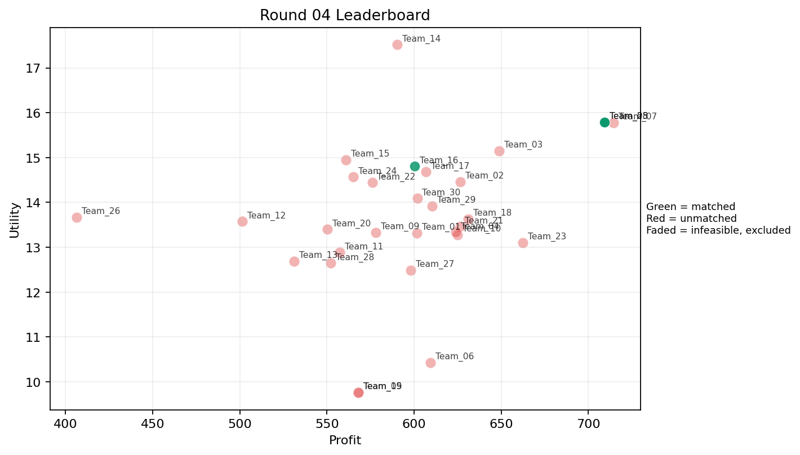
4 | 5 | Team_07 | Team_07 | 1 | H | FALSE | 714.48 | 15.778786165 | 1.208 | 4.371 | 1.069 | 2.516 | 3.234 | 0 | 2026-03-12T09:40:04 | FALSE | 0 |  | FALSE | infeasible | 0 | 0 | 0
4 | 6 | Team_17 | Team_17 | 4 | H,P,D,B | FALSE | 606.74 | 14.679237208 | 2.8275 | 2.22675 | 2.41575 | 2.0655 | 3.01425 | 0.25 | 2026-03-12T09:40:05 | FALSE | 0 |  | FALSE | infeasible | 0 | 553.04 | 8
4 | 7 | Team_06 | Team_06 | 2 | A,K | FALSE | 609.4 | 10.431043893 | 3.234 | 3.98 | 2.3825 | 1.902 | 2.095 | 1 | 2026-03-12T09:40:06 | FALSE | 0 |  | FALSE | infeasible | 0 | 557.968 | 8
4 | 8 | Team_01 | Team_01 | 6 | F,K,O,H,L,N | FALSE | 601.56 | 13.316486703 | 2.5873333333 | 3.142 | 2.4805 | 1.8555 | 2.5486666667 | 0.33333333333 | 2026-03-12T09:40:07 | FALSE | 0 |  | FALSE | infeasible | 0 | 72.221666667 | 1
4 | 9 | Team_15 | Team_15 | 3 | H,N,F | FALSE | 560.90666667 | 14.950356729 | 1.9776666667 | 3.088 | 2.9886666667 | 1.938 | 2.8226666667 | 0 | 2026-03-12T09:40:08 | FALSE | 0 |  | FALSE | infeasible | 0 | 1239.04 | 16
4 | 10 | Team_26 | Team_26 | 2 | N,B | FALSE | 406.48 | 13.670622254 | 3.817 | 1.168 | 4.919 | 1.1835 | 3 | 0 | 2026-03-12T09:40:09 | FALSE | 0 |  | FALSE | infeasible | 0 | 595.42666667 | 8
4 | 11 | Team_08 | Team_08 | 1 | P | TRUE | 709.36 | 15.792127845 | 2.455 | 1.577 | 1.133 | 3.672 | 2 | 1 | 2026-03-12T09:40:10 | TRUE | 8 | 13, 15, 19, 20, 27, 30, 5, 9 | TRUE |  | 709.36 | 709.36 | 8
4 | 12 | Team_24 | Team_24 | 6 | J,H,R,I,C,N | FALSE | 565.12 | 14.568173798 | 3.18 | 2.4345 | 2.936 | 2.8431666667 | 2.3126666667 | 0 | 2026-03-12T09:40:11 | FALSE | 0 |  | FALSE | infeasible | 0 | 0 | 0
4 | 13 | Team_02 | Team_02 | 8 | I,P,F,C,G,Q,H,B | FALSE | 626.58 | 14.458583972 | 2.312625 | 3.378 | 2.16775 | 2.1985 | 3.084625 | 0.25 | 2026-03-12T09:40:12 | FALSE | 0 |  | FALSE | infeasible | 0 | 0 | 0
4 | 14 | Team_27 | Team_27 | 2 | C,O | FALSE | 598.04 | 12.491766852 | 2.807 | 4.371 | 2.5245 | 1.9105 | 2.749 | 0 | 2026-03-12T09:40:13 | FALSE | 0 |  | FALSE | infeasible | 0 | 699.06666667 | 8
4 | 15 | Team_11 | Team_11 | 8 | K,Q,P,C,N,M,E,R | FALSE | 557.24 | 12.882732653 | 2.917875 | 3.031375 | 3.0345 | 2.3335 | 2.2345 | 0.625 | 2026-03-12T09:40:14 | FALSE | 0 |  | FALSE | infeasible | 0 | 643.12 | 8
4 | 16 | Team_28 | Team_28 | 5 | D,Q,R,M,C | FALSE | 552.144 | 12.647026968 | 3.028 | 3.0674 | 3.0982 | 2.1526 | 2.1018 | 0.4 | 2026-03-12T09:40:15 | FALSE | 0 |  | FALSE | infeasible | 0 | 0 | 0
4 | 17 | Team_30 | Team_30 | 6 | P,K,I,D,F,B | FALSE | 601.81333333 | 14.089374929 | 2.759 | 2.605 | 2.4773333333 | 1.9875 | 2.8911666667 | 0.33333333333 | 2026-03-12T09:40:16 | FALSE | 0 |  | FALSE | infeasible | 0 | 1218.5257143 | 16
4 | 18 | Team_03 | Team_03 | 4 | A,P,F,I | FALSE | 648.96 | 15.151595887 | 1.81575 | 3.36325 | 1.888 | 2.48325 | 3.0835 | 0.5 | 2026-03-12T09:40:17 | FALSE | 0 |  | FALSE | infeasible | 0 | 598.72 | 8
4 | 19 | Team_18 | Team_18 | 3 | E,I,K | FALSE | 630.96 | 13.629607986 | 2.3366666667 | 3.8593333333 | 2.113 | 2.0876666667 | 3.43 | 0.66666666667 | 2026-03-12T09:40:18 | FALSE | 0 |  | FALSE | infeasible | 0 | 0 | 0
4 | 20 | Team_29 | Team_29 | 4 | D,F,I,C | FALSE | 610.36 | 13.922921602 | 2.5305 | 3.37625 | 2.3705 | 1.936 | 2.81375 | 0 | 2026-03-12T09:40:19 | FALSE | 0 |  | FALSE | infeasible | 0 | 0 | 0
4 | 21 | Team_21 | Team_21 | 7 | Q,D,C,L,O,G,J | FALSE | 626.37714286 | 13.460241265 | 3.0811428571 | 3.0124285714 | 2.1702857143 | 2.159 | 2.8251428571 | 0.28571428571 | 2026-03-12T09:40:20 | FALSE | 0 |  | FALSE | infeasible | 0 | 0 | 0
4 | 22 | Team_10 | Team_10 | 8 | K,R,O,I,C,G,M,L | FALSE | 625.05 | 13.280205698 | 2.9435 | 3.11225 | 2.186875 | 2.173125 | 2.644125 | 0.375 | 2026-03-12T09:40:21 | FALSE | 0 |  | FALSE | infeasible | 0 | 0 | 0
4 | 23 | Team_09 | Team_09 | 7 | C,H,M,R,I,N,K | FALSE | 578.16 | 13.332918402 | 2.8705714286 | 3.0498571429 | 2.773 | 2.2785714286 | 2.2822857143 | 0.28571428571 | 2026-03-12T09:40:22 | FALSE | 0 |  | FALSE | infeasible | 0 | 0 | 0
4 | 24 | Team_20 | Team_20 | 8 | Q,J,N,B,K,L,F,E | FALSE | 550.11 | 13.397674333 | 3.025 | 2.7465 | 3.123625 | 2.0985 | 2.76275 | 0.5 | 2026-03-12T09:40:23 | FALSE | 0 |  | FALSE | infeasible | 0 | 0 | 0
4 | 25 | Team_13 | Team_13 | 6 | B,Q,A,C,M,R | FALSE | 531.13333333 | 12.686255648 | 3.0028333333 | 3.2348333333 | 3.3608333333 | 2.1266666667 | 2.4476666667 | 0.5 | 2026-03-12T09:40:24 | FALSE | 0 |  | FALSE | infeasible | 0 | 561.26666667 | 8
4 | 26 | Team_12 | Team_12 | 2 | D,B | FALSE | 501.56 | 13.57301741 | 3.8235 | 1.4795 | 3.7305 | 1.037 | 3.4115 | 0 | 2026-03-12T09:40:25 | FALSE | 0 |  | FALSE | infeasible | 0 | 0 | 0
4 | 27 | Team_04 | Team_04 | 7 | K,H,A,P,N,Q,G | FALSE | 623.92 | 13.33462773 | 2.5657142857 | 3.2548571429 | 2.201 | 2.1281428571 | 2.6335714286 | 0.57142857143 | 2026-03-12T09:40:26 | FALSE | 0 |  | FALSE | infeasible | 0 | 0 | 0
4 | 28 | Team_16 | Team_16 | 3 | G,B,M | TRUE | 600.24 | 14.807407385 | 2.5916666667 | 2.876 | 2.497 | 1.5056666667 | 4.299 | 0.33333333333 | 2026-03-12T09:40:27 | TRUE | 8 | 21, 23, 24, 28, 32, 39, 4, 8 | TRUE |  | 600.24 | 1103.34 | 16
4 | 29 | Team_05 | Team_05 | 1 | C | FALSE | 568.16 | 9.7651769649 | 4.135 | 4.371 | 2.898 | 2.416 | 1.098 | 0 | 2026-03-12T09:40:28 | FALSE | 0 |  | FALSE | infeasible | 0 | 0 | 0
4 | 30 | Team_14 | Team_14 | 1 | J | FALSE | 590.24 | 17.517438723 | 4.056 | 1.218 | 2.622 | 4.627 | 3.21 | 0 | 2026-03-12T09:40:29 | FALSE | 0 |  | FALSE | infeasible | 0 | 0 | 0

Round 05
Round 05 Summary

run_no | market_capacity | solver | team_count | eligible_team_count | user_pool_count | infeasible_excluded_count | matched_user_count | unmatched_user_count | user_match_rate | feasible_submission_count | total_profit | total_utility | avg_profit | avg_utility | Team Product Assignments | round_realized_profit_total
5 | 8 | stable_gale_shapley | 30 | 4 | 40 | 26 | 32 | 8 | 0.8 | 4 | 17697.720857 | 409.58796488 | 589.92402857 | 13.652932163 | run_no | team_product | assigned_count | capacity | remaining_capacity | assigned_users
 |  |  |  |  |  |  |  |  |  |  |  |  |  |  | 5 | Team_06 | 8 | 8 | 0 | 28, 21, 39, 32, 8, 38, 24, 1
Leaderboard Rows |  |  |  |  |  |  |  |  |  |  |  |  |  |  | 5 | Team_19 | 8 | 8 | 0 | 37, 22, 23, 34, 33, 36, 18, 35
run_no | submission_order | team | player_name | num_suppliers | selected_suppliers | feasible | profit | utility | env_avg | social_avg | cost_avg | strategic_avg | improvement_avg | low_quality_avg | 5 | Team_20 | 8 | 8 | 0 | 13, 5, 27, 30, 19, 4, 6, 9 | realized_profit_round | cumulative_profit | cumulative_matched_users
5 | 1 | Team_12 | Team_12 | 5 | K,J,G,M,A | FALSE | 639.376 | 13.761419175 | 2.8486 | 3.2952 | 2.0078 | 2.3768 | 3.2594 | 0.6 | 5 | Team_30 | 8 | 8 | 0 | 15, 20, 7, 17, 12, 16, 14, 3 | 0 | 0 | 0
5 | 2 | Team_25 | Team_25 | 4 | M,H,B,Q | FALSE | 581.7 | 14.035100172 | 1.956 | 3.75375 | 2.72875 | 1.76075 | 3.397 | 0.5 | 2026-03-12T09:50:01 | FALSE | 0 |  | FALSE | infeasible | 0 | 709.36 | 8
5 | 3 | Team_05 | Team_05 | 5 | J,M,C,A,B | FALSE | 561.2 | 13.586452404 | 3.1346 | 3.1322 | 2.985 | 2.3414 | 3.0856 | 0.4 | 2026-03-12T09:50:02 | FALSE | 0 |  | FALSE | infeasible | 0 | 0 | 0
5 | 4 | Team_16 | Team_16 | 4 | Q,K,B,G | FALSE | 588.24 | 12.595103221 | 3.09075 | 3.19725 | 2.647 | 1.63175 | 3.05025 | 0.5 | 2026-03-12T09:50:03 | FALSE | 0 |  | FALSE | infeasible | 0 | 1103.34 | 16
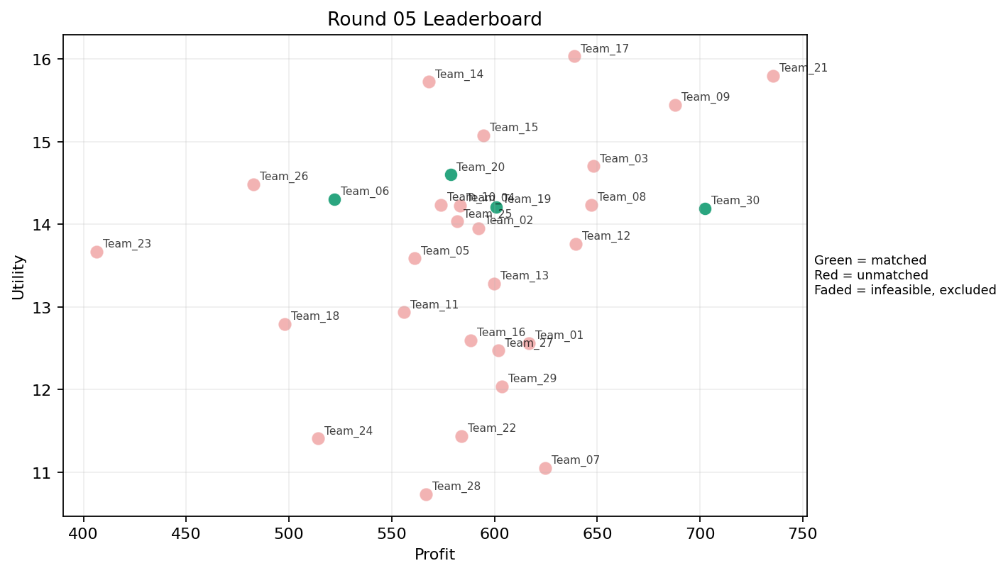
5 | 5 | Team_24 | Team_24 | 2 | K,B | FALSE | 514.12 | 11.408806142 | 4.056 | 2.4595 | 3.5735 | 1.4625 | 2.595 | 0.5 | 2026-03-12T09:50:04 | FALSE | 0 |  | FALSE | infeasible | 0 | 0 | 0
5 | 6 | Team_29 | Team_29 | 1 | A | FALSE | 603.44 | 12.039128291 | 2.412 | 4.371 | 2.457 | 1.943 | 3 | 1 | 2026-03-12T09:50:05 | FALSE | 0 |  | FALSE | infeasible | 0 | 0 | 0
5 | 7 | Team_08 | Team_08 | 8 | J,P,C,Q,L,I,H,O | FALSE | 647.07 | 14.234868978 | 2.523 | 3.262125 | 1.911625 | 2.60225 | 2.68875 | 0.375 | 2026-03-12T09:50:06 | FALSE | 0 |  | FALSE | infeasible | 0 | 709.36 | 8
5 | 8 | Team_17 | Team_17 | 2 | I,E | FALSE | 638.76 | 16.032932232 | 1.477 | 3.9945 | 2.0155 | 2.201 | 4.55 | 0.5 | 2026-03-12T09:50:07 | FALSE | 0 |  | FALSE | infeasible | 0 | 553.04 | 8
5 | 9 | Team_02 | Team_02 | 4 | B,L,P,E | FALSE | 592.06 | 13.952435946 | 3.068 | 2.2265 | 2.59925 | 2.217 | 3.0585 | 0.75 | 2026-03-12T09:50:08 | FALSE | 0 |  | FALSE | infeasible | 0 | 0 | 0
5 | 10 | Team_11 | Team_11 | 7 | L,E,K,B,O,D,N | FALSE | 556.06857143 | 12.936700846 | 3.2172857143 | 2.5605714286 | 3.0491428571 | 1.5392857143 | 2.9495714286 | 0.42857142857 | 2026-03-12T09:50:09 | FALSE | 0 |  | FALSE | infeasible | 0 | 643.12 | 8
5 | 11 | Team_14 | Team_14 | 1 | F | FALSE | 568.16 | 15.725692303 | 1.147 | 3.887 | 2.898 | 1.995 | 3.234 | 0 | 2026-03-12T09:50:10 | FALSE | 0 |  | FALSE | infeasible | 0 | 0 | 0
5 | 12 | Team_10 | Team_10 | 8 | G,P,B,R,N,A,D,H | FALSE | 573.74 | 14.233248383 | 3.107375 | 2.15425 | 2.82825 | 2.14725 | 2.7585 | 0.25 | 2026-03-12T09:50:11 | FALSE | 0 |  | FALSE | infeasible | 0 | 0 | 0
5 | 13 | Team_30 | Team_30 | 3 | L,H,P | TRUE | 702.4 | 14.192482602 | 2.573 | 2.5253333333 | 1.22 | 2.747 | 2.156 | 0.66666666667 | 2026-03-12T09:50:12 | TRUE | 8 | 12, 14, 15, 16, 17, 20, 3, 7 | TRUE |  | 702.4 | 1920.9257143 | 24
5 | 14 | Team_06 | Team_06 | 2 | B,M | TRUE | 522.08 | 14.30525902 | 2.535 | 2.8505 | 3.474 | 1.3605 | 4.06 | 0.5 | 2026-03-12T09:50:13 | TRUE | 8 | 1, 21, 24, 28, 32, 38, 39, 8 | TRUE |  | 522.08 | 1080.048 | 16
5 | 15 | Team_27 | Team_27 | 8 | A,L,C,O,K,H,B,D | FALSE | 601.98 | 12.472122034 | 3.124125 | 3.2075 | 2.47525 | 1.7835 | 2.622375 | 0.375 | 2026-03-12T09:50:14 | FALSE | 0 |  | FALSE | infeasible | 0 | 699.06666667 | 8
5 | 16 | Team_21 | Team_21 | 2 | G,H | FALSE | 735.52 | 15.79524514 | 1.9565 | 3.649 | 0.806 | 2.156 | 4.0055 | 0 | 2026-03-12T09:50:15 | FALSE | 0 |  | FALSE | infeasible | 0 | 0 | 0
5 | 17 | Team_01 | Team_01 | 6 | E,L,A,H,Q,C | FALSE | 616.70666667 | 12.559525176 | 2.5103333333 | 4.0091666667 | 2.2911666667 | 2.1355 | 2.6333333333 | 0.66666666667 | 2026-03-12T09:50:16 | FALSE | 0 |  | FALSE | infeasible | 0 | 72.221666667 | 1
5 | 18 | Team_03 | Team_03 | 8 | I,O,E,P,L,A,F,H | FALSE | 648.03 | 14.7033112 | 1.963875 | 3.52425 | 1.899625 | 2.24825 | 3.27525 | 0.5 | 2026-03-12T09:50:17 | FALSE | 0 |  | FALSE | infeasible | 0 | 598.72 | 8
5 | 19 | Team_20 | Team_20 | 8 | E,J,D,R,M,F,I,C | TRUE | 578.56 | 14.599129231 | 2.718875 | 2.936 | 2.768 | 2.497625 | 2.977375 | 0.25 | 2026-03-12T09:50:18 | TRUE | 8 | 13, 19, 27, 30, 4, 5, 6, 9 | TRUE |  | 578.56 | 578.56 | 8
5 | 20 | Team_28 | Team_28 | 4 | N,C,K,L | FALSE | 566.74 | 10.735315494 | 3.95625 | 2.6485 | 2.91575 | 1.90825 | 1.3805 | 0.5 | 2026-03-12T09:50:19 | FALSE | 0 |  | FALSE | infeasible | 0 | 0 | 0
5 | 21 | Team_04 | Team_04 | 5 | Q,E,O,G,N | FALSE | 583.072 | 14.228835682 | 2.2026 | 3.5236 | 2.7116 | 1.6778 | 3.6822 | 0.4 | 2026-03-12T09:50:20 | FALSE | 0 |  | FALSE | infeasible | 0 | 0 | 0
5 | 22 | Team_09 | Team_09 | 5 | P,M,O,G,H | FALSE | 687.92 | 15.443368023 | 1.7722 | 3.5234 | 1.401 | 2.2092 | 3.7062 | 0.4 | 2026-03-12T09:50:21 | FALSE | 0 |  | FALSE | infeasible | 0 | 0 | 0
5 | 23 | Team_07 | Team_07 | 4 | M,K,L,C | FALSE | 624.54 | 11.052633877 | 3.31525 | 3.48975 | 2.19325 | 1.99675 | 1.9105 | 0.75 | 2026-03-12T09:50:22 | FALSE | 0 |  | FALSE | infeasible | 0 | 0 | 0
5 | 24 | Team_19 | Team_19 | 8 | J,O,Q,D,L,M,N,I | TRUE | 600.77 | 14.207087481 | 2.571125 | 2.848 | 2.490375 | 2.023 | 3.015125 | 0.375 | 2026-03-12T09:50:23 | TRUE | 8 | 18, 22, 23, 33, 34, 35, 36, 37 | TRUE |  | 600.77 | 600.77 | 8
5 | 25 | Team_15 | Team_15 | 7 | Q,F,R,H,E,J,G | FALSE | 594.73142857 | 15.078965894 | 2.4601428571 | 3.1057142857 | 2.5658571429 | 2.6704285714 | 3.1318571429 | 0.28571428571 | 2026-03-12T09:50:24 | FALSE | 0 |  | FALSE | infeasible | 0 | 1239.04 | 16
5 | 26 | Team_18 | Team_18 | 4 | N,K,B,E | FALSE | 497.74 | 12.795158339 | 3.34875 | 2.574 | 3.77825 | 1.57675 | 3.0475 | 0.5 | 2026-03-12T09:50:25 | FALSE | 0 |  | FALSE | infeasible | 0 | 0 | 0
5 | 27 | Team_22 | Team_22 | 3 | F,K,C | FALSE | 583.89333333 | 11.437942921 | 3.1126666667 | 3.949 | 2.7013333333 | 2.0906666667 | 1.8406666667 | 0.33333333333 | 2026-03-12T09:50:26 | FALSE | 0 |  | FALSE | infeasible | 0 | 1513.12 | 16
5 | 28 | Team_23 | Team_23 | 2 | B,N | FALSE | 406.48 | 13.670622254 | 3.817 | 1.168 | 4.919 | 1.1835 | 3 | 0 | 2026-03-12T09:50:27 | FALSE | 0 |  | FALSE | infeasible | 0 | 506.07375 | 7
5 | 29 | Team_26 | Team_26 | 2 | R,E | FALSE | 482.76 | 14.484021733 | 3.2795 | 2.197 | 3.9655 | 2.9765 | 2.617 | 0.5 | 2026-03-12T09:50:28 | FALSE | 0 |  | FALSE | infeasible | 0 | 595.42666667 | 8
5 | 30 | Team_13 | Team_13 | 7 | O,E,M,K,C,J,A | FALSE | 599.86285714 | 13.285050688 | 2.6938571429 | 3.8088571429 | 2.5017142857 | 2.284 | 3.1454285714 | 0.57142857143 | 2026-03-12T09:50:29 | FALSE | 0 |  | FALSE | infeasible | 0 | 561.26666667 | 8

Round 06
Round 06 Summary

run_no | market_capacity | solver | team_count | eligible_team_count | user_pool_count | infeasible_excluded_count | matched_user_count | unmatched_user_count | user_match_rate | feasible_submission_count | total_profit | total_utility | avg_profit | avg_utility | Team Product Assignments | round_realized_profit_total
6 | 8 | stable_gale_shapley | 30 | 5 | 40 | 25 | 40 | 0 | 1 | 5 | 17632.994952 | 420.26344815 | 587.76649841 | 14.008781605 | run_no | team_product | assigned_count | capacity | remaining_capacity | assigned_users
 |  |  |  |  |  |  |  |  |  |  |  |  |  |  | 6 | Team_04 | 8 | 8 | 0 | 27, 19, 4, 6, 1, 38, 37, 23
Leaderboard Rows |  |  |  |  |  |  |  |  |  |  |  |  |  |  | 6 | Team_05 | 8 | 8 | 0 | 20, 15, 8, 24, 22, 36, 12, 18
run_no | submission_order | team | player_name | num_suppliers | selected_suppliers | feasible | profit | utility | env_avg | social_avg | cost_avg | strategic_avg | improvement_avg | low_quality_avg | 6 | Team_06 | 8 | 8 | 0 | 34, 33, 35, 3, 7, 17, 16, 14 | realized_profit_round | cumulative_profit | cumulative_matched_users
6 | 1 | Team_08 | Team_08 | 3 | N,K,F | FALSE | 527.86666667 | 12.631747839 | 2.927 | 2.8273333333 | 3.4016666667 | 1.7196666667 | 2.1413333333 | 0.33333333333 | 6 | Team_09 | 8 | 8 | 0 | 13, 28, 5, 21, 30, 39, 32, 9 | 0 | 709.36 | 8
6 | 2 | Team_19 | Team_19 | 5 | J,F,E,B,D | FALSE | 544.832 | 15.08111904 | 2.911 | 2.487 | 3.1896 | 2.155 | 3.6534 | 0.2 | 6 | Team_16 | 8 | 8 | 0 | 29, 26, 31, 2, 40, 11, 25, 10 | 0 | 600.77 | 8
6 | 3 | Team_11 | Team_11 | 5 | J,C,G,R,F | FALSE | 577.2 | 14.554325243 | 3.3794 | 2.4852 | 2.785 | 2.9416 | 2.5106 | 0 | 2026-03-12T10:00:02 | FALSE | 0 |  | FALSE | infeasible | 0 | 643.12 | 8
6 | 4 | Team_05 | Team_05 | 2 | P,E | TRUE | 636 | 15.4042786 | 2.08 | 2.974 | 2.05 | 2.8755 | 3.5 | 1 | 2026-03-12T10:00:03 | TRUE | 8 | 12, 15, 18, 20, 22, 24, 36, 8 | TRUE |  | 636 | 636 | 8
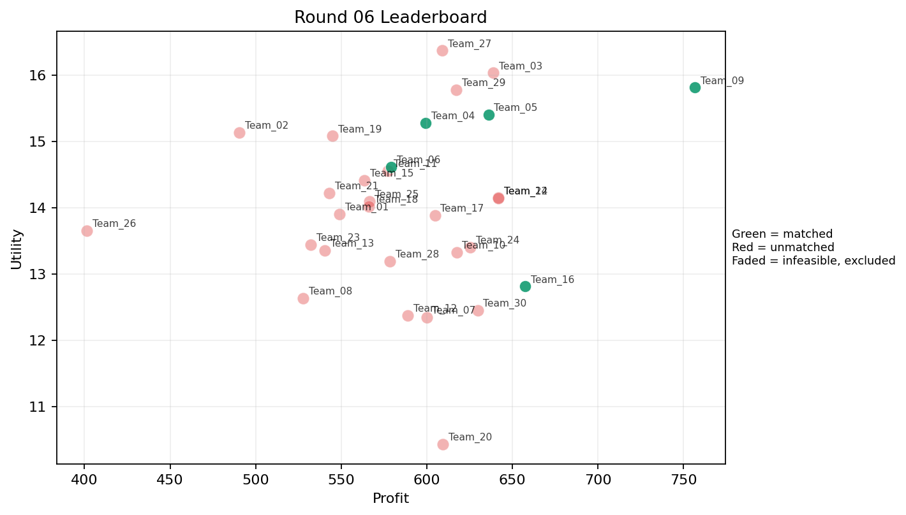
6 | 5 | Team_20 | Team_20 | 2 | K,A | FALSE | 609.4 | 10.431043893 | 3.234 | 3.98 | 2.3825 | 1.902 | 2.095 | 1 | 2026-03-12T10:00:04 | FALSE | 0 |  | FALSE | infeasible | 0 | 578.56 | 8
6 | 6 | Team_25 | Team_25 | 3 | P,D,N | FALSE | 566.56 | 14.096700531 | 3.208 | 1.404 | 2.918 | 1.995 | 2.2743333333 | 0.33333333333 | 2026-03-12T10:00:05 | FALSE | 0 |  | FALSE | infeasible | 0 | 709.36 | 8
6 | 7 | Team_13 | Team_13 | 8 | F,A,R,B,K,J,E,C | FALSE | 540.47 | 13.354136504 | 3.302625 | 2.895 | 3.244125 | 2.482375 | 2.62075 | 0.375 | 2026-03-12T10:00:06 | FALSE | 0 |  | FALSE | infeasible | 0 | 561.26666667 | 8
6 | 8 | Team_28 | Team_28 | 7 | M,E,A,C,N,H,Q | FALSE | 578.32 | 13.187582032 | 2.2282857143 | 3.972 | 2.771 | 1.96 | 2.9551428571 | 0.57142857143 | 2026-03-12T10:00:07 | FALSE | 0 |  | FALSE | infeasible | 0 | 0 | 0
6 | 9 | Team_17 | Team_17 | 8 | H,E,F,C,M,L,N,P | FALSE | 604.69 | 13.880900425 | 2.41225 | 3.19775 | 2.441375 | 2.211375 | 2.74 | 0.5 | 2026-03-12T10:00:08 | FALSE | 0 |  | FALSE | infeasible | 0 | 553.04 | 8
6 | 10 | Team_27 | Team_27 | 2 | J,O | FALSE | 609.08 | 16.367897731 | 2.7675 | 2.7945 | 2.3865 | 3.016 | 3.805 | 0 | 2026-03-12T10:00:09 | FALSE | 0 |  | FALSE | infeasible | 0 | 699.06666667 | 8
6 | 11 | Team_04 | Team_04 | 7 | B,R,P,I,G,M,F | TRUE | 599.42857143 | 15.277298789 | 2.4971428571 | 2.5332857143 | 2.5071428571 | 2.3401428571 | 3.2092857143 | 0.28571428571 | 2026-03-12T10:00:10 | TRUE | 8 | 1, 19, 23, 27, 37, 38, 4, 6 | TRUE |  | 599.42857143 | 599.42857143 | 8
6 | 12 | Team_26 | Team_26 | 2 | R,N | FALSE | 401.48 | 13.649102914 | 4.216 | 0.5145 | 4.9815 | 2.5885 | 1.117 | 0 | 2026-03-12T10:00:11 | FALSE | 0 |  | FALSE | infeasible | 0 | 595.42666667 | 8
6 | 13 | Team_21 | Team_21 | 5 | O,L,B,N,J | FALSE | 542.896 | 14.216714753 | 3.445 | 1.9106 | 3.2138 | 2.0904 | 2.9688 | 0.2 | 2026-03-12T10:00:12 | FALSE | 0 |  | FALSE | infeasible | 0 | 0 | 0
6 | 14 | Team_14 | Team_14 | 4 | G,H,B,L | FALSE | 641.82 | 14.147919217 | 3.00625 | 2.564 | 1.97725 | 1.85725 | 3.31125 | 0.25 | 2026-03-12T10:00:13 | FALSE | 0 |  | FALSE | infeasible | 0 | 0 | 0
6 | 15 | Team_24 | Team_24 | 5 | P,A,K,F,M | FALSE | 625.52 | 13.399154637 | 2.2168 | 3.559 | 2.181 | 2.2256 | 2.7088 | 0.8 | 2026-03-12T10:00:14 | FALSE | 0 |  | FALSE | infeasible | 0 | 0 | 0
6 | 16 | Team_30 | Team_30 | 3 | L,J,K | FALSE | 629.65333333 | 12.448977339 | 4.056 | 2.145 | 2.1293333333 | 2.847 | 1.878 | 0.66666666667 | 2026-03-12T10:00:15 | FALSE | 0 |  | FALSE | infeasible | 0 | 1920.9257143 | 24
6 | 17 | Team_10 | Team_10 | 2 | M,A | FALSE | 617.36 | 13.327496771 | 1.713 | 4.371 | 2.283 | 1.8 | 3.56 | 1 | 2026-03-12T10:00:16 | FALSE | 0 |  | FALSE | infeasible | 0 | 0 | 0
6 | 18 | Team_07 | Team_07 | 3 | O,C,A | FALSE | 599.84 | 12.340887331 | 2.6753333333 | 4.371 | 2.502 | 1.9213333333 | 2.8326666667 | 0.33333333333 | 2026-03-12T10:00:17 | FALSE | 0 |  | FALSE | infeasible | 0 | 0 | 0
6 | 19 | Team_01 | Team_01 | 6 | E,A,J,F,C,N | FALSE | 548.78666667 | 13.901742893 | 2.8388333333 | 3.204 | 3.1401666667 | 2.3938333333 | 2.9236666667 | 0.33333333333 | 2026-03-12T10:00:18 | FALSE | 0 |  | FALSE | infeasible | 0 | 72.221666667 | 1
6 | 20 | Team_03 | Team_03 | 2 | E,I | FALSE | 638.76 | 16.032932232 | 1.477 | 3.9945 | 2.0155 | 2.201 | 4.55 | 0.5 | 2026-03-12T10:00:19 | FALSE | 0 |  | FALSE | infeasible | 0 | 598.72 | 8
6 | 21 | Team_09 | Team_09 | 1 | G | TRUE | 756.56 | 15.811704115 | 2.705 | 2.927 | 0.543 | 1.796 | 4.777 | 0 | 2026-03-12T10:00:20 | TRUE | 8 | 13, 21, 28, 30, 32, 39, 5, 9 | TRUE |  | 756.56 | 756.56 | 8
6 | 22 | Team_18 | Team_18 | 8 | Q,R,N,K,O,F,G,J | FALSE | 566.17 | 14.018181711 | 2.927625 | 2.7455 | 2.922875 | 2.333375 | 2.659875 | 0.25 | 2026-03-12T10:00:21 | FALSE | 0 |  | FALSE | infeasible | 0 | 0 | 0
6 | 23 | Team_29 | Team_29 | 4 | B,P,G,J | FALSE | 617.26 | 15.778980868 | 3.318 | 1.763 | 2.28425 | 2.78975 | 3.49675 | 0.25 | 2026-03-12T10:00:22 | FALSE | 0 |  | FALSE | infeasible | 0 | 0 | 0
6 | 24 | Team_16 | Team_16 | 2 | L,M | TRUE | 657.32 | 12.811199524 | 2.535 | 2.9995 | 1.7835 | 1.855 | 2.677 | 1 | 2026-03-12T10:00:23 | TRUE | 8 | 10, 11, 2, 25, 26, 29, 31, 40 | TRUE |  | 657.32 | 1760.66 | 24
6 | 25 | Team_02 | Team_02 | 4 | J,N,R,F | FALSE | 490.34 | 15.135334214 | 3.40875 | 1.5335 | 3.87075 | 2.94975 | 2.1695 | 0 | 2026-03-12T10:00:24 | FALSE | 0 |  | FALSE | infeasible | 0 | 0 | 0
6 | 26 | Team_15 | Team_15 | 5 | O,D,F,M,N | FALSE | 563.536 | 14.411577608 | 2.1618 | 3.0528 | 2.9558 | 1.474 | 3.3154 | 0.2 | 2026-03-12T10:00:25 | FALSE | 0 |  | FALSE | infeasible | 0 | 1239.04 | 16
6 | 27 | Team_23 | Team_23 | 3 | Q,N,O | FALSE | 532.05333333 | 13.438681646 | 2.201 | 3.44 | 3.3493333333 | 1.5046666667 | 2.878 | 0.33333333333 | 2026-03-12T10:00:26 | FALSE | 0 |  | FALSE | infeasible | 0 | 506.07375 | 7
6 | 28 | Team_06 | Team_06 | 7 | N,G,O,D,H,R,E | TRUE | 579.25714286 | 14.61069489 | 2.7314285714 | 2.6711428571 | 2.7592857143 | 1.9975714286 | 3.2097142857 | 0.14285714286 | 2026-03-12T10:00:27 | TRUE | 8 | 14, 16, 17, 3, 33, 34, 35, 7 | TRUE |  | 579.25714286 | 1659.3051429 | 24
6 | 29 | Team_12 | Team_12 | 6 | D,O,A,L,B,K | FALSE | 588.86666667 | 12.372168857 | 3.275 | 2.8196666667 | 2.6391666667 | 1.556 | 2.7745 | 0.5 | 2026-03-12T10:00:28 | FALSE | 0 |  | FALSE | infeasible | 0 | 0 | 0
6 | 30 | Team_22 | Team_22 | 7 | P,B,K,H,G,I,Q | FALSE | 641.66857143 | 14.142966 | 2.4678571429 | 3.1935714286 | 1.9791428571 | 2.1482857143 | 3.0764285714 | 0.42857142857 | 2026-03-12T10:00:29 | FALSE | 0 |  | FALSE | infeasible | 0 | 1513.12 | 16

Round 07
Round 07 Summary

run_no | market_capacity | solver | team_count | eligible_team_count | user_pool_count | infeasible_excluded_count | matched_user_count | unmatched_user_count | user_match_rate | feasible_submission_count | total_profit | total_utility | avg_profit | avg_utility | Team Product Assignments | round_realized_profit_total
7 | 8 | stable_gale_shapley | 30 | 9 | 40 | 21 | 40 | 0 | 1 | 9 | 18093.924762 | 420.98316689 | 603.1308254 | 14.03277223 | run_no | team_product | assigned_count | capacity | remaining_capacity | assigned_users
 |  |  |  |  |  |  |  |  |  |  |  |  |  |  | 7 | Team_01 | 2 | 8 | 6 | 2, 31
Leaderboard Rows |  |  |  |  |  |  |  |  |  |  |  |  |  |  | 7 | Team_02 | 8 | 8 | 0 | 39, 32, 8, 37, 33, 17, 3, 35
run_no | submission_order | team | player_name | num_suppliers | selected_suppliers | feasible | profit | utility | env_avg | social_avg | cost_avg | strategic_avg | improvement_avg | low_quality_avg | 7 | Team_06 | 3 | 8 | 5 | 26, 40, 25 | realized_profit_round | cumulative_profit | cumulative_matched_users
7 | 1 | Team_11 | Team_11 | 2 | K,P | FALSE | 662.36 | 12.30754367 | 3.2555 | 2.583 | 1.7205 | 2.7665 | 1.595 | 1 | 7 | Team_10 | 1 | 8 | 7 | 29 | 0 | 643.12 | 8
7 | 2 | Team_25 | Team_25 | 7 | N,G,A,J,R,F,K | FALSE | 562.38857143 | 13.887875537 | 3.2582857143 | 2.4315714286 | 2.9701428571 | 2.4855714286 | 2.5207142857 | 0.28571428571 | 7 | Team_16 | 8 | 8 | 0 | 28, 21, 19, 22, 23, 34, 7, 16 | 0 | 709.36 | 8
7 | 3 | Team_03 | Team_03 | 5 | F,O,P,L,I | FALSE | 660.736 | 14.958429158 | 2.0772 | 3.0162 | 1.7408 | 2.2896 | 2.9936 | 0.4 | 7 | Team_21 | 0 | 8 | 8 |  | 0 | 598.72 | 8
7 | 4 | Team_17 | Team_17 | 7 | G,J,E,C,A,I,O | FALSE | 631.97714286 | 14.631095614 | 2.5344285714 | 3.6067142857 | 2.1002857143 | 2.3698571429 | 3.655 | 0.28571428571 | 7 | Team_26 | 8 | 8 | 0 | 5, 20, 4, 24, 36, 18, 12, 14 | 0 | 553.04 | 8
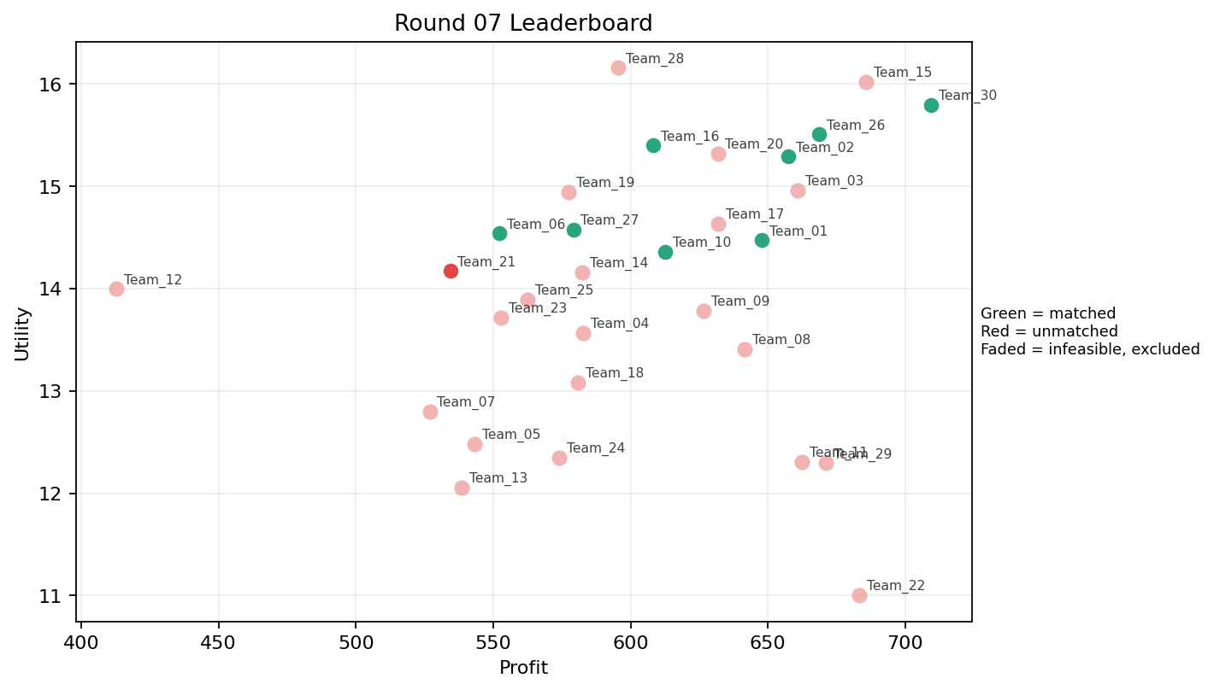
7 | 5 | Team_04 | Team_04 | 7 | C,B,D,E,H,O,A | FALSE | 582.82285714 | 13.566273191 | 2.6551428571 | 3.5448571429 | 2.7147142857 | 1.7761428571 | 3.365 | 0.28571428571 | 7 | Team_27 | 2 | 8 | 6 | 11, 10 | 0 | 599.42857143 | 8
7 | 6 | Team_09 | Team_09 | 6 | J,C,E,P,H,K | FALSE | 626.70666667 | 13.782153091 | 2.9358333333 | 3.2495 | 2.1661666667 | 2.8618333333 | 2.622 | 0.5 | 7 | Team_30 | 8 | 8 | 0 | 13, 27, 30, 15, 9, 1, 6, 38 | 0 | 756.56 | 8
7 | 7 | Team_28 | Team_28 | 3 | F,J,O | FALSE | 595.44 | 16.153829255 | 2.2273333333 | 3.1586666667 | 2.557 | 2.6756666667 | 3.6146666667 | 0 | 2026-03-12T10:10:06 | FALSE | 0 |  | FALSE | infeasible | 0 | 0 | 0
7 | 8 | Team_02 | Team_02 | 6 | L,I,M,J,F,G | TRUE | 657.41333333 | 15.287778216 | 2.3711666667 | 2.9415 | 1.7823333333 | 2.4085 | 3.4458333333 | 0.33333333333 | 2026-03-12T10:10:07 | TRUE | 8 | 17, 3, 32, 33, 35, 37, 39, 8 | TRUE |  | 657.41333333 | 657.41333333 | 8
7 | 9 | Team_05 | Team_05 | 2 | L,R | FALSE | 543.12 | 12.479073953 | 4.455 | 0.8255 | 3.211 | 2.9635 | 0.734 | 0.5 | 2026-03-12T10:10:08 | FALSE | 0 |  | FALSE | infeasible | 0 | 636 | 8
7 | 10 | Team_13 | Team_13 | 5 | L,R,K,N,D | FALSE | 538.384 | 12.05581623 | 4.027 | 1.575 | 3.2702 | 2.0202 | 1.4962 | 0.4 | 2026-03-12T10:10:09 | FALSE | 0 |  | FALSE | infeasible | 0 | 561.26666667 | 8
7 | 11 | Team_21 | Team_21 | 7 | B,Q,F,M,R,N,G | TRUE | 534.28571429 | 14.171030967 | 2.7 | 2.641 | 3.3214285714 | 1.9278571429 | 2.9427142857 | 0.28571428571 | 2026-03-12T10:10:10 | TRUE | 0 |  | FALSE |  | 0 | 0 | 0
7 | 12 | Team_23 | Team_23 | 5 | D,N,K,F,J | FALSE | 552.816 | 13.712812854 | 3.2856 | 2.2658 | 3.0898 | 2.1592 | 2.4914 | 0.2 | 2026-03-12T10:10:11 | FALSE | 0 |  | FALSE | infeasible | 0 | 506.07375 | 7
7 | 13 | Team_24 | Team_24 | 4 | C,M,L,B | FALSE | 573.92 | 12.3455572 | 3.31525 | 2.925 | 2.826 | 1.7975 | 2.613 | 0.5 | 2026-03-12T10:10:12 | FALSE | 0 |  | FALSE | infeasible | 0 | 0 | 0
7 | 14 | Team_08 | Team_08 | 2 | C,I | FALSE | 641.52 | 13.407306037 | 2.692 | 3.9945 | 1.981 | 2.3695 | 2.599 | 0 | 2026-03-12T10:10:13 | FALSE | 0 |  | FALSE | infeasible | 0 | 709.36 | 8
7 | 15 | Team_27 | Team_27 | 6 | A,P,B,M,R,I | TRUE | 579.12 | 14.573803899 | 2.6733333333 | 2.5483333333 | 2.761 | 2.4221666667 | 2.909 | 0.5 | 2026-03-12T10:10:14 | TRUE | 2 | 10, 11 | TRUE |  | 144.78 | 843.84666667 | 10
7 | 16 | Team_07 | Team_07 | 4 | C,Q,F,R | FALSE | 526.84 | 12.798394965 | 2.9205 | 3.306 | 3.4145 | 2.52275 | 1.7 | 0.25 | 2026-03-12T10:10:15 | FALSE | 0 |  | FALSE | infeasible | 0 | 0 | 0
7 | 17 | Team_06 | Team_06 | 6 | H,O,B,F,N,D | TRUE | 552.29333333 | 14.535910291 | 2.5098333333 | 2.7656666667 | 3.0963333333 | 1.5488333333 | 3.2818333333 | 0 | 2026-03-12T10:10:16 | TRUE | 3 | 25, 26, 40 | TRUE |  | 207.11 | 1866.4151429 | 27
7 | 18 | Team_12 | Team_12 | 1 | B | FALSE | 412.88 | 13.994652789 | 4.056 | 1.33 | 4.839 | 1.064 | 4 | 0 | 2026-03-12T10:10:17 | FALSE | 0 |  | FALSE | infeasible | 0 | 0 | 0
7 | 19 | Team_30 | Team_30 | 1 | P | TRUE | 709.36 | 15.792127845 | 2.455 | 1.577 | 1.133 | 3.672 | 2 | 1 | 2026-03-12T10:10:18 | TRUE | 8 | 1, 13, 15, 27, 30, 38, 6, 9 | TRUE |  | 709.36 | 2630.2857143 | 32
7 | 20 | Team_16 | Team_16 | 3 | I,P,N | TRUE | 608.10666667 | 15.396051557 | 2.4273333333 | 2.067 | 2.3986666667 | 2.4326666667 | 2.7 | 0.33333333333 | 2026-03-12T10:10:19 | TRUE | 8 | 16, 19, 21, 22, 23, 28, 34, 7 | TRUE |  | 608.10666667 | 2368.7666667 | 32
7 | 21 | Team_18 | Team_18 | 8 | D,P,Q,A,R,N,K,G | FALSE | 580.76 | 13.083325511 | 3.149625 | 2.508125 | 2.7405 | 2.158125 | 2.28225 | 0.5 | 2026-03-12T10:10:20 | FALSE | 0 |  | FALSE | infeasible | 0 | 0 | 0
7 | 22 | Team_15 | Team_15 | 3 | O,H,I | FALSE | 685.76 | 16.015526004 | 1.312 | 4.12 | 1.428 | 2.0813333333 | 3.9113333333 | 0 | 2026-03-12T10:10:21 | FALSE | 0 |  | FALSE | infeasible | 0 | 1239.04 | 16
7 | 23 | Team_29 | Team_29 | 3 | I,K,L | FALSE | 671.2 | 12.292976133 | 3.1203333333 | 2.945 | 1.61 | 2.079 | 2.1746666667 | 0.66666666667 | 2026-03-12T10:10:22 | FALSE | 0 |  | FALSE | infeasible | 0 | 0 | 0
7 | 24 | Team_20 | Team_20 | 6 | A,J,F,G,P,E | FALSE | 631.73333333 | 15.317086772 | 2.4133333333 | 3.0585 | 2.1033333333 | 2.6853333333 | 3.5368333333 | 0.5 | 2026-03-12T10:10:23 | FALSE | 0 |  | FALSE | infeasible | 0 | 578.56 | 8
7 | 25 | Team_01 | Team_01 | 8 | P,L,I,G,M,R,Q,H | TRUE | 647.62 | 14.469645359 | 2.385875 | 2.93225 | 1.90475 | 2.462125 | 2.741625 | 0.5 | 2026-03-12T10:10:24 | TRUE | 2 | 2, 31 | TRUE |  | 161.905 | 234.12666667 | 3
7 | 26 | Team_14 | Team_14 | 5 | N,H,A,E,M | FALSE | 582.384 | 14.159360156 | 1.9834 | 3.698 | 2.7202 | 1.8996 | 3.4708 | 0.6 | 2026-03-12T10:10:25 | FALSE | 0 |  | FALSE | infeasible | 0 | 0 | 0
7 | 27 | Team_19 | Team_19 | 3 | E,G,B | FALSE | 577.36 | 14.940928753 | 2.822 | 2.876 | 2.783 | 1.6463333333 | 4.5923333333 | 0.33333333333 | 2026-03-12T10:10:26 | FALSE | 0 |  | FALSE | infeasible | 0 | 600.77 | 8
7 | 28 | Team_10 | Team_10 | 7 | D,B,H,L,F,E,G | TRUE | 612.61714286 | 14.355025794 | 2.6382857143 | 2.8775714286 | 2.3422857143 | 1.7875714286 | 3.4717142857 | 0.28571428571 | 2026-03-12T10:10:27 | TRUE | 1 | 29 | TRUE |  | 76.577142857 | 76.577142857 | 1
7 | 29 | Team_26 | Team_26 | 2 | O,P | TRUE | 668.64 | 15.505242292 | 1.967 | 2.974 | 1.642 | 2.5385 | 3.2 | 0.5 | 2026-03-12T10:10:28 | TRUE | 8 | 12, 14, 18, 20, 24, 36, 4, 5 | TRUE |  | 668.64 | 1264.0666667 | 16
7 | 30 | Team_22 | Team_22 | 1 | L | FALSE | 683.36 | 11.006533797 | 4.056 | 1.628 | 1.458 | 2.053 | 1.234 | 1 | 2026-03-12T10:10:29 | FALSE | 0 |  | FALSE | infeasible | 0 | 1513.12 | 16

Round 08
Round 08 Summary

run_no | market_capacity | solver | team_count | eligible_team_count | user_pool_count | infeasible_excluded_count | matched_user_count | unmatched_user_count | user_match_rate | feasible_submission_count | total_profit | total_utility | avg_profit | avg_utility | Team Product Assignments | round_realized_profit_total
8 | 8 | stable_gale_shapley | 30 | 6 | 40 | 24 | 40 | 0 | 1 | 6 | 17933.576286 | 409.88884974 | 597.78587619 | 13.662961658 | run_no | team_product | assigned_count | capacity | remaining_capacity | assigned_users
 |  |  |  |  |  |  |  |  |  |  |  |  |  |  | 8 | Team_05 | 5 | 8 | 3 | 29, 26, 40, 31, 25
Leaderboard Rows |  |  |  |  |  |  |  |  |  |  |  |  |  |  | 8 | Team_07 | 8 | 8 | 0 | 6, 1, 33, 17, 7, 35, 12, 16
run_no | submission_order | team | player_name | num_suppliers | selected_suppliers | feasible | profit | utility | env_avg | social_avg | cost_avg | strategic_avg | improvement_avg | low_quality_avg | 8 | Team_08 | 8 | 8 | 0 | 13, 28, 5, 27, 21, 30, 39, 32 | realized_profit_round | cumulative_profit | cumulative_matched_users
8 | 1 | Team_20 | Team_20 | 2 | A,R | FALSE | 503.16 | 12.9953712 | 3.633 | 2.197 | 3.7105 | 2.9085 | 1.617 | 0.5 | 8 | Team_14 | 8 | 8 | 0 | 8, 38, 23, 34, 36, 18, 3, 14 | 0 | 578.56 | 8
8 | 2 | Team_10 | Team_10 | 2 | K,Q | FALSE | 591.76 | 10.287027989 | 2.801 | 4.266 | 2.603 | 1.8335 | 1.712 | 1 | 8 | Team_17 | 3 | 8 | 5 | 2, 11, 10 | 0 | 76.577142857 | 1
8 | 3 | Team_04 | Team_04 | 6 | M,L,D,K,E,N | FALSE | 580.49333333 | 12.659960275 | 3 | 2.7656666667 | 2.7438333333 | 1.6605 | 2.7278333333 | 0.66666666667 | 8 | Team_18 | 8 | 8 | 0 | 20, 19, 4, 9, 24, 15, 37, 22 | 0 | 599.42857143 | 8
8 | 4 | Team_27 | Team_27 | 6 | D,I,M,E,O,P | FALSE | 639.38666667 | 15.140599388 | 1.9155 | 3.3228333333 | 2.0076666667 | 2.0243333333 | 3.7405 | 0.5 | 2026-03-12T10:20:03 | FALSE | 0 |  | FALSE | infeasible | 0 | 843.84666667 | 10
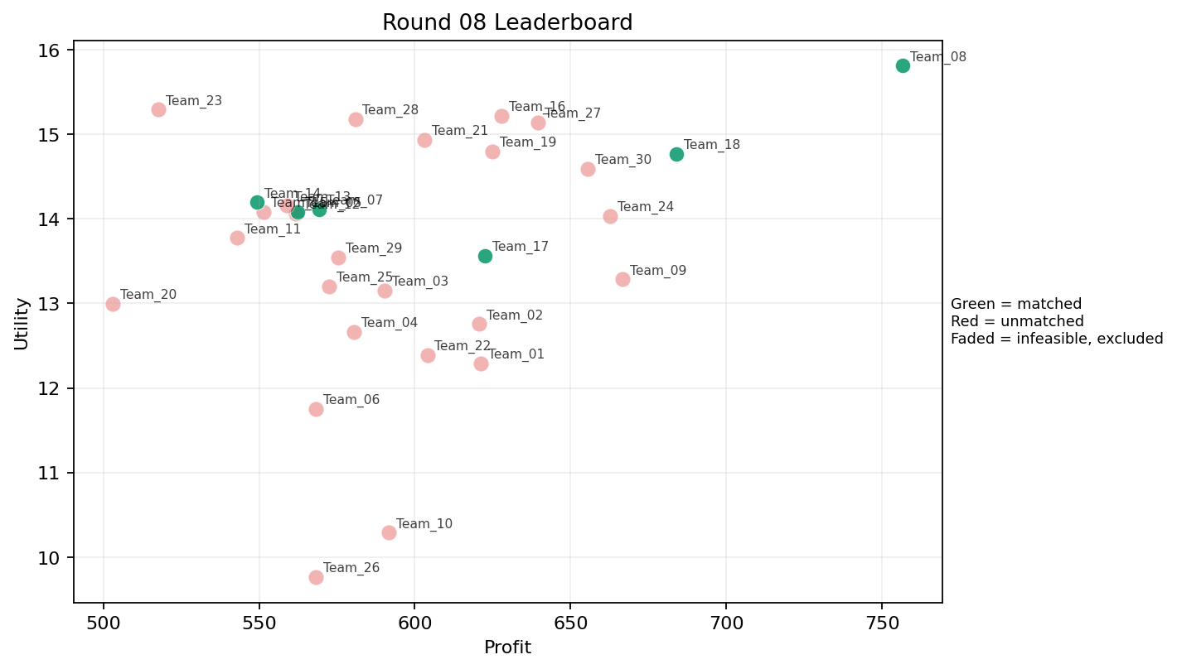
8 | 5 | Team_11 | Team_11 | 7 | R,M,O,B,D,F,C | FALSE | 543.07428571 | 13.77467717 | 2.8965714286 | 2.8545714286 | 3.2115714286 | 1.9172857143 | 2.8441428571 | 0.14285714286 | 2026-03-12T10:20:04 | FALSE | 0 |  | FALSE | infeasible | 0 | 643.12 | 8
8 | 6 | Team_26 | Team_26 | 1 | C | FALSE | 568.16 | 9.7651769649 | 4.135 | 4.371 | 2.898 | 2.416 | 1.098 | 0 | 2026-03-12T10:20:05 | FALSE | 0 |  | FALSE | infeasible | 0 | 1264.0666667 | 16
8 | 7 | Team_16 | Team_16 | 1 | O | FALSE | 627.92 | 15.218356739 | 1.479 | 4.371 | 2.151 | 1.405 | 4.4 | 0 | 2026-03-12T10:20:06 | FALSE | 0 |  | FALSE | infeasible | 0 | 2368.7666667 | 32
8 | 8 | Team_30 | Team_30 | 3 | L,I,F | FALSE | 655.46666667 | 14.593887069 | 2.1506666667 | 3.0443333333 | 1.8066666667 | 2.1236666667 | 2.856 | 0.33333333333 | 2026-03-12T10:20:07 | FALSE | 0 |  | FALSE | infeasible | 0 | 2630.2857143 | 32
8 | 9 | Team_02 | Team_02 | 7 | F,G,C,K,D,E,L | FALSE | 620.64 | 12.757125437 | 3.0564285714 | 3.2002857143 | 2.242 | 1.8871428571 | 2.7651428571 | 0.42857142857 | 2026-03-12T10:20:08 | FALSE | 0 |  | FALSE | infeasible | 0 | 657.41333333 | 8
8 | 10 | Team_09 | Team_09 | 3 | K,G,O | FALSE | 666.61333333 | 13.284340116 | 2.7466666667 | 3.629 | 1.6673333333 | 1.6873333333 | 3.4556666667 | 0.33333333333 | 2026-03-12T10:20:09 | FALSE | 0 |  | FALSE | infeasible | 0 | 756.56 | 8
8 | 11 | Team_12 | Team_12 | 8 | G,C,M,J,Q,B,F,N | FALSE | 561.94 | 14.066027293 | 2.779625 | 3.006625 | 2.97575 | 2.083 | 3.084125 | 0.25 | 2026-03-12T10:20:10 | FALSE | 0 |  | FALSE | infeasible | 0 | 0 | 0
8 | 12 | Team_06 | Team_06 | 1 | Q | FALSE | 568.16 | 11.751096483 | 1.546 | 4.943 | 2.898 | 1.806 | 2.234 | 1 | 2026-03-12T10:20:11 | FALSE | 0 |  | FALSE | infeasible | 0 | 1866.4151429 | 27
8 | 13 | Team_29 | Team_29 | 3 | F,D,Q | FALSE | 575.52 | 13.542723606 | 2.0946666667 | 3.4863333333 | 2.806 | 1.6036666667 | 2.7636666667 | 0.33333333333 | 2026-03-12T10:20:12 | FALSE | 0 |  | FALSE | infeasible | 0 | 0 | 0
8 | 14 | Team_01 | Team_01 | 5 | G,A,E,K,C | FALSE | 621.232 | 12.291079644 | 3.0026 | 3.9258 | 2.2346 | 2.019 | 3.013 | 0.6 | 2026-03-12T10:20:13 | FALSE | 0 |  | FALSE | infeasible | 0 | 234.12666667 | 3
8 | 15 | Team_15 | Team_15 | 4 | M,A,R,F | FALSE | 551.44 | 14.083074989 | 2.35675 | 3.163 | 3.107 | 2.36725 | 2.647 | 0.5 | 2026-03-12T10:20:14 | FALSE | 0 |  | FALSE | infeasible | 0 | 1239.04 | 16
8 | 16 | Team_05 | Team_05 | 4 | M,N,O,D | TRUE | 562.38 | 14.083048935 | 2.4155 | 2.84425 | 2.97025 | 1.34375 | 3.33575 | 0.25 | 2026-03-12T10:20:15 | TRUE | 5 | 25, 26, 29, 31, 40 | TRUE |  | 351.4875 | 987.4875 | 13
8 | 17 | Team_22 | Team_22 | 4 | K,H,L,R | FALSE | 604.02 | 12.389973392 | 3.5435 | 2.40275 | 2.44975 | 2.576 | 1.473 | 0.5 | 2026-03-12T10:20:16 | FALSE | 0 |  | FALSE | infeasible | 0 | 1513.12 | 16
8 | 18 | Team_13 | Team_13 | 3 | R,L,J | FALSE | 558.82666667 | 14.158528877 | 4.322 | 0.95633333333 | 3.0146666667 | 3.518 | 1.5593333333 | 0.33333333333 | 2026-03-12T10:20:17 | FALSE | 0 |  | FALSE | infeasible | 0 | 561.26666667 | 8
8 | 19 | Team_23 | Team_23 | 3 | N,J,E | FALSE | 517.65333333 | 15.293486599 | 3.113 | 2.1983333333 | 3.5293333333 | 2.6696666667 | 3.4033333333 | 0.33333333333 | 2026-03-12T10:20:18 | FALSE | 0 |  | FALSE | infeasible | 0 | 506.07375 | 7
8 | 20 | Team_03 | Team_03 | 1 | D | FALSE | 590.24 | 13.151382031 | 3.591 | 1.629 | 2.622 | 1.01 | 2.823 | 0 | 2026-03-12T10:20:19 | FALSE | 0 |  | FALSE | infeasible | 0 | 598.72 | 8
8 | 21 | Team_24 | Team_24 | 5 | L,P,J,K,I | FALSE | 662.64 | 14.037698994 | 3.1744 | 2.326 | 1.717 | 2.9072 | 2.3468 | 0.6 | 2026-03-12T10:20:20 | FALSE | 0 |  | FALSE | infeasible | 0 | 0 | 0
8 | 22 | Team_17 | Team_17 | 3 | D,P,Q | TRUE | 622.58666667 | 13.564868786 | 2.5306666667 | 2.7163333333 | 2.2176666667 | 2.1626666667 | 2.3523333333 | 0.66666666667 | 2026-03-12T10:20:21 | TRUE | 3 | 10, 11, 2 | TRUE |  | 233.47 | 786.51 | 11
8 | 23 | Team_07 | Team_07 | 6 | K,R,F,H,I,N | TRUE | 569.30666667 | 14.11251315 | 2.682 | 2.749 | 2.8836666667 | 2.312 | 2.332 | 0.16666666667 | 2026-03-12T10:20:22 | TRUE | 8 | 1, 12, 16, 17, 33, 35, 6, 7 | TRUE |  | 569.30666667 | 569.30666667 | 8
8 | 24 | Team_19 | Team_19 | 6 | F,I,E,A,P,D | FALSE | 624.78666667 | 14.795699156 | 2.0931666667 | 3.2421666667 | 2.1901666667 | 2.1703333333 | 3.3595 | 0.5 | 2026-03-12T10:20:23 | FALSE | 0 |  | FALSE | infeasible | 0 | 600.77 | 8
8 | 25 | Team_08 | Team_08 | 1 | G | TRUE | 756.56 | 15.811704115 | 2.705 | 2.927 | 0.543 | 1.796 | 4.777 | 0 | 2026-03-12T10:20:24 | TRUE | 8 | 13, 21, 27, 28, 30, 32, 39, 5 | TRUE |  | 756.56 | 1465.92 | 16
8 | 26 | Team_25 | Team_25 | 8 | F,M,K,C,D,A,B,J | FALSE | 572.47 | 13.204036981 | 3.058375 | 3.09575 | 2.844125 | 2.071625 | 2.834375 | 0.375 | 2026-03-12T10:20:25 | FALSE | 0 |  | FALSE | infeasible | 0 | 709.36 | 8
8 | 27 | Team_21 | Team_21 | 8 | L,I,J,R,G,E,N,H | FALSE | 603.14 | 14.934816636 | 2.926375 | 2.39525 | 2.46075 | 2.571375 | 2.973625 | 0.25 | 2026-03-12T10:20:26 | FALSE | 0 |  | FALSE | infeasible | 0 | 0 | 0
8 | 28 | Team_18 | Team_18 | 4 | O,L,P,I | TRUE | 683.88 | 14.766613372 | 2.30975 | 2.7985 | 1.4515 | 2.36325 | 2.9335 | 0.5 | 2026-03-12T10:20:27 | TRUE | 8 | 15, 19, 20, 22, 24, 37, 4, 9 | TRUE |  | 683.88 | 683.88 | 8
8 | 29 | Team_14 | Team_14 | 4 | E,D,B,M | TRUE | 549.26 | 14.194582357 | 2.5915 | 2.92525 | 3.13425 | 1.4525 | 3.98575 | 0.5 | 2026-03-12T10:20:28 | TRUE | 8 | 14, 18, 23, 3, 34, 36, 38, 8 | TRUE |  | 549.26 | 549.26 | 8
8 | 30 | Team_28 | Team_28 | 4 | O,H,F,B | FALSE | 580.86 | 15.179371999 | 1.9725 | 3.48975 | 2.73925 | 1.745 | 3.717 | 0 | 2026-03-12T10:20:29 | FALSE | 0 |  | FALSE | infeasible | 0 | 0 | 0

Round 09
Round 09 Summary

run_no | market_capacity | solver | team_count | eligible_team_count | user_pool_count | infeasible_excluded_count | matched_user_count | unmatched_user_count | user_match_rate | feasible_submission_count | total_profit | total_utility | avg_profit | avg_utility | Team Product Assignments | round_realized_profit_total
9 | 8 | stable_gale_shapley | 30 | 2 | 40 | 28 | 16 | 24 | 0.4 | 2 | 17461.571714 | 412.66917514 | 582.05239048 | 13.755639171 | run_no | team_product | assigned_count | capacity | remaining_capacity | assigned_users
 |  |  |  |  |  |  |  |  |  |  |  |  |  |  | 9 | Team_11 | 8 | 8 | 0 | 4, 20, 6, 39, 24, 9, 1, 15
Leaderboard Rows |  |  |  |  |  |  |  |  |  |  |  |  |  |  | 9 | Team_16 | 8 | 8 | 0 | 13, 5, 27, 30, 28, 21, 19, 32
run_no | submission_order | team | player_name | num_suppliers | selected_suppliers | feasible | profit | utility | env_avg | social_avg | cost_avg | strategic_avg | improvement_avg | low_quality_avg | created_at | matching_eligible | matched_user_count | matched_user_ids | matched | excluded_reason | realized_profit_round | cumulative_profit | cumulative_matched_users
9 | 1 | Team_08 | Team_08 | 7 | B,L,G,E,Q,C,J | FALSE | 591.71428571 | 13.551861747 | 3.1798571429 | 2.9697142857 | 2.6035714286 | 2.263 | 3.079 | 0.42857142857 | 2026-03-12T10:30:00 | FALSE | 0 |  | FALSE | infeasible | 0 | 1465.92 | 16
9 | 2 | Team_02 | Team_02 | 7 | E,Q,F,A,K,P,J | FALSE | 602.48 | 13.809267499 | 2.4824285714 | 3.4222857143 | 2.469 | 2.569 | 2.8382857143 | 0.71428571429 | 2026-03-12T10:30:01 | FALSE | 0 |  | FALSE | infeasible | 0 | 657.41333333 | 8
9 | 3 | Team_28 | Team_28 | 6 | O,K,H,Q,E,B | FALSE | 583.57333333 | 13.430380171 | 2.3416666667 | 3.8291666667 | 2.7053333333 | 1.7885 | 3.343 | 0.5 | 2026-03-12T10:30:02 | FALSE | 0 |  | FALSE | infeasible | 0 | 0 | 0
9 | 4 | Team_07 | Team_07 | 5 | R,H,N,C,E | FALSE | 529.648 | 13.571719663 | 3.096 | 2.8284 | 3.3794 | 2.4376 | 2.3132 | 0.2 | 2026-03-12T10:30:03 | FALSE | 0 |  | FALSE | infeasible | 0 | 569.30666667 | 8
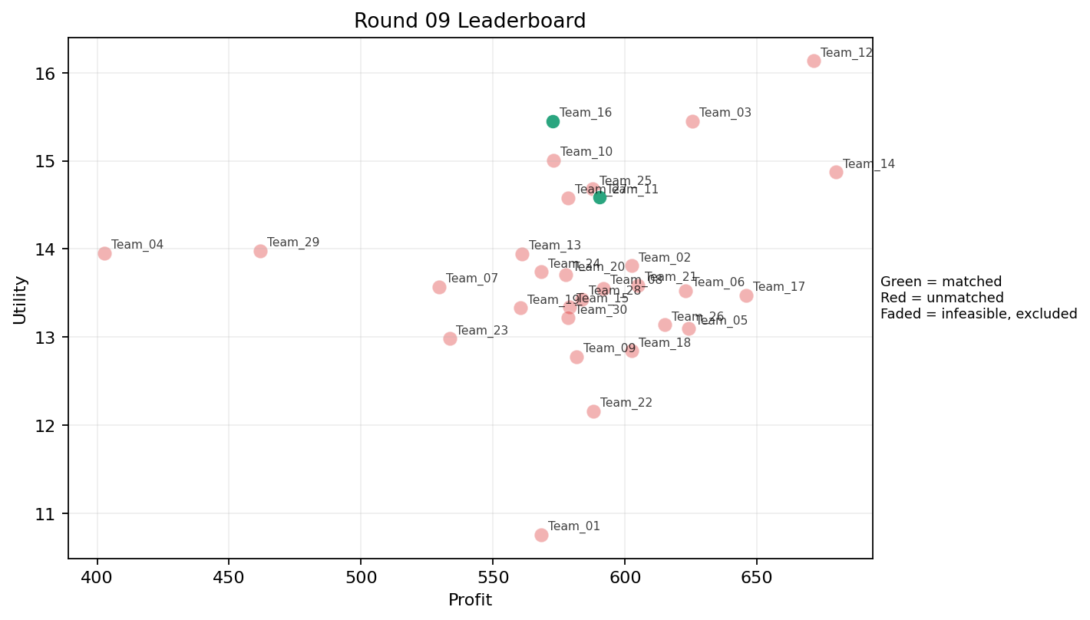
9 | 5 | Team_19 | Team_19 | 5 | J,Q,O,K,N | FALSE | 560.352 | 13.331288632 | 2.943 | 3.0254 | 2.9956 | 2.2004 | 2.6068 | 0.4 | 2026-03-12T10:30:04 | FALSE | 0 |  | FALSE | infeasible | 0 | 600.77 | 8
9 | 6 | Team_04 | Team_04 | 1 | R | FALSE | 402.88 | 13.95161411 | 4.854 | 0.023 | 4.964 | 3.874 | 0.234 | 0 | 2026-03-12T10:30:05 | FALSE | 0 |  | FALSE | infeasible | 0 | 599.42857143 | 8
9 | 7 | Team_29 | Team_29 | 4 | R,M,N,B | FALSE | 461.78 | 13.977180967 | 3.3755 | 1.6825 | 4.22775 | 1.9745 | 2.5885 | 0.25 | 2026-03-12T10:30:06 | FALSE | 0 |  | FALSE | infeasible | 0 | 0 | 0
9 | 8 | Team_03 | Team_03 | 7 | P,F,I,O,H,M,B | FALSE | 625.56571429 | 15.453559457 | 1.8011428571 | 3.3607142857 | 2.1804285714 | 2.0902857143 | 3.584 | 0.28571428571 | 2026-03-12T10:30:07 | FALSE | 0 |  | FALSE | infeasible | 0 | 598.72 | 8
9 | 9 | Team_18 | Team_18 | 7 | G,A,N,K,F,L,D | FALSE | 602.45714286 | 12.843427393 | 3.0778571429 | 2.7195714286 | 2.4692857143 | 1.7087142857 | 2.6082857143 | 0.42857142857 | 2026-03-12T10:30:08 | FALSE | 0 |  | FALSE | infeasible | 0 | 683.88 | 8
9 | 10 | Team_15 | Team_15 | 7 | K,L,N,J,F,O,Q | FALSE | 579.04 | 13.341238465 | 2.8454285714 | 2.9488571429 | 2.762 | 2.15 | 2.5002857143 | 0.42857142857 | 2026-03-12T10:30:09 | FALSE | 0 |  | FALSE | infeasible | 0 | 1239.04 | 16
9 | 11 | Team_05 | Team_05 | 4 | K,P,A,F | FALSE | 624.08 | 13.094976983 | 2.5175 | 3.356 | 2.199 | 2.36775 | 2.356 | 0.75 | 2026-03-12T10:30:10 | FALSE | 0 |  | FALSE | infeasible | 0 | 987.4875 | 13
9 | 12 | Team_09 | Team_09 | 7 | Q,O,C,M,L,R,D | FALSE | 581.71428571 | 12.780003625 | 2.9535714286 | 3.048 | 2.7285714286 | 2.0315714286 | 2.3061428571 | 0.42857142857 | 2026-03-12T10:30:11 | FALSE | 0 |  | FALSE | infeasible | 0 | 756.56 | 8
9 | 13 | Team_16 | Team_16 | 8 | F,H,I,O,N,E,J,R | TRUE | 572.66 | 15.450543028 | 2.4095 | 2.858125 | 2.84175 | 2.51525 | 3.1765 | 0.125 | 2026-03-12T10:30:12 | TRUE | 8 | 13, 19, 21, 27, 28, 30, 32, 5 | TRUE |  | 572.66 | 2941.4266667 | 40
9 | 14 | Team_17 | Team_17 | 6 | E,D,K,P,I,L | FALSE | 645.97333333 | 13.473144605 | 2.852 | 2.7353333333 | 1.9253333333 | 2.1663333333 | 2.7245 | 0.66666666667 | 2026-03-12T10:30:13 | FALSE | 0 |  | FALSE | infeasible | 0 | 786.51 | 11
9 | 15 | Team_14 | Team_14 | 3 | G,I,Q | FALSE | 679.86666667 | 14.870745236 | 1.8333333333 | 3.8293333333 | 1.5016666667 | 1.975 | 3.7036666667 | 0.33333333333 | 2026-03-12T10:30:14 | FALSE | 0 |  | FALSE | infeasible | 0 | 549.26 | 8
9 | 16 | Team_12 | Team_12 | 2 | I,O | FALSE | 671.4 | 16.133895923 | 1.364 | 3.9945 | 1.6075 | 1.864 | 4.25 | 0 | 2026-03-12T10:30:15 | FALSE | 0 |  | FALSE | infeasible | 0 | 0 | 0
9 | 17 | Team_22 | Team_22 | 5 | Q,D,K,E,A | FALSE | 587.968 | 12.156199131 | 2.662 | 3.7806 | 2.6504 | 1.7398 | 2.8494 | 0.8 | 2026-03-12T10:30:16 | FALSE | 0 |  | FALSE | infeasible | 0 | 1513.12 | 16
9 | 18 | Team_13 | Team_13 | 7 | O,B,G,R,F,C,D | FALSE | 560.97142857 | 13.945511293 | 3.1381428571 | 2.6482857143 | 2.9878571429 | 1.9371428571 | 2.938 | 0 | 2026-03-12T10:30:17 | FALSE | 0 |  | FALSE | infeasible | 0 | 561.26666667 | 8
9 | 19 | Team_01 | Team_01 | 2 | Q,C | FALSE | 568.16 | 10.758136724 | 2.8405 | 4.657 | 2.898 | 2.111 | 1.666 | 0.5 | 2026-03-12T10:30:18 | FALSE | 0 |  | FALSE | infeasible | 0 | 234.12666667 | 3
9 | 20 | Team_25 | Team_25 | 4 | A,J,N,G | FALSE | 587.58 | 14.678715712 | 3.18775 | 2.3805 | 2.65525 | 2.41725 | 3.24675 | 0.25 | 2026-03-12T10:30:19 | FALSE | 0 |  | FALSE | infeasible | 0 | 709.36 | 8
9 | 21 | Team_26 | Team_26 | 7 | N,K,M,O,L,G,D | FALSE | 614.97142857 | 13.139056164 | 2.9255714286 | 2.7887142857 | 2.3128571429 | 1.5835714286 | 2.9348571429 | 0.42857142857 | 2026-03-12T10:30:20 | FALSE | 0 |  | FALSE | infeasible | 0 | 1264.0666667 | 16
9 | 22 | Team_24 | Team_24 | 2 | Q,F | FALSE | 568.16 | 13.738394393 | 1.3465 | 4.415 | 2.898 | 1.9005 | 2.734 | 0.5 | 2026-03-12T10:30:21 | FALSE | 0 |  | FALSE | infeasible | 0 | 0 | 0
9 | 23 | Team_20 | Team_20 | 7 | C,B,M,R,P,H,A | FALSE | 577.49714286 | 13.705335916 | 2.8762857143 | 2.9162857143 | 2.7812857143 | 2.4488571429 | 2.5265714286 | 0.42857142857 | 2026-03-12T10:30:22 | FALSE | 0 |  | FALSE | infeasible | 0 | 578.56 | 8
9 | 24 | Team_10 | Team_10 | 6 | E,F,A,P,J,R | FALSE | 572.78666667 | 15.007071771 | 2.7715 | 2.5745 | 2.8401666667 | 3.0316666667 | 2.7796666667 | 0.5 | 2026-03-12T10:30:23 | FALSE | 0 |  | FALSE | infeasible | 0 | 76.577142857 | 1
9 | 25 | Team_30 | Team_30 | 5 | E,Q,C,J,A | FALSE | 578.528 | 13.217853963 | 2.7708 | 3.8548 | 2.7684 | 2.5742 | 2.9084 | 0.6 | 2026-03-12T10:30:24 | FALSE | 0 |  | FALSE | infeasible | 0 | 2630.2857143 | 32
9 | 26 | Team_23 | Team_23 | 4 | E,C,D,B | FALSE | 533.48 | 12.981910285 | 3.37175 | 2.92525 | 3.3315 | 1.64225 | 3.23025 | 0.25 | 2026-03-12T10:30:25 | FALSE | 0 |  | FALSE | infeasible | 0 | 506.07375 | 7
9 | 27 | Team_27 | Team_27 | 2 | G,N | FALSE | 578.32 | 14.579147917 | 3.1415 | 1.9665 | 2.771 | 1.5495 | 3.3885 | 0 | 2026-03-12T10:30:26 | FALSE | 0 |  | FALSE | infeasible | 0 | 843.84666667 | 10
9 | 28 | Team_06 | Team_06 | 8 | C,A,L,P,O,G,R,M | FALSE | 622.87 | 13.525063389 | 2.88875 | 2.954875 | 2.214125 | 2.352 | 2.607875 | 0.5 | 2026-03-12T10:30:27 | FALSE | 0 |  | FALSE | infeasible | 0 | 1866.4151429 | 27
9 | 29 | Team_21 | Team_21 | 7 | E,L,C,H,N,I,D | FALSE | 604.83428571 | 13.587762163 | 2.7888571429 | 2.9991428571 | 2.4395714286 | 1.9571428571 | 2.7841428571 | 0.28571428571 | 2026-03-12T10:30:28 | FALSE | 0 |  | FALSE | infeasible | 0 | 0 | 0
9 | 30 | Team_11 | Team_11 | 8 | C,H,M,I,P,B,R,F | TRUE | 590.26 | 14.584168817 | 2.51475 | 2.9435 | 2.62175 | 2.439625 | 2.7525 | 0.25 | 2026-03-12T10:30:29 | TRUE | 8 | 1, 15, 20, 24, 39, 4, 6, 9 | TRUE |  | 590.26 | 1233.38 | 16

Round 10
Round 10 Summary

run_no | market_capacity | solver | team_count | eligible_team_count | user_pool_count | infeasible_excluded_count | matched_user_count | unmatched_user_count | user_match_rate | feasible_submission_count | total_profit | total_utility | avg_profit | avg_utility | Team Product Assignments | round_realized_profit_total
10 | 8 | stable_gale_shapley | 30 | 4 | 40 | 26 | 32 | 8 | 0.8 | 4 | 18017.468476 | 414.49276343 | 600.58228254 | 13.816425448 | run_no | team_product | assigned_count | capacity | remaining_capacity | assigned_users
 |  |  |  |  |  |  |  |  |  |  |  |  |  |  | 10 | Team_04 | 8 | 8 | 0 | 39, 38, 37, 22, 23, 34, 33, 36
Leaderboard Rows |  |  |  |  |  |  |  |  |  |  |  |  |  |  | 10 | Team_08 | 8 | 8 | 0 | 19, 6, 32, 4, 1, 15, 8, 24
run_no | submission_order | team | player_name | num_suppliers | selected_suppliers | feasible | profit | utility | env_avg | social_avg | cost_avg | strategic_avg | improvement_avg | low_quality_avg | 10 | Team_12 | 8 | 8 | 0 | 7, 18, 35, 16, 3, 17, 14, 12 | realized_profit_round | cumulative_profit | cumulative_matched_users
10 | 1 | Team_10 | Team_10 | 7 | H,D,F,I,C,J,A | FALSE | 621.37142857 | 14.432434227 | 2.5425714286 | 3.3521428571 | 2.2328571429 | 2.4042857143 | 2.957 | 0.14285714286 | 10 | Team_30 | 8 | 8 | 0 | 13, 27, 5, 30, 28, 9, 20, 21 | 0 | 76.577142857 | 1
10 | 2 | Team_28 | Team_28 | 5 | R,J,D,O,A | FALSE | 562.944 | 14.375583979 | 3.2784 | 2.3224 | 2.9632 | 2.5718 | 2.7334 | 0.2 | 2026-03-12T10:40:01 | FALSE | 0 |  | FALSE | infeasible | 0 | 0 | 0
10 | 3 | Team_13 | Team_13 | 1 | K | FALSE | 615.36 | 8.8229594953 | 4.056 | 3.589 | 2.308 | 1.861 | 1.19 | 1 | 2026-03-12T10:40:02 | FALSE | 0 |  | FALSE | infeasible | 0 | 561.26666667 | 8
10 | 4 | Team_09 | Team_09 | 1 | O | FALSE | 627.92 | 15.218356739 | 1.479 | 4.371 | 2.151 | 1.405 | 4.4 | 0 | 2026-03-12T10:40:03 | FALSE | 0 |  | FALSE | infeasible | 0 | 756.56 | 8
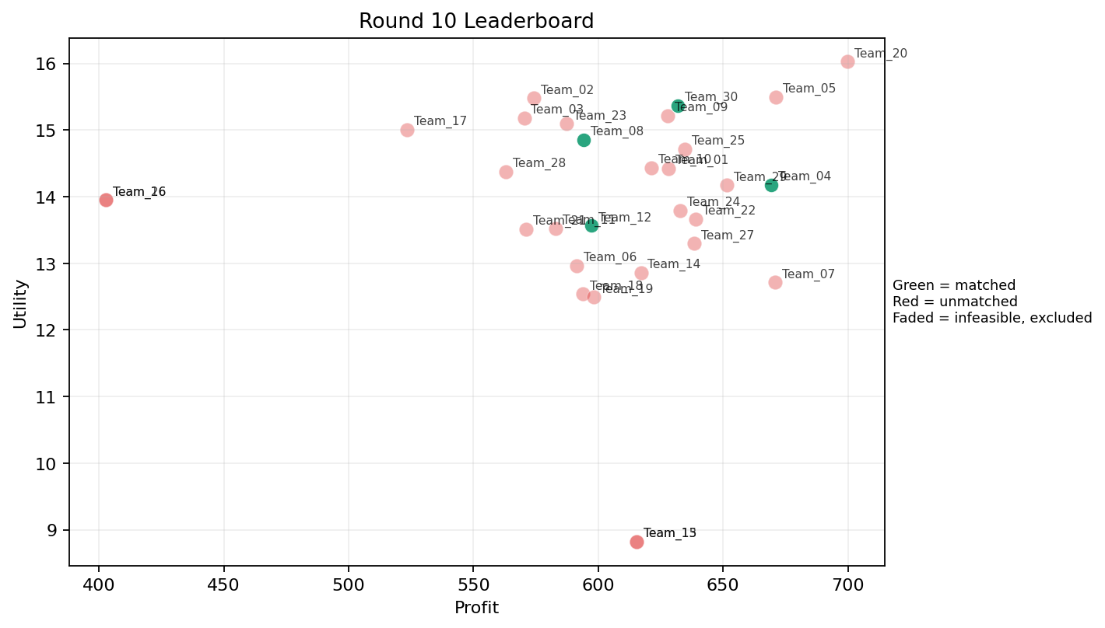
10 | 5 | Team_01 | Team_01 | 6 | I,H,K,G,F,N | FALSE | 628.25333333 | 14.422528151 | 2.3238333333 | 3.233 | 2.1468333333 | 1.9656666667 | 3.0891666667 | 0.16666666667 | 2026-03-12T10:40:04 | FALSE | 0 |  | FALSE | infeasible | 0 | 234.12666667 | 3
10 | 6 | Team_07 | Team_07 | 4 | L,O,G,K | FALSE | 670.8 | 12.714888537 | 3.074 | 3.12875 | 1.615 | 1.77875 | 2.90025 | 0.5 | 2026-03-12T10:40:05 | FALSE | 0 |  | FALSE | infeasible | 0 | 569.30666667 | 8
10 | 7 | Team_21 | Team_21 | 8 | I,F,L,N,R,A,O,C | FALSE | 571.11 | 13.512816129 | 2.86375 | 2.909375 | 2.861125 | 2.164 | 2.4125 | 0.25 | 2026-03-12T10:40:06 | FALSE | 0 |  | FALSE | infeasible | 0 | 0 | 0
10 | 8 | Team_24 | Team_24 | 6 | H,E,K,M,L,J | FALSE | 632.89333333 | 13.793002131 | 2.6825 | 3.258 | 2.0888333333 | 2.4655 | 2.998 | 0.66666666667 | 2026-03-12T10:40:07 | FALSE | 0 |  | FALSE | infeasible | 0 | 0 | 0
10 | 9 | Team_06 | Team_06 | 7 | G,N,O,C,K,F,A | FALSE | 591.38285714 | 12.961372804 | 2.7874285714 | 3.5031428571 | 2.6077142857 | 1.817 | 2.8141428571 | 0.28571428571 | 2026-03-12T10:40:08 | FALSE | 0 |  | FALSE | infeasible | 0 | 1866.4151429 | 27
10 | 10 | Team_12 | Team_12 | 7 | M,P,N,D,L,E,A | TRUE | 597.2 | 13.56686547 | 2.6872857143 | 2.7075714286 | 2.535 | 1.9595714286 | 2.8824285714 | 0.71428571429 | 2026-03-12T10:40:09 | TRUE | 8 | 12, 14, 16, 17, 18, 3, 35, 7 | TRUE |  | 597.2 | 597.2 | 8
10 | 11 | Team_16 | Team_16 | 1 | R | FALSE | 402.88 | 13.95161411 | 4.854 | 0.023 | 4.964 | 3.874 | 0.234 | 0 | 2026-03-12T10:40:10 | FALSE | 0 |  | FALSE | infeasible | 0 | 2941.4266667 | 40
10 | 12 | Team_15 | Team_15 | 1 | K | FALSE | 615.36 | 8.8229594953 | 4.056 | 3.589 | 2.308 | 1.861 | 1.19 | 1 | 2026-03-12T10:40:11 | FALSE | 0 |  | FALSE | infeasible | 0 | 1239.04 | 16
10 | 13 | Team_14 | Team_14 | 3 | C,Q,I | FALSE | 617.06666667 | 12.855236185 | 2.31 | 4.3106666667 | 2.2866666667 | 2.1816666667 | 2.4773333333 | 0.33333333333 | 2026-03-12T10:40:12 | FALSE | 0 |  | FALSE | infeasible | 0 | 549.26 | 8
10 | 14 | Team_04 | Team_04 | 3 | L,G,F | TRUE | 669.36 | 14.181310072 | 2.636 | 2.814 | 1.633 | 1.948 | 3.0816666667 | 0.33333333333 | 2026-03-12T10:40:13 | TRUE | 8 | 22, 23, 33, 34, 36, 37, 38, 39 | TRUE |  | 669.36 | 1268.7885714 | 16
10 | 15 | Team_26 | Team_26 | 1 | R | FALSE | 402.88 | 13.95161411 | 4.854 | 0.023 | 4.964 | 3.874 | 0.234 | 0 | 2026-03-12T10:40:14 | FALSE | 0 |  | FALSE | infeasible | 0 | 1264.0666667 | 16
10 | 16 | Team_22 | Team_22 | 8 | Q,I,H,L,D,C,E,P | FALSE | 638.91 | 13.663870969 | 2.493125 | 3.3135 | 2.013625 | 2.234375 | 2.715375 | 0.5 | 2026-03-12T10:40:15 | FALSE | 0 |  | FALSE | infeasible | 0 | 1513.12 | 16
10 | 17 | Team_18 | Team_18 | 5 | D,C,O,K,F | FALSE | 593.968 | 12.536713507 | 2.8816 | 3.5694 | 2.5754 | 1.7374 | 2.549 | 0.2 | 2026-03-12T10:40:16 | FALSE | 0 |  | FALSE | infeasible | 0 | 683.88 | 8
10 | 18 | Team_20 | Team_20 | 3 | G,I,O | FALSE | 699.78666667 | 16.026498654 | 1.811 | 3.6386666667 | 1.2526666667 | 1.8413333333 | 4.4256666667 | 0 | 2026-03-12T10:40:17 | FALSE | 0 |  | FALSE | infeasible | 0 | 578.56 | 8
10 | 19 | Team_08 | Team_08 | 6 | P,A,O,J,M,R | TRUE | 594.18666667 | 14.85575516 | 2.7116666667 | 2.6551666667 | 2.5726666667 | 2.863 | 2.8273333333 | 0.5 | 2026-03-12T10:40:18 | TRUE | 8 | 1, 15, 19, 24, 32, 4, 6, 8 | TRUE |  | 594.18666667 | 2060.1066667 | 24
10 | 20 | Team_11 | Team_11 | 2 | A,E | FALSE | 583.04 | 13.527778823 | 2.0585 | 4.371 | 2.712 | 2.011 | 4 | 1 | 2026-03-12T10:40:19 | FALSE | 0 |  | FALSE | infeasible | 0 | 1233.38 | 16
10 | 21 | Team_19 | Team_19 | 2 | O,C | FALSE | 598.04 | 12.491766852 | 2.807 | 4.371 | 2.5245 | 1.9105 | 2.749 | 0 | 2026-03-12T10:40:20 | FALSE | 0 |  | FALSE | infeasible | 0 | 600.77 | 8
10 | 22 | Team_27 | Team_27 | 5 | A,K,M,H,O | FALSE | 638.496 | 13.295019188 | 2.0338 | 4.2146 | 2.0188 | 1.8764 | 3.1888 | 0.6 | 2026-03-12T10:40:21 | FALSE | 0 |  | FALSE | infeasible | 0 | 843.84666667 | 10
10 | 23 | Team_05 | Team_05 | 2 | O,H | FALSE | 671.2 | 15.498571452 | 1.3435 | 4.371 | 1.61 | 1.9605 | 3.817 | 0 | 2026-03-12T10:40:22 | FALSE | 0 |  | FALSE | infeasible | 0 | 987.4875 | 13
10 | 24 | Team_29 | Team_29 | 7 | C,I,H,B,G,P,L | FALSE | 651.38285714 | 14.171202398 | 2.8377142857 | 2.8317142857 | 1.8577142857 | 2.2628571429 | 2.9204285714 | 0.28571428571 | 2026-03-12T10:40:23 | FALSE | 0 |  | FALSE | infeasible | 0 | 0 | 0
10 | 25 | Team_30 | Team_30 | 8 | G,I,R,P,J,H,E,A | TRUE | 631.81 | 15.369582964 | 2.5805 | 2.8095 | 2.102375 | 2.85375 | 3.194375 | 0.375 | 2026-03-12T10:40:24 | TRUE | 8 | 13, 20, 21, 27, 28, 30, 5, 9 | TRUE |  | 631.81 | 3262.0957143 | 40
10 | 26 | Team_25 | Team_25 | 6 | D,O,I,E,A,P | FALSE | 634.74666667 | 14.711143228 | 2.1485 | 3.3228333333 | 2.0656666667 | 2.072 | 3.5538333333 | 0.5 | 2026-03-12T10:40:25 | FALSE | 0 |  | FALSE | infeasible | 0 | 709.36 | 8
10 | 27 | Team_23 | Team_23 | 3 | A,F,J | FALSE | 587.28 | 15.094086439 | 2.5383333333 | 3.1586666667 | 2.659 | 2.855 | 3.148 | 0.33333333333 | 2026-03-12T10:40:26 | FALSE | 0 |  | FALSE | infeasible | 0 | 506.07375 | 7
10 | 28 | Team_03 | Team_03 | 6 | G,M,O,R,B,J | FALSE | 570.29333333 | 15.184938621 | 3.0273333333 | 2.3733333333 | 2.8713333333 | 2.4038333333 | 3.4568333333 | 0.16666666667 | 2026-03-12T10:40:27 | FALSE | 0 |  | FALSE | infeasible | 0 | 598.72 | 8
10 | 29 | Team_17 | Team_17 | 4 | I,B,E,R | FALSE | 523.32 | 15.003032841 | 2.966 | 2.3355 | 3.4585 | 2.335 | 3.3335 | 0.25 | 2026-03-12T10:40:28 | FALSE | 0 |  | FALSE | infeasible | 0 | 786.51 | 11
10 | 30 | Team_02 | Team_02 | 6 | J,O,P,I,N,R | FALSE | 574.22666667 | 15.479260707 | 2.9451666667 | 1.9688333333 | 2.8221666667 | 2.8673333333 | 2.6573333333 | 0.16666666667 | 2026-03-12T10:40:29 | FALSE | 0 |  | FALSE | infeasible | 0 | 657.41333333 | 8

