Round 1
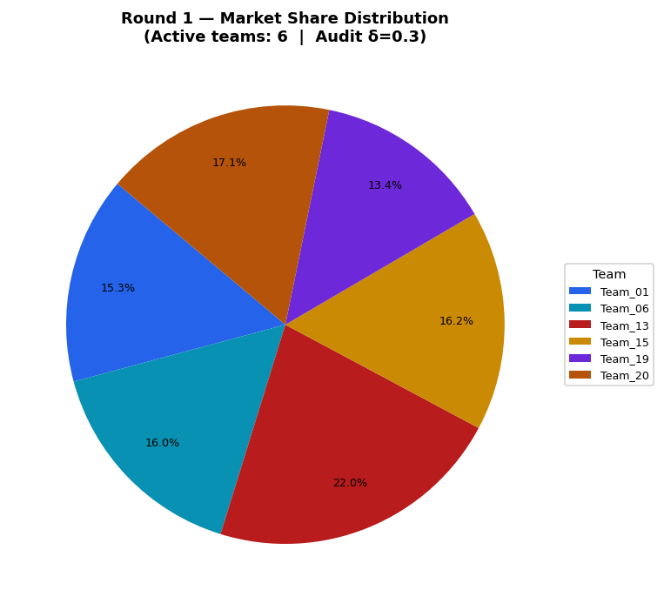
Team | Picks | Price | Feasible | Audit Excl. | Avg Env | Avg Social | Avg Cost | Share % | Profit
Team_01 | P,B,C | 104.83 | Yes |  | 2.582 | 2.193 | 2.77 | 15.29 | 235.83
Team_02 | D,E,F | 104.73 | Yes | Yes | 1.548 | 2.962 | 2.829 | 0 | 0
Team_03 | P,Q,O | 91.74 | No |  | 1.827 | 3.63 | 2.061 | 0 | 0
Team_04 | J,B,C | 91.87 | No |  | 2.949 | 2.003 | 3.266 | 0 | 0
Team_05 | D,N,O | 90.53 | Yes | Yes | 1.616 | 2.335 | 3.257 | 0 | 0
Team_06 | D,Q,R | 104.03 | Yes |  | 2.43 | 2.198 | 3.495 | 16.04 | 221.68
Team_07 | J,E,L | 101.79 | No |  | 3.106 | 2.002 | 2.349 | 0 | 0
Team_08 | A,E,R | 98.45 | Yes | Yes | 2.624 | 2.255 | 3.463 | 0 | 0
Team_09 | G,E,F | 109.14 | No |  | 1.852 | 3.395 | 2.696 | 0 | 0
Team_10 | G,B,C | 97.6 | Yes | Yes | 2.665 | 2.643 | 3.133 | 0 | 0
Team_11 | G,H,O | 95.29 | No |  | 1.797 | 4.056 | 1.814 | 0 | 0
Team_12 | A,Q,L | 100.72 | No |  | 2.605 | 3.314 | 2.271 | 0 | 0
Team_13 | J,B,O | 95.86 | Yes |  | 2.697 | 2.003 | 3.204 | 21.96 | 280.29
Team_14 | P,N,I | 101.55 | Yes | Yes | 1.761 | 2.067 | 3.065 | 0 | 0
Team_15 | P,B,C | 103.23 | Yes |  | 2.582 | 2.193 | 2.77 | 16.24 | 245.37
Team_16 | G,B,F | 107.33 | Yes | Yes | 2.303 | 2.481 | 3.32 | 0 | 0
Team_17 | J,H,L | 102.71 | No |  | 2.94 | 2.502 | 1.716 | 0 | 0
Team_18 | G,E,I | 97.11 | No |  | 1.886 | 3.305 | 2.751 | 0 | 0
Team_19 | P,H,R | 108.73 | Yes |  | 2.539 | 2.157 | 2.389 | 13.36 | 226.72
Team_20 | P,B,O | 102.7 | Yes |  | 2.33 | 2.193 | 2.708 | 17.1 | 258.69
Team_21 | M,Q,F | 93.27 | No |  | 1.236 | 4.4 | 2.645 | 0 | 0
Team_22 | J,H,R | 103.76 | No |  | 2.906 | 1.967 | 2.885 | 0 | 0
Team_23 | D,Q,I | 106.86 | No |  | 1.529 | 3.397 | 2.861 | 0 | 0
Team_24 | A,E,C | 106.1 | No |  | 2.051 | 3.704 | 2.587 | 0 | 0
Team_25 | J,H,C | 94.22 | No |  | 2.333 | 3.417 | 2.01 | 0 | 0
Team_26 | M,Q,I | 94.25 | No |  | 1.27 | 4.311 | 2.7 | 0 | 0
Team_27 | J,K,R | 99.18 | No |  | 3.855 | 1.207 | 3.298 | 0 | 0
Team_28 | G,E,F | 104.9 | No |  | 1.852 | 3.395 | 2.696 | 0 | 0
Team_29 | M,H,R | 101.69 | No |  | 2.059 | 3.088 | 2.724 | 0 | 0
Team_30 | M,K,I | 94.39 | No |  | 2.106 | 3.526 | 2.504 | 0 | 0

Round 2
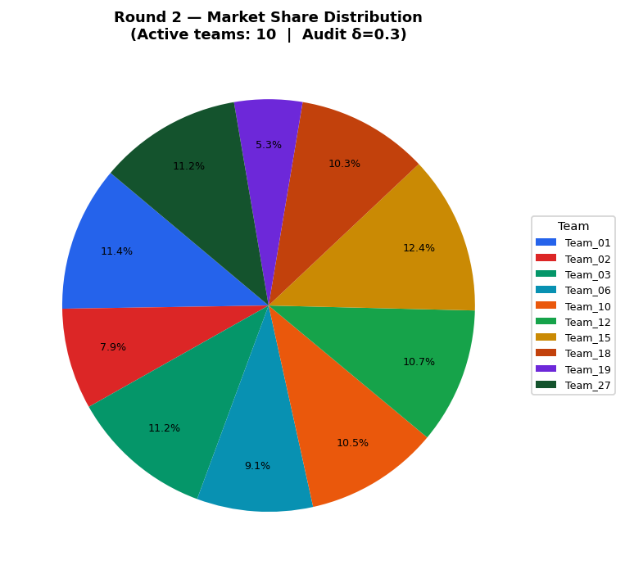
Team | Picks | Price | Feasible | Audit Excl. | Avg Env | Avg Social | Avg Cost | Share % | Profit
Team_01 | P,B,C | 97.71 | Yes |  | 2.582 | 2.193 | 2.77 | 11.36 | 159.03
Team_02 | A,Q,R | 104.73 | Yes |  | 2.571 | 2.779 | 3.44 | 7.92 | 111.44
Team_03 | M,B,R | 100 | Yes |  | 2.675 | 1.675 | 3.981 | 11.2 | 134.85
Team_04 | D,B,F | 100 | Yes | Yes | 1.998 | 2.049 | 3.453 | 0 | 0
Team_05 | D,N,O | 90.53 | Yes | Yes | 1.616 | 2.335 | 3.257 | 0 | 0
Team_06 | D,Q,R | 104.03 | Yes |  | 2.43 | 2.198 | 3.495 | 9.09 | 125.64
Team_07 | A,N,F | 100 | Yes | Yes | 1.646 | 2.755 | 3.451 | 0 | 0
Team_08 | G,N,O | 98.45 | Yes | Yes | 1.921 | 2.768 | 3.124 | 0 | 0
Team_09 | P,H,L | 100 | Yes | Yes | 2.573 | 2.692 | 1.22 | 0 | 0
Team_10 | G,B,C | 97.6 | Yes |  | 2.665 | 2.643 | 3.133 | 10.49 | 139.03
Team_11 | G,B,O | 100 | Yes | Yes | 2.413 | 2.643 | 3.071 | 0 | 0
Team_12 | D,B,C | 100 | Yes |  | 2.361 | 2.21 | 3.266 | 10.66 | 143.6
Team_13 | J,B,O | 95.86 | Yes | Yes | 2.697 | 2.003 | 3.204 | 0 | 0
Team_14 | A,N,F | 101.55 | Yes | Yes | 1.646 | 2.755 | 3.451 | 0 | 0
Team_15 | P,B,C | 95.41 | Yes |  | 2.582 | 2.193 | 2.77 | 12.41 | 168.11
Team_16 | G,B,F | 107.33 | Yes | Yes | 2.303 | 2.481 | 3.32 | 0 | 0
Team_17 | J,E,C | 100 | Yes | Yes | 2.499 | 2.917 | 2.642 | 0 | 0
Team_18 | P,Q,R | 100 | Yes |  | 2.652 | 2.181 | 2.998 | 10.33 | 144.68
Team_19 | P,H,R | 118.54 | Yes |  | 2.539 | 2.157 | 2.389 | 5.33 | 100.83
Team_20 | P,B,O | 102.7 | Yes | Yes | 2.33 | 2.193 | 2.708 | 0 | 0
Team_21 | D,N,L | 100 | Yes | Yes | 2.475 | 1.421 | 3.026 | 0 | 0
Team_22 | D,E,L | 100 | Yes | Yes | 2.517 | 2.209 | 2.349 | 0 | 0
Team_23 | J,B,F | 100 | Yes | Yes | 2.586 | 1.842 | 3.453 | 0 | 0
Team_24 | J,E,F | 100 | Yes | Yes | 2.136 | 2.755 | 2.829 | 0 | 0
Team_25 | A,B,O | 100 | Yes | Yes | 2.249 | 2.791 | 3.149 | 0 | 0
Team_26 | D,B,O | 100 | Yes | Yes | 2.109 | 2.21 | 3.204 | 0 | 0
Team_27 | M,B,R | 100 | Yes |  | 2.675 | 1.675 | 3.981 | 11.2 | 134.85
Team_28 | D,H,L | 100 | Yes | Yes | 2.352 | 2.709 | 1.716 | 0 | 0
Team_29 | A,N,F | 100 | Yes | Yes | 1.646 | 2.755 | 3.451 | 0 | 0
Team_30 | G,B,F | 100 | Yes | Yes | 2.303 | 2.481 | 3.32 | 0 | 0

Round 3
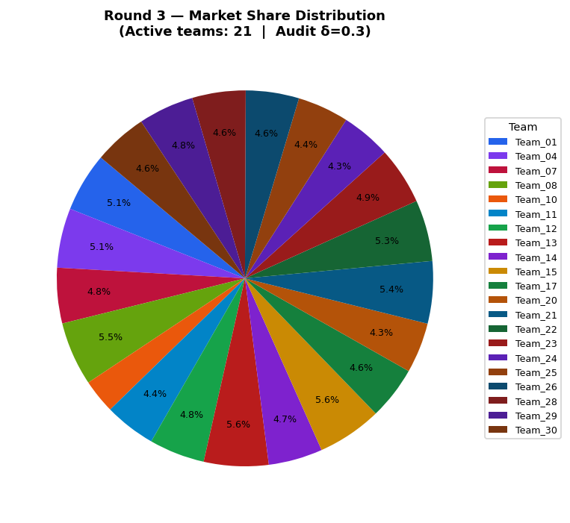
Team | Picks | Price | Feasible | Audit Excl. | Avg Env | Avg Social | Avg Cost | Share % | Profit
Team_01 | P,B,C | 97.71 | Yes |  | 2.582 | 2.193 | 2.77 | 5.08 | 71.13
Team_02 | A,Q,R | 104.73 | Yes | Yes | 2.571 | 2.779 | 3.44 | 0 | 0
Team_03 | M,B,R | 100 | Yes | Yes | 2.675 | 1.675 | 3.981 | 0 | 0
Team_04 | D,B,F | 100 | Yes |  | 1.998 | 2.049 | 3.453 | 5.12 | 67.1
Team_05 | P,K,O | 90.53 | Yes | Yes | 2.663 | 2.846 | 1.864 | 0 | 0
Team_06 | D,Q,R | 104.03 | Yes | Yes | 2.43 | 2.198 | 3.495 | 0 | 0
Team_07 | A,N,F | 100 | Yes |  | 1.646 | 2.755 | 3.451 | 4.77 | 62.54
Team_08 | D,B,I | 98.45 | Yes |  | 2.032 | 1.959 | 3.508 | 5.49 | 69.63
Team_09 | P,E,R | 100 | Yes | Yes | 2.705 | 1.657 | 3.021 | 0 | 0
Team_10 | G,B,C | 110.09 | Yes |  | 2.665 | 2.643 | 3.133 | 2.94 | 46.27
Team_11 | G,B,O | 100 | Yes |  | 2.413 | 2.643 | 3.071 | 4.41 | 61.19
Team_12 | D,B,C | 100 | Yes |  | 2.361 | 2.21 | 3.266 | 4.77 | 64.22
Team_13 | J,B,O | 95.86 | Yes |  | 2.697 | 2.003 | 3.204 | 5.55 | 70.85
Team_14 | J,B,F | 101.55 | Yes |  | 2.586 | 1.842 | 3.453 | 4.65 | 62.27
Team_15 | P,B,C | 95.41 | Yes |  | 2.582 | 2.193 | 2.77 | 5.55 | 75.18
Team_16 | D,K,I | 107.33 | Yes | Yes | 2.365 | 2.612 | 2.665 | 0 | 0
Team_17 | P,E,L | 100 | Yes |  | 2.739 | 2.192 | 1.853 | 4.56 | 74.38
Team_18 | P,Q,R | 100 | Yes | Yes | 2.652 | 2.181 | 2.998 | 0 | 0
Team_19 | P,H,R | 118.54 | Yes | Yes | 2.539 | 2.157 | 2.389 | 0 | 0
Team_20 | P,B,O | 102.7 | Yes |  | 2.33 | 2.193 | 2.708 | 4.33 | 65.56
Team_21 | D,N,L | 100 | Yes |  | 2.475 | 1.421 | 3.026 | 5.36 | 74.76
Team_22 | P,N,I | 100 | Yes |  | 1.761 | 2.067 | 3.065 | 5.27 | 73.02
Team_23 | J,B,F | 100 | Yes |  | 2.586 | 1.842 | 3.453 | 4.93 | 64.53
Team_24 | G,B,C | 100 | Yes |  | 2.665 | 2.643 | 3.133 | 4.28 | 58.78
Team_25 | A,B,O | 100 | Yes |  | 2.249 | 2.791 | 3.149 | 4.4 | 60.28
Team_26 | M,B,L | 100 | Yes |  | 2.709 | 2.21 | 2.812 | 4.57 | 65.67
Team_27 | M,B,R | 100 | Yes | Yes | 2.675 | 1.675 | 3.981 | 0 | 0
Team_28 | A,N,O | 100 | Yes |  | 1.756 | 2.916 | 3.202 | 4.59 | 62.37
Team_29 | A,N,F | 100 | Yes |  | 1.646 | 2.755 | 3.451 | 4.77 | 62.54
Team_30 | G,B,F | 100 | Yes |  | 2.303 | 2.481 | 3.32 | 4.59 | 61.39

Round 4
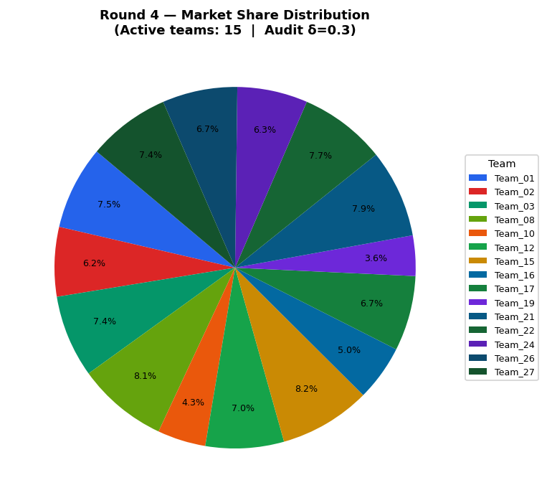
Team | Picks | Price | Feasible | Audit Excl. | Avg Env | Avg Social | Avg Cost | Share % | Profit
Team_01 | P,B,C | 97.71 | Yes |  | 2.582 | 2.193 | 2.77 | 7.48 | 104.71
Team_02 | P,B,I | 104.73 | Yes |  | 2.253 | 1.942 | 3.012 | 6.21 | 92.73
Team_03 | M,B,R | 100 | Yes |  | 2.675 | 1.675 | 3.981 | 7.37 | 88.76
Team_04 | D,B,F | 100 | Yes | Yes | 1.998 | 2.049 | 3.453 | 0 | 0
Team_05 | P,K,O | 90.53 | Yes | Yes | 2.663 | 2.846 | 1.864 | 0 | 0
Team_06 | D,E,F | 104.03 | Yes | Yes | 1.548 | 2.962 | 2.829 | 0 | 0
Team_07 | A,N,F | 100 | Yes | Yes | 1.646 | 2.755 | 3.451 | 0 | 0
Team_08 | D,B,I | 98.45 | Yes |  | 2.032 | 1.959 | 3.508 | 8.09 | 102.48
Team_09 | P,N,F | 100 | Yes | Yes | 1.727 | 2.157 | 3.01 | 0 | 0
Team_10 | G,B,C | 110.09 | Yes |  | 2.665 | 2.643 | 3.133 | 4.32 | 67.99
Team_11 | G,B,O | 100 | Yes | Yes | 2.413 | 2.643 | 3.071 | 0 | 0
Team_12 | D,B,C | 100 | Yes |  | 2.361 | 2.21 | 3.266 | 7.02 | 94.51
Team_13 | J,B,O | 95.86 | Yes | Yes | 2.697 | 2.003 | 3.204 | 0 | 0
Team_14 | J,B,F | 101.55 | Yes | Yes | 2.586 | 1.842 | 3.453 | 0 | 0
Team_15 | P,B,C | 95.41 | Yes |  | 2.582 | 2.193 | 2.77 | 8.18 | 110.72
Team_16 | D,K,I | 107.33 | Yes |  | 2.365 | 2.612 | 2.665 | 4.99 | 80.48
Team_17 | P,E,L | 100 | Yes |  | 2.739 | 2.192 | 1.853 | 6.72 | 109.45
Team_18 | J,B,O | 100 | Yes | Yes | 2.697 | 2.003 | 3.204 | 0 | 0
Team_19 | M,N,I | 118.54 | Yes |  | 1.28 | 2.998 | 3.401 | 3.61 | 61.02
Team_20 | P,B,O | 102.7 | Yes | Yes | 2.33 | 2.193 | 2.708 | 0 | 0
Team_21 | D,N,L | 100 | Yes |  | 2.475 | 1.421 | 3.026 | 7.88 | 109.96
Team_22 | P,N,I | 100 | Yes |  | 1.761 | 2.067 | 3.065 | 7.75 | 107.45
Team_23 | J,B,F | 100 | Yes | Yes | 2.586 | 1.842 | 3.453 | 0 | 0
Team_24 | G,B,C | 100 | Yes |  | 2.665 | 2.643 | 3.133 | 6.3 | 86.52
Team_25 | A,B,O | 100 | Yes | Yes | 2.249 | 2.791 | 3.149 | 0 | 0
Team_26 | M,B,L | 100 | Yes |  | 2.709 | 2.21 | 2.812 | 6.72 | 96.64
Team_27 | M,B,R | 100 | Yes |  | 2.675 | 1.675 | 3.981 | 7.37 | 88.76
Team_28 | A,N,O | 100 | Yes | Yes | 1.756 | 2.916 | 3.202 | 0 | 0
Team_29 | A,N,F | 100 | Yes | Yes | 1.646 | 2.755 | 3.451 | 0 | 0
Team_30 | G,B,F | 100 | Yes | Yes | 2.303 | 2.481 | 3.32 | 0 | 0

Round 5
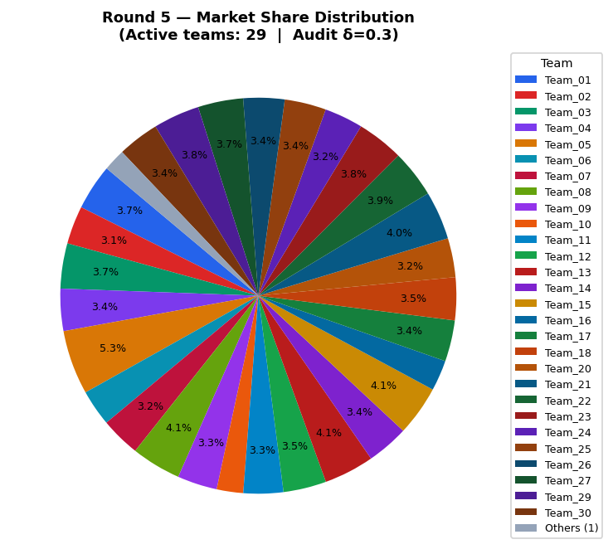
Team | Picks | Price | Feasible | Audit Excl. | Avg Env | Avg Social | Avg Cost | Share % | Profit
Team_01 | P,B,C | 97.71 | Yes |  | 2.582 | 2.193 | 2.77 | 3.74 | 52.38
Team_02 | P,B,I | 104.73 | Yes |  | 2.253 | 1.942 | 3.012 | 3.11 | 46.43
Team_03 | M,B,R | 100 | Yes |  | 2.675 | 1.675 | 3.981 | 3.69 | 44.43
Team_04 | D,E,F | 100 | Yes |  | 1.548 | 2.962 | 2.829 | 3.44 | 49.38
Team_05 | J,B,F | 90.53 | Yes |  | 2.586 | 1.842 | 3.453 | 5.25 | 58.78
Team_06 | D,E,F | 104.03 | Yes |  | 1.548 | 2.962 | 2.829 | 2.96 | 44.84
Team_07 | D,H,L | 100 | Yes |  | 2.352 | 2.709 | 1.716 | 3.24 | 53.69
Team_08 | D,B,I | 98.45 | Yes |  | 2.032 | 1.959 | 3.508 | 4.05 | 51.28
Team_09 | D,K,F | 100 | Yes |  | 2.331 | 2.702 | 2.609 | 3.25 | 48.09
Team_10 | G,B,C | 110.09 | Yes |  | 2.665 | 2.643 | 3.133 | 2.16 | 34.05
Team_11 | G,B,O | 100 | Yes |  | 2.413 | 2.643 | 3.071 | 3.25 | 45.06
Team_12 | D,B,C | 100 | Yes |  | 2.361 | 2.21 | 3.266 | 3.51 | 47.29
Team_13 | J,B,O | 95.86 | Yes |  | 2.697 | 2.003 | 3.204 | 4.09 | 52.19
Team_14 | J,B,F | 101.55 | Yes |  | 2.586 | 1.842 | 3.453 | 3.42 | 45.85
Team_15 | P,B,C | 95.41 | Yes |  | 2.582 | 2.193 | 2.77 | 4.09 | 55.38
Team_16 | D,K,I | 107.33 | Yes |  | 2.365 | 2.612 | 2.665 | 2.5 | 40.3
Team_17 | P,E,L | 100 | Yes |  | 2.739 | 2.192 | 1.853 | 3.36 | 54.77
Team_18 | J,B,O | 100 | Yes |  | 2.697 | 2.003 | 3.204 | 3.49 | 47.37
Team_19 | M,N,I | 118.54 | Yes |  | 1.28 | 2.998 | 3.401 | 1.81 | 30.59
Team_20 | P,B,O | 102.7 | Yes |  | 2.33 | 2.193 | 2.708 | 3.19 | 48.26
Team_21 | D,N,L | 100 | Yes |  | 2.475 | 1.421 | 3.026 | 3.95 | 55.05
Team_22 | P,N,I | 100 | Yes |  | 1.761 | 2.067 | 3.065 | 3.88 | 53.77
Team_23 | D,B,I | 100 | Yes |  | 2.032 | 1.959 | 3.508 | 3.81 | 49.51
Team_24 | G,B,C | 100 | Yes |  | 2.665 | 2.643 | 3.133 | 3.15 | 43.28
Team_25 | M,B,I | 100 | Yes |  | 1.773 | 2.873 | 3.347 | 3.39 | 45.16
Team_26 | M,B,L | 100 | Yes |  | 2.709 | 2.21 | 2.812 | 3.36 | 48.36
Team_27 | M,B,R | 100 | Yes |  | 2.675 | 1.675 | 3.981 | 3.69 | 44.43
Team_28 | A,N,F | 100 | Yes | Yes | 1.646 | 2.755 | 3.451 | 0 | 0
Team_29 | D,N,O | 100 | Yes |  | 1.616 | 2.335 | 3.257 | 3.78 | 50.95
Team_30 | G,B,F | 100 | Yes |  | 2.303 | 2.481 | 3.32 | 3.38 | 45.21

Round 6
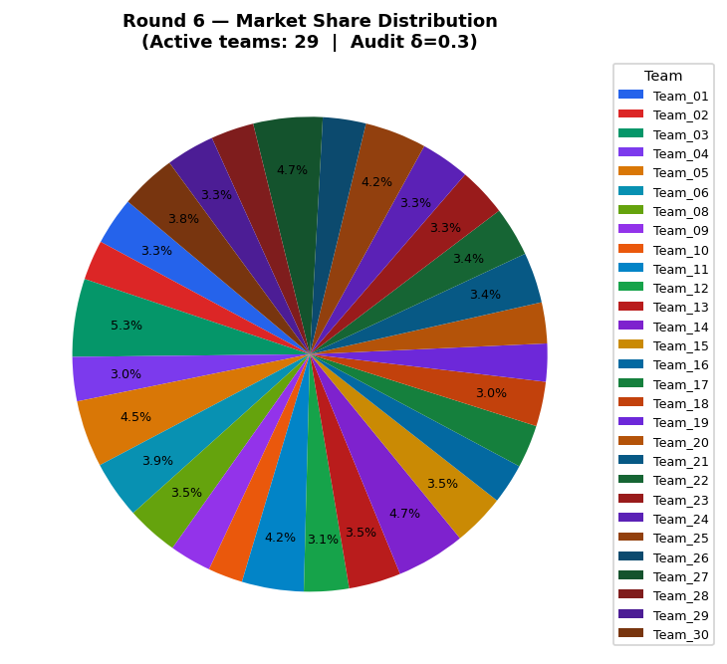
Team | Picks | Price | Feasible | Audit Excl. | Avg Env | Avg Social | Avg Cost | Share % | Profit
Team_01 | P,B,C | 97.71 | Yes |  | 2.582 | 2.193 | 2.77 | 3.26 | 45.6
Team_02 | P,B,I | 104.73 | Yes |  | 2.253 | 1.942 | 3.012 | 2.72 | 40.6
Team_03 | M,B,R | 87.04 | Yes |  | 2.675 | 1.675 | 3.981 | 5.31 | 50.17
Team_04 | D,E,F | 100 | Yes |  | 1.548 | 2.962 | 2.829 | 3.01 | 43.1
Team_05 | J,B,F | 90.53 | Yes |  | 2.586 | 1.842 | 3.453 | 4.55 | 50.95
Team_06 | D,E,F | 92.94 | Yes |  | 1.548 | 2.962 | 2.829 | 3.92 | 50.75
Team_07 | D,H,L | 100 | Yes | Yes | 2.352 | 2.709 | 1.716 | 0 | 0
Team_08 | D,B,I | 98.45 | Yes |  | 2.032 | 1.959 | 3.508 | 3.53 | 44.68
Team_09 | D,K,F | 100 | Yes |  | 2.331 | 2.702 | 2.609 | 2.84 | 41.94
Team_10 | G,B,C | 104.14 | Yes |  | 2.665 | 2.643 | 3.133 | 2.36 | 34.3
Team_11 | G,B,O | 89.67 | Yes |  | 2.413 | 2.643 | 3.071 | 4.21 | 49.66
Team_12 | D,B,C | 100 | Yes |  | 2.361 | 2.21 | 3.266 | 3.06 | 41.23
Team_13 | J,B,O | 95.86 | Yes |  | 2.697 | 2.003 | 3.204 | 3.55 | 45.37
Team_14 | J,B,F | 89.75 | Yes |  | 2.586 | 1.842 | 3.453 | 4.69 | 51.79
Team_15 | P,B,C | 95.41 | Yes |  | 2.582 | 2.193 | 2.77 | 3.55 | 48.14
Team_16 | D,K,I | 101.22 | Yes |  | 2.365 | 2.612 | 2.665 | 2.74 | 40.84
Team_17 | P,E,L | 100 | Yes |  | 2.739 | 2.192 | 1.853 | 2.93 | 47.74
Team_18 | J,B,O | 100 | Yes |  | 2.697 | 2.003 | 3.204 | 3.04 | 41.29
Team_19 | M,N,I | 104.94 | Yes |  | 1.28 | 2.998 | 3.401 | 2.58 | 36.6
Team_20 | P,B,O | 102.7 | Yes |  | 2.33 | 2.193 | 2.708 | 2.79 | 42.15
Team_21 | D,N,L | 100 | Yes |  | 2.475 | 1.421 | 3.026 | 3.44 | 47.97
Team_22 | P,N,I | 100 | Yes |  | 1.761 | 2.067 | 3.065 | 3.38 | 46.91
Team_23 | D,B,I | 100 | Yes |  | 2.032 | 1.959 | 3.508 | 3.33 | 43.18
Team_24 | G,B,C | 94.87 | Yes |  | 2.665 | 2.643 | 3.133 | 3.34 | 42.42
Team_25 | M,B,I | 90.8 | Yes |  | 1.773 | 2.873 | 3.347 | 4.2 | 48.19
Team_26 | M,B,L | 100 | Yes |  | 2.709 | 2.21 | 2.812 | 2.93 | 42.15
Team_27 | M,B,R | 90.1 | Yes |  | 2.675 | 1.675 | 3.981 | 4.71 | 47.34
Team_28 | P,E,L | 100 | Yes |  | 2.739 | 2.192 | 1.853 | 2.93 | 47.74
Team_29 | D,N,O | 100 | Yes |  | 1.616 | 2.335 | 3.257 | 3.3 | 44.46
Team_30 | G,B,F | 93.24 | Yes |  | 2.303 | 2.481 | 3.32 | 3.82 | 45.82

Round 7
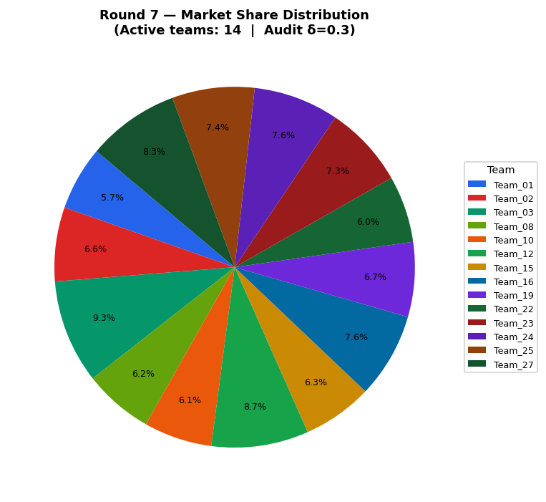
Team | Picks | Price | Feasible | Audit Excl. | Avg Env | Avg Social | Avg Cost | Share % | Profit
Team_01 | P,B,C | 97.71 | Yes |  | 2.582 | 2.193 | 2.77 | 5.75 | 80.51
Team_02 | P,B,I | 96.09 | Yes |  | 2.253 | 1.942 | 3.012 | 6.63 | 87.52
Team_03 | M,B,R | 87.04 | Yes |  | 2.675 | 1.675 | 3.981 | 9.31 | 87.98
Team_04 | D,E,F | 90.12 | Yes | Yes | 1.548 | 2.962 | 2.829 | 0 | 0
Team_05 | J,B,F | 90.53 | Yes | Yes | 2.586 | 1.842 | 3.453 | 0 | 0
Team_06 | D,E,F | 92.94 | Yes | Yes | 1.548 | 2.962 | 2.829 | 0 | 0
Team_07 | D,B,F | 100 | Yes | Yes | 1.998 | 2.049 | 3.453 | 0 | 0
Team_08 | D,B,I | 98.45 | Yes |  | 2.032 | 1.959 | 3.508 | 6.23 | 78.94
Team_09 | D,K,F | 87.8 | Yes | Yes | 2.331 | 2.702 | 2.609 | 0 | 0
Team_10 | G,B,C | 93.84 | Yes |  | 2.665 | 2.643 | 3.133 | 6.12 | 76.49
Team_11 | G,B,O | 89.67 | Yes | Yes | 2.413 | 2.643 | 3.071 | 0 | 0
Team_12 | D,B,C | 87.42 | Yes |  | 2.361 | 2.21 | 3.266 | 8.72 | 95.54
Team_13 | J,B,O | 95.86 | Yes | Yes | 2.697 | 2.003 | 3.204 | 0 | 0
Team_14 | J,B,F | 89.75 | Yes | Yes | 2.586 | 1.842 | 3.453 | 0 | 0
Team_15 | P,B,C | 95.41 | Yes |  | 2.582 | 2.193 | 2.77 | 6.27 | 84.87
Team_16 | D,K,I | 89.17 | Yes |  | 2.365 | 2.612 | 2.665 | 7.63 | 95.39
Team_17 | P,E,L | 100 | Yes | Yes | 2.739 | 2.192 | 1.853 | 0 | 0
Team_18 | J,B,O | 88.54 | Yes | Yes | 2.697 | 2.003 | 3.204 | 0 | 0
Team_19 | M,N,I | 94.54 | Yes |  | 1.28 | 2.998 | 3.401 | 6.7 | 81.13
Team_20 | P,B,O | 89.42 | Yes | Yes | 2.33 | 2.193 | 2.708 | 0 | 0
Team_21 | D,N,L | 100 | Yes | Yes | 2.475 | 1.421 | 3.026 | 0 | 0
Team_22 | P,N,I | 100 | Yes |  | 1.761 | 2.067 | 3.065 | 5.98 | 82.99
Team_23 | D,B,I | 94.07 | Yes |  | 2.032 | 1.959 | 3.508 | 7.34 | 86.59
Team_24 | G,B,C | 88.03 | Yes |  | 2.665 | 2.643 | 3.133 | 7.65 | 86.72
Team_25 | M,B,I | 90.8 | Yes |  | 1.773 | 2.873 | 3.347 | 7.4 | 84.8
Team_26 | M,B,L | 88.08 | Yes | Yes | 2.709 | 2.21 | 2.812 | 0 | 0
Team_27 | M,B,R | 90.1 | Yes |  | 2.675 | 1.675 | 3.981 | 8.27 | 83.17
Team_28 | P,E,L | 100 | Yes | Yes | 2.739 | 2.192 | 1.853 | 0 | 0
Team_29 | D,N,O | 100 | Yes | Yes | 1.616 | 2.335 | 3.257 | 0 | 0
Team_30 | G,B,F | 93.24 | Yes | Yes | 2.303 | 2.481 | 3.32 | 0 | 0

Round 8
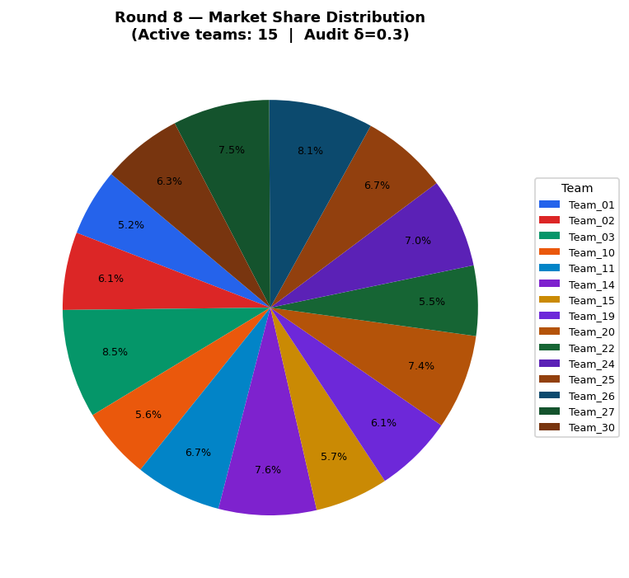
Team | Picks | Price | Feasible | Audit Excl. | Avg Env | Avg Social | Avg Cost | Share % | Profit
Team_01 | P,B,C | 97.71 | Yes |  | 2.582 | 2.193 | 2.77 | 5.24 | 73.41
Team_02 | P,B,I | 96.09 | Yes |  | 2.253 | 1.942 | 3.012 | 6.05 | 79.79
Team_03 | M,B,R | 87.04 | Yes |  | 2.675 | 1.675 | 3.981 | 8.48 | 80.1
Team_04 | D,E,F | 90.12 | Yes | Yes | 1.548 | 2.962 | 2.829 | 0 | 0
Team_05 | J,B,F | 90.53 | Yes | Yes | 2.586 | 1.842 | 3.453 | 0 | 0
Team_06 | A,B,O | 92.94 | Yes | Yes | 2.249 | 2.791 | 3.149 | 0 | 0
Team_07 | A,B,O | 100 | Yes | Yes | 2.249 | 2.791 | 3.149 | 0 | 0
Team_08 | D,B,I | 98.45 | Yes | Yes | 2.032 | 1.959 | 3.508 | 0 | 0
Team_09 | D,B,I | 87.8 | Yes | Yes | 2.032 | 1.959 | 3.508 | 0 | 0
Team_10 | G,B,C | 93.84 | Yes |  | 2.665 | 2.643 | 3.133 | 5.58 | 69.71
Team_11 | G,B,O | 89.67 | Yes |  | 2.413 | 2.643 | 3.071 | 6.74 | 79.5
Team_12 | D,B,C | 87.42 | Yes | Yes | 2.361 | 2.21 | 3.266 | 0 | 0
Team_13 | J,B,O | 95.86 | Yes | Yes | 2.697 | 2.003 | 3.204 | 0 | 0
Team_14 | P,B,F | 89.75 | Yes |  | 2.219 | 2.031 | 2.957 | 7.61 | 91.59
Team_15 | P,B,C | 95.41 | Yes |  | 2.582 | 2.193 | 2.77 | 5.71 | 77.36
Team_16 | D,K,I | 89.17 | Yes | Yes | 2.365 | 2.612 | 2.665 | 0 | 0
Team_17 | D,B,O | 100 | Yes | Yes | 2.109 | 2.21 | 3.204 | 0 | 0
Team_18 | J,B,O | 88.54 | Yes | Yes | 2.697 | 2.003 | 3.204 | 0 | 0
Team_19 | M,N,I | 94.54 | Yes |  | 1.28 | 2.998 | 3.401 | 6.11 | 73.98
Team_20 | P,B,O | 89.42 | Yes |  | 2.33 | 2.193 | 2.708 | 7.4 | 92.29
Team_21 | D,N,L | 100 | Yes | Yes | 2.475 | 1.421 | 3.026 | 0 | 0
Team_22 | P,N,I | 100 | Yes |  | 1.761 | 2.067 | 3.065 | 5.46 | 75.71
Team_23 | D,B,I | 94.07 | Yes | Yes | 2.032 | 1.959 | 3.508 | 0 | 0
Team_24 | G,B,C | 88.03 | Yes |  | 2.665 | 2.643 | 3.133 | 6.96 | 78.97
Team_25 | M,B,I | 90.8 | Yes |  | 1.773 | 2.873 | 3.347 | 6.74 | 77.27
Team_26 | P,B,F | 88.08 | Yes |  | 2.219 | 2.031 | 2.957 | 8.12 | 94.97
Team_27 | M,B,R | 90.1 | Yes |  | 2.675 | 1.675 | 3.981 | 7.53 | 75.75
Team_28 | P,E,L | 100 | Yes | Yes | 2.739 | 2.192 | 1.853 | 0 | 0
Team_29 | D,N,C | 100 | Yes | Yes | 1.868 | 2.335 | 3.32 | 0 | 0
Team_30 | P,H,R | 93.24 | Yes |  | 2.539 | 2.157 | 2.389 | 6.27 | 86.98

Round 9
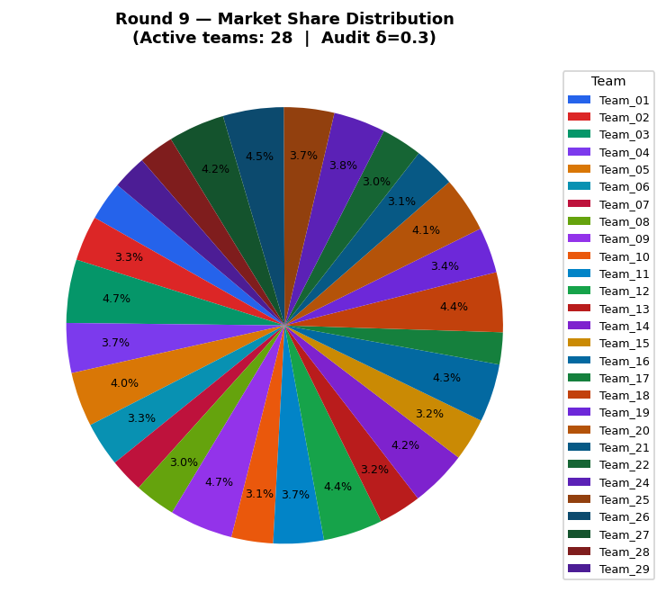
Team | Picks | Price | Feasible | Audit Excl. | Avg Env | Avg Social | Avg Cost | Share % | Profit
Team_01 | P,B,C | 97.71 | Yes |  | 2.582 | 2.193 | 2.77 | 2.9 | 40.59
Team_02 | P,B,I | 96.09 | Yes |  | 2.253 | 1.942 | 3.012 | 3.34 | 44.12
Team_03 | M,B,R | 87.04 | Yes |  | 2.675 | 1.675 | 3.981 | 4.69 | 44.33
Team_04 | A,N,C | 90.12 | Yes |  | 2.008 | 2.916 | 3.265 | 3.69 | 42.41
Team_05 | J,B,F | 90.53 | Yes |  | 2.586 | 1.842 | 3.453 | 4.03 | 45.13
Team_06 | A,B,O | 92.94 | Yes |  | 2.249 | 2.791 | 3.149 | 3.28 | 40.32
Team_07 | A,B,O | 100 | Yes |  | 2.249 | 2.791 | 3.149 | 2.52 | 34.54
Team_08 | M,B,R | 98.45 | Yes |  | 2.675 | 1.675 | 3.981 | 3.04 | 35.6
Team_09 | D,B,I | 87.8 | Yes |  | 2.032 | 1.959 | 3.508 | 4.7 | 49.59
Team_10 | G,B,C | 93.84 | Yes |  | 2.665 | 2.643 | 3.133 | 3.08 | 38.56
Team_11 | G,B,O | 89.67 | Yes |  | 2.413 | 2.643 | 3.071 | 3.73 | 43.99
Team_12 | D,B,C | 87.42 | Yes |  | 2.361 | 2.21 | 3.266 | 4.4 | 48.15
Team_13 | J,B,O | 95.86 | Yes |  | 2.697 | 2.003 | 3.204 | 3.16 | 40.32
Team_14 | P,B,F | 89.75 | Yes |  | 2.219 | 2.031 | 2.957 | 4.21 | 50.68
Team_15 | P,B,C | 95.41 | Yes |  | 2.582 | 2.193 | 2.77 | 3.16 | 42.78
Team_16 | P,B,F | 89.17 | Yes |  | 2.219 | 2.031 | 2.957 | 4.31 | 51.33
Team_17 | P,K,O | 100 | Yes |  | 2.663 | 2.846 | 1.864 | 2.37 | 38.59
Team_18 | M,B,R | 88.54 | Yes |  | 2.675 | 1.675 | 3.981 | 4.43 | 43.14
Team_19 | M,N,I | 94.54 | Yes |  | 1.28 | 2.998 | 3.401 | 3.38 | 40.92
Team_20 | P,B,O | 89.42 | Yes |  | 2.33 | 2.193 | 2.708 | 4.1 | 51.07
Team_21 | D,N,L | 100 | Yes |  | 2.475 | 1.421 | 3.026 | 3.06 | 42.75
Team_22 | P,N,I | 100 | Yes |  | 1.761 | 2.067 | 3.065 | 3.02 | 41.85
Team_23 | D,H,L | 94.07 | Yes | Yes | 2.352 | 2.709 | 1.716 | 0 | 0
Team_24 | G,B,C | 88.03 | Yes |  | 2.665 | 2.643 | 3.133 | 3.85 | 43.7
Team_25 | M,B,I | 90.8 | Yes |  | 1.773 | 2.873 | 3.347 | 3.73 | 42.75
Team_26 | P,B,F | 88.08 | Yes |  | 2.219 | 2.031 | 2.957 | 4.49 | 52.56
Team_27 | M,B,R | 90.1 | Yes |  | 2.675 | 1.675 | 3.981 | 4.17 | 41.91
Team_28 | P,E,L | 100 | Yes |  | 2.739 | 2.192 | 1.853 | 2.61 | 42.54
Team_29 | G,N,C | 100 | Yes |  | 2.173 | 2.768 | 3.186 | 2.55 | 34.81
Team_30 | P,H,R | 93.24 | Yes | Yes | 2.539 | 2.157 | 2.389 | 0 | 0

Round 10
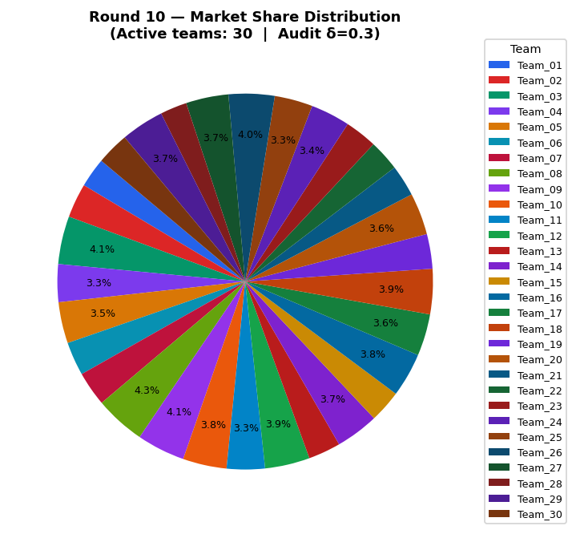
Team | Picks | Price | Feasible | Audit Excl. | Avg Env | Avg Social | Avg Cost | Share % | Profit
Team_01 | P,B,C | 97.71 | Yes |  | 2.582 | 2.193 | 2.77 | 2.55 | 35.77
Team_02 | P,B,I | 96.09 | Yes |  | 2.253 | 1.942 | 3.012 | 2.95 | 38.88
Team_03 | M,B,R | 87.04 | Yes |  | 2.675 | 1.675 | 3.981 | 4.12 | 38.96
Team_04 | A,N,C | 90.12 | Yes |  | 2.008 | 2.916 | 3.265 | 3.25 | 37.31
Team_05 | J,B,F | 90.53 | Yes |  | 2.586 | 1.842 | 3.453 | 3.54 | 39.7
Team_06 | A,B,O | 92.94 | Yes |  | 2.249 | 2.791 | 3.149 | 2.89 | 35.5
Team_07 | A,B,O | 92.24 | Yes |  | 2.249 | 2.791 | 3.149 | 2.97 | 36.04
Team_08 | M,B,R | 85.75 | Yes |  | 2.675 | 1.675 | 3.981 | 4.34 | 39.85
Team_09 | D,B,I | 87.8 | Yes |  | 2.032 | 1.959 | 3.508 | 4.14 | 43.6
Team_10 | G,B,C | 85.26 | Yes |  | 2.665 | 2.643 | 3.133 | 3.77 | 40.69
Team_11 | G,B,O | 89.67 | Yes |  | 2.413 | 2.643 | 3.071 | 3.28 | 38.69
Team_12 | D,B,C | 87.42 | Yes |  | 2.361 | 2.21 | 3.266 | 3.86 | 42.33
Team_13 | J,B,O | 95.86 | Yes |  | 2.697 | 2.003 | 3.204 | 2.78 | 35.52
Team_14 | P,B,F | 89.75 | Yes |  | 2.219 | 2.031 | 2.957 | 3.7 | 44.58
Team_15 | P,B,C | 95.41 | Yes |  | 2.582 | 2.193 | 2.77 | 2.78 | 37.68
Team_16 | P,B,F | 89.17 | Yes |  | 2.219 | 2.031 | 2.957 | 3.79 | 45.14
Team_17 | P,K,O | 85.66 | Yes |  | 2.663 | 2.846 | 1.864 | 3.59 | 48.18
Team_18 | M,B,R | 88.54 | Yes |  | 2.675 | 1.675 | 3.981 | 3.89 | 37.93
Team_19 | M,N,I | 94.54 | Yes |  | 1.28 | 2.998 | 3.401 | 2.98 | 36.05
Team_20 | P,B,O | 89.42 | Yes |  | 2.33 | 2.193 | 2.708 | 3.6 | 44.92
Team_21 | D,N,L | 100 | Yes |  | 2.475 | 1.421 | 3.026 | 2.7 | 37.7
Team_22 | P,N,I | 100 | Yes |  | 1.761 | 2.067 | 3.065 | 2.66 | 36.92
Team_23 | D,H,L | 94.07 | Yes |  | 2.352 | 2.709 | 1.716 | 2.77 | 42.59
Team_24 | G,B,C | 88.03 | Yes |  | 2.665 | 2.643 | 3.133 | 3.39 | 38.42
Team_25 | M,B,I | 90.8 | Yes |  | 1.773 | 2.873 | 3.347 | 3.28 | 37.63
Team_26 | P,B,F | 88.08 | Yes |  | 2.219 | 2.031 | 2.957 | 3.95 | 46.21
Team_27 | M,B,R | 90.1 | Yes |  | 2.675 | 1.675 | 3.981 | 3.66 | 36.86
Team_28 | P,E,L | 100 | Yes |  | 2.739 | 2.192 | 1.853 | 2.3 | 37.51
Team_29 | G,N,C | 86.79 | Yes |  | 2.173 | 2.768 | 3.186 | 3.7 | 40.65
Team_30 | P,K,F | 93.24 | Yes |  | 2.553 | 2.684 | 2.113 | 2.8 | 40.35

Cumulative
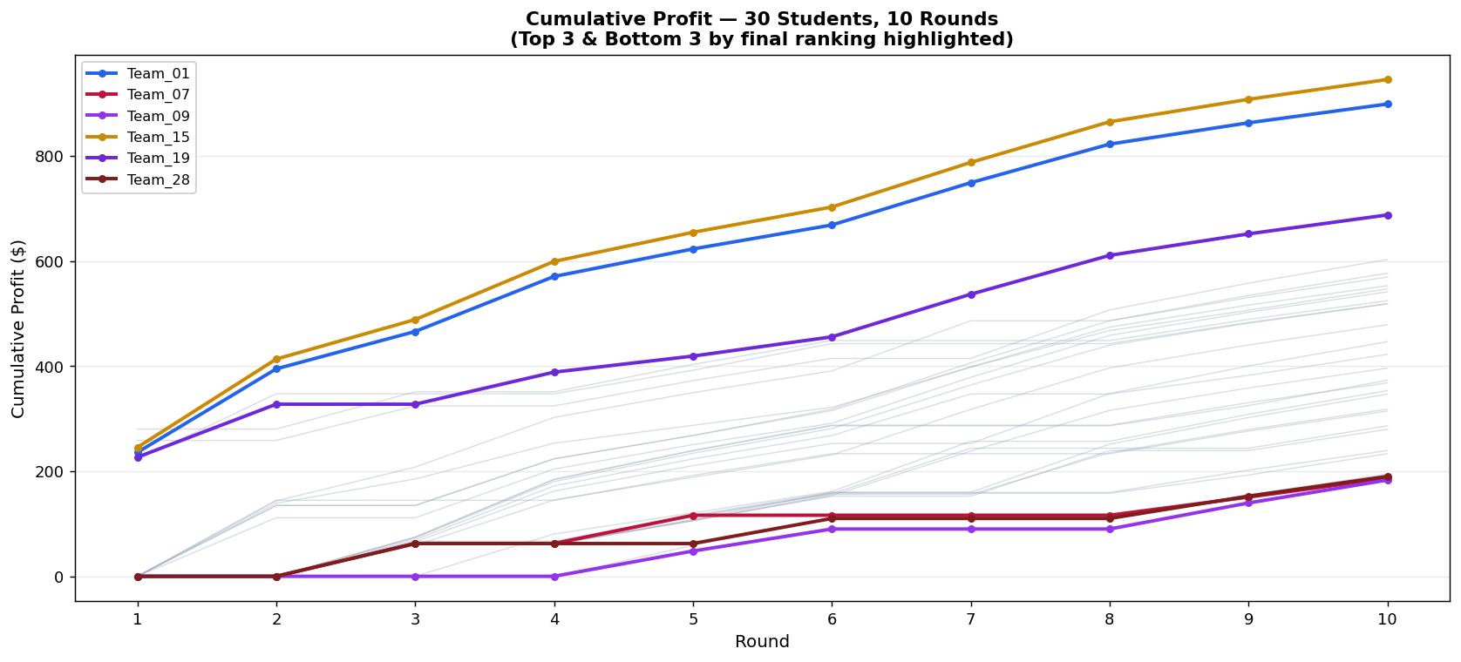
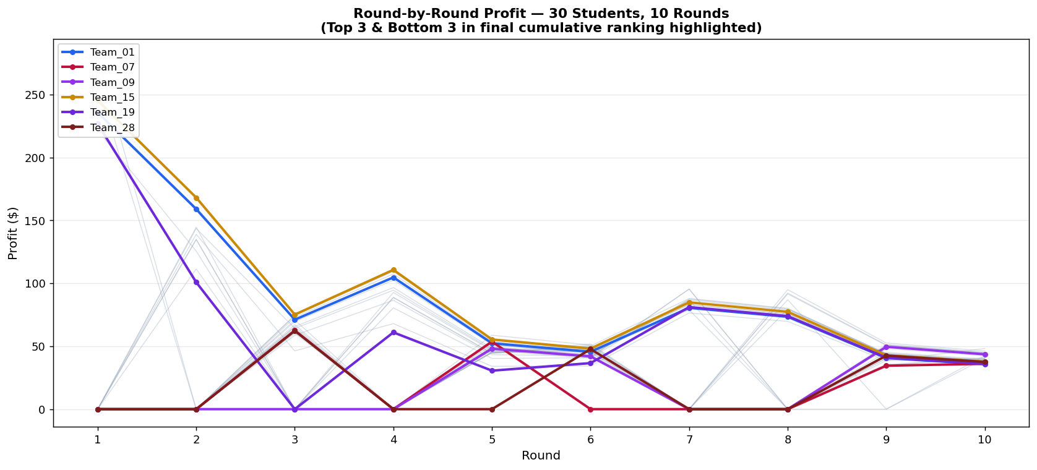
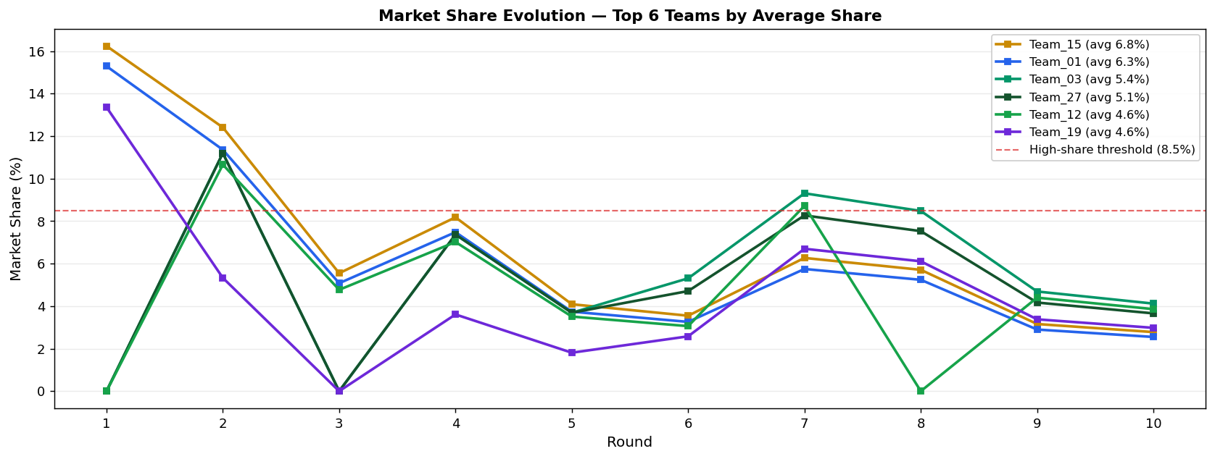
Team | After R1 | After R2 | After R3 | After R4 | After R5 | After R6 | After R7 | After R8 | After R9 | After R10 | Cumulative Total
Team_15 | 245.37 | 413.48 | 488.66 | 599.38 | 654.76 | 702.9 | 787.77 | 865.13 | 907.91 | 945.59 | 945.59
Team_01 | 235.83 | 394.86 | 465.99 | 570.7 | 623.08 | 668.68 | 749.19 | 822.6 | 863.19 | 898.96 | 898.96
Team_19 | 226.72 | 327.55 | 327.55 | 388.57 | 419.16 | 455.76 | 536.89 | 610.87 | 651.79 | 687.84 | 687.84
Team_20 | 258.69 | 258.69 | 324.25 | 324.25 | 372.51 | 414.66 | 414.66 | 506.95 | 558.02 | 602.94 | 602.94
Team_12 | 0 | 143.6 | 207.82 | 302.33 | 349.62 | 390.85 | 486.39 | 486.39 | 534.54 | 576.87 | 576.87
Team_03 | 0 | 134.85 | 134.85 | 223.61 | 268.04 | 318.21 | 406.19 | 486.29 | 530.62 | 569.58 | 569.58
Team_27 | 0 | 134.85 | 134.85 | 223.61 | 268.04 | 315.38 | 398.55 | 474.3 | 516.21 | 553.07 | 553.07
Team_10 | 0 | 139.03 | 185.3 | 253.29 | 287.34 | 321.64 | 398.13 | 467.84 | 506.4 | 547.09 | 547.09
Team_02 | 0 | 111.44 | 111.44 | 204.17 | 250.6 | 291.2 | 378.72 | 458.51 | 502.63 | 541.51 | 541.51
Team_13 | 280.29 | 280.29 | 351.14 | 351.14 | 403.33 | 448.7 | 448.7 | 448.7 | 489.02 | 524.54 | 524.54
Team_06 | 221.68 | 347.32 | 347.32 | 347.32 | 392.16 | 442.91 | 442.91 | 442.91 | 483.23 | 518.73 | 518.73
Team_22 | 0 | 0 | 73.02 | 180.47 | 234.24 | 281.15 | 364.14 | 439.85 | 481.7 | 518.62 | 518.62
Team_24 | 0 | 0 | 58.78 | 145.3 | 188.58 | 231 | 317.72 | 396.69 | 440.39 | 478.81 | 478.81
Team_26 | 0 | 0 | 65.67 | 162.31 | 210.67 | 252.82 | 252.82 | 347.79 | 400.35 | 446.56 | 446.56
Team_08 | 0 | 0 | 69.63 | 172.11 | 223.39 | 268.07 | 347.01 | 347.01 | 382.61 | 422.46 | 422.46
Team_25 | 0 | 0 | 60.28 | 60.28 | 105.44 | 153.63 | 238.43 | 315.7 | 358.45 | 396.08 | 396.08
Team_17 | 0 | 0 | 74.38 | 183.83 | 238.6 | 286.34 | 286.34 | 286.34 | 324.93 | 373.11 | 373.11
Team_21 | 0 | 0 | 74.76 | 184.72 | 239.77 | 287.74 | 287.74 | 287.74 | 330.49 | 368.19 | 368.19
Team_16 | 0 | 0 | 0 | 80.48 | 120.78 | 161.62 | 257.01 | 257.01 | 308.34 | 353.48 | 353.48
Team_14 | 0 | 0 | 62.27 | 62.27 | 108.12 | 159.91 | 159.91 | 251.5 | 302.18 | 346.76 | 346.76
Team_11 | 0 | 0 | 61.19 | 61.19 | 106.25 | 155.91 | 155.91 | 235.41 | 279.4 | 318.09 | 318.09
Team_18 | 0 | 144.68 | 144.68 | 144.68 | 192.05 | 233.34 | 233.34 | 233.34 | 276.48 | 314.41 | 314.41
Team_23 | 0 | 0 | 64.53 | 64.53 | 114.04 | 157.22 | 243.81 | 243.81 | 243.81 | 286.4 | 286.4
Team_30 | 0 | 0 | 61.39 | 61.39 | 106.6 | 152.42 | 152.42 | 239.4 | 239.4 | 279.75 | 279.75
Team_04 | 0 | 0 | 67.1 | 67.1 | 116.48 | 159.58 | 159.58 | 159.58 | 201.99 | 239.3 | 239.3
Team_29 | 0 | 0 | 62.54 | 62.54 | 113.49 | 157.95 | 157.95 | 157.95 | 192.76 | 233.41 | 233.41
Team_05 | 0 | 0 | 0 | 0 | 58.78 | 109.73 | 109.73 | 109.73 | 154.86 | 194.56 | 194.56
Team_28 | 0 | 0 | 62.37 | 62.37 | 62.37 | 110.11 | 110.11 | 110.11 | 152.65 | 190.16 | 190.16
Team_07 | 0 | 0 | 62.54 | 62.54 | 116.23 | 116.23 | 116.23 | 116.23 | 150.77 | 186.81 | 186.81
Team_09 | 0 | 0 | 0 | 0 | 48.09 | 90.03 | 90.03 | 90.03 | 139.62 | 183.22 | 183.22

