Round Progress
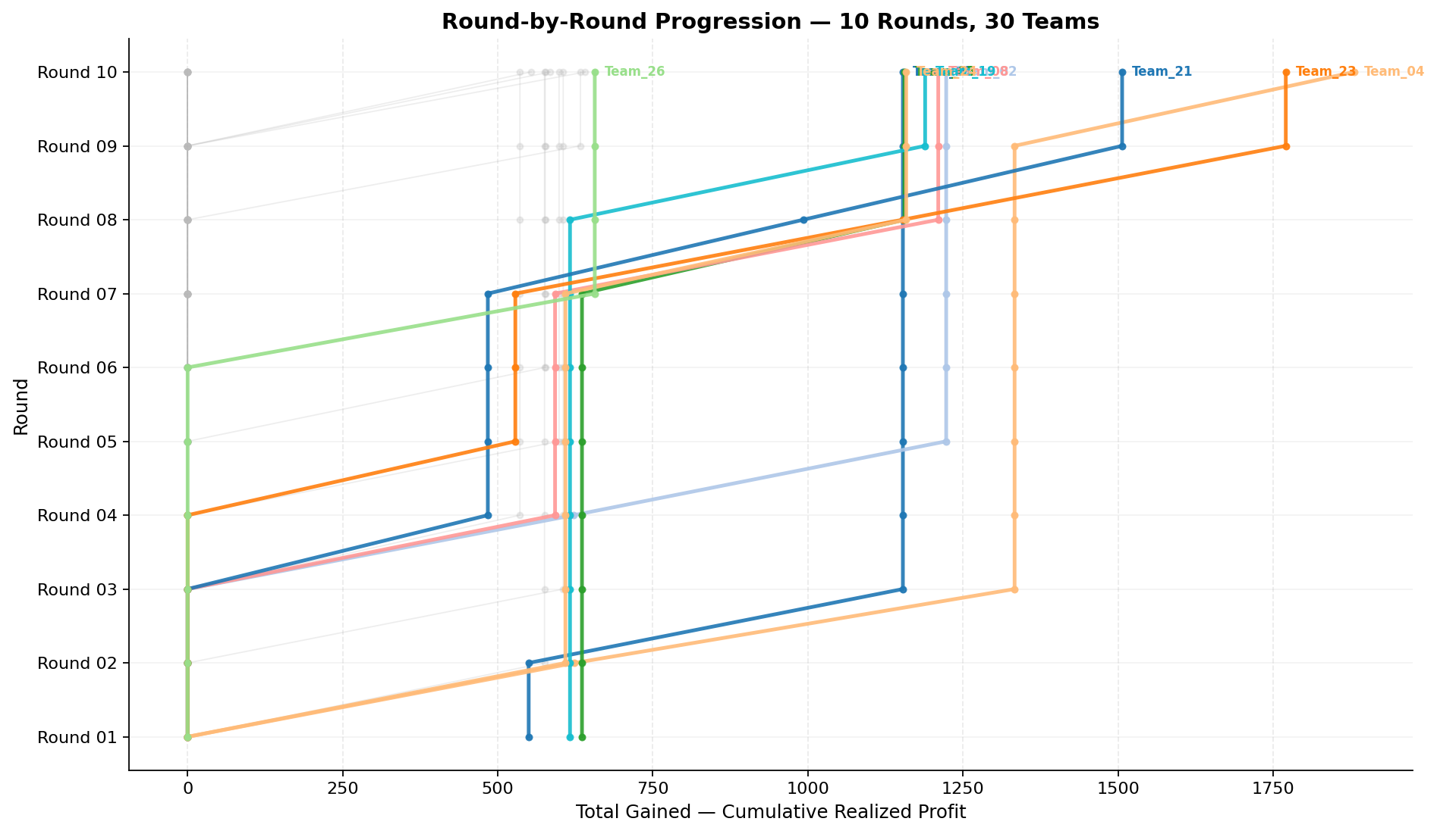
Cumulative profit progression per team across rounds (y=round, x=total gained)

Round 01
Round 01 Summary

run_no | market_capacity | solver | team_count | eligible_team_count | user_pool_count | infeasible_excluded_count | matched_user_count | unmatched_user_count | user_match_rate | feasible_submission_count | total_profit | total_utility | avg_profit | avg_utility | Team Product Assignments | round_realized_profit_total
1 | 8 | market_demand_v1 | 30 | 3 | 85 | 27 | 24 | 61 | 0.2824 | 3 | 17257.861619 | 427.24375224 | 575.26205397 | 14.241458408 | run_no | team_product | assigned_count | capacity | remaining_capacity | assigned_users
 |  |  |  |  |  |  |  |  |  |  |  |  |  |  | 1 | Team_01 | 8 | 8 | 0 | 61, 72, 20, 27, 21, 24, 68, 64
Leaderboard Rows |  |  |  |  |  |  |  |  |  |  |  |  |  |  | 1 | Team_05 | 8 | 8 | 0 | 53, 18, 80, 8, 29, 65, 39, 9
run_no | submission_order | team | player_name | num_suppliers | selected_suppliers | feasible | profit | utility | env_avg | social_avg | cost_avg | strategic_avg | improvement_avg | low_quality_avg | 1 | Team_19 | 8 | 8 | 0 | 48, 36, 42, 66, 14, 12, 17, 26 | realized_profit_round | cumulative_profit | cumulative_matched_users
1 | 1 | Team_02 | Team_02 | 4 | P,G,N,R | FALSE | 533.64 | 14.725509447 | 3.398 | 1.38325 | 3.3295 | 2.66125 | 2.25275 | 0.25 | 2026-03-12T09:10:00 | FALSE | 0 |  | FALSE | infeasible | 0 | 0 | 0
1 | 2 | Team_03 | Team_03 | 3 | B,L,D | FALSE | 562.16 | 13.106281868 | 3.901 | 1.529 | 2.973 | 1.709 | 2.6856666667 | 0.33333333333 | 2026-03-12T09:10:01 | FALSE | 0 |  | FALSE | infeasible | 0 | 0 | 0
1 | 3 | Team_20 | Team_20 | 7 | N,E,J,R,A,B,P | FALSE | 525.93142857 | 14.522568976 | 3.3022857143 | 1.9851428571 | 3.4258571429 | 2.6517142857 | 2.7777142857 | 0.42857142857 | 2026-03-12T09:10:02 | FALSE | 0 |  | FALSE | infeasible | 0 | 0 | 0
1 | 4 | Team_16 | Team_16 | 3 | A,H,R | FALSE | 573.6 | 13.760137752 | 2.8246666667 | 3.0883333333 | 2.83 | 2.7776666667 | 2.156 | 0.33333333333 | 2026-03-12T09:10:03 | FALSE | 0 |  | FALSE | infeasible | 0 | 0 | 0
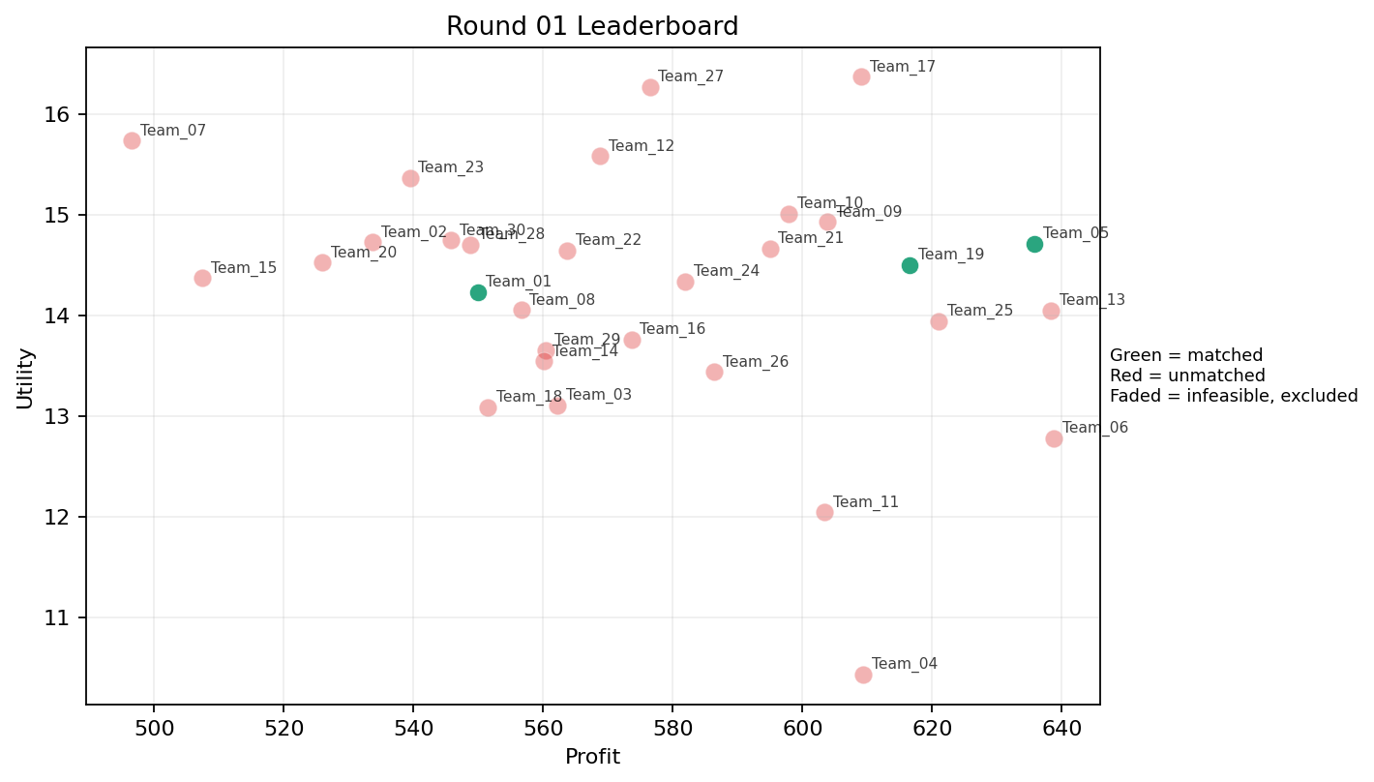
1 | 5 | Team_08 | Team_08 | 6 | B,D,G,L,R,O | FALSE | 556.58666667 | 14.050086762 | 3.4568333333 | 1.9846666667 | 3.0426666667 | 2.0336666667 | 2.9113333333 | 0.16666666667 | 2026-03-12T09:10:04 | FALSE | 0 |  | FALSE | infeasible | 0 | 0 | 0
1 | 6 | Team_26 | Team_26 | 5 | A,K,Q,I,J | FALSE | 586.416 | 13.43601162 | 2.6638 | 3.5478 | 2.6698 | 2.512 | 2.7468 | 0.6 | 2026-03-12T09:10:05 | FALSE | 0 |  | FALSE | infeasible | 0 | 0 | 0
1 | 7 | Team_17 | Team_17 | 2 | O,J | FALSE | 609.08 | 16.367897731 | 2.7675 | 2.7945 | 2.3865 | 3.016 | 3.805 | 0 | 2026-03-12T09:10:06 | FALSE | 0 |  | FALSE | infeasible | 0 | 0 | 0
1 | 8 | Team_15 | Team_15 | 5 | D,F,B,R,E | FALSE | 507.36 | 14.367954118 | 3.0706 | 2.248 | 3.658 | 2.0044 | 3.0582 | 0.2 | 2026-03-12T09:10:07 | FALSE | 0 |  | FALSE | infeasible | 0 | 0 | 0
1 | 9 | Team_30 | Team_30 | 6 | L,G,R,E,B,J | FALSE | 545.70666667 | 14.744108313 | 3.572 | 1.9161666667 | 3.1786666667 | 2.7488333333 | 3.0758333333 | 0.33333333333 | 2026-03-12T09:10:08 | FALSE | 0 |  | FALSE | infeasible | 0 | 0 | 0
1 | 10 | Team_25 | Team_25 | 6 | H,F,A,E,P,C | FALSE | 621.04 | 13.938037603 | 2.177 | 3.908 | 2.237 | 2.4368333333 | 2.9276666667 | 0.5 | 2026-03-12T09:10:09 | FALSE | 0 |  | FALSE | infeasible | 0 | 0 | 0
1 | 11 | Team_24 | Team_24 | 5 | B,J,M,C,P | FALSE | 581.904 | 14.337052315 | 3.1432 | 2.5734 | 2.7262 | 2.6872 | 2.8856 | 0.4 | 2026-03-12T09:10:10 | FALSE | 0 |  | FALSE | infeasible | 0 | 0 | 0
1 | 12 | Team_23 | Team_23 | 3 | N,O,J | FALSE | 539.41333333 | 15.360795727 | 3.0376666667 | 2.1983333333 | 3.2573333333 | 2.445 | 3.2033333333 | 0 | 2026-03-12T09:10:11 | FALSE | 0 |  | FALSE | infeasible | 0 | 0 | 0
1 | 13 | Team_04 | Team_04 | 2 | A,K | FALSE | 609.4 | 10.431043893 | 3.234 | 3.98 | 2.3825 | 1.902 | 2.095 | 1 | 2026-03-12T09:10:12 | FALSE | 0 |  | FALSE | infeasible | 0 | 0 | 0
1 | 14 | Team_12 | Team_12 | 4 | J,B,E,P | FALSE | 568.78 | 15.580162178 | 3.068 | 2.124 | 2.89025 | 2.8605 | 3.5525 | 0.5 | 2026-03-12T09:10:13 | FALSE | 0 |  | FALSE | infeasible | 0 | 0 | 0
1 | 15 | Team_29 | Team_29 | 4 | N,L,A,I | FALSE | 560.44 | 13.651991475 | 2.82375 | 2.65575 | 2.9945 | 2.1555 | 2.5835 | 0.5 | 2026-03-12T09:10:14 | FALSE | 0 |  | FALSE | infeasible | 0 | 0 | 0
1 | 16 | Team_11 | Team_11 | 1 | A | FALSE | 603.44 | 12.039128291 | 2.412 | 4.371 | 2.457 | 1.943 | 3 | 1 | 2026-03-12T09:10:15 | FALSE | 0 |  | FALSE | infeasible | 0 | 0 | 0
1 | 17 | Team_05 | Team_05 | 7 | P,H,E,F,G,L,D | TRUE | 635.78285714 | 14.708545327 | 2.4095714286 | 2.9842857143 | 2.0527142857 | 2.303 | 3.186 | 0.42857142857 | 2026-03-12T09:10:16 | TRUE | 8 | 18, 29, 39, 53, 65, 8, 80, 9 | TRUE |  | 635.78285714 | 635.78285714 | 8
1 | 18 | Team_06 | Team_06 | 2 | P,C | FALSE | 638.76 | 12.778652405 | 3.295 | 2.974 | 2.0155 | 3.044 | 1.549 | 0.5 | 2026-03-12T09:10:17 | FALSE | 0 |  | FALSE | infeasible | 0 | 0 | 0
1 | 19 | Team_18 | Team_18 | 6 | B,N,E,A,H,K | FALSE | 551.48 | 13.084905418 | 2.8358333333 | 3.2563333333 | 3.1065 | 1.7943333333 | 3.0706666667 | 0.5 | 2026-03-12T09:10:18 | FALSE | 0 |  | FALSE | infeasible | 0 | 0 | 0
1 | 20 | Team_14 | Team_14 | 5 | P,I,C,Q,N | FALSE | 560.128 | 13.540885624 | 2.5926 | 3.103 | 2.9984 | 2.304 | 2.2864 | 0.4 | 2026-03-12T09:10:19 | FALSE | 0 |  | FALSE | infeasible | 0 | 0 | 0
1 | 21 | Team_09 | Team_09 | 6 | B,H,P,Q,J,O | FALSE | 603.84 | 14.927223906 | 2.4666666667 | 3.0516666667 | 2.452 | 2.515 | 3.1796666667 | 0.33333333333 | 2026-03-12T09:10:20 | FALSE | 0 |  | FALSE | infeasible | 0 | 0 | 0
1 | 22 | Team_13 | Team_13 | 3 | P,K,J | FALSE | 638.32 | 14.044175354 | 3.5223333333 | 2.128 | 2.021 | 3.3866666667 | 2.1333333333 | 0.66666666667 | 2026-03-12T09:10:21 | FALSE | 0 |  | FALSE | infeasible | 0 | 0 | 0
1 | 23 | Team_10 | Team_10 | 8 | G,I,N,E,P,H,M,D | FALSE | 597.85 | 15.009150785 | 2.188125 | 3.04625 | 2.526875 | 2.0445 | 3.50675 | 0.375 | 2026-03-12T09:10:22 | FALSE | 0 |  | FALSE | infeasible | 0 | 0 | 0
1 | 24 | Team_22 | Team_22 | 2 | B,H | FALSE | 563.68 | 14.642161823 | 2.632 | 3.1005 | 2.954 | 1.79 | 3.617 | 0 | 2026-03-12T09:10:23 | FALSE | 0 |  | FALSE | infeasible | 0 | 0 | 0
1 | 25 | Team_27 | Team_27 | 2 | J,E | FALSE | 576.44 | 16.266934039 | 2.8805 | 2.7945 | 2.7945 | 3.353 | 4.105 | 0.5 | 2026-03-12T09:10:24 | FALSE | 0 |  | FALSE | infeasible | 0 | 0 | 0
1 | 26 | Team_21 | Team_21 | 4 | I,O,M,Q | FALSE | 594.96 | 14.658688395 | 1.322 | 4.32575 | 2.563 | 1.79775 | 3.7135 | 0.5 | 2026-03-12T09:10:25 | FALSE | 0 |  | FALSE | infeasible | 0 | 0 | 0
1 | 27 | Team_01 | Team_01 | 6 | N,R,E,M,H,D | TRUE | 549.86666667 | 14.22859222 | 2.6583333333 | 2.7118333333 | 3.1266666667 | 2.0731666667 | 2.9018333333 | 0.33333333333 | 2026-03-12T09:10:26 | TRUE | 8 | 20, 21, 24, 27, 61, 64, 68, 72 | TRUE |  | 549.86666667 | 549.86666667 | 8
1 | 28 | Team_19 | Team_19 | 8 | R,G,F,A,O,H,L,P | TRUE | 616.48 | 14.50013813 | 2.5395 | 2.956875 | 2.294 | 2.53175 | 2.764125 | 0.375 | 2026-03-12T09:10:27 | TRUE | 8 | 12, 14, 17, 26, 36, 42, 48, 66 | TRUE |  | 616.48 | 616.48 | 8
1 | 29 | Team_28 | Team_28 | 5 | J,C,R,I,O | FALSE | 548.816 | 14.700404329 | 3.1546 | 2.7202 | 3.1398 | 2.929 | 2.6084 | 0 | 2026-03-12T09:10:28 | FALSE | 0 |  | FALSE | infeasible | 0 | 0 | 0
1 | 30 | Team_07 | Team_07 | 2 | J,R | FALSE | 496.56 | 15.734526417 | 4.455 | 0.6205 | 3.793 | 4.2505 | 1.722 | 0 | 2026-03-12T09:10:29 | FALSE | 0 |  | FALSE | infeasible | 0 | 0 | 0

Round 02
Round 02 Summary

run_no | market_capacity | solver | team_count | eligible_team_count | user_pool_count | infeasible_excluded_count | matched_user_count | unmatched_user_count | user_match_rate | feasible_submission_count | total_profit | total_utility | avg_profit | avg_utility | Team Product Assignments | round_realized_profit_total
2 | 8 | market_demand_v1 | 30 | 3 | 85 | 27 | 24 | 61 | 0.2824 | 3 | 17510.485429 | 408.43148043 | 583.68284762 | 13.614382681 | run_no | team_product | assigned_count | capacity | remaining_capacity | assigned_users
 |  |  |  |  |  |  |  |  |  |  |  |  |  |  | 2 | Team_04 | 8 | 8 | 0 | 12, 66, 17, 27, 67, 11, 65, 80
Leaderboard Rows |  |  |  |  |  |  |  |  |  |  |  |  |  |  | 2 | Team_15 | 8 | 8 | 0 | 7, 46, 41, 62, 44, 9, 68, 30
run_no | submission_order | team | player_name | num_suppliers | selected_suppliers | feasible | profit | utility | env_avg | social_avg | cost_avg | strategic_avg | improvement_avg | low_quality_avg | 2 | Team_24 | 8 | 8 | 0 | 15, 2, 20, 64, 76, 70, 69, 75 | realized_profit_round | cumulative_profit | cumulative_matched_users
2 | 1 | Team_17 | Team_17 | 5 | H,P,L,Q,G | FALSE | 659.52 | 14.163482017 | 2.394 | 3.1892 | 1.756 | 2.5686 | 2.6958 | 0.6 | 2026-03-12T09:20:00 | FALSE | 0 |  | FALSE | infeasible | 0 | 0 | 0
2 | 2 | Team_29 | Team_29 | 6 | E,B,D,H,G,Q | FALSE | 578.44 | 14.169155938 | 2.4685 | 3.3451666667 | 2.7695 | 1.7118333333 | 3.678 | 0.33333333333 | 2026-03-12T09:20:01 | FALSE | 0 |  | FALSE | infeasible | 0 | 0 | 0
2 | 3 | Team_11 | Team_11 | 5 | O,I,H,M,F | FALSE | 618.864 | 15.579804051 | 1.2194 | 4.2236 | 2.2642 | 1.9792 | 3.8176 | 0.2 | 2026-03-12T09:20:02 | FALSE | 0 |  | FALSE | infeasible | 0 | 0 | 0
2 | 4 | Team_08 | Team_08 | 7 | C,K,F,R,G,A,M | FALSE | 572.73142857 | 12.961734361 | 2.9032857143 | 3.3627142857 | 2.8408571429 | 2.2202857143 | 2.5218571429 | 0.42857142857 | 2026-03-12T09:20:03 | FALSE | 0 |  | FALSE | infeasible | 0 | 0 | 0
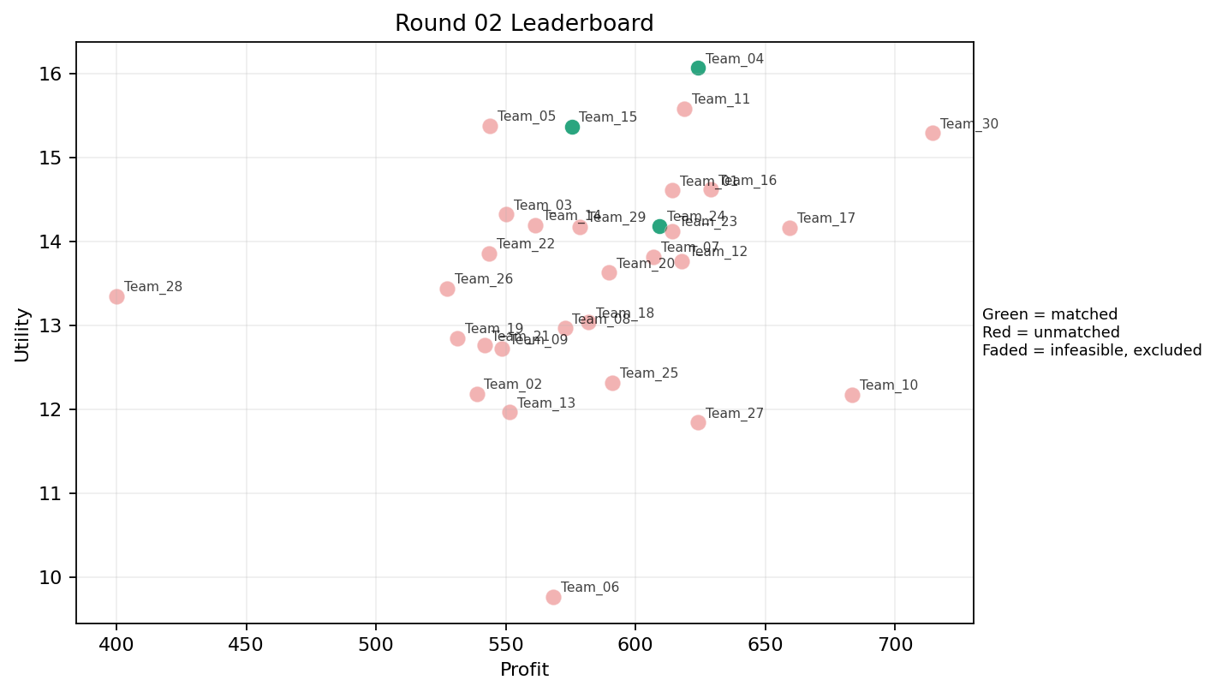
2 | 5 | Team_16 | Team_16 | 1 | M | FALSE | 628.88 | 14.615865251 | 1.014 | 4.371 | 2.139 | 1.657 | 4.12 | 1 | 2026-03-12T09:20:04 | FALSE | 0 |  | FALSE | infeasible | 0 | 0 | 0
2 | 6 | Team_27 | Team_27 | 4 | M,L,K,Q | FALSE | 623.94 | 11.840683003 | 2.668 | 3.63275 | 2.20075 | 2.09425 | 2.1945 | 1 | 2026-03-12T09:20:05 | FALSE | 0 |  | FALSE | infeasible | 0 | 0 | 0
2 | 7 | Team_24 | Team_24 | 2 | D,O | TRUE | 609.08 | 14.184869385 | 2.535 | 3 | 2.3865 | 1.2075 | 3.6115 | 0 | 2026-03-12T09:20:06 | TRUE | 8 | 15, 2, 20, 64, 69, 70, 75, 76 | TRUE |  | 609.08 | 609.08 | 8
2 | 8 | Team_30 | Team_30 | 1 | H | FALSE | 714.48 | 15.289670857 | 1.208 | 4.871 | 1.069 | 2.516 | 3.234 | 0 | 2026-03-12T09:20:07 | FALSE | 0 |  | FALSE | infeasible | 0 | 0 | 0
2 | 9 | Team_28 | Team_28 | 1 | N | FALSE | 400.08 | 13.346591718 | 3.578 | 1.006 | 4.999 | 1.303 | 2 | 0 | 2026-03-12T09:20:08 | FALSE | 0 |  | FALSE | infeasible | 0 | 0 | 0
2 | 10 | Team_02 | Team_02 | 6 | K,L,R,C,E,N | FALSE | 538.74666667 | 12.179263738 | 3.7306666667 | 2.498 | 3.2656666667 | 2.431 | 1.7926666667 | 0.5 | 2026-03-12T09:20:09 | FALSE | 0 |  | FALSE | infeasible | 0 | 0 | 0
2 | 11 | Team_05 | Team_05 | 3 | J,M,B | FALSE | 544 | 15.375985588 | 3.042 | 2.3063333333 | 3.2 | 2.4493333333 | 3.7766666667 | 0.33333333333 | 2026-03-12T09:20:10 | FALSE | 0 |  | FALSE | infeasible | 0 | 635.78285714 | 8
2 | 12 | Team_03 | Team_03 | 5 | P,R,A,G,B | FALSE | 550.16 | 14.31784543 | 3.2964 | 2.0456 | 3.123 | 2.4698 | 2.8022 | 0.4 | 2026-03-12T09:20:11 | FALSE | 0 |  | FALSE | infeasible | 0 | 0 | 0
2 | 13 | Team_22 | Team_22 | 4 | F,N,K,J | FALSE | 543.46 | 13.85317056 | 3.20925 | 2.425 | 3.20675 | 2.4465 | 2.4085 | 0.25 | 2026-03-12T09:20:12 | FALSE | 0 |  | FALSE | infeasible | 0 | 0 | 0
2 | 14 | Team_10 | Team_10 | 1 | L | FALSE | 683.36 | 12.172810784 | 4.056 | 1.628 | 1.458 | 3.053 | 1.234 | 1 | 2026-03-12T09:20:13 | FALSE | 0 |  | FALSE | infeasible | 0 | 0 | 0
2 | 15 | Team_26 | Team_26 | 8 | F,Q,P,N,D,B,R,C | FALSE | 527.49 | 13.43479178 | 3.17025 | 2.34575 | 3.406375 | 2.1425 | 2.202875 | 0.25 | 2026-03-12T09:20:14 | FALSE | 0 |  | FALSE | infeasible | 0 | 0 | 0
2 | 16 | Team_04 | Team_04 | 4 | P,J,F,O | TRUE | 623.92 | 16.063403902 | 2.28425 | 2.76325 | 2.201 | 2.92475 | 3.211 | 0.25 | 2026-03-12T09:20:15 | TRUE | 8 | 11, 12, 17, 27, 65, 66, 67, 80 | TRUE |  | 623.92 | 623.92 | 8
2 | 17 | Team_19 | Team_19 | 3 | D,N,A | FALSE | 531.25333333 | 12.84570068 | 3.1936666667 | 2.3353333333 | 3.3593333333 | 1.4186666667 | 2.6076666667 | 0.33333333333 | 2026-03-12T09:20:16 | FALSE | 0 |  | FALSE | infeasible | 0 | 616.48 | 8
2 | 18 | Team_21 | Team_21 | 2 | N,L | FALSE | 541.72 | 12.759701251 | 3.817 | 1.317 | 3.2285 | 2.178 | 1.617 | 0.5 | 2026-03-12T09:20:17 | FALSE | 0 |  | FALSE | infeasible | 0 | 0 | 0
2 | 19 | Team_13 | Team_13 | 3 | C,L,R | FALSE | 551.46666667 | 11.96320062 | 4.3483333333 | 2.0073333333 | 3.1066666667 | 3.1143333333 | 0.85533333333 | 0.33333333333 | 2026-03-12T09:20:18 | FALSE | 0 |  | FALSE | infeasible | 0 | 0 | 0
2 | 20 | Team_23 | Team_23 | 8 | D,P,O,I,F,K,L,E | FALSE | 613.99 | 14.118649208 | 2.46725 | 3.08375 | 2.325125 | 2.17475 | 2.997625 | 0.5 | 2026-03-12T09:20:19 | FALSE | 0 |  | FALSE | infeasible | 0 | 0 | 0
2 | 21 | Team_14 | Team_14 | 7 | G,C,I,E,D,M,R | FALSE | 561.41714286 | 14.194515277 | 2.7504285714 | 3.0442857143 | 2.9822857143 | 2.165 | 3.1645714286 | 0.28571428571 | 2026-03-12T09:20:20 | FALSE | 0 |  | FALSE | infeasible | 0 | 0 | 0
2 | 22 | Team_18 | Team_18 | 5 | E,H,A,B,K | FALSE | 581.76 | 13.032568157 | 2.6874 | 3.7064 | 2.728 | 1.8926 | 3.2848 | 0.6 | 2026-03-12T09:20:21 | FALSE | 0 |  | FALSE | infeasible | 0 | 0 | 0
2 | 23 | Team_15 | Team_15 | 8 | D,E,J,F,I,H,G,N | TRUE | 575.37 | 15.363543026 | 2.404875 | 2.940875 | 2.807875 | 2.206125 | 3.54725 | 0.125 | 2026-03-12T09:20:22 | TRUE | 8 | 30, 41, 44, 46, 62, 68, 7, 9 | TRUE |  | 575.37 | 575.37 | 8
2 | 24 | Team_20 | Team_20 | 4 | E,J,K,D | FALSE | 589.62 | 13.627052401 | 3.352 | 2.70175 | 2.62975 | 2.39425 | 3.05575 | 0.5 | 2026-03-12T09:20:23 | FALSE | 0 |  | FALSE | infeasible | 0 | 0 | 0
2 | 25 | Team_07 | Team_07 | 4 | C,H,I,D | FALSE | 606.94 | 13.81391624 | 2.54575 | 3.62225 | 2.41325 | 2.06625 | 2.81375 | 0 | 2026-03-12T09:20:24 | FALSE | 0 |  | FALSE | infeasible | 0 | 0 | 0
2 | 26 | Team_25 | Team_25 | 4 | C,J,D,K | FALSE | 591 | 12.314239304 | 3.9595 | 2.70175 | 2.6125 | 2.4785 | 2.08025 | 0.25 | 2026-03-12T09:20:25 | FALSE | 0 |  | FALSE | infeasible | 0 | 0 | 0
2 | 27 | Team_01 | Team_01 | 7 | E,J,H,L,A,D,I | FALSE | 614.18285714 | 14.605185021 | 2.611 | 3.1008571429 | 2.3227142857 | 2.5072857143 | 3.2287142857 | 0.42857142857 | 2026-03-12T09:20:26 | FALSE | 0 |  | FALSE | infeasible | 0 | 549.86666667 | 8
2 | 28 | Team_06 | Team_06 | 1 | C | FALSE | 568.16 | 9.7651769649 | 4.135 | 4.371 | 2.898 | 2.416 | 1.098 | 0 | 2026-03-12T09:20:27 | FALSE | 0 |  | FALSE | infeasible | 0 | 0 | 0
2 | 29 | Team_12 | Team_12 | 4 | E,L,G,A | FALSE | 617.92 | 13.760018136 | 2.7195 | 3.32425 | 2.276 | 2.21775 | 3.50275 | 0.75 | 2026-03-12T09:20:28 | FALSE | 0 |  | FALSE | infeasible | 0 | 0 | 0
2 | 30 | Team_09 | Team_09 | 6 | Q,R,D,K,N,H | FALSE | 548.53333333 | 12.718885782 | 3.1388333333 | 2.6768333333 | 3.1433333333 | 2.0616666667 | 1.9525 | 0.33333333333 | 2026-03-12T09:20:29 | FALSE | 0 |  | FALSE | infeasible | 0 | 0 | 0

Round 03
Round 03 Summary

run_no | market_capacity | solver | team_count | eligible_team_count | user_pool_count | infeasible_excluded_count | matched_user_count | unmatched_user_count | user_match_rate | feasible_submission_count | total_profit | total_utility | avg_profit | avg_utility | Team Product Assignments | round_realized_profit_total
3 | 8 | market_demand_v1 | 30 | 3 | 85 | 27 | 24 | 61 | 0.2824 | 3 | 17493.570667 | 423.47162513 | 583.11902222 | 14.115720838 | run_no | team_product | assigned_count | capacity | remaining_capacity | assigned_users
 |  |  |  |  |  |  |  |  |  |  |  |  |  |  | 3 | Team_01 | 8 | 8 | 0 | 15, 7, 16, 2, 44, 30, 43, 80
Leaderboard Rows |  |  |  |  |  |  |  |  |  |  |  |  |  |  | 3 | Team_04 | 8 | 8 | 0 | 41, 67, 17, 11, 50, 65, 66, 10
run_no | submission_order | team | player_name | num_suppliers | selected_suppliers | feasible | profit | utility | env_avg | social_avg | cost_avg | strategic_avg | improvement_avg | low_quality_avg | 3 | Team_25 | 8 | 8 | 0 | 12, 70, 83, 69, 82, 61, 27, 46 | realized_profit_round | cumulative_profit | cumulative_matched_users
3 | 1 | Team_18 | Team_18 | 6 | E,B,C,J,M,R | FALSE | 527.61333333 | 14.143529532 | 3.3033333333 | 2.614 | 3.4048333333 | 2.6195 | 2.9436666667 | 0.33333333333 | 2026-03-12T09:30:00 | FALSE | 0 |  | FALSE | infeasible | 0 | 0 | 0
3 | 2 | Team_22 | Team_22 | 6 | F,K,G,E,J,A | FALSE | 593.68 | 14.155558714 | 2.6801666667 | 3.3938333333 | 2.579 | 2.3835 | 3.4018333333 | 0.5 | 2026-03-12T09:30:01 | FALSE | 0 |  | FALSE | infeasible | 0 | 0 | 0
3 | 3 | Team_11 | Team_11 | 1 | E | FALSE | 562.64 | 15.016429355 | 1.705 | 4.371 | 2.967 | 2.079 | 5 | 1 | 2026-03-12T09:30:02 | FALSE | 0 |  | FALSE | infeasible | 0 | 0 | 0
3 | 4 | Team_03 | Team_03 | 6 | I,K,F,O,D,A | FALSE | 593.33333333 | 13.667825661 | 2.3223333333 | 3.5775 | 2.5833333333 | 1.7561666667 | 3.1245 | 0.33333333333 | 2026-03-12T09:30:03 | FALSE | 0 |  | FALSE | infeasible | 0 | 0 | 0
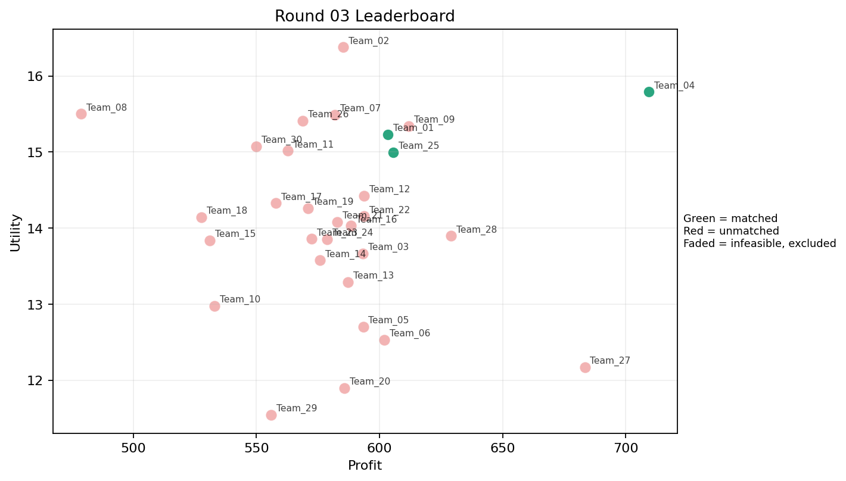
3 | 5 | Team_06 | Team_06 | 4 | L,P,N,K | FALSE | 602.04 | 12.533622461 | 3.53625 | 1.95 | 2.4745 | 2.47225 | 1.606 | 0.75 | 2026-03-12T09:30:04 | FALSE | 0 |  | FALSE | infeasible | 0 | 0 | 0
3 | 6 | Team_04 | Team_04 | 1 | P | TRUE | 709.36 | 15.792127845 | 2.455 | 1.577 | 1.133 | 3.672 | 2 | 1 | 2026-03-12T09:30:05 | TRUE | 8 | 10, 11, 17, 41, 50, 65, 66, 67 | TRUE |  | 709.36 | 1333.28 | 16
3 | 7 | Team_08 | Team_08 | 2 | R,I | FALSE | 478.88 | 15.500524609 | 3.0515 | 1.8205 | 4.014 | 3.0985 | 2.167 | 0 | 2026-03-12T09:30:06 | FALSE | 0 |  | FALSE | infeasible | 0 | 0 | 0
3 | 8 | Team_23 | Team_23 | 8 | N,H,C,P,J,D,A,R | FALSE | 572.36 | 13.856641317 | 3.286125 | 2.38325 | 2.8455 | 2.670125 | 2.199875 | 0.25 | 2026-03-12T09:30:07 | FALSE | 0 |  | FALSE | infeasible | 0 | 0 | 0
3 | 9 | Team_27 | Team_27 | 1 | L | FALSE | 683.36 | 12.172810784 | 4.056 | 1.628 | 1.458 | 3.053 | 1.234 | 1 | 2026-03-12T09:30:08 | FALSE | 0 |  | FALSE | infeasible | 0 | 0 | 0
3 | 10 | Team_20 | Team_20 | 2 | Q,A | FALSE | 585.8 | 11.895112387 | 1.979 | 4.657 | 2.6775 | 1.8745 | 2.617 | 1 | 2026-03-12T09:30:09 | FALSE | 0 |  | FALSE | infeasible | 0 | 0 | 0
3 | 11 | Team_10 | Team_10 | 3 | O,R,C | FALSE | 532.98666667 | 12.978382604 | 3.4893333333 | 2.9216666667 | 3.3376666667 | 2.565 | 1.9106666667 | 0 | 2026-03-12T09:30:10 | FALSE | 0 |  | FALSE | infeasible | 0 | 0 | 0
3 | 12 | Team_19 | Team_19 | 8 | G,K,N,O,M,I,R,H | FALSE | 570.84 | 14.263274674 | 2.517875 | 3.097 | 2.8645 | 2.091875 | 3.006875 | 0.25 | 2026-03-12T09:30:11 | FALSE | 0 |  | FALSE | infeasible | 0 | 616.48 | 8
3 | 13 | Team_13 | Team_13 | 4 | O,E,C,D | FALSE | 587.24 | 13.287836273 | 2.7275 | 3.6855 | 2.6595 | 1.7275 | 3.33025 | 0.25 | 2026-03-12T09:30:12 | FALSE | 0 |  | FALSE | infeasible | 0 | 0 | 0
3 | 14 | Team_01 | Team_01 | 8 | F,M,G,H,P,D,R,J | TRUE | 603.31 | 15.231936904 | 2.62875 | 2.562875 | 2.458625 | 2.643375 | 2.954 | 0.25 | 2026-03-12T09:30:13 | TRUE | 8 | 15, 16, 2, 30, 43, 44, 7, 80 | TRUE |  | 603.31 | 1153.1766667 | 16
3 | 15 | Team_02 | Team_02 | 4 | J,F,I,O | FALSE | 585.3 | 16.377730718 | 1.98275 | 3.2735 | 2.68375 | 2.5875 | 3.736 | 0 | 2026-03-12T09:30:14 | FALSE | 0 |  | FALSE | infeasible | 0 | 0 | 0
3 | 16 | Team_25 | Team_25 | 6 | H,L,P,I,F,R | TRUE | 605.52 | 14.996891834 | 2.4948333333 | 2.6006666667 | 2.431 | 2.9055 | 2.3393333333 | 0.33333333333 | 2026-03-12T09:30:15 | TRUE | 8 | 12, 27, 46, 61, 69, 70, 82, 83 | TRUE |  | 605.52 | 605.52 | 8
3 | 17 | Team_09 | Team_09 | 4 | G,F,M,O | FALSE | 611.8 | 15.342904602 | 1.58625 | 3.889 | 2.3525 | 1.71325 | 4.13275 | 0.25 | 2026-03-12T09:30:16 | FALSE | 0 |  | FALSE | infeasible | 0 | 0 | 0
3 | 18 | Team_16 | Team_16 | 3 | F,Q,M | FALSE | 588.4 | 14.030884679 | 1.2356666667 | 4.4003333333 | 2.645 | 1.8193333333 | 3.196 | 0.66666666667 | 2026-03-12T09:30:17 | FALSE | 0 |  | FALSE | infeasible | 0 | 0 | 0
3 | 19 | Team_21 | Team_21 | 3 | D,A,I | FALSE | 582.85333333 | 14.07998181 | 2.4173333333 | 3.206 | 2.7143333333 | 1.7586666667 | 3.3076666667 | 0.33333333333 | 2026-03-12T09:30:18 | FALSE | 0 |  | FALSE | infeasible | 0 | 0 | 0
3 | 20 | Team_28 | Team_28 | 5 | J,G,K,A,H | FALSE | 629.152 | 13.896180296 | 2.8874 | 3.3952 | 2.1356 | 2.5486 | 3.0822 | 0.4 | 2026-03-12T09:30:19 | FALSE | 0 |  | FALSE | infeasible | 0 | 0 | 0
3 | 21 | Team_15 | Team_15 | 3 | R,Q,G | FALSE | 531.09333333 | 13.838138236 | 3.035 | 2.631 | 3.3613333333 | 2.492 | 2.415 | 0.33333333333 | 2026-03-12T09:30:20 | FALSE | 0 |  | FALSE | infeasible | 0 | 575.37 | 8
3 | 22 | Team_14 | Team_14 | 8 | K,N,B,P,O,J,L,Q | FALSE | 575.92 | 13.577004322 | 3.16025 | 2.45775 | 2.801 | 2.348875 | 2.5335 | 0.5 | 2026-03-12T09:30:21 | FALSE | 0 |  | FALSE | infeasible | 0 | 0 | 0
3 | 23 | Team_30 | Team_30 | 5 | B,M,H,J,R | FALSE | 549.872 | 15.073848346 | 3.0376 | 2.3626 | 3.1266 | 2.7476 | 2.9596 | 0.2 | 2026-03-12T09:30:22 | FALSE | 0 |  | FALSE | infeasible | 0 | 0 | 0
3 | 24 | Team_07 | Team_07 | 4 | N,G,H,J | FALSE | 581.76 | 15.491351353 | 2.88675 | 2.5055 | 2.728 | 2.5605 | 3.30525 | 0 | 2026-03-12T09:30:23 | FALSE | 0 |  | FALSE | infeasible | 0 | 0 | 0
3 | 25 | Team_05 | Team_05 | 6 | O,J,K,Q,C,D | FALSE | 593.34666667 | 12.704401739 | 3.1438333333 | 3.3535 | 2.5831666667 | 2.1875 | 2.4925 | 0.33333333333 | 2026-03-12T09:30:24 | FALSE | 0 |  | FALSE | infeasible | 0 | 635.78285714 | 8
3 | 26 | Team_24 | Team_24 | 8 | O,P,N,R,G,F,L,K | FALSE | 578.67 | 13.855232139 | 3.04125 | 2.376 | 2.766625 | 2.369875 | 2.383625 | 0.375 | 2026-03-12T09:30:25 | FALSE | 0 |  | FALSE | infeasible | 0 | 609.08 | 8
3 | 27 | Team_17 | Team_17 | 5 | B,D,O,J,Q | FALSE | 557.888 | 14.326585353 | 2.9456 | 2.6982 | 3.0264 | 1.9824 | 3.3334 | 0.2 | 2026-03-12T09:30:26 | FALSE | 0 |  | FALSE | infeasible | 0 | 0 | 0
3 | 28 | Team_12 | Team_12 | 8 | G,J,D,F,H,L,B,Q | FALSE | 593.72 | 14.426806011 | 2.795625 | 2.804125 | 2.5785 | 2.233375 | 3.09325 | 0.25 | 2026-03-12T09:30:27 | FALSE | 0 |  | FALSE | infeasible | 0 | 0 | 0
3 | 29 | Team_26 | Team_26 | 5 | E,I,Q,J,F | FALSE | 568.816 | 15.412018395 | 1.9406 | 3.6074 | 2.8898 | 2.566 | 3.5556 | 0.4 | 2026-03-12T09:30:28 | FALSE | 0 |  | FALSE | infeasible | 0 | 0 | 0
3 | 30 | Team_29 | Team_29 | 5 | R,K,A,D,C | FALSE | 556.016 | 11.546052178 | 3.8096 | 2.7966 | 3.0498 | 2.2208 | 1.669 | 0.4 | 2026-03-12T09:30:29 | FALSE | 0 |  | FALSE | infeasible | 0 | 0 | 0

Round 04
Round 04 Summary

run_no | market_capacity | solver | team_count | eligible_team_count | user_pool_count | infeasible_excluded_count | matched_user_count | unmatched_user_count | user_match_rate | feasible_submission_count | total_profit | total_utility | avg_profit | avg_utility | Team Product Assignments | round_realized_profit_total
4 | 8 | market_demand_v1 | 30 | 4 | 85 | 26 | 32 | 53 | 0.3765 | 4 | 17271.214476 | 422.47050207 | 575.70714921 | 14.082350069 | run_no | team_product | assigned_count | capacity | remaining_capacity | assigned_users
 |  |  |  |  |  |  |  |  |  |  |  |  |  |  | 4 | Team_02 | 8 | 8 | 0 | 53, 13, 49, 8, 39, 9, 54, 65
Leaderboard Rows |  |  |  |  |  |  |  |  |  |  |  |  |  |  | 4 | Team_08 | 8 | 8 | 0 | 32, 38, 45, 77, 26, 43, 3, 20
run_no | submission_order | team | player_name | num_suppliers | selected_suppliers | feasible | profit | utility | env_avg | social_avg | cost_avg | strategic_avg | improvement_avg | low_quality_avg | 4 | Team_21 | 8 | 8 | 0 | 48, 61, 56, 42, 73, 34, 52, 64 | realized_profit_round | cumulative_profit | cumulative_matched_users
4 | 1 | Team_02 | Team_02 | 1 | G | TRUE | 622.24 | 15.811704115 | 2.705 | 2.927 | 2.222 | 1.796 | 4.777 | 0 | 4 | Team_27 | 8 | 8 | 0 | 72, 28, 21, 23, 47, 67, 29, 78 | 622.24 | 622.24 | 8
4 | 2 | Team_05 | Team_05 | 5 | K,G,B,J,Q | FALSE | 561.776 | 13.579570321 | 3.2838 | 2.8014 | 2.9778 | 2.2308 | 3.0822 | 0.4 | 2026-03-12T09:40:01 | FALSE | 0 |  | FALSE | infeasible | 0 | 635.78285714 | 8
4 | 3 | Team_19 | Team_19 | 1 | M | FALSE | 628.88 | 14.615865251 | 1.014 | 4.371 | 2.139 | 1.657 | 4.12 | 1 | 2026-03-12T09:40:02 | FALSE | 0 |  | FALSE | infeasible | 0 | 616.48 | 8
4 | 4 | Team_07 | Team_07 | 8 | D,H,Q,A,J,P,E,B | FALSE | 593.93 | 14.318990797 | 2.628625 | 3.03875 | 2.575875 | 2.339625 | 3.187625 | 0.5 | 2026-03-12T09:40:03 | FALSE | 0 |  | FALSE | infeasible | 0 | 0 | 0
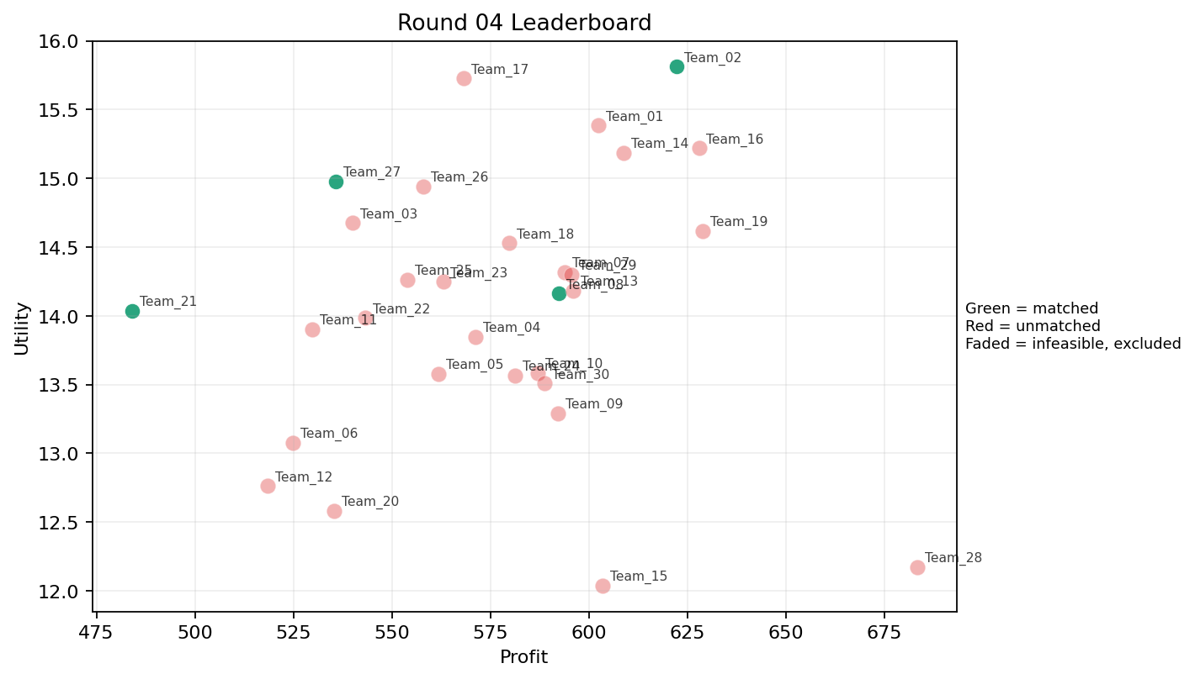
4 | 5 | Team_20 | Team_20 | 6 | G,K,B,C,D,R | FALSE | 535.29333333 | 12.582914918 | 3.8995 | 2.3115 | 3.3088333333 | 2.0035 | 2.3536666667 | 0.16666666667 | 2026-03-12T09:40:04 | FALSE | 0 |  | FALSE | infeasible | 0 | 0 | 0
4 | 6 | Team_26 | Team_26 | 8 | M,I,R,O,L,B,J,E | FALSE | 557.96 | 14.942075357 | 2.808625 | 2.61625 | 3.0255 | 2.51025 | 3.28725 | 0.375 | 2026-03-12T09:40:05 | FALSE | 0 |  | FALSE | infeasible | 0 | 0 | 0
4 | 7 | Team_08 | Team_08 | 7 | L,D,B,O,Q,I,P | TRUE | 592.4 | 14.161408826 | 2.6331428571 | 2.728 | 2.595 | 2.0475714286 | 2.9701428571 | 0.42857142857 | 2026-03-12T09:40:06 | TRUE | 8 | 20, 26, 3, 32, 38, 43, 45, 77 | TRUE |  | 592.4 | 592.4 | 8
4 | 8 | Team_25 | Team_25 | 7 | G,K,P,N,I,E,B | FALSE | 553.92 | 14.261985775 | 2.8291428571 | 2.6311428571 | 3.076 | 2.014 | 3.2952857143 | 0.42857142857 | 2026-03-12T09:40:07 | FALSE | 0 |  | FALSE | infeasible | 0 | 605.52 | 8
4 | 9 | Team_17 | Team_17 | 1 | F | FALSE | 568.16 | 15.725692303 | 1.147 | 3.887 | 2.898 | 1.995 | 3.234 | 0 | 2026-03-12T09:40:08 | FALSE | 0 |  | FALSE | infeasible | 0 | 0 | 0
4 | 10 | Team_04 | Team_04 | 6 | R,J,O,G,Q,K | FALSE | 571.13333333 | 13.845528278 | 3.116 | 2.8451666667 | 2.8608333333 | 2.5615 | 2.6741666667 | 0.33333333333 | 2026-03-12T09:40:09 | FALSE | 0 |  | FALSE | infeasible | 0 | 1333.28 | 16
4 | 11 | Team_14 | Team_14 | 8 | G,F,M,J,P,O,I,C | FALSE | 608.73 | 15.186974631 | 2.28 | 3.2925 | 2.390875 | 2.486375 | 3.367375 | 0.25 | 2026-03-12T09:40:10 | FALSE | 0 |  | FALSE | infeasible | 0 | 0 | 0
4 | 12 | Team_03 | Team_03 | 4 | M,F,N,E | FALSE | 539.94 | 14.676144657 | 1.861 | 3.40875 | 3.25075 | 1.7585 | 3.5885 | 0.5 | 2026-03-12T09:40:11 | FALSE | 0 |  | FALSE | infeasible | 0 | 0 | 0
4 | 13 | Team_10 | Team_10 | 7 | G,P,J,Q,N,A,K | FALSE | 586.98285714 | 13.583006667 | 2.9725714286 | 2.8044285714 | 2.6627142857 | 2.4297142857 | 2.6301428571 | 0.57142857143 | 2026-03-12T09:40:12 | FALSE | 0 |  | FALSE | infeasible | 0 | 0 | 0
4 | 14 | Team_30 | Team_30 | 6 | H,O,R,F,K,A | FALSE | 588.70666667 | 13.507903632 | 2.526 | 3.5186666667 | 2.6411666667 | 2.2656666667 | 2.5486666667 | 0.33333333333 | 2026-03-12T09:40:13 | FALSE | 0 |  | FALSE | infeasible | 0 | 0 | 0
4 | 15 | Team_21 | Team_21 | 4 | I,B,Q,N | TRUE | 484 | 14.035444025 | 2.60725 | 2.72425 | 3.95 | 1.624 | 3.0835 | 0.25 | 2026-03-12T09:40:14 | TRUE | 8 | 34, 42, 48, 52, 56, 61, 64, 73 | TRUE |  | 484 | 484 | 8
4 | 16 | Team_12 | Team_12 | 6 | Q,A,N,F,C,R | FALSE | 518.48 | 12.763216645 | 2.9453333333 | 3.1001666667 | 3.519 | 2.2228333333 | 1.9666666667 | 0.33333333333 | 2026-03-12T09:40:15 | FALSE | 0 |  | FALSE | infeasible | 0 | 0 | 0
4 | 17 | Team_16 | Team_16 | 1 | O | FALSE | 627.92 | 15.218356739 | 1.479 | 4.371 | 2.151 | 1.405 | 4.4 | 0 | 2026-03-12T09:40:16 | FALSE | 0 |  | FALSE | infeasible | 0 | 0 | 0
4 | 18 | Team_06 | Team_06 | 6 | C,J,K,N,E,B | FALSE | 524.89333333 | 13.077208174 | 3.5976666667 | 2.6475 | 3.4388333333 | 2.225 | 2.7496666667 | 0.33333333333 | 2026-03-12T09:40:17 | FALSE | 0 |  | FALSE | infeasible | 0 | 0 | 0
4 | 19 | Team_01 | Team_01 | 7 | I,M,B,P,O,F,H | FALSE | 602.36571429 | 15.383685842 | 1.8011428571 | 3.4321428571 | 2.4704285714 | 2.0902857143 | 3.584 | 0.28571428571 | 2026-03-12T09:40:18 | FALSE | 0 |  | FALSE | infeasible | 0 | 1153.1766667 | 16
4 | 20 | Team_11 | Team_11 | 5 | K,B,J,O,R | FALSE | 529.856 | 13.901004371 | 3.7002 | 2.1062 | 3.3768 | 2.5662 | 2.6068 | 0.2 | 2026-03-12T09:40:19 | FALSE | 0 |  | FALSE | infeasible | 0 | 0 | 0
4 | 21 | Team_18 | Team_18 | 5 | D,B,G,J,L | FALSE | 579.792 | 14.529597689 | 3.6928 | 1.7464 | 2.7526 | 2.31 | 3.2088 | 0.2 | 2026-03-12T09:40:20 | FALSE | 0 |  | FALSE | infeasible | 0 | 0 | 0
4 | 22 | Team_24 | Team_24 | 8 | F,K,R,P,C,J,Q,O | FALSE | 581.28 | 13.568057833 | 2.966 | 2.997375 | 2.734 | 2.707 | 2.2 | 0.375 | 2026-03-12T09:40:21 | FALSE | 0 |  | FALSE | infeasible | 0 | 609.08 | 8
4 | 23 | Team_09 | Team_09 | 4 | R,H,L,Q | FALSE | 592.22 | 13.291298058 | 2.916 | 2.86625 | 2.59725 | 2.81225 | 1.734 | 0.5 | 2026-03-12T09:40:22 | FALSE | 0 |  | FALSE | infeasible | 0 | 0 | 0
4 | 24 | Team_22 | Team_22 | 7 | N,G,F,A,B,Q,O | FALSE | 543.26857143 | 13.98388892 | 2.4175714286 | 3.2621428571 | 3.2091428571 | 1.616 | 3.3778571429 | 0.28571428571 | 2026-03-12T09:40:23 | FALSE | 0 |  | FALSE | infeasible | 0 | 0 | 0
4 | 25 | Team_15 | Team_15 | 1 | A | FALSE | 603.44 | 12.039128291 | 2.412 | 4.371 | 2.457 | 1.943 | 3 | 1 | 2026-03-12T09:40:24 | FALSE | 0 |  | FALSE | infeasible | 0 | 575.37 | 8
4 | 26 | Team_28 | Team_28 | 1 | L | FALSE | 683.36 | 12.172810784 | 4.056 | 1.628 | 1.458 | 3.053 | 1.234 | 1 | 2026-03-12T09:40:25 | FALSE | 0 |  | FALSE | infeasible | 0 | 0 | 0
4 | 27 | Team_13 | Team_13 | 4 | A,F,D,G | FALSE | 596.02 | 14.181976685 | 2.46375 | 3.2035 | 2.54975 | 1.686 | 3.4585 | 0.25 | 2026-03-12T09:40:26 | FALSE | 0 |  | FALSE | infeasible | 0 | 0 | 0
4 | 28 | Team_29 | Team_29 | 8 | L,G,O,R,D,H,I,Q | FALSE | 595.52 | 14.299508778 | 2.586 | 3.00125 | 2.556 | 2.222875 | 2.8795 | 0.25 | 2026-03-12T09:40:27 | FALSE | 0 |  | FALSE | infeasible | 0 | 0 | 0
4 | 29 | Team_23 | Team_23 | 6 | N,J,C,M,E,O | FALSE | 562.98666667 | 14.246643125 | 2.6611666667 | 3.2846666667 | 2.9626666667 | 2.2478333333 | 3.3046666667 | 0.33333333333 | 2026-03-12T09:40:28 | FALSE | 0 |  | FALSE | infeasible | 0 | 0 | 0
4 | 30 | Team_27 | Team_27 | 5 | D,E,R,F,I | TRUE | 535.76 | 14.978910582 | 2.5092 | 2.7056 | 3.303 | 2.2562 | 3.0782 | 0.2 | 2026-03-12T09:40:29 | TRUE | 8 | 21, 23, 28, 29, 47, 67, 72, 78 | TRUE |  | 535.76 | 535.76 | 8

Round 05
Round 05 Summary

run_no | market_capacity | solver | team_count | eligible_team_count | user_pool_count | infeasible_excluded_count | matched_user_count | unmatched_user_count | user_match_rate | feasible_submission_count | total_profit | total_utility | avg_profit | avg_utility | Team Product Assignments | round_realized_profit_total
5 | 8 | market_demand_v1 | 30 | 3 | 85 | 27 | 24 | 61 | 0.2824 | 3 | 17051.102667 | 413.69372765 | 568.37008889 | 13.789790922 | run_no | team_product | assigned_count | capacity | remaining_capacity | assigned_users
 |  |  |  |  |  |  |  |  |  |  |  |  |  |  | 5 | Team_02 | 8 | 8 | 0 | 75, 15, 6, 1, 19, 71, 82, 77
Leaderboard Rows |  |  |  |  |  |  |  |  |  |  |  |  |  |  | 5 | Team_23 | 8 | 8 | 0 | 30, 66, 17, 67, 41, 13, 12, 11
run_no | submission_order | team | player_name | num_suppliers | selected_suppliers | feasible | profit | utility | env_avg | social_avg | cost_avg | strategic_avg | improvement_avg | low_quality_avg | 5 | Team_30 | 8 | 8 | 0 | 27, 44, 64, 62, 7, 5, 57, 45 | realized_profit_round | cumulative_profit | cumulative_matched_users
5 | 1 | Team_03 | Team_03 | 6 | E,P,C,L,I,K | FALSE | 615.62666667 | 13.103156592 | 2.9426666667 | 3.1923333333 | 2.3046666667 | 2.5673333333 | 2.437 | 0.66666666667 | 2026-03-12T09:50:00 | FALSE | 0 |  | FALSE | infeasible | 0 | 0 | 0
5 | 2 | Team_22 | Team_22 | 6 | J,E,R,F,A,D | FALSE | 552.93333333 | 14.566947469 | 2.9608333333 | 2.5831666667 | 3.0883333333 | 2.588 | 2.9168333333 | 0.33333333333 | 2026-03-12T09:50:01 | FALSE | 0 |  | FALSE | infeasible | 0 | 0 | 0
5 | 3 | Team_02 | Team_02 | 6 | D,N,P,H,F,G | TRUE | 600.76 | 14.852861478 | 2.4473333333 | 2.6495 | 2.4905 | 2.0486666667 | 3.0113333333 | 0.16666666667 | 2026-03-12T09:50:02 | TRUE | 8 | 1, 15, 19, 6, 71, 75, 77, 82 | TRUE |  | 600.76 | 1223 | 16
5 | 4 | Team_29 | Team_29 | 5 | C,J,D,I,L | FALSE | 597.376 | 13.931248722 | 3.4174 | 2.4928 | 2.5328 | 2.6858 | 2.493 | 0.2 | 2026-03-12T09:50:03 | FALSE | 0 |  | FALSE | infeasible | 0 | 0 | 0
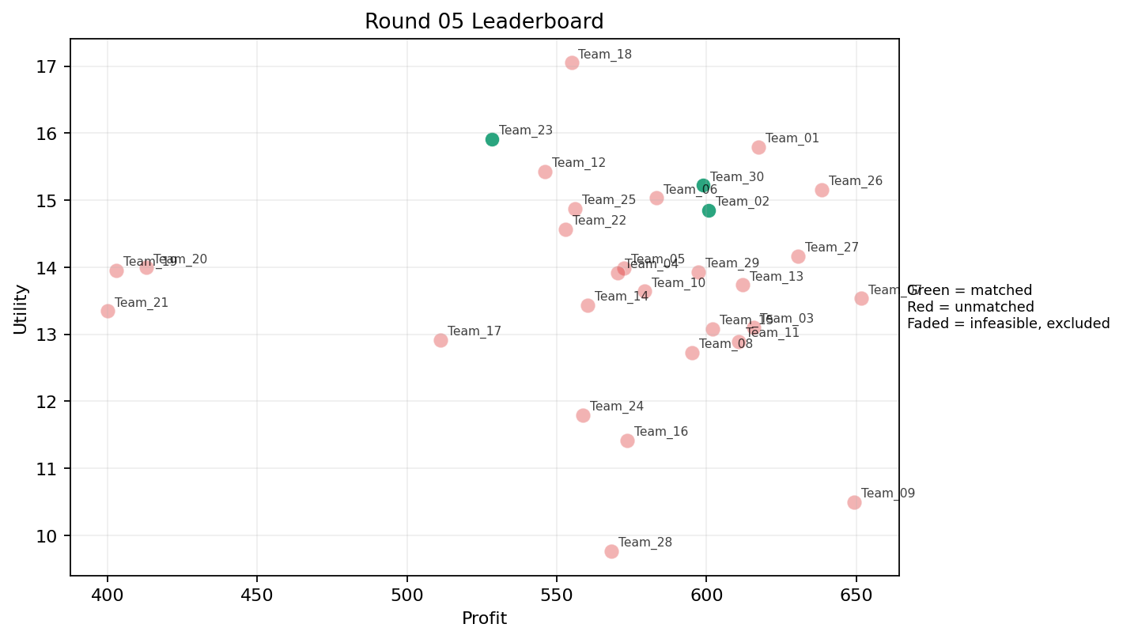
5 | 5 | Team_21 | Team_21 | 1 | N | FALSE | 400.08 | 13.346591718 | 3.578 | 1.006 | 4.999 | 1.303 | 2 | 0 | 2026-03-12T09:50:04 | FALSE | 0 |  | FALSE | infeasible | 0 | 484 | 8
5 | 6 | Team_05 | Team_05 | 7 | P,Q,A,I,C,B,J | FALSE | 572.44571429 | 13.987008029 | 2.8441428571 | 3.0611428571 | 2.8444285714 | 2.5501428571 | 2.806 | 0.42857142857 | 2026-03-12T09:50:05 | FALSE | 0 |  | FALSE | infeasible | 0 | 635.78285714 | 8
5 | 7 | Team_30 | Team_30 | 5 | M,J,G,D,E | TRUE | 598.848 | 15.222563895 | 2.6142 | 2.9032 | 2.5144 | 2.2338 | 3.986 | 0.4 | 2026-03-12T09:50:06 | TRUE | 8 | 27, 44, 45, 5, 57, 62, 64, 7 | TRUE |  | 598.848 | 598.848 | 8
5 | 8 | Team_11 | Team_11 | 4 | L,C,E,M | FALSE | 610.76 | 12.892570589 | 2.7275 | 3.68525 | 2.3655 | 2.30125 | 2.863 | 0.75 | 2026-03-12T09:50:07 | FALSE | 0 |  | FALSE | infeasible | 0 | 0 | 0
5 | 9 | Team_26 | Team_26 | 2 | H,E | FALSE | 638.56 | 15.153050106 | 1.4565 | 4.621 | 2.018 | 2.2975 | 4.117 | 0.5 | 2026-03-12T09:50:08 | FALSE | 0 |  | FALSE | infeasible | 0 | 0 | 0
5 | 10 | Team_09 | Team_09 | 2 | L,K | FALSE | 649.36 | 10.49788514 | 4.056 | 2.6085 | 1.883 | 2.457 | 1.212 | 1 | 2026-03-12T09:50:09 | FALSE | 0 |  | FALSE | infeasible | 0 | 0 | 0
5 | 11 | Team_19 | Team_19 | 1 | R | FALSE | 402.88 | 13.95161411 | 4.854 | 0.023 | 4.964 | 3.874 | 0.234 | 0 | 2026-03-12T09:50:10 | FALSE | 0 |  | FALSE | infeasible | 0 | 616.48 | 8
5 | 12 | Team_13 | Team_13 | 7 | K,L,I,E,C,J,P | FALSE | 612 | 13.733768325 | 3.1017142857 | 2.9102857143 | 2.35 | 2.8615714286 | 2.5474285714 | 0.57142857143 | 2026-03-12T09:50:11 | FALSE | 0 |  | FALSE | infeasible | 0 | 0 | 0
5 | 13 | Team_12 | Team_12 | 4 | J,R,E,O | FALSE | 545.92 | 15.425959732 | 3.0235 | 2.49575 | 3.176 | 2.99625 | 3.211 | 0.25 | 2026-03-12T09:50:12 | FALSE | 0 |  | FALSE | infeasible | 0 | 0 | 0
5 | 14 | Team_04 | Team_04 | 7 | G,A,K,I,N,F,M | FALSE | 570.43428571 | 13.915910897 | 2.3087142857 | 3.3955714286 | 2.8695714286 | 1.8397142857 | 3.203 | 0.42857142857 | 2026-03-12T09:50:13 | FALSE | 0 |  | FALSE | infeasible | 0 | 1333.28 | 16
5 | 15 | Team_25 | Team_25 | 2 | P,R | FALSE | 556.12 | 14.871870977 | 3.6545 | 0.8 | 3.0485 | 3.773 | 1.117 | 0.5 | 2026-03-12T09:50:14 | FALSE | 0 |  | FALSE | infeasible | 0 | 605.52 | 8
5 | 16 | Team_20 | Team_20 | 1 | B | FALSE | 412.88 | 13.994652789 | 4.056 | 1.33 | 4.839 | 1.064 | 4 | 0 | 2026-03-12T09:50:15 | FALSE | 0 |  | FALSE | infeasible | 0 | 0 | 0
5 | 17 | Team_17 | Team_17 | 3 | R,E,C | FALSE | 511.22666667 | 12.911073477 | 3.5646666667 | 2.9216666667 | 3.6096666667 | 2.7896666667 | 2.1106666667 | 0.33333333333 | 2026-03-12T09:50:16 | FALSE | 0 |  | FALSE | infeasible | 0 | 0 | 0
5 | 18 | Team_18 | Team_18 | 1 | I | FALSE | 554.88 | 17.049435108 | 1.249 | 3.618 | 3.064 | 2.323 | 4.1 | 0 | 2026-03-12T09:50:17 | FALSE | 0 |  | FALSE | infeasible | 0 | 0 | 0
5 | 19 | Team_01 | Team_01 | 4 | G,J,M,O | FALSE | 617.32 | 15.790841207 | 2.3135 | 3.22175 | 2.2835 | 2.37125 | 4.12675 | 0.25 | 2026-03-12T09:50:18 | FALSE | 0 |  | FALSE | infeasible | 0 | 1153.1766667 | 16
5 | 20 | Team_07 | Team_07 | 5 | M,D,K,P,H | FALSE | 651.664 | 13.534401096 | 2.4648 | 3.2074 | 1.8542 | 2.1432 | 2.6734 | 0.6 | 2026-03-12T09:50:19 | FALSE | 0 |  | FALSE | infeasible | 0 | 0 | 0
5 | 21 | Team_14 | Team_14 | 8 | D,P,N,H,C,R,L,B | FALSE | 560.18 | 13.433003387 | 3.491625 | 2.054375 | 2.99775 | 2.3635 | 2.077875 | 0.25 | 2026-03-12T09:50:20 | FALSE | 0 |  | FALSE | infeasible | 0 | 0 | 0
5 | 22 | Team_15 | Team_15 | 4 | P,C,E,Q | FALSE | 602.08 | 13.081207662 | 2.46025 | 3.8155 | 2.474 | 2.49325 | 2.583 | 0.75 | 2026-03-12T09:50:21 | FALSE | 0 |  | FALSE | infeasible | 0 | 575.37 | 8
5 | 23 | Team_10 | Team_10 | 2 | J,C | FALSE | 579.2 | 13.641307844 | 4.0955 | 2.7945 | 2.76 | 3.5215 | 2.154 | 0 | 2026-03-12T09:50:22 | FALSE | 0 |  | FALSE | infeasible | 0 | 0 | 0
5 | 24 | Team_08 | Team_08 | 4 | F,Q,K,M | FALSE | 595.14 | 12.728903383 | 1.94075 | 4.1975 | 2.56075 | 1.82975 | 2.6945 | 0.75 | 2026-03-12T09:50:23 | FALSE | 0 |  | FALSE | infeasible | 0 | 592.4 | 8
5 | 25 | Team_06 | Team_06 | 3 | H,B,G | FALSE | 583.2 | 15.032009254 | 2.6563333333 | 3.0426666667 | 2.71 | 1.792 | 4.0036666667 | 0 | 2026-03-12T09:50:24 | FALSE | 0 |  | FALSE | infeasible | 0 | 0 | 0
5 | 26 | Team_28 | Team_28 | 1 | C | FALSE | 568.16 | 9.7651769649 | 4.135 | 4.371 | 2.898 | 2.416 | 1.098 | 0 | 2026-03-12T09:50:25 | FALSE | 0 |  | FALSE | infeasible | 0 | 0 | 0
5 | 27 | Team_24 | Team_24 | 5 | B,K,M,Q,C | FALSE | 558.688 | 11.789950197 | 2.9614 | 3.7208 | 3.0164 | 1.7608 | 2.5284 | 0.6 | 2026-03-12T09:50:26 | FALSE | 0 |  | FALSE | infeasible | 0 | 609.08 | 8
5 | 28 | Team_27 | Team_27 | 7 | I,Q,M,H,P,K,G | FALSE | 630.48 | 14.161837022 | 2.0332857143 | 3.6994285714 | 2.119 | 2.233 | 3.0935714286 | 0.57142857143 | 2026-03-12T09:50:27 | FALSE | 0 |  | FALSE | infeasible | 0 | 535.76 | 8
5 | 29 | Team_23 | Team_23 | 4 | N,J,I,F | TRUE | 528.34 | 15.909789463 | 2.5075 | 2.43225 | 3.39575 | 2.562 | 3.136 | 0 | 2026-03-12T09:50:28 | TRUE | 8 | 11, 12, 13, 17, 30, 41, 66, 67 | TRUE |  | 528.34 | 528.34 | 8
5 | 30 | Team_16 | Team_16 | 6 | K,C,R,L,A,Q | FALSE | 573.56 | 11.417131021 | 3.5098333333 | 3.1541666667 | 2.8305 | 2.4921666667 | 1.4983333333 | 0.66666666667 | 2026-03-12T09:50:29 | FALSE | 0 |  | FALSE | infeasible | 0 | 0 | 0

Round 06
Round 06 Summary

run_no | market_capacity | solver | team_count | eligible_team_count | user_pool_count | infeasible_excluded_count | matched_user_count | unmatched_user_count | user_match_rate | feasible_submission_count | total_profit | total_utility | avg_profit | avg_utility | Team Product Assignments | round_realized_profit_total
6 | 8 | market_demand_v1 | 30 | 1 | 85 | 29 | 8 | 77 | 0.0941 | 1 | 17560.258476 | 424.26190769 | 585.34194921 | 14.14206359 | run_no | team_product | assigned_count | capacity | remaining_capacity | assigned_users
 |  |  |  |  |  |  |  |  |  |  |  |  |  |  | 6 | Team_18 | 8 | 8 | 0 | 1, 10, 11, 12, 13, 14, 15, 16
Leaderboard Rows
run_no | submission_order | team | player_name | num_suppliers | selected_suppliers | feasible | profit | utility | env_avg | social_avg | cost_avg | strategic_avg | improvement_avg | low_quality_avg | created_at | matching_eligible | matched_user_count | matched_user_ids | matched | excluded_reason | realized_profit_round | cumulative_profit | cumulative_matched_users
6 | 1 | Team_29 | Team_29 | 8 | E,B,L,H,J,D,N,O | FALSE | 572.73 | 14.463416625 | 2.966125 | 2.553 | 2.840875 | 2.132125 | 3.237625 | 0.25 | 2026-03-12T10:00:00 | FALSE | 0 |  | FALSE | infeasible | 0 | 0 | 0
6 | 2 | Team_28 | Team_28 | 6 | J,A,M,I,E,F | FALSE | 584.70666667 | 15.327331505 | 1.9305 | 3.6393333333 | 2.6911666667 | 2.4373333333 | 3.7773333333 | 0.5 | 2026-03-12T10:00:01 | FALSE | 0 |  | FALSE | infeasible | 0 | 0 | 0
6 | 3 | Team_21 | Team_21 | 6 | Q,H,O,C,G,N | FALSE | 583.50666667 | 13.530432813 | 2.4418333333 | 3.7481666667 | 2.7061666667 | 1.8736666667 | 2.9571666667 | 0.16666666667 | 2026-03-12T10:00:02 | FALSE | 0 |  | FALSE | infeasible | 0 | 484 | 8
6 | 4 | Team_26 | Team_26 | 1 | H | FALSE | 714.48 | 15.289670857 | 1.208 | 4.871 | 1.069 | 2.516 | 3.234 | 0 | 2026-03-12T10:00:03 | FALSE | 0 |  | FALSE | infeasible | 0 | 0 | 0
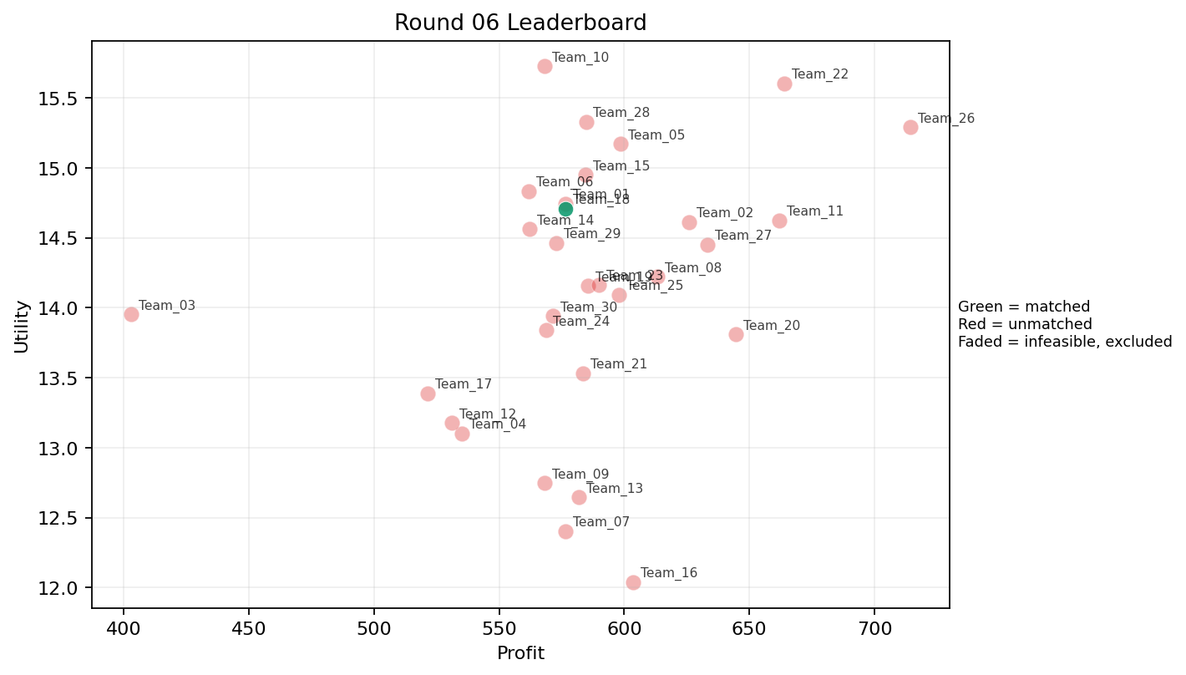
6 | 5 | Team_03 | Team_03 | 1 | R | FALSE | 402.88 | 13.95161411 | 4.854 | 0.023 | 4.964 | 3.874 | 0.234 | 0 | 2026-03-12T10:00:04 | FALSE | 0 |  | FALSE | infeasible | 0 | 0 | 0
6 | 6 | Team_17 | Team_17 | 5 | N,B,G,A,Q | FALSE | 521.36 | 13.388634679 | 2.8594 | 2.9154 | 3.483 | 1.5824 | 3.2022 | 0.4 | 2026-03-12T10:00:05 | FALSE | 0 |  | FALSE | infeasible | 0 | 0 | 0
6 | 7 | Team_19 | Team_19 | 6 | D,Q,I,F,O,A | FALSE | 585.46666667 | 14.155848493 | 1.904 | 3.8031666667 | 2.6816666667 | 1.747 | 3.2985 | 0.33333333333 | 2026-03-12T10:00:06 | FALSE | 0 |  | FALSE | infeasible | 0 | 616.48 | 8
6 | 8 | Team_20 | Team_20 | 5 | Q,M,O,H,L | FALSE | 644.56 | 13.809560023 | 1.8606 | 4.0368 | 1.943 | 2.0874 | 3.0444 | 0.6 | 2026-03-12T10:00:07 | FALSE | 0 |  | FALSE | infeasible | 0 | 0 | 0
6 | 9 | Team_11 | Team_11 | 4 | L,G,H,O | FALSE | 662 | 14.623135624 | 2.362 | 3.44925 | 1.725 | 2.1925 | 3.41125 | 0.25 | 2026-03-12T10:00:08 | FALSE | 0 |  | FALSE | infeasible | 0 | 0 | 0
6 | 10 | Team_01 | Team_01 | 6 | I,E,A,N,O,P | FALSE | 576.38666667 | 14.743678176 | 2.1463333333 | 3.219 | 2.7951666667 | 2.1208333333 | 3.4166666667 | 0.5 | 2026-03-12T10:00:09 | FALSE | 0 |  | FALSE | infeasible | 0 | 1153.1766667 | 16
6 | 11 | Team_23 | Team_23 | 8 | C,J,M,H,N,Q,O,G | FALSE | 590.02 | 14.164487606 | 2.465125 | 3.50975 | 2.62475 | 2.19075 | 3.134125 | 0.25 | 2026-03-12T10:00:10 | FALSE | 0 |  | FALSE | infeasible | 0 | 528.34 | 8
6 | 12 | Team_04 | Team_04 | 5 | N,H,C,D,R | FALSE | 535.168 | 13.100887136 | 3.4732 | 2.38 | 3.3104 | 2.2238 | 1.8778 | 0 | 2026-03-12T10:00:11 | FALSE | 0 |  | FALSE | infeasible | 0 | 1333.28 | 16
6 | 13 | Team_08 | Team_08 | 4 | K,H,I,F | FALSE | 613.22 | 14.221939441 | 1.915 | 3.99125 | 2.33475 | 2.17375 | 2.9395 | 0.25 | 2026-03-12T10:00:12 | FALSE | 0 |  | FALSE | infeasible | 0 | 592.4 | 8
6 | 14 | Team_06 | Team_06 | 7 | N,J,F,C,M,I,G | FALSE | 561.80571429 | 14.833129169 | 2.5548571429 | 3.0568571429 | 2.9774285714 | 2.3024285714 | 3.2198571429 | 0.14285714286 | 2026-03-12T10:00:13 | FALSE | 0 |  | FALSE | infeasible | 0 | 0 | 0
6 | 15 | Team_02 | Team_02 | 7 | Q,O,M,L,F,H,J | FALSE | 625.88571429 | 14.612990163 | 2.0722857143 | 3.6127142857 | 2.1764285714 | 2.437 | 3.0951428571 | 0.42857142857 | 2026-03-12T10:00:14 | FALSE | 0 |  | FALSE | infeasible | 0 | 1223 | 16
6 | 16 | Team_05 | Team_05 | 2 | F,M | FALSE | 598.52 | 15.170778777 | 1.0805 | 4.129 | 2.5185 | 1.826 | 3.677 | 0.5 | 2026-03-12T10:00:15 | FALSE | 0 |  | FALSE | infeasible | 0 | 635.78285714 | 8
6 | 17 | Team_13 | Team_13 | 8 | P,M,A,E,N,Q,C,K | FALSE | 582.01 | 12.643671925 | 2.612625 | 3.574875 | 2.724875 | 2.092125 | 2.58025 | 0.75 | 2026-03-12T10:00:16 | FALSE | 0 |  | FALSE | infeasible | 0 | 0 | 0
6 | 18 | Team_30 | Team_30 | 7 | O,L,E,N,A,B,P | FALSE | 571.38285714 | 13.940013932 | 2.8201428571 | 2.6648571429 | 2.8577142857 | 2.0741428571 | 3.0905714286 | 0.57142857143 | 2026-03-12T10:00:17 | FALSE | 0 |  | FALSE | infeasible | 0 | 598.848 | 8
6 | 19 | Team_24 | Team_24 | 8 | K,N,O,G,R,A,F,P | FALSE | 568.68 | 13.838521827 | 2.83575 | 2.718875 | 2.8915 | 2.231125 | 2.604375 | 0.375 | 2026-03-12T10:00:18 | FALSE | 0 |  | FALSE | infeasible | 0 | 609.08 | 8
6 | 20 | Team_27 | Team_27 | 3 | G,Q,P | FALSE | 633.25333333 | 14.451642814 | 2.2353333333 | 3.149 | 2.0843333333 | 2.4246666667 | 3.0036666667 | 0.66666666667 | 2026-03-12T10:00:19 | FALSE | 0 |  | FALSE | infeasible | 0 | 535.76 | 8
6 | 21 | Team_15 | Team_15 | 7 | O,B,I,H,J,G,C | FALSE | 584.4 | 14.949490757 | 2.6982857143 | 3.2437142857 | 2.695 | 2.3067142857 | 3.5455714286 | 0 | 2026-03-12T10:00:20 | FALSE | 0 |  | FALSE | infeasible | 0 | 575.37 | 8
6 | 22 | Team_07 | Team_07 | 7 | K,F,M,R,L,C,Q | FALSE | 576.42285714 | 12.400745056 | 2.9725714286 | 3.2588571429 | 2.7947142857 | 2.3802857143 | 1.9062857143 | 0.57142857143 | 2026-03-12T10:00:21 | FALSE | 0 |  | FALSE | infeasible | 0 | 0 | 0
6 | 23 | Team_10 | Team_10 | 1 | F | FALSE | 568.16 | 15.725692303 | 1.147 | 3.887 | 2.898 | 1.995 | 3.234 | 0 | 2026-03-12T10:00:22 | FALSE | 0 |  | FALSE | infeasible | 0 | 0 | 0
6 | 24 | Team_22 | Team_22 | 3 | F,P,H | FALSE | 664 | 15.602497001 | 1.6033333333 | 3.445 | 1.7 | 2.7276666667 | 2.8226666667 | 0.33333333333 | 2026-03-12T10:00:23 | FALSE | 0 |  | FALSE | infeasible | 0 | 0 | 0
6 | 25 | Team_16 | Team_16 | 1 | A | FALSE | 603.44 | 12.039128291 | 2.412 | 4.371 | 2.457 | 1.943 | 3 | 1 | 2026-03-12T10:00:24 | FALSE | 0 |  | FALSE | infeasible | 0 | 0 | 0
6 | 26 | Team_12 | Team_12 | 3 | G,R,C | FALSE | 531.09333333 | 13.176165063 | 3.898 | 2.4403333333 | 3.3613333333 | 2.6953333333 | 2.0363333333 | 0 | 2026-03-12T10:00:25 | FALSE | 0 |  | FALSE | infeasible | 0 | 0 | 0
6 | 27 | Team_14 | Team_14 | 3 | J,L,B | FALSE | 562.16 | 14.561634099 | 4.056 | 1.392 | 2.973 | 2.9146666667 | 2.8146666667 | 0.33333333333 | 2026-03-12T10:00:26 | FALSE | 0 |  | FALSE | infeasible | 0 | 0 | 0
6 | 28 | Team_25 | Team_25 | 3 | E,O,A | FALSE | 598 | 14.091304795 | 1.8653333333 | 4.371 | 2.525 | 1.809 | 4.1333333333 | 0.66666666667 | 2026-03-12T10:00:27 | FALSE | 0 |  | FALSE | infeasible | 0 | 605.52 | 8
6 | 29 | Team_09 | Team_09 | 2 | C,F | FALSE | 568.16 | 12.745434634 | 2.641 | 4.129 | 2.898 | 2.2055 | 2.166 | 0 | 2026-03-12T10:00:28 | FALSE | 0 |  | FALSE | infeasible | 0 | 0 | 0
6 | 30 | Team_18 | Team_18 | 6 | O,E,D,F,P,N | TRUE | 576.4 | 14.708429998 | 2.3258333333 | 2.8068333333 | 2.795 | 1.9106666667 | 3.2428333333 | 0.33333333333 | 2026-03-12T10:00:29 | TRUE | 8 | 1, 10, 11, 12, 13, 14, 15, 16 | TRUE |  | 576.4 | 576.4 | 8

Round 07
Round 07 Summary

run_no | market_capacity | solver | team_count | eligible_team_count | user_pool_count | infeasible_excluded_count | matched_user_count | unmatched_user_count | user_match_rate | feasible_submission_count | total_profit | total_utility | avg_profit | avg_utility | Team Product Assignments | round_realized_profit_total
7 | 8 | market_demand_v1 | 30 | 1 | 85 | 29 | 8 | 77 | 0.0941 | 1 | 17467.111048 | 412.47213878 | 582.23703492 | 13.749071293 | run_no | team_product | assigned_count | capacity | remaining_capacity | assigned_users
 |  |  |  |  |  |  |  |  |  |  |  |  |  |  | 7 | Team_26 | 8 | 8 | 0 | 1, 10, 11, 12, 13, 14, 15, 16
Leaderboard Rows
run_no | submission_order | team | player_name | num_suppliers | selected_suppliers | feasible | profit | utility | env_avg | social_avg | cost_avg | strategic_avg | improvement_avg | low_quality_avg | created_at | matching_eligible | matched_user_count | matched_user_ids | matched | excluded_reason | realized_profit_round | cumulative_profit | cumulative_matched_users
7 | 1 | Team_07 | Team_07 | 4 | H,C,L,A | FALSE | 642.36 | 12.316696724 | 2.95275 | 3.81025 | 1.9705 | 2.482 | 2.1415 | 0.5 | 2026-03-12T10:10:00 | FALSE | 0 |  | FALSE | infeasible | 0 | 0 | 0
7 | 2 | Team_12 | Team_12 | 7 | E,C,L,K,H,B,F | FALSE | 589.29142857 | 12.969627507 | 2.909 | 3.4352857143 | 2.6338571429 | 2.1405714286 | 2.7128571429 | 0.42857142857 | 2026-03-12T10:10:01 | FALSE | 0 |  | FALSE | infeasible | 0 | 0 | 0
7 | 3 | Team_30 | Team_30 | 5 | Q,O,H,K,G | FALSE | 629.632 | 13.378757538 | 2.1988 | 4.1402 | 2.1296 | 1.8768 | 3.167 | 0.4 | 2026-03-12T10:10:02 | FALSE | 0 |  | FALSE | infeasible | 0 | 598.848 | 8
7 | 4 | Team_01 | Team_01 | 3 | I,R,G | FALSE | 526.66666667 | 15.604251111 | 2.936 | 2.1893333333 | 3.4166666667 | 2.6643333333 | 3.037 | 0 | 2026-03-12T10:10:03 | FALSE | 0 |  | FALSE | infeasible | 0 | 1153.1766667 | 16
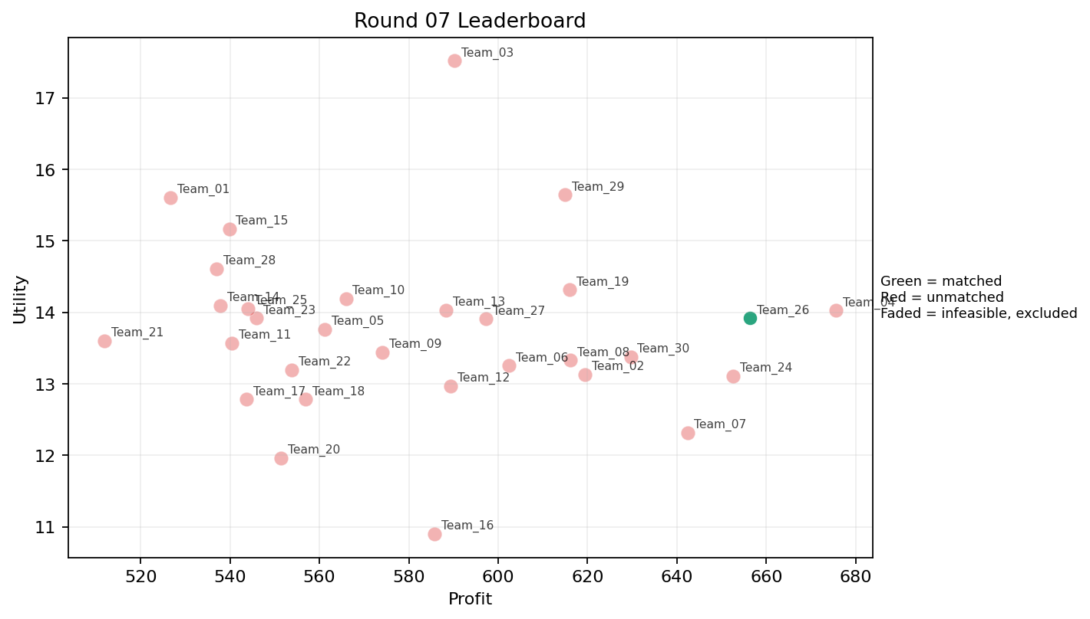
7 | 5 | Team_24 | Team_24 | 3 | O,K,H | FALSE | 652.58666667 | 13.11032903 | 2.2476666667 | 4.277 | 1.8426666667 | 1.9273333333 | 2.9413333333 | 0.33333333333 | 2026-03-12T10:10:04 | FALSE | 0 |  | FALSE | infeasible | 0 | 609.08 | 8
7 | 6 | Team_14 | Team_14 | 4 | R,D,J,Q | FALSE | 537.88 | 14.092882837 | 3.51175 | 1.95325 | 3.2765 | 2.82925 | 2.12525 | 0.25 | 2026-03-12T10:10:05 | FALSE | 0 |  | FALSE | infeasible | 0 | 0 | 0
7 | 7 | Team_22 | Team_22 | 6 | I,N,O,C,A,Q | FALSE | 553.77333333 | 13.194964217 | 2.3998333333 | 3.78 | 3.0778333333 | 1.866 | 2.8053333333 | 0.33333333333 | 2026-03-12T10:10:06 | FALSE | 0 |  | FALSE | infeasible | 0 | 0 | 0
7 | 8 | Team_10 | Team_10 | 4 | F,H,Q,B | FALSE | 565.92 | 14.190278108 | 1.98925 | 3.75775 | 2.926 | 1.84525 | 3.1755 | 0.25 | 2026-03-12T10:10:07 | FALSE | 0 |  | FALSE | infeasible | 0 | 0 | 0
7 | 9 | Team_16 | Team_16 | 2 | A,C | FALSE | 585.8 | 10.902152628 | 3.2735 | 4.371 | 2.6775 | 2.1795 | 2.049 | 0.5 | 2026-03-12T10:10:08 | FALSE | 0 |  | FALSE | infeasible | 0 | 0 | 0
7 | 10 | Team_27 | Team_27 | 8 | M,A,D,B,K,J,H,G | FALSE | 597.22 | 13.905350194 | 2.88725 | 3.03825 | 2.53475 | 2.05925 | 3.29425 | 0.375 | 2026-03-12T10:10:09 | FALSE | 0 |  | FALSE | infeasible | 0 | 535.76 | 8
7 | 11 | Team_02 | Team_02 | 7 | E,C,P,L,F,M,K | FALSE | 619.41714286 | 13.130151714 | 2.6525714286 | 3.3991428571 | 2.2572857143 | 2.3904285714 | 2.5537142857 | 0.71428571429 | 2026-03-12T10:10:10 | FALSE | 0 |  | FALSE | infeasible | 0 | 1223 | 16
7 | 12 | Team_29 | Team_29 | 4 | O,I,E,H | FALSE | 614.98 | 15.643473015 | 1.41025 | 4.30775 | 2.31275 | 2.08075 | 4.1835 | 0.25 | 2026-03-12T10:10:11 | FALSE | 0 |  | FALSE | infeasible | 0 | 0 | 0
7 | 13 | Team_05 | Team_05 | 6 | A,I,J,B,D,K | FALSE | 561.17333333 | 13.762499406 | 3.2366666667 | 2.6258333333 | 2.9853333333 | 2.138 | 3.0538333333 | 0.33333333333 | 2026-03-12T10:10:12 | FALSE | 0 |  | FALSE | infeasible | 0 | 635.78285714 | 8
7 | 14 | Team_28 | Team_28 | 6 | O,N,J,Q,B,G | FALSE | 536.92 | 14.606640095 | 2.9033333333 | 2.6325 | 3.2885 | 2.0001666667 | 3.4368333333 | 0.16666666667 | 2026-03-12T10:10:13 | FALSE | 0 |  | FALSE | infeasible | 0 | 0 | 0
7 | 15 | Team_04 | Team_04 | 3 | M,H,L | FALSE | 675.57333333 | 14.026115631 | 2.0926666667 | 3.6233333333 | 1.5553333333 | 2.4086666667 | 2.8626666667 | 0.66666666667 | 2026-03-12T10:10:14 | FALSE | 0 |  | FALSE | infeasible | 0 | 1333.28 | 16
7 | 16 | Team_08 | Team_08 | 2 | A,M | FALSE | 616.16 | 13.327496771 | 1.713 | 4.371 | 2.298 | 1.8 | 3.56 | 1 | 2026-03-12T10:10:15 | FALSE | 0 |  | FALSE | infeasible | 0 | 592.4 | 8
7 | 17 | Team_11 | Team_11 | 7 | N,C,J,R,A,D,O | FALSE | 540.42285714 | 13.569955511 | 3.4435714286 | 2.427 | 3.2447142857 | 2.3682857143 | 2.395 | 0.14285714286 | 2026-03-12T10:10:16 | FALSE | 0 |  | FALSE | infeasible | 0 | 0 | 0
7 | 18 | Team_09 | Team_09 | 6 | K,J,L,R,D,E | FALSE | 574.12 | 13.438772417 | 3.7196666667 | 2.0763333333 | 2.8235 | 2.7506666667 | 2.2818333333 | 0.5 | 2026-03-12T10:10:17 | FALSE | 0 |  | FALSE | infeasible | 0 | 0 | 0
7 | 19 | Team_23 | Team_23 | 8 | G,L,E,R,B,Q,H,N | FALSE | 545.84 | 13.916821276 | 2.9635 | 2.637375 | 3.177 | 2.186375 | 2.839125 | 0.375 | 2026-03-12T10:10:18 | FALSE | 0 |  | FALSE | infeasible | 0 | 528.34 | 8
7 | 20 | Team_25 | Team_25 | 7 | R,F,O,D,K,B,J | FALSE | 543.95428571 | 14.05458517 | 3.3198571429 | 2.2924285714 | 3.2005714286 | 2.2622857143 | 2.7272857143 | 0.14285714286 | 2026-03-12T10:10:19 | FALSE | 0 |  | FALSE | infeasible | 0 | 605.52 | 8
7 | 21 | Team_15 | Team_15 | 4 | I,E,B,M | FALSE | 539.82 | 15.169095626 | 2.006 | 3.4225 | 3.25225 | 1.78075 | 4.305 | 0.5 | 2026-03-12T10:10:20 | FALSE | 0 |  | FALSE | infeasible | 0 | 575.37 | 8
7 | 22 | Team_20 | Team_20 | 3 | L,R,C | FALSE | 551.46666667 | 11.96320062 | 4.3483333333 | 2.0073333333 | 3.1066666667 | 3.1143333333 | 0.85533333333 | 0.33333333333 | 2026-03-12T10:10:21 | FALSE | 0 |  | FALSE | infeasible | 0 | 0 | 0
7 | 23 | Team_03 | Team_03 | 1 | J | FALSE | 590.24 | 17.517438723 | 4.056 | 1.218 | 2.622 | 4.627 | 3.21 | 0 | 2026-03-12T10:10:22 | FALSE | 0 |  | FALSE | infeasible | 0 | 0 | 0
7 | 24 | Team_18 | Team_18 | 4 | N,D,K,G | FALSE | 556.98 | 12.78315934 | 3.4825 | 2.28775 | 3.03775 | 1.4925 | 2.6975 | 0.25 | 2026-03-12T10:10:23 | FALSE | 0 |  | FALSE | infeasible | 0 | 576.4 | 8
7 | 25 | Team_19 | Team_19 | 4 | Q,G,L,J | FALSE | 616 | 14.313262527 | 3.09075 | 2.679 | 2.3 | 2.8205 | 2.86375 | 0.5 | 2026-03-12T10:10:24 | FALSE | 0 |  | FALSE | infeasible | 0 | 616.48 | 8
7 | 26 | Team_26 | Team_26 | 2 | A,P | TRUE | 656.4 | 13.915628068 | 2.4335 | 2.974 | 1.795 | 2.8075 | 2.5 | 1 | 2026-03-12T10:10:25 | TRUE | 8 | 1, 10, 11, 12, 13, 14, 15, 16 | TRUE |  | 656.4 | 656.4 | 8
7 | 27 | Team_06 | Team_06 | 4 | I,A,Q,L | FALSE | 602.46 | 13.253117667 | 2.31575 | 3.64 | 2.46925 | 2.28125 | 2.642 | 0.75 | 2026-03-12T10:10:26 | FALSE | 0 |  | FALSE | infeasible | 0 | 0 | 0
7 | 28 | Team_17 | Team_17 | 6 | Q,P,A,B,C,N | FALSE | 543.68 | 12.781462348 | 3.0303333333 | 2.933 | 3.204 | 2.034 | 2.3886666667 | 0.5 | 2026-03-12T10:10:27 | FALSE | 0 |  | FALSE | infeasible | 0 | 0 | 0
7 | 29 | Team_13 | Team_13 | 3 | F,Q,M | FALSE | 588.4 | 14.030884679 | 1.2356666667 | 4.4003333333 | 2.645 | 1.8193333333 | 3.196 | 0.66666666667 | 2026-03-12T10:10:28 | FALSE | 0 |  | FALSE | infeasible | 0 | 0 | 0
7 | 30 | Team_21 | Team_21 | 3 | C,B,I | FALSE | 511.97333333 | 13.603088287 | 3.1466666667 | 3.1063333333 | 3.6003333333 | 1.9343333333 | 3.066 | 0 | 2026-03-12T10:10:29 | FALSE | 0 |  | FALSE | infeasible | 0 | 484 | 8

Round 08
Round 08 Summary

run_no | market_capacity | solver | team_count | eligible_team_count | user_pool_count | infeasible_excluded_count | matched_user_count | unmatched_user_count | user_match_rate | feasible_submission_count | total_profit | total_utility | avg_profit | avg_utility | Team Product Assignments | round_realized_profit_total
8 | 8 | market_demand_v1 | 30 | 5 | 85 | 25 | 40 | 45 | 0.4706 | 5 | 17275.425905 | 426.66310809 | 575.84753016 | 14.222103603 | run_no | team_product | assigned_count | capacity | remaining_capacity | assigned_users
 |  |  |  |  |  |  |  |  |  |  |  |  |  |  | 8 | Team_05 | 8 | 8 | 0 | 64, 20, 76, 1, 69, 45, 71, 4
Leaderboard Rows |  |  |  |  |  |  |  |  |  |  |  |  |  |  | 8 | Team_08 | 8 | 8 | 0 | 62, 7, 57, 19, 85, 77, 82, 51
run_no | submission_order | team | player_name | num_suppliers | selected_suppliers | feasible | profit | utility | env_avg | social_avg | cost_avg | strategic_avg | improvement_avg | low_quality_avg | 8 | Team_21 | 8 | 8 | 0 | 66, 60, 41, 46, 13, 80, 65, 43 | realized_profit_round | cumulative_profit | cumulative_matched_users
8 | 1 | Team_10 | Team_10 | 7 | K,D,A,J,P,L,O | FALSE | 631.41714286 | 13.530600558 | 3.1578571429 | 2.6261428571 | 2.1072857143 | 2.5101428571 | 2.551 | 0.57142857143 | 8 | Team_23 | 8 | 8 | 0 | 27, 30, 17, 44, 12, 67, 11, 52 | 0 | 0 | 0
8 | 2 | Team_28 | Team_28 | 8 | I,L,C,M,K,Q,F,R | FALSE | 573.73 | 12.981831312 | 2.757125 | 3.30375 | 2.828375 | 2.373125 | 2.1805 | 0.5 | 8 | Team_24 | 8 | 8 | 0 | 75, 15, 5, 2, 6, 70, 83, 73 | 0 | 0 | 0
8 | 3 | Team_30 | Team_30 | 8 | I,J,F,M,B,C,A,R | FALSE | 541.19 | 14.332375443 | 2.865375 | 2.898625 | 3.235125 | 2.487375 | 2.8745 | 0.25 | 2026-03-12T10:20:02 | FALSE | 0 |  | FALSE | infeasible | 0 | 598.848 | 8
8 | 4 | Team_09 | Team_09 | 8 | N,P,D,M,C,R,L,E | FALSE | 568.2 | 13.476499757 | 3.1735 | 2.372 | 2.8975 | 2.383 | 2.313625 | 0.5 | 2026-03-12T10:20:03 | FALSE | 0 |  | FALSE | infeasible | 0 | 0 | 0
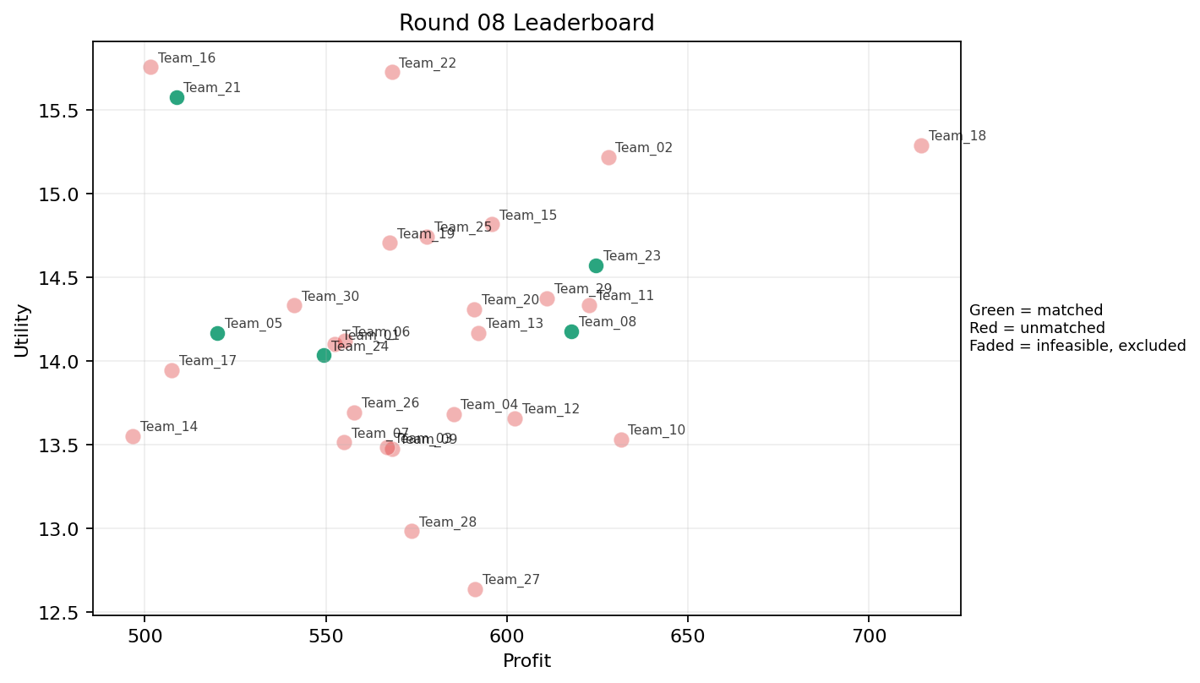
8 | 5 | Team_08 | Team_08 | 4 | D,A,P,F | TRUE | 617.8 | 14.177082617 | 2.40125 | 2.866 | 2.2775 | 2.155 | 2.76425 | 0.5 | 2026-03-12T10:20:04 | TRUE | 8 | 19, 51, 57, 62, 7, 77, 82, 85 | TRUE |  | 617.8 | 1210.2 | 16
8 | 6 | Team_13 | Team_13 | 5 | O,J,K,H,B | FALSE | 592.176 | 14.168615721 | 2.971 | 3.0758 | 2.5978 | 2.2946 | 3.2068 | 0.2 | 2026-03-12T10:20:05 | FALSE | 0 |  | FALSE | infeasible | 0 | 0 | 0
8 | 7 | Team_14 | Team_14 | 2 | R,D | FALSE | 496.56 | 13.551498071 | 4.2225 | 0.826 | 3.793 | 2.442 | 1.5285 | 0 | 2026-03-12T10:20:06 | FALSE | 0 |  | FALSE | infeasible | 0 | 0 | 0
8 | 8 | Team_18 | Team_18 | 1 | H | FALSE | 714.48 | 15.289670857 | 1.208 | 4.871 | 1.069 | 2.516 | 3.234 | 0 | 2026-03-12T10:20:07 | FALSE | 0 |  | FALSE | infeasible | 0 | 576.4 | 8
8 | 9 | Team_05 | Team_05 | 5 | D,B,F,M,N | TRUE | 520.048 | 14.166836818 | 2.6772 | 2.4446 | 3.4994 | 1.4058 | 3.2354 | 0.2 | 2026-03-12T10:20:08 | TRUE | 8 | 1, 20, 4, 45, 64, 69, 71, 76 | TRUE |  | 520.048 | 1155.8308571 | 16
8 | 10 | Team_02 | Team_02 | 1 | O | FALSE | 627.92 | 15.218356739 | 1.479 | 4.371 | 2.151 | 1.405 | 4.4 | 0 | 2026-03-12T10:20:09 | FALSE | 0 |  | FALSE | infeasible | 0 | 1223 | 16
8 | 11 | Team_01 | Team_01 | 5 | R,H,B,A,O | FALSE | 552.32 | 14.098684557 | 2.8018 | 2.9932 | 3.096 | 2.1604 | 2.9736 | 0.2 | 2026-03-12T10:20:10 | FALSE | 0 |  | FALSE | infeasible | 0 | 1153.1766667 | 16
8 | 12 | Team_27 | Team_27 | 3 | A,I,K | FALSE | 591.22666667 | 12.637174298 | 2.5723333333 | 3.8593333333 | 2.6096666667 | 2.0423333333 | 2.7633333333 | 0.66666666667 | 2026-03-12T10:20:11 | FALSE | 0 |  | FALSE | infeasible | 0 | 535.76 | 8
8 | 13 | Team_23 | Team_23 | 3 | F,G,L | TRUE | 624.58666667 | 14.570069068 | 2.636 | 2.814 | 2.1926666667 | 2.2813333333 | 3.0816666667 | 0.33333333333 | 2026-03-12T10:20:12 | TRUE | 8 | 11, 12, 17, 27, 30, 44, 52, 67 | TRUE |  | 624.58666667 | 1152.9266667 | 16
8 | 14 | Team_29 | Team_29 | 7 | H,Q,J,L,D,F,E | FALSE | 611.04 | 14.374931505 | 2.4727142857 | 3.221 | 2.362 | 2.4408571429 | 2.9955714286 | 0.42857142857 | 2026-03-12T10:20:13 | FALSE | 0 |  | FALSE | infeasible | 0 | 0 | 0
8 | 15 | Team_03 | Team_03 | 4 | A,B,F,L | FALSE | 566.96 | 13.483071042 | 2.91775 | 2.804 | 2.913 | 2.01375 | 2.867 | 0.5 | 2026-03-12T10:20:14 | FALSE | 0 |  | FALSE | infeasible | 0 | 0 | 0
8 | 16 | Team_12 | Team_12 | 3 | I,L,Q | FALSE | 602.13333333 | 13.657780792 | 2.2836666667 | 3.3963333333 | 2.4733333333 | 2.394 | 2.5226666667 | 0.66666666667 | 2026-03-12T10:20:15 | FALSE | 0 |  | FALSE | infeasible | 0 | 0 | 0
8 | 17 | Team_21 | Team_21 | 3 | F,I,R | TRUE | 508.64 | 15.575580507 | 2.4166666667 | 2.5093333333 | 3.642 | 2.7306666667 | 2.5226666667 | 0 | 2026-03-12T10:20:16 | TRUE | 8 | 13, 41, 43, 46, 60, 65, 66, 80 | TRUE |  | 508.64 | 992.64 | 16
8 | 18 | Team_25 | Team_25 | 4 | F,N,H,M | FALSE | 577.9 | 14.744455032 | 1.73675 | 3.53375 | 2.77625 | 1.86775 | 3.147 | 0.25 | 2026-03-12T10:20:17 | FALSE | 0 |  | FALSE | infeasible | 0 | 605.52 | 8
8 | 19 | Team_15 | Team_15 | 2 | E,M | FALSE | 595.76 | 14.816147303 | 1.3595 | 4.371 | 2.553 | 1.868 | 4.56 | 1 | 2026-03-12T10:20:18 | FALSE | 0 |  | FALSE | infeasible | 0 | 575.37 | 8
8 | 20 | Team_04 | Team_04 | 5 | N,H,F,K,O | FALSE | 585.2 | 13.680654222 | 2.2936 | 3.5448 | 2.685 | 1.816 | 2.8116 | 0.2 | 2026-03-12T10:20:19 | FALSE | 0 |  | FALSE | infeasible | 0 | 1333.28 | 16
8 | 21 | Team_20 | Team_20 | 8 | C,Q,O,G,M,B,P,J | FALSE | 590.98 | 14.308302364 | 2.68075 | 3.1385 | 2.61275 | 2.305375 | 3.229875 | 0.375 | 2026-03-12T10:20:20 | FALSE | 0 |  | FALSE | infeasible | 0 | 0 | 0
8 | 22 | Team_07 | Team_07 | 8 | O,B,N,K,F,G,A,D | FALSE | 555.04 | 13.513808435 | 2.878 | 2.88875 | 3.062 | 1.547125 | 3.178 | 0.25 | 2026-03-12T10:20:21 | FALSE | 0 |  | FALSE | infeasible | 0 | 0 | 0
8 | 23 | Team_11 | Team_11 | 3 | E,G,L | FALSE | 622.74666667 | 14.333648085 | 2.822 | 2.9753333333 | 2.2156666667 | 2.3093333333 | 3.6703333333 | 0.66666666667 | 2026-03-12T10:20:22 | FALSE | 0 |  | FALSE | infeasible | 0 | 0 | 0
8 | 24 | Team_24 | Team_24 | 7 | A,M,B,I,L,E,N | TRUE | 549.45142857 | 14.033559042 | 2.5814285714 | 2.9564285714 | 3.1318571429 | 1.9174285714 | 3.3505714286 | 0.57142857143 | 2026-03-12T10:20:23 | TRUE | 8 | 15, 2, 5, 6, 70, 73, 75, 83 | TRUE |  | 549.45142857 | 1158.5314286 | 16
8 | 25 | Team_17 | Team_17 | 6 | B,D,R,I,L,N | FALSE | 507.38666667 | 13.944414423 | 3.564 | 1.539 | 3.6576666667 | 2.1045 | 2.3985 | 0.16666666667 | 2026-03-12T10:20:24 | FALSE | 0 |  | FALSE | infeasible | 0 | 0 | 0
8 | 26 | Team_22 | Team_22 | 1 | F | FALSE | 568.16 | 15.725692303 | 1.147 | 3.887 | 2.898 | 1.995 | 3.234 | 0 | 2026-03-12T10:20:25 | FALSE | 0 |  | FALSE | infeasible | 0 | 0 | 0
8 | 27 | Team_19 | Team_19 | 5 | E,H,J,Q,R | FALSE | 567.68 | 14.705249906 | 2.6738 | 3.0852 | 2.904 | 2.9804 | 2.7824 | 0.4 | 2026-03-12T10:20:26 | FALSE | 0 |  | FALSE | infeasible | 0 | 616.48 | 8
8 | 28 | Team_16 | Team_16 | 2 | J,B | FALSE | 501.56 | 15.756045756 | 4.056 | 1.274 | 3.7305 | 2.8455 | 3.605 | 0 | 2026-03-12T10:20:27 | FALSE | 0 |  | FALSE | infeasible | 0 | 0 | 0
8 | 29 | Team_06 | Team_06 | 6 | I,L,R,B,P,Q | FALSE | 555.25333333 | 14.118622853 | 3.036 | 2.1865 | 3.0593333333 | 2.632 | 2.3003333333 | 0.5 | 2026-03-12T10:20:28 | FALSE | 0 |  | FALSE | infeasible | 0 | 0 | 0
8 | 30 | Team_26 | Team_26 | 8 | N,J,L,C,G,O,Q,R | FALSE | 557.88 | 13.691848705 | 3.301125 | 2.560875 | 3.0265 | 2.535 | 2.398375 | 0.25 | 2026-03-12T10:20:29 | FALSE | 0 |  | FALSE | infeasible | 0 | 656.4 | 8

Round 09
Round 09 Summary

run_no | market_capacity | solver | team_count | eligible_team_count | user_pool_count | infeasible_excluded_count | matched_user_count | unmatched_user_count | user_match_rate | feasible_submission_count | total_profit | total_utility | avg_profit | avg_utility | Team Product Assignments | round_realized_profit_total
9 | 8 | market_demand_v1 | 30 | 4 | 85 | 26 | 32 | 53 | 0.3765 | 4 | 17334.000381 | 426.3681105 | 577.8000127 | 14.21227035 | run_no | team_product | assigned_count | capacity | remaining_capacity | assigned_users
 |  |  |  |  |  |  |  |  |  |  |  |  |  |  | 9 | Team_11 | 8 | 8 | 0 | 80, 65, 66, 67, 17, 9, 46, 53
Leaderboard Rows |  |  |  |  |  |  |  |  |  |  |  |  |  |  | 9 | Team_19 | 8 | 8 | 0 | 27, 7, 18, 62, 14, 13, 36, 8
run_no | submission_order | team | player_name | num_suppliers | selected_suppliers | feasible | profit | utility | env_avg | social_avg | cost_avg | strategic_avg | improvement_avg | low_quality_avg | 9 | Team_21 | 8 | 8 | 0 | 20, 15, 64, 2, 76, 70, 48, 83 | realized_profit_round | cumulative_profit | cumulative_matched_users
9 | 1 | Team_09 | Team_09 | 1 | M | FALSE | 628.88 | 14.615865251 | 1.014 | 4.371 | 2.139 | 1.657 | 4.12 | 1 | 9 | Team_23 | 8 | 8 | 0 | 12, 61, 68, 11, 5, 31, 69, 52 | 0 | 0 | 0
9 | 2 | Team_19 | Team_19 | 2 | I,D | TRUE | 572.56 | 15.10040857 | 2.42 | 2.6235 | 2.843 | 1.6665 | 3.4615 | 0 | 2026-03-12T10:30:01 | TRUE | 8 | 13, 14, 18, 27, 36, 62, 7, 8 | TRUE |  | 572.56 | 1189.04 | 16
9 | 3 | Team_13 | Team_13 | 6 | C,L,D,P,B,Q | FALSE | 588.69333333 | 12.771207816 | 3.3065 | 2.5796666667 | 2.6413333333 | 2.1701666667 | 2.2315 | 0.5 | 2026-03-12T10:30:02 | FALSE | 0 |  | FALSE | infeasible | 0 | 0 | 0
9 | 4 | Team_21 | Team_21 | 2 | O,N | TRUE | 514 | 14.282474228 | 2.5285 | 2.6885 | 3.575 | 1.354 | 3.2 | 0 | 2026-03-12T10:30:03 | TRUE | 8 | 15, 2, 20, 48, 64, 70, 76, 83 | TRUE |  | 514 | 1506.64 | 24
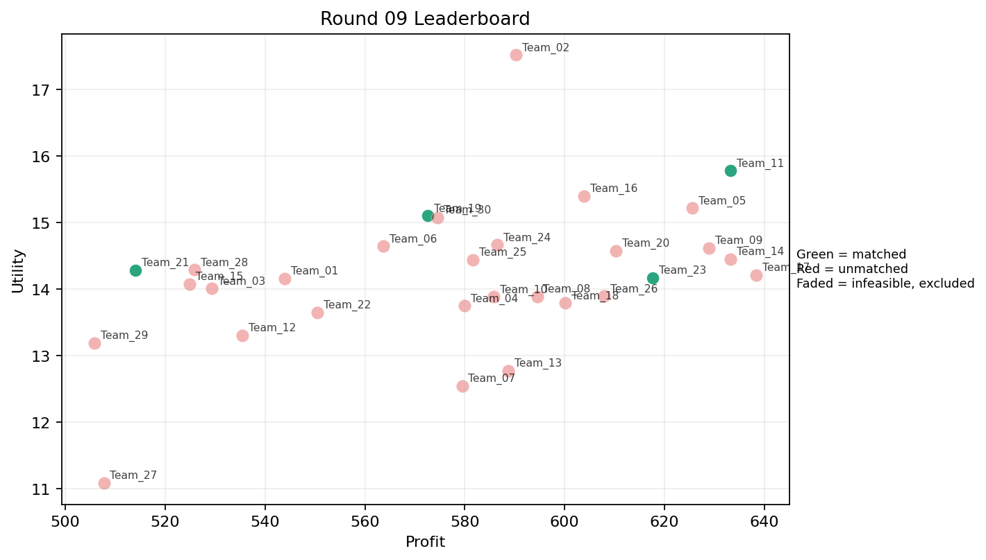
9 | 5 | Team_10 | Team_10 | 2 | F,A | FALSE | 585.8 | 13.882410297 | 1.7795 | 4.129 | 2.6775 | 1.969 | 3.117 | 0.5 | 2026-03-12T10:30:04 | FALSE | 0 |  | FALSE | infeasible | 0 | 0 | 0
9 | 6 | Team_18 | Team_18 | 6 | P,K,H,R,D,F | FALSE | 600.08 | 13.788907773 | 2.8851666667 | 2.596 | 2.499 | 2.488 | 2.1191666667 | 0.33333333333 | 2026-03-12T10:30:05 | FALSE | 0 |  | FALSE | infeasible | 0 | 576.4 | 8
9 | 7 | Team_14 | Team_14 | 3 | P,Q,G | FALSE | 633.25333333 | 14.451642814 | 2.2353333333 | 3.149 | 2.0843333333 | 2.4246666667 | 3.0036666667 | 0.66666666667 | 2026-03-12T10:30:06 | FALSE | 0 |  | FALSE | infeasible | 0 | 0 | 0
9 | 8 | Team_29 | Team_29 | 5 | C,F,N,R,D | FALSE | 505.904 | 13.188091425 | 3.461 | 2.1832 | 3.6762 | 2.1196 | 1.8778 | 0 | 2026-03-12T10:30:07 | FALSE | 0 |  | FALSE | infeasible | 0 | 0 | 0
9 | 9 | Team_08 | Team_08 | 8 | N,C,J,O,A,F,L,H | FALSE | 594.48 | 13.884358297 | 2.758875 | 3.215375 | 2.569 | 2.40725 | 2.67625 | 0.25 | 2026-03-12T10:30:08 | FALSE | 0 |  | FALSE | infeasible | 0 | 1210.2 | 16
9 | 10 | Team_07 | Team_07 | 3 | K,I,Q | FALSE | 579.46666667 | 12.541163696 | 2.2836666667 | 4.05 | 2.7566666667 | 1.9966666667 | 2.508 | 0.66666666667 | 2026-03-12T10:30:09 | FALSE | 0 |  | FALSE | infeasible | 0 | 0 | 0
9 | 11 | Team_11 | Team_11 | 3 | G,P,F | TRUE | 633.25333333 | 15.776508088 | 2.1023333333 | 2.797 | 2.0843333333 | 2.4876666667 | 3.337 | 0.33333333333 | 2026-03-12T10:30:10 | TRUE | 8 | 17, 46, 53, 65, 66, 67, 80, 9 | TRUE |  | 633.25333333 | 633.25333333 | 8
9 | 12 | Team_26 | Team_26 | 7 | C,E,Q,F,H,J,L | FALSE | 607.88571429 | 13.891187924 | 2.5504285714 | 3.6127142857 | 2.4014285714 | 2.6417142857 | 2.7491428571 | 0.42857142857 | 2026-03-12T10:30:11 | FALSE | 0 |  | FALSE | infeasible | 0 | 656.4 | 8
9 | 13 | Team_01 | Team_01 | 8 | C,I,O,M,N,J,B,Q | FALSE | 543.9 | 14.157326722 | 2.639125 | 3.1535 | 3.20125 | 2.075125 | 3.14525 | 0.25 | 2026-03-12T10:30:12 | FALSE | 0 |  | FALSE | infeasible | 0 | 1153.1766667 | 16
9 | 14 | Team_04 | Team_04 | 6 | K,O,N,B,H,P | FALSE | 580.01333333 | 13.744059907 | 2.8053333333 | 2.7906666667 | 2.7498333333 | 1.9701666667 | 2.804 | 0.33333333333 | 2026-03-12T10:30:13 | FALSE | 0 |  | FALSE | infeasible | 0 | 1333.28 | 16
9 | 15 | Team_05 | Team_05 | 2 | M,G | FALSE | 625.56 | 15.213784683 | 1.8595 | 3.649 | 2.1805 | 1.7265 | 4.4485 | 0.5 | 2026-03-12T10:30:14 | FALSE | 0 |  | FALSE | infeasible | 0 | 1155.8308571 | 16
9 | 16 | Team_27 | Team_27 | 2 | N,K | FALSE | 507.72 | 11.084775607 | 3.817 | 2.2975 | 3.6535 | 1.582 | 1.595 | 0.5 | 2026-03-12T10:30:15 | FALSE | 0 |  | FALSE | infeasible | 0 | 535.76 | 8
9 | 17 | Team_22 | Team_22 | 6 | C,D,G,N,P,B | FALSE | 550.49333333 | 13.643605911 | 3.42 | 2.14 | 3.1188333333 | 1.8768333333 | 2.783 | 0.16666666667 | 2026-03-12T10:30:16 | FALSE | 0 |  | FALSE | infeasible | 0 | 0 | 0
9 | 18 | Team_06 | Team_06 | 2 | H,B | FALSE | 563.68 | 14.642161823 | 2.632 | 3.1005 | 2.954 | 1.79 | 3.617 | 0 | 2026-03-12T10:30:17 | FALSE | 0 |  | FALSE | infeasible | 0 | 0 | 0
9 | 19 | Team_25 | Team_25 | 8 | Q,R,G,I,A,L,O,J | FALSE | 581.64 | 14.438948044 | 2.794625 | 2.887375 | 2.7295 | 2.603375 | 2.898625 | 0.375 | 2026-03-12T10:30:18 | FALSE | 0 |  | FALSE | infeasible | 0 | 605.52 | 8
9 | 20 | Team_17 | Team_17 | 5 | L,A,G,H,F | FALSE | 638.336 | 14.20780127 | 2.3056 | 3.5368 | 2.0208 | 2.2606 | 3.0958 | 0.4 | 2026-03-12T10:30:19 | FALSE | 0 |  | FALSE | infeasible | 0 | 0 | 0
9 | 21 | Team_16 | Team_16 | 5 | E,I,L,O,J | FALSE | 603.808 | 15.394894142 | 2.509 | 3.0412 | 2.4524 | 2.6974 | 3.5888 | 0.4 | 2026-03-12T10:30:20 | FALSE | 0 |  | FALSE | infeasible | 0 | 0 | 0
9 | 22 | Team_15 | Team_15 | 6 | K,J,N,E,F,B | FALSE | 524.89333333 | 14.070627397 | 3.0996666667 | 2.5668333333 | 3.4388333333 | 2.1548333333 | 3.1056666667 | 0.33333333333 | 2026-03-12T10:30:21 | FALSE | 0 |  | FALSE | infeasible | 0 | 575.37 | 8
9 | 23 | Team_23 | Team_23 | 8 | A,J,Q,L,D,O,P,F | TRUE | 617.61 | 14.17100415 | 2.59275 | 2.953 | 2.279875 | 2.438875 | 2.766875 | 0.5 | 2026-03-12T10:30:22 | TRUE | 8 | 11, 12, 31, 5, 52, 61, 68, 69 | TRUE |  | 617.61 | 1770.5366667 | 24
9 | 24 | Team_12 | Team_12 | 7 | K,R,C,I,J,B,A | FALSE | 535.40571429 | 13.305772212 | 3.5454285714 | 2.6457142857 | 3.3074285714 | 2.5868571429 | 2.4045714286 | 0.28571428571 | 2026-03-12T10:30:23 | FALSE | 0 |  | FALSE | infeasible | 0 | 0 | 0
9 | 25 | Team_24 | Team_24 | 7 | F,P,B,O,C,J,M | FALSE | 586.51428571 | 14.661330088 | 2.6202857143 | 3.0178571429 | 2.6685714286 | 2.4051428571 | 3.1517142857 | 0.28571428571 | 2026-03-12T10:30:24 | FALSE | 0 |  | FALSE | infeasible | 0 | 1158.5314286 | 16
9 | 26 | Team_30 | Team_30 | 4 | H,N,M,I | FALSE | 574.58 | 15.075390733 | 1.76225 | 3.4665 | 2.81775 | 1.94975 | 3.3635 | 0.25 | 2026-03-12T10:30:25 | FALSE | 0 |  | FALSE | infeasible | 0 | 598.848 | 8
9 | 27 | Team_20 | Team_20 | 6 | Q,E,H,A,J,G | FALSE | 610.2 | 14.570911304 | 2.272 | 3.7835 | 2.3725 | 2.4611666667 | 3.5758333333 | 0.5 | 2026-03-12T10:30:26 | FALSE | 0 |  | FALSE | infeasible | 0 | 0 | 0
9 | 28 | Team_03 | Team_03 | 8 | F,R,A,D,O,B,M,N | FALSE | 529.31 | 14.005410404 | 2.766375 | 2.6235 | 3.383625 | 1.781375 | 2.976375 | 0.25 | 2026-03-12T10:30:27 | FALSE | 0 |  | FALSE | infeasible | 0 | 0 | 0
9 | 29 | Team_02 | Team_02 | 1 | J | FALSE | 590.24 | 17.517438723 | 4.056 | 1.218 | 2.622 | 4.627 | 3.21 | 0 | 2026-03-12T10:30:28 | FALSE | 0 |  | FALSE | infeasible | 0 | 1223 | 16
9 | 30 | Team_28 | Team_28 | 6 | F,N,J,A,R,D | FALSE | 525.84 | 14.288641196 | 3.273 | 2.0223333333 | 3.427 | 2.4586666667 | 2.4168333333 | 0.16666666667 | 2026-03-12T10:30:29 | FALSE | 0 |  | FALSE | infeasible | 0 | 0 | 0

Round 10
Round 10 Summary

run_no | market_capacity | solver | team_count | eligible_team_count | user_pool_count | infeasible_excluded_count | matched_user_count | unmatched_user_count | user_match_rate | feasible_submission_count | total_profit | total_utility | avg_profit | avg_utility | Team Product Assignments | round_realized_profit_total
10 | 8 | market_demand_v1 | 30 | 4 | 85 | 26 | 32 | 53 | 0.3765 | 4 | 16882.627143 | 420.10844055 | 562.7542381 | 14.003614685 | run_no | team_product | assigned_count | capacity | remaining_capacity | assigned_users
 |  |  |  |  |  |  |  |  |  |  |  |  |  |  | 10 | Team_04 | 8 | 8 | 0 | 48, 38, 45, 77, 30, 70, 73, 15
Leaderboard Rows |  |  |  |  |  |  |  |  |  |  |  |  |  |  | 10 | Team_07 | 8 | 8 | 0 | 21, 28, 72, 56, 23, 44, 41, 43
run_no | submission_order | team | player_name | num_suppliers | selected_suppliers | feasible | profit | utility | env_avg | social_avg | cost_avg | strategic_avg | improvement_avg | low_quality_avg | 10 | Team_13 | 8 | 8 | 0 | 61, 64, 27, 57, 47, 20, 39, 32 | realized_profit_round | cumulative_profit | cumulative_matched_users
10 | 1 | Team_10 | Team_10 | 3 | C,B,E | FALSE | 514.56 | 12.925419703 | 3.2986666667 | 3.3573333333 | 3.568 | 1.853 | 3.366 | 0.33333333333 | 10 | Team_17 | 8 | 8 | 0 | 13, 49, 67, 9, 8, 53, 65, 52 | 0 | 0 | 0
10 | 2 | Team_16 | Team_16 | 8 | D,G,I,A,R,O,B,K | FALSE | 553.73 | 13.754904085 | 3.05025 | 2.73225 | 3.078375 | 1.9095 | 3.0655 | 0.25 | 2026-03-12T10:40:01 | FALSE | 0 |  | FALSE | infeasible | 0 | 0 | 0
10 | 3 | Team_26 | Team_26 | 6 | E,N,H,I,M,J | FALSE | 575.2 | 15.472571835 | 2.135 | 3.2425 | 2.81 | 2.4175 | 3.6106666667 | 0.33333333333 | 2026-03-12T10:40:02 | FALSE | 0 |  | FALSE | infeasible | 0 | 656.4 | 8
10 | 4 | Team_18 | Team_18 | 3 | R,E,B | FALSE | 459.46666667 | 14.320898751 | 3.5383333333 | 1.908 | 4.2566666667 | 2.339 | 3.078 | 0.33333333333 | 2026-03-12T10:40:03 | FALSE | 0 |  | FALSE | infeasible | 0 | 576.4 | 8
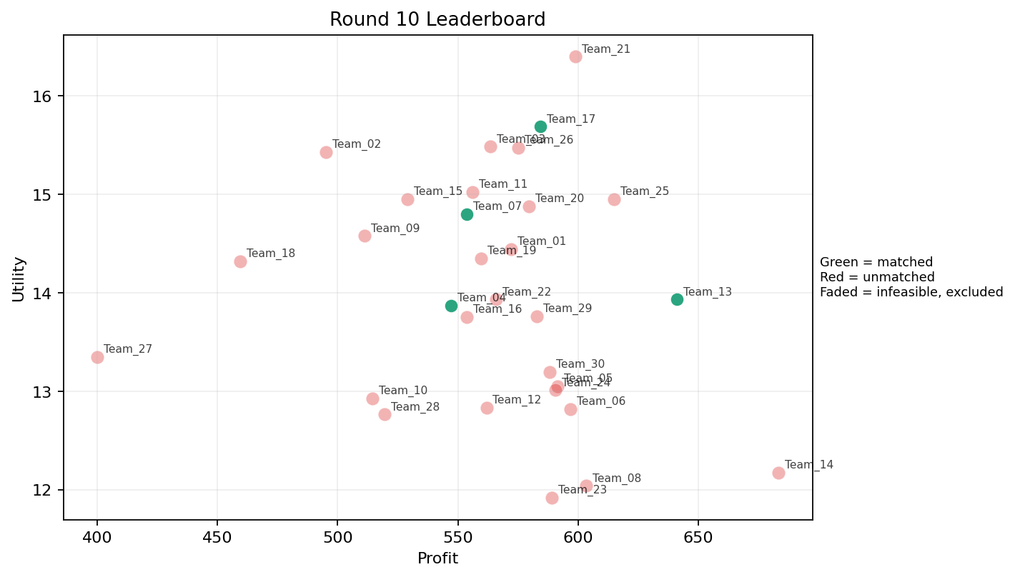
10 | 5 | Team_14 | Team_14 | 1 | L | FALSE | 683.36 | 12.172810784 | 4.056 | 1.628 | 1.458 | 3.053 | 1.234 | 1 | 2026-03-12T10:40:04 | FALSE | 0 |  | FALSE | infeasible | 0 | 0 | 0
10 | 6 | Team_21 | Team_21 | 4 | J,O,I,G | FALSE | 598.82 | 16.399233671 | 2.37225 | 3.0335 | 2.51475 | 2.53775 | 4.12175 | 0 | 2026-03-12T10:40:05 | FALSE | 0 |  | FALSE | infeasible | 0 | 1506.64 | 24
10 | 7 | Team_12 | Team_12 | 7 | K,Q,M,R,A,N,H | FALSE | 561.89714286 | 12.830989458 | 2.6668571429 | 3.3105714286 | 2.9762857143 | 2.1371428571 | 2.2874285714 | 0.57142857143 | 2026-03-12T10:40:06 | FALSE | 0 |  | FALSE | infeasible | 0 | 0 | 0
10 | 8 | Team_27 | Team_27 | 1 | N | FALSE | 400.08 | 13.346591718 | 3.578 | 1.006 | 4.999 | 1.303 | 2 | 0 | 2026-03-12T10:40:07 | FALSE | 0 |  | FALSE | infeasible | 0 | 535.76 | 8
10 | 9 | Team_28 | Team_28 | 5 | E,R,A,B,K | FALSE | 519.44 | 12.764956808 | 3.4166 | 2.7368 | 3.507 | 2.1642 | 2.6848 | 0.6 | 2026-03-12T10:40:08 | FALSE | 0 |  | FALSE | infeasible | 0 | 0 | 0
10 | 10 | Team_06 | Team_06 | 7 | C,H,M,K,L,F,N | FALSE | 596.92571429 | 12.81982391 | 2.742 | 3.389 | 2.5384285714 | 2.1144285714 | 2.3014285714 | 0.42857142857 | 2026-03-12T10:40:09 | FALSE | 0 |  | FALSE | infeasible | 0 | 0 | 0
10 | 11 | Team_04 | Team_04 | 6 | B,L,N,I,A,M | TRUE | 547.25333333 | 13.869747324 | 2.7275 | 2.7206666667 | 3.1593333333 | 1.8905 | 3.0756666667 | 0.5 | 2026-03-12T10:40:10 | TRUE | 8 | 15, 30, 38, 45, 48, 70, 73, 77 | TRUE |  | 547.25333333 | 1880.5333333 | 24
10 | 12 | Team_05 | Team_05 | 8 | K,B,H,N,P,C,L,O | FALSE | 591.45 | 13.050293399 | 3.127875 | 2.842875 | 2.606875 | 2.16125 | 2.3945 | 0.375 | 2026-03-12T10:40:11 | FALSE | 0 |  | FALSE | infeasible | 0 | 1155.8308571 | 16
10 | 13 | Team_19 | Team_19 | 8 | F,J,K,P,M,R,N,E | FALSE | 559.7 | 14.34858985 | 2.858125 | 2.50525 | 3.00375 | 2.6335 | 2.6235 | 0.5 | 2026-03-12T10:40:12 | FALSE | 0 |  | FALSE | infeasible | 0 | 1189.04 | 16
10 | 14 | Team_07 | Team_07 | 8 | Q,J,E,H,G,F,N,R | TRUE | 553.61 | 14.801279708 | 2.599875 | 2.90575 | 3.079875 | 2.4995 | 2.990375 | 0.25 | 2026-03-12T10:40:13 | TRUE | 8 | 21, 23, 28, 41, 43, 44, 56, 72 | TRUE |  | 553.61 | 553.61 | 8
10 | 15 | Team_17 | Team_17 | 6 | P,G,I,N,J,M | TRUE | 584.28 | 15.68886046 | 2.5095 | 2.4528333333 | 2.6965 | 2.563 | 3.3678333333 | 0.33333333333 | 2026-03-12T10:40:14 | TRUE | 8 | 13, 49, 52, 53, 65, 67, 8, 9 | TRUE |  | 584.28 | 584.28 | 8
10 | 16 | Team_09 | Team_09 | 2 | G,N | FALSE | 511.16 | 14.579147917 | 3.1415 | 1.9665 | 3.6105 | 1.5495 | 3.3885 | 0 | 2026-03-12T10:40:15 | FALSE | 0 |  | FALSE | infeasible | 0 | 0 | 0
10 | 17 | Team_23 | Team_23 | 2 | E,K | FALSE | 589 | 11.919694425 | 2.8805 | 3.98 | 2.6375 | 1.97 | 3.095 | 1 | 2026-03-12T10:40:16 | FALSE | 0 |  | FALSE | infeasible | 0 | 1770.5366667 | 24
10 | 18 | Team_20 | Team_20 | 4 | E,B,O,H | FALSE | 579.48 | 14.879777435 | 2.112 | 3.73575 | 2.7565 | 1.766 | 4.1585 | 0.25 | 2026-03-12T10:40:17 | FALSE | 0 |  | FALSE | infeasible | 0 | 0 | 0
10 | 19 | Team_24 | Team_24 | 4 | A,E,C,O | FALSE | 590.54 | 13.009772837 | 2.43275 | 4.371 | 2.61825 | 1.96075 | 3.3745 | 0.5 | 2026-03-12T10:40:18 | FALSE | 0 |  | FALSE | infeasible | 0 | 1158.5314286 | 16
10 | 20 | Team_15 | Team_15 | 6 | N,R,I,G,A,J | FALSE | 528.96 | 14.952652011 | 3.1423333333 | 2.1938333333 | 3.388 | 2.6443333333 | 2.8868333333 | 0.16666666667 | 2026-03-12T10:40:19 | FALSE | 0 |  | FALSE | infeasible | 0 | 575.37 | 8
10 | 21 | Team_02 | Team_02 | 2 | J,N | FALSE | 495.16 | 15.432015221 | 3.817 | 1.112 | 3.8105 | 2.965 | 2.605 | 0 | 2026-03-12T10:40:20 | FALSE | 0 |  | FALSE | infeasible | 0 | 1223 | 16
10 | 22 | Team_30 | Team_30 | 8 | K,O,D,N,L,A,E,G | FALSE | 588.16 | 13.197420316 | 2.94775 | 2.9865 | 2.648 | 1.80625 | 3.053 | 0.5 | 2026-03-12T10:40:21 | FALSE | 0 |  | FALSE | infeasible | 0 | 598.848 | 8
10 | 23 | Team_13 | Team_13 | 4 | P,L,F,A | TRUE | 641.08 | 13.932439806 | 2.5175 | 2.86575 | 1.9865 | 2.66575 | 2.367 | 0.75 | 2026-03-12T10:40:22 | TRUE | 8 | 20, 27, 32, 39, 47, 57, 61, 64 | TRUE |  | 641.08 | 641.08 | 8
10 | 24 | Team_01 | Team_01 | 7 | R,B,M,P,H,Q,F | FALSE | 572.11428571 | 14.445817091 | 2.3257142857 | 3.0002857143 | 2.8485714286 | 2.3691428571 | 2.7222857143 | 0.42857142857 | 2026-03-12T10:40:23 | FALSE | 0 |  | FALSE | infeasible | 0 | 1153.1766667 | 16
10 | 25 | Team_03 | Team_03 | 4 | B,M,G,J | FALSE | 563.56 | 15.48491522 | 2.95775 | 2.4615 | 2.9555 | 2.286 | 4.02675 | 0.25 | 2026-03-12T10:40:24 | FALSE | 0 |  | FALSE | infeasible | 0 | 0 | 0
10 | 26 | Team_11 | Team_11 | 5 | F,G,O,E,N | FALSE | 556.208 | 15.023754846 | 2.1228 | 3.3124 | 3.0474 | 1.7156 | 3.8822 | 0.2 | 2026-03-12T10:40:25 | FALSE | 0 |  | FALSE | infeasible | 0 | 633.25333333 | 8
10 | 27 | Team_08 | Team_08 | 1 | A | FALSE | 603.44 | 12.039128291 | 2.412 | 4.371 | 2.457 | 1.943 | 3 | 1 | 2026-03-12T10:40:26 | FALSE | 0 |  | FALSE | infeasible | 0 | 1210.2 | 16
10 | 28 | Team_29 | Team_29 | 5 | M,H,Q,D,B | FALSE | 582.928 | 13.760533482 | 2.283 | 3.4288 | 2.7134 | 1.6106 | 3.2822 | 0.4 | 2026-03-12T10:40:27 | FALSE | 0 |  | FALSE | infeasible | 0 | 0 | 0
10 | 29 | Team_25 | Team_25 | 4 | I,Q,P,O | FALSE | 615.08 | 14.952754044 | 1.68225 | 3.62725 | 2.3115 | 2.3015 | 3.1835 | 0.5 | 2026-03-12T10:40:28 | FALSE | 0 |  | FALSE | infeasible | 0 | 605.52 | 8
10 | 30 | Team_22 | Team_22 | 5 | M,K,R,O,I | FALSE | 565.984 | 13.931646141 | 2.5304 | 3.1944 | 2.9252 | 2.224 | 2.8088 | 0.4 | 2026-03-12T10:40:29 | FALSE | 0 |  | FALSE | infeasible | 0 | 0 | 0

