Round Progress
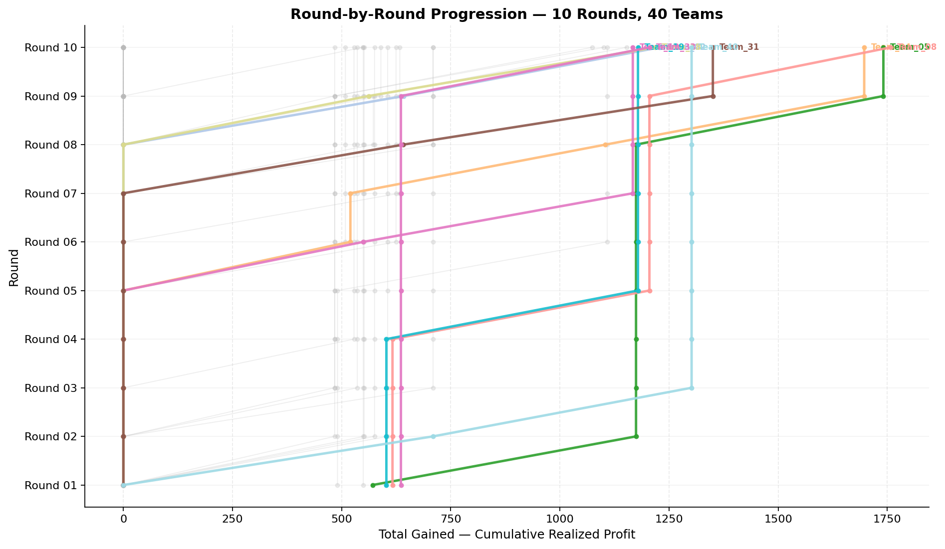
Cumulative profit progression per team across rounds (y=round, x=total gained)

Round 01
Round 01 Summary

run_no | market_capacity | solver | team_count | eligible_team_count | user_pool_count | infeasible_excluded_count | matched_user_count | unmatched_user_count | user_match_rate | feasible_submission_count | total_profit | total_utility | avg_profit | avg_utility | Team Product Assignments | round_realized_profit_total
1 | 8 | market_demand_v1 | 40 | 6 | 85 | 34 | 48 | 37 | 0.5647 | 6 | 23301.66819 | 559.2207922 | 582.54170476 | 13.980519805 | run_no | team_product | assigned_count | capacity | remaining_capacity | assigned_users
 |  |  |  |  |  |  |  |  |  |  |  |  |  |  | 1 | Team_05 | 8 | 8 | 0 | 56, 85, 37, 26, 22, 2, 20, 3
Leaderboard Rows |  |  |  |  |  |  |  |  |  |  |  |  |  |  | 1 | Team_08 | 8 | 8 | 0 | 42, 57, 4, 12, 34, 35, 18, 80
run_no | submission_order | team | player_name | num_suppliers | selected_suppliers | feasible | profit | utility | env_avg | social_avg | cost_avg | strategic_avg | improvement_avg | low_quality_avg | 1 | Team_09 | 8 | 8 | 0 | 53, 39, 47, 49, 8, 54, 51, 29 | realized_profit_round | cumulative_profit | cumulative_matched_users
1 | 1 | Team_06 | Team_06 | 5 | A,C,E,O,R | FALSE | 553.008 | 13.198141092 | 2.917 | 3.5014 | 3.0874 | 2.3434 | 2.7464 | 0.4 | 1 | Team_19 | 8 | 8 | 0 | 32, 33, 66, 17, 11, 74, 24, 36 | 0 | 0 | 0
1 | 2 | Team_16 | Team_16 | 4 | A,L,B,P | FALSE | 602.26 | 13.499679927 | 3.24475 | 2.2265 | 2.47175 | 2.433 | 2.5585 | 0.75 | 1 | Team_25 | 8 | 8 | 0 | 72, 21, 48, 77, 38, 61, 1, 19 | 0 | 0 | 0
1 | 3 | Team_39 | Team_39 | 4 | C,I,A,K | FALSE | 585.46 | 11.919174965 | 2.963 | 3.98725 | 2.68175 | 2.13575 | 2.347 | 0.5 | 1 | Team_33 | 8 | 8 | 0 | 28, 23, 13, 45, 52, 78, 71, 73 | 0 | 0 | 0
1 | 4 | Team_34 | Team_34 | 6 | K,Q,D,H,E,N | FALSE | 575.16 | 12.89635499 | 2.614 | 3.4015 | 2.8105 | 1.7625 | 2.7468333333 | 0.5 | 2026-03-12T09:10:03 | FALSE | 0 |  | FALSE | infeasible | 0 | 0 | 0
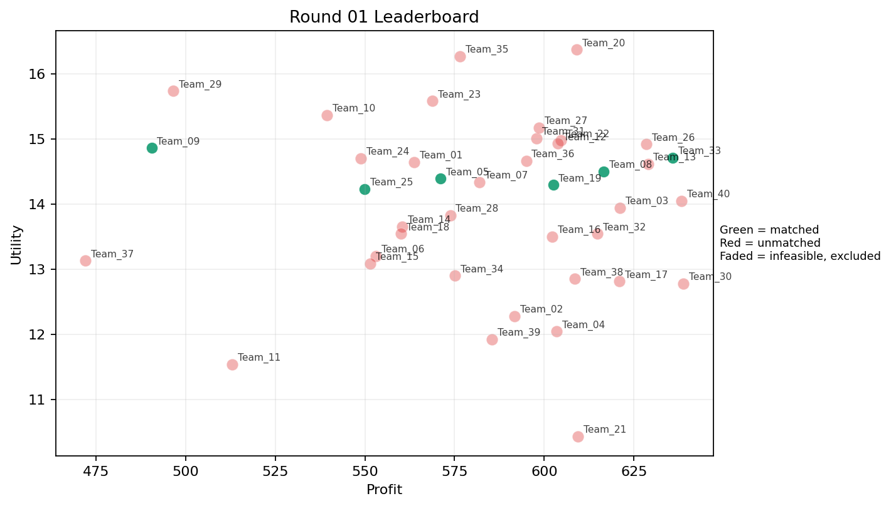
1 | 5 | Team_09 | Team_09 | 2 | F,B | TRUE | 490.52 | 14.860172546 | 2.6015 | 2.6085 | 3.8685 | 1.5295 | 3.617 | 0 | 2026-03-12T09:10:04 | TRUE | 8 | 29, 39, 47, 49, 51, 53, 54, 8 | TRUE |  | 490.52 | 490.52 | 8
1 | 6 | Team_19 | Team_19 | 4 | J,Q,L,F | TRUE | 602.48 | 14.291759573 | 2.70125 | 2.919 | 2.469 | 2.87025 | 2.478 | 0.5 | 2026-03-12T09:10:05 | TRUE | 8 | 11, 17, 24, 32, 33, 36, 66, 74 | TRUE |  | 602.48 | 602.48 | 8
1 | 7 | Team_22 | Team_22 | 4 | L,I,D,J | FALSE | 604.68 | 14.972766662 | 3.238 | 2.02325 | 2.4415 | 2.75325 | 2.84175 | 0.25 | 2026-03-12T09:10:06 | FALSE | 0 |  | FALSE | infeasible | 0 | 0 | 0
1 | 8 | Team_03 | Team_03 | 6 | H,F,A,E,P,C | FALSE | 621.04 | 13.938037603 | 2.177 | 3.908 | 2.237 | 2.4368333333 | 2.9276666667 | 0.5 | 2026-03-12T09:10:07 | FALSE | 0 |  | FALSE | infeasible | 0 | 0 | 0
1 | 9 | Team_07 | Team_07 | 5 | B,J,M,C,P | FALSE | 581.904 | 14.337052315 | 3.1432 | 2.5734 | 2.7262 | 2.6872 | 2.8856 | 0.4 | 2026-03-12T09:10:08 | FALSE | 0 |  | FALSE | infeasible | 0 | 0 | 0
1 | 10 | Team_10 | Team_10 | 3 | N,O,J | FALSE | 539.41333333 | 15.360795727 | 3.0376666667 | 2.1983333333 | 3.2573333333 | 2.445 | 3.2033333333 | 0 | 2026-03-12T09:10:09 | FALSE | 0 |  | FALSE | infeasible | 0 | 0 | 0
1 | 11 | Team_21 | Team_21 | 2 | A,K | FALSE | 609.4 | 10.431043893 | 3.234 | 3.98 | 2.3825 | 1.902 | 2.095 | 1 | 2026-03-12T09:10:10 | FALSE | 0 |  | FALSE | infeasible | 0 | 0 | 0
1 | 12 | Team_23 | Team_23 | 4 | J,B,E,P | FALSE | 568.78 | 15.580162178 | 3.068 | 2.124 | 2.89025 | 2.8605 | 3.5525 | 0.5 | 2026-03-12T09:10:11 | FALSE | 0 |  | FALSE | infeasible | 0 | 0 | 0
1 | 13 | Team_14 | Team_14 | 4 | N,L,A,I | FALSE | 560.44 | 13.651991475 | 2.82375 | 2.65575 | 2.9945 | 2.1555 | 2.5835 | 0.5 | 2026-03-12T09:10:12 | FALSE | 0 |  | FALSE | infeasible | 0 | 0 | 0
1 | 14 | Team_04 | Team_04 | 1 | A | FALSE | 603.44 | 12.039128291 | 2.412 | 4.371 | 2.457 | 1.943 | 3 | 1 | 2026-03-12T09:10:13 | FALSE | 0 |  | FALSE | infeasible | 0 | 0 | 0
1 | 15 | Team_33 | Team_33 | 7 | P,H,E,F,G,L,D | TRUE | 635.78285714 | 14.708545327 | 2.4095714286 | 2.9842857143 | 2.0527142857 | 2.303 | 3.186 | 0.42857142857 | 2026-03-12T09:10:14 | TRUE | 8 | 13, 23, 28, 45, 52, 71, 73, 78 | TRUE |  | 635.78285714 | 635.78285714 | 8
1 | 16 | Team_30 | Team_30 | 2 | P,C | FALSE | 638.76 | 12.778652405 | 3.295 | 2.974 | 2.0155 | 3.044 | 1.549 | 0.5 | 2026-03-12T09:10:15 | FALSE | 0 |  | FALSE | infeasible | 0 | 0 | 0
1 | 17 | Team_15 | Team_15 | 6 | B,N,E,A,H,K | FALSE | 551.48 | 13.084905418 | 2.8358333333 | 3.2563333333 | 3.1065 | 1.7943333333 | 3.0706666667 | 0.5 | 2026-03-12T09:10:16 | FALSE | 0 |  | FALSE | infeasible | 0 | 0 | 0
1 | 18 | Team_18 | Team_18 | 5 | P,I,C,Q,N | FALSE | 560.128 | 13.540885624 | 2.5926 | 3.103 | 2.9984 | 2.304 | 2.2864 | 0.4 | 2026-03-12T09:10:17 | FALSE | 0 |  | FALSE | infeasible | 0 | 0 | 0
1 | 19 | Team_12 | Team_12 | 6 | B,H,P,Q,J,O | FALSE | 603.84 | 14.927223906 | 2.4666666667 | 3.0516666667 | 2.452 | 2.515 | 3.1796666667 | 0.33333333333 | 2026-03-12T09:10:18 | FALSE | 0 |  | FALSE | infeasible | 0 | 0 | 0
1 | 20 | Team_40 | Team_40 | 3 | P,K,J | FALSE | 638.32 | 14.044175354 | 3.5223333333 | 2.128 | 2.021 | 3.3866666667 | 2.1333333333 | 0.66666666667 | 2026-03-12T09:10:19 | FALSE | 0 |  | FALSE | infeasible | 0 | 0 | 0
1 | 21 | Team_31 | Team_31 | 8 | G,I,N,E,P,H,M,D | FALSE | 597.85 | 15.009150785 | 2.188125 | 3.04625 | 2.526875 | 2.0445 | 3.50675 | 0.375 | 2026-03-12T09:10:20 | FALSE | 0 |  | FALSE | infeasible | 0 | 0 | 0
1 | 22 | Team_01 | Team_01 | 2 | B,H | FALSE | 563.68 | 14.642161823 | 2.632 | 3.1005 | 2.954 | 1.79 | 3.617 | 0 | 2026-03-12T09:10:21 | FALSE | 0 |  | FALSE | infeasible | 0 | 0 | 0
1 | 23 | Team_35 | Team_35 | 2 | J,E | FALSE | 576.44 | 16.266934039 | 2.8805 | 2.7945 | 2.7945 | 3.353 | 4.105 | 0.5 | 2026-03-12T09:10:22 | FALSE | 0 |  | FALSE | infeasible | 0 | 0 | 0
1 | 24 | Team_36 | Team_36 | 4 | I,O,M,Q | FALSE | 594.96 | 14.658688395 | 1.322 | 4.32575 | 2.563 | 1.79775 | 3.7135 | 0.5 | 2026-03-12T09:10:23 | FALSE | 0 |  | FALSE | infeasible | 0 | 0 | 0
1 | 25 | Team_25 | Team_25 | 6 | N,R,E,M,H,D | TRUE | 549.86666667 | 14.22859222 | 2.6583333333 | 2.7118333333 | 3.1266666667 | 2.0731666667 | 2.9018333333 | 0.33333333333 | 2026-03-12T09:10:24 | TRUE | 8 | 1, 19, 21, 38, 48, 61, 72, 77 | TRUE |  | 549.86666667 | 549.86666667 | 8
1 | 26 | Team_08 | Team_08 | 8 | R,G,F,A,O,H,L,P | TRUE | 616.48 | 14.50013813 | 2.5395 | 2.956875 | 2.294 | 2.53175 | 2.764125 | 0.375 | 2026-03-12T09:10:25 | TRUE | 8 | 12, 18, 34, 35, 4, 42, 57, 80 | TRUE |  | 616.48 | 616.48 | 8
1 | 27 | Team_24 | Team_24 | 5 | J,C,R,I,O | FALSE | 548.816 | 14.700404329 | 3.1546 | 2.7202 | 3.1398 | 2.929 | 2.6084 | 0 | 2026-03-12T09:10:26 | FALSE | 0 |  | FALSE | infeasible | 0 | 0 | 0
1 | 28 | Team_29 | Team_29 | 2 | J,R | FALSE | 496.56 | 15.734526417 | 4.455 | 0.6205 | 3.793 | 4.2505 | 1.722 | 0 | 2026-03-12T09:10:27 | FALSE | 0 |  | FALSE | infeasible | 0 | 0 | 0
1 | 29 | Team_32 | Team_32 | 5 | L,F,A,M,D | FALSE | 614.816 | 13.540975732 | 2.444 | 3.1772 | 2.3148 | 1.9316 | 2.8822 | 0.6 | 2026-03-12T09:10:28 | FALSE | 0 |  | FALSE | infeasible | 0 | 0 | 0
1 | 30 | Team_05 | Team_05 | 8 | R,N,O,G,P,Q,L,I | TRUE | 571.11 | 14.386717113 | 2.74025 | 2.511625 | 2.861125 | 2.404 | 2.622375 | 0.375 | 2026-03-12T09:10:29 | TRUE | 8 | 2, 20, 22, 26, 3, 37, 56, 85 | TRUE |  | 571.11 | 571.11 | 8
1 | 31 | Team_27 | Team_27 | 2 | M,F | FALSE | 598.52 | 15.170778777 | 1.0805 | 4.129 | 2.5185 | 1.826 | 3.677 | 0.5 | 2026-03-12T09:10:30 | FALSE | 0 |  | FALSE | infeasible | 0 | 0 | 0
1 | 32 | Team_11 | Team_11 | 5 | C,K,Q,N,B | FALSE | 512.928 | 11.53609549 | 3.4742 | 3.0478 | 3.5884 | 1.69 | 2.1044 | 0.4 | 2026-03-12T09:10:31 | FALSE | 0 |  | FALSE | infeasible | 0 | 0 | 0
1 | 33 | Team_28 | Team_28 | 8 | Q,C,H,M,I,R,E,D | FALSE | 573.79 | 13.82383377 | 2.41275 | 3.524625 | 2.827625 | 2.210125 | 2.855375 | 0.375 | 2026-03-12T09:10:32 | FALSE | 0 |  | FALSE | infeasible | 0 | 0 | 0
1 | 34 | Team_17 | Team_17 | 8 | L,M,K,P,C,J,Q,A | FALSE | 620.87 | 12.80957548 | 2.96625 | 3.2585 | 2.239125 | 2.629375 | 2.26075 | 0.75 | 2026-03-12T09:10:33 | FALSE | 0 |  | FALSE | infeasible | 0 | 0 | 0
1 | 35 | Team_26 | Team_26 | 2 | O,M | FALSE | 628.4 | 14.917110995 | 1.2465 | 4.371 | 2.145 | 1.531 | 4.26 | 0.5 | 2026-03-12T09:10:34 | FALSE | 0 |  | FALSE | infeasible | 0 | 0 | 0
1 | 36 | Team_20 | Team_20 | 2 | J,O | FALSE | 609.08 | 16.367897731 | 2.7675 | 2.7945 | 2.3865 | 3.016 | 3.805 | 0 | 2026-03-12T09:10:35 | FALSE | 0 |  | FALSE | infeasible | 0 | 0 | 0
1 | 37 | Team_38 | Team_38 | 5 | H,L,N,K,M | FALSE | 608.432 | 12.849579621 | 2.7824 | 3.093 | 2.3946 | 2.078 | 2.3556 | 0.6 | 2026-03-12T09:10:36 | FALSE | 0 |  | FALSE | infeasible | 0 | 0 | 0
1 | 38 | Team_02 | Team_02 | 2 | K,F | FALSE | 591.76 | 12.274325899 | 2.6015 | 3.738 | 2.603 | 1.928 | 2.212 | 0.5 | 2026-03-12T09:10:37 | FALSE | 0 |  | FALSE | infeasible | 0 | 0 | 0
1 | 39 | Team_37 | Team_37 | 3 | N,A,B | FALSE | 472.13333333 | 13.126790933 | 3.3486666667 | 2.2356666667 | 4.0983333333 | 1.4366666667 | 3 | 0.33333333333 | 2026-03-12T09:10:38 | FALSE | 0 |  | FALSE | infeasible | 0 | 0 | 0
1 | 40 | Team_13 | Team_13 | 1 | M | FALSE | 628.88 | 14.615865251 | 1.014 | 4.371 | 2.139 | 1.657 | 4.12 | 1 | 2026-03-12T09:10:39 | FALSE | 0 |  | FALSE | infeasible | 0 | 0 | 0

Round 02
Round 02 Summary

run_no | market_capacity | solver | team_count | eligible_team_count | user_pool_count | infeasible_excluded_count | matched_user_count | unmatched_user_count | user_match_rate | feasible_submission_count | total_profit | total_utility | avg_profit | avg_utility | Team Product Assignments | round_realized_profit_total
2 | 8 | market_demand_v1 | 40 | 6 | 85 | 34 | 48 | 37 | 0.5647 | 6 | 23210.1 | 542.10064631 | 580.2525 | 13.552516158 | run_no | team_product | assigned_count | capacity | remaining_capacity | assigned_users
 |  |  |  |  |  |  |  |  |  |  |  |  |  |  | 2 | Team_05 | 8 | 8 | 0 | 67, 41, 12, 27, 30, 10, 43, 29
Leaderboard Rows |  |  |  |  |  |  |  |  |  |  |  |  |  |  | 2 | Team_10 | 8 | 8 | 0 | 15, 70, 20, 76, 75, 1, 28, 31
run_no | submission_order | team | player_name | num_suppliers | selected_suppliers | feasible | profit | utility | env_avg | social_avg | cost_avg | strategic_avg | improvement_avg | low_quality_avg | 2 | Team_17 | 8 | 8 | 0 | 2, 69, 83, 48, 72, 61, 68, 54 | realized_profit_round | cumulative_profit | cumulative_matched_users
2 | 1 | Team_17 | Team_17 | 6 | O,F,P,N,D,B | TRUE | 551.44 | 14.538133904 | 2.7176666667 | 2.3 | 3.107 | 1.7415 | 3.0761666667 | 0.16666666667 | 2 | Team_23 | 8 | 8 | 0 | 7, 17, 11, 66, 44, 16, 64, 82 | 551.44 | 551.44 | 8
2 | 2 | Team_36 | Team_36 | 6 | F,G,P,E,C,N | FALSE | 571.77333333 | 14.242953717 | 2.6208333333 | 3.0231666667 | 2.8528333333 | 2.2101666667 | 3.0181666667 | 0.33333333333 | 2 | Team_28 | 8 | 8 | 0 | 53, 39, 80, 79, 62, 8, 47, 13 | 0 | 0 | 0
2 | 3 | Team_27 | Team_27 | 2 | N,A | FALSE | 501.76 | 12.692860004 | 2.995 | 2.6885 | 3.728 | 1.623 | 2.5 | 0.5 | 2 | Team_40 | 8 | 8 | 0 | 65, 50, 46, 9, 49, 42, 18, 36 | 0 | 0 | 0
2 | 4 | Team_03 | Team_03 | 2 | N,L | FALSE | 541.72 | 12.759701251 | 3.817 | 1.317 | 3.2285 | 2.178 | 1.617 | 0.5 | 2026-03-12T09:20:03 | FALSE | 0 |  | FALSE | infeasible | 0 | 0 | 0
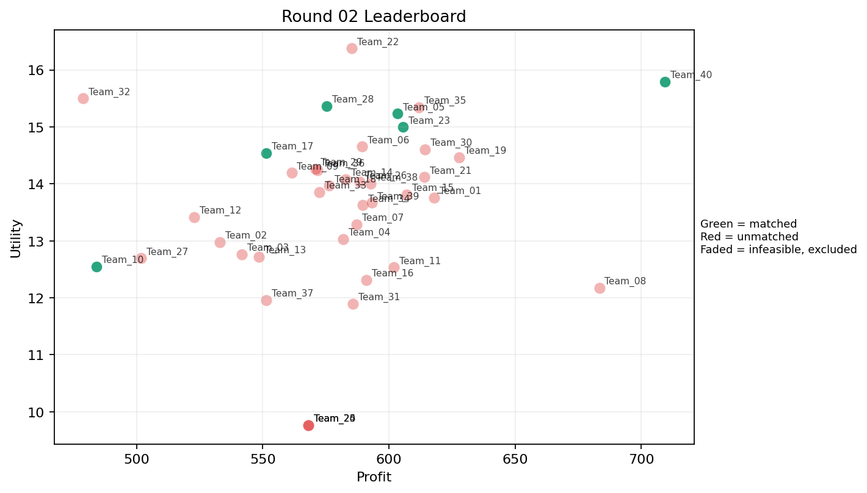
2 | 5 | Team_37 | Team_37 | 3 | C,L,R | FALSE | 551.46666667 | 11.96320062 | 4.3483333333 | 2.0073333333 | 3.1066666667 | 3.1143333333 | 0.85533333333 | 0.33333333333 | 2026-03-12T09:20:04 | FALSE | 0 |  | FALSE | infeasible | 0 | 0 | 0
2 | 6 | Team_21 | Team_21 | 8 | D,P,O,I,F,K,L,E | FALSE | 613.99 | 14.118649208 | 2.46725 | 3.08375 | 2.325125 | 2.17475 | 2.997625 | 0.5 | 2026-03-12T09:20:05 | FALSE | 0 |  | FALSE | infeasible | 0 | 0 | 0
2 | 7 | Team_09 | Team_09 | 7 | G,C,I,E,D,M,R | FALSE | 561.41714286 | 14.194515277 | 2.7504285714 | 3.0442857143 | 2.9822857143 | 2.165 | 3.1645714286 | 0.28571428571 | 2026-03-12T09:20:06 | FALSE | 0 |  | FALSE | infeasible | 0 | 490.52 | 8
2 | 8 | Team_04 | Team_04 | 5 | E,H,A,B,K | FALSE | 581.76 | 13.032568157 | 2.6874 | 3.7064 | 2.728 | 1.8926 | 3.2848 | 0.6 | 2026-03-12T09:20:07 | FALSE | 0 |  | FALSE | infeasible | 0 | 0 | 0
2 | 9 | Team_28 | Team_28 | 8 | D,E,J,F,I,H,G,N | TRUE | 575.37 | 15.363543026 | 2.404875 | 2.940875 | 2.807875 | 2.206125 | 3.54725 | 0.125 | 2026-03-12T09:20:08 | TRUE | 8 | 13, 39, 47, 53, 62, 79, 8, 80 | TRUE |  | 575.37 | 575.37 | 8
2 | 10 | Team_34 | Team_34 | 4 | E,J,K,D | FALSE | 589.62 | 13.627052401 | 3.352 | 2.70175 | 2.62975 | 2.39425 | 3.05575 | 0.5 | 2026-03-12T09:20:09 | FALSE | 0 |  | FALSE | infeasible | 0 | 0 | 0
2 | 11 | Team_15 | Team_15 | 4 | C,H,I,D | FALSE | 606.94 | 13.81391624 | 2.54575 | 3.62225 | 2.41325 | 2.06625 | 2.81375 | 0 | 2026-03-12T09:20:10 | FALSE | 0 |  | FALSE | infeasible | 0 | 0 | 0
2 | 12 | Team_16 | Team_16 | 4 | C,J,D,K | FALSE | 591 | 12.314239304 | 3.9595 | 2.70175 | 2.6125 | 2.4785 | 2.08025 | 0.25 | 2026-03-12T09:20:11 | FALSE | 0 |  | FALSE | infeasible | 0 | 0 | 0
2 | 13 | Team_30 | Team_30 | 7 | E,J,H,L,A,D,I | FALSE | 614.18285714 | 14.605185021 | 2.611 | 3.1008571429 | 2.3227142857 | 2.5072857143 | 3.2287142857 | 0.42857142857 | 2026-03-12T09:20:12 | FALSE | 0 |  | FALSE | infeasible | 0 | 0 | 0
2 | 14 | Team_24 | Team_24 | 1 | C | FALSE | 568.16 | 9.7651769649 | 4.135 | 4.371 | 2.898 | 2.416 | 1.098 | 0 | 2026-03-12T09:20:13 | FALSE | 0 |  | FALSE | infeasible | 0 | 0 | 0
2 | 15 | Team_01 | Team_01 | 4 | E,L,G,A | FALSE | 617.92 | 13.760018136 | 2.7195 | 3.32425 | 2.276 | 2.21775 | 3.50275 | 0.75 | 2026-03-12T09:20:14 | FALSE | 0 |  | FALSE | infeasible | 0 | 0 | 0
2 | 16 | Team_13 | Team_13 | 6 | Q,R,D,K,N,H | FALSE | 548.53333333 | 12.718885782 | 3.1388333333 | 2.6768333333 | 3.1433333333 | 2.0616666667 | 1.9525 | 0.33333333333 | 2026-03-12T09:20:15 | FALSE | 0 |  | FALSE | infeasible | 0 | 0 | 0
2 | 17 | Team_19 | Team_19 | 6 | Q,E,G,D,P,H | FALSE | 627.85333333 | 14.468735114 | 2.2016666667 | 3.3863333333 | 2.1518333333 | 2.1465 | 3.3446666667 | 0.5 | 2026-03-12T09:20:16 | FALSE | 0 |  | FALSE | infeasible | 0 | 602.48 | 8
2 | 18 | Team_38 | Team_38 | 6 | O,P,I,L,C,B | FALSE | 592.76 | 13.998760038 | 2.905 | 2.8158333333 | 2.5905 | 2.3221666667 | 2.8053333333 | 0.33333333333 | 2026-03-12T09:20:17 | FALSE | 0 |  | FALSE | infeasible | 0 | 0 | 0
2 | 19 | Team_20 | Team_20 | 1 | C | FALSE | 568.16 | 9.7651769649 | 4.135 | 4.371 | 2.898 | 2.416 | 1.098 | 0 | 2026-03-12T09:20:18 | FALSE | 0 |  | FALSE | infeasible | 0 | 0 | 0
2 | 20 | Team_10 | Team_10 | 2 | Q,N | TRUE | 484.12 | 12.5488441 | 2.562 | 2.9745 | 3.9485 | 1.5545 | 2.117 | 0.5 | 2026-03-12T09:20:19 | TRUE | 8 | 1, 15, 20, 28, 31, 70, 75, 76 | TRUE |  | 484.12 | 484.12 | 8
2 | 21 | Team_06 | Team_06 | 8 | O,L,P,J,B,I,F,C | FALSE | 589.37 | 14.654461407 | 2.829125 | 2.75 | 2.632875 | 2.569375 | 2.9095 | 0.25 | 2026-03-12T09:20:20 | FALSE | 0 |  | FALSE | infeasible | 0 | 0 | 0
2 | 22 | Team_25 | Team_25 | 1 | C | FALSE | 568.16 | 9.7651769649 | 4.135 | 4.371 | 2.898 | 2.416 | 1.098 | 0 | 2026-03-12T09:20:21 | FALSE | 0 |  | FALSE | infeasible | 0 | 549.86666667 | 8
2 | 23 | Team_12 | Team_12 | 5 | R,K,F,O,N | FALSE | 522.88 | 13.413042873 | 3.0228 | 2.5752 | 3.464 | 2.0876 | 2.2116 | 0.2 | 2026-03-12T09:20:22 | FALSE | 0 |  | FALSE | infeasible | 0 | 0 | 0
2 | 24 | Team_18 | Team_18 | 6 | G,I,A,N,P,C | FALSE | 576.36 | 13.967360674 | 2.7556666667 | 2.9783333333 | 2.7955 | 2.2421666667 | 2.8291666667 | 0.33333333333 | 2026-03-12T09:20:23 | FALSE | 0 |  | FALSE | infeasible | 0 | 0 | 0
2 | 25 | Team_39 | Team_39 | 6 | I,K,F,O,D,A | FALSE | 593.33333333 | 13.667825661 | 2.3223333333 | 3.5775 | 2.5833333333 | 1.7561666667 | 3.1245 | 0.33333333333 | 2026-03-12T09:20:24 | FALSE | 0 |  | FALSE | infeasible | 0 | 0 | 0
2 | 26 | Team_11 | Team_11 | 4 | L,P,N,K | FALSE | 602.04 | 12.533622461 | 3.53625 | 1.95 | 2.4745 | 2.47225 | 1.606 | 0.75 | 2026-03-12T09:20:25 | FALSE | 0 |  | FALSE | infeasible | 0 | 0 | 0
2 | 27 | Team_40 | Team_40 | 1 | P | TRUE | 709.36 | 15.792127845 | 2.455 | 1.577 | 1.133 | 3.672 | 2 | 1 | 2026-03-12T09:20:26 | TRUE | 8 | 18, 36, 42, 46, 49, 50, 65, 9 | TRUE |  | 709.36 | 709.36 | 8
2 | 28 | Team_32 | Team_32 | 2 | R,I | FALSE | 478.88 | 15.500524609 | 3.0515 | 1.8205 | 4.014 | 3.0985 | 2.167 | 0 | 2026-03-12T09:20:27 | FALSE | 0 |  | FALSE | infeasible | 0 | 0 | 0
2 | 29 | Team_33 | Team_33 | 8 | N,H,C,P,J,D,A,R | FALSE | 572.36 | 13.856641317 | 3.286125 | 2.38325 | 2.8455 | 2.670125 | 2.199875 | 0.25 | 2026-03-12T09:20:28 | FALSE | 0 |  | FALSE | infeasible | 0 | 635.78285714 | 8
2 | 30 | Team_08 | Team_08 | 1 | L | FALSE | 683.36 | 12.172810784 | 4.056 | 1.628 | 1.458 | 3.053 | 1.234 | 1 | 2026-03-12T09:20:29 | FALSE | 0 |  | FALSE | infeasible | 0 | 616.48 | 8
2 | 31 | Team_31 | Team_31 | 2 | Q,A | FALSE | 585.8 | 11.895112387 | 1.979 | 4.657 | 2.6775 | 1.8745 | 2.617 | 1 | 2026-03-12T09:20:30 | FALSE | 0 |  | FALSE | infeasible | 0 | 0 | 0
2 | 32 | Team_02 | Team_02 | 3 | O,R,C | FALSE | 532.98666667 | 12.978382604 | 3.4893333333 | 2.9216666667 | 3.3376666667 | 2.565 | 1.9106666667 | 0 | 2026-03-12T09:20:31 | FALSE | 0 |  | FALSE | infeasible | 0 | 0 | 0
2 | 33 | Team_29 | Team_29 | 8 | G,K,N,O,M,I,R,H | FALSE | 570.84 | 14.263274674 | 2.517875 | 3.097 | 2.8645 | 2.091875 | 3.006875 | 0.25 | 2026-03-12T09:20:32 | FALSE | 0 |  | FALSE | infeasible | 0 | 0 | 0
2 | 34 | Team_07 | Team_07 | 4 | O,E,C,D | FALSE | 587.24 | 13.287836273 | 2.7275 | 3.6855 | 2.6595 | 1.7275 | 3.33025 | 0.25 | 2026-03-12T09:20:33 | FALSE | 0 |  | FALSE | infeasible | 0 | 0 | 0
2 | 35 | Team_05 | Team_05 | 8 | F,M,G,H,P,D,R,J | TRUE | 603.31 | 15.231936904 | 2.62875 | 2.562875 | 2.458625 | 2.643375 | 2.954 | 0.25 | 2026-03-12T09:20:34 | TRUE | 8 | 10, 12, 27, 29, 30, 41, 43, 67 | TRUE |  | 603.31 | 1174.42 | 16
2 | 36 | Team_22 | Team_22 | 4 | J,F,I,O | FALSE | 585.3 | 16.377730718 | 1.98275 | 3.2735 | 2.68375 | 2.5875 | 3.736 | 0 | 2026-03-12T09:20:35 | FALSE | 0 |  | FALSE | infeasible | 0 | 0 | 0
2 | 37 | Team_23 | Team_23 | 6 | H,L,P,I,F,R | TRUE | 605.52 | 14.996891834 | 2.4948333333 | 2.6006666667 | 2.431 | 2.9055 | 2.3393333333 | 0.33333333333 | 2026-03-12T09:20:36 | TRUE | 8 | 11, 16, 17, 44, 64, 66, 7, 82 | TRUE |  | 605.52 | 605.52 | 8
2 | 38 | Team_35 | Team_35 | 4 | G,F,M,O | FALSE | 611.8 | 15.342904602 | 1.58625 | 3.889 | 2.3525 | 1.71325 | 4.13275 | 0.25 | 2026-03-12T09:20:37 | FALSE | 0 |  | FALSE | infeasible | 0 | 0 | 0
2 | 39 | Team_26 | Team_26 | 3 | F,Q,M | FALSE | 588.4 | 14.030884679 | 1.2356666667 | 4.4003333333 | 2.645 | 1.8193333333 | 3.196 | 0.66666666667 | 2026-03-12T09:20:38 | FALSE | 0 |  | FALSE | infeasible | 0 | 0 | 0
2 | 40 | Team_14 | Team_14 | 3 | D,A,I | FALSE | 582.85333333 | 14.07998181 | 2.4173333333 | 3.206 | 2.7143333333 | 1.7586666667 | 3.3076666667 | 0.33333333333 | 2026-03-12T09:20:39 | FALSE | 0 |  | FALSE | infeasible | 0 | 0 | 0

Round 03
Round 03 Summary

run_no | market_capacity | solver | team_count | eligible_team_count | user_pool_count | infeasible_excluded_count | matched_user_count | unmatched_user_count | user_match_rate | feasible_submission_count | total_profit | total_utility | avg_profit | avg_utility | Team Product Assignments | round_realized_profit_total
3 | 8 | market_demand_v1 | 40 | 4 | 85 | 36 | 32 | 53 | 0.3765 | 4 | 23369.48581 | 558.24171297 | 584.23714524 | 13.956042824 | run_no | team_product | assigned_count | capacity | remaining_capacity | assigned_users
 |  |  |  |  |  |  |  |  |  |  |  |  |  |  | 3 | Team_20 | 8 | 8 | 0 | 7, 12, 27, 44, 30, 80, 10, 43
Leaderboard Rows |  |  |  |  |  |  |  |  |  |  |  |  |  |  | 3 | Team_24 | 8 | 8 | 0 | 15, 2, 70, 20, 62, 76, 79, 82
run_no | submission_order | team | player_name | num_suppliers | selected_suppliers | feasible | profit | utility | env_avg | social_avg | cost_avg | strategic_avg | improvement_avg | low_quality_avg | 3 | Team_26 | 8 | 8 | 0 | 17, 67, 41, 11, 66, 65, 50, 46 | realized_profit_round | cumulative_profit | cumulative_matched_users
3 | 1 | Team_09 | Team_09 | 8 | P,N,Q,F,L,K,E,A | FALSE | 588.82 | 13.083354534 | 2.619375 | 3.1715 | 2.63975 | 2.214 | 2.4865 | 0.75 | 3 | Team_40 | 8 | 8 | 0 | 69, 16, 83, 64, 75, 9, 61, 68 | 0 | 490.52 | 8
3 | 2 | Team_35 | Team_35 | 2 | O,G | FALSE | 625.08 | 15.515030427 | 2.092 | 3.649 | 2.1865 | 1.6005 | 4.5885 | 0 | 2026-03-12T09:30:01 | FALSE | 0 |  | FALSE | infeasible | 0 | 0 | 0
3 | 3 | Team_01 | Team_01 | 8 | G,J,D,F,H,L,B,Q | FALSE | 593.72 | 14.426806011 | 2.795625 | 2.804125 | 2.5785 | 2.233375 | 3.09325 | 0.25 | 2026-03-12T09:30:02 | FALSE | 0 |  | FALSE | infeasible | 0 | 0 | 0
3 | 4 | Team_39 | Team_39 | 5 | E,I,Q,J,F | FALSE | 568.816 | 15.412018395 | 1.9406 | 3.6074 | 2.8898 | 2.566 | 3.5556 | 0.4 | 2026-03-12T09:30:03 | FALSE | 0 |  | FALSE | infeasible | 0 | 0 | 0
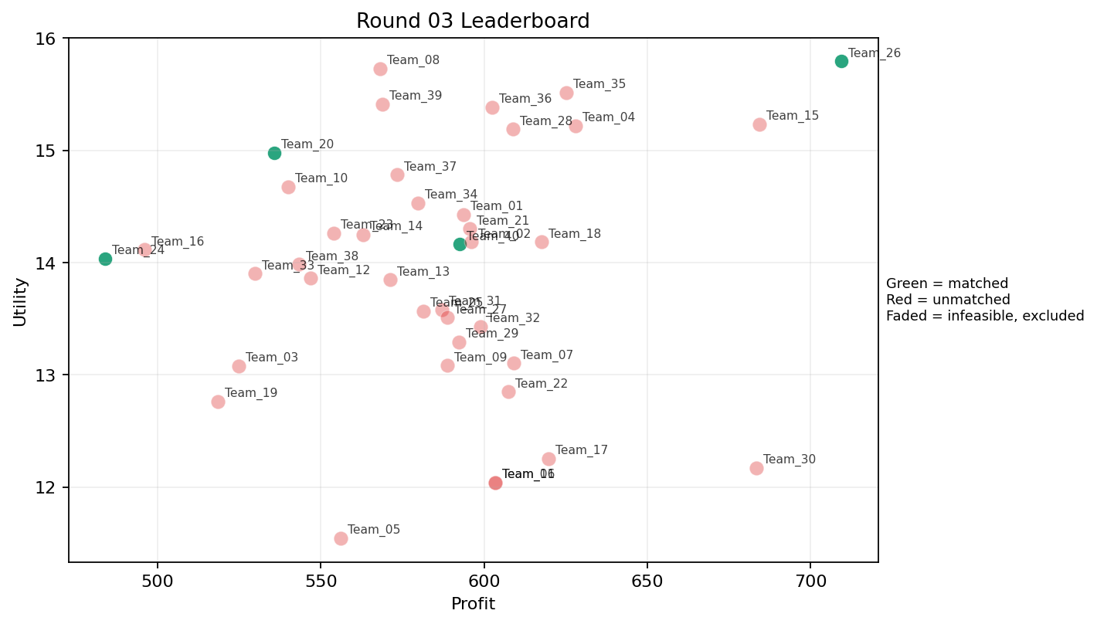
3 | 5 | Team_05 | Team_05 | 5 | R,K,A,D,C | FALSE | 556.016 | 11.546052178 | 3.8096 | 2.7966 | 3.0498 | 2.2208 | 1.669 | 0.4 | 2026-03-12T09:30:04 | FALSE | 0 |  | FALSE | infeasible | 0 | 1174.42 | 16
3 | 6 | Team_22 | Team_22 | 7 | O,I,K,A,C,H,Q | FALSE | 607.48571429 | 12.847974848 | 2.2978571429 | 4.3048571429 | 2.4064285714 | 2.0385714286 | 2.7508571429 | 0.42857142857 | 2026-03-12T09:30:05 | FALSE | 0 |  | FALSE | infeasible | 0 | 0 | 0
3 | 7 | Team_17 | Team_17 | 6 | K,F,H,C,Q,L | FALSE | 619.61333333 | 12.254567815 | 2.6913333333 | 3.8815 | 2.2548333333 | 2.2745 | 2.0373333333 | 0.5 | 2026-03-12T09:30:06 | FALSE | 0 |  | FALSE | infeasible | 0 | 551.44 | 8
3 | 8 | Team_16 | Team_16 | 6 | N,J,B,R,K,I | FALSE | 496.05333333 | 14.113781991 | 3.6415 | 1.7973333333 | 3.7993333333 | 2.5086666667 | 2.4556666667 | 0.16666666667 | 2026-03-12T09:30:07 | FALSE | 0 |  | FALSE | infeasible | 0 | 0 | 0
3 | 9 | Team_06 | Team_06 | 1 | A | FALSE | 603.44 | 12.039128291 | 2.412 | 4.371 | 2.457 | 1.943 | 3 | 1 | 2026-03-12T09:30:08 | FALSE | 0 |  | FALSE | infeasible | 0 | 0 | 0
3 | 10 | Team_32 | Team_32 | 4 | I,K,G,A | FALSE | 598.98 | 13.430806752 | 2.6055 | 3.62625 | 2.51275 | 1.98075 | 3.26675 | 0.5 | 2026-03-12T09:30:09 | FALSE | 0 |  | FALSE | infeasible | 0 | 0 | 0
3 | 11 | Team_12 | Team_12 | 7 | B,M,P,R,D,L,N | FALSE | 546.81142857 | 13.860720647 | 3.372 | 1.652 | 3.1648571429 | 2.2332857143 | 2.3444285714 | 0.42857142857 | 2026-03-12T09:30:10 | FALSE | 0 |  | FALSE | infeasible | 0 | 0 | 0
3 | 12 | Team_26 | Team_26 | 1 | P | TRUE | 709.36 | 15.792127845 | 2.455 | 1.577 | 1.133 | 3.672 | 2 | 1 | 2026-03-12T09:30:11 | TRUE | 8 | 11, 17, 41, 46, 50, 65, 66, 67 | TRUE |  | 709.36 | 709.36 | 8
3 | 13 | Team_07 | Team_07 | 5 | C,L,G,F,A | FALSE | 609.072 | 13.102902492 | 2.891 | 3.4368 | 2.3866 | 2.2406 | 2.6686 | 0.4 | 2026-03-12T09:30:12 | FALSE | 0 |  | FALSE | infeasible | 0 | 0 | 0
3 | 14 | Team_15 | Team_15 | 3 | H,M,P | FALSE | 684.24 | 15.232554651 | 1.559 | 3.6063333333 | 1.447 | 2.615 | 3.118 | 0.66666666667 | 2026-03-12T09:30:13 | FALSE | 0 |  | FALSE | infeasible | 0 | 0 | 0
3 | 15 | Team_37 | Team_37 | 7 | I,M,D,J,L,E,R | FALSE | 573.30285714 | 14.782139338 | 2.9321428571 | 2.4082857143 | 2.8337142857 | 2.6604285714 | 2.9601428571 | 0.42857142857 | 2026-03-12T09:30:14 | FALSE | 0 |  | FALSE | infeasible | 0 | 0 | 0
3 | 16 | Team_40 | Team_40 | 7 | L,D,B,O,Q,I,P | TRUE | 592.4 | 14.161408826 | 2.6331428571 | 2.728 | 2.595 | 2.0475714286 | 2.9701428571 | 0.42857142857 | 2026-03-12T09:30:15 | TRUE | 8 | 16, 61, 64, 68, 69, 75, 83, 9 | TRUE |  | 592.4 | 1301.76 | 16
3 | 17 | Team_23 | Team_23 | 7 | G,K,P,N,I,E,B | FALSE | 553.92 | 14.261985775 | 2.8291428571 | 2.6311428571 | 3.076 | 2.014 | 3.2952857143 | 0.42857142857 | 2026-03-12T09:30:16 | FALSE | 0 |  | FALSE | infeasible | 0 | 605.52 | 8
3 | 18 | Team_08 | Team_08 | 1 | F | FALSE | 568.16 | 15.725692303 | 1.147 | 3.887 | 2.898 | 1.995 | 3.234 | 0 | 2026-03-12T09:30:17 | FALSE | 0 |  | FALSE | infeasible | 0 | 616.48 | 8
3 | 19 | Team_13 | Team_13 | 6 | R,J,O,G,Q,K | FALSE | 571.13333333 | 13.845528278 | 3.116 | 2.8451666667 | 2.8608333333 | 2.5615 | 2.6741666667 | 0.33333333333 | 2026-03-12T09:30:18 | FALSE | 0 |  | FALSE | infeasible | 0 | 0 | 0
3 | 20 | Team_28 | Team_28 | 8 | G,F,M,J,P,O,I,C | FALSE | 608.73 | 15.186974631 | 2.28 | 3.2925 | 2.390875 | 2.486375 | 3.367375 | 0.25 | 2026-03-12T09:30:19 | FALSE | 0 |  | FALSE | infeasible | 0 | 575.37 | 8
3 | 21 | Team_10 | Team_10 | 4 | M,F,N,E | FALSE | 539.94 | 14.676144657 | 1.861 | 3.40875 | 3.25075 | 1.7585 | 3.5885 | 0.5 | 2026-03-12T09:30:20 | FALSE | 0 |  | FALSE | infeasible | 0 | 484.12 | 8
3 | 22 | Team_31 | Team_31 | 7 | G,P,J,Q,N,A,K | FALSE | 586.98285714 | 13.583006667 | 2.9725714286 | 2.8044285714 | 2.6627142857 | 2.4297142857 | 2.6301428571 | 0.57142857143 | 2026-03-12T09:30:21 | FALSE | 0 |  | FALSE | infeasible | 0 | 0 | 0
3 | 23 | Team_27 | Team_27 | 6 | H,O,R,F,K,A | FALSE | 588.70666667 | 13.507903632 | 2.526 | 3.5186666667 | 2.6411666667 | 2.2656666667 | 2.5486666667 | 0.33333333333 | 2026-03-12T09:30:22 | FALSE | 0 |  | FALSE | infeasible | 0 | 0 | 0
3 | 24 | Team_24 | Team_24 | 4 | I,B,Q,N | TRUE | 484 | 14.035444025 | 2.60725 | 2.72425 | 3.95 | 1.624 | 3.0835 | 0.25 | 2026-03-12T09:30:23 | TRUE | 8 | 15, 2, 20, 62, 70, 76, 79, 82 | TRUE |  | 484 | 484 | 8
3 | 25 | Team_19 | Team_19 | 6 | Q,A,N,F,C,R | FALSE | 518.48 | 12.763216645 | 2.9453333333 | 3.1001666667 | 3.519 | 2.2228333333 | 1.9666666667 | 0.33333333333 | 2026-03-12T09:30:24 | FALSE | 0 |  | FALSE | infeasible | 0 | 602.48 | 8
3 | 26 | Team_04 | Team_04 | 1 | O | FALSE | 627.92 | 15.218356739 | 1.479 | 4.371 | 2.151 | 1.405 | 4.4 | 0 | 2026-03-12T09:30:25 | FALSE | 0 |  | FALSE | infeasible | 0 | 0 | 0
3 | 27 | Team_03 | Team_03 | 6 | C,J,K,N,E,B | FALSE | 524.89333333 | 13.077208174 | 3.5976666667 | 2.6475 | 3.4388333333 | 2.225 | 2.7496666667 | 0.33333333333 | 2026-03-12T09:30:26 | FALSE | 0 |  | FALSE | infeasible | 0 | 0 | 0
3 | 28 | Team_36 | Team_36 | 7 | I,M,B,P,O,F,H | FALSE | 602.36571429 | 15.383685842 | 1.8011428571 | 3.4321428571 | 2.4704285714 | 2.0902857143 | 3.584 | 0.28571428571 | 2026-03-12T09:30:27 | FALSE | 0 |  | FALSE | infeasible | 0 | 0 | 0
3 | 29 | Team_33 | Team_33 | 5 | K,B,J,O,R | FALSE | 529.856 | 13.901004371 | 3.7002 | 2.1062 | 3.3768 | 2.5662 | 2.6068 | 0.2 | 2026-03-12T09:30:28 | FALSE | 0 |  | FALSE | infeasible | 0 | 635.78285714 | 8
3 | 30 | Team_34 | Team_34 | 5 | D,B,G,J,L | FALSE | 579.792 | 14.529597689 | 3.6928 | 1.7464 | 2.7526 | 2.31 | 3.2088 | 0.2 | 2026-03-12T09:30:29 | FALSE | 0 |  | FALSE | infeasible | 0 | 0 | 0
3 | 31 | Team_25 | Team_25 | 8 | F,K,R,P,C,J,Q,O | FALSE | 581.28 | 13.568057833 | 2.966 | 2.997375 | 2.734 | 2.707 | 2.2 | 0.375 | 2026-03-12T09:30:30 | FALSE | 0 |  | FALSE | infeasible | 0 | 549.86666667 | 8
3 | 32 | Team_29 | Team_29 | 4 | R,H,L,Q | FALSE | 592.22 | 13.291298058 | 2.916 | 2.86625 | 2.59725 | 2.81225 | 1.734 | 0.5 | 2026-03-12T09:30:31 | FALSE | 0 |  | FALSE | infeasible | 0 | 0 | 0
3 | 33 | Team_38 | Team_38 | 7 | N,G,F,A,B,Q,O | FALSE | 543.26857143 | 13.98388892 | 2.4175714286 | 3.2621428571 | 3.2091428571 | 1.616 | 3.3778571429 | 0.28571428571 | 2026-03-12T09:30:32 | FALSE | 0 |  | FALSE | infeasible | 0 | 0 | 0
3 | 34 | Team_11 | Team_11 | 1 | A | FALSE | 603.44 | 12.039128291 | 2.412 | 4.371 | 2.457 | 1.943 | 3 | 1 | 2026-03-12T09:30:33 | FALSE | 0 |  | FALSE | infeasible | 0 | 0 | 0
3 | 35 | Team_30 | Team_30 | 1 | L | FALSE | 683.36 | 12.172810784 | 4.056 | 1.628 | 1.458 | 3.053 | 1.234 | 1 | 2026-03-12T09:30:34 | FALSE | 0 |  | FALSE | infeasible | 0 | 0 | 0
3 | 36 | Team_02 | Team_02 | 4 | A,F,D,G | FALSE | 596.02 | 14.181976685 | 2.46375 | 3.2035 | 2.54975 | 1.686 | 3.4585 | 0.25 | 2026-03-12T09:30:35 | FALSE | 0 |  | FALSE | infeasible | 0 | 0 | 0
3 | 37 | Team_21 | Team_21 | 8 | L,G,O,R,D,H,I,Q | FALSE | 595.52 | 14.299508778 | 2.586 | 3.00125 | 2.556 | 2.222875 | 2.8795 | 0.25 | 2026-03-12T09:30:36 | FALSE | 0 |  | FALSE | infeasible | 0 | 0 | 0
3 | 38 | Team_14 | Team_14 | 6 | N,J,C,M,E,O | FALSE | 562.98666667 | 14.246643125 | 2.6611666667 | 3.2846666667 | 2.9626666667 | 2.2478333333 | 3.3046666667 | 0.33333333333 | 2026-03-12T09:30:37 | FALSE | 0 |  | FALSE | infeasible | 0 | 0 | 0
3 | 39 | Team_20 | Team_20 | 5 | D,E,R,F,I | TRUE | 535.76 | 14.978910582 | 2.5092 | 2.7056 | 3.303 | 2.2562 | 3.0782 | 0.2 | 2026-03-12T09:30:38 | TRUE | 8 | 10, 12, 27, 30, 43, 44, 7, 80 | TRUE |  | 535.76 | 535.76 | 8
3 | 40 | Team_18 | Team_18 | 8 | F,H,J,Q,L,G,D,A | FALSE | 617.54 | 14.182365449 | 2.590125 | 3.18425 | 2.28075 | 2.34325 | 2.96825 | 0.375 | 2026-03-12T09:30:39 | FALSE | 0 |  | FALSE | infeasible | 0 | 0 | 0

Round 04
Round 04 Summary

run_no | market_capacity | solver | team_count | eligible_team_count | user_pool_count | infeasible_excluded_count | matched_user_count | unmatched_user_count | user_match_rate | feasible_submission_count | total_profit | total_utility | avg_profit | avg_utility | Team Product Assignments | round_realized_profit_total
4 | 8 | market_demand_v1 | 40 | 1 | 85 | 39 | 8 | 77 | 0.0941 | 1 | 22467.152571 | 558.45070345 | 561.67881429 | 13.961267586 | run_no | team_product | assigned_count | capacity | remaining_capacity | assigned_users
 |  |  |  |  |  |  |  |  |  |  |  |  |  |  | 4 | Team_34 | 8 | 8 | 0 | 1, 10, 11, 12, 13, 14, 15, 16
Leaderboard Rows
run_no | submission_order | team | player_name | num_suppliers | selected_suppliers | feasible | profit | utility | env_avg | social_avg | cost_avg | strategic_avg | improvement_avg | low_quality_avg | created_at | matching_eligible | matched_user_count | matched_user_ids | matched | excluded_reason | realized_profit_round | cumulative_profit | cumulative_matched_users
4 | 1 | Team_12 | Team_12 | 5 | D,B,N,G,H | FALSE | 547.984 | 14.318800302 | 3.0276 | 2.3526 | 3.1502 | 1.5378 | 3.3668 | 0 | 2026-03-12T09:40:00 | FALSE | 0 |  | FALSE | infeasible | 0 | 0 | 0
4 | 2 | Team_40 | Team_40 | 1 | R | FALSE | 402.88 | 13.95161411 | 4.854 | 0.023 | 4.964 | 3.874 | 0.234 | 0 | 2026-03-12T09:40:01 | FALSE | 0 |  | FALSE | infeasible | 0 | 1301.76 | 16
4 | 3 | Team_30 | Team_30 | 3 | D,J,M | FALSE | 603.12 | 15.094895335 | 2.887 | 2.406 | 2.461 | 2.4313333333 | 3.3843333333 | 0.33333333333 | 2026-03-12T09:40:02 | FALSE | 0 |  | FALSE | infeasible | 0 | 0 | 0
4 | 4 | Team_19 | Team_19 | 5 | G,R,J,D,F | FALSE | 554.752 | 15.231566257 | 3.2706 | 1.9368 | 3.0656 | 2.6604 | 2.8556 | 0 | 2026-03-12T09:40:03 | FALSE | 0 |  | FALSE | infeasible | 0 | 602.48 | 8
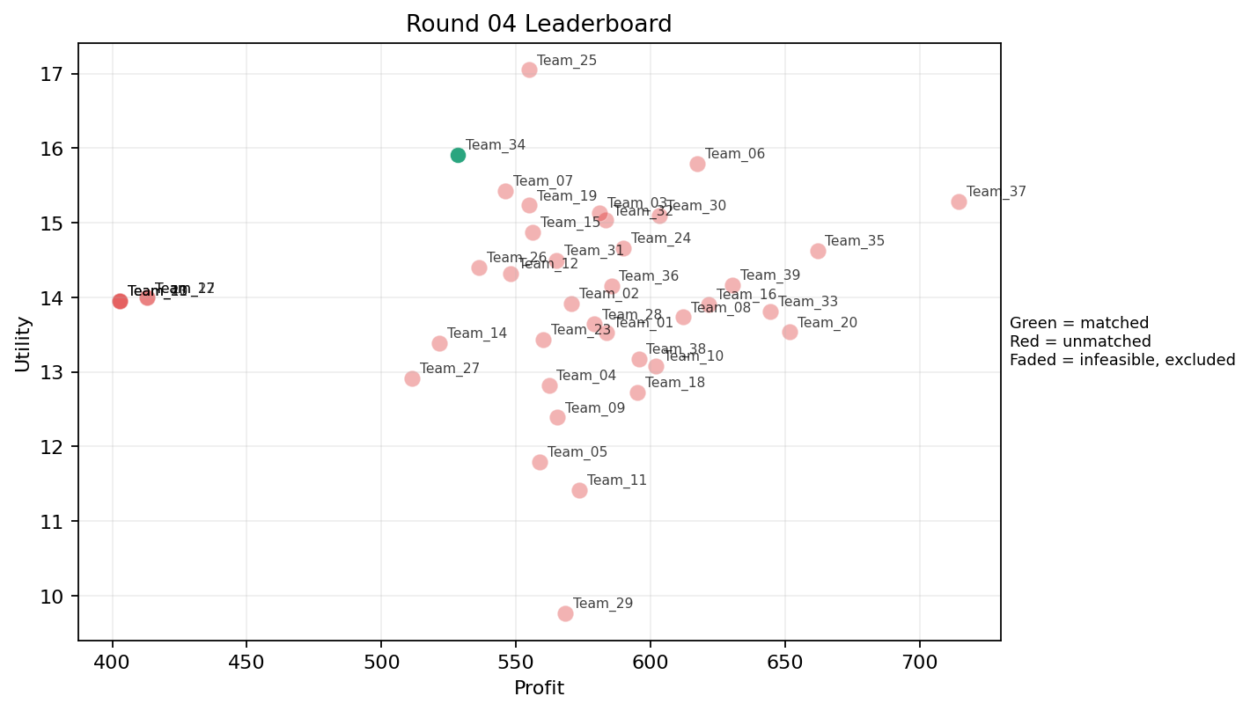
4 | 5 | Team_09 | Team_09 | 2 | E,C | FALSE | 565.4 | 12.39080316 | 2.92 | 4.371 | 2.9325 | 2.2475 | 3.049 | 0.5 | 2026-03-12T09:40:04 | FALSE | 0 |  | FALSE | infeasible | 0 | 490.52 | 8
4 | 6 | Team_38 | Team_38 | 4 | E,C,L,F | FALSE | 595.58 | 13.170027352 | 2.76075 | 3.56425 | 2.55525 | 2.38575 | 2.6415 | 0.5 | 2026-03-12T09:40:05 | FALSE | 0 |  | FALSE | infeasible | 0 | 0 | 0
4 | 7 | Team_13 | Team_13 | 1 | R | FALSE | 402.88 | 13.95161411 | 4.854 | 0.023 | 4.964 | 3.874 | 0.234 | 0 | 2026-03-12T09:40:06 | FALSE | 0 |  | FALSE | infeasible | 0 | 0 | 0
4 | 8 | Team_08 | Team_08 | 7 | K,L,I,E,C,J,P | FALSE | 612 | 13.733768325 | 3.1017142857 | 2.9102857143 | 2.35 | 2.8615714286 | 2.5474285714 | 0.57142857143 | 2026-03-12T09:40:07 | FALSE | 0 |  | FALSE | infeasible | 0 | 616.48 | 8
4 | 9 | Team_07 | Team_07 | 4 | J,R,E,O | FALSE | 545.92 | 15.425959732 | 3.0235 | 2.49575 | 3.176 | 2.99625 | 3.211 | 0.25 | 2026-03-12T09:40:08 | FALSE | 0 |  | FALSE | infeasible | 0 | 0 | 0
4 | 10 | Team_02 | Team_02 | 7 | G,A,K,I,N,F,M | FALSE | 570.43428571 | 13.915910897 | 2.3087142857 | 3.3955714286 | 2.8695714286 | 1.8397142857 | 3.203 | 0.42857142857 | 2026-03-12T09:40:09 | FALSE | 0 |  | FALSE | infeasible | 0 | 0 | 0
4 | 11 | Team_15 | Team_15 | 2 | P,R | FALSE | 556.12 | 14.871870977 | 3.6545 | 0.8 | 3.0485 | 3.773 | 1.117 | 0.5 | 2026-03-12T09:40:10 | FALSE | 0 |  | FALSE | infeasible | 0 | 0 | 0
4 | 12 | Team_22 | Team_22 | 1 | B | FALSE | 412.88 | 13.994652789 | 4.056 | 1.33 | 4.839 | 1.064 | 4 | 0 | 2026-03-12T09:40:11 | FALSE | 0 |  | FALSE | infeasible | 0 | 0 | 0
4 | 13 | Team_27 | Team_27 | 3 | R,E,C | FALSE | 511.22666667 | 12.911073477 | 3.5646666667 | 2.9216666667 | 3.6096666667 | 2.7896666667 | 2.1106666667 | 0.33333333333 | 2026-03-12T09:40:12 | FALSE | 0 |  | FALSE | infeasible | 0 | 0 | 0
4 | 14 | Team_25 | Team_25 | 1 | I | FALSE | 554.88 | 17.049435108 | 1.249 | 3.618 | 3.064 | 2.323 | 4.1 | 0 | 2026-03-12T09:40:13 | FALSE | 0 |  | FALSE | infeasible | 0 | 549.86666667 | 8
4 | 15 | Team_06 | Team_06 | 4 | G,J,M,O | FALSE | 617.32 | 15.790841207 | 2.3135 | 3.22175 | 2.2835 | 2.37125 | 4.12675 | 0.25 | 2026-03-12T09:40:14 | FALSE | 0 |  | FALSE | infeasible | 0 | 0 | 0
4 | 16 | Team_20 | Team_20 | 5 | M,D,K,P,H | FALSE | 651.664 | 13.534401096 | 2.4648 | 3.2074 | 1.8542 | 2.1432 | 2.6734 | 0.6 | 2026-03-12T09:40:15 | FALSE | 0 |  | FALSE | infeasible | 0 | 535.76 | 8
4 | 17 | Team_23 | Team_23 | 8 | D,P,N,H,C,R,L,B | FALSE | 560.18 | 13.433003387 | 3.491625 | 2.054375 | 2.99775 | 2.3635 | 2.077875 | 0.25 | 2026-03-12T09:40:16 | FALSE | 0 |  | FALSE | infeasible | 0 | 605.52 | 8
4 | 18 | Team_10 | Team_10 | 4 | P,C,E,Q | FALSE | 602.08 | 13.081207662 | 2.46025 | 3.8155 | 2.474 | 2.49325 | 2.583 | 0.75 | 2026-03-12T09:40:17 | FALSE | 0 |  | FALSE | infeasible | 0 | 484.12 | 8
4 | 19 | Team_28 | Team_28 | 2 | J,C | FALSE | 579.2 | 13.641307844 | 4.0955 | 2.7945 | 2.76 | 3.5215 | 2.154 | 0 | 2026-03-12T09:40:18 | FALSE | 0 |  | FALSE | infeasible | 0 | 575.37 | 8
4 | 20 | Team_18 | Team_18 | 4 | F,Q,K,M | FALSE | 595.14 | 12.728903383 | 1.94075 | 4.1975 | 2.56075 | 1.82975 | 2.6945 | 0.75 | 2026-03-12T09:40:19 | FALSE | 0 |  | FALSE | infeasible | 0 | 0 | 0
4 | 21 | Team_32 | Team_32 | 3 | H,B,G | FALSE | 583.2 | 15.032009254 | 2.6563333333 | 3.0426666667 | 2.71 | 1.792 | 4.0036666667 | 0 | 2026-03-12T09:40:20 | FALSE | 0 |  | FALSE | infeasible | 0 | 0 | 0
4 | 22 | Team_29 | Team_29 | 1 | C | FALSE | 568.16 | 9.7651769649 | 4.135 | 4.371 | 2.898 | 2.416 | 1.098 | 0 | 2026-03-12T09:40:21 | FALSE | 0 |  | FALSE | infeasible | 0 | 0 | 0
4 | 23 | Team_05 | Team_05 | 5 | B,K,M,Q,C | FALSE | 558.688 | 11.789950197 | 2.9614 | 3.7208 | 3.0164 | 1.7608 | 2.5284 | 0.6 | 2026-03-12T09:40:22 | FALSE | 0 |  | FALSE | infeasible | 0 | 1174.42 | 16
4 | 24 | Team_39 | Team_39 | 7 | I,Q,M,H,P,K,G | FALSE | 630.48 | 14.161837022 | 2.0332857143 | 3.6994285714 | 2.119 | 2.233 | 3.0935714286 | 0.57142857143 | 2026-03-12T09:40:23 | FALSE | 0 |  | FALSE | infeasible | 0 | 0 | 0
4 | 25 | Team_34 | Team_34 | 4 | N,J,I,F | TRUE | 528.34 | 15.909789463 | 2.5075 | 2.43225 | 3.39575 | 2.562 | 3.136 | 0 | 2026-03-12T09:40:24 | TRUE | 8 | 1, 10, 11, 12, 13, 14, 15, 16 | TRUE |  | 528.34 | 528.34 | 8
4 | 26 | Team_11 | Team_11 | 6 | K,C,R,L,A,Q | FALSE | 573.56 | 11.417131021 | 3.5098333333 | 3.1541666667 | 2.8305 | 2.4921666667 | 1.4983333333 | 0.66666666667 | 2026-03-12T09:40:25 | FALSE | 0 |  | FALSE | infeasible | 0 | 0 | 0
4 | 27 | Team_04 | Team_04 | 5 | N,L,P,R,K | FALSE | 562.208 | 12.81722079 | 3.7998 | 1.5646 | 2.9724 | 2.7526 | 1.3316 | 0.6 | 2026-03-12T09:40:26 | FALSE | 0 |  | FALSE | infeasible | 0 | 0 | 0
4 | 28 | Team_24 | Team_24 | 5 | G,O,N,P,D | FALSE | 589.968 | 14.66403249 | 2.7616 | 2.302 | 2.6254 | 1.8372 | 3.2 | 0.2 | 2026-03-12T09:40:27 | FALSE | 0 |  | FALSE | infeasible | 0 | 484 | 8
4 | 29 | Team_16 | Team_16 | 7 | E,D,K,H,Q,J,P | FALSE | 621.49714286 | 13.905872113 | 2.6595714286 | 3.1711428571 | 2.2312857143 | 2.5101428571 | 2.813 | 0.57142857143 | 2026-03-12T09:40:28 | FALSE | 0 |  | FALSE | infeasible | 0 | 0 | 0
4 | 30 | Team_17 | Team_17 | 1 | B | FALSE | 412.88 | 13.994652789 | 4.056 | 1.33 | 4.839 | 1.064 | 4 | 0 | 2026-03-12T09:40:29 | FALSE | 0 |  | FALSE | infeasible | 0 | 551.44 | 8
4 | 31 | Team_26 | Team_26 | 6 | J,O,R,M,N,Q | FALSE | 536.36 | 14.400160504 | 2.7545 | 2.6553333333 | 3.2955 | 2.4453333333 | 2.6996666667 | 0.33333333333 | 2026-03-12T09:40:30 | FALSE | 0 |  | FALSE | infeasible | 0 | 709.36 | 8
4 | 32 | Team_03 | Team_03 | 7 | O,E,B,F,H,J,D | FALSE | 580.93714286 | 15.130517543 | 2.4631428571 | 3.0967142857 | 2.7382857143 | 2.0994285714 | 3.7001428571 | 0.14285714286 | 2026-03-12T09:40:31 | FALSE | 0 |  | FALSE | infeasible | 0 | 0 | 0
4 | 33 | Team_31 | Team_31 | 8 | K,J,A,G,I,E,F,R | FALSE | 564.98 | 14.491800188 | 2.773 | 3.0005 | 2.93775 | 2.56225 | 3.093125 | 0.375 | 2026-03-12T09:40:32 | FALSE | 0 |  | FALSE | infeasible | 0 | 0 | 0
4 | 34 | Team_01 | Team_01 | 6 | Q,H,O,C,G,N | FALSE | 583.50666667 | 13.530432813 | 2.4418333333 | 3.7481666667 | 2.7061666667 | 1.8736666667 | 2.9571666667 | 0.16666666667 | 2026-03-12T09:40:33 | FALSE | 0 |  | FALSE | infeasible | 0 | 0 | 0
4 | 35 | Team_37 | Team_37 | 1 | H | FALSE | 714.48 | 15.289670857 | 1.208 | 4.871 | 1.069 | 2.516 | 3.234 | 0 | 2026-03-12T09:40:34 | FALSE | 0 |  | FALSE | infeasible | 0 | 0 | 0
4 | 36 | Team_21 | Team_21 | 1 | R | FALSE | 402.88 | 13.95161411 | 4.854 | 0.023 | 4.964 | 3.874 | 0.234 | 0 | 2026-03-12T09:40:35 | FALSE | 0 |  | FALSE | infeasible | 0 | 0 | 0
4 | 37 | Team_14 | Team_14 | 5 | N,B,G,A,Q | FALSE | 521.36 | 13.388634679 | 2.8594 | 2.9154 | 3.483 | 1.5824 | 3.2022 | 0.4 | 2026-03-12T09:40:36 | FALSE | 0 |  | FALSE | infeasible | 0 | 0 | 0
4 | 38 | Team_36 | Team_36 | 6 | D,Q,I,F,O,A | FALSE | 585.46666667 | 14.155848493 | 1.904 | 3.8031666667 | 2.6816666667 | 1.747 | 3.2985 | 0.33333333333 | 2026-03-12T09:40:37 | FALSE | 0 |  | FALSE | infeasible | 0 | 0 | 0
4 | 39 | Team_33 | Team_33 | 5 | Q,M,O,H,L | FALSE | 644.56 | 13.809560023 | 1.8606 | 4.0368 | 1.943 | 2.0874 | 3.0444 | 0.6 | 2026-03-12T09:40:38 | FALSE | 0 |  | FALSE | infeasible | 0 | 635.78285714 | 8
4 | 40 | Team_35 | Team_35 | 4 | L,G,H,O | FALSE | 662 | 14.623135624 | 2.362 | 3.44925 | 1.725 | 2.1925 | 3.41125 | 0.25 | 2026-03-12T09:40:39 | FALSE | 0 |  | FALSE | infeasible | 0 | 0 | 0

Round 05
Round 05 Summary

run_no | market_capacity | solver | team_count | eligible_team_count | user_pool_count | infeasible_excluded_count | matched_user_count | unmatched_user_count | user_match_rate | feasible_submission_count | total_profit | total_utility | avg_profit | avg_utility | Team Product Assignments | round_realized_profit_total
5 | 8 | market_demand_v1 | 40 | 2 | 85 | 38 | 16 | 69 | 0.1882 | 2 | 23601.72019 | 557.22379906 | 590.04300476 | 13.930594976 | run_no | team_product | assigned_count | capacity | remaining_capacity | assigned_users
 |  |  |  |  |  |  |  |  |  |  |  |  |  |  | 5 | Team_08 | 8 | 8 | 0 | 48, 61, 20, 39, 8, 24, 26, 68
Leaderboard Rows |  |  |  |  |  |  |  |  |  |  |  |  |  |  | 5 | Team_19 | 8 | 8 | 0 | 53, 18, 72, 36, 42, 80, 14, 29
run_no | submission_order | team | player_name | num_suppliers | selected_suppliers | feasible | profit | utility | env_avg | social_avg | cost_avg | strategic_avg | improvement_avg | low_quality_avg | created_at | matching_eligible | matched_user_count | matched_user_ids | matched | excluded_reason | realized_profit_round | cumulative_profit | cumulative_matched_users
5 | 1 | Team_11 | Team_11 | 7 | Q,O,M,L,F,H,J | FALSE | 625.88571429 | 14.612990163 | 2.0722857143 | 3.6127142857 | 2.1764285714 | 2.437 | 3.0951428571 | 0.42857142857 | 2026-03-12T09:50:00 | FALSE | 0 |  | FALSE | infeasible | 0 | 0 | 0
5 | 2 | Team_29 | Team_29 | 2 | F,M | FALSE | 598.52 | 15.170778777 | 1.0805 | 4.129 | 2.5185 | 1.826 | 3.677 | 0.5 | 2026-03-12T09:50:01 | FALSE | 0 |  | FALSE | infeasible | 0 | 0 | 0
5 | 3 | Team_37 | Team_37 | 8 | P,M,A,E,N,Q,C,K | FALSE | 582.01 | 12.643671925 | 2.612625 | 3.574875 | 2.724875 | 2.092125 | 2.58025 | 0.75 | 2026-03-12T09:50:02 | FALSE | 0 |  | FALSE | infeasible | 0 | 0 | 0
5 | 4 | Team_02 | Team_02 | 7 | O,L,E,N,A,B,P | FALSE | 571.38285714 | 13.940013932 | 2.8201428571 | 2.6648571429 | 2.8577142857 | 2.0741428571 | 3.0905714286 | 0.57142857143 | 2026-03-12T09:50:03 | FALSE | 0 |  | FALSE | infeasible | 0 | 0 | 0
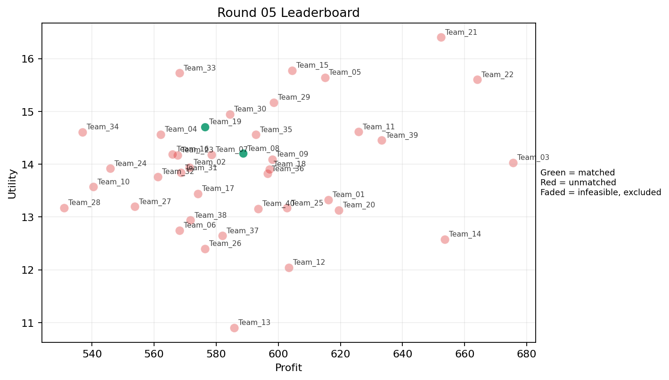
5 | 5 | Team_31 | Team_31 | 8 | K,N,O,G,R,A,F,P | FALSE | 568.68 | 13.838521827 | 2.83575 | 2.718875 | 2.8915 | 2.231125 | 2.604375 | 0.375 | 2026-03-12T09:50:04 | FALSE | 0 |  | FALSE | infeasible | 0 | 0 | 0
5 | 6 | Team_39 | Team_39 | 3 | G,Q,P | FALSE | 633.25333333 | 14.451642814 | 2.2353333333 | 3.149 | 2.0843333333 | 2.4246666667 | 3.0036666667 | 0.66666666667 | 2026-03-12T09:50:05 | FALSE | 0 |  | FALSE | infeasible | 0 | 0 | 0
5 | 7 | Team_30 | Team_30 | 7 | O,B,I,H,J,G,C | FALSE | 584.4 | 14.949490757 | 2.6982857143 | 3.2437142857 | 2.695 | 2.3067142857 | 3.5455714286 | 0 | 2026-03-12T09:50:06 | FALSE | 0 |  | FALSE | infeasible | 0 | 0 | 0
5 | 8 | Team_26 | Team_26 | 7 | K,F,M,R,L,C,Q | FALSE | 576.42285714 | 12.400745056 | 2.9725714286 | 3.2588571429 | 2.7947142857 | 2.3802857143 | 1.9062857143 | 0.57142857143 | 2026-03-12T09:50:07 | FALSE | 0 |  | FALSE | infeasible | 0 | 709.36 | 8
5 | 9 | Team_33 | Team_33 | 1 | F | FALSE | 568.16 | 15.725692303 | 1.147 | 3.887 | 2.898 | 1.995 | 3.234 | 0 | 2026-03-12T09:50:08 | FALSE | 0 |  | FALSE | infeasible | 0 | 635.78285714 | 8
5 | 10 | Team_22 | Team_22 | 3 | F,P,H | FALSE | 664 | 15.602497001 | 1.6033333333 | 3.445 | 1.7 | 2.7276666667 | 2.8226666667 | 0.33333333333 | 2026-03-12T09:50:09 | FALSE | 0 |  | FALSE | infeasible | 0 | 0 | 0
5 | 11 | Team_12 | Team_12 | 1 | A | FALSE | 603.44 | 12.039128291 | 2.412 | 4.371 | 2.457 | 1.943 | 3 | 1 | 2026-03-12T09:50:10 | FALSE | 0 |  | FALSE | infeasible | 0 | 0 | 0
5 | 12 | Team_28 | Team_28 | 3 | G,R,C | FALSE | 531.09333333 | 13.176165063 | 3.898 | 2.4403333333 | 3.3613333333 | 2.6953333333 | 2.0363333333 | 0 | 2026-03-12T09:50:11 | FALSE | 0 |  | FALSE | infeasible | 0 | 575.37 | 8
5 | 13 | Team_04 | Team_04 | 3 | J,L,B | FALSE | 562.16 | 14.561634099 | 4.056 | 1.392 | 2.973 | 2.9146666667 | 2.8146666667 | 0.33333333333 | 2026-03-12T09:50:12 | FALSE | 0 |  | FALSE | infeasible | 0 | 0 | 0
5 | 14 | Team_09 | Team_09 | 3 | E,O,A | FALSE | 598 | 14.091304795 | 1.8653333333 | 4.371 | 2.525 | 1.809 | 4.1333333333 | 0.66666666667 | 2026-03-12T09:50:13 | FALSE | 0 |  | FALSE | infeasible | 0 | 490.52 | 8
5 | 15 | Team_06 | Team_06 | 2 | C,F | FALSE | 568.16 | 12.745434634 | 2.641 | 4.129 | 2.898 | 2.2055 | 2.166 | 0 | 2026-03-12T09:50:14 | FALSE | 0 |  | FALSE | infeasible | 0 | 0 | 0
5 | 16 | Team_19 | Team_19 | 6 | O,E,D,F,P,N | TRUE | 576.4 | 14.708429998 | 2.3258333333 | 2.8068333333 | 2.795 | 1.9106666667 | 3.2428333333 | 0.33333333333 | 2026-03-12T09:50:15 | TRUE | 8 | 14, 18, 29, 36, 42, 53, 72, 80 | TRUE |  | 576.4 | 1178.88 | 16
5 | 17 | Team_07 | Team_07 | 7 | Q,F,C,J,H,O,B | FALSE | 578.57142857 | 14.180297837 | 2.5181428571 | 3.5701428571 | 2.7678571429 | 2.2612857143 | 3.0585714286 | 0.14285714286 | 2026-03-12T09:50:16 | FALSE | 0 |  | FALSE | infeasible | 0 | 0 | 0
5 | 18 | Team_36 | Team_36 | 5 | K,H,G,O,R | FALSE | 596.576 | 13.818861063 | 2.8604 | 3.1562 | 2.5428 | 2.2904 | 2.767 | 0.2 | 2026-03-12T09:50:17 | FALSE | 0 |  | FALSE | infeasible | 0 | 0 | 0
5 | 19 | Team_08 | Team_08 | 5 | I,D,L,N,H | TRUE | 588.608 | 14.2019781 | 2.7364 | 2.5504 | 2.6424 | 2.041 | 2.6782 | 0.2 | 2026-03-12T09:50:18 | TRUE | 8 | 20, 24, 26, 39, 48, 61, 68, 8 | TRUE |  | 588.608 | 1205.088 | 16
5 | 20 | Team_23 | Team_23 | 6 | L,H,E,M,R,B | FALSE | 567.52 | 14.173507191 | 2.8155 | 2.7656666667 | 2.906 | 2.3738333333 | 2.9703333333 | 0.5 | 2026-03-12T09:50:19 | FALSE | 0 |  | FALSE | infeasible | 0 | 605.52 | 8
5 | 21 | Team_21 | Team_21 | 2 | J,H | FALSE | 652.36 | 16.40355479 | 2.632 | 3.0445 | 1.8455 | 3.5715 | 3.222 | 0 | 2026-03-12T09:50:20 | FALSE | 0 |  | FALSE | infeasible | 0 | 0 | 0
5 | 22 | Team_38 | Team_38 | 4 | C,L,B,G | FALSE | 571.66 | 12.936086163 | 3.738 | 2.564 | 2.85425 | 2.08225 | 2.77725 | 0.25 | 2026-03-12T09:50:21 | FALSE | 0 |  | FALSE | infeasible | 0 | 0 | 0
5 | 23 | Team_14 | Team_14 | 3 | C,L,P | FALSE | 653.62666667 | 12.576705198 | 3.5486666667 | 2.5253333333 | 1.8296666667 | 3.047 | 1.444 | 0.66666666667 | 2026-03-12T09:50:22 | FALSE | 0 |  | FALSE | infeasible | 0 | 0 | 0
5 | 24 | Team_25 | Team_25 | 2 | K,J | FALSE | 602.8 | 13.170199109 | 4.056 | 2.4035 | 2.465 | 3.244 | 2.2 | 0.5 | 2026-03-12T09:50:23 | FALSE | 0 |  | FALSE | infeasible | 0 | 549.86666667 | 8
5 | 25 | Team_40 | Team_40 | 8 | R,Q,H,K,G,M,C,O | FALSE | 593.51 | 13.153305502 | 2.624625 | 3.68325 | 2.581125 | 2.166375 | 2.660875 | 0.375 | 2026-03-12T09:50:24 | FALSE | 0 |  | FALSE | infeasible | 0 | 1301.76 | 16
5 | 26 | Team_15 | Team_15 | 5 | I,G,E,H,F | FALSE | 604.48 | 15.778586348 | 1.6028 | 3.9348 | 2.444 | 2.1418 | 4.069 | 0.2 | 2026-03-12T09:50:25 | FALSE | 0 |  | FALSE | infeasible | 0 | 0 | 0
5 | 27 | Team_35 | Team_35 | 4 | G,D,J,Q | FALSE | 592.72 | 14.557905338 | 2.9745 | 2.67925 | 2.591 | 2.30975 | 3.261 | 0.25 | 2026-03-12T09:50:26 | FALSE | 0 |  | FALSE | infeasible | 0 | 0 | 0
5 | 28 | Team_27 | Team_27 | 6 | I,N,O,C,A,Q | FALSE | 553.77333333 | 13.194964217 | 2.3998333333 | 3.78 | 3.0778333333 | 1.866 | 2.8053333333 | 0.33333333333 | 2026-03-12T09:50:27 | FALSE | 0 |  | FALSE | infeasible | 0 | 0 | 0
5 | 29 | Team_16 | Team_16 | 4 | F,H,Q,B | FALSE | 565.92 | 14.190278108 | 1.98925 | 3.75775 | 2.926 | 1.84525 | 3.1755 | 0.25 | 2026-03-12T09:50:28 | FALSE | 0 |  | FALSE | infeasible | 0 | 0 | 0
5 | 30 | Team_13 | Team_13 | 2 | A,C | FALSE | 585.8 | 10.902152628 | 3.2735 | 4.371 | 2.6775 | 2.1795 | 2.049 | 0.5 | 2026-03-12T09:50:29 | FALSE | 0 |  | FALSE | infeasible | 0 | 0 | 0
5 | 31 | Team_18 | Team_18 | 8 | M,A,D,B,K,J,H,G | FALSE | 597.22 | 13.905350194 | 2.88725 | 3.03825 | 2.53475 | 2.05925 | 3.29425 | 0.375 | 2026-03-12T09:50:30 | FALSE | 0 |  | FALSE | infeasible | 0 | 0 | 0
5 | 32 | Team_20 | Team_20 | 7 | E,C,P,L,F,M,K | FALSE | 619.41714286 | 13.130151714 | 2.6525714286 | 3.3991428571 | 2.2572857143 | 2.3904285714 | 2.5537142857 | 0.71428571429 | 2026-03-12T09:50:31 | FALSE | 0 |  | FALSE | infeasible | 0 | 535.76 | 8
5 | 33 | Team_05 | Team_05 | 4 | O,I,E,H | FALSE | 614.98 | 15.643473015 | 1.41025 | 4.30775 | 2.31275 | 2.08075 | 4.1835 | 0.25 | 2026-03-12T09:50:32 | FALSE | 0 |  | FALSE | infeasible | 0 | 1174.42 | 16
5 | 34 | Team_32 | Team_32 | 6 | A,I,J,B,D,K | FALSE | 561.17333333 | 13.762499406 | 3.2366666667 | 2.6258333333 | 2.9853333333 | 2.138 | 3.0538333333 | 0.33333333333 | 2026-03-12T09:50:33 | FALSE | 0 |  | FALSE | infeasible | 0 | 0 | 0
5 | 35 | Team_34 | Team_34 | 6 | O,N,J,Q,B,G | FALSE | 536.92 | 14.606640095 | 2.9033333333 | 2.6325 | 3.2885 | 2.0001666667 | 3.4368333333 | 0.16666666667 | 2026-03-12T09:50:34 | FALSE | 0 |  | FALSE | infeasible | 0 | 528.34 | 8
5 | 36 | Team_03 | Team_03 | 3 | M,H,L | FALSE | 675.57333333 | 14.026115631 | 2.0926666667 | 3.6233333333 | 1.5553333333 | 2.4086666667 | 2.8626666667 | 0.66666666667 | 2026-03-12T09:50:35 | FALSE | 0 |  | FALSE | infeasible | 0 | 0 | 0
5 | 37 | Team_01 | Team_01 | 2 | A,M | FALSE | 616.16 | 13.327496771 | 1.713 | 4.371 | 2.298 | 1.8 | 3.56 | 1 | 2026-03-12T09:50:36 | FALSE | 0 |  | FALSE | infeasible | 0 | 0 | 0
5 | 38 | Team_10 | Team_10 | 7 | N,C,J,R,A,D,O | FALSE | 540.42285714 | 13.569955511 | 3.4435714286 | 2.427 | 3.2447142857 | 2.3682857143 | 2.395 | 0.14285714286 | 2026-03-12T09:50:37 | FALSE | 0 |  | FALSE | infeasible | 0 | 484.12 | 8
5 | 39 | Team_17 | Team_17 | 6 | K,J,L,R,D,E | FALSE | 574.12 | 13.438772417 | 3.7196666667 | 2.0763333333 | 2.8235 | 2.7506666667 | 2.2818333333 | 0.5 | 2026-03-12T09:50:38 | FALSE | 0 |  | FALSE | infeasible | 0 | 551.44 | 8
5 | 40 | Team_24 | Team_24 | 8 | G,L,E,R,B,Q,H,N | FALSE | 545.84 | 13.916821276 | 2.9635 | 2.637375 | 3.177 | 2.186375 | 2.839125 | 0.375 | 2026-03-12T09:50:39 | FALSE | 0 |  | FALSE | infeasible | 0 | 484 | 8

Round 06
Round 06 Summary

run_no | market_capacity | solver | team_count | eligible_team_count | user_pool_count | infeasible_excluded_count | matched_user_count | unmatched_user_count | user_match_rate | feasible_submission_count | total_profit | total_utility | avg_profit | avg_utility | Team Product Assignments | round_realized_profit_total
6 | 8 | market_demand_v1 | 40 | 5 | 85 | 35 | 40 | 45 | 0.4706 | 5 | 22852.032095 | 563.20249472 | 571.30080238 | 14.080062368 | run_no | team_product | assigned_count | capacity | remaining_capacity | assigned_users
 |  |  |  |  |  |  |  |  |  |  |  |  |  |  | 6 | Team_04 | 8 | 8 | 0 | 64, 20, 76, 1, 69, 45, 71, 4
Leaderboard Rows |  |  |  |  |  |  |  |  |  |  |  |  |  |  | 6 | Team_09 | 8 | 8 | 0 | 62, 7, 57, 19, 85, 77, 82, 51
run_no | submission_order | team | player_name | num_suppliers | selected_suppliers | feasible | profit | utility | env_avg | social_avg | cost_avg | strategic_avg | improvement_avg | low_quality_avg | 6 | Team_12 | 8 | 8 | 0 | 66, 60, 41, 46, 13, 80, 65, 43 | realized_profit_round | cumulative_profit | cumulative_matched_users
6 | 1 | Team_31 | Team_31 | 1 | R | FALSE | 402.88 | 13.95161411 | 4.854 | 0.023 | 4.964 | 3.874 | 0.234 | 0 | 6 | Team_13 | 8 | 8 | 0 | 75, 15, 5, 2, 6, 70, 83, 73 | 0 | 0 | 0
6 | 2 | Team_20 | Team_20 | 6 | Q,P,A,B,C,N | FALSE | 543.68 | 12.781462348 | 3.0303333333 | 2.933 | 3.204 | 2.034 | 2.3886666667 | 0.5 | 6 | Team_22 | 8 | 8 | 0 | 27, 30, 17, 44, 12, 67, 11, 52 | 0 | 535.76 | 8
6 | 3 | Team_27 | Team_27 | 3 | F,Q,M | FALSE | 588.4 | 14.030884679 | 1.2356666667 | 4.4003333333 | 2.645 | 1.8193333333 | 3.196 | 0.66666666667 | 2026-03-12T10:00:02 | FALSE | 0 |  | FALSE | infeasible | 0 | 0 | 0
6 | 4 | Team_34 | Team_34 | 3 | C,B,I | FALSE | 511.97333333 | 13.603088287 | 3.1466666667 | 3.1063333333 | 3.6003333333 | 1.9343333333 | 3.066 | 0 | 2026-03-12T10:00:03 | FALSE | 0 |  | FALSE | infeasible | 0 | 528.34 | 8
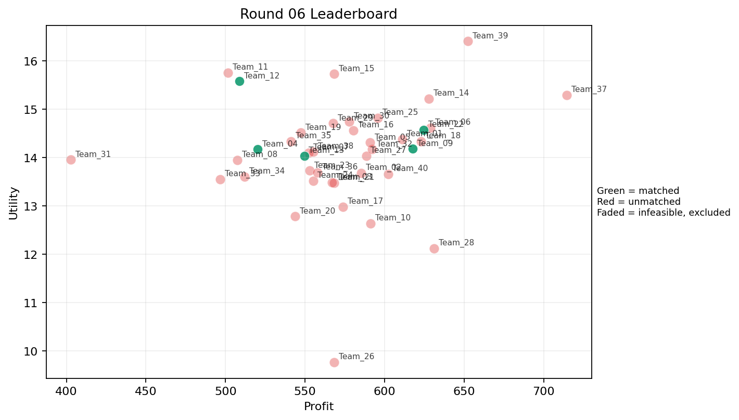
6 | 5 | Team_28 | Team_28 | 3 | P,Q,K | FALSE | 630.96 | 12.122061274 | 2.6856666667 | 3.3696666667 | 2.113 | 2.4463333333 | 1.808 | 1 | 2026-03-12T10:00:04 | FALSE | 0 |  | FALSE | infeasible | 0 | 575.37 | 8
6 | 6 | Team_19 | Team_19 | 4 | D,O,R,F | FALSE | 547.3 | 14.511761296 | 2.76775 | 2.4775 | 3.15875 | 2.071 | 2.67275 | 0 | 2026-03-12T10:00:05 | FALSE | 0 |  | FALSE | infeasible | 0 | 1178.88 | 16
6 | 7 | Team_23 | Team_23 | 3 | L,E,B | FALSE | 552.96 | 13.72796431 | 3.2723333333 | 2.443 | 3.088 | 2.0653333333 | 3.4113333333 | 0.66666666667 | 2026-03-12T10:00:06 | FALSE | 0 |  | FALSE | infeasible | 0 | 605.52 | 8
6 | 8 | Team_39 | Team_39 | 2 | J,H | FALSE | 652.36 | 16.40355479 | 2.632 | 3.0445 | 1.8455 | 3.5715 | 3.222 | 0 | 2026-03-12T10:00:07 | FALSE | 0 |  | FALSE | infeasible | 0 | 0 | 0
6 | 9 | Team_06 | Team_06 | 1 | M | FALSE | 628.88 | 14.615865251 | 1.014 | 4.371 | 2.139 | 1.657 | 4.12 | 1 | 2026-03-12T10:00:08 | FALSE | 0 |  | FALSE | infeasible | 0 | 0 | 0
6 | 10 | Team_16 | Team_16 | 8 | E,A,M,F,B,Q,J,P | FALSE | 580.47 | 14.55655388 | 2.298875 | 3.2585 | 2.744125 | 2.355375 | 3.34975 | 0.625 | 2026-03-12T10:00:09 | FALSE | 0 |  | FALSE | infeasible | 0 | 0 | 0
6 | 11 | Team_17 | Team_17 | 8 | I,L,C,M,K,Q,F,R | FALSE | 573.73 | 12.981831312 | 2.757125 | 3.30375 | 2.828375 | 2.373125 | 2.1805 | 0.5 | 2026-03-12T10:00:10 | FALSE | 0 |  | FALSE | infeasible | 0 | 551.44 | 8
6 | 12 | Team_35 | Team_35 | 8 | I,J,F,M,B,C,A,R | FALSE | 541.19 | 14.332375443 | 2.865375 | 2.898625 | 3.235125 | 2.487375 | 2.8745 | 0.25 | 2026-03-12T10:00:11 | FALSE | 0 |  | FALSE | infeasible | 0 | 0 | 0
6 | 13 | Team_21 | Team_21 | 8 | N,P,D,M,C,R,L,E | FALSE | 568.2 | 13.476499757 | 3.1735 | 2.372 | 2.8975 | 2.383 | 2.313625 | 0.5 | 2026-03-12T10:00:12 | FALSE | 0 |  | FALSE | infeasible | 0 | 0 | 0
6 | 14 | Team_09 | Team_09 | 4 | D,A,P,F | TRUE | 617.8 | 14.177082617 | 2.40125 | 2.866 | 2.2775 | 2.155 | 2.76425 | 0.5 | 2026-03-12T10:00:13 | TRUE | 8 | 19, 51, 57, 62, 7, 77, 82, 85 | TRUE |  | 617.8 | 1108.32 | 16
6 | 15 | Team_32 | Team_32 | 5 | O,J,K,H,B | FALSE | 592.176 | 14.168615721 | 2.971 | 3.0758 | 2.5978 | 2.2946 | 3.2068 | 0.2 | 2026-03-12T10:00:14 | FALSE | 0 |  | FALSE | infeasible | 0 | 0 | 0
6 | 16 | Team_33 | Team_33 | 2 | R,D | FALSE | 496.56 | 13.551498071 | 4.2225 | 0.826 | 3.793 | 2.442 | 1.5285 | 0 | 2026-03-12T10:00:15 | FALSE | 0 |  | FALSE | infeasible | 0 | 635.78285714 | 8
6 | 17 | Team_37 | Team_37 | 1 | H | FALSE | 714.48 | 15.289670857 | 1.208 | 4.871 | 1.069 | 2.516 | 3.234 | 0 | 2026-03-12T10:00:16 | FALSE | 0 |  | FALSE | infeasible | 0 | 0 | 0
6 | 18 | Team_04 | Team_04 | 5 | D,B,F,M,N | TRUE | 520.048 | 14.166836818 | 2.6772 | 2.4446 | 3.4994 | 1.4058 | 3.2354 | 0.2 | 2026-03-12T10:00:17 | TRUE | 8 | 1, 20, 4, 45, 64, 69, 71, 76 | TRUE |  | 520.048 | 520.048 | 8
6 | 19 | Team_14 | Team_14 | 1 | O | FALSE | 627.92 | 15.218356739 | 1.479 | 4.371 | 2.151 | 1.405 | 4.4 | 0 | 2026-03-12T10:00:18 | FALSE | 0 |  | FALSE | infeasible | 0 | 0 | 0
6 | 20 | Team_07 | Team_07 | 5 | R,H,B,A,O | FALSE | 552.32 | 14.098684557 | 2.8018 | 2.9932 | 3.096 | 2.1604 | 2.9736 | 0.2 | 2026-03-12T10:00:19 | FALSE | 0 |  | FALSE | infeasible | 0 | 0 | 0
6 | 21 | Team_10 | Team_10 | 3 | A,I,K | FALSE | 591.22666667 | 12.637174298 | 2.5723333333 | 3.8593333333 | 2.6096666667 | 2.0423333333 | 2.7633333333 | 0.66666666667 | 2026-03-12T10:00:20 | FALSE | 0 |  | FALSE | infeasible | 0 | 484.12 | 8
6 | 22 | Team_22 | Team_22 | 3 | F,G,L | TRUE | 624.58666667 | 14.570069068 | 2.636 | 2.814 | 2.1926666667 | 2.2813333333 | 3.0816666667 | 0.33333333333 | 2026-03-12T10:00:21 | TRUE | 8 | 11, 12, 17, 27, 30, 44, 52, 67 | TRUE |  | 624.58666667 | 624.58666667 | 8
6 | 23 | Team_01 | Team_01 | 7 | H,Q,J,L,D,F,E | FALSE | 611.04 | 14.374931505 | 2.4727142857 | 3.221 | 2.362 | 2.4408571429 | 2.9955714286 | 0.42857142857 | 2026-03-12T10:00:22 | FALSE | 0 |  | FALSE | infeasible | 0 | 0 | 0
6 | 24 | Team_03 | Team_03 | 4 | A,B,F,L | FALSE | 566.96 | 13.483071042 | 2.91775 | 2.804 | 2.913 | 2.01375 | 2.867 | 0.5 | 2026-03-12T10:00:23 | FALSE | 0 |  | FALSE | infeasible | 0 | 0 | 0
6 | 25 | Team_40 | Team_40 | 3 | I,L,Q | FALSE | 602.13333333 | 13.657780792 | 2.2836666667 | 3.3963333333 | 2.4733333333 | 2.394 | 2.5226666667 | 0.66666666667 | 2026-03-12T10:00:24 | FALSE | 0 |  | FALSE | infeasible | 0 | 1301.76 | 16
6 | 26 | Team_12 | Team_12 | 3 | F,I,R | TRUE | 508.64 | 15.575580507 | 2.4166666667 | 2.5093333333 | 3.642 | 2.7306666667 | 2.5226666667 | 0 | 2026-03-12T10:00:25 | TRUE | 8 | 13, 41, 43, 46, 60, 65, 66, 80 | TRUE |  | 508.64 | 508.64 | 8
6 | 27 | Team_30 | Team_30 | 4 | F,N,H,M | FALSE | 577.9 | 14.744455032 | 1.73675 | 3.53375 | 2.77625 | 1.86775 | 3.147 | 0.25 | 2026-03-12T10:00:26 | FALSE | 0 |  | FALSE | infeasible | 0 | 0 | 0
6 | 28 | Team_25 | Team_25 | 2 | E,M | FALSE | 595.76 | 14.816147303 | 1.3595 | 4.371 | 2.553 | 1.868 | 4.56 | 1 | 2026-03-12T10:00:27 | FALSE | 0 |  | FALSE | infeasible | 0 | 549.86666667 | 8
6 | 29 | Team_02 | Team_02 | 5 | N,H,F,K,O | FALSE | 585.2 | 13.680654222 | 2.2936 | 3.5448 | 2.685 | 1.816 | 2.8116 | 0.2 | 2026-03-12T10:00:28 | FALSE | 0 |  | FALSE | infeasible | 0 | 0 | 0
6 | 30 | Team_05 | Team_05 | 8 | C,Q,O,G,M,B,P,J | FALSE | 590.98 | 14.308302364 | 2.68075 | 3.1385 | 2.61275 | 2.305375 | 3.229875 | 0.375 | 2026-03-12T10:00:29 | FALSE | 0 |  | FALSE | infeasible | 0 | 1174.42 | 16
6 | 31 | Team_24 | Team_24 | 8 | O,B,N,K,F,G,A,D | FALSE | 555.04 | 13.513808435 | 2.878 | 2.88875 | 3.062 | 1.547125 | 3.178 | 0.25 | 2026-03-12T10:00:30 | FALSE | 0 |  | FALSE | infeasible | 0 | 484 | 8
6 | 32 | Team_18 | Team_18 | 3 | E,G,L | FALSE | 622.74666667 | 14.333648085 | 2.822 | 2.9753333333 | 2.2156666667 | 2.3093333333 | 3.6703333333 | 0.66666666667 | 2026-03-12T10:00:31 | FALSE | 0 |  | FALSE | infeasible | 0 | 0 | 0
6 | 33 | Team_13 | Team_13 | 7 | A,M,B,I,L,E,N | TRUE | 549.45142857 | 14.033559042 | 2.5814285714 | 2.9564285714 | 3.1318571429 | 1.9174285714 | 3.3505714286 | 0.57142857143 | 2026-03-12T10:00:32 | TRUE | 8 | 15, 2, 5, 6, 70, 73, 75, 83 | TRUE |  | 549.45142857 | 549.45142857 | 8
6 | 34 | Team_08 | Team_08 | 6 | B,D,R,I,L,N | FALSE | 507.38666667 | 13.944414423 | 3.564 | 1.539 | 3.6576666667 | 2.1045 | 2.3985 | 0.16666666667 | 2026-03-12T10:00:33 | FALSE | 0 |  | FALSE | infeasible | 0 | 1205.088 | 16
6 | 35 | Team_15 | Team_15 | 1 | F | FALSE | 568.16 | 15.725692303 | 1.147 | 3.887 | 2.898 | 1.995 | 3.234 | 0 | 2026-03-12T10:00:34 | FALSE | 0 |  | FALSE | infeasible | 0 | 0 | 0
6 | 36 | Team_29 | Team_29 | 5 | E,H,J,Q,R | FALSE | 567.68 | 14.705249906 | 2.6738 | 3.0852 | 2.904 | 2.9804 | 2.7824 | 0.4 | 2026-03-12T10:00:35 | FALSE | 0 |  | FALSE | infeasible | 0 | 0 | 0
6 | 37 | Team_11 | Team_11 | 2 | J,B | FALSE | 501.56 | 15.756045756 | 4.056 | 1.274 | 3.7305 | 2.8455 | 3.605 | 0 | 2026-03-12T10:00:36 | FALSE | 0 |  | FALSE | infeasible | 0 | 0 | 0
6 | 38 | Team_38 | Team_38 | 6 | I,L,R,B,P,Q | FALSE | 555.25333333 | 14.118622853 | 3.036 | 2.1865 | 3.0593333333 | 2.632 | 2.3003333333 | 0.5 | 2026-03-12T10:00:37 | FALSE | 0 |  | FALSE | infeasible | 0 | 0 | 0
6 | 39 | Team_36 | Team_36 | 8 | N,J,L,C,G,O,Q,R | FALSE | 557.88 | 13.691848705 | 3.301125 | 2.560875 | 3.0265 | 2.535 | 2.398375 | 0.25 | 2026-03-12T10:00:38 | FALSE | 0 |  | FALSE | infeasible | 0 | 0 | 0
6 | 40 | Team_26 | Team_26 | 1 | C | FALSE | 568.16 | 9.7651769649 | 4.135 | 4.371 | 2.898 | 2.416 | 1.098 | 0 | 2026-03-12T10:00:39 | FALSE | 0 |  | FALSE | infeasible | 0 | 709.36 | 8

Round 07
Round 07 Summary

run_no | market_capacity | solver | team_count | eligible_team_count | user_pool_count | infeasible_excluded_count | matched_user_count | unmatched_user_count | user_match_rate | feasible_submission_count | total_profit | total_utility | avg_profit | avg_utility | Team Product Assignments | round_realized_profit_total
7 | 8 | market_demand_v1 | 40 | 2 | 85 | 38 | 16 | 69 | 0.1882 | 2 | 23226.373714 | 567.46513135 | 580.65934286 | 14.186628284 | run_no | team_product | assigned_count | capacity | remaining_capacity | assigned_users
 |  |  |  |  |  |  |  |  |  |  |  |  |  |  | 7 | Team_11 | 8 | 8 | 0 | 53, 72, 52, 21, 13, 8, 28, 49
Leaderboard Rows |  |  |  |  |  |  |  |  |  |  |  |  |  |  | 7 | Team_13 | 8 | 8 | 0 | 61, 48, 64, 20, 57, 5, 77, 9
run_no | submission_order | team | player_name | num_suppliers | selected_suppliers | feasible | profit | utility | env_avg | social_avg | cost_avg | strategic_avg | improvement_avg | low_quality_avg | created_at | matching_eligible | matched_user_count | matched_user_ids | matched | excluded_reason | realized_profit_round | cumulative_profit | cumulative_matched_users
7 | 1 | Team_20 | Team_20 | 8 | N,C,F,I,A,P,H,M | FALSE | 593.43 | 14.202961042 | 2.14975 | 3.509 | 2.582125 | 2.228125 | 2.84825 | 0.375 | 2026-03-12T10:10:00 | FALSE | 0 |  | FALSE | infeasible | 0 | 535.76 | 8
7 | 2 | Team_09 | Team_09 | 4 | P,H,L,M | FALSE | 684.02 | 14.467618684 | 2.18325 | 3.11175 | 1.44975 | 2.7245 | 2.647 | 0.75 | 2026-03-12T10:10:01 | FALSE | 0 |  | FALSE | infeasible | 0 | 1108.32 | 16
7 | 3 | Team_23 | Team_23 | 3 | P,Q,G | FALSE | 633.25333333 | 14.451642814 | 2.2353333333 | 3.149 | 2.0843333333 | 2.4246666667 | 3.0036666667 | 0.66666666667 | 2026-03-12T10:10:02 | FALSE | 0 |  | FALSE | infeasible | 0 | 605.52 | 8
7 | 4 | Team_08 | Team_08 | 5 | C,F,N,R,D | FALSE | 505.904 | 13.188091425 | 3.461 | 2.1832 | 3.6762 | 2.1196 | 1.8778 | 0 | 2026-03-12T10:10:03 | FALSE | 0 |  | FALSE | infeasible | 0 | 1205.088 | 16
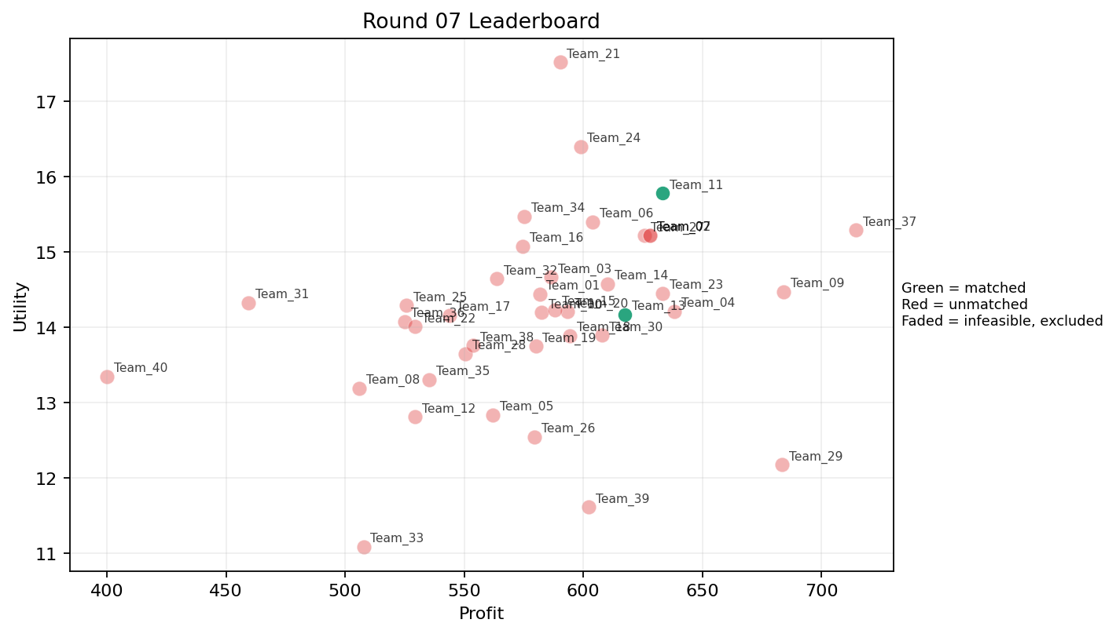
7 | 5 | Team_18 | Team_18 | 8 | N,C,J,O,A,F,L,H | FALSE | 594.48 | 13.884358297 | 2.758875 | 3.215375 | 2.569 | 2.40725 | 2.67625 | 0.25 | 2026-03-12T10:10:04 | FALSE | 0 |  | FALSE | infeasible | 0 | 0 | 0
7 | 6 | Team_26 | Team_26 | 3 | K,I,Q | FALSE | 579.46666667 | 12.541163696 | 2.2836666667 | 4.05 | 2.7566666667 | 1.9966666667 | 2.508 | 0.66666666667 | 2026-03-12T10:10:05 | FALSE | 0 |  | FALSE | infeasible | 0 | 709.36 | 8
7 | 7 | Team_11 | Team_11 | 3 | G,P,F | TRUE | 633.25333333 | 15.776508088 | 2.1023333333 | 2.797 | 2.0843333333 | 2.4876666667 | 3.337 | 0.33333333333 | 2026-03-12T10:10:06 | TRUE | 8 | 13, 21, 28, 49, 52, 53, 72, 8 | TRUE |  | 633.25333333 | 633.25333333 | 8
7 | 8 | Team_30 | Team_30 | 7 | C,E,Q,F,H,J,L | FALSE | 607.88571429 | 13.891187924 | 2.5504285714 | 3.6127142857 | 2.4014285714 | 2.6417142857 | 2.7491428571 | 0.42857142857 | 2026-03-12T10:10:07 | FALSE | 0 |  | FALSE | infeasible | 0 | 0 | 0
7 | 9 | Team_17 | Team_17 | 8 | C,I,O,M,N,J,B,Q | FALSE | 543.9 | 14.157326722 | 2.639125 | 3.1535 | 3.20125 | 2.075125 | 3.14525 | 0.25 | 2026-03-12T10:10:08 | FALSE | 0 |  | FALSE | infeasible | 0 | 551.44 | 8
7 | 10 | Team_19 | Team_19 | 6 | K,O,N,B,H,P | FALSE | 580.01333333 | 13.744059907 | 2.8053333333 | 2.7906666667 | 2.7498333333 | 1.9701666667 | 2.804 | 0.33333333333 | 2026-03-12T10:10:09 | FALSE | 0 |  | FALSE | infeasible | 0 | 1178.88 | 16
7 | 11 | Team_27 | Team_27 | 2 | M,G | FALSE | 625.56 | 15.213784683 | 1.8595 | 3.649 | 2.1805 | 1.7265 | 4.4485 | 0.5 | 2026-03-12T10:10:10 | FALSE | 0 |  | FALSE | infeasible | 0 | 0 | 0
7 | 12 | Team_33 | Team_33 | 2 | N,K | FALSE | 507.72 | 11.084775607 | 3.817 | 2.2975 | 3.6535 | 1.582 | 1.595 | 0.5 | 2026-03-12T10:10:11 | FALSE | 0 |  | FALSE | infeasible | 0 | 635.78285714 | 8
7 | 13 | Team_28 | Team_28 | 6 | C,D,G,N,P,B | FALSE | 550.49333333 | 13.643605911 | 3.42 | 2.14 | 3.1188333333 | 1.8768333333 | 2.783 | 0.16666666667 | 2026-03-12T10:10:12 | FALSE | 0 |  | FALSE | infeasible | 0 | 575.37 | 8
7 | 14 | Team_32 | Team_32 | 2 | H,B | FALSE | 563.68 | 14.642161823 | 2.632 | 3.1005 | 2.954 | 1.79 | 3.617 | 0 | 2026-03-12T10:10:13 | FALSE | 0 |  | FALSE | infeasible | 0 | 0 | 0
7 | 15 | Team_01 | Team_01 | 8 | Q,R,G,I,A,L,O,J | FALSE | 581.64 | 14.438948044 | 2.794625 | 2.887375 | 2.7295 | 2.603375 | 2.898625 | 0.375 | 2026-03-12T10:10:14 | FALSE | 0 |  | FALSE | infeasible | 0 | 0 | 0
7 | 16 | Team_04 | Team_04 | 5 | L,A,G,H,F | FALSE | 638.336 | 14.20780127 | 2.3056 | 3.5368 | 2.0208 | 2.2606 | 3.0958 | 0.4 | 2026-03-12T10:10:15 | FALSE | 0 |  | FALSE | infeasible | 0 | 520.048 | 8
7 | 17 | Team_06 | Team_06 | 5 | E,I,L,O,J | FALSE | 603.808 | 15.394894142 | 2.509 | 3.0412 | 2.4524 | 2.6974 | 3.5888 | 0.4 | 2026-03-12T10:10:16 | FALSE | 0 |  | FALSE | infeasible | 0 | 0 | 0
7 | 18 | Team_36 | Team_36 | 6 | K,J,N,E,F,B | FALSE | 524.89333333 | 14.070627397 | 3.0996666667 | 2.5668333333 | 3.4388333333 | 2.1548333333 | 3.1056666667 | 0.33333333333 | 2026-03-12T10:10:17 | FALSE | 0 |  | FALSE | infeasible | 0 | 0 | 0
7 | 19 | Team_13 | Team_13 | 8 | A,J,Q,L,D,O,P,F | TRUE | 617.61 | 14.17100415 | 2.59275 | 2.953 | 2.279875 | 2.438875 | 2.766875 | 0.5 | 2026-03-12T10:10:18 | TRUE | 8 | 20, 48, 5, 57, 61, 64, 77, 9 | TRUE |  | 617.61 | 1167.0614286 | 16
7 | 20 | Team_35 | Team_35 | 7 | K,R,C,I,J,B,A | FALSE | 535.40571429 | 13.305772212 | 3.5454285714 | 2.6457142857 | 3.3074285714 | 2.5868571429 | 2.4045714286 | 0.28571428571 | 2026-03-12T10:10:19 | FALSE | 0 |  | FALSE | infeasible | 0 | 0 | 0
7 | 21 | Team_03 | Team_03 | 7 | F,P,B,O,C,J,M | FALSE | 586.51428571 | 14.661330088 | 2.6202857143 | 3.0178571429 | 2.6685714286 | 2.4051428571 | 3.1517142857 | 0.28571428571 | 2026-03-12T10:10:20 | FALSE | 0 |  | FALSE | infeasible | 0 | 0 | 0
7 | 22 | Team_16 | Team_16 | 4 | H,N,M,I | FALSE | 574.58 | 15.075390733 | 1.76225 | 3.4665 | 2.81775 | 1.94975 | 3.3635 | 0.25 | 2026-03-12T10:10:21 | FALSE | 0 |  | FALSE | infeasible | 0 | 0 | 0
7 | 23 | Team_14 | Team_14 | 6 | Q,E,H,A,J,G | FALSE | 610.2 | 14.570911304 | 2.272 | 3.7835 | 2.3725 | 2.4611666667 | 3.5758333333 | 0.5 | 2026-03-12T10:10:22 | FALSE | 0 |  | FALSE | infeasible | 0 | 0 | 0
7 | 24 | Team_22 | Team_22 | 8 | F,R,A,D,O,B,M,N | FALSE | 529.31 | 14.005410404 | 2.766375 | 2.6235 | 3.383625 | 1.781375 | 2.976375 | 0.25 | 2026-03-12T10:10:23 | FALSE | 0 |  | FALSE | infeasible | 0 | 624.58666667 | 8
7 | 25 | Team_21 | Team_21 | 1 | J | FALSE | 590.24 | 17.517438723 | 4.056 | 1.218 | 2.622 | 4.627 | 3.21 | 0 | 2026-03-12T10:10:24 | FALSE | 0 |  | FALSE | infeasible | 0 | 0 | 0
7 | 26 | Team_25 | Team_25 | 6 | F,N,J,A,R,D | FALSE | 525.84 | 14.288641196 | 3.273 | 2.0223333333 | 3.427 | 2.4586666667 | 2.4168333333 | 0.16666666667 | 2026-03-12T10:10:25 | FALSE | 0 |  | FALSE | infeasible | 0 | 549.86666667 | 8
7 | 27 | Team_39 | Team_39 | 4 | K,C,A,G | FALSE | 602.3 | 11.609742217 | 3.327 | 3.8145 | 2.47125 | 2.004 | 2.51625 | 0.5 | 2026-03-12T10:10:26 | FALSE | 0 |  | FALSE | infeasible | 0 | 0 | 0
7 | 28 | Team_02 | Team_02 | 1 | O | FALSE | 627.92 | 15.218356739 | 1.479 | 4.371 | 2.151 | 1.405 | 4.4 | 0 | 2026-03-12T10:10:27 | FALSE | 0 |  | FALSE | infeasible | 0 | 0 | 0
7 | 29 | Team_07 | Team_07 | 1 | O | FALSE | 627.92 | 15.218356739 | 1.479 | 4.371 | 2.151 | 1.405 | 4.4 | 0 | 2026-03-12T10:10:28 | FALSE | 0 |  | FALSE | infeasible | 0 | 0 | 0
7 | 30 | Team_10 | Team_10 | 7 | Q,I,M,A,E,D,F | FALSE | 582.34285714 | 14.192718403 | 1.8091428571 | 3.8842857143 | 2.7207142857 | 1.8304285714 | 3.5015714286 | 0.57142857143 | 2026-03-12T10:10:29 | FALSE | 0 |  | FALSE | infeasible | 0 | 484.12 | 8
7 | 31 | Team_15 | Team_15 | 3 | O,Q,F | FALSE | 588.08 | 14.231715175 | 1.3906666667 | 4.4003333333 | 2.649 | 1.7353333333 | 3.2893333333 | 0.33333333333 | 2026-03-12T10:10:30 | FALSE | 0 |  | FALSE | infeasible | 0 | 0 | 0
7 | 32 | Team_37 | Team_37 | 1 | H | FALSE | 714.48 | 15.289670857 | 1.208 | 4.871 | 1.069 | 2.516 | 3.234 | 0 | 2026-03-12T10:10:31 | FALSE | 0 |  | FALSE | infeasible | 0 | 0 | 0
7 | 33 | Team_12 | Team_12 | 4 | F,C,B,Q | FALSE | 529.34 | 12.809154635 | 2.721 | 3.63275 | 3.38325 | 1.82025 | 2.6415 | 0.25 | 2026-03-12T10:10:32 | FALSE | 0 |  | FALSE | infeasible | 0 | 508.64 | 8
7 | 34 | Team_38 | Team_38 | 8 | D,G,I,A,R,O,B,K | FALSE | 553.73 | 13.754904085 | 3.05025 | 2.73225 | 3.078375 | 1.9095 | 3.0655 | 0.25 | 2026-03-12T10:10:33 | FALSE | 0 |  | FALSE | infeasible | 0 | 0 | 0
7 | 35 | Team_34 | Team_34 | 6 | E,N,H,I,M,J | FALSE | 575.2 | 15.472571835 | 2.135 | 3.2425 | 2.81 | 2.4175 | 3.6106666667 | 0.33333333333 | 2026-03-12T10:10:34 | FALSE | 0 |  | FALSE | infeasible | 0 | 528.34 | 8
7 | 36 | Team_31 | Team_31 | 3 | R,E,B | FALSE | 459.46666667 | 14.320898751 | 3.5383333333 | 1.908 | 4.2566666667 | 2.339 | 3.078 | 0.33333333333 | 2026-03-12T10:10:35 | FALSE | 0 |  | FALSE | infeasible | 0 | 0 | 0
7 | 37 | Team_29 | Team_29 | 1 | L | FALSE | 683.36 | 12.172810784 | 4.056 | 1.628 | 1.458 | 3.053 | 1.234 | 1 | 2026-03-12T10:10:36 | FALSE | 0 |  | FALSE | infeasible | 0 | 0 | 0
7 | 38 | Team_24 | Team_24 | 4 | J,O,I,G | FALSE | 598.82 | 16.399233671 | 2.37225 | 3.0335 | 2.51475 | 2.53775 | 4.12175 | 0 | 2026-03-12T10:10:37 | FALSE | 0 |  | FALSE | infeasible | 0 | 484 | 8
7 | 39 | Team_05 | Team_05 | 7 | K,Q,M,R,A,N,H | FALSE | 561.89714286 | 12.830989458 | 2.6668571429 | 3.3105714286 | 2.9762857143 | 2.1371428571 | 2.2874285714 | 0.57142857143 | 2026-03-12T10:10:38 | FALSE | 0 |  | FALSE | infeasible | 0 | 1174.42 | 16
7 | 40 | Team_40 | Team_40 | 1 | N | FALSE | 400.08 | 13.346591718 | 3.578 | 1.006 | 4.999 | 1.303 | 2 | 0 | 2026-03-12T10:10:39 | FALSE | 0 |  | FALSE | infeasible | 0 | 1301.76 | 16

Round 08
Round 08 Summary

run_no | market_capacity | solver | team_count | eligible_team_count | user_pool_count | infeasible_excluded_count | matched_user_count | unmatched_user_count | user_match_rate | feasible_submission_count | total_profit | total_utility | avg_profit | avg_utility | Team Product Assignments | round_realized_profit_total
8 | 8 | market_demand_v1 | 40 | 4 | 85 | 36 | 32 | 53 | 0.3765 | 4 | 23146.45 | 571.85067755 | 578.66125 | 14.296266939 | run_no | team_product | assigned_count | capacity | remaining_capacity | assigned_users
 |  |  |  |  |  |  |  |  |  |  |  |  |  |  | 8 | Team_01 | 8 | 8 | 0 | 16, 28, 82, 39, 49, 8, 21, 47
Leaderboard Rows |  |  |  |  |  |  |  |  |  |  |  |  |  |  | 8 | Team_04 | 8 | 8 | 0 | 7, 12, 11, 30, 44, 27, 53, 13
run_no | submission_order | team | player_name | num_suppliers | selected_suppliers | feasible | profit | utility | env_avg | social_avg | cost_avg | strategic_avg | improvement_avg | low_quality_avg | 8 | Team_29 | 8 | 8 | 0 | 41, 17, 67, 66, 50, 72, 10, 65 | realized_profit_round | cumulative_profit | cumulative_matched_users
8 | 1 | Team_01 | Team_01 | 5 | E,P,N,F,G | TRUE | 572.496 | 15.138509067 | 2.318 | 2.7536 | 2.8438 | 2.169 | 3.4022 | 0.4 | 8 | Team_31 | 8 | 8 | 0 | 15, 2, 69, 70, 83, 32, 62, 48 | 572.496 | 572.496 | 8
8 | 2 | Team_04 | Team_04 | 6 | P,G,I,N,J,M | TRUE | 584.28 | 15.68886046 | 2.5095 | 2.4528333333 | 2.6965 | 2.563 | 3.3678333333 | 0.33333333333 | 2026-03-12T10:20:01 | TRUE | 8 | 11, 12, 13, 27, 30, 44, 53, 7 | TRUE |  | 584.28 | 1104.328 | 16
8 | 3 | Team_17 | Team_17 | 2 | G,N | FALSE | 511.16 | 14.579147917 | 3.1415 | 1.9665 | 3.6105 | 1.5495 | 3.3885 | 0 | 2026-03-12T10:20:02 | FALSE | 0 |  | FALSE | infeasible | 0 | 551.44 | 8
8 | 4 | Team_38 | Team_38 | 2 | E,K | FALSE | 589 | 11.919694425 | 2.8805 | 3.98 | 2.6375 | 1.97 | 3.095 | 1 | 2026-03-12T10:20:03 | FALSE | 0 |  | FALSE | infeasible | 0 | 0 | 0
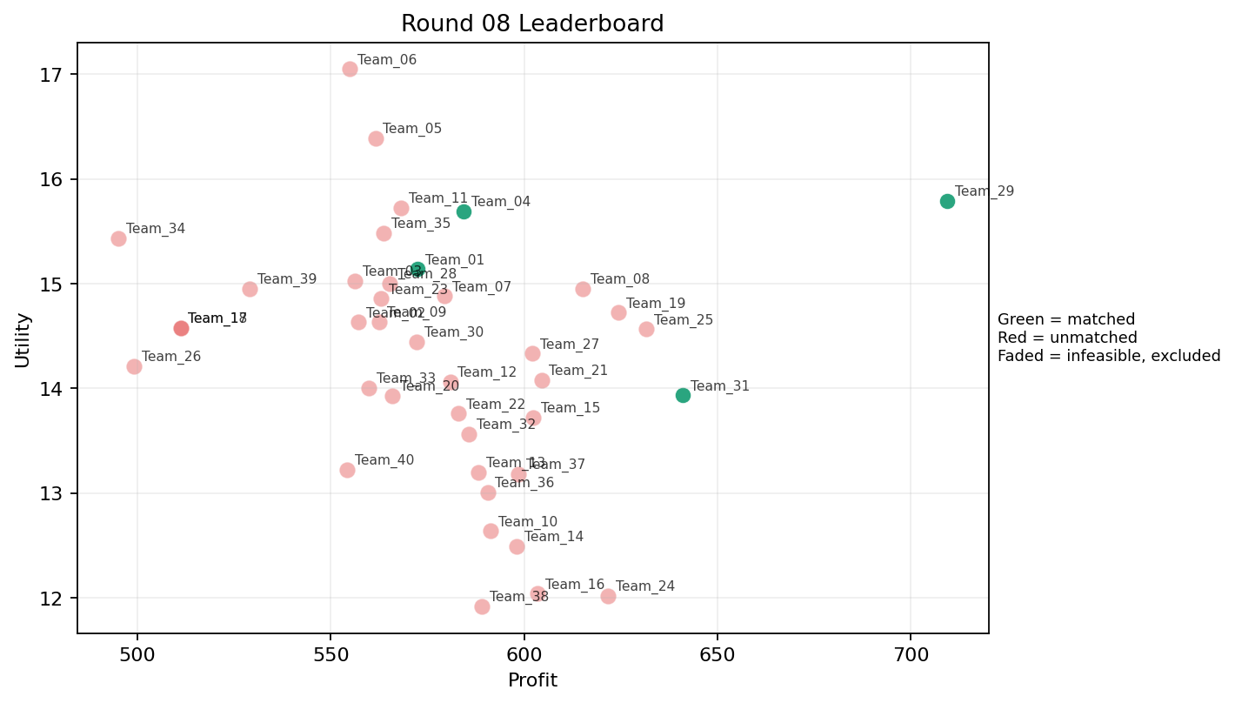
8 | 5 | Team_07 | Team_07 | 4 | E,B,O,H | FALSE | 579.48 | 14.879777435 | 2.112 | 3.73575 | 2.7565 | 1.766 | 4.1585 | 0.25 | 2026-03-12T10:20:04 | FALSE | 0 |  | FALSE | infeasible | 0 | 0 | 0
8 | 6 | Team_36 | Team_36 | 4 | A,E,C,O | FALSE | 590.54 | 13.009772837 | 2.43275 | 4.371 | 2.61825 | 1.96075 | 3.3745 | 0.5 | 2026-03-12T10:20:05 | FALSE | 0 |  | FALSE | infeasible | 0 | 0 | 0
8 | 7 | Team_39 | Team_39 | 6 | N,R,I,G,A,J | FALSE | 528.96 | 14.952652011 | 3.1423333333 | 2.1938333333 | 3.388 | 2.6443333333 | 2.8868333333 | 0.16666666667 | 2026-03-12T10:20:06 | FALSE | 0 |  | FALSE | infeasible | 0 | 0 | 0
8 | 8 | Team_34 | Team_34 | 2 | J,N | FALSE | 495.16 | 15.432015221 | 3.817 | 1.112 | 3.8105 | 2.965 | 2.605 | 0 | 2026-03-12T10:20:07 | FALSE | 0 |  | FALSE | infeasible | 0 | 528.34 | 8
8 | 9 | Team_13 | Team_13 | 8 | K,O,D,N,L,A,E,G | FALSE | 588.16 | 13.197420316 | 2.94775 | 2.9865 | 2.648 | 1.80625 | 3.053 | 0.5 | 2026-03-12T10:20:08 | FALSE | 0 |  | FALSE | infeasible | 0 | 1167.0614286 | 16
8 | 10 | Team_31 | Team_31 | 4 | P,L,F,A | TRUE | 641.08 | 13.932439806 | 2.5175 | 2.86575 | 1.9865 | 2.66575 | 2.367 | 0.75 | 2026-03-12T10:20:09 | TRUE | 8 | 15, 2, 32, 48, 62, 69, 70, 83 | TRUE |  | 641.08 | 641.08 | 8
8 | 11 | Team_30 | Team_30 | 7 | R,B,M,P,H,Q,F | FALSE | 572.11428571 | 14.445817091 | 2.3257142857 | 3.0002857143 | 2.8485714286 | 2.3691428571 | 2.7222857143 | 0.42857142857 | 2026-03-12T10:20:10 | FALSE | 0 |  | FALSE | infeasible | 0 | 0 | 0
8 | 12 | Team_35 | Team_35 | 4 | B,M,G,J | FALSE | 563.56 | 15.48491522 | 2.95775 | 2.4615 | 2.9555 | 2.286 | 4.02675 | 0.25 | 2026-03-12T10:20:11 | FALSE | 0 |  | FALSE | infeasible | 0 | 0 | 0
8 | 13 | Team_03 | Team_03 | 5 | F,G,O,E,N | FALSE | 556.208 | 15.023754846 | 2.1228 | 3.3124 | 3.0474 | 1.7156 | 3.8822 | 0.2 | 2026-03-12T10:20:12 | FALSE | 0 |  | FALSE | infeasible | 0 | 0 | 0
8 | 14 | Team_16 | Team_16 | 1 | A | FALSE | 603.44 | 12.039128291 | 2.412 | 4.371 | 2.457 | 1.943 | 3 | 1 | 2026-03-12T10:20:13 | FALSE | 0 |  | FALSE | infeasible | 0 | 0 | 0
8 | 15 | Team_22 | Team_22 | 5 | M,H,Q,D,B | FALSE | 582.928 | 13.760533482 | 2.283 | 3.4288 | 2.7134 | 1.6106 | 3.2822 | 0.4 | 2026-03-12T10:20:14 | FALSE | 0 |  | FALSE | infeasible | 0 | 624.58666667 | 8
8 | 16 | Team_08 | Team_08 | 4 | I,Q,P,O | FALSE | 615.08 | 14.952754044 | 1.68225 | 3.62725 | 2.3115 | 2.3015 | 3.1835 | 0.5 | 2026-03-12T10:20:15 | FALSE | 0 |  | FALSE | infeasible | 0 | 1205.088 | 16
8 | 17 | Team_20 | Team_20 | 5 | M,K,R,O,I | FALSE | 565.984 | 13.931646141 | 2.5304 | 3.1944 | 2.9252 | 2.224 | 2.8088 | 0.4 | 2026-03-12T10:20:16 | FALSE | 0 |  | FALSE | infeasible | 0 | 535.76 | 8
8 | 18 | Team_32 | Team_32 | 6 | D,H,I,R,C,L | FALSE | 585.66666667 | 13.563348309 | 3.1821666667 | 2.69 | 2.6791666667 | 2.532 | 2.1205 | 0.16666666667 | 2026-03-12T10:20:17 | FALSE | 0 |  | FALSE | infeasible | 0 | 0 | 0
8 | 19 | Team_33 | Team_33 | 7 | N,K,J,I,C,G,F | FALSE | 559.87428571 | 14.005571204 | 2.9894285714 | 2.9451428571 | 3.0015714286 | 2.3315714286 | 2.8012857143 | 0.14285714286 | 2026-03-12T10:20:18 | FALSE | 0 |  | FALSE | infeasible | 0 | 635.78285714 | 8
8 | 20 | Team_25 | Team_25 | 5 | L,H,F,E,M | FALSE | 631.504 | 14.56409371 | 1.826 | 3.8256 | 2.1062 | 2.26 | 3.3644 | 0.6 | 2026-03-12T10:20:19 | FALSE | 0 |  | FALSE | infeasible | 0 | 549.86666667 | 8
8 | 21 | Team_18 | Team_18 | 2 | G,N | FALSE | 511.16 | 14.579147917 | 3.1415 | 1.9665 | 3.6105 | 1.5495 | 3.3885 | 0 | 2026-03-12T10:20:20 | FALSE | 0 |  | FALSE | infeasible | 0 | 0 | 0
8 | 22 | Team_14 | Team_14 | 2 | O,C | FALSE | 598.04 | 12.491766852 | 2.807 | 4.371 | 2.5245 | 1.9105 | 2.749 | 0 | 2026-03-12T10:20:21 | FALSE | 0 |  | FALSE | infeasible | 0 | 0 | 0
8 | 23 | Team_40 | Team_40 | 4 | L,E,Q,R | FALSE | 554.26 | 13.222987683 | 3.04025 | 2.74125 | 3.07175 | 2.703 | 2.1755 | 0.75 | 2026-03-12T10:20:22 | FALSE | 0 |  | FALSE | infeasible | 0 | 1301.76 | 16
8 | 24 | Team_28 | Team_28 | 3 | H,F,B | FALSE | 565.17333333 | 15.00333865 | 2.137 | 3.3626666667 | 2.9353333333 | 1.8583333333 | 3.4893333333 | 0 | 2026-03-12T10:20:23 | FALSE | 0 |  | FALSE | infeasible | 0 | 575.37 | 8
8 | 25 | Team_37 | Team_37 | 2 | M,Q | FALSE | 598.52 | 13.183480867 | 1.28 | 4.657 | 2.5185 | 1.7315 | 3.177 | 1 | 2026-03-12T10:20:24 | FALSE | 0 |  | FALSE | infeasible | 0 | 0 | 0
8 | 26 | Team_11 | Team_11 | 1 | F | FALSE | 568.16 | 15.725692303 | 1.147 | 3.887 | 2.898 | 1.995 | 3.234 | 0 | 2026-03-12T10:20:25 | FALSE | 0 |  | FALSE | infeasible | 0 | 633.25333333 | 8
8 | 27 | Team_24 | Team_24 | 2 | K,O | FALSE | 621.64 | 12.020658117 | 2.7675 | 3.98 | 2.2295 | 1.633 | 2.795 | 0.5 | 2026-03-12T10:20:26 | FALSE | 0 |  | FALSE | infeasible | 0 | 484 | 8
8 | 28 | Team_12 | Team_12 | 4 | B,O,H,Q | FALSE | 580.86 | 14.063444217 | 2.07225 | 3.87875 | 2.73925 | 1.69775 | 3.467 | 0.25 | 2026-03-12T10:20:27 | FALSE | 0 |  | FALSE | infeasible | 0 | 508.64 | 8
8 | 29 | Team_23 | Team_23 | 8 | F,E,M,I,R,J,O,C | FALSE | 562.97 | 14.857501069 | 2.454875 | 3.27875 | 2.962875 | 2.547 | 3.1745 | 0.25 | 2026-03-12T10:20:28 | FALSE | 0 |  | FALSE | infeasible | 0 | 605.52 | 8
8 | 30 | Team_29 | Team_29 | 1 | P | TRUE | 709.36 | 15.792127845 | 2.455 | 1.577 | 1.133 | 3.672 | 2 | 1 | 2026-03-12T10:20:29 | TRUE | 8 | 10, 17, 41, 50, 65, 66, 67, 72 | TRUE |  | 709.36 | 709.36 | 8
8 | 31 | Team_21 | Team_21 | 8 | E,J,O,H,L,M,B,K | FALSE | 604.47 | 14.081022999 | 2.70375 | 3.218625 | 2.444125 | 2.28275 | 3.2985 | 0.5 | 2026-03-12T10:20:30 | FALSE | 0 |  | FALSE | infeasible | 0 | 0 | 0
8 | 32 | Team_26 | Team_26 | 4 | J,N,R,A | FALSE | 499.16 | 14.213693211 | 3.725 | 1.6545 | 3.7605 | 2.93675 | 2.111 | 0.25 | 2026-03-12T10:20:31 | FALSE | 0 |  | FALSE | infeasible | 0 | 709.36 | 8
8 | 33 | Team_15 | Team_15 | 7 | I,K,L,O,A,E,F | FALSE | 602.25142857 | 13.720687439 | 2.3005714286 | 3.6907142857 | 2.4718571429 | 2.0941428571 | 3.1654285714 | 0.57142857143 | 2026-03-12T10:20:32 | FALSE | 0 |  | FALSE | infeasible | 0 | 0 | 0
8 | 34 | Team_05 | Team_05 | 2 | I,F | FALSE | 561.52 | 16.387563706 | 1.198 | 3.7525 | 2.981 | 2.159 | 3.667 | 0 | 2026-03-12T10:20:33 | FALSE | 0 |  | FALSE | infeasible | 0 | 1174.42 | 16
8 | 35 | Team_27 | Team_27 | 6 | D,I,C,P,E,O | FALSE | 602.2 | 14.33215134 | 2.4356666667 | 3.3228333333 | 2.4725 | 2.1508333333 | 3.2368333333 | 0.33333333333 | 2026-03-12T10:20:34 | FALSE | 0 |  | FALSE | infeasible | 0 | 0 | 0
8 | 36 | Team_06 | Team_06 | 1 | I | FALSE | 554.88 | 17.049435108 | 1.249 | 3.618 | 3.064 | 2.323 | 4.1 | 0 | 2026-03-12T10:20:35 | FALSE | 0 |  | FALSE | infeasible | 0 | 0 | 0
8 | 37 | Team_02 | Team_02 | 5 | G,I,R,K,J | FALSE | 557.12 | 14.63063031 | 3.384 | 2.275 | 3.036 | 2.8962 | 2.7022 | 0.2 | 2026-03-12T10:20:36 | FALSE | 0 |  | FALSE | infeasible | 0 | 0 | 0
8 | 38 | Team_10 | Team_10 | 3 | I,A,K | FALSE | 591.22666667 | 12.637174298 | 2.5723333333 | 3.8593333333 | 2.6096666667 | 2.0423333333 | 2.7633333333 | 0.66666666667 | 2026-03-12T10:20:37 | FALSE | 0 |  | FALSE | infeasible | 0 | 484.12 | 8
8 | 39 | Team_09 | Team_09 | 8 | B,A,E,N,P,O,I,M | FALSE | 562.51 | 14.634073387 | 2.2435 | 3.126875 | 2.968625 | 1.93075 | 3.5775 | 0.5 | 2026-03-12T10:20:38 | FALSE | 0 |  | FALSE | infeasible | 0 | 1108.32 | 16
8 | 40 | Team_19 | Team_19 | 3 | H,F,D | FALSE | 624.29333333 | 14.722248397 | 1.982 | 3.4623333333 | 2.1963333333 | 1.8403333333 | 3.097 | 0 | 2026-03-12T10:20:39 | FALSE | 0 |  | FALSE | infeasible | 0 | 1178.88 | 16

Round 09
Round 09 Summary

run_no | market_capacity | solver | team_count | eligible_team_count | user_pool_count | infeasible_excluded_count | matched_user_count | unmatched_user_count | user_match_rate | feasible_submission_count | total_profit | total_utility | avg_profit | avg_utility | Team Product Assignments | round_realized_profit_total
9 | 8 | market_demand_v1 | 40 | 7 | 85 | 33 | 56 | 29 | 0.6588 | 7 | 23692.886667 | 555.51670665 | 592.32216667 | 13.887917666 | run_no | team_product | assigned_count | capacity | remaining_capacity | assigned_users
 |  |  |  |  |  |  |  |  |  |  |  |  |  |  | 9 | Team_02 | 8 | 8 | 0 | 17, 65, 41, 11, 9, 28, 49, 47
Leaderboard Rows |  |  |  |  |  |  |  |  |  |  |  |  |  |  | 9 | Team_04 | 8 | 8 | 0 | 2, 69, 16, 83, 61, 38, 68, 82
run_no | submission_order | team | player_name | num_suppliers | selected_suppliers | feasible | profit | utility | env_avg | social_avg | cost_avg | strategic_avg | improvement_avg | low_quality_avg | 9 | Team_05 | 8 | 8 | 0 | 15, 20, 75, 32, 70, 76, 6, 5 | realized_profit_round | cumulative_profit | cumulative_matched_users
9 | 1 | Team_27 | Team_27 | 8 | B,F,L,A,C,D,I,M | FALSE | 576.25 | 13.56426794 | 2.7075 | 3.150625 | 2.796875 | 1.932625 | 2.951125 | 0.375 | 9 | Team_16 | 8 | 8 | 0 | 7, 27, 13, 53, 39, 44, 8, 30 | 0 | 0 | 0
9 | 2 | Team_11 | Team_11 | 4 | F,Q,D,H | FALSE | 610.26 | 13.979460418 | 1.873 | 3.8325 | 2.37175 | 1.83175 | 2.88125 | 0.25 | 9 | Team_18 | 8 | 8 | 0 | 72, 23, 62, 56, 34, 73, 79, 78 | 0 | 633.25333333 | 8
9 | 3 | Team_22 | Team_22 | 1 | N | FALSE | 400.08 | 13.346591718 | 3.578 | 1.006 | 4.999 | 1.303 | 2 | 0 | 9 | Team_31 | 8 | 8 | 0 | 67, 66, 80, 46, 50, 77, 42, 52 | 0 | 624.58666667 | 8
9 | 4 | Team_21 | Team_21 | 2 | C,O | FALSE | 598.04 | 12.491766852 | 2.807 | 4.371 | 2.5245 | 1.9105 | 2.749 | 0 | 9 | Team_37 | 8 | 8 | 0 | 12, 64, 21, 48, 43, 54, 10, 45 | 0 | 0 | 0
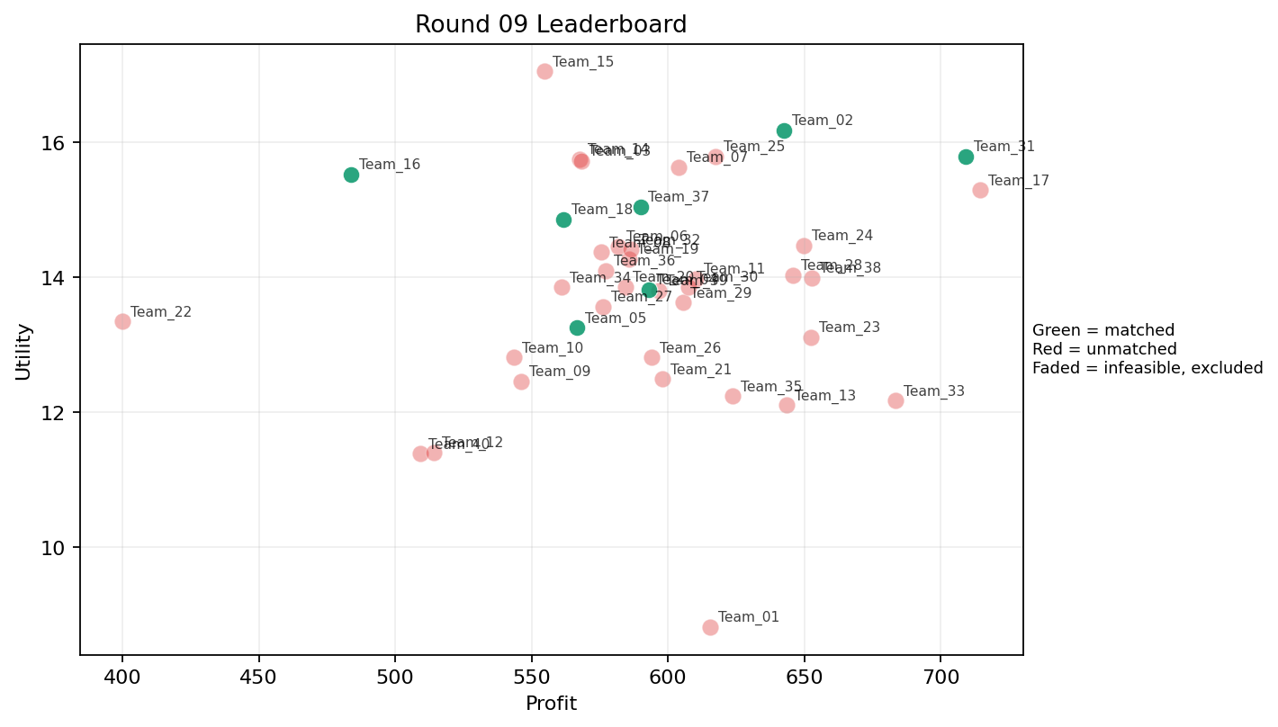
9 | 5 | Team_26 | Team_26 | 5 | D,K,Q,F,M | FALSE | 594.16 | 12.813399113 | 2.2708 | 3.6838 | 2.573 | 1.6658 | 2.7202 | 0.6 | 2026-03-12T10:30:04 | FALSE | 0 |  | FALSE | infeasible | 0 | 709.36 | 8
9 | 6 | Team_35 | Team_35 | 5 | L,K,G,C,M | FALSE | 623.6 | 12.237703322 | 3.1932 | 3.3772 | 2.205 | 2.1566 | 2.4838 | 0.6 | 2026-03-12T10:30:05 | FALSE | 0 |  | FALSE | infeasible | 0 | 0 | 0
9 | 7 | Team_29 | Team_29 | 6 | N,M,H,L,K,J | FALSE | 605.4 | 13.627556138 | 2.9946666667 | 2.7805 | 2.4325 | 2.5028333333 | 2.498 | 0.5 | 2026-03-12T10:30:06 | FALSE | 0 |  | FALSE | infeasible | 0 | 709.36 | 8
9 | 8 | Team_19 | Team_19 | 4 | H,G,R,A | FALSE | 585.76 | 14.273029343 | 2.79475 | 3.048 | 2.678 | 2.53225 | 2.81125 | 0.25 | 2026-03-12T10:30:07 | FALSE | 0 |  | FALSE | infeasible | 0 | 1178.88 | 16
9 | 9 | Team_01 | Team_01 | 1 | K | FALSE | 615.36 | 8.8229594953 | 4.056 | 3.589 | 2.308 | 1.861 | 1.19 | 1 | 2026-03-12T10:30:08 | FALSE | 0 |  | FALSE | infeasible | 0 | 572.496 | 8
9 | 10 | Team_10 | Team_10 | 4 | I,N,A,K | FALSE | 543.44 | 12.814528653 | 2.82375 | 3.146 | 3.207 | 1.8575 | 2.5725 | 0.5 | 2026-03-12T10:30:09 | FALSE | 0 |  | FALSE | infeasible | 0 | 484.12 | 8
9 | 11 | Team_07 | Team_07 | 3 | M,O,I | FALSE | 603.89333333 | 15.627885699 | 1.2473333333 | 4.12 | 2.4513333333 | 1.795 | 4.2066666667 | 0.33333333333 | 2026-03-12T10:30:10 | FALSE | 0 |  | FALSE | infeasible | 0 | 0 | 0
9 | 12 | Team_31 | Team_31 | 1 | P | TRUE | 709.36 | 15.792127845 | 2.455 | 1.577 | 1.133 | 3.672 | 2 | 1 | 2026-03-12T10:30:11 | TRUE | 8 | 42, 46, 50, 52, 66, 67, 77, 80 | TRUE |  | 709.36 | 1350.44 | 16
9 | 13 | Team_30 | Team_30 | 8 | H,G,L,B,Q,M,A,O | FALSE | 607.67 | 13.861660664 | 2.3095 | 3.6015 | 2.404125 | 1.905 | 3.374875 | 0.5 | 2026-03-12T10:30:12 | FALSE | 0 |  | FALSE | infeasible | 0 | 0 | 0
9 | 14 | Team_39 | Team_39 | 6 | J,H,L,K,E,B | FALSE | 596.49333333 | 13.802327001 | 3.1895 | 2.8345 | 2.5438333333 | 2.5333333333 | 2.978 | 0.5 | 2026-03-12T10:30:13 | FALSE | 0 |  | FALSE | infeasible | 0 | 0 | 0
9 | 15 | Team_09 | Team_09 | 4 | E,R,K,A | FALSE | 546.08 | 12.457532813 | 3.25675 | 3.0885 | 3.174 | 2.43925 | 2.356 | 0.75 | 2026-03-12T10:30:14 | FALSE | 0 |  | FALSE | infeasible | 0 | 1108.32 | 16
9 | 16 | Team_36 | Team_36 | 5 | P,C,B,O,F | FALSE | 577.296 | 14.099201328 | 2.6544 | 3.1072 | 2.7838 | 2.1104 | 2.9464 | 0.2 | 2026-03-12T10:30:15 | FALSE | 0 |  | FALSE | infeasible | 0 | 0 | 0
9 | 17 | Team_02 | Team_02 | 3 | J,O,P | TRUE | 642.50666667 | 16.175974436 | 2.6633333333 | 2.3886666667 | 1.9686666667 | 3.2346666667 | 3.2033333333 | 0.33333333333 | 2026-03-12T10:30:16 | TRUE | 8 | 11, 17, 28, 41, 47, 49, 65, 9 | TRUE |  | 642.50666667 | 642.50666667 | 8
9 | 18 | Team_17 | Team_17 | 1 | H | FALSE | 714.48 | 15.289670857 | 1.208 | 4.871 | 1.069 | 2.516 | 3.234 | 0 | 2026-03-12T10:30:17 | FALSE | 0 |  | FALSE | infeasible | 0 | 551.44 | 8
9 | 19 | Team_05 | Team_05 | 6 | I,A,Q,N,L,D | TRUE | 566.69333333 | 13.251740736 | 2.7386666667 | 2.8658333333 | 2.9163333333 | 1.9063333333 | 2.5651666667 | 0.5 | 2026-03-12T10:30:18 | TRUE | 8 | 15, 20, 32, 5, 6, 70, 75, 76 | TRUE |  | 566.69333333 | 1741.1133333 | 24
9 | 20 | Team_14 | Team_14 | 3 | R,J,P | FALSE | 567.49333333 | 15.753726893 | 3.7883333333 | 0.93933333333 | 2.9063333333 | 4.0576666667 | 1.8146666667 | 0.33333333333 | 2026-03-12T10:30:19 | FALSE | 0 |  | FALSE | infeasible | 0 | 0 | 0
9 | 21 | Team_03 | Team_03 | 1 | F | FALSE | 568.16 | 15.725692303 | 1.147 | 3.887 | 2.898 | 1.995 | 3.234 | 0 | 2026-03-12T10:30:20 | FALSE | 0 |  | FALSE | infeasible | 0 | 0 | 0
9 | 22 | Team_38 | Team_38 | 2 | G,L | FALSE | 652.8 | 13.99225745 | 3.3805 | 2.2775 | 1.84 | 2.4245 | 3.0055 | 0.5 | 2026-03-12T10:30:21 | FALSE | 0 |  | FALSE | infeasible | 0 | 0 | 0
9 | 23 | Team_28 | Team_28 | 5 | H,K,E,O,P | FALSE | 645.952 | 14.027908858 | 2.1806 | 3.7558 | 1.9256 | 2.3066 | 3.1648 | 0.6 | 2026-03-12T10:30:22 | FALSE | 0 |  | FALSE | infeasible | 0 | 575.37 | 8
9 | 24 | Team_08 | Team_08 | 8 | Q,N,M,G,R,L,J,P | FALSE | 575.65 | 14.369906129 | 3.033 | 2.211625 | 2.804375 | 2.7235 | 2.476125 | 0.5 | 2026-03-12T10:30:23 | FALSE | 0 |  | FALSE | infeasible | 0 | 1205.088 | 16
9 | 25 | Team_40 | Team_40 | 2 | K,R | FALSE | 509.12 | 11.387286803 | 4.455 | 1.806 | 3.636 | 2.8675 | 0.712 | 0.5 | 2026-03-12T10:30:24 | FALSE | 0 |  | FALSE | infeasible | 0 | 1301.76 | 16
9 | 26 | Team_13 | Team_13 | 2 | L,A | FALSE | 643.4 | 12.105969538 | 3.234 | 2.9995 | 1.9575 | 2.498 | 2.117 | 1 | 2026-03-12T10:30:25 | FALSE | 0 |  | FALSE | infeasible | 0 | 1167.0614286 | 16
9 | 27 | Team_04 | Team_04 | 5 | N,P,A,L,F | TRUE | 592.88 | 13.815270188 | 2.7296 | 2.4938 | 2.589 | 2.3932 | 2.2936 | 0.6 | 2026-03-12T10:30:26 | TRUE | 8 | 16, 2, 38, 61, 68, 69, 82, 83 | TRUE |  | 592.88 | 1697.208 | 24
9 | 28 | Team_37 | Team_37 | 4 | O,P,N,G | TRUE | 589.9 | 15.042195104 | 2.55425 | 2.47025 | 2.62625 | 2.044 | 3.29425 | 0.25 | 2026-03-12T10:30:27 | TRUE | 8 | 10, 12, 21, 43, 45, 48, 54, 64 | TRUE |  | 589.9 | 589.9 | 8
9 | 29 | Team_25 | Team_25 | 4 | M,O,J,G | FALSE | 617.32 | 15.790841207 | 2.3135 | 3.22175 | 2.2835 | 2.37125 | 4.12675 | 0.25 | 2026-03-12T10:30:28 | FALSE | 0 |  | FALSE | infeasible | 0 | 549.86666667 | 8
9 | 30 | Team_34 | Team_34 | 7 | I,A,G,B,H,K,R | FALSE | 560.88 | 13.851309252 | 2.9342857143 | 2.9612857143 | 2.989 | 2.1967142857 | 2.9335714286 | 0.28571428571 | 2026-03-12T10:30:29 | FALSE | 0 |  | FALSE | infeasible | 0 | 528.34 | 8
9 | 31 | Team_23 | Team_23 | 3 | O,K,H | FALSE | 652.58666667 | 13.11032903 | 2.2476666667 | 4.277 | 1.8426666667 | 1.9273333333 | 2.9413333333 | 0.33333333333 | 2026-03-12T10:30:30 | FALSE | 0 |  | FALSE | infeasible | 0 | 605.52 | 8
9 | 32 | Team_12 | Team_12 | 2 | B,K | FALSE | 514.12 | 11.408806142 | 4.056 | 2.4595 | 3.5735 | 1.4625 | 2.595 | 0.5 | 2026-03-12T10:30:31 | FALSE | 0 |  | FALSE | infeasible | 0 | 508.64 | 8
9 | 33 | Team_20 | Team_20 | 8 | M,P,G,C,E,I,K,B | FALSE | 584.3 | 13.858543865 | 2.671875 | 3.26925 | 2.69625 | 2.1085 | 3.285625 | 0.5 | 2026-03-12T10:30:32 | FALSE | 0 |  | FALSE | infeasible | 0 | 535.76 | 8
9 | 34 | Team_16 | Team_16 | 2 | I,B | TRUE | 483.88 | 15.522043949 | 2.6525 | 2.474 | 3.9515 | 1.6935 | 4.05 | 0 | 2026-03-12T10:30:33 | TRUE | 8 | 13, 27, 30, 39, 44, 53, 7, 8 | TRUE |  | 483.88 | 483.88 | 8
9 | 35 | Team_24 | Team_24 | 2 | P,D | FALSE | 649.8 | 14.471754938 | 3.023 | 1.603 | 1.8775 | 2.341 | 2.4115 | 0.5 | 2026-03-12T10:30:34 | FALSE | 0 |  | FALSE | infeasible | 0 | 484 | 8
9 | 36 | Team_33 | Team_33 | 1 | L | FALSE | 683.36 | 12.172810784 | 4.056 | 1.628 | 1.458 | 3.053 | 1.234 | 1 | 2026-03-12T10:30:35 | FALSE | 0 |  | FALSE | infeasible | 0 | 635.78285714 | 8
9 | 37 | Team_06 | Team_06 | 5 | C,O,J,B,P | FALSE | 581.712 | 14.457550612 | 3.2362 | 2.5734 | 2.7286 | 2.6368 | 2.9416 | 0.2 | 2026-03-12T10:30:36 | FALSE | 0 |  | FALSE | infeasible | 0 | 0 | 0
9 | 38 | Team_15 | Team_15 | 1 | I | FALSE | 554.88 | 17.049435108 | 1.249 | 3.618 | 3.064 | 2.323 | 4.1 | 0 | 2026-03-12T10:30:37 | FALSE | 0 |  | FALSE | infeasible | 0 | 0 | 0
9 | 39 | Team_18 | Team_18 | 8 | B,F,O,D,M,P,N,I | TRUE | 561.55 | 14.861762973 | 2.321125 | 2.723625 | 2.980625 | 1.803625 | 3.334625 | 0.25 | 2026-03-12T10:30:38 | TRUE | 8 | 23, 34, 56, 62, 72, 73, 78, 79 | TRUE |  | 561.55 | 561.55 | 8
9 | 40 | Team_32 | Team_32 | 7 | R,J,I,L,Q,D,H | FALSE | 586.32 | 14.411921157 | 2.9371428571 | 2.5614285714 | 2.671 | 2.7441428571 | 2.4384285714 | 0.28571428571 | 2026-03-12T10:30:39 | FALSE | 0 |  | FALSE | infeasible | 0 | 0 | 0

Round 10
Round 10 Summary

run_no | market_capacity | solver | team_count | eligible_team_count | user_pool_count | infeasible_excluded_count | matched_user_count | unmatched_user_count | user_match_rate | feasible_submission_count | total_profit | total_utility | avg_profit | avg_utility | Team Product Assignments | round_realized_profit_total
10 | 8 | market_demand_v1 | 40 | 8 | 85 | 32 | 64 | 21 | 0.7529 | 8 | 23190.43381 | 568.73620542 | 579.76084524 | 14.218405136 | run_no | team_product | assigned_count | capacity | remaining_capacity | assigned_users
 |  |  |  |  |  |  |  |  |  |  |  |  |  |  | 10 | Team_01 | 8 | 8 | 0 | 67, 30, 21, 11, 56, 45, 62, 1
Leaderboard Rows |  |  |  |  |  |  |  |  |  |  |  |  |  |  | 10 | Team_02 | 8 | 8 | 0 | 82, 4, 37, 71, 3, 50, 79, 26
run_no | submission_order | team | player_name | num_suppliers | selected_suppliers | feasible | profit | utility | env_avg | social_avg | cost_avg | strategic_avg | improvement_avg | low_quality_avg | 10 | Team_06 | 8 | 8 | 0 | 27, 53, 44, 47, 8, 52, 54, 78 | realized_profit_round | cumulative_profit | cumulative_matched_users
10 | 1 | Team_11 | Team_11 | 3 | R,P,M | FALSE | 580.37333333 | 14.786535735 | 2.7743333333 | 1.9903333333 | 2.7453333333 | 3.0676666667 | 2.118 | 0.66666666667 | 10 | Team_08 | 8 | 8 | 0 | 39, 7, 49, 41, 12, 51, 9, 43 | 0 | 633.25333333 | 8
10 | 2 | Team_26 | Team_26 | 8 | I,Q,G,C,B,H,L,K | FALSE | 592.44 | 13.082188325 | 2.876375 | 3.409625 | 2.5945 | 2.104375 | 2.733375 | 0.375 | 10 | Team_10 | 8 | 8 | 0 | 75, 32, 42, 73, 85, 33, 57, 34 | 0 | 709.36 | 8
10 | 3 | Team_36 | Team_36 | 1 | L | FALSE | 683.36 | 12.172810784 | 4.056 | 1.628 | 1.458 | 3.053 | 1.234 | 1 | 10 | Team_16 | 8 | 8 | 0 | 77, 61, 2, 38, 64, 15, 19, 69 | 0 | 0 | 0
10 | 4 | Team_32 | Team_32 | 2 | Q,H | FALSE | 641.32 | 13.52038367 | 1.377 | 4.907 | 1.9835 | 2.161 | 2.734 | 0.5 | 10 | Team_18 | 8 | 8 | 0 | 66, 17, 6, 10, 24, 46, 5, 22 | 0 | 0 | 0
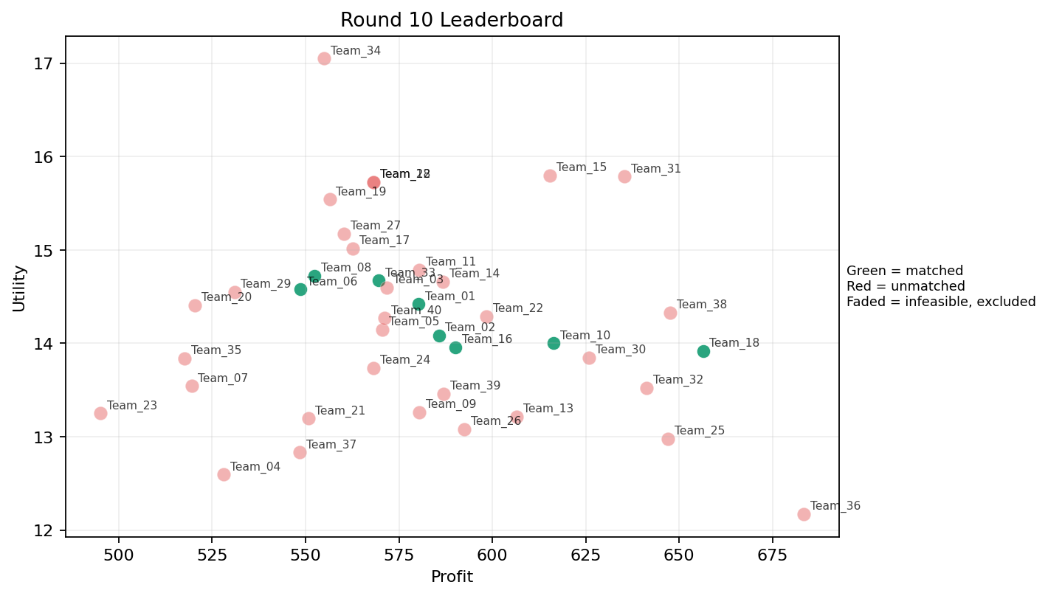
10 | 5 | Team_20 | Team_20 | 3 | R,J,Q | FALSE | 520.42666667 | 14.406716439 | 3.4853333333 | 2.0613333333 | 3.4946666667 | 3.4356666667 | 1.8926666667 | 0.33333333333 | 10 | Team_33 | 8 | 8 | 0 | 72, 28, 13, 48, 23, 65, 29, 60 | 0 | 535.76 | 8
10 | 6 | Team_01 | Team_01 | 7 | Q,G,F,L,N,M,J | TRUE | 580.16 | 14.42017134 | 2.586 | 2.8542857143 | 2.748 | 2.3195714286 | 2.9727142857 | 0.42857142857 | 2026-03-12T10:40:05 | TRUE | 8 | 1, 11, 21, 30, 45, 56, 62, 67 | TRUE |  | 580.16 | 1152.656 | 16
10 | 7 | Team_25 | Team_25 | 5 | P,C,O,K,H | FALSE | 647.056 | 12.97765838 | 2.6666 | 3.7558 | 1.9118 | 2.374 | 2.3844 | 0.4 | 2026-03-12T10:40:06 | FALSE | 0 |  | FALSE | infeasible | 0 | 549.86666667 | 8
10 | 8 | Team_05 | Team_05 | 7 | C,P,J,I,D,B,Q | FALSE | 570.56 | 14.145901421 | 3.0125714286 | 2.6694285714 | 2.868 | 2.4168571429 | 2.7807142857 | 0.28571428571 | 2026-03-12T10:40:07 | FALSE | 0 |  | FALSE | infeasible | 0 | 1741.1133333 | 24
10 | 9 | Team_24 | Team_24 | 2 | Q,F | FALSE | 568.16 | 13.738394393 | 1.3465 | 4.415 | 2.898 | 1.9005 | 2.734 | 0.5 | 2026-03-12T10:40:08 | FALSE | 0 |  | FALSE | infeasible | 0 | 484 | 8
10 | 10 | Team_14 | Team_14 | 7 | O,Q,A,F,I,G,E | FALSE | 586.77714286 | 14.658834628 | 1.749 | 4.0697142857 | 2.6652857143 | 1.9067142857 | 3.8207142857 | 0.42857142857 | 2026-03-12T10:40:09 | FALSE | 0 |  | FALSE | infeasible | 0 | 0 | 0
10 | 11 | Team_17 | Team_17 | 1 | E | FALSE | 562.64 | 15.016429355 | 1.705 | 4.371 | 2.967 | 2.079 | 5 | 1 | 2026-03-12T10:40:10 | FALSE | 0 |  | FALSE | infeasible | 0 | 551.44 | 8
10 | 12 | Team_39 | Team_39 | 6 | R,L,I,C,A,P | FALSE | 587.01333333 | 13.461715517 | 3.1935 | 2.598 | 2.6623333333 | 2.8801666667 | 1.9443333333 | 0.5 | 2026-03-12T10:40:11 | FALSE | 0 |  | FALSE | infeasible | 0 | 0 | 0
10 | 13 | Team_04 | Team_04 | 3 | Q,B,A | FALSE | 528.16 | 12.594959188 | 2.6713333333 | 3.548 | 3.398 | 1.6043333333 | 3.078 | 0.66666666667 | 2026-03-12T10:40:12 | FALSE | 0 |  | FALSE | infeasible | 0 | 1697.208 | 24
10 | 14 | Team_28 | Team_28 | 1 | F | FALSE | 568.16 | 15.725692303 | 1.147 | 3.887 | 2.898 | 1.995 | 3.234 | 0 | 2026-03-12T10:40:13 | FALSE | 0 |  | FALSE | infeasible | 0 | 575.37 | 8
10 | 15 | Team_31 | Team_31 | 4 | H,E,P,I | FALSE | 635.34 | 15.786915791 | 1.65425 | 3.60925 | 2.05825 | 2.6475 | 3.5835 | 0.5 | 2026-03-12T10:40:14 | FALSE | 0 |  | FALSE | infeasible | 0 | 1350.44 | 16
10 | 16 | Team_08 | Team_08 | 7 | M,B,R,H,I,D,E | TRUE | 552.41142857 | 14.724149929 | 2.5252857143 | 2.8875714286 | 3.0948571429 | 2.0747142857 | 3.3587142857 | 0.28571428571 | 2026-03-12T10:40:15 | TRUE | 8 | 12, 39, 41, 43, 49, 51, 7, 9 | TRUE |  | 552.41142857 | 1757.4994286 | 24
10 | 17 | Team_10 | Team_10 | 4 | E,P,D,A | TRUE | 616.42 | 13.99976688 | 2.54075 | 2.987 | 2.29475 | 2.176 | 3.20575 | 0.75 | 2026-03-12T10:40:16 | TRUE | 8 | 32, 33, 34, 42, 57, 73, 75, 85 | TRUE |  | 616.42 | 1100.54 | 16
10 | 18 | Team_02 | Team_02 | 8 | F,P,Q,H,B,M,N,L | TRUE | 585.67 | 14.086063504 | 2.3825 | 2.951625 | 2.679125 | 2.13325 | 2.757 | 0.5 | 2026-03-12T10:40:17 | TRUE | 8 | 26, 3, 37, 4, 50, 71, 79, 82 | TRUE |  | 585.67 | 1228.1766667 | 16
10 | 19 | Team_38 | Team_38 | 5 | G,L,O,D,H | FALSE | 647.648 | 14.328784905 | 2.6078 | 3.0852 | 1.9044 | 1.956 | 3.2936 | 0.2 | 2026-03-12T10:40:18 | FALSE | 0 |  | FALSE | infeasible | 0 | 0 | 0
10 | 20 | Team_37 | Team_37 | 5 | L,B,K,R,O | FALSE | 548.48 | 12.832078783 | 3.7002 | 2.1882 | 3.144 | 2.2514 | 2.2116 | 0.4 | 2026-03-12T10:40:19 | FALSE | 0 |  | FALSE | infeasible | 0 | 589.9 | 8
10 | 21 | Team_40 | Team_40 | 6 | E,G,N,J,Q,L | FALSE | 571.12 | 14.269345197 | 2.941 | 2.6821666667 | 2.861 | 2.444 | 3.0758333333 | 0.5 | 2026-03-12T10:40:20 | FALSE | 0 |  | FALSE | infeasible | 0 | 1301.76 | 16
10 | 22 | Team_33 | Team_33 | 8 | A,R,B,H,I,J,Q,P | TRUE | 569.54 | 14.673145526 | 2.7295 | 2.743875 | 2.88075 | 2.728125 | 2.7515 | 0.375 | 2026-03-12T10:40:21 | TRUE | 8 | 13, 23, 28, 29, 48, 60, 65, 72 | TRUE |  | 569.54 | 1205.3228571 | 16
10 | 23 | Team_19 | Team_19 | 6 | I,D,G,B,F,J | FALSE | 556.44 | 15.541717512 | 2.8006666667 | 2.4348333333 | 3.0445 | 2.1358333333 | 3.6906666667 | 0 | 2026-03-12T10:40:22 | FALSE | 0 |  | FALSE | infeasible | 0 | 1178.88 | 16
10 | 24 | Team_15 | Team_15 | 4 | P,F,M,I | FALSE | 615.32 | 15.795780127 | 1.46625 | 3.36325 | 2.3085 | 2.41175 | 3.3635 | 0.5 | 2026-03-12T10:40:23 | FALSE | 0 |  | FALSE | infeasible | 0 | 0 | 0
10 | 25 | Team_35 | Team_35 | 3 | N,E,D | FALSE | 517.65333333 | 13.838134368 | 2.958 | 2.3353333333 | 3.5293333333 | 1.464 | 3.2743333333 | 0.33333333333 | 2026-03-12T10:40:24 | FALSE | 0 |  | FALSE | infeasible | 0 | 0 | 0
10 | 26 | Team_23 | Team_23 | 2 | D,N | FALSE | 495.16 | 13.248986875 | 3.5845 | 1.3175 | 3.8105 | 1.1565 | 2.4115 | 0 | 2026-03-12T10:40:25 | FALSE | 0 |  | FALSE | infeasible | 0 | 605.52 | 8
10 | 27 | Team_09 | Team_09 | 5 | O,L,N,G,C | FALSE | 580.352 | 13.262928064 | 3.1906 | 2.8606 | 2.7456 | 1.9946 | 2.7018 | 0.2 | 2026-03-12T10:40:26 | FALSE | 0 |  | FALSE | infeasible | 0 | 1108.32 | 16
10 | 28 | Team_03 | Team_03 | 6 | R,C,F,I,H,G | FALSE | 571.8 | 14.598882243 | 2.5496666667 | 3.2828333333 | 2.8525 | 2.4866666667 | 2.7795 | 0 | 2026-03-12T10:40:27 | FALSE | 0 |  | FALSE | infeasible | 0 | 0 | 0
10 | 29 | Team_06 | Team_06 | 7 | R,O,G,A,N,I,M | TRUE | 548.61714286 | 14.576099333 | 2.4701428571 | 2.9552857143 | 3.1422857143 | 2.043 | 3.233 | 0.28571428571 | 2026-03-12T10:40:28 | TRUE | 8 | 27, 44, 47, 52, 53, 54, 78, 8 | TRUE |  | 548.61714286 | 548.61714286 | 8
10 | 30 | Team_27 | Team_27 | 7 | L,J,B,I,F,P,R | FALSE | 560.25142857 | 15.17196738 | 3.1247142857 | 1.8972857143 | 2.9968571429 | 2.944 | 2.5731428571 | 0.28571428571 | 2026-03-12T10:40:29 | FALSE | 0 |  | FALSE | infeasible | 0 | 0 | 0
10 | 31 | Team_21 | Team_21 | 6 | N,A,R,K,H,F | FALSE | 550.73333333 | 13.195942796 | 2.8758333333 | 2.9578333333 | 3.1158333333 | 2.2486666667 | 2.1486666667 | 0.33333333333 | 2026-03-12T10:40:30 | FALSE | 0 |  | FALSE | infeasible | 0 | 0 | 0
10 | 32 | Team_29 | Team_29 | 5 | B,F,J,L,N | FALSE | 530.944 | 14.551437264 | 3.3786 | 1.8138 | 3.3632 | 2.4084 | 2.7356 | 0.2 | 2026-03-12T10:40:31 | FALSE | 0 |  | FALSE | infeasible | 0 | 709.36 | 8
10 | 33 | Team_18 | Team_18 | 2 | A,P | TRUE | 656.4 | 13.915628068 | 2.4335 | 2.974 | 1.795 | 2.8075 | 2.5 | 1 | 2026-03-12T10:40:32 | TRUE | 8 | 10, 17, 22, 24, 46, 5, 6, 66 | TRUE |  | 656.4 | 1217.95 | 16
10 | 34 | Team_07 | Team_07 | 3 | C,N,J | FALSE | 519.49333333 | 13.543069135 | 3.923 | 2.1983333333 | 3.5063333333 | 2.782 | 2.1026666667 | 0 | 2026-03-12T10:40:33 | FALSE | 0 |  | FALSE | infeasible | 0 | 0 | 0
10 | 35 | Team_22 | Team_22 | 6 | F,R,P,O,C,H | FALSE | 598.49333333 | 14.290439803 | 2.5463333333 | 3.1833333333 | 2.5188333333 | 2.6463333333 | 2.3666666667 | 0.16666666667 | 2026-03-12T10:40:34 | FALSE | 0 |  | FALSE | infeasible | 0 | 624.58666667 | 8
10 | 36 | Team_34 | Team_34 | 1 | I | FALSE | 554.88 | 17.049435108 | 1.249 | 3.618 | 3.064 | 2.323 | 4.1 | 0 | 2026-03-12T10:40:35 | FALSE | 0 |  | FALSE | infeasible | 0 | 528.34 | 8
10 | 37 | Team_16 | Team_16 | 4 | H,E,L,N | TRUE | 590.14 | 13.956375678 | 2.63675 | 2.969 | 2.62325 | 2.23775 | 2.867 | 0.5 | 2026-03-12T10:40:36 | TRUE | 8 | 15, 19, 2, 38, 61, 64, 69, 77 | TRUE |  | 590.14 | 1074.02 | 16
10 | 38 | Team_13 | Team_13 | 3 | L,F,Q | FALSE | 606.56 | 13.21653319 | 2.2496666667 | 3.486 | 2.418 | 2.2846666667 | 2.234 | 0.66666666667 | 2026-03-12T10:40:37 | FALSE | 0 |  | FALSE | infeasible | 0 | 1167.0614286 | 16
10 | 39 | Team_30 | Team_30 | 4 | A,Q,P,G | FALSE | 625.8 | 13.848514183 | 2.2795 | 3.4545 | 2.1775 | 2.30425 | 3.00275 | 0.75 | 2026-03-12T10:40:38 | FALSE | 0 |  | FALSE | infeasible | 0 | 0 | 0
10 | 40 | Team_12 | Team_12 | 1 | F | FALSE | 568.16 | 15.725692303 | 1.147 | 3.887 | 2.898 | 1.995 | 3.234 | 0 | 2026-03-12T10:40:39 | FALSE | 0 |  | FALSE | infeasible | 0 | 508.64 | 8

