01
OTDR Test Report
Circuit ID |  | SPLT-001333-CHN-IU |  |  | Date | 10.1.2020
Cable Type |  | GYFTC8Y53-96B1.3 |  |  | Operator | Wai Min
Cable Length |  |  |  |  | Wavelength | 1550 nm
Number of n-ref.event |  |  |  |  | Test Equipment | Anritsu MT9081D
Number of ref.event |  |  |  |  | Test Site1 KCN00138 | CHN00002
 |  |  |  |  | Test Site2 | CHN-HKA11

Core No.Blue- Blue-1
 |  | FILE NAME: | 1550nm 0001.SOR
60.000 dB |  | LABEL:

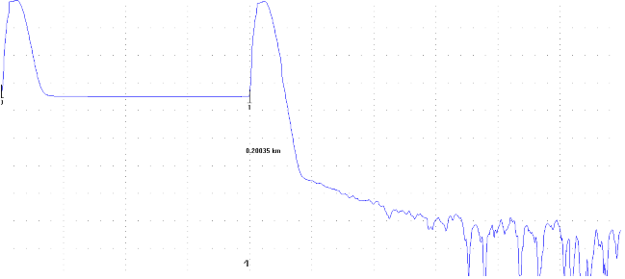

7.5
dB/Div

LSA
 | 0.00000km
CURSOR Dist.: |  | ---.-----km |  |  |  |  | AVERATE 100%
WAVELENGTH : |  | 1550 nm SM | SPLICE LOSS : | ---.--- dB
Dist. RANGE : |  |  | RETURN LOSS : | ---.--- dB
PULSE WIDTH : |  |  | MARKER1-2 |  | MARKER2-3
ATTENUATION : |  | 0.00 dB | ---.--- dB |  | ---.--- dB
AVERAGE : |  |  | ---.----- km |  | ---.----- km
GROUP INDEX : |  |  | ---.---dB/km |  | ---.---dB/km

<< Event List >>

VENDOR REPRESENTATIVE
________________________
NAME
________________________
DATE
________________________
SIGN

02
OTDR Test Report
Circuit ID |  | SPLT-001333-CHN-IU |  |  | Date | 10.1.2020
Cable Type |  | GYFTC8Y53-96B1.3 |  |  | Operator | Wai Min
Cable Length |  |  |  |  | Wavelength | 1550 nm
Number of n-ref.event |  |  |  |  | Test Equipment | Anritsu MT9081D
Number of ref.event |  |  |  |  | Test Site1 KCN00138 | CHN00002
 |  |  |  |  | Test Site2 | CHN-HKA11

Core No.Blue-Orange-2
 |  | FILE NAME: | 1550nm 0002.SOR
60.000 dB |  | LABEL:

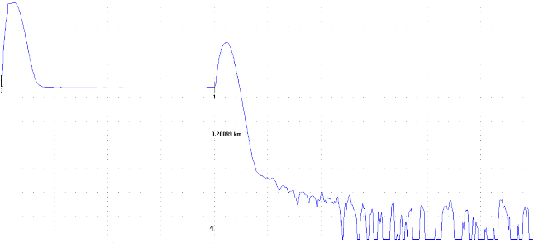

7.5
dB/Div

LSA
 | 0.00000km
CURSOR Dist.: |  | ---.-----km |  |  |  |  | AVERATE 100%
WAVELENGTH : |  | 1550 nm SM | SPLICE LOSS : | ---.--- dB
Dist. RANGE : |  |  | RETURN LOSS : | ---.--- dB
PULSE WIDTH : |  |  | MARKER1-2 |  | MARKER2-3
ATTENUATION : |  | 0.00 dB | ---.--- dB |  | ---.--- dB
AVERAGE : |  |  | ---.----- km |  | ---.----- km
GROUP INDEX : |  |  | ---.---dB/km |  | ---.---dB/km

<< Event List >>

VENDOR REPRESENTATIVE
________________________
NAME
________________________
DATE
________________________
SIGN

03
OTDR Test Report
Circuit ID |  | SPLT-001333-CHN-IU |  |  | Date | 10.1.2020
Cable Type |  | GYFTC8Y53-96B1.3 |  |  | Operator | Wai Min
Cable Length |  |  |  |  | Wavelength | 1550 nm
Number of n-ref.event |  |  |  |  | Test Equipment | Anritsu MT9081D
Number of ref.event |  |  |  |  | Test Site1 KCN00138 | CHN00002
 |  |  |  |  | Test Site2 | CHN-HKA11

Core No.Blue-Green-3
 |  | FILE NAME: | 1550nm 0003.SOR
60.000 dB |  | LABEL:

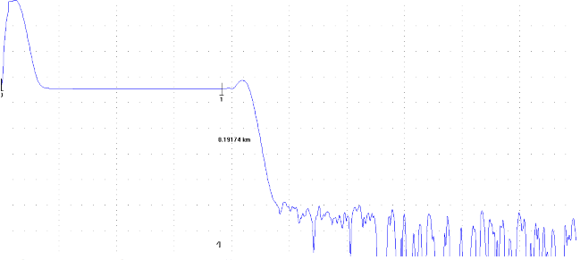

7.5
dB/Div

LSA
 | 0.00000km
CURSOR Dist.: |  | ---.-----km |  |  |  |  | AVERATE 100%
WAVELENGTH : |  | 1550 nm SM | SPLICE LOSS : | ---.--- dB
Dist. RANGE : |  |  | RETURN LOSS : | ---.--- dB
PULSE WIDTH : |  |  | MARKER1-2 |  | MARKER2-3
ATTENUATION : |  | 0.00 dB | ---.--- dB |  | ---.--- dB
AVERAGE : |  |  | ---.----- km |  | ---.----- km
GROUP INDEX : |  |  | ---.---dB/km |  | ---.---dB/km

<< Event List >>

VENDOR REPRESENTATIVE
________________________
NAME
________________________
DATE
________________________
SIGN

04
OTDR Test Report
Circuit ID |  | SPLT-001333-CHN-IU |  |  | Date | 10.1.2020
Cable Type |  | GYFTC8Y53-96B1.3 |  |  | Operator | Wai Min
Cable Length |  |  |  |  | Wavelength | 1550 nm
Number of n-ref.event |  |  |  |  | Test Equipment | Anritsu MT9081D
Number of ref.event |  |  |  |  | Test Site1 KCN00138 | CHN00002
 |  |  |  |  | Test Site2 | CHN-HKA11

Core No.Blue-Brown-4
 |  | FILE NAME: | 1550nm 0004.SOR
60.000 dB |  | LABEL:

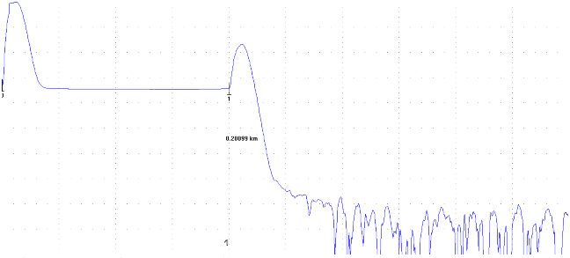

7.5
dB/Div

LSA
 | 0.00000km
CURSOR Dist.: |  | ---.-----km |  |  |  |  | AVERATE 100%
WAVELENGTH : |  | 1550 nm SM | SPLICE LOSS : | ---.--- dB
Dist. RANGE : |  |  | RETURN LOSS : | ---.--- dB
PULSE WIDTH : |  |  | MARKER1-2 |  | MARKER2-3
ATTENUATION : |  | 0.00 dB | ---.--- dB |  | ---.--- dB
AVERAGE : |  |  | ---.----- km |  | ---.----- km
GROUP INDEX : |  |  | ---.---dB/km |  | ---.---dB/km

<< Event List >>

VENDOR REPRESENTATIVE
________________________
NAME
________________________
DATE
________________________
SIGN

05
OTDR Test Report
Circuit ID |  | SPLT-001333-CHN-IU |  |  | Date | 10.1.2020
Cable Type |  | GYFTC8Y53-96B1.3 |  |  | Operator | Wai Min
Cable Length |  |  |  |  | Wavelength | 1550 nm
Number of n-ref.event |  |  |  |  | Test Equipment | Anritsu MT9081D
Number of ref.event |  |  |  |  | Test Site1 KCN00138 | CHN00002
 |  |  |  |  | Test Site2 | CHN-HKA11

Core No. Blue-Gray-5
 |  | FILE NAME: | 1550nm 0005.SOR
60.000 dB |  | LABEL:



7.5
dB/Div

LSA
 | 0.00000km
CURSOR Dist.: |  | ---.-----km |  |  |  |  | AVERATE 100%
WAVELENGTH : |  | 1550 nm SM | SPLICE LOSS : | ---.--- dB
Dist. RANGE : |  |  | RETURN LOSS : | ---.--- dB
PULSE WIDTH : |  |  | MARKER1-2 |  | MARKER2-3
ATTENUATION : |  | 0.00 dB | ---.--- dB |  | ---.--- dB
AVERAGE : |  |  | ---.----- km |  | ---.----- km
GROUP INDEX : |  |  | ---.---dB/km |  | ---.---dB/km

<< Event List >>

VENDOR REPRESENTATIVE
________________________
NAME
________________________
DATE
________________________
SIGN

06
OTDR Test Report
Circuit ID |  | SPLT-001333-CHN-IU |  |  | Date | 10.1.2020
Cable Type |  | GYFTC8Y53-96B1.3 |  |  | Operator | Wai Min
Cable Length |  |  |  |  | Wavelength | 1550 nm
Number of n-ref.event |  |  |  |  | Test Equipment | Anritsu MT9081D
Number of ref.event |  |  |  |  | Test Site1 KCN00138 | CHN00002
 |  |  |  |  | Test Site2 | CHN-HKA11

Core No. Blue-White-6
 |  | FILE NAME: | 1550nm 0006.SOR
60.000 dB |  | LABEL:

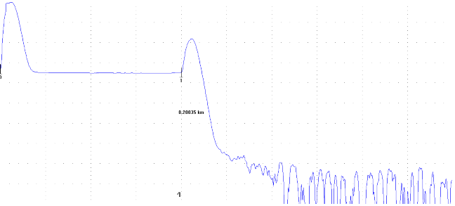

7.5
dB/Div

LSA
 | 0.00000km
CURSOR Dist.: |  | ---.-----km |  |  |  |  | AVERATE 100%
WAVELENGTH : |  | 1550 nm SM | SPLICE LOSS : | ---.--- dB
Dist. RANGE : |  |  | RETURN LOSS : | ---.--- dB
PULSE WIDTH : |  |  | MARKER1-2 |  | MARKER2-3
ATTENUATION : |  | 0.00 dB | ---.--- dB |  | ---.--- dB
AVERAGE : |  |  | ---.----- km |  | ---.----- km
GROUP INDEX : |  |  | ---.---dB/km |  | ---.---dB/km

<< Event List >>

VENDOR REPRESENTATIVE
________________________
NAME
________________________
DATE
________________________
SIGN

07
OTDR Test Report
Circuit ID |  | SPLT-001333-CHN-IU |  |  | Date | 10.1.2020
Cable Type |  | GYFTC8Y53-96B1.3 |  |  | Operator | Wai Min
Cable Length |  |  |  |  | Wavelength | 1550 nm
Number of n-ref.event |  |  |  |  | Test Equipment | Anritsu MT9081D
Number of ref.event |  |  |  |  | Test Site1 KCN00138 | CHN00002
 |  |  |  |  | Test Site2 | CHN-HKA11

Core No. Blue-Red-7
 |  | FILE NAME: | 1550nm 0007.SOR
60.000 dB |  | LABEL:

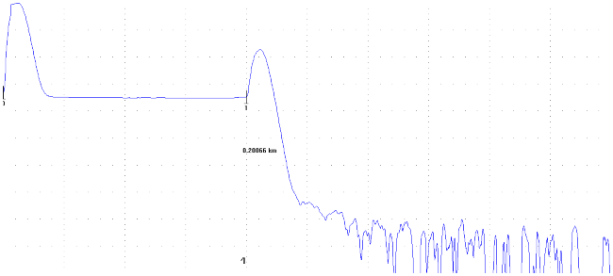

7.5
dB/Div

LSA
 | 0.00000km
CURSOR Dist.: |  | ---.-----km |  |  |  |  | AVERATE 100%
WAVELENGTH : |  | 1550 nm SM | SPLICE LOSS : | ---.--- dB
Dist. RANGE : |  |  | RETURN LOSS : | ---.--- dB
PULSE WIDTH : |  |  | MARKER1-2 |  | MARKER2-3
ATTENUATION : |  | 0.00 dB | ---.--- dB |  | ---.--- dB
AVERAGE : |  |  | ---.----- km |  | ---.----- km
GROUP INDEX : |  |  | ---.---dB/km |  | ---.---dB/km

<< Event List >>

VENDOR REPRESENTATIVE
________________________
NAME
________________________
DATE
________________________
SIGN

08
OTDR Test Report
Circuit ID |  | SPLT-001333-CHN-IU |  |  | Date | 10.1.2020
Cable Type |  | GYFTC8Y53-96B1.3 |  |  | Operator | Wai Min
Cable Length |  |  |  |  | Wavelength | 1550 nm
Number of n-ref.event |  |  |  |  | Test Equipment | Anritsu MT9081D
Number of ref.event |  |  |  |  | Test Site1 KCN00138 | CHN00002
 |  |  |  |  | Test Site2 | CHN-HKA11

Core No.Blue-Black-8
 |  | FILE NAME: | 1550nm 0008.SOR
60.000 dB |  | LABEL:

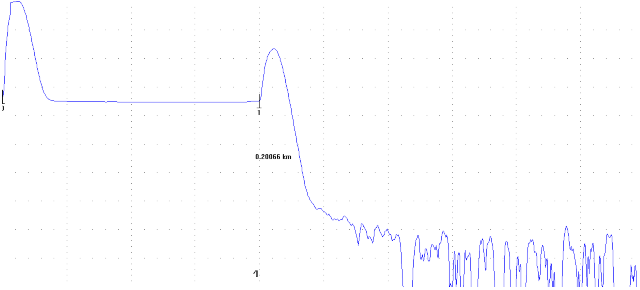

7.5
dB/Div

LSA
 | 0.00000km
CURSOR Dist.: |  | ---.-----km |  |  |  |  | AVERATE 100%
WAVELENGTH : |  | 1550 nm SM | SPLICE LOSS : | ---.--- dB
Dist. RANGE : |  |  | RETURN LOSS : | ---.--- dB
PULSE WIDTH : |  |  | MARKER1-2 |  | MARKER2-3
ATTENUATION : |  | 0.00 dB | ---.--- dB |  | ---.--- dB
AVERAGE : |  |  | ---.----- km |  | ---.----- km
GROUP INDEX : |  |  | ---.---dB/km |  | ---.---dB/km

<< Event List >>

VENDOR REPRESENTATIVE
________________________
NAME
________________________
DATE
________________________
SIGN

09
OTDR Test Report
Circuit ID |  | SPLT-001333-CHN-IU |  |  | Date | 10.1.2020
Cable Type |  | GYFTC8Y53-96B1.3 |  |  | Operator | Wai Min
Cable Length |  |  |  |  | Wavelength | 1550 nm
Number of n-ref.event |  |  |  |  | Test Equipment | Anritsu MT9081D
Number of ref.event |  |  |  |  | Test Site1 KCN00138 | CHN00002
 |  |  |  |  | Test Site2 | CHN-HKA11

Core No.Blue-Yellow-9
 |  | FILE NAME: | 1550nm 0009.SOR
60.000 dB |  | LABEL:

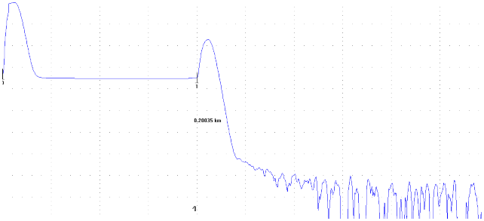

7.5
dB/Div

LSA
 | 0.00000km
CURSOR Dist.: |  | ---.-----km |  |  |  |  | AVERATE 100%
WAVELENGTH : |  | 1550 nm SM | SPLICE LOSS : | ---.--- dB
Dist. RANGE : |  |  | RETURN LOSS : | ---.--- dB
PULSE WIDTH : |  |  | MARKER1-2 |  | MARKER2-3
ATTENUATION : |  | 0.00 dB | ---.--- dB |  | ---.--- dB
AVERAGE : |  |  | ---.----- km |  | ---.----- km
GROUP INDEX : |  |  | ---.---dB/km |  | ---.---dB/km

<< Event List >>

VENDOR REPRESENTATIVE
________________________
NAME
________________________
DATE
________________________
SIGN

10
OTDR Test Report
Circuit ID |  | SPLT-001333-CHN-IU |  |  | Date | 10.1.2020
Cable Type |  | GYFTC8Y53-96B1.3 |  |  | Operator | Wai Min
Cable Length |  |  |  |  | Wavelength | 1550 nm
Number of n-ref.event |  |  |  |  | Test Equipment | Anritsu MT9081D
Number of ref.event |  |  |  |  | Test Site1 KCN00138 | CHN00002
 |  |  |  |  | Test Site2 | CHN-HKA11

Core No. Blue-Voilet-10
 |  | FILE NAME: | 1550nm 0010.SOR
60.000 dB |  | LABEL:

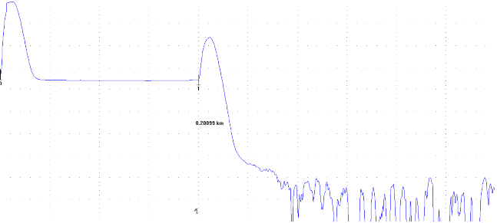

7.5
dB/Div

LSA
 | 0.00000km
CURSOR Dist.: |  | ---.-----km |  |  |  |  | AVERATE 100%
WAVELENGTH : |  | 1550 nm SM | SPLICE LOSS : | ---.--- dB
Dist. RANGE : |  |  | RETURN LOSS : | ---.--- dB
PULSE WIDTH : |  |  | MARKER1-2 |  | MARKER2-3
ATTENUATION : |  | 0.00 dB | ---.--- dB |  | ---.--- dB
AVERAGE : |  |  | ---.----- km |  | ---.----- km
GROUP INDEX : |  |  | ---.---dB/km |  | ---.---dB/km

<< Event List >>

VENDOR REPRESENTATIVE
________________________
NAME
________________________
DATE
________________________
SIGN

11
OTDR Test Report
Circuit ID |  | SPLT-001333-CHN-IU |  |  | Date | 10.1.2020
Cable Type |  | GYFTC8Y53-96B1.3 |  |  | Operator | Wai Min
Cable Length |  |  |  |  | Wavelength | 1550 nm
Number of n-ref.event |  |  |  |  | Test Equipment | Anritsu MT9081D
Number of ref.event |  |  |  |  | Test Site1 KCN00138 | CHN00002
 |  |  |  |  | Test Site2 | CHN-HKA11

Core No.Blue-Pink-11
 |  | FILE NAME: | 1550nm 0011.SOR
60.000 dB |  | LABEL:

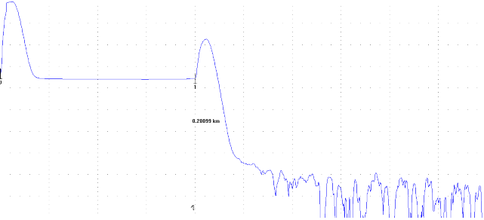

7.5
dB/Div

LSA
 | 0.00000km
CURSOR Dist.: |  | ---.-----km |  |  |  |  | AVERATE 100%
WAVELENGTH : |  | 1550 nm SM | SPLICE LOSS : | ---.--- dB
Dist. RANGE : |  |  | RETURN LOSS : | ---.--- dB
PULSE WIDTH : |  |  | MARKER1-2 |  | MARKER2-3
ATTENUATION : |  | 0.00 dB | ---.--- dB |  | ---.--- dB
AVERAGE : |  |  | ---.----- km |  | ---.----- km
GROUP INDEX : |  |  | ---.---dB/km |  | ---.---dB/km

<< Event List >>

VENDOR REPRESENTATIVE
________________________
NAME
________________________
DATE
________________________
SIGN

12
OTDR Test Report
Circuit ID |  | SPLT-001333-CHN-IU |  |  | Date | 10.1.2020
Cable Type |  | GYFTC8Y53-96B1.3 |  |  | Operator | Wai Min
Cable Length |  |  |  |  | Wavelength | 1550 nm
Number of n-ref.event |  |  |  |  | Test Equipment | Anritsu MT9081D
Number of ref.event |  |  |  |  | Test Site1 KCN00138 | CHN00002
 |  |  |  |  | Test Site2 | CHN-HKA11

Core No. Blue-Aqua-12
 |  | FILE NAME: | 1550nm 0012.SOR
60.000 dB |  | LABEL:
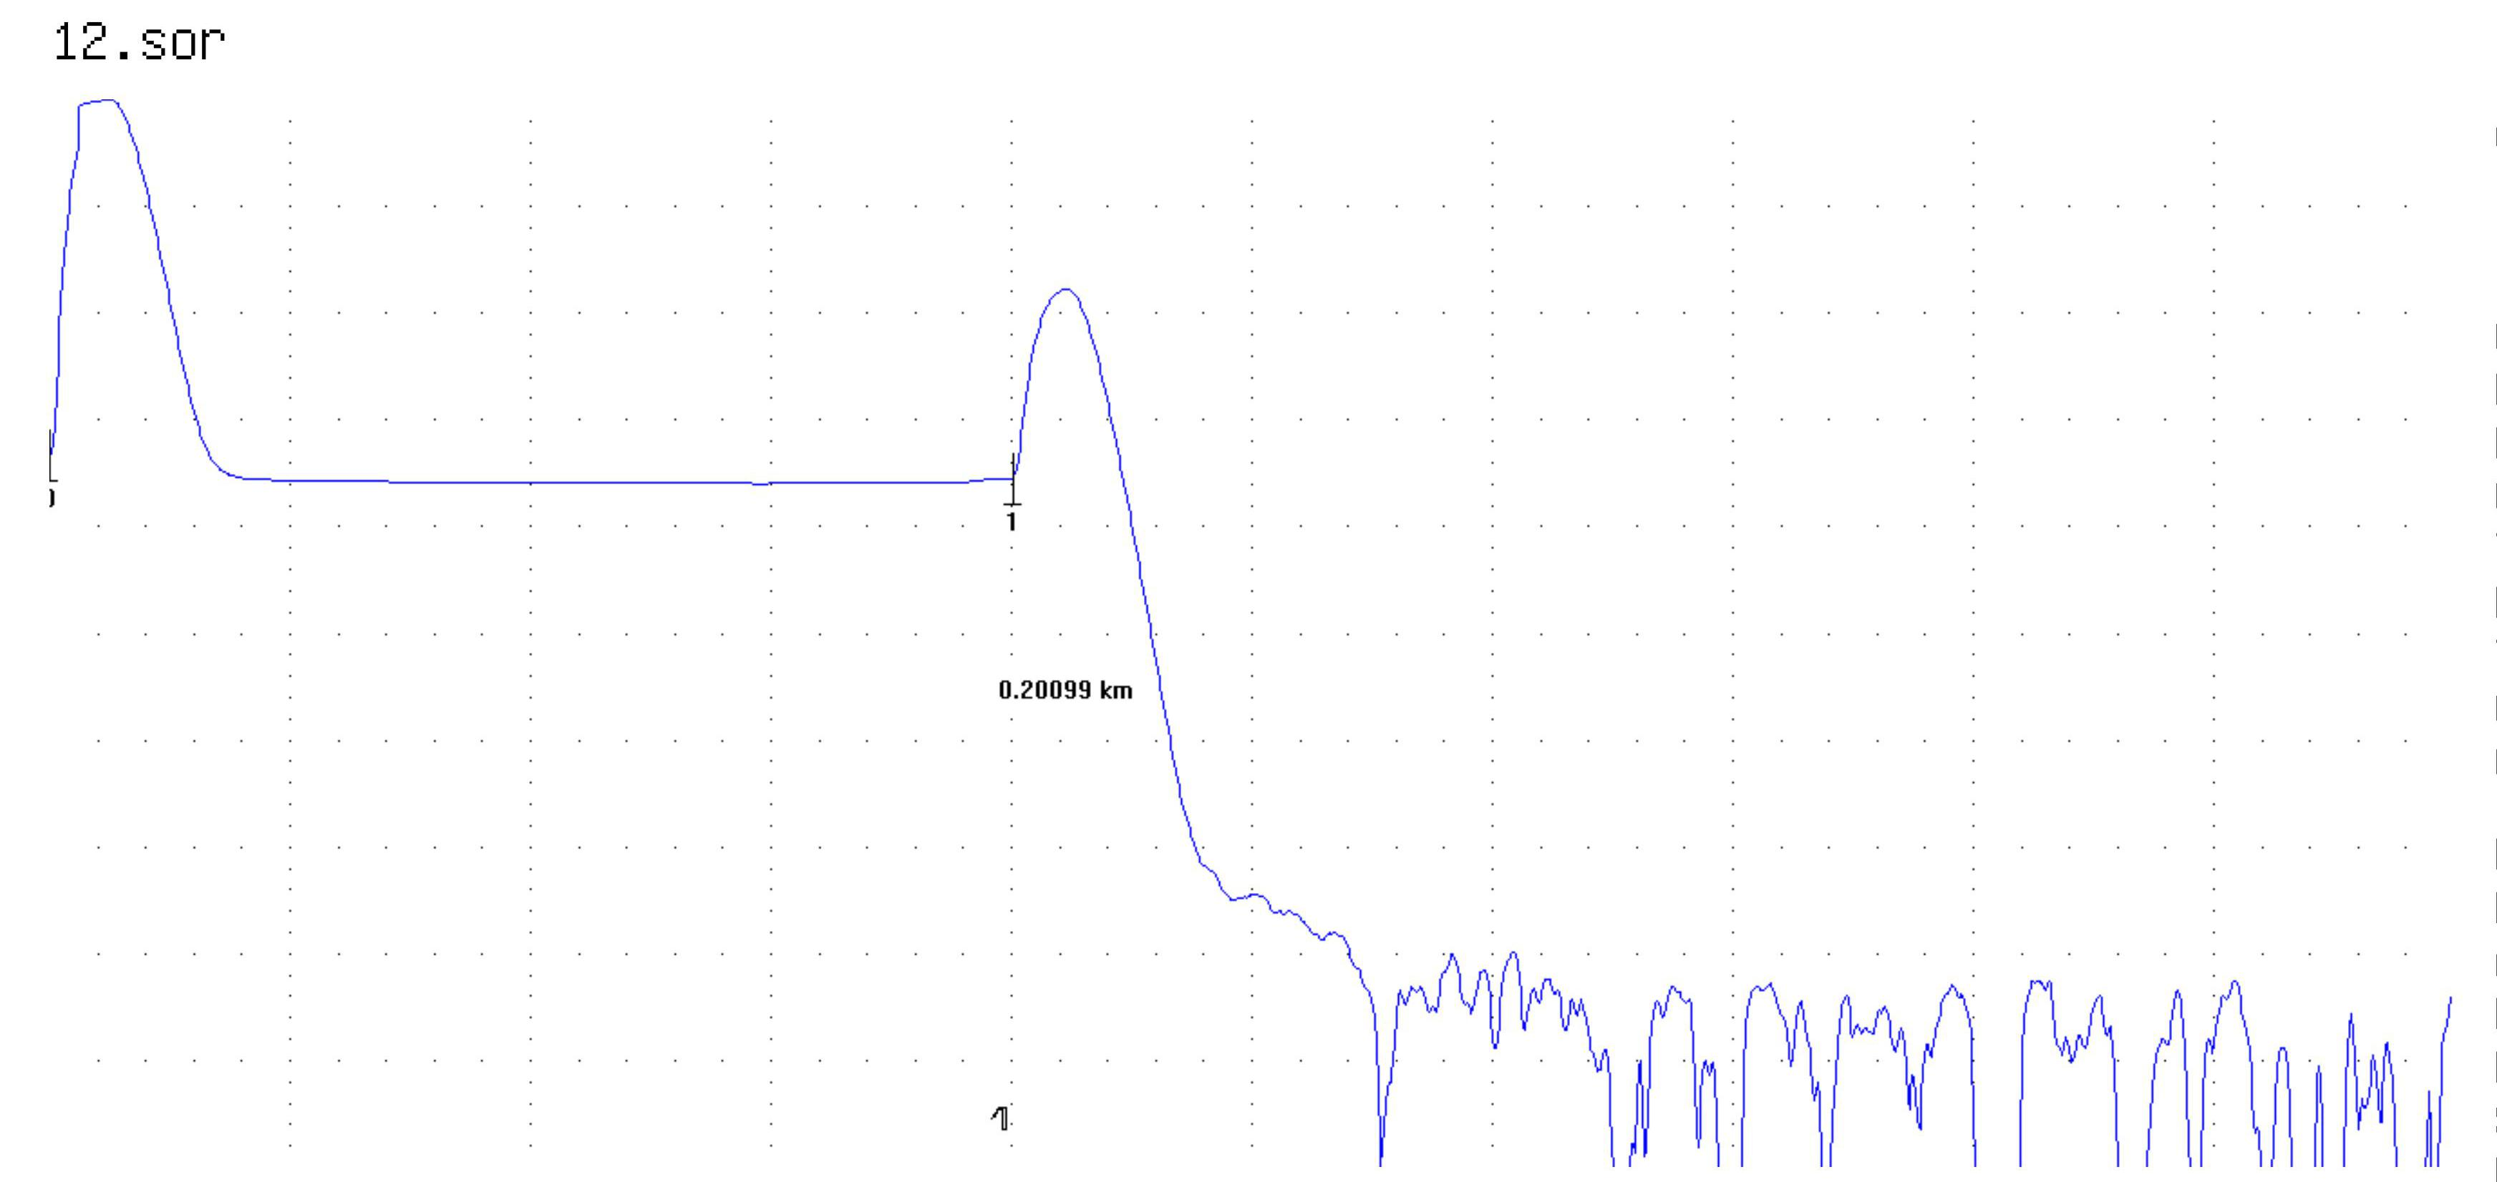

7.5
dB/Div

LSA
 | 0.00000km
CURSOR Dist.: |  | ---.-----km |  |  |  |  | AVERATE 100%
WAVELENGTH : |  | 1550 nm SM | SPLICE LOSS : | ---.--- dB
Dist. RANGE : |  |  | RETURN LOSS : | ---.--- dB
PULSE WIDTH : |  |  | MARKER1-2 |  | MARKER2-3
ATTENUATION : |  | 0.00 dB | ---.--- dB |  | ---.--- dB
AVERAGE : |  |  | ---.----- km |  | ---.----- km
GROUP INDEX : |  |  | ---.---dB/km |  | ---.---dB/km

<< Event List >>

VENDOR REPRESENTATIVE
________________________
NAME
________________________
DATE
________________________
SIGN

