01
OTDR Test Report
Circuit ID |  | SPLT-001333-CHN-IU |  |  | Date | 10.1.2020
Cable Type |  | GYFTC8Y53-96B1.3 |  |  | Operator | Wai Min
Cable Length |  | 0.2 km |  |  | Wavelength | 1550 nm
Number of n-ref.event |  |  |  |  | Test Equipment | Anritsu MT9081D
Number of ref.event |  |  |  |  | Test Site1 KCN00138 | CHN00002
 |  |  |  |  | Test Site2 | CHN-HKA11

Core No.Blue- Blue-1
 |  | FILE NAME: | 1550nm 0001.SOR
60.000 dB |  | LABEL:
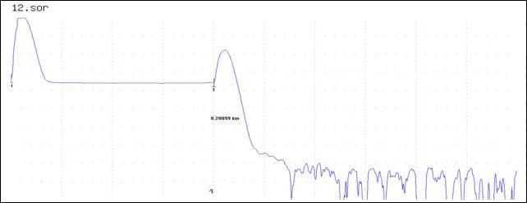

7.5
dB/Div

LSA
 | 0.00000km |  | 0.05009 km/div |  |  |  | SMP: 32 cm | 0.50086 km
CURSOR Dist.: |  | ---.-----km |  |  |  |  |  | AVERATE 100%
WAVELENGTH : |  | 1550 nm SM | SPLICE LOSS : | ---.--- dB
Dist. RANGE : |  | 0.50 km | RETURN LOSS : | ---.--- dB
PULSE WIDTH : |  | 100 ns | MARKER1-2 |  | MARKER2-3
ATTENUATION : |  | 0.00 dB | ---.--- dB |  | ---.--- dB
AVERAGE : |  |  | ---.----- km |  | ---.----- km
GROUP INDEX : |  | 1.4683 | ---.---dB/km |  | ---.---dB/km

<< Event List >>

