ref#1
From 画面設計
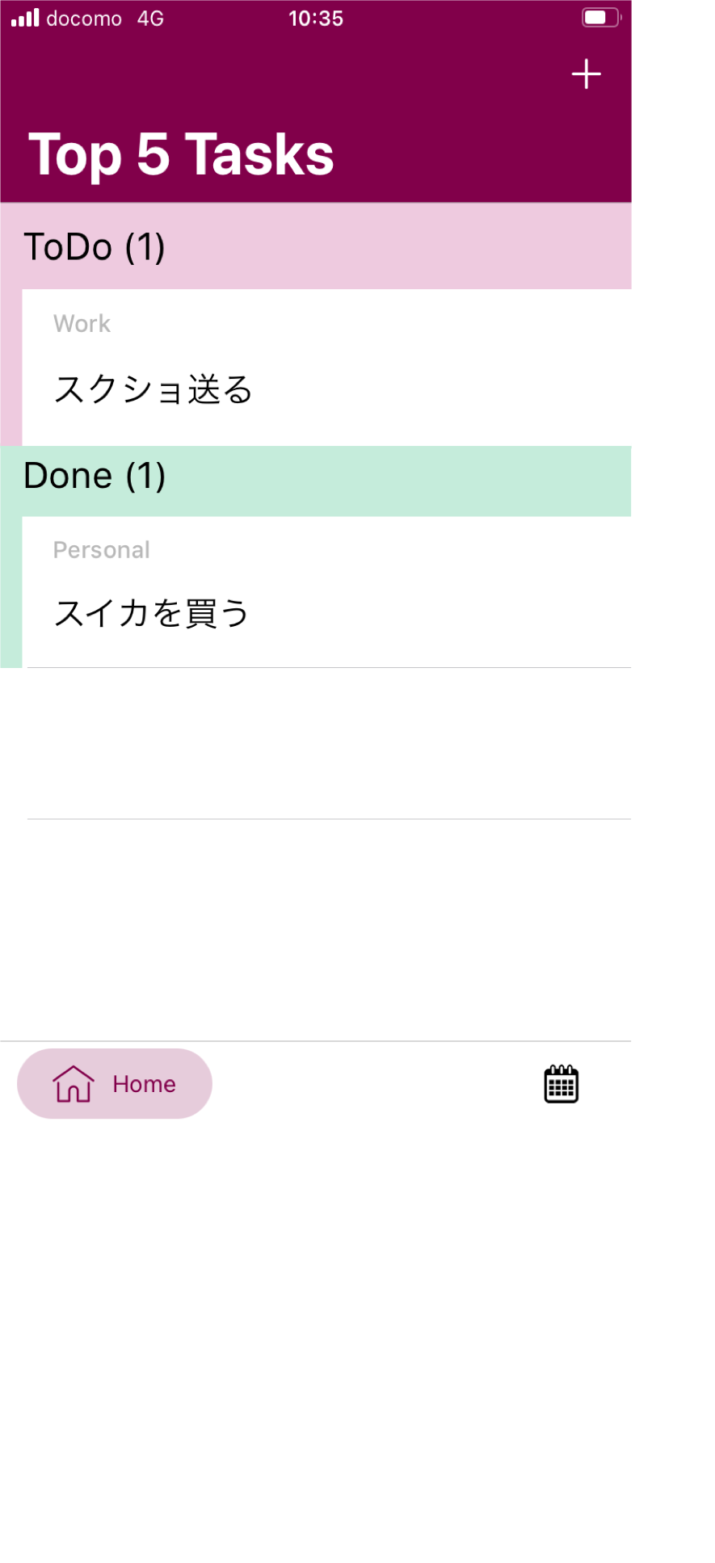
1
2
3
4
5
6
7
8
9
10

