ER Diagram
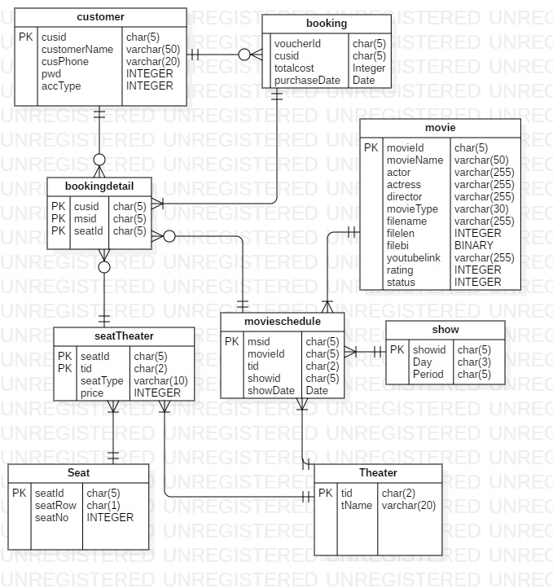

Login
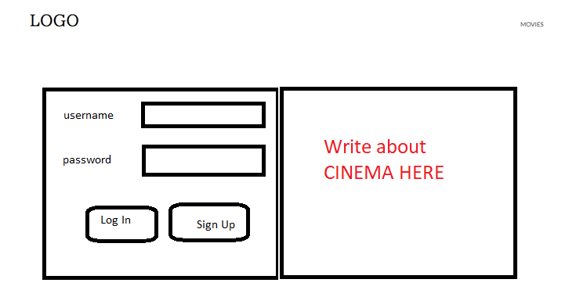
Customers can sing up and login. Login Customers can book the cinema tickets and can change his/her profile. If not, show movies list only.
You should add Banner and footer yourself as appropriate
Use customer table
please check all forms' validation if necessary.

SignUp
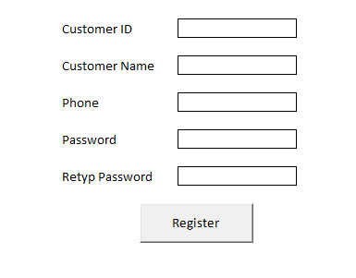
customer id must be auto ID
check password and retype password are same. If not, show error message. If successful, back to login form.
use customer table.

Home

show all available movie within a week.
show theater depends on chosen movie.
show Date depends on chosen movie and theater
show time depends on chosen data movie and theater
customers can book by clicking book now button and show booking form
If customers click movies, show movie form
if login user is admin, can edit movie,schedule, customer list, view customer list.
use tables: movie, movieschedule, theater, show

Booking
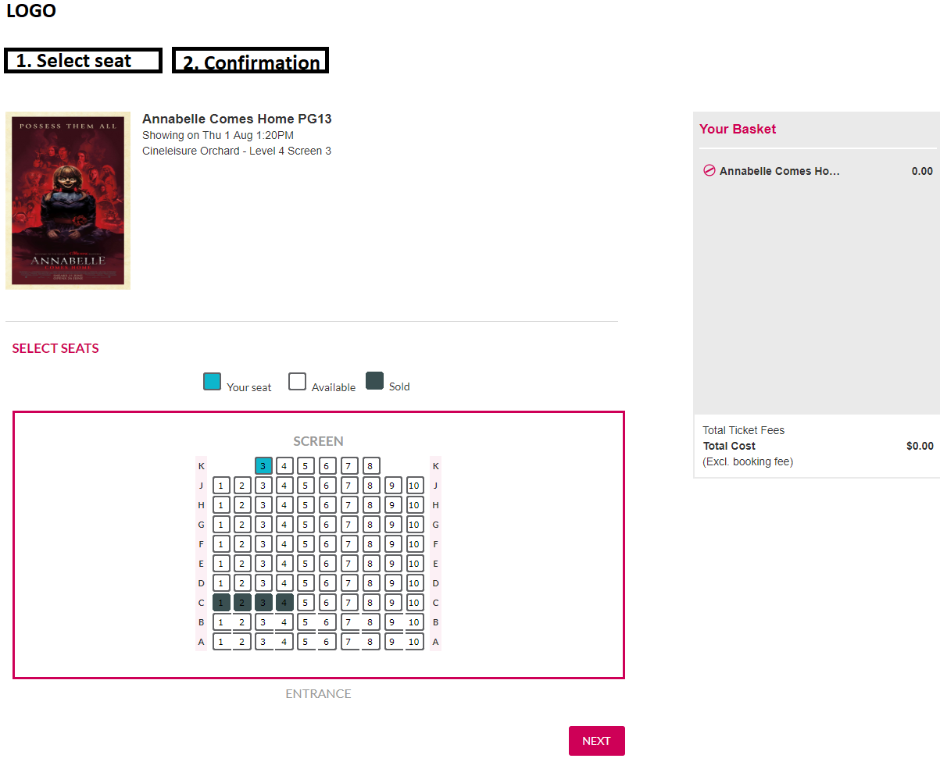
If customer clicks on seat, change its colour blue and then show cost in right pane for each ticket type. If it is not available, show red colour. If it is available, its colour must be white.

If customer clicks next button, confirmation form will appear

Booking confirmation
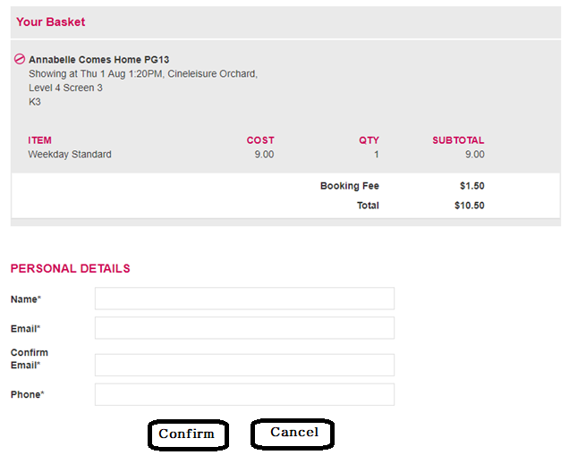
If user clicks confirm, save booking data.
If user clicks cancel, home page will be shown.
use booking , booking detail

Manage Movie

When user clicks Edit Movie, show manage movie page.
movie id must be auto ID. When user wants to save or modify, clicks Update.
Last row is to fill new data.
Cells must be textboxes if necessary

Movie schedule
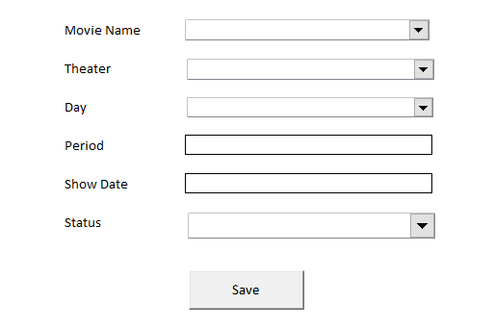
New Movie data can added in this form

Usecase diagram
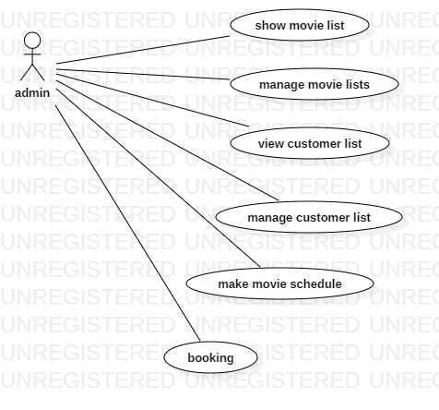

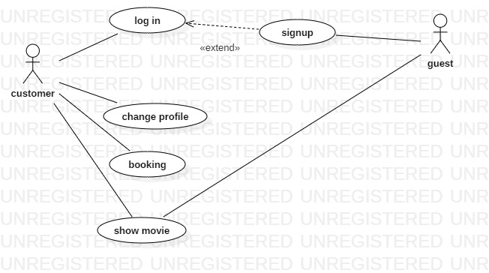

Code Sample
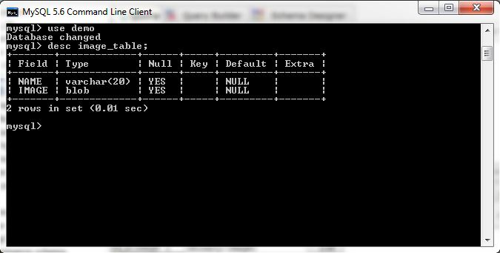

Save Picture Coding Sample

import java.sql.*;
import java.io.*;

public class DatabaseImageExample {
 | public static void main(String args[]){
 |  | try{
 |  |  | Class.forName("com.mysql.jdbc.Driver");
 |  |  | Connection con=DriverManager.getConnection("jdbc:mysql://localhost/demo","root","root");
 |  |  | File file=new File("E:\\image.png");
 |  |  | FileInputStream fis=new FileInputStream(file);
 |  |  | PreparedStatement ps=con.prepareStatement("insert into image_table (name,image) values(?,?)");
 |  |  | ps.setString(1,"image 1");
 |  |  | ps.setBinaryStream(2,fis,(int)file.length());
 |  |  | ps.executeUpdate();

 |  |  | ps.close();
 |  |  | fis.close();
 |  |  | con.close();
 |  | }catch(Exception e){
 |  |  | e.printStackTrace();
 |  | }
 | }
}

