Docs
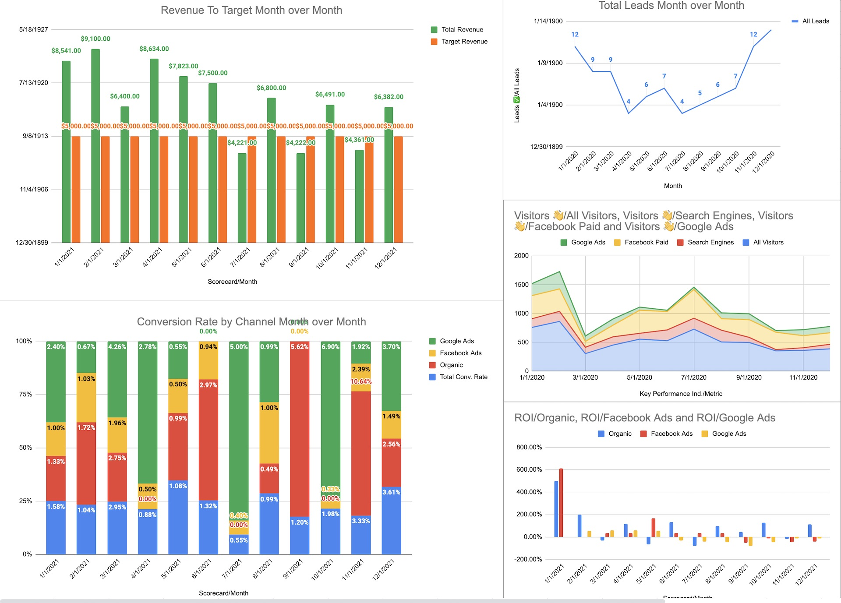
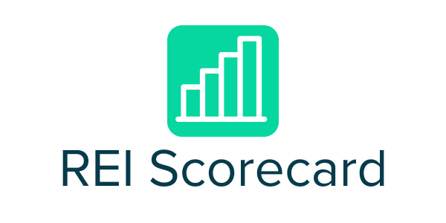

Learn more at https://reiscorecard.com/

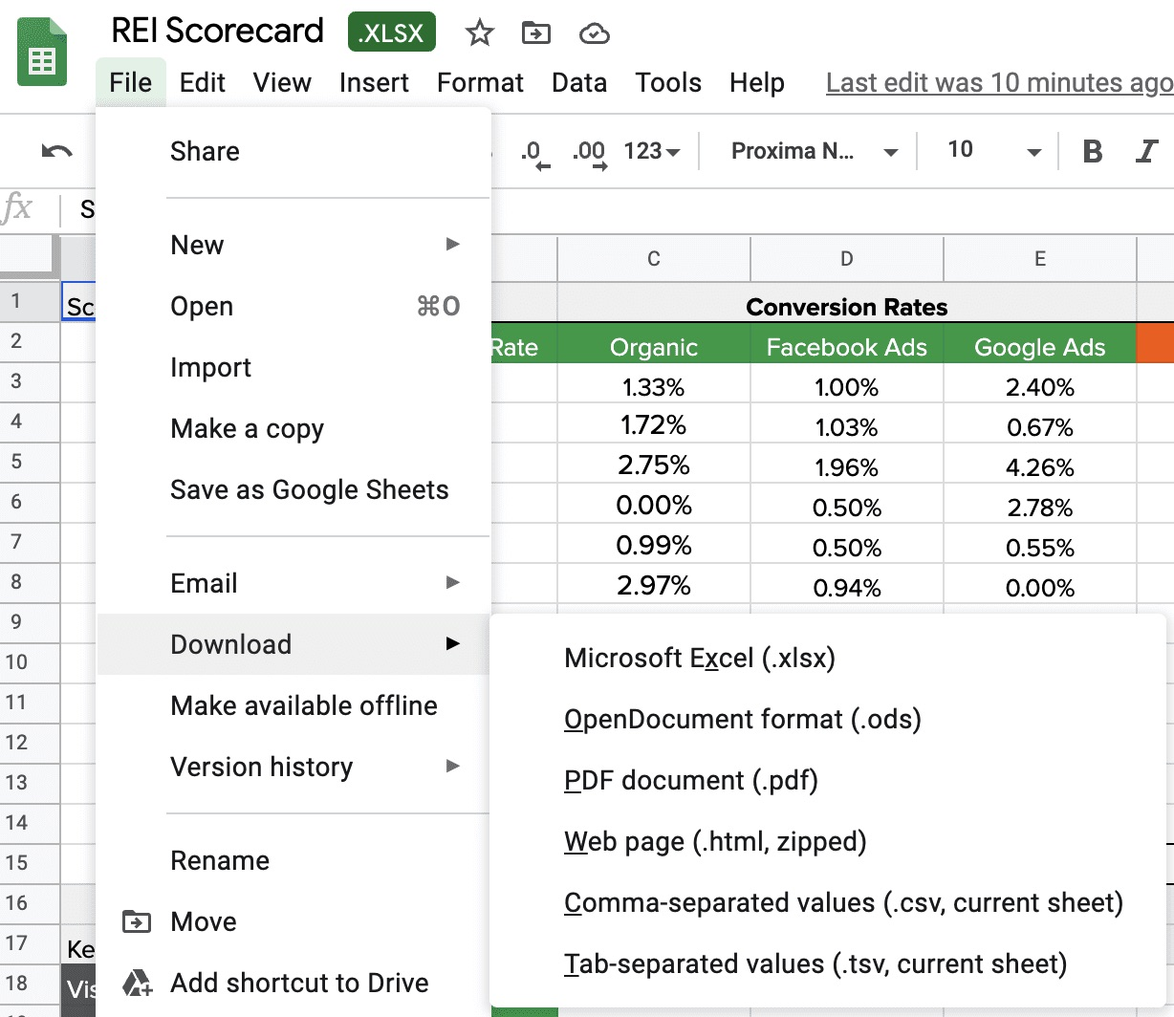
Step 1
Either download a copy of this file or add this to your drive so you can edit the file

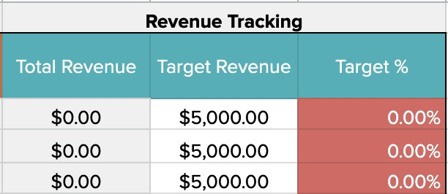
Step 2
Manually insert your monthly revenue targetes. These are how much you'd like to make each month from your closed leads

Step 3
Manually update your monthly KPI numbers
Watch the spreadsheet make automatic calculations for you to tell you your conversion rate and ROI
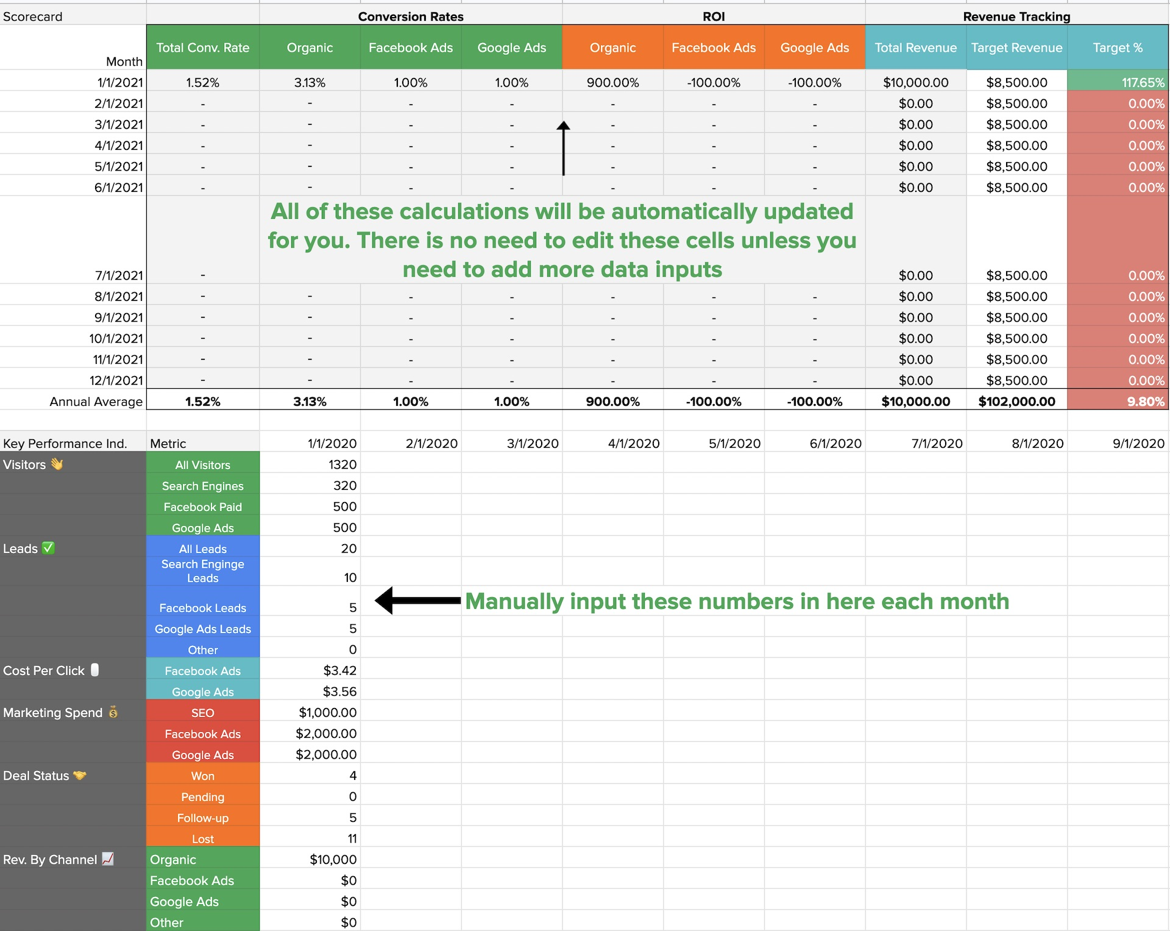

Step 4
The Dashboard tab will automatically update with data from your KPI tab to create visual charts for your marketing campaigns effectiveness

Dashboard
Revenue To Target Month over Month
Total Leads Month over Month

Visitors by channel

Conversion Rate by Channel Month over Month

ROI/Organic, ROI/Facebook Ads and ROI/Google Ads

