Detailed_Results
Cas Différentiel: Evolution de la quantité de la biomasse disponible et de la biomasse récoltée
 | Biomass | Extracted_Biomass
0 | 500 | 2.7843556691E-05
1 | 537.49999768 | 2.9015133525E-05
2 | 577.47655761 | 3.0131811046E-05
3 | 620.04161532 | 3.1175435872E-05
4 | 665.30422059 | 3.2122745624E-05
5 | 713.36907453 | 3.2951441035E-05
6 | 764.33490405 | 3.3637287289E-05
7 | 818.29267916 | 3.4153859019E-05
8 | 875.32368443 | 3.4478006015E-05
9 | 935.49746272 | 3.4583318919E-05
10 | 998.86965669 | 3.4447983964E-05
11 | 1065.479782 | 3.4051850929E-05
12 | 1135.3489749 | 3.3380332272E-05
13 | 1208.4777651 | 3.2427152825E-05
14 | 1284.8439344 | 3.1192420674E-05
15 | 1364.4005274 | 3.4933771432E-05
16 | 1447.0740884 | 4.6208071658E-05
17 | 1532.7632017 | 5.8226516868E-05
18 | 1621.3374131 | 7.08039712E-05
19 | 1712.6366082 | 8.368068184E-05
20 | 1806.470916 | 9.6536654545E-05
21 | 1902.6211981 | 0.00010895292295
22 | 2000.8401652 | 0.00012040265617
23 | 2100.8541461 | 0.0001302846011
24 | 2202.3655117 | 0.00013786972906
25 | 2305.0557287 | 406.37724061
26 | 2374.7242375 | 1247.1888341
27 | 2374.6969344 | 1246.7381575
28 | 2374.7070737 | 1247.3632562
29 | 2374.6651637 | 1245.229243
30 | 2374.8009131 | 1247.0474842
31 | 2374.7857092 | 1246.5685622
32 | 2374.8103521 | 1248.3939408
33 | 2374.6829829 | 1246.6843281
34 | 2374.6975496 | 1247.4035227
35 | 2374.6522443 | 1244.2474191
36 | 2374.8697584 | 1249.263781
37 | 2374.6701503 | 1244.6019497
38 | 2374.858195 | 1248.8853068
39 | 2374.6900783 | 1244.5605636
40 | 2374.881655 | 1250.5075314
41 | 2374.5784507 | 1245.0840431
42 | 2374.7259377 | 1245.8389723
43 | 2374.8111302 | 1247.6748938
44 | 2374.7436848 | 1248.1152411
45 | 2374.6392623 | 1245.6222236
46 | 2374.7421551 | 1247.454816
47 | 2374.6927617 | 1244.6130904
48 | 2374.8799724 | 1249.0793873
49 | 2374.6957731 | 1244.6433831
...
Extracted_Biomass | Revenue | Cost | Instant_Profit | Cumulative_Profit
2.7843556691E-05 | 0.00027843556691 | 1.1137422677E-07 | 0.00027832419269 | 2.3193682724E-05
2.9015133525E-05 | 0.00029015133525 | 1.07963288E-07 | 0.00028883737216 | 4.7263463737E-05
3.0131811046E-05 | 0.00030131811046 | 1.0435682851E-07 | 0.00029871406884 | 7.2156302807E-05
3.1175435872E-05 | 0.00031175435872 | 1.0055917249E-07 | 0.00030778237387 | 9.7804833963E-05
3.2122745624E-05 | 0.00032122745624 | 9.6565584977E-08 | 0.0003158230639 | 0.00012412342262
3.2951441035E-05 | 0.00032951441035 | 9.2382589075E-08 | 0.00032263006413 | 0.0001510092613
3.3637287289E-05 | 0.00033637287289 | 8.8017143035E-08 | 0.00032798195307 | 0.00017834109072
3.4153859019E-05 | 0.00034153859019 | 8.3475900221E-08 | 0.00033163984198 | 0.00020597774422
3.4478006015E-05 | 0.00034478006015 | 7.8777729035E-08 | 0.00033340063021 | 0.00023376113007
3.4583318919E-05 | 0.00034583318919 | 7.3935676573E-08 | 0.00033303338286 | 0.00026151391198
3.4447983964E-05 | 0.00034447983964 | 6.8973932152E-08 | 0.0003303552713 | 0.00028904351792
3.4051850929E-05 | 0.00034051850929 | 6.3918342709E-08 | 0.00032520261649 | 0.00031614373596
3.3380332272E-05 | 0.00033380332272 | 5.8801889126E-08 | 0.00031746760848 | 0.00034259937
3.2427152825E-05 | 0.00032427152825 | 5.3666114116E-08 | 0.00030712322062 | 0.00036819297172
3.1192420674E-05 | 0.00031192420674 | 4.855441169E-08 | 0.00029420335879 | 0.00039270991828
3.4933771432E-05 | 0.00034933771432 | 5.1207502094E-08 | 0.00032812430717 | 0.00042005361055
4.6208071658E-05 | 0.00046208071658 | 6.3864140789E-08 | 0.00043221999266 | 0.00045607194327
5.8226516868E-05 | 0.00058226516868 | 7.5975880429E-08 | 0.00054237743581 | 0.00050127006292
7.08039712E-05 | 0.000708039712 | 8.7340205227E-08 | 0.00065679820156 | 0.00055600324638
8.368068184E-05 | 0.0008368068184 | 9.7721468106E-08 | 0.00077302376268 | 0.00062042189327
9.6536654545E-05 | 0.00096536654545 | 1.0687872546E-07 | 0.00088808176504 | 0.00069442870703
0.00010895292295 | 0.0010895292295 | 1.1452928524E-07 | 0.00099814230738 | 0.00077760723264
0.00012040265617 | 0.0012040265617 | 1.2035209835E-07 | 0.001098455144 | 0.00086914516131
0.0001302846011 | 0.001302846011 | 1.2403012493E-07 | 0.001183673305 | 0.0009677846034
0.00013786972906 | 0.0013786972906 | 1.252014966E-07 | 0.0012473836097 | 0.0010717332375
406.37724061 | 4063.7724061 | 0.35259645617 | 3661.4464346 | 305.12160795
Cas Différentiel: Evolution de l'effort utilisé pour la récolte de la biomasse
 | Control_Effort
0 | 5.5687113383E-08
1 | 5.3981644001E-08
2 | 5.2178414257E-08
3 | 5.0279586243E-08
4 | 4.8282792488E-08
5 | 4.6191294537E-08
6 | 4.4008571518E-08
7 | 4.173795011E-08
8 | 3.9388864517E-08
9 | 3.6967838286E-08
10 | 3.4486966076E-08
11 | 3.1959171355E-08
12 | 2.9400944563E-08
13 | 2.6833057058E-08
14 | 2.4277205845E-08
15 | 2.5603751047E-08
16 | 3.1932070394E-08
17 | 3.7987940214E-08
18 | 4.3670102613E-08
19 | 4.8860734053E-08
20 | 5.3439362732E-08
21 | 5.7264642619E-08
22 | 6.0176049175E-08
23 | 6.2015062465E-08
24 | 6.2600748301E-08
25 | 0.17629822808
26 | 0.5251931211
27 | 0.52500937674
28 | 0.52527036704
29 | 0.52438097885
30 | 0.52511664338
31 | 0.52491833572
32 | 0.52568153061
33 | 0.52498979319
34 | 0.5252894302
35 | 0.52397037168
36 | 0.52603464953
37 | 0.5241157175
38 | 0.52587784375
39 | 0.52409389124
40 | 0.52655572489
41 | 0.52433898012
42 | 0.52462431664
43 | 0.52537857766
44 | 0.52557892841
45 | 0.5245521892
46 | 0.52530116305
47 | 0.52411541843
48 | 0.52595474373
49 | 0.52412751021
...
1247.1888341 | 12471.888341 | 1.0503862422 | 11190.437531 | 1237.6580689
1246.7381575 | 12467.381575 | 1.0500187535 | 11139.880807 | 2165.9814694
1247.3632562 | 12473.632562 | 1.0505407341 | 11099.123378 | 3090.9084176
1245.229243 | 12452.29243 | 1.0487619577 | 11034.063586 | 4010.4137164
1247.0474842 | 12470.474842 | 1.0502332868 | 11004.228594 | 4927.4327659
1246.5685622 | 12465.685622 | 1.0498366714 | 10954.264482 | 5840.2881394
1248.3939408 | 12483.939408 | 1.0513630612 | 10924.690561 | 6750.6790195
1246.6843281 | 12466.843281 | 1.0499795864 | 10864.367062 | 7656.0429414
1247.4035227 | 12474.035227 | 1.0505788604 | 10825.43449 | 8558.1624822
1244.2474191 | 12442.474191 | 1.0479407434 | 10753.146374 | 9454.2580134
1249.263781 | 12492.63781 | 1.0520692991 | 10751.607486 | 10350.225304
1244.6019497 | 12446.019497 | 1.048231435 | 10666.947695 | 11239.137612
1248.8853068 | 12488.853068 | 1.0517556875 | 10659.152785 | 12127.400344
1244.5605636 | 12445.605636 | 1.0481877825 | 10578.074067 | 13008.906516
1250.5075314 | 12505.075314 | 1.0531114498 | 10584.426282 | 13890.94204
1245.0840431 | 12450.840431 | 1.0486779602 | 10494.702046 | 14765.500543
1245.8389723 | 12458.389723 | 1.0492486333 | 10457.401921 | 15636.950703
1247.6748938 | 12476.748938 | 1.0507571553 | 10429.266492 | 16506.056244
1248.1152411 | 12481.152411 | 1.0511578568 | 10389.567138 | 17371.853506
1245.6222236 | 12456.222236 | 1.0491043784 | 10325.701198 | 18232.328606
1247.454816 | 12474.54816 | 1.0506023261 | 10297.895268 | 19090.486545
1244.6130904 | 12446.130904 | 1.0482308369 | 10231.715363 | 19943.129492
1249.0793873 | 12490.793873 | 1.0519094875 | 10225.735843 | 20795.274145
1244.6433831 | 12446.433831 | 1.0482550204 | 10147.052315 | 21640.861838
1249.6674405 | 12496.674405 | 1.0524044938 | 10145.64967 | 22486.332644
1246.8001488 | 12468.001488 | 1.0500929248 | 10080.282163 | 23326.356158
1246.6748005 | 12466.748005 | 1.0499852454 | 10037.359153 | 24162.802754
1245.614147 | 12456.14147 | 1.0490852036 | 9987.1197004 | 24995.062729
1245.2774644 | 12452.774644 | 1.0487558509 | 9942.905073 | 25823.638152
1250.4627154 | 12504.627154 | 1.0530641888 | 9942.7919744 | 26652.204149
1244.5909577 | 12445.909577 | 1.0482514915 | 9854.9558382 | 27473.450469
1248.690482 | 12486.90482 | 1.051620738 | 9846.3050143 | 28293.975887
1246.7609018 | 12467.609018 | 1.0500629652 | 9790.2119809 | 29109.826886
1243.7296963 | 12437.296963 | 1.0475064522 | 9725.8006765 | 29920.310275
1250.5993181 | 12505.993181 | 1.0531766573 | 9738.857068 | 30731.881698
1244.0802094 | 12440.802094 | 1.047823771 | 9647.8073046 | 31535.86564
...

python_graphs
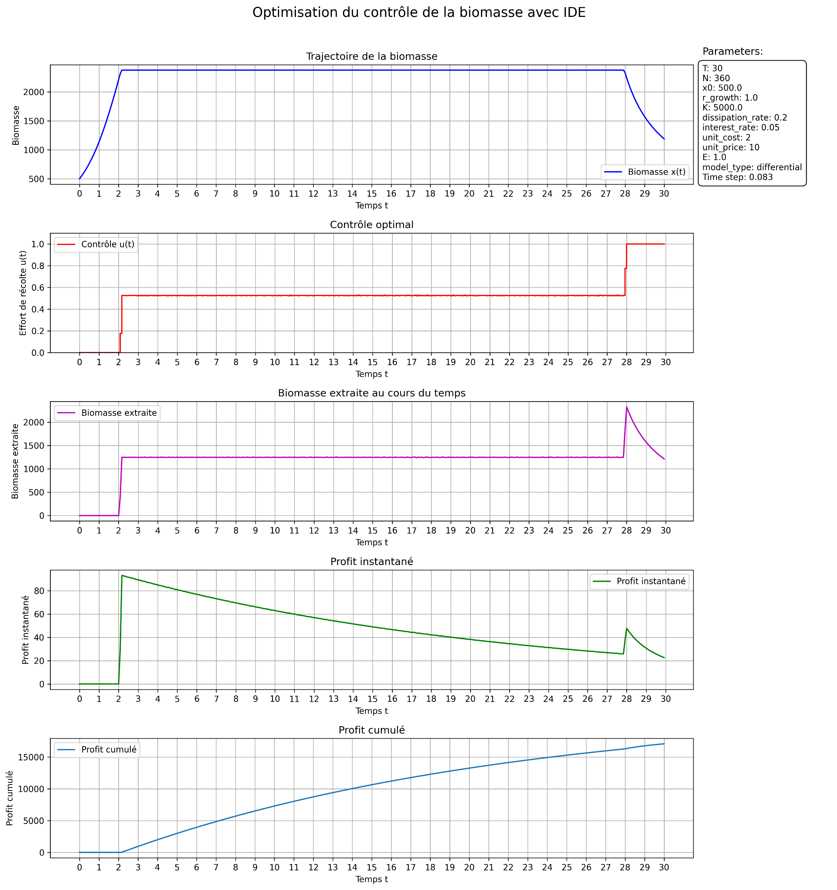
graphs:

