MultipEpsilon
 | A |  |  |  | B
 | Final Run Results |  |  |  | Initial Run Results
 | Run:0(P&R) |  |  |  | Run:0(P&R)
 | P | R |  |  | P | R
a1 | 40 | 1.57 |  | b1 | 269 | 0.54
a2 | 30 | 2.02 |  | b2 | 89 | 1.09
a3 | 5 | 2.66 |  | b3 | 394 | 0.14

 |  |  |  |  |  |  |  |  |  | P ratio | R ratio | max
 |  |  | step1 | b1 | 269 | 0.54 | a1 | 40 | 1.57 | 0.15 | 2.91 | 2.91
 |  |  |  |  |  |  | a2 | 30 | 2.02 | 0.11 | 3.74 | 3.74
 |  |  |  |  |  |  | a3 | 5 | 2.66 | 0.02 | 4.93 | 4.93
 |  |  |  | b2 | 89 | 1.09 | a1 | 40 | 1.57 | 0.45 | 1.44 | 1.44
 |  |  |  |  |  |  | a2 | 30 | 2.02 | 0.34 | 1.85 | 1.85
 |  |  |  |  |  |  | a3 | 5 | 2.66 | 0.06 | 2.44 | 2.44
 |  |  |  | b3 | 394 | 0.14 | a1 | 40 | 1.57 | 0.10 | 11.21 | 11.21 | ← takes the closest point
 |  |  |  |  |  |  | a2 | 30 | 2.02 | 0.08 | 14.43 | 14.43
 |  |  |  |  |  |  | a3 | 5 | 2.66 | 0.01 | 19.00 | 19.00
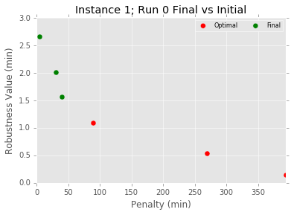
 |  |  | step2 |  |  |  |  | min
 |  |  |  | b1 | 2.91 | 3.74 | 4.93 | 2.91
 |  |  |  | b2 | 1.44 | 1.85 | 2.44 | 1.44
 |  |  |  | b3 | 11.21 | 14.43 | 19.00 | 11.21
 |  |  | step3 |  |  |  |  | max
 |  |  |  |  | 2.91 | 1.44 | 11.21 | 11.21

