FDC analysis
 | 1940 - 1975 |  | 1976 - 2012
7.8222778473E-05 | 112000 | 7.3986386505E-05 | 90900
0.00015644555695 | 112000 | 0.00014797277301 | 90800
0.00023466833542 | 108000 | 0.00022195915951 | 86200
0.00031289111389 | 105000 | 0.00029594554602 | 86100
0.00039111389237 | 95000 | 0.00036993193252 | 86000
0.00046933667084 | 94000 | 0.00044391831903 | 85800
0.00054755944931 | 84500 | 0.00051790470553 | 83300
0.00062578222778 | 83500 | 0.00059189109204 | 82700
0.00070400500626 | 82300 | 0.00066587747854 | 81900
0.00078222778473 | 82100 | 0.00073986386505 | 80700
0.0008604505632 | 81600 | 0.00081385025155 | 80400
0.00093867334168 | 79400 | 0.00088783663806 | 79600
0.0010168961202 | 76000 | 0.00096182302456 | 79600
0.0010951188986 | 74900 | 0.0010358094111 | 79300
0.0011733416771 | 73800 | 0.0011097957976 | 78900
0.0012515644556 | 70200 | 0.0011837821841 | 77000
0.001329787234 | 68900 | 0.0012577685706 | 76300
0.0014080100125 | 64000 | 0.0013317549571 | 76000
0.001486232791 | 62900 | 0.0014057413436 | 75800
0.0015644555695 | 62500 | 0.0014797277301 | 75300
0.0016426783479 | 61600 | 0.0015537141166 | 75000
0.0017209011264 | 59700 | 0.0016277005031 | 74400
0.0017991239049 | 59100 | 0.0017016868896 | 74100
0.0018773466834 | 58200 | 0.0017756732761 | 72800
0.0019555694618 | 57700 | 0.0018496596626 | 72700
0.0020337922403 | 57000 | 0.0019236460491 | 72700
0.0021120150188 | 55100 | 0.0019976324356 | 72300
0.0021902377972 | 53500 | 0.0020716188221 | 72000
0.0022684605757 | 52900 | 0.0021456052086 | 71400
0.0023466833542 | 52800 | 0.0022195915951 | 71000
0.0024249061327 | 52300 | 0.0022935779817 | 71000
0.0025031289111 | 51900 | 0.0023675643682 | 70400
0.0025813516896 | 50900 | 0.0024415507547 | 70200
0.0026595744681 | 50600 | 0.0025155371412 | 70000
0.0027377972466 | 50600 | 0.0025895235277 | 69600
0.002816020025 | 49900 | 0.0026635099142 | 69200
0.0028942428035 | 48300 | 0.0027374963007 | 69100
0.002972465582 | 46700 | 0.0028114826872 | 69000
0.0030506883605 | 46600 | 0.0028854690737 | 68900
0.0031289111389 | 46300 | 0.0029594554602 | 68800
0.0032071339174 | 45600 | 0.0030334418467 | 68800
0.0032853566959 | 44100 | 0.0031074282332 | 68400
0.0033635794743 | 43500 | 0.0031814146197 | 68100
0.0034418022528 | 43000 | 0.0032554010062 | 67800
0.0035200250313 | 42500 | 0.0033293873927 | 67300
0.0035982478098 | 41800 | 0.0034033737792 | 66100
0.0036764705882 | 41400 | 0.0034773601657 | 65000
0.0037546933667 | 40900 | 0.0035513465522 | 64900
0.0038329161452 | 40200 | 0.0036253329387 | 64800
0.0039111389237 | 40100 | 0.0036993193252 | 64700
...
GAGE ID
Date | Q | Rank | EP | Q | Date | Q | Rank | EP | Q
1965-04-11 | 112000 | 1 | 7.8222778473E-05 | 112000 | 1993-06-25 | 90900 | 1 | 7.3986386505E-05 | 90900
1965-04-12 | 112000 | 2 | 0.00015644555695 | 112000 | 1993-06-24 | 90800 | 2 | 0.00014797277301 | 90800
1965-04-13 | 108000 | 3 | 0.00023466833542 | 108000 | 2001-04-18 | 86200 | 3 | 0.00022195915951 | 86200
1965-04-14 | 105000 | 4 | 0.00031289111389 | 105000 | 1993-06-26 | 86100 | 4 | 0.00029594554602 | 86100
1965-04-15 | 95000 | 5 | 0.00039111389237 | 95000 | 2001-04-19 | 86000 | 5 | 0.00036993193252 | 86000
1965-04-10 | 94000 | 6 | 0.00046933667084 | 94000 | 1993-06-23 | 85800 | 6 | 0.00044391831903 | 85800
1969-04-14 | 84500 | 7 | 0.00054755944931 | 84500 | 2001-04-17 | 83300 | 7 | 0.00051790470553 | 83300
1969-04-15 | 83500 | 8 | 0.00062578222778 | 83500 | 2001-04-20 | 82700 | 8 | 0.00059189109204 | 82700
1969-04-13 | 82300 | 9 | 0.00070400500626 | 82300 | 1997-04-12 | 81900 | 9 | 0.00066587747854 | 81900
1969-04-16 | 82100 | 10 | 0.00078222778473 | 82100 | 1993-06-27 | 80700 | 10 | 0.00073986386505 | 80700
1969-04-17 | 81600 | 11 | 0.0008604505632 | 81600 | 1997-04-13 | 80400 | 11 | 0.00081385025155 | 80400
1969-04-18 | 79400 | 12 | 0.00093867334168 | 79400 | 1997-04-11 | 79600 | 12 | 0.00088783663806 | 79600
1969-04-12 | 76000 | 13 | 0.0010168961202 | 76000 | 2001-04-29 | 79600 | 13 | 0.00096182302456 | 79600
1969-04-19 | 74900 | 14 | 0.0010951188986 | 74900 | 2001-04-16 | 79300 | 14 | 0.0010358094111 | 79300
1965-04-16 | 73800 | 15 | 0.0011733416771 | 73800 | 2001-04-28 | 78900 | 15 | 0.0011097957976 | 78900
1965-04-17 | 70200 | 16 | 0.0012515644556 | 70200 | 2001-04-21 | 77000 | 16 | 0.0011837821841 | 77000
1969-04-20 | 68900 | 17 | 0.001329787234 | 68900 | 1997-04-14 | 76300 | 17 | 0.0012577685706 | 76300
1969-04-11 | 64000 | 18 | 0.0014080100125 | 64000 | 1993-06-22 | 76000 | 18 | 0.0013317549571 | 76000
1951-04-11 | 62900 | 19 | 0.001486232791 | 62900 | 2001-04-15 | 75800 | 19 | 0.0014057413436 | 75800
1965-04-18 | 62500 | 20 | 0.0015644555695 | 62500 | 2001-04-30 | 75300 | 20 | 0.0014797277301 | 75300
1969-04-21 | 61600 | 21 | 0.0016426783479 | 61600 | 1993-06-28 | 75000 | 21 | 0.0015537141166 | 75000
1951-04-12 | 59700 | 22 | 0.0017209011264 | 59700 | 2010-09-30 | 74400 | 22 | 0.0016277005031 | 74400
1952-04-16 | 59100 | 23 | 0.0017991239049 | 59100 | 2001-04-27 | 74100 | 23 | 0.0017016868896 | 74100
1951-04-10 | 58200 | 24 | 0.0018773466834 | 58200 | 2010-10-01 | 72800 | 24 | 0.0017756732761 | 72800
1952-04-15 | 57700 | 25 | 0.0019555694618 | 57700 | 2001-04-14 | 72700 | 25 | 0.0018496596626 | 72700
1951-04-13 | 57000 | 26 | 0.0020337922403 | 57000 | 2010-09-29 | 72700 | 26 | 0.0019236460491 | 72700
1951-04-14 | 55100 | 27 | 0.0021120150188 | 55100 | 1997-04-10 | 72300 | 27 | 0.0019976324356 | 72300
1969-04-22 | 53500 | 28 | 0.0021902377972 | 53500 | 2011-03-28 | 72000 | 28 | 0.0020716188221 | 72000
1965-04-19 | 52900 | 29 | 0.0022684605757 | 52900 | 2011-03-29 | 71400 | 29 | 0.0021456052086 | 71400
1952-04-14 | 52800 | 30 | 0.0023466833542 | 52800 | 2001-04-22 | 71000 | 30 | 0.0022195915951 | 71000
1952-04-17 | 52300 | 31 | 0.0024249061327 | 52300 | 2010-03-23 | 71000 | 31 | 0.0022935779817 | 71000
1951-04-15 | 51900 | 32 | 0.0025031289111 | 51900 | 2011-03-27 | 70400 | 32 | 0.0023675643682 | 70400
1952-04-13 | 50900 | 33 | 0.0025813516896 | 50900 | 2010-03-22 | 70200 | 33 | 0.0024415507547 | 70200
1951-04-16 | 50600 | 34 | 0.0026595744681 | 50600 | 1997-04-15 | 70000 | 34 | 0.0025155371412 | 70000
1965-04-20 | 50600 | 35 | 0.0027377972466 | 50600 | 2001-04-26 | 69600 | 35 | 0.0025895235277 | 69600
1952-04-12 | 49900 | 36 | 0.002816020025 | 49900 | 2001-04-13 | 69200 | 36 | 0.0026635099142 | 69200
1969-04-10 | 48300 | 37 | 0.0028942428035 | 48300 | 2010-10-02 | 69100 | 37 | 0.0027374963007 | 69100
1952-04-11 | 46700 | 38 | 0.002972465582 | 46700 | 1993-06-29 | 69000 | 38 | 0.0028114826872 | 69000
1965-04-21 | 46600 | 39 | 0.0030506883605 | 46600 | 2001-05-01 | 68900 | 39 | 0.0028854690737 | 68900
1969-04-23 | 46300 | 40 | 0.0031289111389 | 46300 | 2001-04-23 | 68800 | 40 | 0.0029594554602 | 68800
1951-04-17 | 45600 | 41 | 0.0032071339174 | 45600 | 2011-03-30 | 68800 | 41 | 0.0030334418467 | 68800
1952-04-18 | 44100 | 42 | 0.0032853566959 | 44100 | 2010-03-24 | 68400 | 42 | 0.0031074282332 | 68400
1965-04-09 | 43500 | 43 | 0.0033635794743 | 43500 | 2001-04-24 | 68100 | 43 | 0.0031814146197 | 68100
1951-04-18 | 43000 | 44 | 0.0034418022528 | 43000 | 2001-04-25 | 67800 | 44 | 0.0032554010062 | 67800
1952-04-10 | 42500 | 45 | 0.0035200250313 | 42500 | 2011-03-26 | 67300 | 45 | 0.0033293873927 | 67300
1951-04-19 | 41800 | 46 | 0.0035982478098 | 41800 | 2010-03-21 | 66100 | 46 | 0.0034033737792 | 66100
1965-04-22 | 41400 | 47 | 0.0036764705882 | 41400 | 2010-09-28 | 65000 | 47 | 0.0034773601657 | 65000
1952-04-19 | 40900 | 48 | 0.0037546933667 | 40900 | 2001-04-12 | 64900 | 48 | 0.0035513465522 | 64900
1957-06-26 | 40200 | 49 | 0.0038329161452 | 40200 | 2011-03-31 | 64800 | 49 | 0.0036253329387 | 64800
1969-04-24 | 40100 | 50 | 0.0039111389237 | 40100 | 2011-03-25 | 64700 | 50 | 0.0036993193252 | 64700
1957-06-27 | 40000 | 51 | 0.0039893617021 | 40000 | 2010-10-03 | 63900 | 51 | 0.0037733057117 | 63900
1952-04-09 | 39900 | 52 | 0.0040675844806 | 39900 | 2010-03-25 | 63700 | 52 | 0.0038472920983 | 63700
1952-04-20 | 39400 | 53 | 0.0041458072591 | 39400 | 1997-04-16 | 63000 | 53 | 0.0039212784848 | 63000
1962-04-05 | 39400 | 54 | 0.0042240300375 | 39400 | 1993-06-30 | 62600 | 54 | 0.0039952648713 | 62600
1965-04-23 | 39400 | 55 | 0.004302252816 | 39400 | 2001-05-02 | 61800 | 55 | 0.0040692512578 | 61800
1962-04-04 | 38800 | 56 | 0.0043804755945 | 38800 | 2001-04-11 | 61700 | 56 | 0.0041432376443 | 61700
1951-04-20 | 38700 | 57 | 0.004458698373 | 38700 | 2011-03-24 | 60800 | 57 | 0.0042172240308 | 60800
1969-04-09 | 38300 | 58 | 0.0045369211514 | 38300 | 1997-04-09 | 60600 | 58 | 0.0042912104173 | 60600
1952-04-08 | 37700 | 59 | 0.0046151439299 | 37700 | 2011-04-01 | 60300 | 59 | 0.0043651968038 | 60300
1962-04-06 | 37700 | 60 | 0.0046933667084 | 37700 | 2010-03-26 | 59500 | 60 | 0.0044391831903 | 59500
1968-10-24 | 37200 | 61 | 0.0047715894869 | 37200 | 1993-06-21 | 59400 | 61 | 0.0045131695768 | 59400
1957-06-28 | 37000 | 62 | 0.0048498122653 | 37000 | 2001-04-10 | 59400 | 62 | 0.0045871559633 | 59400
1962-04-07 | 36900 | 63 | 0.0049280350438 | 36900 | 2010-10-04 | 58000 | 63 | 0.0046611423498 | 58000
1952-04-07 | 36800 | 64 | 0.0050062578223 | 36800 | 2010-03-20 | 57800 | 64 | 0.0047351287363 | 57800
1952-04-21 | 36800 | 65 | 0.0050844806008 | 36800 | 2010-03-27 | 56500 | 65 | 0.0048091151228 | 56500
1952-04-05 | 36600 | 66 | 0.0051627033792 | 36600 | 1993-07-01 | 56200 | 66 | 0.0048831015093 | 56200
1952-04-06 | 36600 | 67 | 0.0052409261577 | 36600 | 2011-04-02 | 56200 | 67 | 0.0049570878958 | 56200
1968-10-23 | 36400 | 68 | 0.0053191489362 | 36400 | 1997-04-17 | 56100 | 68 | 0.0050310742823 | 56100
1965-04-24 | 35900 | 69 | 0.0053973717146 | 35900 | 2001-05-03 | 55200 | 69 | 0.0051050606688 | 55200
1968-10-25 | 35800 | 70 | 0.0054755944931 | 35800 | 2001-04-09 | 54700 | 70 | 0.0051790470553 | 54700
1962-04-08 | 35300 | 71 | 0.0055538172716 | 35300 | 2010-03-28 | 53800 | 71 | 0.0052530334418 | 53800
1969-04-25 | 35200 | 72 | 0.0056320400501 | 35200 | 2011-04-03 | 53400 | 72 | 0.0053270198284 | 53400
1960-05-26 | 35100 | 73 | 0.0057102628285 | 35100 | 2010-03-29 | 52100 | 73 | 0.0054010062149 | 52100
1960-05-25 | 34900 | 74 | 0.005788485607 | 34900 | 2010-10-05 | 52100 | 74 | 0.0054749926014 | 52100
1951-04-21 | 34500 | 75 | 0.0058667083855 | 34500 | 1993-07-09 | 52000 | 75 | 0.0055489789879 | 52000
1952-04-22 | 34500 | 76 | 0.005944931164 | 34500 | 2011-04-04 | 51700 | 76 | 0.0056229653744 | 51700
1969-04-08 | 33600 | 77 | 0.0060231539424 | 33600 | 1993-07-08 | 51400 | 77 | 0.0056969517609 | 51400
1957-06-29 | 33300 | 78 | 0.0061013767209 | 33300 | 2010-09-27 | 51300 | 78 | 0.0057709381474 | 51300
1968-10-26 | 33200 | 79 | 0.0061795994994 | 33200 | 1993-07-02 | 51200 | 79 | 0.0058449245339 | 51200
1952-04-23 | 33000 | 80 | 0.0062578222778 | 33000 | 2011-04-05 | 50900 | 80 | 0.0059189109204 | 50900
1952-04-04 | 32800 | 81 | 0.0063360450563 | 32800 | 1993-07-10 | 50800 | 81 | 0.0059928973069 | 50800
1962-04-09 | 32800 | 82 | 0.0064142678348 | 32800 | 2011-04-06 | 50800 | 82 | 0.0060668836934 | 50800
1965-04-25 | 32800 | 83 | 0.0064924906133 | 32800 | 2011-04-07 | 50800 | 83 | 0.0061408700799 | 50800
1951-04-22 | 32700 | 84 | 0.0065707133917 | 32700 | 2010-03-30 | 50700 | 84 | 0.0062148564664 | 50700
...

FF_analysis_LP3_Stateline
log transformed |  |  |  |  |  |  |  |  |  | Q(Mm3/mo) ranked | Q (cfs) ranked | FCI
3.62 |  | Q | log(Q) | T | 2 | 10 | 25 | 50 | 100 | 228 | 3060 | 1
3.49 | Mean | 2596 | 3.38 | Kt | 0.038 | 1.254 | 1.669 | 1.928 | 2.155 | 227 | 3050 | 1
3.45 | Stdev | 1067 | 0.187 | log(Q) | 3.384 | 3.611 | 3.689 | 3.737 | 3.780 | 222 | 2980 | 1
3.47 | Skew | 0.538 | -0.231 | Q (cfs) | 2,420 | 4,085 | 4,883 | 5,460 | 6,022 | 220 | 2960 | 1
3.49 |  |  |  |  |  |  |  |  |  | 217 | 2910 | 1
3.53 |  |  |  |  |  |  |  |  |  | 216 | 2900 | 1
3.43 |  |  |  |  |  |  |  |  |  | 211 | 2840 | 1
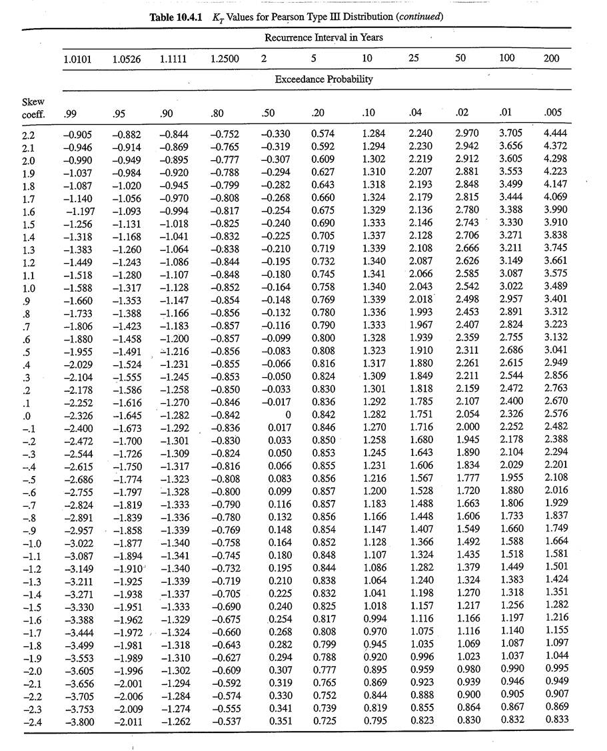
3.49 |  |  |  |  |  |  |  |  |  | 206 | 2770 | 1
3.44 |  |  |  |  |  |  |  |  |  | 205 | 2750 | 1
3.61 |  |  |  |  |  |  |  |  |  | 204 | 2740 | 1
3.44 |  |  |  |  |  |  |  |  |  | 203 | 2730 | 1
3.49 |  |  |  |  |  |  |  |  |  | 200 | 2680 | 1
3.69 |  |  |  |  |  |  |  |  |  | 197 | 2650 | 1
3.69 |  |  |  |  |  |  |  |  |  | 197 | 2650 | 1
3.68 |  |  |  |  |  |  |  |  |  | 197 | 2640 | 1
3.68 |  |  |  |  |  |  |  |  |  | 178 | 2390 | 0.99
3.47 |  |  |  |  |  |  |  |  |  | 176 | 2370 | 0.95
3.09 |  |  |  |  |  |  |  |  |  | 174 | 2340 | 0.9
3.46 |  |  |  |  |  |  |  |  |  | 161 | 2160 | 0.75
3.37 |  |  |  |  |  |  |  |  |  | 144 | 1930 | 0.6
3.56 |  |  |  |  |  |  |  |  |  | 130 | 1750 | 0.45
3.19 |  |  |  |  |  |  |  |  |  | 130 | 1750 | 0.3
3.42 |  |  |  |  |  |  |  |  |  | 116 | 1560 | 0.15
3.29 |  |  |  |  |  |  |  |  |  | 116 | 1560 | 0.14
3.24 |  |  |  |  |  |  |  |  |  | 115 | 1550 | 0.13
3.46 |  |  |  |  |  |  |  |  |  | 109 | 1470 | 0.12
3.48 |  |  |  |  |  |  |  |  |  | 99 | 1330 | 0.11
3.42 |  |  |  |  |  |  |  |  |  | 94 | 1260 | 0.1
3.42 |  |  |  |  |  |  |  |  |  | 92 | 1240 | 0.09
3.38 |  |  |  |  |  |  |  |  |  | 92 | 1230 | 0.08
3.17 |  |  |  |  |  |  |  |  |  | 90 | 1210 | 0.07
3.19 |  |  |  |  |  |  |  |  |  | 88 | 1180 | 0.06
3.10 |  |  |  |  |  |  |  |  |  | 88 | 1180 | 0.05
3.07 |  |  |  |  |  |  |  |  |  | 86 | 1160 | 0.04
3.37 |  |  |  |  |  |  |  |  |  | 85 | 1140 | 0.03
3.44 |  |  |  |  |  |  |  |  |  | 83 | 1120 | 0.02
3.09 |  |  |  |  |  |  |  |  |  | 82 | 1100 | 0.0099999999997
3.08 |  |  |  |  |  |  |  |  |  | 80 | 1080 | 0.0099999999997
3.33 |  |  |  |  |  |  |  |  |  | 79 | 1060 | 0.0099999999997
3.07 |  |  |  |  |  |  |  |  |  | 77 | 1040 | 0.0099999999997
3.44 |  |  |  |  |  |  |  |  |  | 76 | 1020 | 0.0099999999997
3.24
3.12
3.06
3.19

